Example_Tree_New
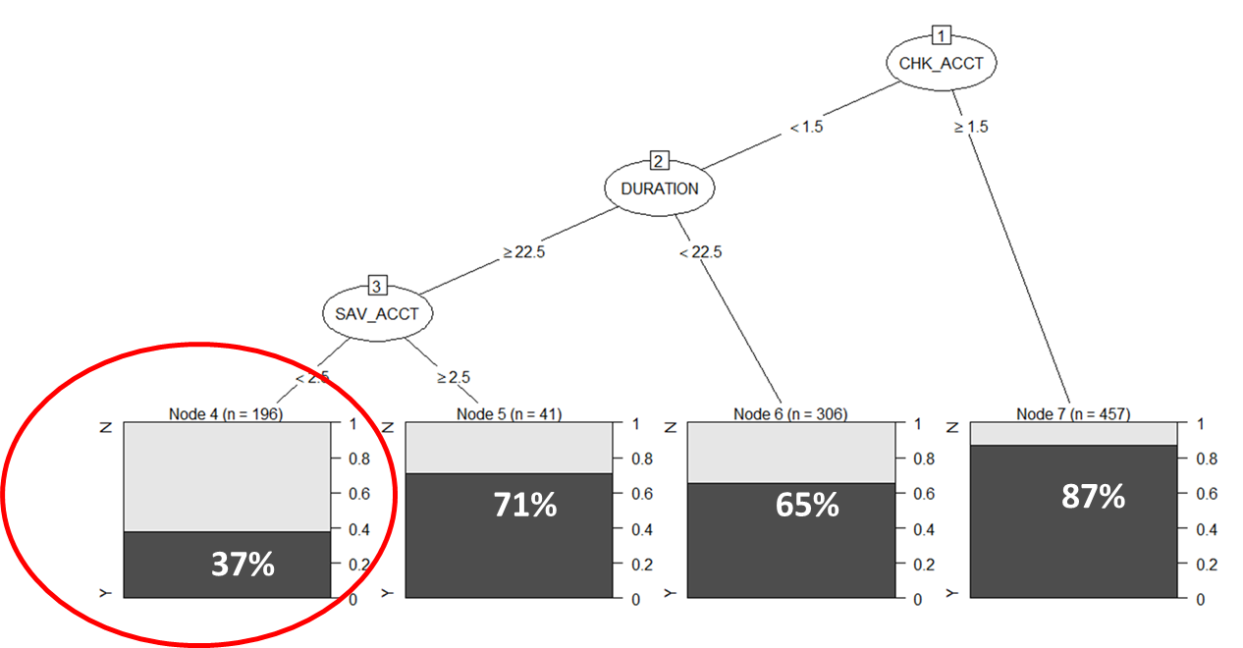
 | Want to figure out
 | rating =N |  |  |  |  |  |  |  |  | 69252.106068

Segment | Response Rate (%) | Sample size | # of Responder | Cumulative Responders | Cumulative Size | Cumulative non responder | Cumulative non res % | Cumulative responder % | KS
4 | 63 | 196 | 123 | 123 | 196 | 73 | 10.4% | 40.9% | 30.5%
6 | 35 | 306 | 107 | 231 | 502 | 271 | 38.9% | 76.4% | 37.5%
5 | 29 | 41 | 12 | 242 | 543 | 301 | 43.0% | 80.3% | 37.3%
7 | 13 | 457 | 59 | 302 | 1,000 | 698 | 100.0% | 100.0% | 0.0%
All |  | 1000 | 302

Sheet3
 | 2014-03-15 | 2014-01-14

 | height | weight
A | 1 | 108.56587743 | 150
A | 2 | 205.89534668 |  |  |  |  |  |  |  |  |  |  |  | 1.5 | 149.574
B | 3 | 307.46406141 | 400
B | 4 | 404.95929006
B | 5 | 500.44171591
C | 6 | 601.31084659 | 650
C | 7 | 706.9609565
D | 8 | 800.87638618 | 850
D | 9 | 909.24099989

 | prediction
A | 150
B | 400
C | 650
D | 850

Segment | Match Rate (%) | Cumulative Match Rate (%) | Accept Rate (%) | Cumulative Size | Cumulative non responder
15 | 47.6 | 47.6 | 4.6 | 36,407 | 19,066 |  |  | size | responder | Ntural responser rate | res with offer | natural benefit | benefit with offer | Gain with offer
11 | 40.3 | 47.1 | 5.0 | 39,492 | 20,909 |  | H | 62,473 | 26,578 | 42.5% | 80% | 7,973,400 | 4,997,840 | (2,975,560)
13 | 34.8 | 42.5 | 7.9 | 62,473 | 35,895 |  | M | 174,939 | 22,920 | 13.1% | 35% | 6,876,000 | 6,122,865 | (753,135)
14 | 14.1 | 37.9 | 9.5 | 74,659 | 46,363 |  | L | 551,570 | 19,754 | 3.6% | 15% | 5,926,200 | 8,273,550 | 2,347,350
10 | 13.4 | 29.6 | 14.3 | 113,042 | 79,593
12 | 12.9 | 20.8 | 30.1 | 237,412 | 187,914 | 49,498
9 | 4.7 | 10.9 | 78.8 | 621,694 | 554,089
8 | 1 | 8.8 | 100.0 | 788,982 | 719,730 | 69,252

