TricksVS
Tricks | Keyword | Advantage
Rectangular selection of code in vs | ALT keyword+ select the mouse which is required
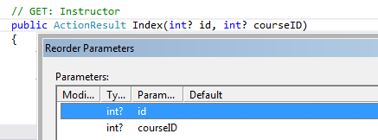 extract method in VS | extract method int year = DateTime.Now.Year; Response.Write(year.ToString()); | Unnecssary steps been avoided
How to get connection string in easy way (they are bit cryptic) | open a txt file as as with extension as .udl ex: "MyDBConnection.udl" run the file now it will ask for Sql servername and select DB Name
Tasklist helps us to specfiy a consolidate task that needs action to be taken latter | 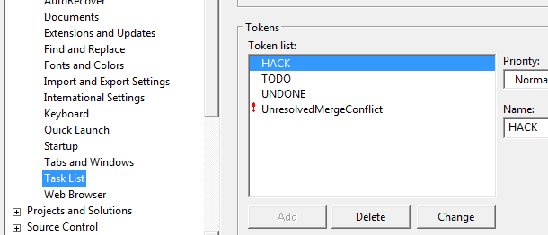
Run to cursor
How to store comman code which is used again and again.. Place it in handy location.. Tool box | we can pin the code in the toolbox
get inner exception | Use the getbaseexception to get the root caused for the nexted methods used

Remove and reoder the parameters | Helps if we have more parameters like 10 to 20.. Instead of cut and place the parameter it is much easy
Get and set parameters:using Prop
implement interface with right click… | right click on ICustomer interface and it implements all the interface methods
Site under maintence | Simply add the file app_offline.htm write a message as Site is under maintance
remove unused namespace

