Defect Report-CaseStudy
Defect ID | Defect Description | Steps to Reproduce | Priority | Severity | Status | Created By | Assigned To | Screenshot
1 | Password mismatch validation is not displayed when the New Password and Confirm Password fields contain different values. | 1. Open the browser. 2. Navigate to https://www.irctc.co.in. 3. Login with valid credentials. 4. Go to My Account → Change Password. 5. Enter a valid password in the New Password field (e.g., @Anup913507). 6. Enter a different password in the Confirm Password field (e.g., @Anup913076). 7. Click the Submit button. | High | Major | New | Kumar Anup | Raghavendra BN | 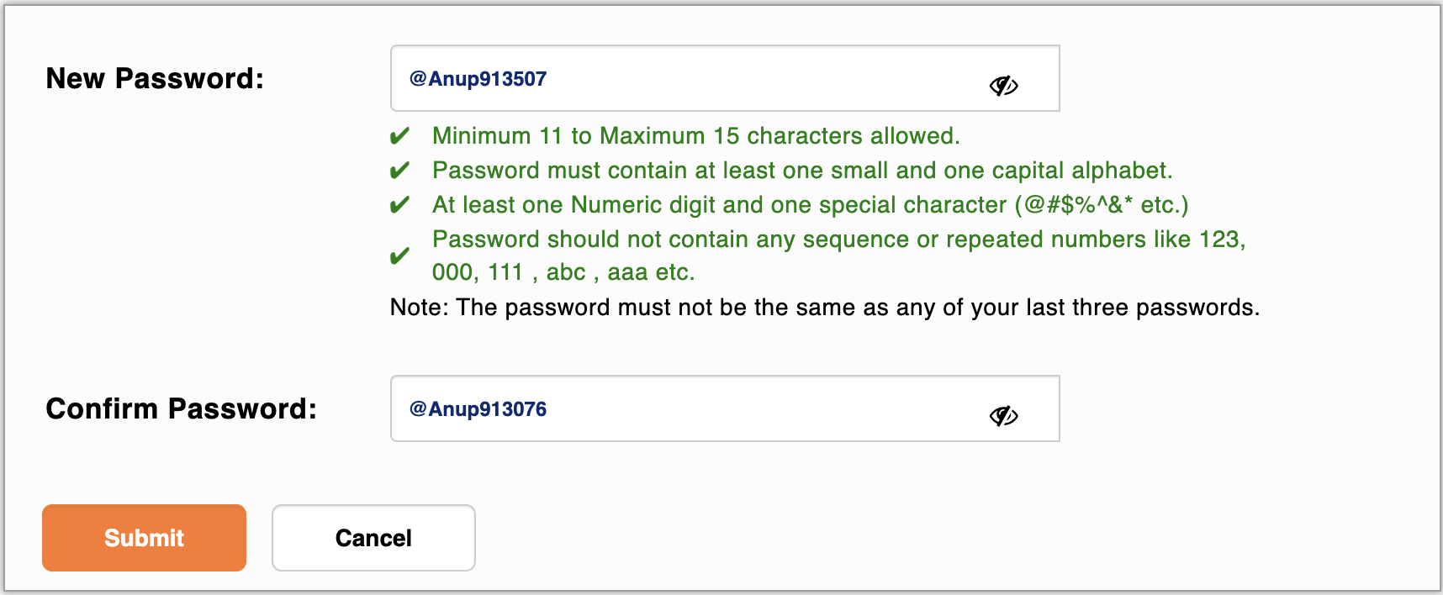
2 | Invalid email accepted | 1. Open IRCTC website. 2. Click Register. 3. Enter an invalid email. 4. Fill all other mandatory fields. 5. Click Submit. | High | Major | New | Kumar Anup | Raghavendra BN
3 | Same source and destination accepted | 1. Login to IRCTC. 2. Select New Delhi (NDLS) as the source station. 3. Select New Delhi (NDLS) as the destination station. 4. Select a valid journey date. 5. Click Search Trains. | High | Critical | New | Kumar Anup | Raghavendra BN
4 | Invalid PNR accepted | 1. Open the IRCTC home page. 2. Click PNR Status. 3. Enter an invalid PNR number 4. Click Check Status. 5. Observe the system response. | Medium | Minor | New | Kumar Anup | Raghavendra BN
5 | UI elements overlap when the browser window is resized, affecting usability and readability. | 1. Open the browser. 2. Navigate to https://www.irctc.co.in. 3. Login with valid credentials. 4. Resize the browser window to 50% width or switch to a lower screen resolution 5. Navigate to the Home/Booking page. 6. Observe the navigation menu, search panel, and other UI components. 7. Notice that some buttons and text overlap, making the page difficult to use. | Low | Minor | New | Kumar Anup | Raghavendra BN | 