RFE Auto Code generation
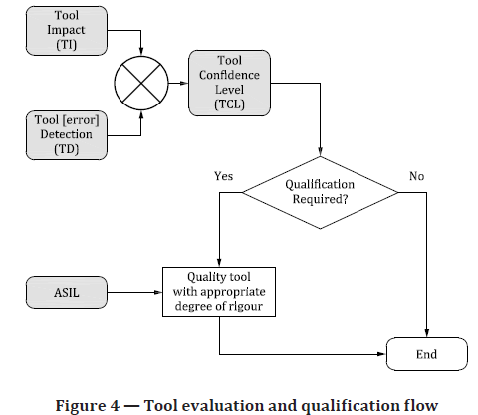
User Qualifier Evaluation | Tool Impact: | TI2 | Tool Impact (TI)​ | The possibility that a malfunction of a particular software tool can introduce or fail to detect errors in a safety-related item or element being developed. This is expressed by the classes of Tool Impact (TI).
What does the tool do? | Used for RFE Firmware development to generate C code |  | TI1: No impact ​
 | Generates the portion of the C code in the RFE firmware and RFE driver development |  | TI2: Impact​

How is it used in the project development lifecycle? (use a drawing if helpful, describe environment and use cases) | Used in development of RFE Firmware and RFE driver during the phases: Design , implementaion(coding)
Is the tool configurable? If yes, how is the tool configurated for project specific use cases? | NA
What is the input data source? | xml |  | Tool Detection (TD) in usage of tool​ |  | TD express the confidence in measures that prevent the software tool from malfunctioning and producing corresponding erroneous output, or in measures that detect that the software tool has malfunctioned and has produced corresponding erroneous output. This is expressed by the classes of Tool error Detection (TD).
What is the form of the tool output? | Source code |  | TD1: High probability of detecting/preventing potential tool errors​
Can a tool failure produce erroneous output that eventually results in a presence of error(s) in the element being developed? | Yes |  | TD2: Medium probability of detecting/preventing potential tool errors​
List the failure modes (not causes) that produce erroneous outputs leading to errors in the developed element. | Incorrect input, implementation mistakes,inability to overwrite output files, corruption of the FS / platform |  | TD3: All other cases (Low or unknown)​

ToolQualifier Evaluation | Tool Detection: | TD1
Failure modes | Effect | Detection
Incorrect Input | incorrect input values | Reviews
Incorrect Input | invalid inputs (format) | Tool Error
Implementation Mistakes | Compilation failure | Compiler warnings
Implementation Mistakes | generate wrong values | Reviews
Inability to overwrite output files | output cannot be generated | Tool Error
Corruption of FS | Read input file Ttool not loaded correctly Cannot write the output file | Tool Error, reviews

Cmake
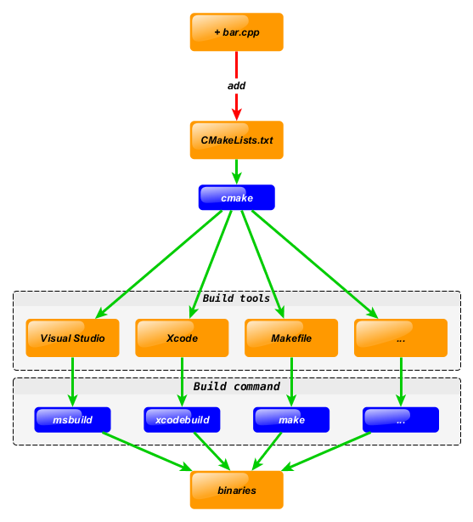
User Qualifier Evaluation | Tool Impact: | TI2 | Tool Impact (TI)​ | The possibility that a malfunction of a particular software tool can introduce or fail to detect errors in a safety-related item or element being developed. This is expressed by the classes of Tool Impact (TI).
What does the tool do? |  |  | TI1: No impact ​
 | Generates meta files for build system. Used to generate build makefiles. Refer the image for CMake brief |  | TI2: Impact​

How is it used in the project development lifecycle? (use a drawing if helpful, describe environment and use cases) | It is used to generate build meta files for all application developed. Any new application developed will add new CMake changes to implement the workflow.
Is the tool configurable? If yes, how is the tool configurated for project specific use cases? | Windows : https://cmake.org/download/ WSL/Ubuntu - via installable packages
What is the input data source? | CMakeList.txt files and included cmake files |  | Tool Detection (TD) in usage of tool​ |  | TD express the confidence in measures that prevent the software tool from malfunctioning and producing corresponding erroneous output, or in measures that detect that the software tool has malfunctioned and has produced corresponding erroneous output. This is expressed by the classes of Tool error Detection (TD).
What is the form of the tool output? | Generated makefiles for builds |  | TD1: High probability of detecting/preventing potential tool errors​
Can a tool failure produce erroneous output that eventually results in a presence of error(s) in the element being developed? | Yes |  | TD2: Medium probability of detecting/preventing potential tool errors​
List the failure modes (not causes) that produce erroneous outputs leading to errors in the developed element. |  |  | TD3: All other cases (Low or unknown)​

ToolQualifier Evaluation | Tool Detection: | TD1
Failure modes | Effect | Detection
Incorrect inputs during the configuration | Build failure | Tool Error

