Revision History
OVERVIEW STRX-RFE/SOC Trimming Strategy

Document Information
Project name | Smart TRX Innovation
Document name | STRX_RFE_SOC_trimming_Strategy_TO1
Revision | v3
Status | draft
Date | 2022-08-23 00:00:00
Authors | B.Poussard
Organization | BU Automotive / BL IDA / PL ADAS

Revision History
Revision | Date | Status | Author | Changes | RFE OTP Version
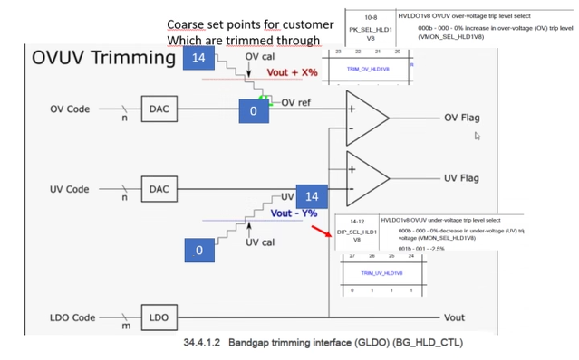
notes for the next versions |  |  |  | artf968913 : Correct HVLDO OVUV procedure artf919289 : Add rx bbd resistor trimming artf963069 : update ChirpGen Cal DAC trimming TO BE FINISHED artf981280: Add programming bits for ibias mirror inside lldo_pdc outcomes from review artf981818: New trimming for the PVT tracking LLDO ? Waiting for the green light from the tkt artf960348 : [GBias] request to remove MasterDiode 300nA/K OVUV : safe default value are inverted (Koteswararao Nannapaneni) artf984429 : TXADC : diff in given conf, ATB ADC : add diff, specify config
v3 | 23-Aug-22 | draft | Benoit Poussard | artf981742 (tkt from S&A database) : add GPADC ADC0_SAR_TRIM_VALID artf935799 : Update MCGEN Freq det OTP type : it is configurable between SW/HW-based artf976383 : update GLDO1v3 OV threshold to 5% instead of 7.5% Suppress obsolete tables with the trimming procedure maturity | 1
v2 | 1-Jul-22 | draft | Benoit Poussard | artf933088 : RFE OVUV PMIC 1v8 is removed | 1
v1 | 21-Jun-22 | draft | Benoit Poussard | Document creation based on trimming procedure for TO1 version 39 Update the 'RFE OTP Version' value, starting from 1 for the ES2 artf960211 : update the cal_res register value during ChirpGen Res_ohm trimming. Update the default value artf963069 : update ChirpGen Cal DAC trimming TO BE FINISHED BBBiST gain trimming : update number of trimming bit, procedure and default value artf944550 : increase from 6 to 7 bits the 4 ChirpGen LevelDet trimming TO BE FINISHED artf889356 : update default value of SOV BG OVUV artf933065 : add HVLDO TRIM VALID bit in the fusemap Align the ChirpGen KVCO trimming procedure to the ATE learnings | 1
v39 | 20-Jun-22 | proposed | Benoit Poussard | artf946337 : add 1 bit on the ATB 10b-ADC gain corrections with div2 Update the 'RFE OTP Version' value | 8
v38 | 20-Jun-22 | proposed | Benoit Poussard | Update UnderVoltage default value from 0xF to 0xE (0xF is not used in the IP) artf960211 :revert the code change and the default value. This update is for ES2 | 7
v37 | 2-Jun-22 | proposed | Benoit Poussard | Remove the HVLDO BG from the HVLDO OVUV predecessors artf960211 : update the cal_res register value during ChirpGen Res_ohm trimming. Update the default value artf932604 : Update Gbias V2I and Gbias ibias trimming procedure and targets | 7
v36 | 31-May-22 | proposed | Benoit Poussard | RFE ChirpGen HVLDO BG trimming : add BG curve recording in the OTP as per artf940855 Update the 'RFE OTP Version' value | 7
v35 | 31-May-22 | proposed | Benoit Poussard | ChirpGen Vtune detector : correct the resolution Correction in RFE SOC FuseMap sheet, trim complexity columns OVUV trimmings : skip the trim code15 which is not used in the design RFE ChirpGen HVLDO BG trimmings : update BG curve to 0x4 and trimming criteria becomes VCO LVLDO output as per artf940855 | 6
v34 | 13-Apr-22 | proposed | Benoit Poussard | artf953400 : TX ADC div2 trimming suppressed GBIAS V2I and GBIAS Ibias trimmings : update the procedure with the silicon learnings Rename atb1_set_adc_div2_cal in atb12_set_adc_div2_cal and atb2_set_adc_div2_cal in atb12_set_adc_div2_cal LLDODig OVUV BG predecessor update. No trim flow order change artf954741 : Remove GLDO1v3 trimming Update the 'RFE OTP Version' value | 6
v33 | 29-Mar-22 | proposed | Benoit Poussard | Update predecessors in the Trim Flow | 5
v32 | 23-Mar-22 | proposed | Benoit Poussard | artf915513 : ChirpGen Vtune detector trimming : update targets at 3T artf951042 : add SOC ATB R trimming Update the 'RFE OTP Version' value Update the trim flow : SOC HVLDO1v8 has to be trimmed earlier as it supplies the GPADC, TDC, ATBSOC | 5
v31 | 14-Mar-22 | proposed | Benoit Poussard | traceability of program version : correct typo and description | 4
v30 | 14-Mar-22 | proposed | Benoit Poussard | Add trimming program version at the OTP address 338 artf946337 : ATB IP : store the 10b-ADC div2_cal setting Update the 'RFE OTP Version' value | 4
v29 | 10-Mar-22 | proposed | Benoit Poussard | RX FE process monitoring procedure update TXBiST vdvga trimming : update the trimming target at 0v52 artf946317/artf943449 : BG HVLDO1v8 FuSa trimming criteria changed ChirpGen VCO ibias : add detail in the procedure Chirpgen rcosc procedure update | 3
v28 | 16-Feb-22 | proposed | Benoit Poussard | Update BBBiST gain trimming to get it on ATB2 | 3
v27 | 11-Feb-22 | proposed | Benoit Poussard | artf935448: increase the number of OTP bits for the TX & ATB 10b-ADC offset trimming Update the 'RFE OTP Version' value 'RFE SOC Fusemap' sheet : updates in 'destination register location' columns for SW ChirpGen Level detector trimming : corrections in the procedure SOC Bandgap curvature changed from 0x2 to 0x4 : default OTP value updated | 3
v26 | 12-Jan-22 | proposed | Benoit Poussard | ChirpGen Level detector : few correction in the procedure RXIP destination register location update artf915504 : Add ChirpGen RCOsc trimming procedure, update the default value artf915510 : update ChirpGen ResOhm trimming procedure (code 13 instead of 15), update the default value ChirpGen KVCO : corrections in the procedure | 2
v25 | 5-Jan-22 | proposed | Benoit Poussard | artf915513 : ChirpGen Vtune detector trimming : update target and default values artf915371 : ChirpGen CAL DAC trimming : update the procedure, the fusemap, the default value, the targetted SPI register Update the T0 trimming program content (Column AC in RFE SOC FuseMap) Update the 'RFE OTP Version' value | 2
v24 | 27-Dec-21 | proposed | Benoit Poussard | Update GPADC BG trimming procedure following the blueprint Update the FIRC measurement range | 1
v23 | 27-Dec-21 | proposed | Jürgen Marschner | Added default value for FIRC freq_sel<17:0> based on first measurements in the lab | 1
v22 | 16-Dec-21 | proposed | Benoit Poussard | SOC & RFE Tsense : update the procedure (formulas & registers) artf892363 : update LLDO PDC output voltage target to 0v945 artf915501 : update ChirpGen VCO level detector trimming procedure, update default values artf915509 : update ChirpGen KVCO trimming procedure as requested in the document review | 1
v21 | 13-Dec-21 | proposed | Benoit Poussard | artf915501 : Add ChirpGen VCO level detector trimming procedure, update default values 'RFE SOC Fusemap' sheet : minor updates in 'destination register location' columns for SW | 1
v20 | 10-Dec-21 | proposed | Benoit Poussard | artf915516 : Add ChirpGen CP trimming procedure, update default value ATB : correct the register name for atb1_set_adc_ldo_vdda and atb1_set_adc_ldo_vdda trimmings 'RFE SOC Fusemap' sheet : adapt 'destination register location' columns to the SW needs SOC & RFE TempSensors : Update val_a, val_b, val_alpha default values | 1
v19 | 8-Dec-21 | proposed | Benoit Poussard | 'RFE SOC Fusemap' sheet : corrections in the destination register location register names, complete the HW-based default values Chirpgen trimmings : - artf915371 : add provision in the FuseMap for CAL DAC trimming. Procedure isn't available - artf915465 : add VCO ibias trimming - artf915504 : add provision in the FuseMap for RCOsc trimming. Procedure isn't available - artf915501 : update VCO level detector trimming targets and default values - artf915509 : add KVCO trimming - artf915510 : update resohm trimming : measurement is done at res trim code 15. No res sweep anymore. Update default value - artf915516 : add provision in the FuseMap for CP trimming. Procedure isn't available TXBiST VdVGA trimming : update the recommandation about the ADC usage : shall be the TX ADC. BBBiST Gain : update trimming target value Update the 'RFE OTP Version' value | 1
v18 | 7-Dec-21 | proposed | Lei Ma | Update LLDOdig OVUV BG trimming | 0
v17 | 29-Nov-21 | proposed | Benoit Poussard | Add default trim values in the 'RFE SOC FuseMap' sheet (input from Sandeep N V) | 0
v16 | 17-Nov-21 | proposed | Benoit Poussard | SOC HVLDO1v8 : add trimming default value for early samples | 0
v15 | 10-Nov-21 | proposed | Benoit Poussard | RX IP : BE process monitoring : add 3T Nnom and Mnom values, update the trim resolution ChirpGen IP : MMD LDO trimming : add table with vout expected results SOC HVLDO1v8 : add trimming default value for early samples SOC TempSensor : add trimming default value for early samples General information : Add note about OTP writing in several steps MCGEN : the freq det trimming can be done by reading the ocii (TMUX isn't mandatory) TBiST : rename VBGR trim in VdVGA trim SOC LVDS : change the OTP bit status from "Not used" to "HW-based". Those bits stay trimmed at a default value. ADC OffCorr Trim : correct LSB from 0.8V/1023 to 0.8V/1024 | 0
v14 | 19-Oct-21 | proposed | Benoit Poussard | RX IP : update few values in FE process monitoring trim RX IP : BE process monitoring : add wait time GBIAS ibias : artf895810, add one current reference for the ATB PPD GBIAS V2I : During V2I trimming, LLDODIG and MCGEN have to be bypassed LO IP : add LOx4 tune freq trim at 0x2 for all parts RX IP : remove Level Detector trim | 0
v13 | 14-Sep-21 | proposed | Benoit Poussard | BG trim : add a note to bypass the BG low-noise filter to get fast settling times RX : replace pmos/nmos process information storing by BE and FE process monitoring. Give details GBIAS ibias : update the TX 90uA slope for the artf891212, change trim criteria GLDO 1v3 trim : put it back, trimmed at 0v9 RX : Level detector trim : add common mode voltage value | 0
v12 | 26-Jul-21 | proposed | Benoit Poussard | BG HVLDO : update default value Rename few OTP fields to avoid duplicates : set_iref -> mcgen_set_iref (0x2B8) set_iref -> aurora_set_iref (0x258) set_dc_bg_ovuv -> set_dc_bg_gldo_ovuv (0x2B4) set_dc_bg_ovuv -> set_dc_bg_soc_ovuv (0x24C) set_curve_bg_ovuv -> set_curve_bg_soc_ovuv (0x24C) ChirpGen : Change V2I trim criteria Add res_ohm trim | 0
v11 | 13-Jul-21 | proposed | Benoit Poussard | GBIAS V2I : update the current list, the measurement recommendations (no external measurement) Trim flow predecessor updated accordingly. GBIAS ibias : update the current list, the trim targets, the measurement recommendations (no external measurement) ATB R trim updated : ATB pillar interface leakage to be compensated in the measurement RX : Level detector offsets trim added RX : add provision for pmos/nmos process information storing (details aren't available) GPADC BG default value update RXBiST : add BBBiST gain trim, update the test signal frequency in BBBiST Ccal LLDO Dig : add 0VUV BG and OVUV trims ChirpGen : Update Vtune detector and level detector trims Update MMD LDO trim Update the V2I and BG trims Remove the other trims OVUV GLDO 1v3 : update OV trim target, remove the UV trim BG HVLDO & OVUV HVLDO : update the measurement recommendation about the 10b-ADC usage due to the ESD current leakage. Update the trim flow accordingly | 0
v10 | 7-May-21 | proposed | Benoit Poussard | GLDO 1v3 trim removed (artf829295) | 0
v9 | 29-Apr-21 | proposed | Benoit Poussard | General Information : add a note about the measurement averaging Add trim coverage for the T0, T1 and T2 test program releases in the 'RFE SOC FuseMap' sheet, columns P to Z | 0
v8 | 14-Apr-21 | proposed | Benoit Poussard | General Information : add link to the fusemap under DesignSync FuseMap, correct the addresses of the trim valid. artf840045 : remove ADPLL GBIAS current reference | 0
v7 | 13-Apr-21 | proposed | Benoit Poussard | Corrections after the CollabNet review | 0
v6 | 4-Apr-21 | proposed | Benoit Poussard | version for a first formal review in CollabNet | 0
v5 | 1-Apr-21 | draft | Benoit Poussard |  | 0
v4 | 30-Mar-21 | draft | Benoit Poussard |  | 0
v3 | 26-Mar-21 | draft | Benoit Poussard |  | 0
v2 | 15-Mar-21 | draft | Benoit Poussard |  | 0
v1 | 5-Mar-21 | draft | Benoit Poussard | initial version still at draft level | 0

LVDS
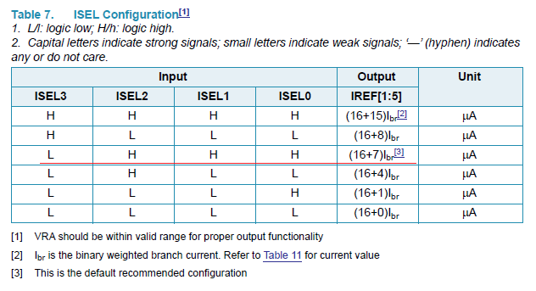
RFE/SOC FuseMap

Subsystem | LVDS
Subblock IP | LVDS

 |  | Mandatory for the functionality for early samples ? | Trim targets |  |  | Unit | SPI register name | SPI field name | OCII
Temp | / | / | 125 | 25 | -40 | °C | / | / | /
OTP control signals | LVDS<3:0> | yes | 7 | 7 | 7 | LSB | Not applicable. The SOC bits are HW-based |  | NA
Plan of record | / | / | PoR |  |  | / | / | / | /
Note : the temp noted as plan of record is the one at which will be performed the trim in production
For the other temperatures, the targets are given for evaluation on-the-fly in case of OTP not programmed

Designers | Kiran Gopal
 |  |  |  |  |  |  |  | The LVDS is not used for the OneChip.
Predecessors |  |  |  |  |  |  |  | This is a provision for the Shark
 | NTR
 |  |  |  |  |  |  |  | Draft of procedure for Shark :
System setup information |  |  |  |  |  |  |  | 1. Have a starting guess of VOD(diff voltage) and VOS(common mode)
 | NTR |  |  |  |  |  |  | 2. Measurement: apply VOS+VOD/2 and IOP and VOS-VOD/2 at IOM, and measure the pad currents (IIOP and -IIOM)
 |  |  |  |  |  |  |  | 3. New value of VOD = average of (IIOP and IIOM) * 100 ohm
Trim procedure |  |  |  |  |  |  |  | 4. Adjust VOS up or down with the end goal of getting IIOP equal to IIOM. Go back to step 2 and repeat
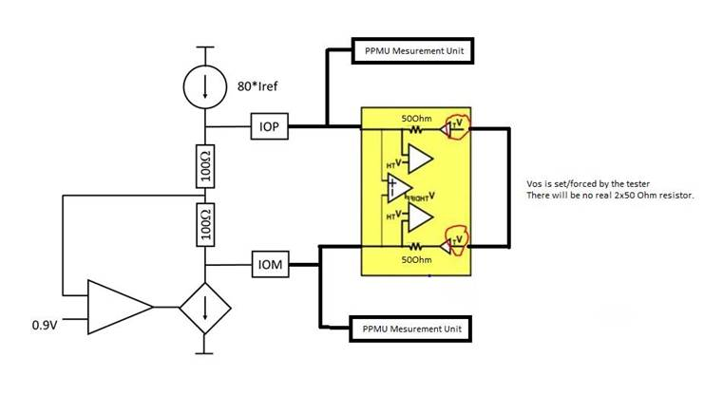
 | Registers to write at the default value from the table above

Expected results / procedure to validate the trim ?
 | Registers at the default value from the table above for all parts

Optimization procedure
 | NTR for the Onechip. The trim procedure might change for Shark.

Bandgaps
RFE/SOC FuseMap

 | Subsystem |  | Subblock IP | OTP control signals | Mandatory for the functionality for early samples ? | Trim criteria | Trim targets |  |  | Unit | SPI register name | SPI field name | OCII
Temp |  | / | / | / | / | / | 125 | 25 | -40 | °C | / | / | /
 | RFE | GLDO subsystem | Bandgap GLDO1v45 | set_dc_bg_gldo1v45<3:0> | yes | GLDO output voltage | 1.439 | 1.453 | 1.452 | V | BG_TRIM | SETDC_BG_GLD1V45 | bg_trim_setdc_bg_gld1v45
 |  |  | Bandgap HVLDO1v8 FuSa | set_dc_bg_hvldo1v8<3:0> | yes | HVLDO Vfb voltage | 0.8935 | 0.9025 | 0.9015 | V | BG_TRIM | SETDC_BG_HLD1V8 | bg_trim_setdc_bg_hld1v8
 |  |  | Bandgap OVUV | set_dc_bg_gldo_ovuv<3:0> | no, value 0x9 by default if not trimmed | BG output voltage | 0.894 | 0.903 | 0.9 | V | BG_TRIM | SETDC_BG_OVUV | bg_trim_setdc_bg_ovuv
 |  | ATB | bg | atb_set_bg_dc<3:0> | no, value 0x9 by default if not trimmed | BG output voltage | 0.7 | 0.7 | 0.7 | V | PVT_REF_GEN_BIST_0 | TR_BG_SETDC | pvt_ref_gen_bist_0_tr_bg_setdc
 |  | Global BIAS | gbias(core) | ctrl_bg_set_dc<3:0> | yes | vbg_filtered bg ouput voltage | 0.6 | 0.6 | 0.6 | V | BG_REF | TR_BG_SETDC | bg_ref_tr_bg_setdc
 |  | CHIRPGEN | DC | hvldo_bg_set_curve<2:0> | no | / | 0x4 | 0x4 | 0x4 | LSB | ANA_MISC_CTL | BG_SET_CURVE | ana_misc_ctl_bg_set_curve
 |  |  |  | hvldo_bg_set_dc <3:0> | no, value 0x7 by default if not trimmed | VCO LVLDO output | 0.9 | 0.9 | 0.9 | V | ANA_MISC_CTL | BG_SET_DC | ana_misc_ctl_bg_set_dc
 |  | LLDO Dig | OVUV LLDO BG | set_dc_bg_lldodig<3:0> | no, value 0x9 by default if not trimmed | 0VUV BG 0v9 output voltage | 0.9 | 0.9 | 0.9 | V | BG_OVUV_LLDO_CTL | SETDC_BG_OVUV | bg_ovuv_lldo_ctl_setdc_bg_ovuv
 | SOC | GPADC | GPADC Trim | set_dc_bg<3:0> | no, value 0x7 by default if not trimmed | BG output voltage | 0.8 | 0.8 | 0.8 | V | Not applicable. The SOC bits are HW-based |  | adc1_ctl_1_set_dc_bg
 |  |  |  | set_curve_bg<2:0> | yes | / | 0x4 | 0x4 | 0x4 | LSB |  |  | adc1_ctl_1_set_curve_bg
 |  | HVLDO / VMON | HVLDO TRIM VALID | hvldo_trim_valid | yes | / | 0x1 | 0x1 | 0x1 | LSB |  |  | NA
 |  |  | Bandgap HVLDO1v8 | set_dc_bg_hld1v8<3:0> | no, value 0x7 by default if not trimmed | HVLDO output voltage divided by 2 | 0.9 | 0.9 | 0.9 | V |  |  | bg_hld_ctl_setdc_bg_hld1v8
 |  |  |  | set_curve_bg_hld1v8<2:0> | yes | / | 0x4 | 0x4 | 0x4 | LSB |  |  | bg_hld_ctl_setcur_bg_hld1v8
 |  |  | Bandgap OVUV | set_dc_bg_soc_ovuv<3:0> | no, value 0x9 by default if not trimmed | BG output voltage | 0.894 | 0.903 | 0.9 | V |  |  | bg_hld_ctl_setdc_bg_ovuv
 |  |  |  | set_curve_bg_soc_ovuv<2:0> | yes | / | 0x4 | 0x4 | 0x4 | LSB |  |  | bg_hld_ctl_setcur_bg_ovuv
Plan of record |  | / | / | / | / | / | PoR |  |  | / | / | / | /
Note : the temp noted as plan of record is the one at which will be performed the trim in production
For the other temperatures, the targets are given for evaluation on-the-fly in case of OTP not programmed

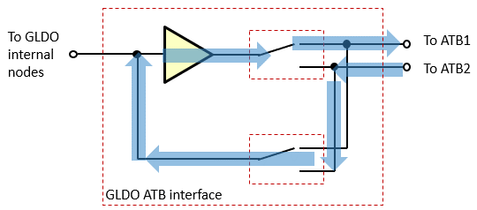
Designers | GLDO & BG : Ravi Karadi |  |  |  |  |  |  |  |  |  | Figure 1 : Simplified GLDO ATB interface with signal flow for the buffer offset measurement (the GBIAS test setup is similar)
 | ATB & GBias : Michiel Hallie
 | ChirpGen : Salvatore Drago
 | GPADC : Dobson Simanjuntak
 | SOC HVLDO : Anjanu Mishra, Govinda Gurugubelli
 | LLDO Dig : Ravi Karadi

Predecessors
 | No predecessor

Side effect of writing default values (for the early samples only)
 | The OVUV trim have to be set at their min/max threshold to avoid to get false error. The OVUV BG can be let at a default value proposed here.
 | The ATB ADC cannot be used for the trim measurement if its BG is not trimmed.

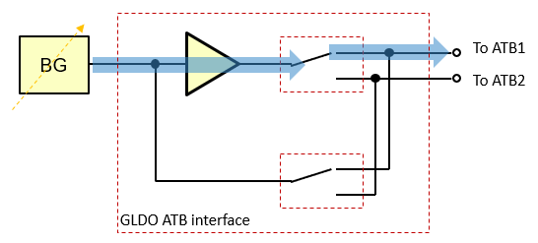
System setup information |  |  |  |  |  |  |  |  |  |  | Figure 2 : BG output measurement (the GBIAS test setup is similar)
 | All IPs are in a low power state

Trim procedure |  |  |  |  |  |  |  | Example of result :
 | The RFE ChirpGen BG curves are not written in the OTP. Default values are in the SW.
 | The SOC BG curves are written in the OTP at the default value in the table above.
 | Note: this measurement cannot be done using the SOC GPADC or the ATB ADC because the 10b-ADC resolution is too small compared to the trim resolution

 | For the GLDO/OVUV BG, for the GBIAS BG, for the SOC OVUV BG
 | Measure the offset of the bandgap buffer. |  |  |  |  |  |  | +10mV
 |  | By applying a voltage at the targeted trim voltage on one ATB and measuring on the other ATB. See figure1
 | Measure via the ATB the bandgap output voltage (via the buffer) for all BG setdc codes. See figure 2 |  |  |  |  |  |  | …, code4 : 896mV, code5 : 906mV, …
 | Set the BG low-noise filter in bypass mode
 | For the GLDO/OVUV BG and the SOC OVUV BG, the voltage to measure is 'vref_0v9_ovuv'
 | For the GBIAS BG, the voltage to measure is 'vbg_filtered'
 | Compensate the measured voltage with the offset of the buffer. |  |  |  |  |  |  | …, code4 : 896-10=886mV, code5 : 906-10=896mV, … |  |  | Figure 3 : HVLDO output voltage measurement through the div2
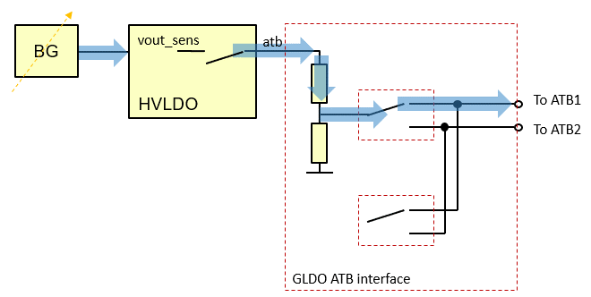
 | Trim the bandgap to the closest code to the voltage target. |  |  |  |  |  |  | optimum code : 5 for a target at 900mV

 | For the SOC HVLDO1v8
 | Measure via the ATB the HVLDO sense voltage ('vout_sens' voltage selected in the HVLDO sub-IP with the tst<0> control signal) using the GLDO div2 for all BG setdc codes (see figure3)
 | Set the BG low-noise filter in bypass mode
 | Set the BG curve to value in the table above
 | Note : the div2 output voltage is high ohmic. Due to the current leakage in the ATB ESD protection, an external resource cannot be used for this measurement.
 | The ATB 10b-ADC in div2 mode has to be used
 | Trim the bandgap to the closest code to the voltage target.
 | HVLDO TRIM VALID' bit has to be wrote to 1 at the same time than the SOC HVLDO BG trimming

 | For the GLDO HVLDO1v8 BG
 | Measure via the ATB the HVLDO vfb voltage for all BG setdc codes
 | Set the BG low-noise filter in bypass mode
 | Set the BG curve to 0x4
 | The ATB 10b-ADC in div2 mode has to be used
 | Trim the bandgap to the closest code to the voltage target.

 | For the GLDO1v45
 | Note : due to the contact impedance on unsoldered parts, there might be a offset on the GLDO output voltage. It is due to a current in the sense path of 2mA. In an ATE environment with a contact impedance up to 10ohm worst case, it might cause an error up to 20mV ; not negligible.
 | Measure the voltage drop in the parasitic contact impedance on the sense path. See figure 4 : V1 - V2 |  |  |  |  |  |  | -10mV
 | Measure on the ATB the GLDO output voltage after the diode for all BG setdc codes. See figure 5 |  |  |  |  |  |  | …, code4 : 1444mV, code5 : 1455mV, …
 | Set the BG low-noise filter in bypass mode
 | Compensate the measured internal sense voltage with the voltage drop in the contact to recover the voltage between the 15ohm loadboard resistor and the contact. |  |  |  |  |  |  | …, code4 : 1444+10=1454mV, code5 : 1455+10=1465mV, … |  |  | Figure 4 : Measurement setup of the voltage drop in the contact impedance on the GLDO sense path.
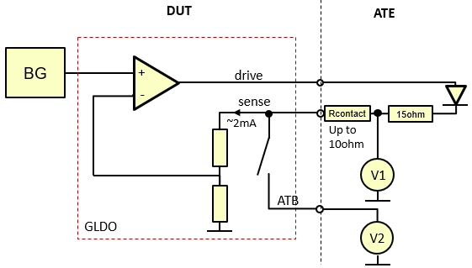
 | Trim the bandgap to the closest code to the voltage target. |  |  |  |  |  |  | optimum code : 4 for a target at 1450mV

 | For the GPADC BG trim
 | Set set_vref_out_buf<2:0> = 010b (vref_out_buf monitors 0.8V bandgap output)
 | Measure via the ATB the 'vref_out_buf' bandgap voltage (via the buffer) for all set_dc_bg<3:0> codes. See figure 2
 | Trim the bandgap to the closest code to the voltage target.

 | For the ATB BG
 | Measure via the ATB the 'vref_0v7' bandgap output voltage (via the buffer) for all BG setdc codes. See figure 2
 | Set the BG low-noise filter in bypass mode
 |  | Note: this measurement cannot be done using the ATB ADC because the BG is its reference
 |  | Note: for the ATB BG, the buffer offset isn't compensated
 | Trim the bandgap to the closest code to the voltage target.

 | For the LLDO Dig OVUV BG
 | Measure via the ATB the 'vref_0v9_ovuv' bandgap output voltage for all BG setdc codes. See figure 6
 | Set the BG low-noise filter in bypass mode
 | Note : the output voltage is buffered and with high ohmic. Due to the current leakage in the ATB ESD protection, an external resource cannot be used for this measurement. |  |  |  |  |  |  |  |  |  | Figure 5 : Measurement setup of the GLDO output voltage
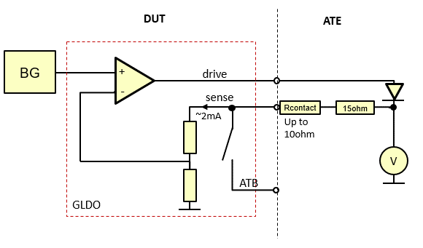
 | The ATB 10b-ADC has to be used with Div/2 mode
 | Trim the bandgap to the closest code to the voltage target.

 | For the ChirpGen HVLDO1v8 BG
 | Measure via the ATB theVCO LVLDO voltage for all BG setdc codes
 | Set the BG low-noise filter in bypass mode
 | Set the BG curve to 0x4
 | The ATB 10b-ADC in div2 mode has to be used
 | Trim the bandgap to the closest code to the voltage target.

Expected results / procedure to validate the trim ?
 | The BG trim resolution is 2mV.
 | The GLDO output voltage distribution should be a rectangular distribution centered on the target voltage in the table above, with a width of +/-1.5mV.
 | The GLDO OVUV BG output voltage distribution should be a rectangular distribution centered on the target voltage in the table above, with a width of +/-1mV.
 | The HVLDO output voltage distribution after the div2 should be a rectangular distribution centered on the target voltage in the table above, with a width of +/-1mV.

Optimization procedure
 | For the GLDO BG trim : the impact of external component (due to the bgt transistor) needs to be assess. Through an analysis of the results and lab correlation, there might be systematic error due to the test setup which shall be corrected with an offset on the ATE. trim. |  |  |  |  |  |  |  |  |  | Figure 6 : Measurement setup of the LLDO Dig OVUV BG output voltage
 | For the ATB BG, it is needed to judge with the distributions if the BG buffer offset (not compensated in the trim procedure) has an impact on the ADC reference voltages (vrefp & vdda). And if it is compensated by the offset and gain correction.
 | NTR for the BG other trims.

 |  |  |  |  |  |  |  |  |  |  | Figure 7 : Measurement setup of the VCO HVLDO vfb voltage for the ChirpGen BG trim

OVUV GLDO & PMIC
RFE/SOC FuseMap

 | Subsystem |  | Subblock IP | OTP control signals | Mandatory for the functionality for early samples ? | Trim targets |  |  | Unit | SPI register name | SPI field name | OCII
Temp |  | / | / | / | / | 125 | 25 | -40 | °C | / | / | /
 | RFE | GLDO subsystem | OVUV GLDO1v45 | trim_ov_gldo1v45<3:0> | no, value 0x0 by default if not trimmed | 4.3 | 5.3 | 5.0 | % | OVUV_GLD1V45 | TRIM_OV_GLD1V45 | ovuv_gld1v45_trim_ov_gld1v45
 |  |  |  | trim_uv_gldo1v45<3:0> | no, value 0xE by default if not trimmed | -5.7 | -4.7 | -5.0 | % | OVUV_GLD1V45 | TRIM_UV_GLD1V45 | ovuv_gld1v45_trim_uv_gld1v45
 |  |  | OVUV GLDO1v3 | trim_ov_gldo1v3<3:0> | no, value 0x0 by default if not trimmed | 5.0 | 5.0 | 5.0 | % | OVUV_GLD1V3 | TRIM_OV_GLD1V3 | ovuv_gld1v3_trim_ov_gld1v3
 |  | LLDO Dig | OVUV LLDO Dig | trim_ov_lldodig<3:0> | no, value 0x0 by default if not trimmed | 4.3 | 5.3 | 5.0 | % | OVUV_LLDO_CTL | TRIM_OV_LLDO | ovuv_lldo_ctl_trim_ov_lldo
 |  |  |  | trim_uv_lldodig<3:0> | no, value 0xE by default if not trimmed | -5.7 | -4.7 | -5.0 | % | OVUV_LLDO_CTL | TRIM_UV_LLDO | ovuv_lldo_ctl_trim_uv_lldo
 | SOC | HVLDO / VMON | OVUV PMIC0v9 | trim_ov_pmc0v9<3:0> | no, value 0x0 by default if not trimmed | 6.5 | 8.0 | 7.5 | % | Not applicable. The SOC bits are HW-based |  | ovuv_pmic0v9_trim_ov_pmc0v9
 |  |  |  | trim_uv_pmc0v9<3:0> | no, value 0xE by default if not trimmed | -8.5 | -7.0 | -7.5 | % |  |  | ovuv_pmic0v9_trim_uv_pmc0v9
 |  |  | OVUV BG buffer | trim_bg_buf_LSB<1:0> | no, these bits are not used in the analog for the ES1 | 0 | 0 | 0 | LSB |  |  | bg_hld_ctl_setdc_bg_buf
 |  |  |  | trim_bg_buf_MSB<3:2>
Plan of record |  | / | / | / | / | PoR |  |  | / | / | / | /
Note : the temp noted as plan of record is the one at which will be performed the trim in production.
To calculate the trim targets, the assumption is that the OVUV trim is done at the same temperature than the BG trim. It takes into the BG curve versus Temp.
For the other temperatures, the targets are given for evaluation on-the-fly in case of OTP not programmed

Designers | Ravi Karadi

Predecessors
 | BG to be trimmed ahead

System setup information
 | All IPs are in a low power state
 | Apply (externally) all the supplies at their nominal values

Side effect of writing default values (for the early samples only)
 | If these parameters are written in the OTP at the default value proposed in the table about, the ov will flag an error for a voltage >>5% above the nominal voltage. The uv will flag an error for a voltage <<-5% below the nominal voltage. The OVUV shouldn't flag fault errors.

Trim procedure |  |  |  |  |  |  | Subblock IP | SPI register name | SPI field name | OCII | Analog value | Register value
 | The SOC OVUV BG buffer bits have to let at 0. They are not used anymore in the IP. |  |  |  |  |  | / | / | / | / | / | /
 | The BG buffer bits are splitted in 2 because they are stored in 2 different location in the OTP. |  |  |  |  |  | / | / | / | / | / | /
 | For each OVUV monitors you have to select the following settings accordingly to the table at the right : |  |  |  |  |  | / | / | / | / | / | /
 | The nominal voltage level of the monitored supply |  |  |  |  |  | OVUV GLDO 1v4 | OVUV_GLD1V45 | VMON_SEL_GLD1V45 | ovuv_gld1v45_vmon_sel_gld1v45 | 1.45 | 10001
 |  |  |  |  |  |  | OVUV GLDO 1v3 | OVUV_GLD1V3 | VMON_SEL_GLD1V3 | ovuv_gld1v3_vmon_sel_gld1v3 | 1.4 | 01111 | Note : 1.4V for vmon isn't a typo.
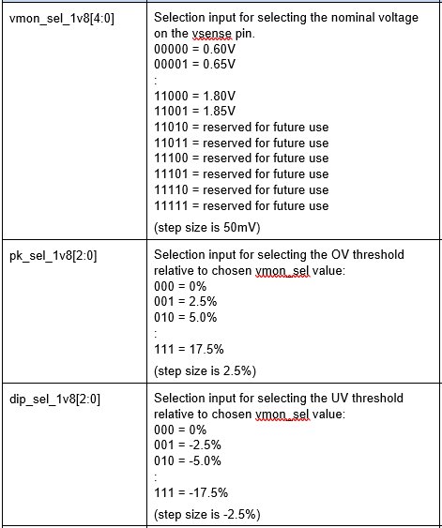
 |  |  |  |  |  |  | OVUV LLDO Dig | OVUV_LLDO_CTL | VMON_SEL_LLDO | ovuv_lldo_ctl_vmon_sel_lldo | 0.9 | 00110
 | The OV threshold level (pk_sel_1v8<2:0>), |  |  |  |  |  | OVUV GLDO 1v4 | OVUV_GLD1V45 | PK_SEL_GLD1V45 | ovuv_gld1v45_pk_sel_gld1v45 | 5 | 010
 |  |  |  |  |  |  | OVUV GLDO 1v3 | OVUV_GLD1V3 | PK_SEL_GLD1V3 | ovuv_gld1v3_pk_sel_gld1v3 | 5 | 010
 |  |  |  |  |  |  | OVUV LLDO Dig | OVUV_LLDO_CTL | PK_SEL_LLDO | ovuv_lldo_ctl_pk_sel_lldo | 5 | 010
 | The UV threshold level (dip_sel_1v8<2:0>). |  |  |  |  |  | OVUV GLDO 1v4 | OVUV_GLD1V45 | DIP_SEL_GLD1V45 | ovuv_gld1v45_dip_sel_gld1v45 | -5 | 010
 |  |  |  |  |  |  | OVUV LLDO Dig | OVUV_LLDO_CTL | DIP_SEL_LLDO | ovuv_lldo_ctl_dip_sel_lldo | -5 | 010
 | Choose for dly_set_1v8<2:0> the minimum delay (000). |  |  |  |  |  | OVUV GLDO 1v4 | OVUV_GLD1V45 | DLY_SEL_GLD1V45 | ovuv_gld1v45_dly_sel_gld1v45 | 000 - Glitch filter setting: tmin = 0.12us; ttyp = 0.2us; tmax = 0.28us | 000
 |  |  |  |  |  |  | OVUV GLDO 1v3 | OVUV_GLD1V3 | DLY_SEL_GLD1V3 | ovuv_gld1v3_dly_sel_gld1v3
 |  |  |  |  |  |  | OVUV LLDO Dig | OVUV_LLDO_CTL | DLY_SEL_LLDO | ovuv_lldo_ctl_dly_sel_lldo
 | Apply the UV targeted threshold voltage on these balls/pillars with the setup described in the figure 1 |  |  |  |  |  |  |  | Figure 1 : Setup for force external voltages on the OVUV
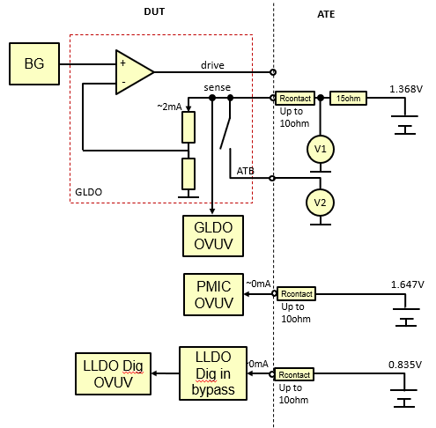
 |  | balls/pillars | UV targeted threshold voltage
 |  | GLDO1v45 sense | 1.368
 |  | VDDA_RFE_LDODIG_1V45 | 0.939 | The LLDO Dig has to be configured in bypass mode

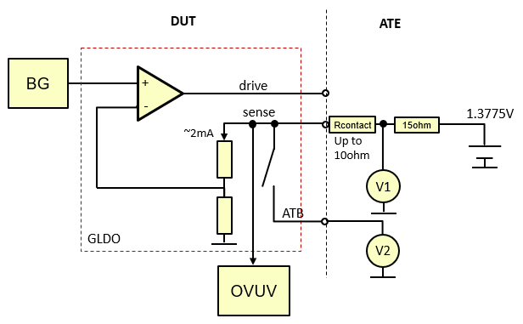
 |  |  |  |  |  |  |  |  | Figure 2 : Measurement setup of the voltage drop in the contact impedance on the GLDO sense path.
 | Note : due to the contact impedance on unsoldered parts, there might be a offset on the GLDO output sense. It is due to a current in the sense path of 2mA. In an ATE environment with a contact impedance up to 10ohm worst case, it might cause an error up to 20mV ; not negligible.
 | For the two GLDOs, measure the voltage drop in the parasitic contact impedance on the sense path. See figure 2 : V1 - V2

 | On the GLDO sense balls/pillars, increase the applied voltage by the offset voltage measured
 |  | balls/pillars | UV targeted threshold voltage
 |  | GLDO1v45 sense | 1.368 | + the sense-path contact voltage drop measured previously
 |  | VDDA_RFE_LDODIG_1V45 | 0.939 | The LLDO Dig has to be configured in bypass mode
 | Sweep the uv code from 0000 to 1110 and measure the uv error_n flag state via the TMUX |  |  |  |  |  | OVUV GLDO 1v4 | OVUV_GLD1V45 | TRIM_UV_GLD1V45 | ovuv_gld1v45_trim_uv_gld1v45
 |  |  |  |  |  |  | OVUV LLDO Dig | OVUV_LLDO_CTL | TRIM_UV_LLDO | ovuv_lldo_ctl_trim_uv_lldo
 | The uv error_n flag is expected to be 1 at the beginning. While increasing the uv code, it is expected to down. The trim code where there is the first 0 is the one to write in the OTP.
 | Apply the OV targeted threshold voltage on these balls/pillars. For the GLDOs, the voltages have to be increased by the sense-path contact voltage drop measured previously.
 |  | balls/pillars | OV targeted threshold voltage
 |  | GLDO1v45 sense | 1.513 | + the sense-path contact voltage drop measured previously
 |  | GLDO1v3 sense | 1.470 | + the sense-path contact voltage drop measured previously
 |  | VDDA_RFE_LDODIG_1V45 | 0.849 | The LLDO Dig has to be configured in bypass mode
 | Sweep the ov code from 1110 to 0000 and measure the ov error_n flag state via the TMUX |  |  |  |  |  | OVUV GLDO 1v4 | OVUV_GLD1V45 | TRIM_OV_GLD1V45 | ovuv_gld1v45_trim_ov_gld1v45
 |  |  |  |  |  |  | OVUV GLDO 1v3 | OVUV_GLD1V3 | TRIM_OV_GLD1V3 | ovuv_gld1v3_trim_ov_gld1v3
 |  |  |  |  |  |  | OVUV LLDO Dig | OVUV_LLDO_CTL | TRIM_OV_LLDO | ovuv_lldo_ctl_trim_ov_lldo
 | The ov error_n flag is expected to be 1 at the beginning. While decreasing the ov code, it is expected to down. The trim code where there is the first 0 is the one to write in the OTP.

Expected results / procedure to validate the trim ?
 | For each OVUV monitors you have to select the following settings accordingly to the table at the right :
 | The nominal voltage level of the monitored supply (vmon_sel_1v8<4:0>), |  |  |  |  |  | OVUV GLDO 1v4 | OVUV_GLD1V45 | VMON_SEL_GLD1V45 | ovuv_gld1v45_vmon_sel_gld1v45 | 1.45 | 10001
 |  |  |  |  |  |  | OVUV GLDO 1v3 | OVUV_GLD1V3 | VMON_SEL_GLD1V3 | ovuv_gld1v3_vmon_sel_gld1v3 | 1.4 | 01111 | Note : 1.4V for vmon isn't a typo.
 |  |  |  |  |  |  | OVUV LLDO Dig | OVUV_LLDO_CTL | VMON_SEL_LLDO | ovuv_lldo_ctl_vmon_sel_lldo | 0.9 | 00110
 | The OV threshold level (pk_sel_1v8<2:0>), |  |  |  |  |  | OVUV GLDO 1v4 | OVUV_GLD1V45 | PK_SEL_GLD1V45 | ovuv_gld1v45_pk_sel_gld1v45 | 5 | 010
 |  |  |  |  |  |  | OVUV GLDO 1v3 | OVUV_GLD1V3 | PK_SEL_GLD1V3 | ovuv_gld1v3_pk_sel_gld1v3 | 5 | 010
 |  |  |  |  |  |  | OVUV LLDO Dig | OVUV_LLDO_CTL | PK_SEL_LLDO | ovuv_lldo_ctl_pk_sel_lldo | 5 | 010
 | The UV threshold level (dip_sel_1v8<2:0>). |  |  |  |  |  | OVUV GLDO 1v4 | OVUV_GLD1V45 | DIP_SEL_GLD1V45 | ovuv_gld1v45_dip_sel_gld1v45 | -5 | 010
 |  |  |  |  |  |  | OVUV LLDO Dig | OVUV_LLDO_CTL | DIP_SEL_LLDO | ovuv_lldo_ctl_dip_sel_lldo | -5 | 010
 | Choose for dly_set_1v8<2:0> the minimum delay (000). |  |  |  |  |  | OVUV GLDO 1v4 | OVUV_GLD1V45 | DLY_SEL_GLD1V45 | ovuv_gld1v45_dly_sel_gld1v45 | 000 - Glitch filter setting: tmin = 0.12us; ttyp = 0.2us; tmax = 0.28us | 000
 |  |  |  |  |  |  | OVUV GLDO 1v3 | OVUV_GLD1V3 | DLY_SEL_GLD1V3 | ovuv_gld1v3_dly_sel_gld1v3
 |  |  |  |  |  |  | OVUV LLDO Dig | OVUV_LLDO_CTL | DLY_SEL_LLDO | ovuv_lldo_ctl_dly_sel_lldo
 | Note : due to the contact impedance on unsoldered parts, there might be a offset on the GLDO output sense. It is due to a current in the sense path of 2mA. In an ATE environment with a contact impedance up to 10ohm worst case, it might cause an error up to 20mV ; not negligible.
 | For the two GLDOs, measure the voltage drop in the parasitic contact impedance on the sense path. See figure 2 above : V1 - V2
 | The LLDO Dig has to be in bypass mode
 | Sweep down the applied voltages following this table, and measure the uv error_n flag via the TMUX. See Figure 1
 |  | balls/pillars | Sweep start (1.5% above target + 20mV of worst case offset) | Sweep stop (1% below the target) | Sweep step (0.1% of resolution)
 |  | GLDO1v45 sense | 1.410 | 1.353 | 0.0015
 |  | VDDA_RFE_LDODIG_1V45 | 0.972 | 0.930 | 0.0009
 | The uv error_n flag is expected to be 1 at the beginning. While decreasing the voltage, it is expected to down. The Vuv is the first voltage where the error_n flag is at 0.
 | The uv threshold is calculated with this equation :
 | uv_threshold = ( (Vuv - abs(offset)) / Vnominal - 1 ) * 100
 | Example for the GLDO1v45 : uv_threshold = ( (1.389 - 0.01) / 1.45 - 1 ) * 100 = -4.9%
 | The uv_threshold is expected to be a rectangular distribution [-5 % ; -4.85%] for an initial target at -5%
 | Sweep up the applied voltages following this table, and measure the ov error_n flag via the TMUX
 |  | balls/pillars | Sweep start (1.5% below target) | Sweep stop (1% above the target + 20mV of worst case offset) | Sweep step (0.1% of resolution)
 |  | GLDO1v45 sense | 1.491 | 1.547 | 0.0015
 |  | GLDO1v3 sense | 1.449 | 1.504 | 0.0014
 |  | VDDA_RFE_LDODIG_1V45 | 0.882 | 0.840 | 0.0009
 | The ov error_n flag is expected to be 1 at the beginning. While increasing the voltage, it is expected to down. The Vov is the first voltage where the error_n flag is at 0.
 | The ov threshold is calculated with this equation :
 | ov_threshold = ( (Vov - abs(offset)) / Vnominal - 1 ) * 100
 | Example for the GLDO1v45 : ov_threshold = ( (1.53105 - 0.01) / 1.45 - 1 ) * 100 = 4.9%
 | The ov_threshold is expected to be a rectangular distribution [4.85 % ; 5 %] for an initial target at 5%

Optimization procedure
 | Check if the trim code is the same for all parts ? If yes, skip the trim

ADC OffGain corr
RFE/SOC FuseMap

 |  | Subsystem | Subblock IP | OTP control signals | Mandatory for the functionality for early samples ? | Trim targets |  |  | Unit | SPI register name | SPI field name | OCII
Temp |  | / | / | / | / | 125 | 25 | -40 | °C | / | / | /
 | RFE | ATB | bist-adc | atb1_adcdig_gaincorr<7:0> | no, value 0 by default if not trimmed | See equations below |  |  | LSB | NA | NA | NA
 |  |  |  | atb1_adcdig_offsetcorr_MSB<6:5> | no, value 0 by default if not trimmed
 |  |  |  | atb1_adcdig_offsetcorr<4:0> | no, value 0 by default if not trimmed
 |  |  |  | atb1_adcdig_gaincorr_div2_MSB<8> | no, value 0 by default if not trimmed
 |  |  |  | atb1_adcdig_gaincorr_div2<7:0> | no, value 0 by default if not trimmed |  |  |  | LSB
 |  |  |  | atb1_adcdig_offsetcorr_div2_MSB<6:5> | no, value 0 by default if not trimmed
 |  |  |  | atb1_adcdig_offsetcorr_div2<4:0> | no, value 0 by default if not trimmed
 |  |  |  | atb2_adcdig_gaincorr<7:0> | no, value 0 by default if not trimmed |  |  |  | LSB
 |  |  |  | atb2_adcdig_offsetcorr_MSB<6:5> | no, value 0 by default if not trimmed
 |  |  |  | atb2_adcdig_offsetcorr<4:0> | no, value 0 by default if not trimmed
 |  |  |  | atb2_adcdig_gaincorr_div2_MSB<7:0> | no, value 0 by default if not trimmed
 |  |  |  | atb2_adcdig_gaincorr_div2<7:0> | no, value 0 by default if not trimmed |  |  |  | LSB
 |  |  |  | atb2_adcdig_offsetcorr_div2_MSB<6:5> | no, value 0 by default if not trimmed
 |  |  |  | atb2_adcdig_offsetcorr_div2<4:0> | no, value 0 by default if not trimmed
 |  | TX | ADC | tx1_adcdig_gaincorr<9:0> | no, value 0 by default if not trimmed |  |  |  | LSB
 |  |  |  | tx1_adcdig_offsetcorr_MSB<6> | no, value 0 by default if not trimmed
 |  |  |  | tx1_adcdig_offsetcorr<5:0> | no, value 0 by default if not trimmed
 |  |  |  | tx2_adcdig_gaincorr<9:0> | no, value 0 by default if not trimmed |  |  |  | LSB
 |  |  |  | tx2_adcdig_offsetcorr_MSB<6> | no, value 0 by default if not trimmed
 |  |  |  | tx2_adcdig_offsetcorr<5:0> | no, value 0 by default if not trimmed
 |  |  |  | tx3_adcdig_gaincorr<9:0> | no, value 0 by default if not trimmed |  |  |  | LSB
 |  |  |  | tx3_adcdig_offsetcorr_MSB<6> | no, value 0 by default if not trimmed
 |  |  |  | tx3_adcdig_offsetcorr<5:0> | no, value 0 by default if not trimmed
 |  |  |  | tx4_adcdig_gaincorr<9:0> | no, value 0 by default if not trimmed |  |  |  | LSB
 |  |  |  | tx4_adcdig_offsetcorr_MSB<6> | no, value 0 by default if not trimmed
 |  |  |  | tx4_adcdig_offsetcorr<5:0> | no, value 0 by default if not trimmed
 | SOC | GPADC | ADC Gain/Offset | LV_OFFS<5:0> | no, value 0 by default if not trimmed |  |  |  | LSB | NA | NA | NA
 |  |  |  | LV_GAIN<9:0> | no, value 0 by default if not trimmed
 |  |  |  | HV_OFFS<5:0> | no, value 0 by default if not trimmed |  |  |  | LSB
 |  |  |  | HV_GAIN<9:0> | no, value 0 by default if not trimmed
 |  |  |  | ADC0_SAR_TRIM_VALID | no, value 1 by default if not trimmed | 1 | 1 | 1 | LSB | NA | NA | NA
Plan of record |  | / | / | / | / | PoR |  |  | / | / | / | /
Note : the temp noted as plan of record is the one at which will be performed the trim in production
For the other temperatures, the targets are given for evaluation on-the-fly in case of OTP not programmed

Designers | ATB : Michiel Hallie
 | TX : Birama Goumballa
 | GPADC : Dobson Simanjuntak

Predecessors
 | The ADC references have to be trimmed ahead : - the ATB BG for RFE ATB ADC - the GBIAS VI2 for the TX ADC - the GPADC BG for the GPADC.

System setup information
 | NTR

Side effect of writing default values (for the early samples only)
 | The ADC measurement might be a little bit less accurate.

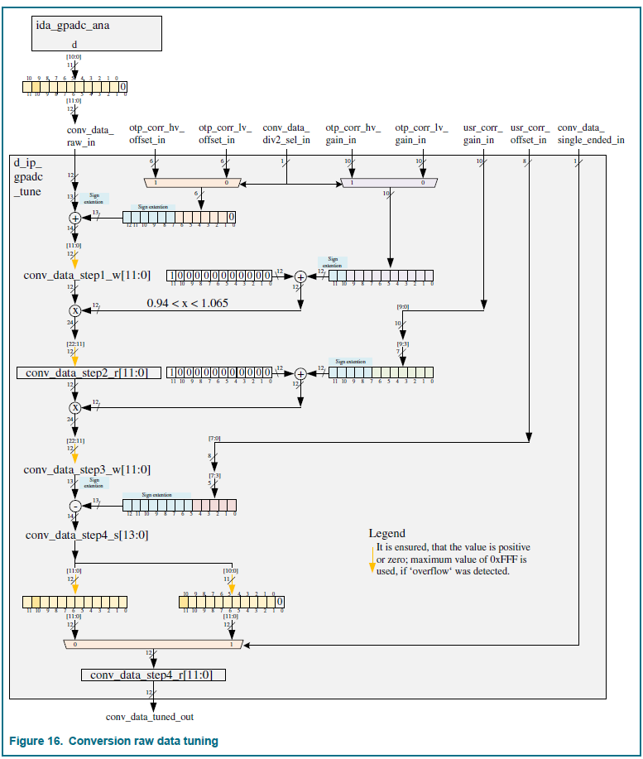
Trim procedure |  |  |  |  |  |  |  |  |  | Figure : SOC code correction
 | Disable the ADC div2
 | For at least 16 voltages distributed between 80mV and 680mV
 | Apply the voltage at the ADC input via the ATB
 | Measure the voltage with the ADC in single ended. An averaging might be needed.
 | Note: A subtract of the INL/DNL measurement from the structural test can be reused.
 | Calculate a linear regression on this data with the best fit criteria
 | code_raw = Voltage * Gain + Offset
 | Calculate the Gain correction :
 | Gain Correction = round ( (1024 / 0.8 / Gain - 1) * 2048 ), it is a 2-complement signed value
 | Offset correction = round( - offset), it is a 2-complement signed value
 | Apply the corrections :
 | The gain corrections are LV_GAIN<9:0>, atbx_adcdig_gaincorr<7:0> and txx_adcdig_gaincorr<9:0>
 | Note: the RFE ATB ADC has two bits less on the gain correction
 | The offset corrections are LV_OFFS<5:0>, atbx_adcdig_offsetcorr<6:0> and txx_adcdig_offsetcorr<6:0>
 | Note: the RFE ATB ADC has one bit less on the offset correction

 | Enable the ADC div2
 | For at least 16 voltages distributed between 160mV and 1360mV
 | Apply the voltage at the ADC input via the ATB
 | Measure the voltage with the ADC in single ended. An averaging might be needed.
 | Note: A subtract of the INL/DNL measurement from the structural test can be reused.
 | Calculate a linear regression on this data with the best fit criteria
 | code_raw = Voltage * Gain + Offset
 | Calculate the Gain correction :
 | Gain Correction = round ( (1024 / 1.6 / Gain - 1) * 2048 ), it is a 2-complement signed value
 | Offset correction = round( - offset), it is a 2-complement signed value
 | Apply the corrections :
 | The gain corrections are HV_GAIN<9:0>, atbx_adcdig_gaincorr_div2<7:0> and txx_adcdig_gaincorr_div2<9:0>
 | Note: the RFE ATB ADC has two bits less on the gain correction
 | The offset corrections are HV_OFFS<5:0>, atbx_adcdig_offsetcorr_div2<6:0> and txx_adcdig_offsetcorr_div2<6:0>
 | Note: the RFE ATB ADC has one bit less on the offset correction

Usage
 | Without div2 :
 | At the SOC side, in SE mode : code_corrected<11:0> = (code_raw *2 + offset_correction * 2 ) x (1 + gain_correction / 2048 ) *2
 | At the SOC side, in diff mode : code_corrected<11:0> = (code_raw *2 + offset_correction * 2 ) x (1 + gain_correction / 2048 )
 | At the RFE side, in SE mode : code_corrected<11:0> = (code_raw + offset_correction ) x (1 + gain_correction / 2048 )
 | At the RFE side, in diff done : code_corrected<11:0> = code_raw x (1 + gain_correction / 2048 )
 | With div2 :
 | At the SOC side, in SE mode : code_corrected<11:0> = (code_raw *2 + offset_correction_div2 * 2 ) x (1 + gain_correction_div2 / 2048 ) *2
 | At the SOC side, in diff mode : code_corrected<11:0> = (code_raw *2 + offset_correction_div2 * 2 ) x (1 + gain_correction_div2 / 2048 )
 | At the RFE side, in SE mode : code_corrected<11:0> = (code_raw + offset_correction_div2 ) x (1 + gain_correction_div2 / 2048 )
 | At the RFE side, in diff done : code_corrected<11:0> = code_raw x (1 + gain_correction_div2 / 2048 )

Expected results / procedure to validate the trim ?
 | At the trim temperature :
 | Without div2 :
 | Measure few voltages between 80mV and 680mV. The code_corrected reading should be at +/-2LSB from the ideal_code = measured_voltage * 1024 / 0.8.
 | With div2 :
 | Measure few voltages between 160mV and 1360mV. The code_corrected reading should be at +/-2LSB from the ideal_code = measured_voltage * 1024 / 1.6.
 | Rational : 1 LSB from the offset correction resolution + 1 LSB due to the ADC INL/DNL.

Optimization procedure
 | The temperature behavior of the gain and offset corrections has to be assess.

SOC ATB R
RFE/SOC FuseMap

Subsystem | ATB-SOC
Subblock IP | rcal

 |  | Mandatory for the functionality for early samples ? | Trim targets |  |  | Unit | IPS | IPS field name | OCII
Temp | / | / | 125 | 25 | -40 | °C | / | / | /
 | ATB_RES_R1_CAL<4:0> | no, value 15 by default if not trimmed | 7.8 | 7.8 | 7.8 | kOhm | ATB_RES1_CAL (4008_8024h) | ATB_RES1_CAL | ocii_ATB_RES_R1_CAL
 | ATB_RES_R0_CAL<4:0> | no, value 15 by default if not trimmed | 35 | 35 | 35 | kOhm | ATB_RES0_CAL (4008_8020h) | ATB_RES0_CAL | ocii_ATB_RES_R0_CAL
Plan of record | / | / | PoR |  |  | / | / | / | /
Note : the temp noted as plan of record is the one at which will be performed the trim in production
For the other temperatures, the targets are given for evaluation on-the-fly in case of OTP not programmed

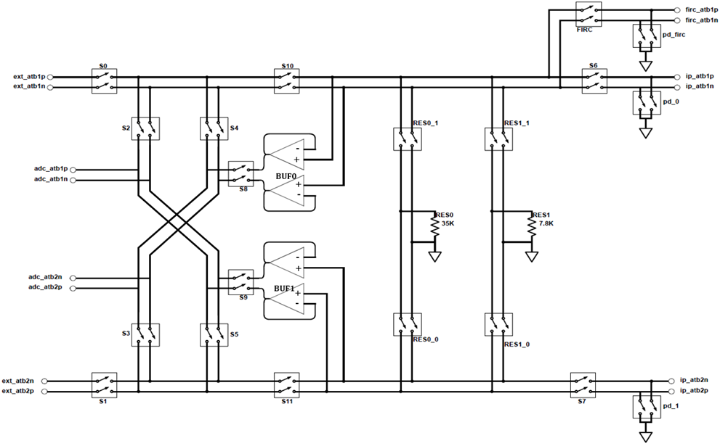
Designers
 |  |  |  |  |  |  | SOC ATB block diagram
Predecessors
 | GPADC and its BG have to be trimmed ahead.

System setup information
 | NTR

Side effect of writing default values (for the early samples only)
 | The ATB I/V converter cannot be used for the other trims. The structural test current measurement are less accurate to catch marginal outliers.

Trim procedure
 | Notes :
 | The first step of this procedure is to measure the leakage current
 | For the next measurements, the GPADC shall be used
 | Measure the pad ESD protection leakage current :
 | Open all ATB switches
 | Apply 0v7 on the GPADC_CH0 pillars or balls
 | Measure the leakage current in the pillar/ball
 | res1 trim :
 | Connect ATB1 res0 resistors to the tester and the GPADC
 | From the tester to ATB, apply 90uA + the leakage current from the previous step
 | program ATB_RES1_CAL to the different values
 | monitor ADC output
 | Select the code closest to get 0.7V to get 7.8kohm and use it for follow-up measurements (can be stored in OTP for later test stage)
 | res0 (=35kOhm) trim :
 | Connect ATB res1 resistors to the tester and the GPADC
 | From the tester to ATB, apply 20uA + the leakage current from the previous step
 | program ATB_RES0_CAL to the different values
 | monitor ADC output
 | Select the code closest to get 0.7V to get 35kohm and use it for follow-up measurements (can be stored in OTP for later test stage)
 | After trim, the resistor values won't be at 7800.00ohm, 35000.00ohm. The real resistor values have to be stored in the test program. They will be used to improve the current measurement in the next trim and the structural tests

Expected results / procedure to validate the trim ?
 | Connect ATB res0 resistors to the tester and the GPADC
 | Apply 90uA current from the tester to the ATB
 | Monitor ADC output
 | The measured voltage shall be a rectangular distribution centered on 0.7V +/-8.1mV (the res0 resolution is ~180ohm)
 | Connect ATB res1 resistors to the tester and the GPADC
 | Apply 20uA current from the tester to the ATB
 | Monitor ADC output
 | The measured voltage shall be a rectangular distribution centered on 0.7V +/-7.9mV (res1 resolution is ~790ohm)

Optimization procedure
 | NTR

GPADPLL LDO
RFE/SOC FuseMap

Subsystem | ATP / Aurora PLL / GPADPLL
Subblock IP | GPADPLL LDO

 |  | Mandatory for the functionality for early samples ? | Trim targets |  |  | Unit | SPI register name | SPI field name | OCII
Temp | / | / | 125 | 25 | -40 | °C | / | / | /
OTP control signals | aurora_set_iref<4:0> | no, value 0x13 by default if not trimmed | 20 | 20 | 20 | uA | Not applicable. The SOC bits are HW-based |  | missing => artf836743 Note : the OCII access is missing for this register. Leewe will provide patterns to program functional OCOTP registers and override the trim value
Plan of record | / | / | x |  |  | / | / | / | /
Note : the temp noted as plan of record is the one at which will be performed the trim in production
For the other temperatures, the targets are given for evaluation on-the-fly in case of OTP not programmed

Designers | Steffen Rode

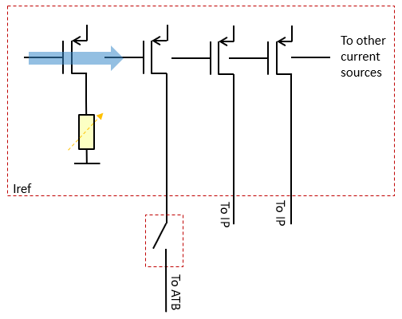
Predecessors
 | SOC GPADC and the SOC ATB to trim ahead (to use this measurement resource)

Side effect of writing default values (for the early samples only)
 | [Gerhard] : I would guess that most of the samples should work with the default setting, if the process corner is not fare away from typical. If we see in the lab that the voltage is too low or too high we can also use another fixed setting to compensate for this. But for too high voltage I would not see functional issues, but reliability issues, which I think is not the focus of first samples.

System setup information
 | Enable biasing of GPADPLL

Trim procedure
 | Connect the Irefs to the ATB :
 | Activate GPADPLL ATB
 | ATB_SEL[13]=2 selects the current of both analog Iref instances to the ATB[1] and ATB[3]

 | Measure the 2 current references for all codes
 | The OCII access is missing for the register controlling the current. Leewe will provide patterns to program functional OCOTP registers and override the trim value
 | Current measurement is done with internal calibrated resistor inside ATB IP
 | Note : the ATB SOC resistors have to be calibrated ahead.
 | Voltage is measured with GPADC
 | Trim the average of the 2 analog Iref currents to the closest code to the target.

Expected results / procedure to validate the trim ?
 | Connect the digital Iref instance to the ATB :
 | Activate GPADPLL ATB
 | ATB_SEL[4] selects the current from digital Iref instance (check after trim)
 | Measure the current reference at the trim code
 | Current measurement is done with internal calibrated resistor inside ATB IP
 | Voltage is measured with internal BIST-ADC
 | Target value is 20µA +/-5% (incl. Temp) --> 19µA - 21µA
 | Trim codes in simulation is between 13 - 21

Optimization procedure
 | NA

GBIAS V2I
RFE/SOC FuseMap

Subsystem | Global BIAS
Subblock IP | gbias(core)

 |  | Mandatory for the functionality for early samples ? | Trim targets |  |  | Unit | SPI register name | SPI field name | OCII
Temp | / | / | 125 | 25 | -40 | °C | / | / | /
OTP control signals | ctrl_v2i_ptat<5:0> | yes | 22.62 | 17.1 | 13.512 | µA | V2I_CONV | TR_V2I_PT_SPARE | v2i_conv_tr_v2i_pt_spare
 | ctrl_v2i_res<5:0> | yes | 24 | 24 | 24 | µA | V2I_CONV | TR_V2I | v2i_conv_tr_v2i
Plan of record | / | / | PoR |  |  | / | / | / | /
Note : the temp noted as plan of record is the one at which will be performed the trim in production
For the other temperatures, the targets are given for evaluation on-the-fly in case of OTP not programmed

Designers | Michiel Hallie

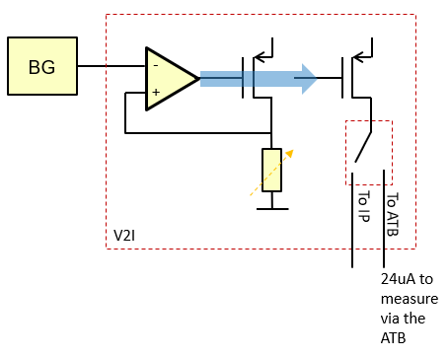
Predecessors
 | GBIAS BG to be trimmed ahead

System setup information
 | During Gbias V2I trimming, the LLDODIG and MCGEN LDOs have to be bypassed

Reference documents
 | https://www.collabnet.nxp.com/sf/go/doc548794
 | https://www.collabnet.nxp.com/sf/go/doc541887
 | https://www.collabnet.nxp.com/sf/go/doc543018

Trim procedure
 | Notes :
 | The leakage on the ATB pillar interface is between 400nA and 3uA (depending on the voltage and temp). It is too mush for the trim accuracy expected here.
 | => it is mandatory to make the current measurement internally using the ATB resources.
 | The res1 ATB I2V converter at DAC code max + the ATB ADC shall be used

 | As per artf932604, on the ES1, there is a lack a voltage headroom for the GBIAS current measurement using the ATB IP. To overcome that it is needed to : use highest supply voltage (Vdda_1V45) possible for GBias: - trim GLDO output voltage to highest value, or - apply 1.55V in the case if forced externally (GLDO in bypass mode)

 | Measure the atb_out_pt current for all trim codes
 | Select the trim code to get the voltage the closest to 22.62µA
 | Measure the atb_out_bg current for all trim codes
 | Select the trim code to get the voltage the closest to 24µA

Expected results / procedure to validate the trim ?
 | atb_out_bg current measured on trimmed parts should be a rectangular distribution centered on 24µA +/-0.2µA
 | the trim code distribution should centered on the code 32.

Optimization procedure
 | NTR

PDC LLDO
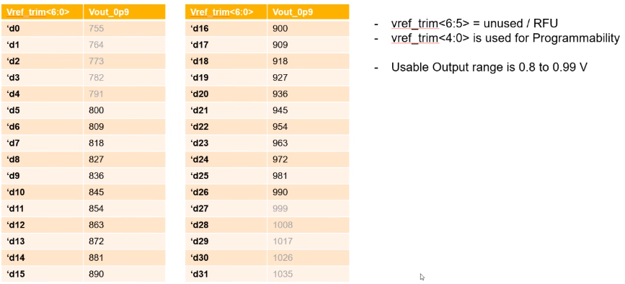
RFE/SOC FuseMap

Subsystem | PDC LLDO
Subblock IP | LLDO

 |  | Mandatory for the functionality for early samples ? | Trim targets |  |  | Unit | SPI register name | SPI field name | OCII
Temp | / | / | 125 | 25 | -40 | °C | / | / | /
OTP control signals | vref_trim<4:0> | no, value d21 by default if not trimmed | 0.945 | 0.945 | 0.945 | V | LDO_PDC_CTL_1 | LDO_VREF_TRIM | ldo_pdc_ctl_1_ldo_vref_trim
Plan of record | / | / | PoR |  |  | / | / | / | /
Note : the temp noted as plan of record is the one at which will be performed the trim in production
For the other temperatures, the targets are given for evaluation on-the-fly in case of OTP not programmed

Designers | LLDO : Ravi Karadi
 | PDC : Joerg Wenzel

Predecessors
 | GBIAS 20uA Flat 3bits current reference

System setup information
 | NTR

Side effect of writing default values (for the early samples only)
 | PDC LLDO output voltage is volontary put at an value higher than the nominal one to ensure the PDC functionality. The lifetime might be impacted if the voltage is > 1V.

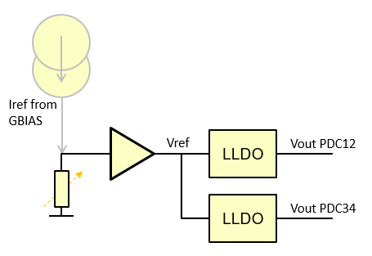
Trim procedure |  |  |  |  |  | SPI register name | SPI field name | RFE OCII
 | Set the bypass RC at 1 |  |  |  |  | LDO_PDC_CTL_1 | BYP_ACT_RC | lldo_bypass_ldo_pdc1_byp
 | Measure the LLDO output voltage dedicated to the PDC12 for the trim values from 0 to 31.
 | Note: the register is on 7 bits, the 2 MSB haven't to be used.
 | Note: the ATB ADC + div2 can be used for this measurement
 | Select the trim code to get the voltage the first code where the voltage is above 0.945V

Expected results / procedure to validate the trim ?
 | Measure the LLDO output voltage dedicated to the PDC34 for the trimmed code
 | It should be a destribution centered on 0.9495V +/-4.5mV.

Optimization procedure
 | The target might be to increase to compensate the voltage drop between the LLDO and the PDC.

MCGEN FreqDet
RFE/SOC FuseMap

Subsystem | MCGEN
Subblock IP | Frequency detector

 |  | Mandatory for the functionality for early samples ? | Trim targets |  |  | Unit | SPI register name | SPI field name | OCII
Temp | / | / | 125 | 25 | -40 | °C | / | / | /
OTP control signals | freq_det_cal_over<6:0> | no, value 0 by default if not trimmed | see equations below |  |  | / | FUSA_CTL | FREQ_DET_CAL_OV | fusa_ctl_freq_det_cal_ov
 | freq_det_cal_under<6:0> | no, value 50 by default if not trimmed |  |  |  | / |  | FREQ_DET_CAL_UND | fusa_ctl_freq_det_cal_und
Plan of record | / | / | PoR |  |  | / | / | / | /
Note : the temp noted as plan of record is the one at which will be performed the trim in production
For the other temperatures, the targets are given for evaluation on-the-fly in case of OTP not programmed
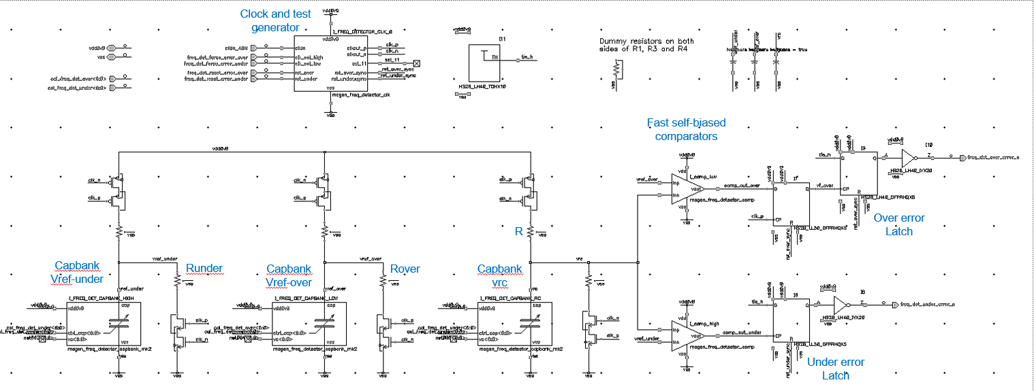
Designers | MCGEN : Gerhard Osterloh
 | Freq det : Totyo Belchev

Predecessors
 | GLDO1v45 to trim ahead

System setup information
 | MCGEN in normal operation mode

Side effect of writing default values (for the early samples only)
 | If these parameters are written in the OTP at the default value proposed in the table about, the MCGEN frequency detector shouldn't flag errors for the typical process. For slow/fast process the under_error_n flag will trig an error. The error flag has to be ignored by the SW if the trim is not done

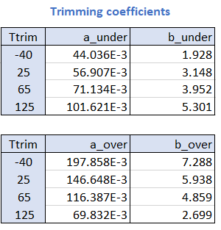
Trim procedure
 | Note : during this trim, the reference clock is at 40MHz. No frequency sweep is required.
 | 1. Sweep calibration bus ‘freq_det_cal_under<6:0>’ from 127 to 0 and monitor the state of output ‘under_error_n’ through the TMUX or ocii read
 | Variable code_under stores the value of the code at which output ‘under_error_n’ toggles from ‘1’ to ‘0’
 | 2. Calculate trim_code_under that ensures sufficient safety margin:
 | shift_under = a_under * code_under + b_under
 | trim_code_under = round(code_under + shift_under)
 | 3. Store the value of trim_code_under in OTP, field freq_det_cal_under<6:0>
 | 4. Sweep calibration bus ‘freq_det_cal_over<6:0>’ from 0 to 127 and monitor the state of output ‘over_error_n’ through the TMUX or ocii read
 | Variable code_over stores the value of the code at which output ‘over_error_n’ toggles from ‘1’ to ‘0’
 | 5. Calculate cal_code_over that ensures sufficient safety margin:
 | shift_over = a_over * code_over + b_over
 | cal_code_over = round(code_over – shift_over)
 | 6. Store the value of cal_code_over in OTP, field freq_det_cal_over<6:0>

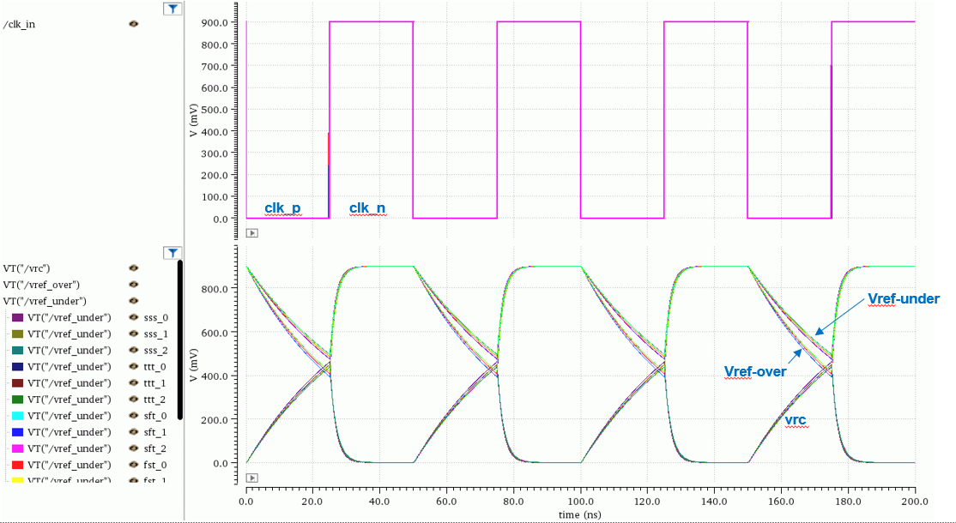
Expected results / procedure to validate the trim ?
 | Disable the calibration
 | Feed an external clock through the clock input pin
 | Sweep the frequency from 40MHz to 45MHz with a frequency step of 50kHz, and monitor the over_error_n through the TMUX
 | At 125°C, the over_error_n should toggles from '1' to '0' between 40.67MHz and 44.53MHz
 | Sweep the frequency from 40MHz to 33MHz with a frequency step of 20kHz, and monitor the under_error_n through the TMUX
 | At 125°C, the under_error_n should toggles from '1' to '0' between 36.2MHz and 36.8MHz

Optimization procedure
 | NTR

ChirpGen V2I
RFE/SOC FuseMap

Subsystem | ChirpGen
Subblock IP | V2I

 |  | Mandatory for the functionality for early samples ? | Trim targets |  |  | Unit | SPI register name | SPI field name | OCII
Temp | / | / | 125 | 25 | -40 | °C | / | / | /
OTP control signals | ldo_ctl_res_v2i<5:0> | no, value d31 by default if not trimmed | 20 | 20 | 20 | uA | ANA_BIAS_CTL | RES_V2I | ana_bias_ctl_res_v2i
Plan of record | / | / | PoR |  |  | / | / | / | /
Note : the temp noted as plan of record is the one at which will be performed the trim in production
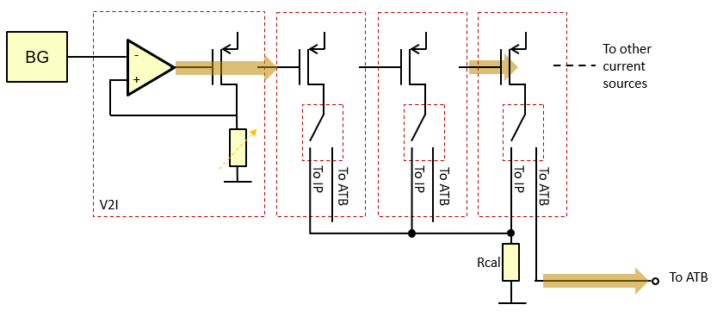
For the other temperatures, the targets are given for evaluation on-the-fly in case of OTP not programmed

Designers
 | Salvatore Drago
 | Andreas Drejfert

Predecessors
 | ChirpGen BG has to be trimmed ahead

System setup information
 | NTR

Side effect of writing default values (for the early samples only)
 | NTR

Trim procedure
 | Notes :
 | The leakage on the ATB pillar interface is between 400nA and 3uA (depending on the voltage and temp). It is too mush for the trim accuracy expected here.
 | => it is mandatory to make the current measurement internally using the ATB resources.
 | The res1 (=35kohm, at it trim code) I2V converter + the ATB ADC shall be used
 | The real ATB I2V resource value has to be taken into account in the measurement. The res1 isn't strictly 35000.0000ohm…

 | Measure the Ibias_res_cal_20u_1 current for all trim codes
 | Select the trim code to get the current the closest to 20µA

Expected results / procedure to validate the trim ?
 | The current measured on trimmed parts should be a rectangular distribution centered on 20µA +/-0.2µA
 | The trim code distribution should centered on the code 32.

Optimization procedure
 | NTR

ChirpGen RES_OHM
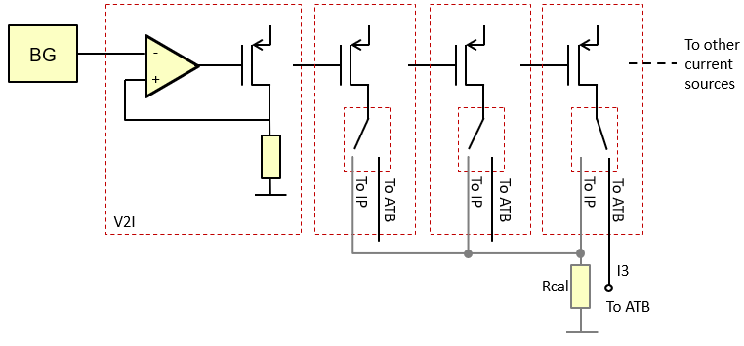
RFE/SOC FuseMap

Subsystem | ChirpGen
Subblock IP | RES_OHM

 |  | Mandatory for the functionality for early samples ? | Trim targets |  |  | Unit | SPI register name | SPI field name | OCII
Temp | / | / | 125 | 25 | -40 | °C | / | / | /
OTP control signals | res_ohm<15:0> | no, value d18147 by default if not trimmed | see below |  |  | / | PCM_3 | RES_OHM | pcm_3_res_ohm
Plan of record | / | / | PoR |  |  | / | / | / | /
Note : the temp noted as plan of record is the one at which will be performed the trim in production
For the other temperatures, the targets are given for evaluation on-the-fly in case of OTP not programmed

Designers
 | Salvatore Drago
 | Andreas Drejfert

Predecessors
 | ChirpGen V2I has to be trimmed ahead
 |  |  |  |  |  |  |  |  |  | Figure 1 : ChirpGen test setup for the res_cal_top voltage measurement
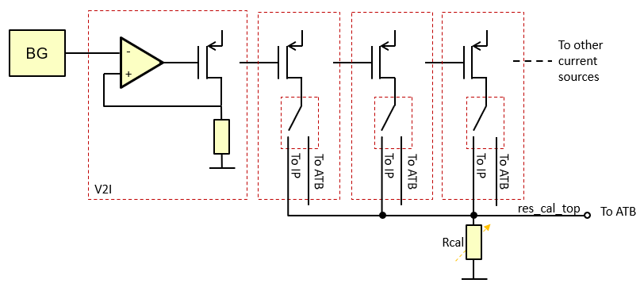
System setup information
 | NTR

Side effect of writing default values (for the early samples only)
 | NTR

Trim procedure
 | Notes :
 | The leakage on the ATB pillar interface is between 400nA and 3uA (depending on the voltage and temp). It is too mush for the trim accuracy expected here.
 | => it is mandatory to make the current & voltage measurements internally using the ATB resources.

 | Step 1 : |  |  |  |  |  |  | Example of result :
 | With the 3 current sources enabled and connected to the res_cal_top node :
 | Measure the res_cal_top voltage for the trim code 28 (ana_bias_ctl_cal_res ocii register on 5bits to control it), see figure 1 |  |  |  |  |  |  | 1.108

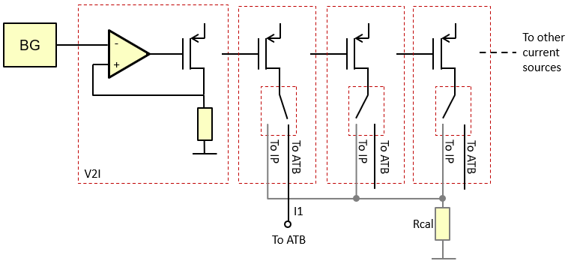
 | Step 2 :
 | Measure the current for the 3 current sources individually see figure 2a, 2b, 2c |  |  |  |  |  |  | I1=20.1uA, I2=20.3uA, I3=19.9uA |  | Figure 2a : ChirpGen test setup for I1 current measurement
 | The res1 (=35kohm, at it trim code) I2V converter + the ATB ADC shall be used
 | The real ATB I2V resource value has to be taken into account in the measurement. The res1 isn't strictly 35000.0000ohm…

 | Step 3 :
 | Calculate the Rcal resistor value |  | Rcal=(res_cal_top voltage @ trim code 28)/(I1 + I2 + I3) |  |  |  |  | 1.108 / (20.1e-6 + 20.3e-6 + 19.9e-6) = 18374.79 Ohm
 | Store in the OTP the Rcal value. 1LSB=1ohm |  |  |  |  |  |  | 18375

Expected results / procedure to validate the trim ?
 | The resistor measured on trimmed parts should be a rectangular distribution centered on 18.15kOhm

Optimization procedure
 | NTR

 |  |  |  |  |  |  |  |  |  | Figure 2b : ChirpGen test setup for I2 current measurement
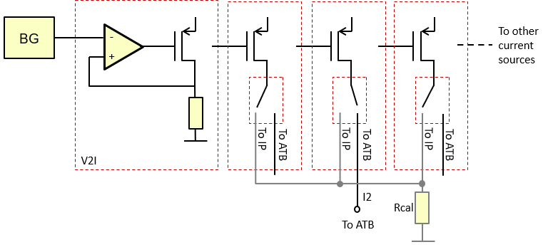

 |  |  |  |  |  |  |  |  |  | Figure 2c : ChirpGen test setup for I3 current measurement

ChirpGen pgm_vout
RFE/SOC FuseMap

Subsystem | ChirpGen
Subblock IP | MMD LDO

 |  | Mandatory for the functionality for early samples ? | Trim targets |  |  | Unit | SPI register name | SPI field name | OCII
Temp | / | / | 125 | 25 | -40 | °C | / | / | /
OTP control signals | pgm_vout<6:0> | no, value d15 by default if not trimmed | 0.9 | 0.9 | 0.9 | V | LDO_PDIV | PGM_VOUT | ldo_pdiv_pgm_vout
Plan of record | / | / | PoR |  |  | / | / | / | /
Note : the temp noted as plan of record is the one at which will be performed the trim in production
For the other temperatures, the targets are given for evaluation on-the-fly in case of OTP not programmed

Designers | Salvatore Drago

Predecessors
 | ChirpGen V2I

System setup information
 | NTR

Side effect of writing default values (for the early samples only)
 | NTR

Trim procedure
 | Measure the vdd_pdiv_0v9 signal for all trim values up to 31 (the MSB isn't used).
 | Note: the ATB 10b-ADC with the div2 mode can be used for this measurement.
 | Select the trim code to get the voltage the closest to 0.9V
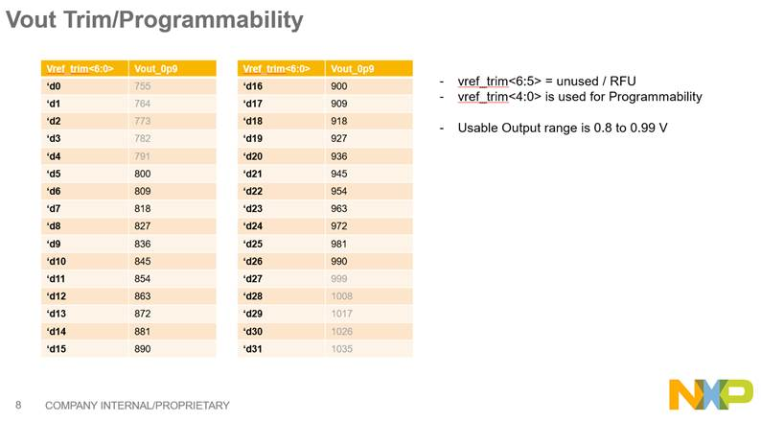
Expected results / procedure to validate the trim ?
 | The trimmed voltage shall be a distribution around the trim target

Optimization procedure
 | NTR

ChirpGen LevelDet
RFE/SOC FuseMap

Subsystem | ChirpGen
Subblock IP | Amplitude Detector

 |  | Mandatory for the functionality for early samples ? | Trim targets |  |  | Unit | SPI register name | SPI field name | OCII
Temp | / | / | 125 | 25 | -40 | °C | / | / | /
OTP control signals | level_vco_max<6:0> | no, value d49 by default if not trimmed | 1.55 | 1.55 | 1.55 | V | ANA_VCO_CTL3 | LEVEL_VCO_MAX | ana_vco_ctl3_level_vco_max
 | level_vco_high<6:0> | no, value d52 by default if not trimmed | 1.7 | 1.7 | 1.7 | V | ANA_VCO_CTL3 | LEVEL_VCO_HIGH | ana_vco_ctl3_level_vco_high
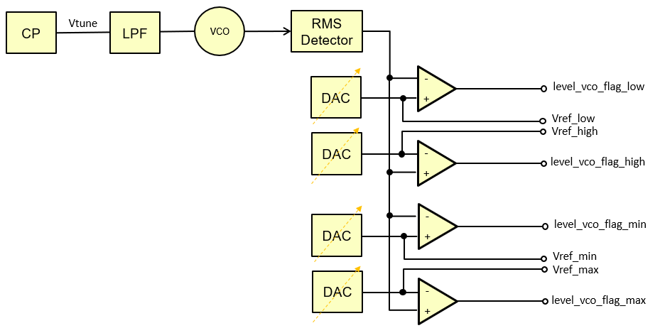
 | level_vco_low<6:0> | no, value d21 by default if not trimmed | 0.6 | 0.6 | 0.6 | V | ANA_VCO_CTL3 | LEVEL_VCO_LOW | ana_vco_ctl3_level_vco_low
 | level_vco_min<6:0> | no, value d37 by default if not trimmed | 1.05 | 1.05 | 1.05 | V | ANA_VCO_CTL3 | LEVEL_VCO_MIN | ana_vco_ctl3_level_vco_min
Plan of record | / | / | PoR |  |  | / | / | / | /
Note : the temp noted as plan of record is the one at which will be performed the trim in production
For the other temperatures, the targets are given for evaluation on-the-fly in case of OTP not programmed

Designers | Salvatore Drago |  |  |  |  | As the number of bit has increased, the default values need to be updated. Unknown by Jimmy the 21th June 2022
 | Jimmy Carlsson

Predecessors
 | ChirpGen HVLDO BG
 | ChirpGen V2I

System setup information
 | NTR

Side effect of writing default values (for the early samples only)
 | NTR

Trim procedure
 | 1. Charaterize the RMS detector Cal current : |  |  |  |  |  |  | SPI register name | SPI field name | OCII | Value (dec)
 | Enable ATB1 |  |  |  |  |  |  | ATB | ATB1_EN | atb_atb1_en | 1
 | Connect RMS detector to ATB1 |  |  |  |  |  |  | ATB | ATB1_SEL | atb_atb1_sel | 54
 | Enable vco RMS detector |  |  |  |  |  |  | ANA_RMSDET_CTL | RMS_EN | ana_rmsdet_ctl_rms_en | 1
 | Enable VCO amp monitor |  |  |  |  |  |  | ANA_VCO_CTL1 | VCO_AMP_MONITOR_EN | ana_vco_ctl1_vco_amp_monitor_en | 1
 | Enable RMS Detector calibration current |  |  |  |  |  |  | ANA_RMSDET_CTL | RMS_EN_CAL_CUR | ana_rmsdet_ctl_rms_en_cal_cur | 1
 | Enable RMS detector cal offset |  |  |  |  |  |  | ANA_RMSDET_CTL | RMS_EN_CAL_OFFSET | ana_rmsdet_ctl_rms_en_cal_offset | 0
 | Select RMS detector input (1 : Low-gain 1GHz VCO) |  |  |  |  |  |  | ANA_RMSDET_CTL | RMS_SEL | ana_rmsdet_ctl_rms_sel | 1
 | Connect input of amplitude detector to RMS detector ATB test point |  |  |  |  |  |  | ANA_RMSDET_CTL | RMS_MEAS_IN_OUT | ana_rmsdet_ctl_rms_meas_in_out | 0
 | Measure the RMS detector cal current on the ATB1 for all RMS_CAL_CUR codes |  |  |  |  |  |  | ANA_RMSDET_CTL | RMS_CAL_CUR | ana_rmsdet_ctl_rms_cal_cur | 0 to 63
 | Note : On ES1.0, due to the ATB1n grounded (artf931605), the differential voltage cannot be measured. ATB1p versus vss can be measured only. (ATB1p(i)-ATB1p(0))*2 has to be taken to recover the differential voltage
 | Find the best code for :
 | VCO_LOW: 0.60*0.226/sqrt(2)=95.9mV
 | VCO_HIGH: 1.70*0.226/sqrt(2)=271.7mV
 | VCO_MIN: 1.05*0.226/sqrt(2)=167.8mV
 | VCO_MAX: 1.55*0.226/sqrt(2)=247.7mV
 | Connect output of RMS detector to ATB1 |  |  |  |  |  |  | ANA_RMSDET_CTL | RMS_MEAS_IN_OUT | ana_rmsdet_ctl_rms_meas_in_out | 1

 | 2. Trim the VCO MIN
 | Set RMS_CAL_CUR to code found in previous step |  |  |  |  |  |  | ANA_RMSDET_CTL | RMS_CAL_CUR | ana_rmsdet_ctl_rms_cal_cur | VCO_MIN RMS_CAL_CUR code
 | Set the min level detector DAC code |  |  |  |  |  |  | ANA_VCO_CTL3 | LEVEL_VCO_MIN | ana_vco_ctl3_level_vco_min | 0
 | Reset relevant latch in analog |  |  |  |  |  | For ES1 : | ANA_FUSA_CTL | VCO_MIN_FORCE_ERR_DBG | ana_fusa_ctl_vco_min_force_err_dbg | 1 then 0 | On the ES1, for the VCO min & max level detectors, the force and reset signals are swapped, artf940910
 |  |  |  |  |  |  | For ES2 : | ANA_FUSA_CTL | LVL_VCO_MIN_RST_ERR_DBG | ana_fusa_ctl_lvl_vco_min_rst_err_dbg | 1 then 0
 | For each trim code from 0 to 63 : |  |  |  |  |  |  | ANA_VCO_CTL3 | LEVEL_VCO_MIN | ana_vco_ctl3_level_vco_min | 0 to 63
 | Monitor the relevant error flag and when going high, record the code |  |  |  |  |  |  | ANA_STATUS | LEVEL_VCO_MIN_FLAG_N | ana_status_level_vco_min_flag_n | read
 | Store found code in the register and in OTP |  |  |  |  |  |  | ANA_VCO_CTL3 | LEVEL_VCO_MIN | ana_vco_ctl3_level_vco_min | VCO_MIN code

 | 3. Trim the VCO MAX
 | Set RMS_CAL_CUR to code found in previous step |  |  |  |  |  |  | ANA_RMSDET_CTL | RMS_CAL_CUR | ana_rmsdet_ctl_rms_cal_cur | VCO_MAX RMS_CAL_CUR code
 | Set the max level detector DAC code |  |  |  |  |  |  | ANA_VCO_CTL3 | LEVEL_VCO_MAX | ana_vco_ctl3_level_vco_max | 63
 | Reset relevant latch in analog |  |  |  |  |  | For ES1 : | ANA_FUSA_CTL | VCO_MAX_FORCE_ERR_DBG | ana_fusa_ctl_vco_max_force_err_dbg | 1 then 0 | On the ES1, for the VCO min & max level detectors, the force and reset signals are swapped, artf940910
 |  |  |  |  |  |  | For ES2 : | ANA_FUSA_CTL | LVL_VCO_MAX_RST_ERR_DBG | ana_fusa_ctl_lvl_vco_max_rst_err_dbg | 1 then 0
 | For each trim code from 63 to 0 : |  |  |  |  |  |  | ANA_VCO_CTL3 | LEVEL_VCO_MAX | ana_vco_ctl3_level_vco_max | 63 to 0
 | Monitor the relevant error flag and when going low, record the code |  |  |  |  |  |  | ANA_STATUS | LEVEL_VCO_MAX_FLAG_N | ana_status_level_vco_max_flag_n | read
 | Store found code in the register and in OTP |  |  |  |  |  |  | ANA_VCO_CTL3 | LEVEL_VCO_MAX | ana_vco_ctl3_level_vco_max | VCO_MAX code

 | 4. Trim the VCO LOW
 | Set RMS_CAL_CUR to code found in previous step |  |  |  |  |  |  | ANA_RMSDET_CTL | RMS_CAL_CUR | ana_rmsdet_ctl_rms_cal_cur | VCO_LOW RMS_CAL_CUR code
 | Set the min level detector DAC code |  |  |  |  |  |  | ANA_VCO_CTL3 | LEVEL_VCO_LOW | ana_vco_ctl3_level_vco_low | 0
 | Reset relevant latch in analog |  |  |  |  |  |  | TEST_RESET_ERROR | VCO_LEVEL_LO_ERR | test_reset_error_vco_level_lo_err | 1 then 0
 | For each trim code from 0 to 63 : |  |  |  |  |  |  | ANA_VCO_CTL3 | LEVEL_VCO_LOW | ana_vco_ctl3_level_vco_low | 0 to 63
 | Monitor the relevant error flag and when going high, record the code |  |  |  |  |  |  | ERROR_STATUS | VCO_LEVEL_LO_ERR | error_status_vco_level_lo_err_n | read
 | Store found code in the register and in OTP |  |  |  |  |  |  | ANA_VCO_CTL3 | LEVEL_VCO_LOW | ana_vco_ctl3_level_vco_low | VCO_LOW code

 | 5. Trim the VCO HIGH
 | Set RMS_CAL_CUR to code found in previous step |  |  |  |  |  |  | ANA_RMSDET_CTL | RMS_CAL_CUR | ana_rmsdet_ctl_rms_cal_cur | VCO_HIGH RMS_CAL_CUR code
 | Set the max level detector DAC code |  |  |  |  |  |  | ANA_VCO_CTL3 | LEVEL_VCO_HIGH | ana_vco_ctl3_level_vco_high | 63
 | Reset relevant latch in analog |  |  |  |  |  |  | TEST_RESET_ERROR | VCO_LEVEL_HI_ERR | test_reset_error_vco_level_hi_err | 1 then 0
 | For each trim code from 63 to 0 : |  |  |  |  |  |  | ANA_VCO_CTL3 | LEVEL_VCO_HIGH | ana_vco_ctl3_level_vco_high | 63 to 0
 | Monitor the relevant error flag and when going low, record the code |  |  |  |  |  |  | ERROR_STATUS | VCO_LEVEL_HI_ERR | error_status_vco_level_hi_err_n | read
 | Store found code in the register and in OTP |  |  |  |  |  |  | ANA_VCO_CTL3 | LEVEL_VCO_HIGH | ana_vco_ctl3_level_vco_high | VCO_HIGH code

Expected results / procedure to validate the trim ?
 | The trimmed voltages shall be a distribution around the trim targets
 | It is 1.8V DAC on 6 bits, so a resolution of 1.8/2^6=28.1mV

Optimization procedure
 | NTR

ChirpGen VtuneDet
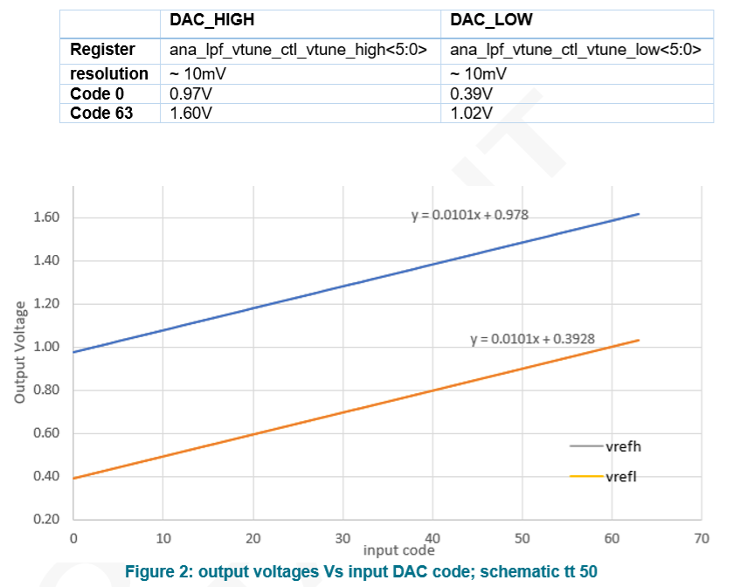
RFE/SOC FuseMap

Subsystem | ChirpGen
Subblock IP | Vtune Detector

 |  | Mandatory for the functionality for early samples ? | Trim targets |  |  | Unit | SPI register name | SPI field name | OCII
Temp | / | / | 125 | 25 | -40 | °C | / | / | /
OTP control signals | vtune_vco_high<5:0> | no, value d58 by default if not trimmed | 1.56 | 1.56 | 1.56 | V | ANA_LPF_VTUNE_CTL | VTUNE_HIGH | ana_lpf_vtune_ctl_vtune_high
 | vtune_vco_low<5:0> | no, value d5 by default if not trimmed | 0.45 | 0.45 | 0.45 | V | ANA_LPF_VTUNE_CTL | VTUNE_LOW | ana_lpf_vtune_ctl_vtune_low
Plan of record | / | / | PoR |  |  | / | / | / | /
Note : the temp noted as plan of record is the one at which will be performed the trim in production
For the other temperatures, the targets are given for evaluation on-the-fly in case of OTP not programmed

Designers | Salvatore Drago
 | Kamal Gupta

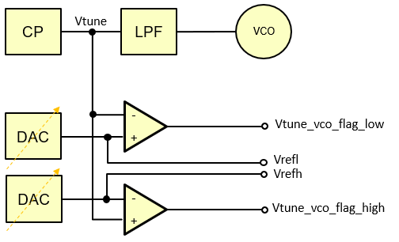
Predecessors
 | ChirpGen HVLDO BG

System setup information
 | NTR

Side effect of writing default values (for the early samples only)
 | NTR

Trim procedure
 | For the vtune vco low/high DACs
 | Measure the DAC output voltages (vrefl and vrefh respectively) for all trim values
 | Select the trim code to get the voltage the closest to the targets

Expected results / procedure to validate the trim ?
 | The trimmed voltages shall be a distribution around the trim targets
 | The resolution is expected at about 10mV

Optimization procedure
 | NTR |  |  |  |  |  |  | Simulation results :

ChirpGen VCO Ibias
RFE/SOC FuseMap

Subsystem | ChirpGen
Subblock IP | VCO

 |  | Mandatory for the functionality for early samples ? | Trim targets |  |  | Unit | SPI register name | SPI field name | OCII
Temp | / | / | 125 | 25 | -40 | °C | / | / | /
OTP control signals | vco_r_ibias_set<5:0> | no, value 0x10 by default if not trimmed | 20 | 20 | 20 | uA | ANA_VCO_CTL1 | R_IBIAS_SET | ana_vco_ctl1_r_ibias_set
Plan of record | / | / | PoR |  |  | / | / | / | /
Note : the temp noted as plan of record is the one at which will be performed the trim in production
For the other temperatures, the targets are given for evaluation on-the-fly in case of OTP not programmed

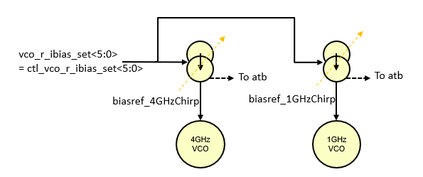
Designers
 | Jimmy Carlsson
 | Andreas Dreyfert
 | Salvatore Drago

Predecessors
 | It has to be after the ChirpGen HVLDO BG

System setup information
 | NTR

Side effect of writing default values (for the early samples only)
 | NTR

Trim procedure
 | Program chirp profile 0 |  |  |  |  |  | SPI register name | SPI field name | OCII | Value
 | •Select VCO: 1GHz (low gain) VCO |  |  |  |  |  | P0_ANA_VCO_CTL1 | VCO_SEL | p0_ana_vco_ctl1_vco_sel | 1
 | •Set VCO bias current to lowest value to avoid too high VCO amplitude. |  |  |  |  |  | P0_ANA_VCO_CTL1 | CURRENT | p0_ana_vco_ctl1_current | 0
 | •Set VCO to lowest frequency to avoid too high VCO amplitude. |  |  |  |  |  | P0_ANA_VCO_CTL1 | TUNING | p0_ana_vco_ctl1_tuning | 127
 | Select profile 0 |  |  |  |  |  | SW_CTL | CHIRP_PROFILE_SEL | sw_ctl_chirp_profile_sel | 0
 | Overrule timing engine |  |  |  |  |  | SW_CTL | TE_OVERRULE_EN | sw_ctl_te_overrule_en | 1
 | Load profile via debug register |  |  |  |  |  | DEBUG_CTL | PROFILE_LOAD_CW | debug_ctl_profile_load_cw | 1
 | Enable VCO |  |  |  |  |  | ANA_VCO_CTL1 | VCO_EN | ana_vco_ctl1_vco_en | 1
 | Load the profile |  |  |  |  |  | SW_CTL | PROFILE_LOAD | sw_ctl_profile_load | 1 then 0
 | Enable ATB1 |  |  |  |  |  | ATB | ATB1_EN | atb_atb1_en | 1
 | Connect 20uA 1GHz VCO bias block test current to ATB1 |  |  |  |  |  | ATB | ATB1_SEL | atb_atb1_sel | 46
 | Sweep VCO bias block resistor programming from 0 to 31 (the MSB is not used) |  |  |  |  |  | ANA_VCO_CTL1 | R_IBIAS_SET | ana_vco_ctl1_r_ibias_set | 0 to 31
 | Measure current via RFE ATB ADC

 | Program chirp profile 0 |  |  |  |  |  | SPI register name | SPI field name | OCII | Value
 | •Select VCO: 4GHz (high gain) VCO |  |  |  |  |  | P0_ANA_VCO_CTL1 | VCO_SEL | p0_ana_vco_ctl1_vco_sel | 0
 | Load the profile |  |  |  |  |  | SW_CTL | PROFILE_LOAD | sw_ctl_profile_load | 1 then 0
 | Connect 20uA 4GHz VCO bias block test current to ATB1 |  |  |  |  |  | ATB | ATB1_SEL | atb_atb1_sel | 47
 | Sweep VCO bias block resistor programming from 0 to 31 (the MSB is not used) |  |  |  |  |  | ANA_VCO_CTL1 | R_IBIAS_SET | ana_vco_ctl1_r_ibias_set | 0 to 31
 | Measure current via RFE ATB ADC

 | Calculate the average current between the 2 VCO ibias for each trim code
 | Choose code for the averaged current closest to 20uA |  |  |  |  |  | ANA_VCO_CTL1 | R_IBIAS_SET | ana_vco_ctl1_r_ibias_set

Expected results / procedure to validate the trim ?
 | With the same measurement procedure with the trimmed code, measure the current on 4GHz VCO |  |  |  |  |  | P0_ANA_VCO_CTL1 | VCO_SEL | p0_ana_vco_ctl1_vco_sel | 0
 |  |  |  |  |  |  | ATB | ATB1_SEL | atb_atb1_sel | 47
 | The current shall be a centered distribution on 20uA

Optimization procedure
 | NTR

ChirpGen CP
RFE/SOC FuseMap

Subsystem | ChirpGen
Subblock IP | Charge Pump

 |  | Mandatory for the functionality for early samples ? | Trim targets |  |  | Unit | SPI register name | SPI field name | OCII
Temp | / | / | 125 | 25 | -40 | °C | / | / | /
OTP control signals | icp_ua<15:0> | no, value 0x2710 by default if not trimmed | see below |  |  | / | PCM_1 | ICP_UA | pcm_1_icp_ua
Plan of record | / | / | PoR |  |  | / | / | / | /
Note : the temp noted as plan of record is the one at which will be performed the trim in production
For the other temperatures, the targets are given for evaluation on-the-fly in case of OTP not programmed
 |  |  |  |  |  |  |  |  |  | Documentation extract :
Designers | Vladislav Dyachenko |  |  |  |  |  |  |  |  | Unit cells to measure the unit cell current located in the cell ida_mmw_rfe_chirppll_cp_cells_main under names i_cell_atb_pmos and i_cell_atb_nmos.
 | Salvatore Drago |  |  |  |  |  |  |  |  | One of the cell is hard wired to provide NMOS current, and another one to provide PMOS current. Outputs of these cells are connected to ida_mmw_rfe_chirppll_atb_current_sense_10u, which shown below:
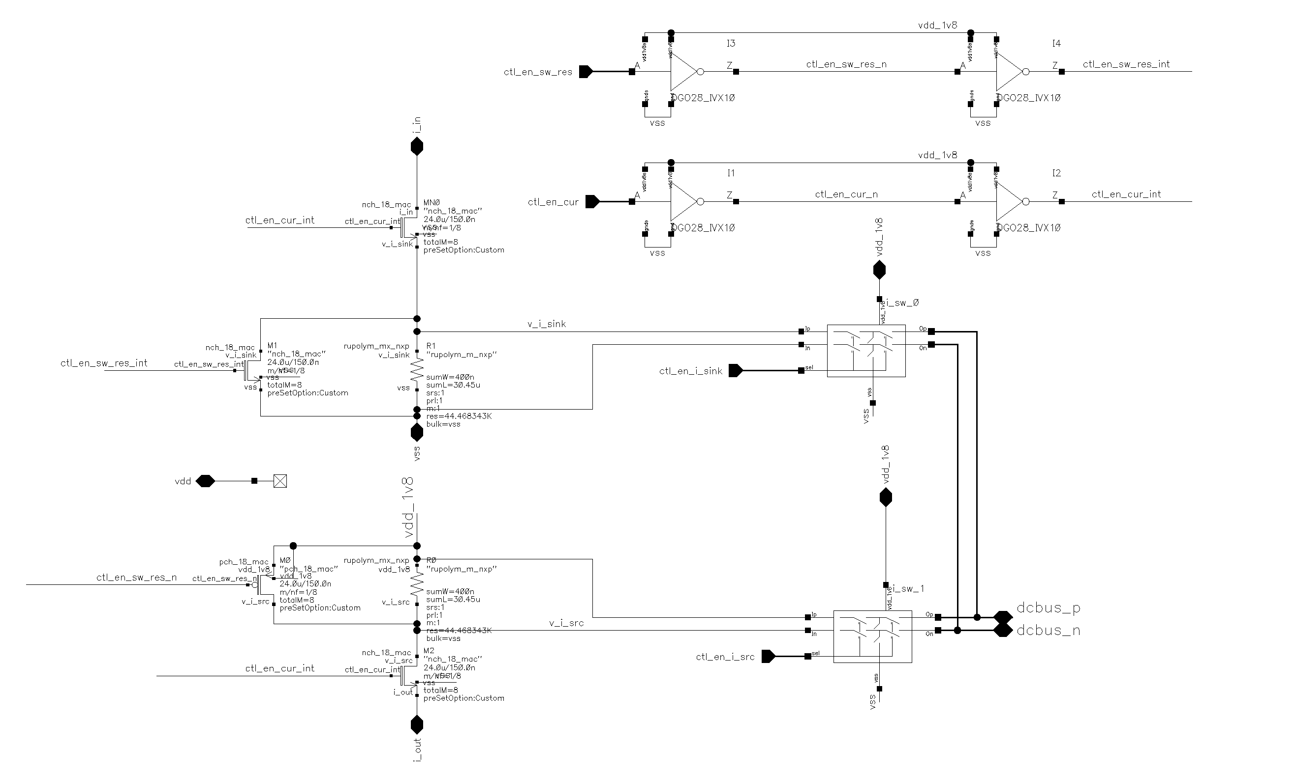
Predecessors
 | ChirpGen HVLDO BG
 | ChirpGen V2I

Source
 | ChirpGen CP

System setup information
 | NTR

Side effect of writing default values (for the early samples only)
 | NTR

Trim procedure
 | 1. Measure resistor value R1
 | 1.1 Set atb_ctl_cp_isense_en_cur_ls=0, atb_ctl_cp_isense_sw_res_ls=0, atb_ctl_cp_pcell_i_pmos_ls = 1; atb_ctl_cp_pcell_i_nmos_ls = 0;
 | 1.2 Apply a small current Iref between dcbbus_p and dcbus_n and measure ATB voltage Vo1. Alternatively, use multimeter to measure Ro1
 | 1.3 Set atb_ctl_cp_isense_sw_res_ls=1 |  |  |  |  |  |  |  |  | PMOS current is applied to i_in input, and NMOS current to i_out, these currents applied to resistors R1 and R0, creating voltage drop that can be measured via the ATB switches. When the voltage and resistors R0/R1 are known, currents can be calculated.
 | 1.4 Apply a small current source Iref between dcbbus_p and dcbus_n and measure voltage Vs1. Alternatively, use multimeter to measure Rs1 |  |  |  |  |  |  |  |  | Values of the resistors R1/R0 can be estimated by performing open and short measurements to exclude series resistance of the ATB switches and ATB routing.
 | 1.5 Calculate R1 = (Vo1 – Vs1)/Iref. If multimeter was used, simply R1 = Ro1 - Rs1

 | 2. Measure PMOS current
 | 2.1 Set atb_ctl_cp_isense_en_cur_ls=1, atb_ctl_cp_isense_sw_res_ls=0, atb_ctl_cp_pcell_i_pmos_ls = 1; atb_ctl_cp_pcell_i_nmos_ls= 0
 | 2.2 Measure ATB voltage Vo2
 | 2.3 Calculate PMOS current Ip = Vo2/R1

 | 3. Measure resistor value R0
 | 3.1 Set atb_ctl_cp_isense_en_cur_ls=0, atb_ctl_cp_isense_sw_res_ls=0, atb_ctl_cp_pcell_i_pmos_ls = 0; atb_ctl_cp_pcell_i_nmos_ls = 1;
 | 3.2 Apply a small current source Iref between dcbbus_p and dcbus_n and measure ATB voltage Vo3. Alternatively, use multimeter to measure Ro3
 | 3.3 Set atb_ctl_cp_isense_sw_res_ls=1
 | 3.4 Apply current source Iref between dcbbus_p and dcbus_n and measure voltage Vs3. Alternatively, use multimeter to measure Rs3
 | 3.5 Calculate R0 = (Vo3 – Vs3)/Iref. If multimeter was used, simply R0 = Ro3 – Rs3

 | 4. Measure NMOS current
 | 4.1 Set atb_ctl_cp_isense_en_cur_ls=1, atb_ctl_cp_isense_sw_res_ls=0, atb_ctl_cp_pcell_i_pmos_ls = 0; atb_ctl_cp_pcell_i_nmos_ls= 1
 | 4.2 Measure ATB voltage Vo4
 | 4.3 Calculate PMOS current In = Vo4/R0

 | Store the averaged absolute current value with the resolution 1LSB = 1nA
 | Average( Abs(In), Abs(Ip) )

Expected results / procedure to validate the trim ?
 | Trimming repeatability is limited by the measurement accuracy, not by the register resolution.
 | It should be a distribution centered on 10 000nA.

Optimization procedure
 | NTR

TSense
RFE/SOC FuseMap

 | Subsystem |  | Subblock IP | OTP control signals | Mandatory for the functionality for early samples ? | Trim targets |  |  | Unit | SPI register name | SPI field name | OCII
Temp | / |  | / | / | / | 125 | 25 | -40 | °C | / | / | /
 | RFE | RFE_TSENSE | RFE_TSENSE_PARAM | rfe_tsense_val_a<15:0> | yes | 0xA4B3 | 0xA4B3 | 0xA4B3 | LSB | TDC_CAL0 | VAL_A | tdc_cal0_val_a | in all tsense instances
 |  |  |  | rfe_tsense_val_b<15:0> | yes | 0xB80B | 0xB80B | 0xB80B | LSB | TDC_CAL0 | VAL_B | tdc_cal0_val_b
 |  |  |  | rfe_tsense_val_alpha<15:0> | yes | 0x7574 | 0x7574 | 0x7574 | LSB | TDC_CAL1 | VAL_ALPHA | tdc_cal1_val_alpha
 |  |  | RFE_TSENSETX12_OFFSET | rfe_tsenseTX12_val_xoffset<15:0> | no, value 0 by default if not trimmed | See equations below |  |  | LSB | TDC_CAL1 | VAL_XOFFSET | tdc_cal1_val_xoffset | in the tsenseTX12 instance
 |  |  | RFE_TSENSETX34_OFFSET | rfe_tsenseTX34_val_xoffset<15:0> |  |  |  |  | LSB |  |  |  | in the tsenseTX34 instance
 |  |  | RFE_TSENSEXO_OFFSET | rfe_tsenseXO_val_xoffset<15:0> |  |  |  |  | LSB |  |  |  | in the tsenseXO instance
 |  |  | RFE_TSENSERX_OFFSET | rfe_tsenseRX_val_xoffset<15:0> |  |  |  |  | LSB |  |  |  | in the tsenseRX instance
 | SOC | TMU | TSENSE PARAM | val_a<15:0> | yes | 0xA4B3 | 0xA4B3 | 0xA4B3 | LSB | Not applicable. The SOC bits are HW-based |  | tdc_cal0_val_a
 |  |  |  | val_b<15:0> | yes | 0xB80B | 0xB80B | 0xB80B | LSB |  |  | tdc_cal0_val_b
 |  |  |  | val_alpha<15:0> | yes | 0x7574 | 0x7574 | 0x7574 | LSB |  |  | tdc_cal1_val_alpha
 |  |  | TSENSE OFFSET | val_xoffset<15:0> | yes, value 0 by default if not trimmed | See equations below |  |  | LSB |  |  | tdc_cal1_val_xoffset
Plan of record | / |  | / | / | / | PoR |  |  | / | / | / | /
Note : the temp noted as plan of record is the one at which will be performed the trim in production
For the other temperatures, the targets are given for evaluation on-the-fly in case of OTP not programmed

Designers | Berry Butter

Predecessors
 | GBIAS 20uA flat 3bits current reference has to be trimmed ahead to get the digital supply at 0v9.

System setup information
 | NTR

Trim procedure
 | Apply a Reference voltage of 1.25V with +/-1mV accuracy to the TDC
 | Determine most accurate 1.25 Volt by differential Board ADC measurement (see figure 1) |  |  |  |  | RFE |  |  | SOC
 | Force the voltage through ATB1, and measure it back through ATB2. In the TDC IP : 1) d_enbl_atb1, this must be set to ‘1’ 2) d_enbl_atb2, this must be set to ‘1’ 3) d_sel_atb1, this must be set to ‘16’h10’ 4) d_sel_atb2, this must be set to ‘8’h1’ |  |  |  |  | SPI register name | SPI field name | OCII | OCII
 | Set resolution_mode<1:0> to b11. |  |  |  |  | TDC_CTL | RES_MODE | tdc_ctl_res_mode | tdc_ctl_res_mode | Figure 1 :
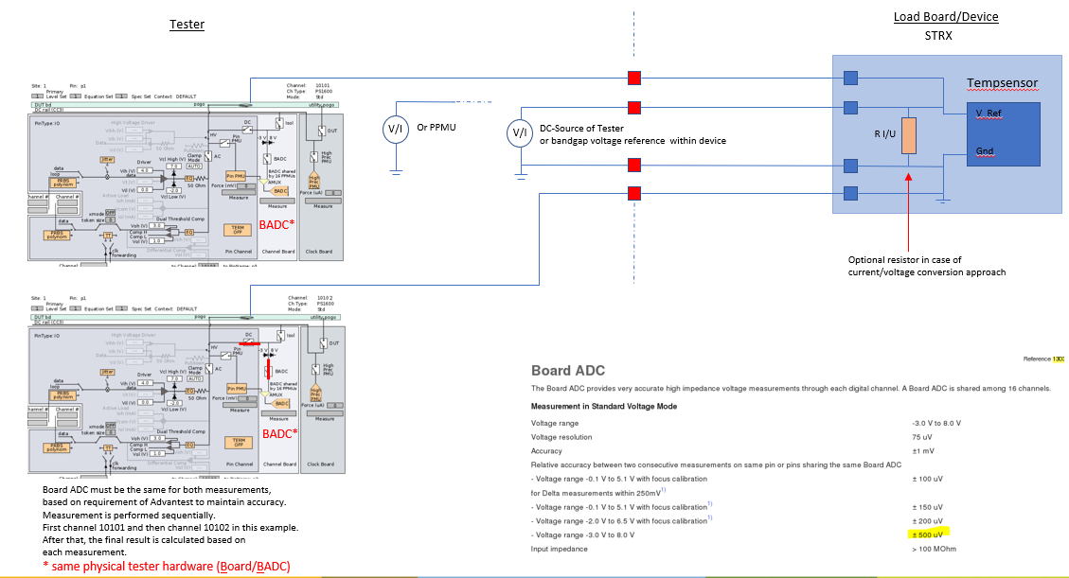
 | Set val_xoffset<15:0> to h0000. |  |  |  |  | TDC_CAL1 | VAL_XOFFSET | tdc_cal1_val_xoffset | tdc_cal1_val_xoffset
 | Set val_a<15:0> to 0xA4B3 |  |  |  |  | TDC_CAL0 | VAL_A | tdc_cal0_val_a | tdc_cal0_val_a
 | Set val_b<15:0> to 0xB80B |  |  |  |  | TDC_CAL0 | VAL_B | tdc_cal0_val_b | tdc_cal0_val_b
 | Set val_alpha<15:0> to 0x7574 |  |  |  |  | TDC_CAL1 | VAL_ALPHA | tdc_cal1_val_alpha | tdc_cal1_val_alpha
 | Set operation_mode to b001 ( = voltage calibration function). |  |  |  |  | TDC_CTL | OPR_MODE | tdc_ctl_opr_mode | tdc_ctl_opr_mode
 | For RFE Tsense : set the conversion mode to 0 (mono conversion) |  |  |  |  | TDC_CTL | CONT_MONO | tdc_ctl_cont_mono
 | Start the ADC measurement (via the SPI register field to set at 1, or via the OCII field to set at 1 and then to set back at 0 after at least 450us) |  |  |  |  | TDC_CTL | START | tdc_ctl_start | tdc_ctl_start
 | Wait at least 450us
 | Readout adcout from adcout register |  |  |  |  | TDC_OUT1 | DBG_ADCOUT_VCAL | tdc_out1_dbg_adcout_vcal | tdc_out1_dbg_adcout_vcal
 | Set operation_mode to b000 ( = Normal temperature conversion function). |  |  |  |  | TDC_CTL | OPR_MODE | tdc_ctl_opr_mode | tdc_ctl_opr_mode
 | Start the ADC measurement (via the SPI register field to set at 1, or via the OCII field to set at 1 and then to set back at 0 after at least 450us) |  |  |  |  | TDC_CTL | START | tdc_ctl_start | tdc_ctl_start
 | Wait at least 450us
 | Readout xout_real from xout register |  |  |  |  | TDC_OUT0 | XOUT | tdc_out0_xout | tdc_out0_xout
 | Calculate dVbe :
 | dVbe = adcout * Vref / Nadc (Nadc = 6, Vref = ~1.25V as measured by the BADC ATE resource)
 | Calculate Tdie :
 | Tdie = coef_3*dVbe^3 + coef_2*dVbe^2 + coef_1*dVbe + coef_0
 | with
 |  | coef_3 | -96754.92863
 |  | coef_2 | 10020.44914
 |  | coef_1 | 6779.443627
 |  | coef_0 | -268.4246459
 | Calculate xout_ideal with the formula below
 |  | xout_ideal = val_a * ( val_alpha / ( Tdie - val_b ) ) - val_alpha
 | Calculate xoffset = xout_real – xout_ideal.
 | Apply xoffset to val_xoffset<15:0>. |  |  |  |  | TDC_CAL1 | VAL_XOFFSET | tdc_cal1_val_xoffset | tdc_cal1_val_xoffset

Expected results / procedure to validate the trim ?
 | Execute a temperature conversion :
 | Set operation_mode to b000 ( = Normal temperature conversion function). |  |  |  |  | TDC_CTL | OPR_MODE | tdc_ctl_opr_mode | tdc_ctl_opr_mode
 | For RFE Tsense : set the conversion mode to 0 (mono conversion) |  |  |  |  | TDC_CTL | CONT_MONO | tdc_ctl_cont_mono
 | Start the ADC measurement (via the SPI register field to set at 1, or via the OCII field to set at 1 and then to set back at 0 after at least 450us) |  |  |  |  | TDC_CTL | START | tdc_ctl_start | tdc_ctl_start
 | Wait at least 450us
 | Readout the temperature by temperature_out register |  |  |  |  | TDC_OUT0 | TEMPOUT | tdc_out0_tempout | tdc_out0_tempout
 | (format will be 2’s complement and needs to be divided by 64
 | Means, if result is F600 => 2’s complement => -2560 / 64 => -40 degrees)
 | After trimming the temp measurement accuracy should be better than +/- 1°C

Optimization procedure
 | The val_a, val_b, val_alpha values have to be optimized at lab to get the +/-1°C accuracy over the full temperature range.

BE process monitor
RFE/SOC FuseMap

Subsystem | RX
Subblock IP | VGA stability

 |  | Mandatory for the functionality for early samples ? | Trim targets |  |  | Unit | SPI register name | SPI field name | OCII
Temp | / | / | 125 | 25 | -40 | °C | / | / | /
OTP control signals | BE_Process_Monitor<3:0> | no, value 8 by default if not trimmed | see below |  |  | / | NA, used by the SW for the calibration
Plan of record | / | / | PoR |  |  | / | / | / | /
Note : the temp noted as plan of record is the one at which will be performed the trim in production
For the other temperatures, the targets are given for evaluation on-the-fly in case of OTP not programmed

Designers
 | RX : Yuan Gao
 | RC-Cal : Bernard Burdiek

Predecessors
 | NTR

System setup information
 | NTR

Side effect of writing default values (for the early samples only)
 | On parts with a corner process, the RX VGAs might be instable at some temperatures

Trim procedure
 | Note : the BackEnd process monitor is used in RX calibration SW function to setup the VGA setting. It is to keep it in the stable state. This trim uses the RC-cal as sensor of the process monitoring |  |  |  |  | SPI register name | SPI field name | OCII | Value
 | Enable level shifters |  |  |  |  | PON_CTL | PON_LS | pon_ctl_pon_ls | 1
 | Start the RC Cal state machine |  |  |  |  | CAL_CTL | EN_RCCAL | cal_ctl_en_rccal | 1
 | Wait at least 210 us to let time to the fsm to make the measurement
 | Read the counter value Ncorner |  |  |  |  | CAL_RESULT1 | COUNT_VALUE_N | cal_result1_count_value_n | Ncorner
 | Read the counter value Mcorner |  |  |  |  | CAL_RESULT2 | COUNT_VALUE_M | cal_result2_count_value_m | Mcorner
 | Disable the IP |  |  |  |  | CAL_CTL | EN_RCCAL | cal_ctl_en_rccal | 0
 |  |  |  |  |  | PON_CTL | PON_LS | pon_ctl_pon_ls | 0
 | Calculate the ratio :
 | 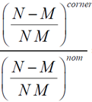 ratio = | where Nnom = 3698 and Mnom = 1946 at 125°C, Nnom = 3816 and Mnom = 1998 at 25°C, Nnom = 3902 and Mnom = 2040 at -40°C
 | Note : datalog Ncorner, Mcorner, Nnom and Mnom. Nnom and Mnom might be changed once statistical data is available on several lots
 | Calculate the BE_Process_Monitor value to trim :
 |  | ratio | BE_Process_Monitor
 |  | [ 0 , 0.65 [ | 0
 |  | [ 0.65 , 0.7 [ | 1
 |  | [ 0.7 , 0.75 [ | 2
 |  | [ 0.75 , 0.8 [ | 3
 |  | [ 0.8 , 0.85 [ | 4
 |  | [ 0.85 , 0.9 [ | 5
 |  | [ 0.9 , 0.95 [ | 6
 |  | [ 0.95 , 1 [ | 7
 |  | [ 1 , 1.05 [ | 8
 |  | [ 1.05 , 1.1 [ | 9
 |  | [ 1.1 , 1.15 [ | 10
 |  | [ 1.15 , 1.2 [ | 11
 |  | [ 1.2 , 1.25 [ | 12
 |  | [ 1.25 , 1.3 [ | 13
 |  | [ 1.3 , 1.35 [ | 14
 |  | [ 1.35 , +inf [ | 15

Expected results / procedure to validate the trim ?
 | The majority of the production should be with the typical process

Optimization procedure
 | Nnom and Mnom values have to be refined with statistical data from the production.
 | The rccal IP behavior is sensitive to the 0v9 power supply voltage. It is drived by a BG embeeded in the IP. The vout_0v9 and the BG voltages have to be datalogged for further analysis.

FE process monitor
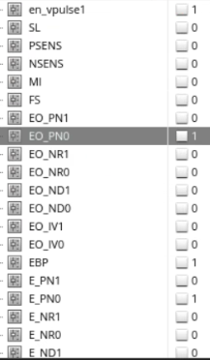
RFE/SOC FuseMap

Subsystem | RX
Subblock IP | VGA stability

 |  | Mandatory for the functionality for early samples ? | Trim targets |  |  | Unit | SPI register name | SPI field name | OCII
Temp | / | / | 125 | 25 | -40 | °C | / | / | /
OTP control signals | FE_Process_Monitor<1:0> | no, value 1 by default if not trimmed | see below |  |  | / | NA, used by the SW for the calibration
Plan of record | / | / | PoR |  |  | / | / | / | /
Note : the temp noted as plan of record is the one at which will be performed the trim in production
For the other temperatures, the targets are given for evaluation on-the-fly in case of OTP not programmed

Designers
 | RX : Yuan Gao
 | Ringo oscillator : Ulf Menning
 | DfT : Leewe Behrendt

Predecessors
 | NTR

System setup information
 | NTR

Blueprint
 | pdl/ams_sist/sist_HS28_FE_LL40/my_sist_HS28_FE_LL40.pdl

Side effect of writing default values (for the early samples only)
 | On parts with a corner process, the RX VGAs might be instable at some temperatures

Trim procedure
 | Note : the FrontEnd process monitor is used in RX calibration SW function to setup the VGA setting. It is to keep it in the stable state. This trim uses the ring oscillator at the SOC side as sensor of the process monitoring |  |  |  |  |  | example of result :
 | Make the measurement 20 times and average the results
 | Counting periods inside a timeframe of time_window=0x100*1/40MHz=6.4us |  |  |  |  |  |  | OCII | Value
 | Disable the freq divider ByPass mode |  |  |  |  |  |  | PmFeLl40Ctrl0_ebp | 0
 | Set short ringo mode |  |  |  |  |  |  | PmFeLl40Ctrl0_sl | 0
 | Select the divider by 64 |  |  |  |  |  |  | PmFeLl40Ctrl0_fs | 0
 | Configure the ringo output signals |  |  |  |  |  |  | PmFeLl40E0_e | d64
 |  |  |  |  |  |  |  | PmFeLl40Eo0_e0 | d64
 | Initialize the refernce counter start value |  |  |  |  |  |  | PmMeasurecountIn0_cnt | 0x100
 | Starting measurement |  |  |  |  |  |  | PmCtrl0_startcount | 1 then 0
 | wait for the ringo running
 | Assert that counter expired |  |  |  |  |  | 0 | PmStatus0_countbusy
 | Read the number of period N |  |  |  |  |  | 4903 | PmCapturecountOut0_cnt | N
 | Calculate frequency: freq = N/time_window |  |  |  |  |  | freq=4903/6.4e-6=7.6609e8
 | Calculate fnom_cal for the trim temperature
 |  | fnom_cal=a3*(tempK-273.15)^3 + a2*(tempK-273.15)^2 + a1*(tempK-273.15) + a0 with a0 = 790963864.1, a1 = -91092, a2 = -57.5733, a3 = -4.4702 |  |  |  |  | fnom_cal=7.6995e8 @ 125°C
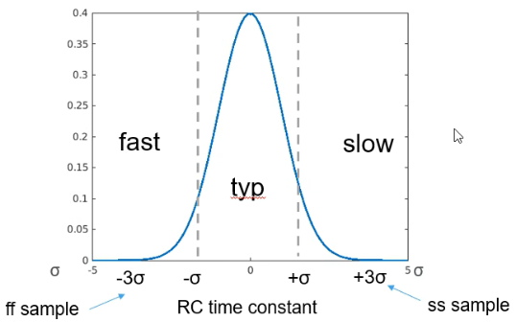
 | Select the code BackEnd process code :
 | freq |  | FE_Process_Monitor | corner | with fnom=7.857e8
 | [0, fnom_cal - 0.053*fnom[ |  | 3 | slow |  |  | code 1 , typical process
 | [fnom_cal - 0.053*fnom, fnom_cal + 0.06*fnom] |  | 1 | typ
 | ]fnom_cal + 0.06*fnom, +inf] |  | 2 | fast

Expected results / procedure to validate the trim ?

Optimization procedure
 | If needed

TXBiST VdVGA
RFE/SOC FuseMap

Subsystem | TX-BIST
Subblock IP | VGA

 |  | Mandatory for the functionality for early samples ? | Trim targets |  |  | Unit | SPI register name | SPI field name | OCII
Temp | / | / | 125 | 25 | -40 | °C | / | / | /
OTP control signals | txbist1_vdvga<4:0> | no, value 8 by default if not trimmed | 0.52 | 0.52 | 0.52 | V | TXBIST_CTRL | IBIAS_TRIM | txbist_ctrl_ibias_trim | in the TX1 instance
 | txbist2_vdvga<4:0> | no, value 8 by default if not trimmed | 0.52 | 0.52 | 0.52 | V |  |  |  | in the TX2 instance
 | txbist3_vdvga<4:0> | no, value 8 by default if not trimmed | 0.52 | 0.52 | 0.52 | V |  |  |  | in the TX3 instance
Plan of record | / | / | PoR |  |  | / | / | / | /
Note : the temp noted as plan of record is the one at which will be performed the trim in production
For the other temperatures, the targets are given for evaluation on-the-fly in case of OTP not programmed

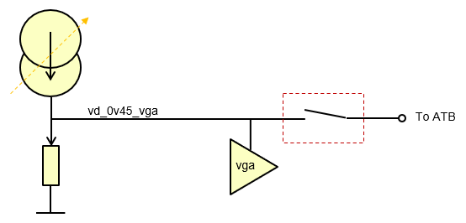
Designers | 1. Florent Cilici |  |  | Might be not needed any more. Ayoub to give inputs
 | 2. Ayoub Rifai

Predecessors
 | The GBIAS V2I has to be trimmed ahead

System setup information
 | NTR

Side effect of writing default values (for the early samples only)
 | No side effect expected at the TXBist side. Nevertheless, if this parameter is written in the OTP at the default value proposed in the table about, the VGA common mode output voltage might be too low or too high for the 10b-ADC. The 10b-ADC input common mode voltage spec is from 0.36V to 0.6V. The default trim code for the early samples is choosen to be at the middle of the ADC spec.

Trim procedure |  |  |  |  |  |  |  |  | d_txbist_lbias_trim = 1 => vd -10%
 | For each TXBist instances |  |  |  |  |  |  |  | d_txbist_lbias_trim = 2 => vd -5%
 | Measure the vd_0v45_vga signal for the trim values 1, 2, 4, 8 and 16. |  |  |  |  |  |  |  | d_txbist_lbias_trim = 4 => vd
 | Note: the TX ADC can be used for this measurement. |  |  |  |  |  |  |  | d_txbist_lbias_trim = 8 => vd +5%
 | Select the trim code to get the voltage the closest to 0.52V |  |  |  |  |  |  |  | d_txbist_lbias_trim = 16 => vd +10%

Expected results / procedure to validate the trim ?
 | vd_0v45_vga voltage measured on trimmed parts should be a rectangular distribution centered on 0.52V +/-2.5%
 | trim code distribution centered on the code 4.

Optimization procedure
 | Execute the trim with the TX 10b-bit ADC. The ADC reference has to be trimmed ahead
 | all TX bist instances simultaneously

BBBiST Gain
RFE/SOC FuseMap

Subsystem | RX-BIST
Subblock IP | BBBIST

 |  | Mandatory for the functionality for early samples ? | Trim targets |  |  | Unit | SPI register name | SPI field name | OCII
Temp | / | / | 125 | 25 | -40 | °C | / | / | /
OTP control signals | bbbist_trim_gain<4:0> | no, value b01111 by default if not trimmed | -19 | -19.5 | TBD after gold | dBV | BBBIST | RES_TRIM | bbbist_res_trim
Plan of record | / | / | PoR |  |  | / | / | / | /
Note : the temp noted as plan of record is the one at which will be performed the trim in production
For the other temperatures, the targets are given for evaluation on-the-fly in case of OTP not programmed

Designers
 | Ayoub Rifai
Predecessors
 | GBIAS 90uFl5b to get the correct reference current of the PRDAC and PRDACBias
 | No dependencies with the BBBiST Ccal as the gain trim is done in DC
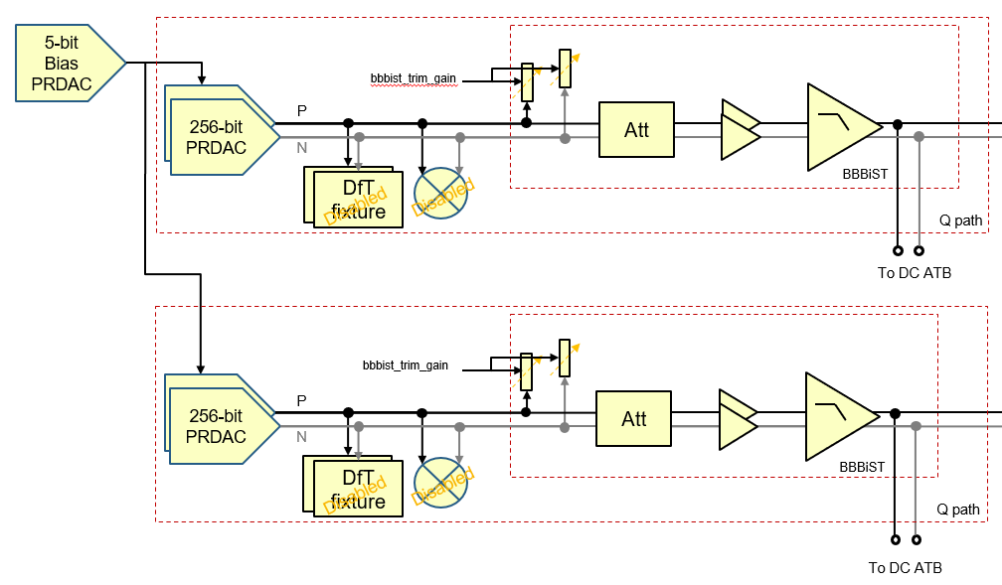
System setup information
 | PRDAC Bias, PRDAC are enabled. The Bias PRDAC is at it default value (RF_PWR/DAC_TRIM_BIAS register) |  |  |  |  |  | default value of the Bias PRDAC is 27. It might change to 15. Simu ongoing. Ayoub to give an update
 | The PR mixers are disabled
 | The BBBiST is enabled

Side effect of writing default values (for the early samples only)
 | The BBBiST signal magnitude will be less accurate

Trim procedure
 | Apply on the PRDAC the max value (i.e. The 256 bits at 1)
 | On the BBBiST I and Q, through the ATB, measure the DC differential signal magnitude on the BBBiST raugh filter outputs for all resistor trim codes.
 | Notes :
 | Due to the leakage current in the ATB ESD protection (up to 3uA), an external resource cannot be used for this measurement
 | The common mode voltage( ~0.525V) is compatible with a measurement in differential with the 10-bits ADC.
 | Calculate the average of I and Q
 | On the average, select the best trim code to get a magnitude of -19dBV

Expected results / procedure to validate the trim ?
 | DC signal magnitude distribution centered on -19dBV
 | Trim code distribution centered on b01111
 | I versus Q DC signal mismatched distribution centered on 0dBV

Optimization procedure
 | NTR

