Sheet1
 |  |  |  |  |  |  |  |  |  |  |  |  |  |  | Date:- 02-12-24
 |  |  |  |  |  |  |  | static reference |  |  |  |  |  |  |  |  |  | logical test |  |  |  |  | name | marks | result | status
 |  |  |  |  |  |  |  | 10th Table |  |  |  |  |  |  |  | what | num1 | num2 | logical | operator | name |  | raju | 40 | valid | pass
 |  |  |  |  | 1 | 2 | 3 | 4 | 5 | 6 | 7 | 8 | 9 | 10 |  | num1=num2 | 30 | 45 | FALSE | "=" | equal |  | kaju | 50 | valid | pass
 |  |  |  | 10 | 10 | 20 | 30 | 40 | 50 | 60 | 70 | 80 | 90 | 100 |  | num1<>num2 | 34 | 23 | TRUE | "<>" | not equal |  | krishna | 20 | valid | Fail
 | own series |  |  | 20 | 20 | 40 | 60 | 80 | 100 | 120 | 140 | 160 | 180 | 200 |  | num1<num2 | 20 | 30 | TRUE |  |  |  | rohit | -40 | invalid | invalid
 | aman |  |  | 30 | 30 | 60 | 90 | 120 | 150 | 180 | 210 | 240 | 270 | 300 |  | num1>num2 | 50 | 57 | FALSE |  |  |  | rita | 900 | invalid | invalid
 | akash |  |  | 40 | 40 | 80 | 120 | 160 | 200 | 240 | 280 | 320 | 360 | 400 |  |  |  |  |  |  |  |  | geeta | 800 | invalid | invalid
 | raju |  |  | 50 | 50 | 100 | 150 | 200 | 250 | 300 | 350 | 400 | 450 | 500 |  |  |  |  |  |  |  |  |  |  |  |  |  |  |  |  |  |  | Avg>=90,A | Avg>=70,B | Avg>=50,c | Avg>=40,Pass | Avg<40,fail
 | kaju |  |  | 60 | 60 | 120 | 180 | 240 | 300 | 360 | 420 | 480 | 540 | 600
 | krishna |  |  | 70 | 70 | 140 | 210 | 280 | 350 | 420 | 490 | 560 | 630 | 700
 | rohit |  |  | 80 | 80 | 160 | 240 | 320 | 400 | 480 | 560 | 640 | 720 | 800 |  |  |  |  |  |  |  |  |  |  |  |  | name | sub1 | sub2 | sub3 | total | Average | Grade
 | rita |  |  | 90 | 90 | 180 | 270 | 360 | 450 | 540 | 630 | 720 | 810 | 900 |  |  |  |  |  |  |  |  |  |  |  |  | raju | 45 | 68 | 93 | 206 | 68.666666667 | C
 | geeta |  |  | 10 | 10 | 20 | 30 | 40 | 50 | 60 | 70 | 80 | 90 | 100 |  |  |  |  |  |  |  |  |  |  |  |  | kaju | 57 | 87 | 87 | 231 | 77 | B
 | sita |  |  |  |  |  |  |  |  |  |  |  |  |  |  |  |  |  |  |  | name | marks | result |  |  |  | krishna | 78 | 54 | 34 | 166 | 55.333333333 | C
 | aman |  |  |  |  |  |  |  |  |  |  |  |  |  |  | 50 | 75 |  |  |  | raju | 40 | Pass |  |  |  | rohit | 66 | 68 | 57 | 191 | 63.666666667 | C
 | akash |  |  |  |  |  |  |  |  |  |  |  |  |  |  |  | if logics |  |  |  | kaju | 50 | Pass |  |  |  | rita | 56 | 98 | 90 | 244 | 81.333333333 | B
 | raju |  |  |  | filling series |  |  |  |  |  |  |  |  |  |  | Ans | formula |  |  |  | krishna | 20 | Fail |  |  |  | geeta | 48 | 78 | 98 | 224 | 74.666666667 | B
 |  |  | thru | mon | sun | tue | sat |  |  |  |  |  |  |  |  | 1,0 | 0 |  |  |  | rohit | 30 | Fail
 |  |  |  | tue |  |  |  |  |  |  |  |  |  |  |  | pass , fail | pass |  |  |  | rita | 90 | Distinction
 |  |  |  | wed |  |  |  |  |  |  |  |  |  |  |  | yes , no | YES |  |  |  | geeta | 80 | Distinction
 |  |  |  | thu
 |  |  |  | fri
 |  |  |  | mon
 |  |  |  | tue
 |  |  |  | wed
 |  |  |  | thu
 |  |  |  | fri

 |  |  |  |  |  |  |  |  |  |  |  |  |  |  | Date:- 03-12-24

 | Products | quantity |  |  |  |  |  |  |  |  |  |  |  |  |  | Words manupulation
 | Fan | 12 |  |  |  |  |  |  |  |  |  |  |  | Name | Trim | Proper | Upper | Lower | Len | Left | Right | Mid | Concate |  |  |  |  |  |  |  |  |  |  |  |  |  |  |  |  |  | VLookUp
 | Cooler | 4 |  | 0 | count blank |  | 60 | sum all |  | 10 | avg |  |  | raju | raju | Raju | RAJU | raju | 6 | r | aju | ra | rajukajukrishna |  |  | Date |  |  |  | Employee | Sales | Bonous(%) |  |  |  | Product | Product Code | Quantity | Price |  | Laptops | 50000
 | Ac | 15 |  | 6 | count filled |  | 15 | sum if |  | 13 |  |  |  | kaju | kaju | Kaju | KAJU | kaju | 4 | kaj | aju | aju | kajukrishnarohit |  |  | 2024-12-03 | 3 |  |  | john | 12000 | 15% |  |  |  | Mobile | P001 | 25 | 25000
 | Heater | 10 |  | 6 | count all |  | 7 | SumIfs |  |  |  |  |  | krishna | krishna | Krishna | KRISHNA | krishna | 7 | kri | hna | ris | krishnarohitrita |  |  | 12/3/24 | 17 |  |  | Sarah | 8000 | 10% |  |  |  | Camera | P002 | 35 | 30000
 | Tv | 12 |  | 3 | count those which are greater then 10 |  |  |  |  |  |  |  |  | rohit | rohit | Rohit | ROHIT | rohit | 5 | roh | hit | ohi | rohitrita |  |  |  | 12 |  |  | Tim | 150000 | 20% |  |  |  | Watch | P003 | 40 | 2000 | 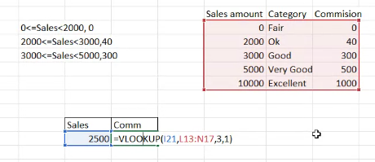
 | Laptop | 7 |  | 2 | count those with different criteria range |  |  |  |  |  |  |  |  | rita | rita | Rita | RITA | rita | 4 | rit | ita | ita | rita |  |  |  |  |  |  | Lucky | 4000 | No Bonous |  |  |  | Shoes | P004 | 27 | 1500
 |  |  |  |  |  |  |  |  |  |  |  |  |  |  |  |  |  |  |  |  |  |  |  |  |  |  |  |  |  | Mike | 10000 | 15% |  |  |  | Laptops | P005 | 20 | 50000 |  | Products | Price | Units | Total
 |  |  |  |  |  |  |  |  |  |  |  |  |  |  |  |  |  |  |  |  |  |  |  |  |  |  |  |  |  |  |  |  |  |  |  | Cosmetics | P006 | 15 | 1000 |  | Mobile | 25000 | 3 | 75000
 |  |  |  |  |  |  |  |  |  |  |  |  |  |  |  |  |  |  |  |  |  |  |  |  |  |  |  |  |  |  |  |  |  |  |  | Perfumes | P007 | 65 | 800
 |  |  |  |  |  |  |  |  |  |  |  |  |  |  |  |  |  |  |  |  |  |  |  |  |  |  |  |  |  |  |  |  |  |  |  | Cloths | P008 | 55 | 5000

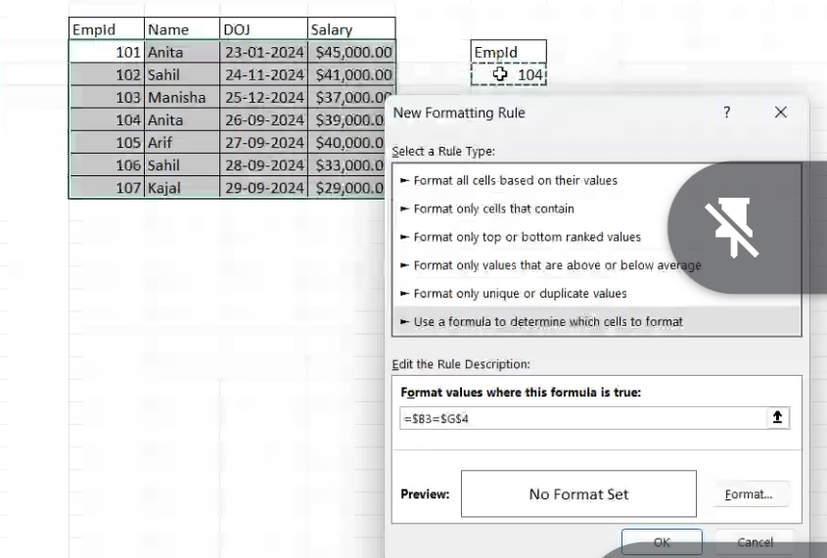
 |  |  |  |  |  |  |  |  |  |  |  |  |  |  | Date:- 03-12-24

Id | Name | Department | Salary |  |  |  |  |  |  | Empld | Name | DOI | Salary
101 | Alice | Hr | $60,000.00 |  |  |  |  |  |  | 101 | Anita | 2024-09-24 | 45000
102 | Bob | It | $75,000.00 |  |  |  |  |  |  | 102 | sahil | 2024-09-25 | 41000
103 | Charlie | Sales | $50,000.00 |  |  |  | id | Name |  | 103 | raju | 2024-09-26 | 37000
104 | Diana | Marketing | $65,000.00 |  |  |  | 101 | Alice |  | 104 | kaju | 2024-09-27 | 37000
 |  |  |  |  |  |  |  |  |  | 105 | krishna | 2024-09-28 | 40000
 |  |  |  |  |  |  |  |  |  | 106 | rohit | 2024-09-29 | 33000
income | tax |  |  |  |  |  |  |  |  | 107 | rita | 2024-09-30 | 29000
0 | 0 |  |  |  | income | tax |  |  |  | 108 | geeta | 2024-10-01 | 35000
500 | 10 |  |  |  | 4500 | 20 |  |  |  | 109 | sita | 2024-10-02 | 25000
1000 | 20 |  |  |  |  |  |  |  |  | 110 | aman | 2024-11-23 | 21000
5000 | 40
10,000 | 100

 |  |  | id | name | deparment | Salary | experience(Years)
 |  |  | 101 | alice | hr | $60,000.00 | 5
 |  |  | 102 | bob | it | $75,000.00 | 8
 |  |  | 103 | charlie | sales | $50,000.00 | 3
 |  |  | 104 | diana | marketing | $65,000.00 | 6

