2019 - Lipofabrik - UPLCv6
2019 - Lipofabrik - UPLCv6

2019-MacroUPLC-v1.xlsm | 190710 | Open exported files from UPLC and paste the results in a new output.xlsx file. Select interesting data, sort, and makes basic calculations.
 |  | Input | File pathway for output file
 |  |  | Files to open. Can be multiples. Macro takes a minute for 96 files.
 |  | Output | tab "Raw data" with raw data on one sheet
 |  |  | tab "Results" with only amounts and basic calculations
2019-MacroUPLC-v2.xlsm | 190723 | Subtilin area added
2019-MacroUPLC-v3.xlsm | 190925 | Bug corrected regarding the dilution factor
2019-MacroUPLC-v4.xlsm | 191001 | Bug corrected: Present since the beginning. Macro is working for up to 150 peaks. Labbook Mel II p.112
2019-MacroUPLC-v5.xlsm | 200310 | Bug corrected: Present since the beginning. Macro is working for up to 200 peaks.
2019-MacroUPLC-v6.xlsm | 2003132 | Adapted to new UPLC peak description. See file 190710-MacroUPLC-HT.docx

CONFIDENTIEL
SOP_Usage Macro
La macro était accompagnée d'une ficher explicative sous un format particulier à l'entreprise:

1/ WHY
Export and analyses of high-throughput UPLC data.
1. Exporting data into .txt file via Export method => 1 file/sample
2. Open all the results files and keep all the raw data in an excel files.
Create a new tab in the excel file with a reduced table and various calculations.

2/ PROTOCOL
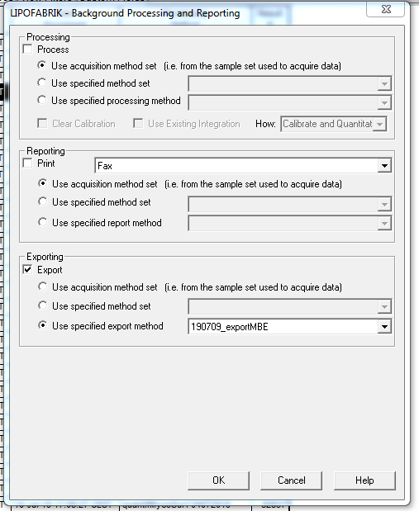
Export results:
Results tab
Select the line(s)
Right click
Export

Tick “Export”
then “Use specified export method”
Select the method “190709-exportMBE”
Press OK
(The export method description can be found in labbook MBE II p.59)
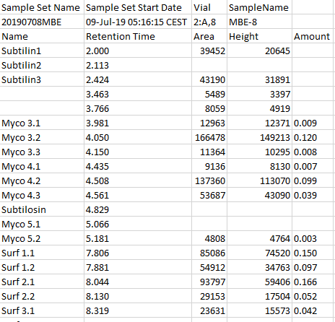
Recover the files:
Files are saved in:
C:\Users\Administrator\Desktop\DATA-users
Files are named
“Export_txtXXXXX” => XXXXX being the number of the sample.
Send the files to your mailbox or whatever. Please erase them when send to you.

The files look like this:

Run Macro:
Open the Excel file “2019-MacroUPLC-v1.xlms” (ask MBE).
(to be improved, but you need to ask MBE to set up the path...)
Run Macro Open_multiple_files
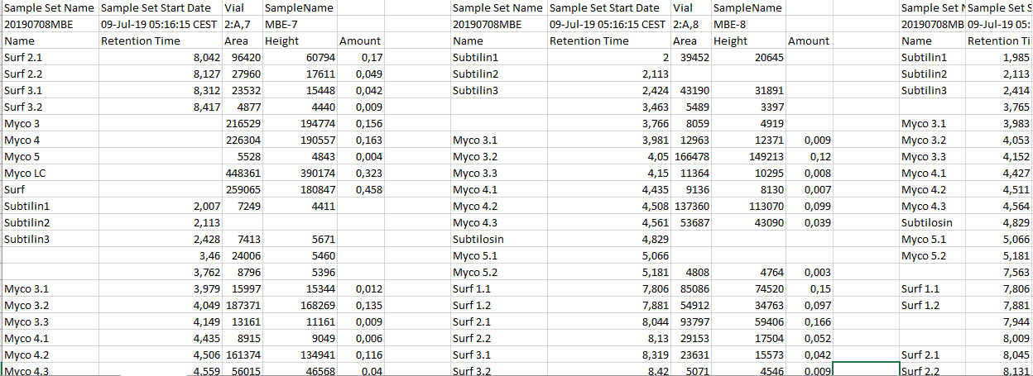
Choose your files

Outputs:
Macro will give you in the same folder an excel file called: “Output.xlsx”
- A tab “Raw Data” with the Raw data from each sample containing thus all the peaks.

- A tab “Results” with a simplified table giving for each sample the amount of the known peaks as well as Total LPP, %Myco, % C16, %C17, %C18.
Each sample will be called by its sample name (in this case, I gave it the name of the vial, but if you’ve called it “Yeepee1”, it will be written “Yeepee1”).

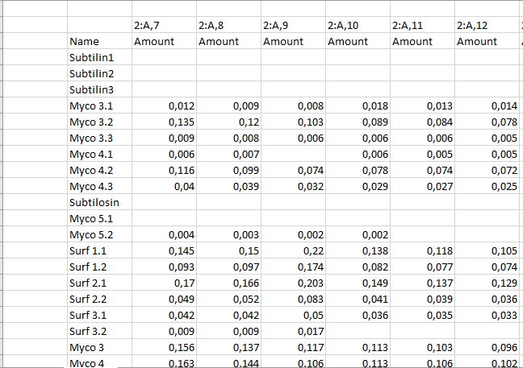

Subtilin Area has been added: xxxxxx.
Labbook Mel II p.59; 63

Macro can be found in XXXX.xlsm.

Word file: 190XXXX-XXXXX.docx

190723 - v2 => Subtilin Area was added to have a vague idea of the presence of subtilin.
190925 - v3 => Bug regarding the dilution factor has been corrected.
191001 - v4 => Bug present since the beginning has been corrected.cf. Labbook Mel II p.112.
200310 - v5 => Since spectra are described with more lines
200312 - v6 => big change since GVA has changed in February 2020 the description of the spectra.
200602 - v7 => debug. Subtilin was not sorting properly. This macro is lighter.

