Temp_Receipt

GLOBAL IT SOLUTIONS
MAIN ROAD
IN FRONT OF AAHAR KENDRA
Mobile: 9777971045 | Email: gitsngr@gmail.com
WARRANTY AND SERVICE REPORT
CUSTOMER ID: CUST0004
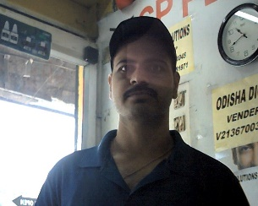
Name: | SAMBIT KUMAR BEHERA
Mobile: | 7789880571
Address: | PANDUSARA,

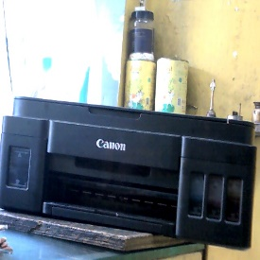
ENTRY ID: SER00003 | Date: 24-May-2026
Product: | INJET PRINTER |  | Company: | CANON
Model: | G2012 | Serial: | KPPT04651M
Problem: ERROR E03
ACCESSORIES: NO ACCESSORIES RECEIVED

Payment: No transactions found

Verified By: KUMUN KUMAR RAM (MANAGER)

TERMS & CONDITIONS
1. All goods once sold will not be taken back or exchanged.
2. Warranty is applicable as per company norms and service policy only.
3. Physical damage, burn, liquid damage, and tampering are not covered under warranty.
4. Service and repair will be done only at authorized service centers.
5. Company is not responsible for any data loss during repair or service.
6. Payment is due immediately at the time of delivery of product.
7. Late payment will attract interest @ 18% per annum.
8. All parts replaced during repair are subject to availability.

Customer Signature |  |  |  | Authorized Signature
 |  |  |  | For GLOBAL IT SOLUTIONS

*** Thank You for choosing US ***

