Farm
This spreadsheet will contain farm details relating to animal numbers and types and manure storage design
Variables/Parameters | Value | Description |  | Table A
1 | Feeder-finish | A code value (1 to 6) used to indicate the type of animal on farm (see table A) |  | Code | Type
2 | 6120 | Average number of animals on site on any typical operational day (number) |  | 1 | Farrow-wean
3 | WaterLoss_Coeff | Percentage value representing water loss from barn into manure system |  | 2 | Farrow-feeder
4 | 10999743.68,-94670.03997,130.7782628,-0.050682689,-2.18e-07 | Coefficients for use in the regression formula calculating occupied lagoon volume (in gallons) as a function of liquid surface depth from lagoon top (in inches), Table B |  | 3 | Farrow-finish
5 | 151254, -387.11 | Coefficients for use in the regression formula calculating lagoon liquid surface area (in square feet) as a function of liquid depth in lagoon (in inches), Table C |  | 4 | Wean-feeder
6 | 142.7942484,-1.65e-05,4.68e-13,-1.76e-20,3.89e-28 | Coefficients for use in the regression formula calculating occupied lagoon depth from top of lagoon (in inches) as a function of occupied lagoon volume (in gallons), Table D |  | 5 | Wean-finish
7 | 40 | Initial depth of liquid in the lagoon at the start of the simulation (in inches) |  | 6 | Feeder-finish
8 | 30 | liquid depth in the lagoon from the top (in inches) when irrigation MUST occur if it has not already been planned, See lagoon diagram
9 | 50.4 | liquid depth in the lagoon from the top (in inches) when irrigation MUST stop to preserve liquid in treatment volume, See lagoon diagram |  | Table B
10 | 12 | liquid depth in the lagoon from the top (in inches) when an alarm is raised to indicate violation and risk of flooding (typically at 18 inches), See lagoon diagram |  | V = f(d) | V = c_v0 + c_v1 * d + c_v2 * (d^2) + c_V3 * (d^3) + c_V4 * (d^4) | V: US Gal.
11 | 2.5 | Annual average concentration of nitrogen in the irrigated liquid in units of pound per 1,000 gallons | Lagoon_V_Coeffs_0 | c_vo = | 10999743.68 | d : inch
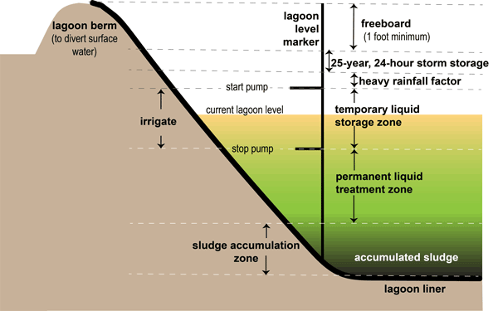
 |  |  | Lagoon_V_Coeffs_1 | c_v1 = | -94670.03997
 |  |  | Lagoon_V_Coeffs_2 | c_v2= | 130.7782628
 |  |  | Lagoon_V_Coeffs_3 | c_v3 = | -0.050682689
 |  |  | Lagoon_V_Coeffs_4 | c_v4 = | -2.18E-07

 |  |  |  | Table C
 |  |  |  | A = f(d) | A = c_A0 + c_A1*d
 |  |  | Lagoon_A_coeffs_0 | c_A0= | 151165.2
 |  |  | Lagoon_A_coeffs_1 | c_A1= | -384.9

 |  |  |  | Table D
 |  |  |  | d = f(V) | d = c_d0 + c_d1 * V + c_d2 * (V^2) + c_d3 * (V^3)+c_d4*(V^4) | d : inch
 |  |  | Lagoon_d_Coeffs_0 | c_do = | 142.7942484 | V: US Gal.
 |  |  | Lagoon_d_Coeffs_1 | c_d1 = | -1.65E-05
 |  |  | Lagoon_d_Coeffs_2 | c_d2= | 4.68E-13
 |  |  | Lagoon_d_Coeffs_2 | c_d3= | -1.76E-20
 |  |  | Lagoon_d_Coeffs_3 | c_d4 | 3.89E-28

