Registration
Registration Screen
Test Case Id | Purpose | Prerequisite | Test Data | Steps | Priority | Result | Kashyap Test Result | StarpathIT Review comments on test results. 03/07/2009

1 | Registration form has no heading. | Any user should be able to open the Registration page. | NA | 1.Enter the application. 2.Click on Login link. 3. Click on the link Register. 4. There is no heading for the page. | Medium | Pass
2 | Too much empty space below the Registration space. | Any user should be able to open the Registration page. | NA | 1.Enter the application. 2.Click on Login link. 3. Click on the link Register. 4. There is too much empty space below the Registration form. | Medium | Pass
3 | There should not spelling mistakes in the form field. | Any user should be able to open the Registration page. | NA | 1.Enter the application. 2.Click on Login link. 3. Click on the link Register. 4. Form fields - "Secority Code::" spell incorrectly. 5.There should be no extra colon here. 6. "zip" should be "Zip Code". | Low | Fail
4 | The letters in the Security code message should be more clear. | Any user should be able to open the Registration page. | NA | 1.Enter the application. 2.Click on Login link. 3. Click on the link Register. 4. Security Code image must be clear. | Medium | Pass
5 | The background in the Security code message can be more plain. | Any user should be able to open the Registration page. | NA | 1.Enter the application. 2.Click on Login link. 3. Click on the link Register. 4. Security Code image background can be plain to make the code more visible. | Low | Suggestion
6 | Correcting error messages is leading to white empty space below the form. | Any user should be able to open the Registration page. | NA | 1. Enter the application. 2. Click on Login link. 3. Click on the link Register. 4. Enter some data in all the fields. 5. Enter invalid data in Email field. 6. Error message will be displayed. 7. Correct the data in the Email field. 8. There is a big white space below the form and a big scrollbar . Check the screenshot. | High | Fail
7 | Misspelled error messages should not be there. | Any user should be able to open the Registration page. | NA | 1. Enter the application. 2. Click on Login link. 3. Click on the link Register. 4. Press Submit. 5. Few error messages are misspelled. 6. No full stops. 7. Error messages are not sentence cased. | Medium | Fail
8 | Security code is also a required field. | Any user should be able to open the Registration page. | NA | 1. Enter the application. 2. Click on Login link. 3. Click on the link Register. 4. Press Submit. 5. Required field validation is there for all fields except Security code. | Medium | Fail
9 | Error messages can appear beside the fields instead of below the form or below each field. | Any user should be able to open the Registration page. | NA | 1. Enter the application. 2. Click on Login link. 3. Click on the link Register. 4. Press Submit. 5. Error messages appear below the form or below each and every field. | Low | Suggestion
10 | The submit and cancel buttons should be aligned right below the form fields. | Any user should be able to open the Registration page. | NA | 1. Enter the application. 2. Click on Login link. 3. Click on the link Register. 4. Check for the Submit and Cancel button positions. | Low | Fail
11 | Incorrect error message for Phone Number field. | Any user should be able to open the Registration page. | NA | 1. Enter the application. 2. Click on Login link. 3. Click on the link Register. 4. Press Submit. 5. "password required" is displayed for Phone Number field. | Medium | Pass
12 | Only numbers should be allowed in Phone Number, ZipCode fields. | Any user should be able to open the Registration page. | NA | 1. Enter the application. 2. Click on Login link. 3. Click on the link Register. 4. Enter alphabets,special chars in Phone Number , Zip Code fields. | Medium | Fail
13 | The form fields should be done all the necessary validations. | Any user should be able to open the Registration page. | NA | 1. Enter the application. 2. Click on Login link. 3. Click on the link Register. 4. Many validations other than "Required " field validations are missing. Instead a big empty white space with a scroll bar is shown. | High | Fail
14 | After successfully registering, the user should present a message about the successful registration. | Any user should be able to open the Registration page. | NA | 1. Enter the application. 2. Click on Login link. 3. Click on the link Register. 4. Enter valid data and press submit. 5. User is directed to an empty page with no message. | High | Fail
15 | After the user activates the account the user should be lead to the home page. | Any user should be able to open the Registration page. | NA | 1. Enter the application. 2. Click on Login link. 3. Click on the link Register. 4. Register with and activate the account. 5. User is shown this page. | High | Fail | 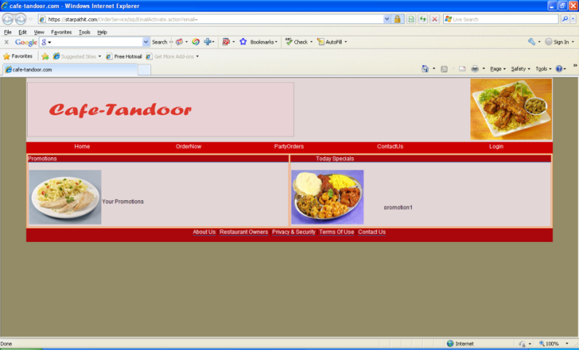
16 | The user should be able to login after activating the account. | Any user should be able to open the Registration page. | NA | 1. Enter the application. 2. Click on Login link. 3. Click on the link Register. 4. Register with and activate the account. 5. User is shown this page. 6. If the user tries to login, it again says the account is not activated. | High
17 | Function - Account info |  |  | 1. Click on "Order Online" 2. Click on each menu option and each sub-menu 3. Add items to cart, click "Checkout" 4. Enter phone number | High | Fail Accepts single digit Set up to accept 10 digit configuration alone. |  | Registration form validation should fix all these issues.
18 | Function - Account info |  |  | 1. Click on "Order Online" 2. Click on each menu option and each sub-menu 3. Add items to cart, click "Checkout" 4. Enter state | High | Fail Accepts single character. Code to accept 2 char alpha entry alone |  | Registration form validation should fix all these issues.
19 | Check functionality of each field under Registration | 1. Click on "Login" 2. Click on Registration - should open window |  | 7. Test entering same and different password in field "Confirm Password" | Fail Accepts different password. Accepts character length less than that of password. | High |  | Proper Registration form validation should fix all these issues.
20 | Check functionality of each field under Registration | 1. Click on "Login" 2. Click on Registration - should open window |  | Enter data in all the fields. Click on "Cancel" Screen should default to Home page | Pass
21 | GUI - Display | 1. Click on "Login" 2. Click on Registration - should open window |  | 1. Enter wrong security code | Fail Error message "Security code is incorrect" is partly cutoff at lower bottom. Move up or next to security code field. | Med |  | This is to be fixed.
22 | GUI - Display | 1. Click on "Login" 2. Click on Registration - should open window |  | Registration page should have a field for Username that ties to the username on the Login, Forgot Password page. If email address is Username, it should say "Email / Username" on registration page | Fail | High |  | In the login dialog, change the 'Username' to 'Email'

