2안

복지플랫폼 | https://welfare.korcham.net/main/index
블로그 | https://blog.naver.com/kcciwelfare
인스타그램 | https://www.instagram.com/kcciwelfare/

메인 | 이벤트페이지 url

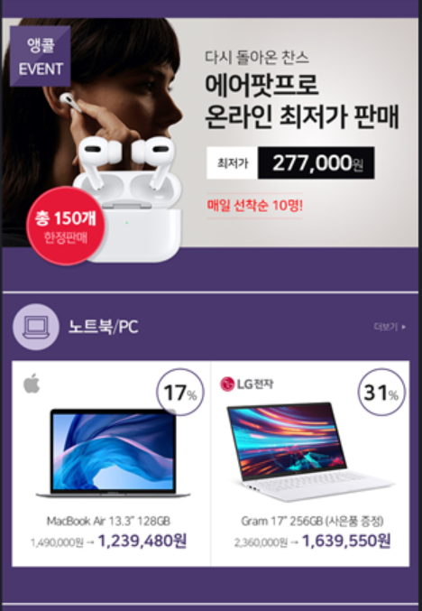

에어팟프로 | https://welfare.korcham.net/goods/catalog?category=c00050001#p24

더보기 | https://welfare.korcham.net/goods/catalog?category=c00050001#p24
맥북에어 | https://welfare.korcham.net/goods/catalog?category=c00050001#p24
그램 | https://welfare.korcham.net/goods/catalog?category=c00050001#p24

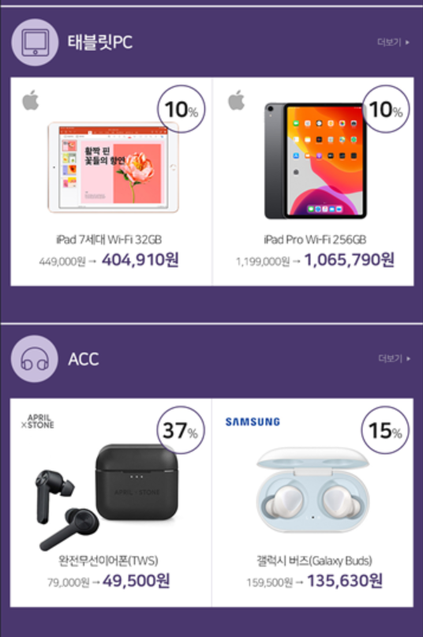
더보기 | https://welfare.korcham.net/goods/catalog?category=c00050001#p24
아이패드 | https://welfare.korcham.net/goods/catalog?category=c00050001#p24
아이패드프로 | https://welfare.korcham.net/goods/catalog?category=c00050001#p24

더보기 | https://welfare.korcham.net/goods/catalog?category=c00050001#p24
에이프릴스톤 | https://welfare.korcham.net/goods/catalog?category=c00050001#p24
갤럭시버즈 | https://welfare.korcham.net/goods/catalog?category=c00050001#p24

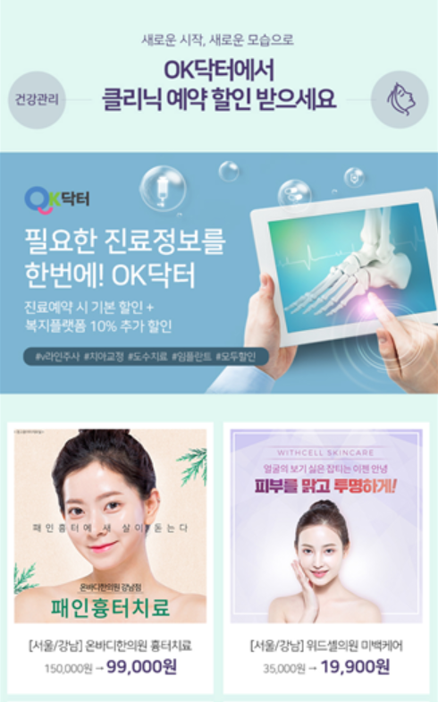

오케이닥터 | http://korcham.firstmall.kr/goods/catalog?category=c0002#p33

흉터치료 | http://korcham.firstmall.kr/goods/catalog?category=c0002#p33
미백케어 | http://korcham.firstmall.kr/goods/catalog?category=c0002#p33

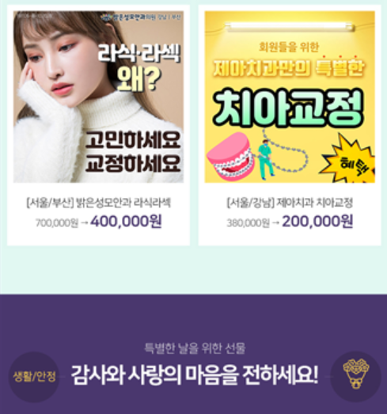
라식라섹 | http://korcham.firstmall.kr/goods/catalog?category=c0002#p33
치아교정 | http://korcham.firstmall.kr/goods/catalog?category=c0002#p33

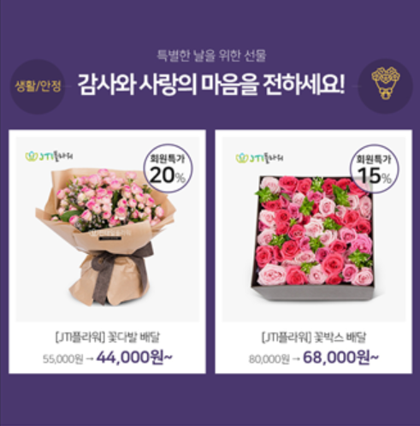

꽃다박 | https://welfare.korcham.net/goods/catalog?category=c0004#p13
꽃박스 | https://welfare.korcham.net/goods/catalog?category=c0004#p13

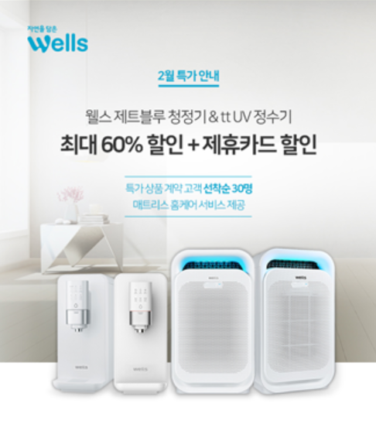
웰스 특가 | https://welfare.korcham.net/goods/catalog?category=c0004#p14

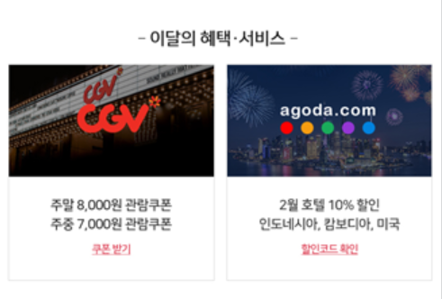

cgv | https://welfare.korcham.net/goods/catalog?category=c0003#p19
아고다 | https://welfare.korcham.net/goods/catalog?category=c0001#p20

