Info
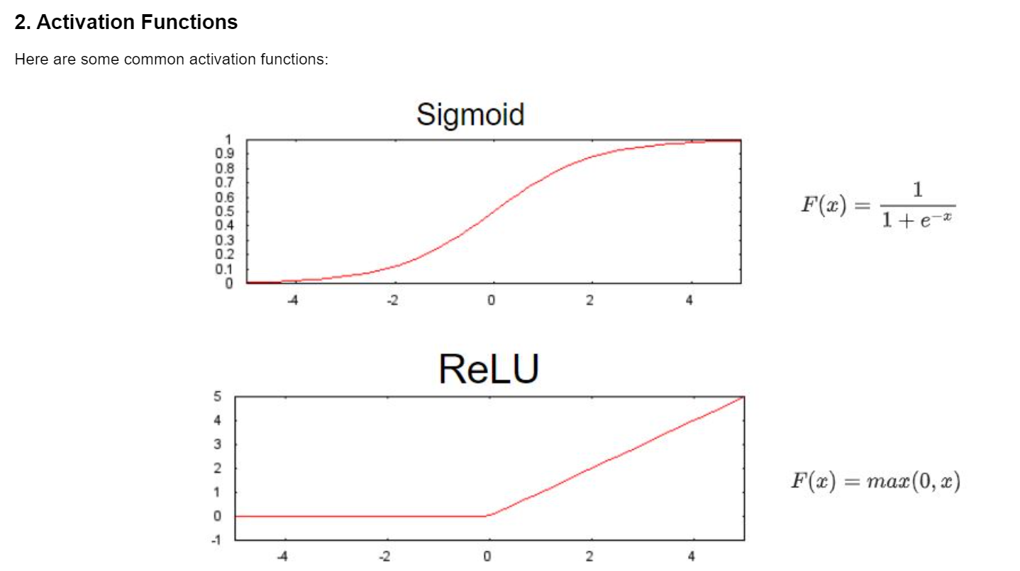
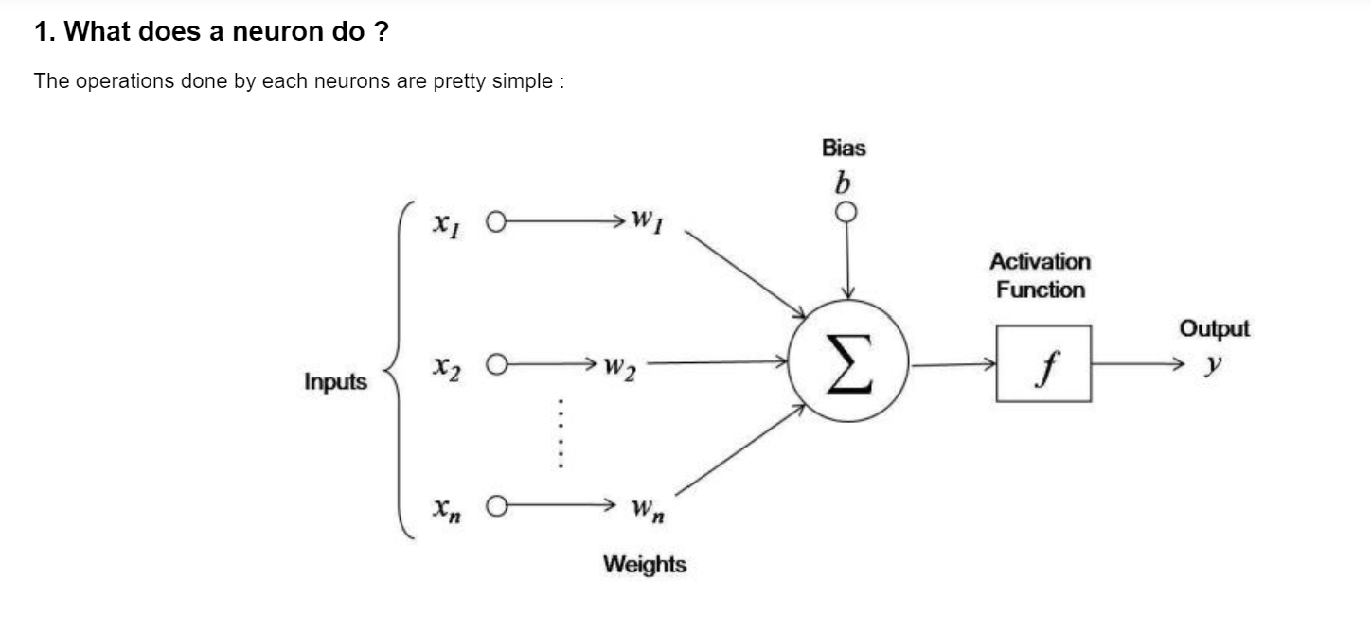

Fwd
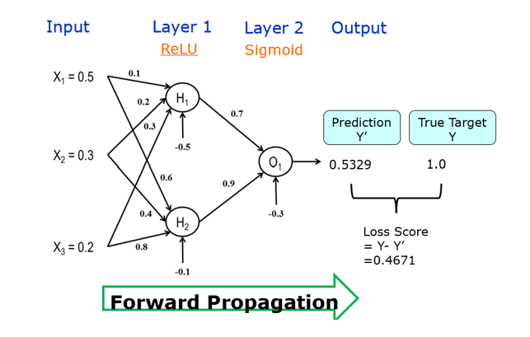
 | Neuron H1
Xi | Weight (Wj) | XiWj
0.5 | 0.1 | 0.05
0.3 | 0.2 | 0.06
0.2 | 0.3 | 0.06
0 | 0 | 0
0 | 0 | 0
-0.5 | Bias | -0.5 |  | Neuron O1
 | Sum of Weight | -0.33 | Xi | Weight (Wj) | XiWj
 | Neuron Output | 0 | 0 | 0.7 | 0
 |  |  | 0.48 | 0.9 | 0.432
 | Neuron H2 |  | 0 | 0 | 0
Xi | Weight (Wj) | XiWj | 0 | 0 | 0
0.5 | 0.6 | 0.3 | 0 | 0 | 0
0.3 | 0.4 | 0.12 | -0.3 | Bias | -0.3
0.2 | 0.8 | 0.16 |  | Sum of Weight | 0.132
0 | 0 | 0 |  | Neuron Output | 0.53295216734
0 | 0 | 0
-0.1 | Bias | -0.1
 | Sum of Weight | 0.48
 | Neuron Output | 0.48

Bwd
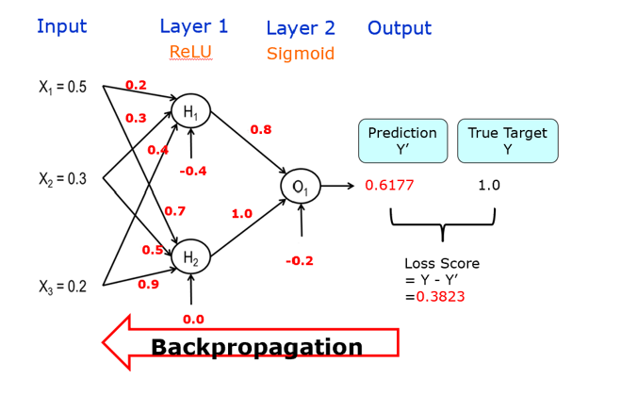
 | Neuron H1
Xi | Weight (Wj) | XiWj
0.5 | 0.2 | 0.1
0.3 | 0.3 | 0.09
0.2 | 0.4 | 0.08
0 | 0 | 0
0 | 0 | 0
-0.4 | Bias | -0.4 |  | Neuron O1
 | Sum of Weight | -0.13 | Xi | Weight (Wj) | XiWj
 | Neuron Output | 0 | 0 | 0.8 | 0
 |  |  | 0.68 | 1 | 0.68
 | Neuron H2 |  | 0 | 0 | 0
Xi | Weight (Wj) | XiWj | 0 | 0 | 0
0.5 | 0.7 | 0.35 | 0 | 0 | 0
0.3 | 0.5 | 0.15 | -0.2 | Bias | -0.2
0.2 | 0.9 | 0.18 |  | Sum of Weight | 0.48
0 | 0 | 0 |  | Neuron Output | 0.61774787477
0 | 0 | 0
0 | Bias | 0
 | Sum of Weight | 0.68
 | Neuron Output | 0.68

