Sheet1
Table Overview | 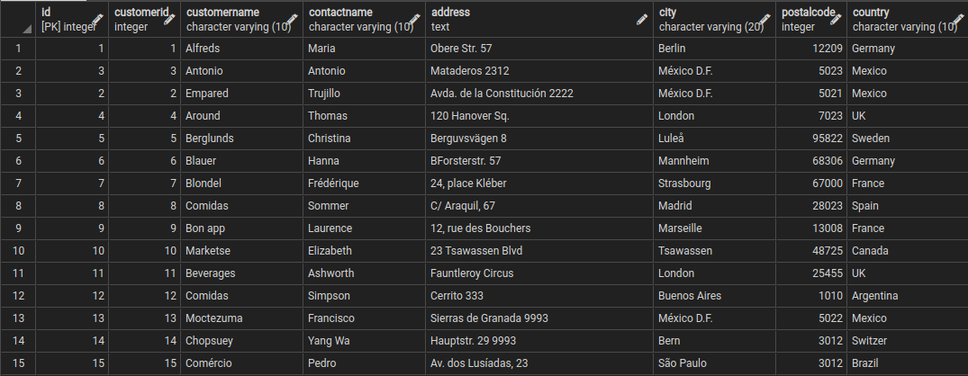 | 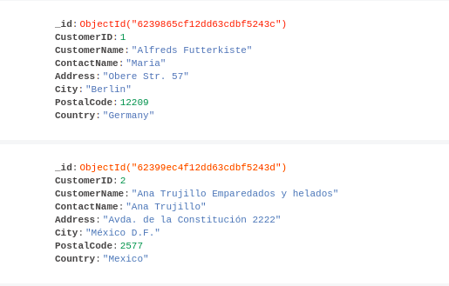
Query Details | SQL [Postgres] | NoSQL [Mongo]
Create DB | create database db_name | use db_name
Delete DB | drop database db_name | db.dropDatabase()
Show List of DB | \l | show dbs
Connect with DB | \c db_name | use db_name
List of Schema | \dn or \dn+ | NA
List of Tables/Collections | \dt | db.getCollectionNames()
Create Table/Collection | create table customer( id serial primary key, CustomerID integer, CustomerName varchar(10), ContactName varchar(10), Address text, City varchar(20), PostalCode integer, Country varchar(10) ); | db.createCollection("customer")
Insert Row/Document | INSERT INTO public.customer( customerid, customername, contactname, address, city, postalcode, country )VALUES (1, 'Alfreds', 'Maria', 'Obere Str. 57', 'Berlin', 12209, 'Germany'); | db.customer.insertOne({ CustomerID: 1, CustomerName: "Alfreds Futterkiste", ContactName: "Maria", Address: "Obere Str. 57", City: "Berlin", PostalCode: 12209, Country: "Germany" })
List of all Row/Document | SELECT * FROM public.customer; | db.customer.find().pretty()
Display Selective Column/Fields | SELECT customername, address FROM public.customer; | db.customer.find({}, {_id:0, CustomerName:1, Address:1}).pretty()
DISTINCT | select DISTINCT country from customer; | db.customer.distinct("Country")
Where, <=, Between, OR, != | select * from public.customer where country='UK'; | db.customer.find( {Country: 'UK'}).pretty()
 | select * from public.customer where customerid<=2; | db.customer.find({CustomerID: {$lte: 2}}).pretty()
 | select * from public.customer where customerid between 5 and 7; | db.customer.find({CustomerID: {$gte: 5, $lte: 7}}).pretty()
 | select * from public.customer where customerid in (4,5); | db.customer.find({CustomerID: {$in: [4,5]}}).pretty()
 | select * from public.customer where country='Germany' and city='Berlin'; | db.customer.find({Country: 'Germany', City: 'Berlin'}).pretty()
 | select * from public.customer where country='Germany' or country='Spain'; | db.customer.find({$or: [{Country: 'Germany', Country: 'Spain'}]}).pretty()
 | select * from public.customer where country!='Germany'; | db.customer.find({Country: {$ne: 'Germany'}}).pretty()
Order By | select * from public.customer order by country ASC, customername DESC; | db.customer.find({}).sort({Country: 1, CustomerName: -1}).pretty()
NULL | select * from public.customer where phone is Null; | db.customer.find({'phone': null}).pretty()
Update | update public.customer set customername='Kuntal', contactname='God' where customerid=1; | db.customer.update({CustomerID: 1}, {$set: {CustomerName: 'Kuntal', ContactName: 'God'}})
Delete | delete from public.customer where contactname='Hanna'; | db.customer.remove({ContactName: 'Hanna Moos'})
2nd Highest | select * from public.customer order by customerid ASC offset 1 limit 1; | db.customer.find().sort({'CustomerID': 1}).skip(1).limit(1).pretty()
Max Value | select max(customerid) from public.customer; | db.customer.find().sort({'CustomerID': -1}).limit(1).pretty()
Like | select * from public.customer where contactname like '%li%'; | db.customer.find({ContactName: /li/})
 | select * from public.customer where contactname like '%eb'; | db.customer.find({ContactName: /eb$/})
 | select * from public.customer where contactname like 'Ot%'; | db.customer.find({ContactName: /^Ot/})
 | select * from public.customer where lower(contactname) like 'ot%'; | db.customer.find({ContactName: {$regex: /^ot/, $options: 'i'}})
Group By | select count(customerid), country from public.customer group by country; | db.customer.aggregate([{$group: {_id: '$Country', count_val: {$sum: 1}}}])
 | select max(customerid), country from public.customer group by country; | db.customer.aggregate([{$group: {_id: '$Country', max_val: {$max: '$CustomerID'}}}])
 | SELECT COUNT(CustomerID), Country FROM Customers GROUP BY Country HAVING COUNT(CustomerID) > 5;

