Titanxgaming_MYR
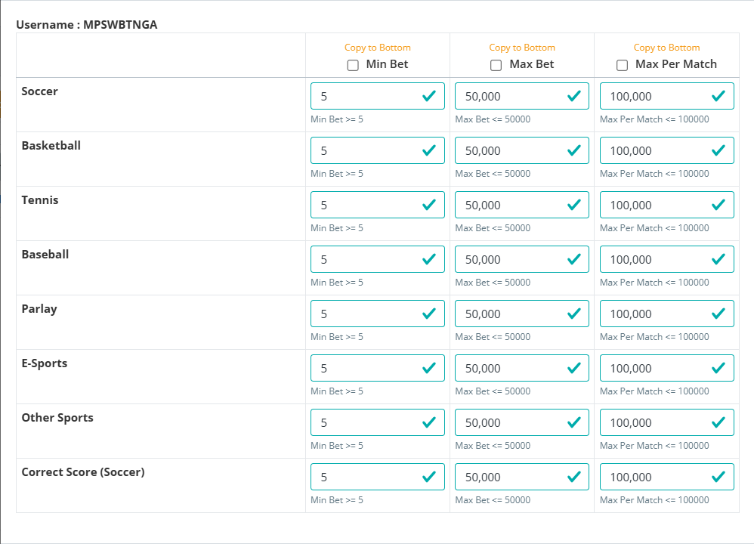
Production API URL : | https://wapicall.com
Live - Operator platform : | https://galactictiger68.com/login
Operatoid : | mpswbtnga
Password : | iGdVT64BM7
Secretkey : | 599C9BD34CFF44D0A8C2CCB365B829F0
Suffix : | _ttgm
Account Balance : | 1,000,000,000.00
IP Whitelisted : | 43.217.146.213

Transfer Method : | Fund Transfer
Offical Website : | www.titanxgaming.com

Master_Sub
Platform : | https://galactictiger68.com/login
Currency : | MYR
Operatoid : | mpswbtn@001
Password : | 3R4J6o3CE5
Account Balance : | 0.00

Master_Sub_Report
Platform : | https://galactictiger68.com/login
Currency : | MYR
Operatoid : | mpswbtn@002
Password : | 440902fBVs
Account Balance : | 0.00

Master_Sub_Report
Platform : | https://galactictiger68.com/login
Currency : | MYR
Operatoid : | mpswbtn@003
Password : | 1o04KM1RRO
Account Balance : | 0.00

