how to this file is made
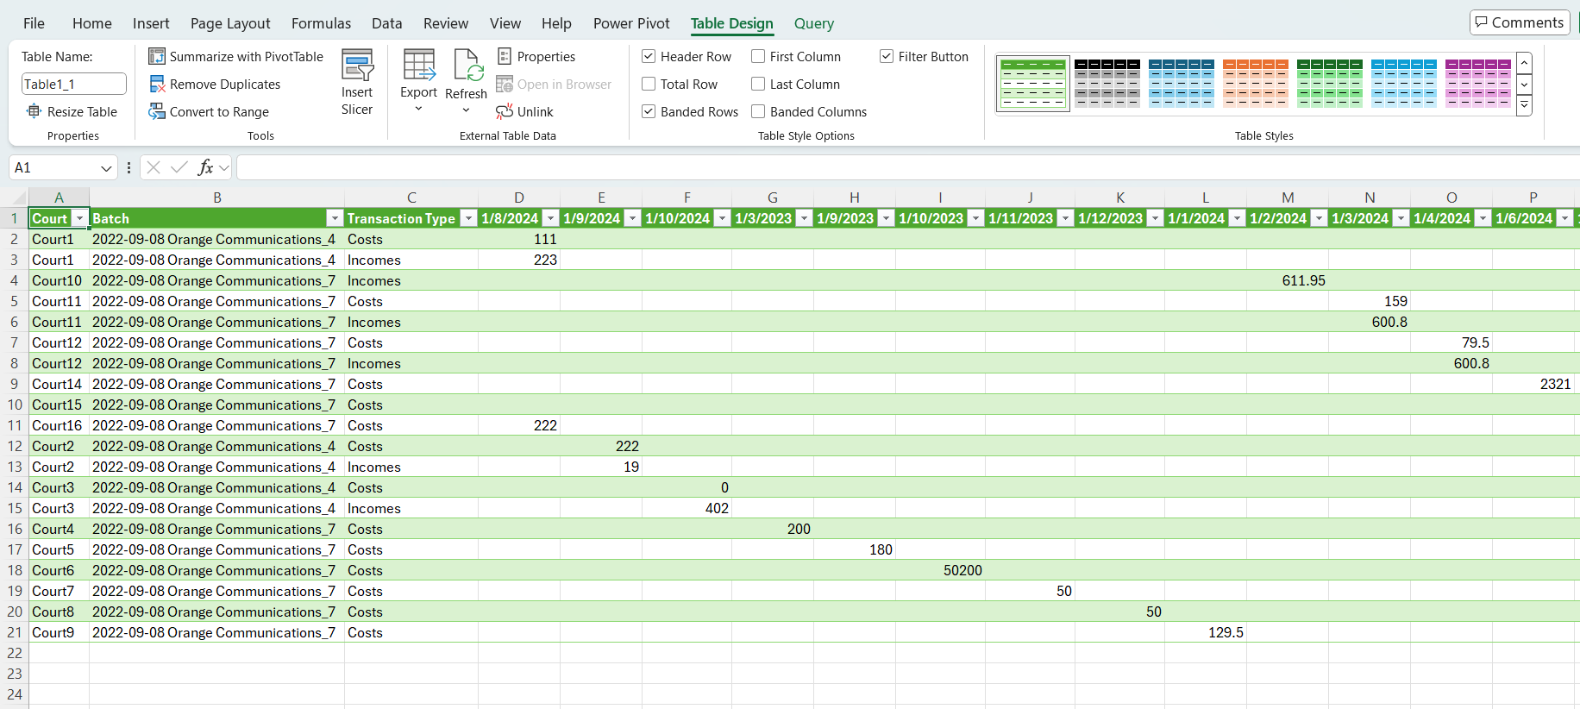
How to update data

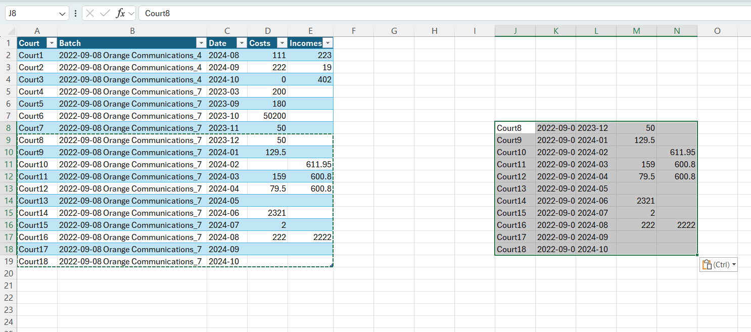
Step 1: Copy the data in the same format

Step 2: paste value only
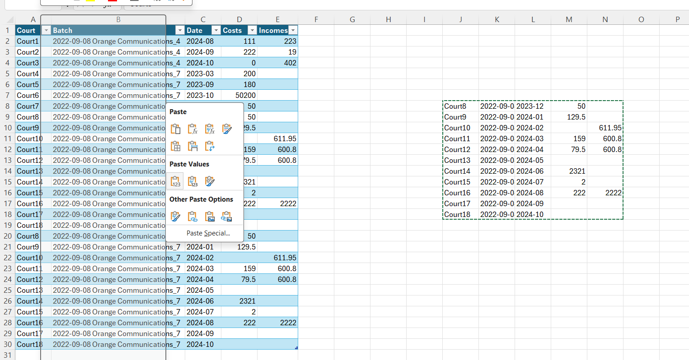

Step 3: Click Table Design > External Data > Refresh

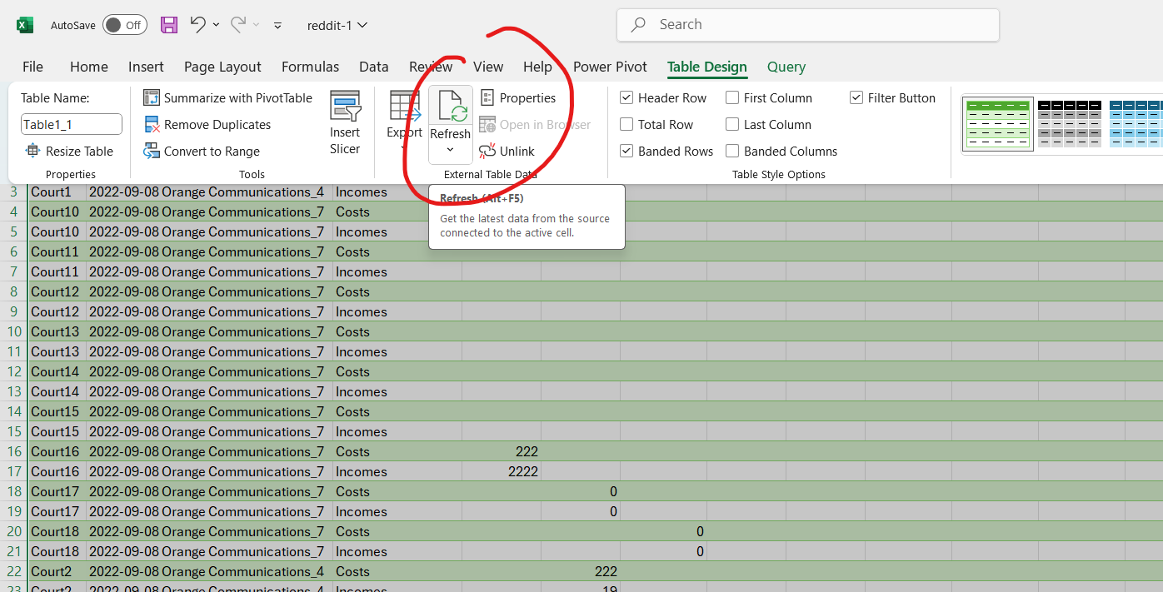

Step 4: Finish

How this file is prepared

Step 1: Select all the data and convert into table (ctrl+t)
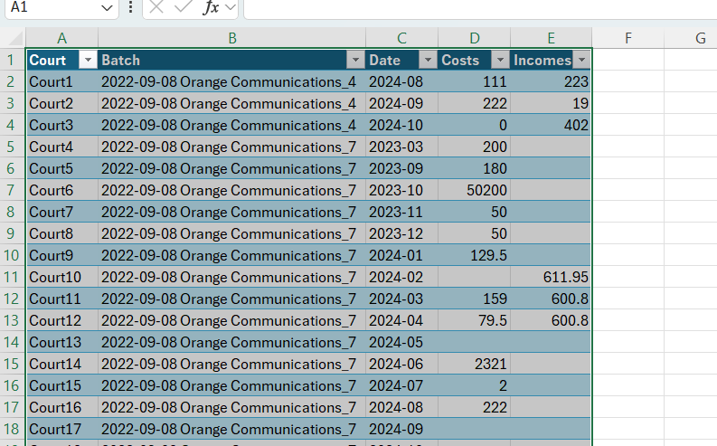

Step 2: Click anywhere on the table and go to Data > Get & Transform Data > Form Table/Range to load this data into Power Query
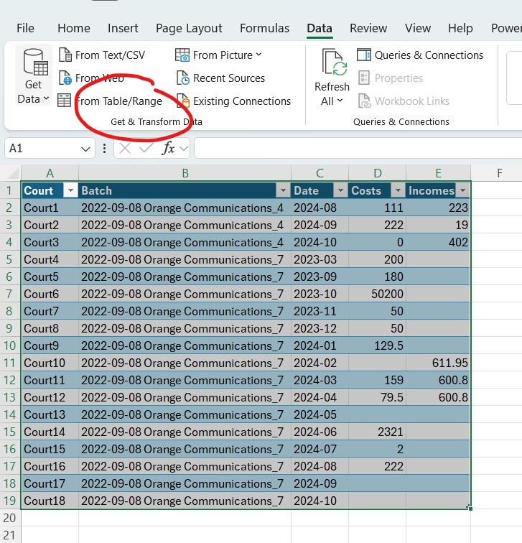

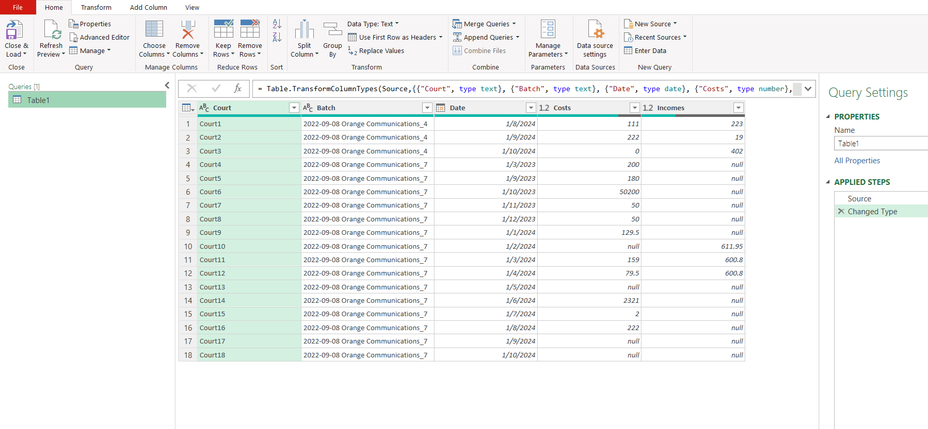

Step 3: Select the Cost and Incomes fields, Click Transform > Any Column > Unpivot Column
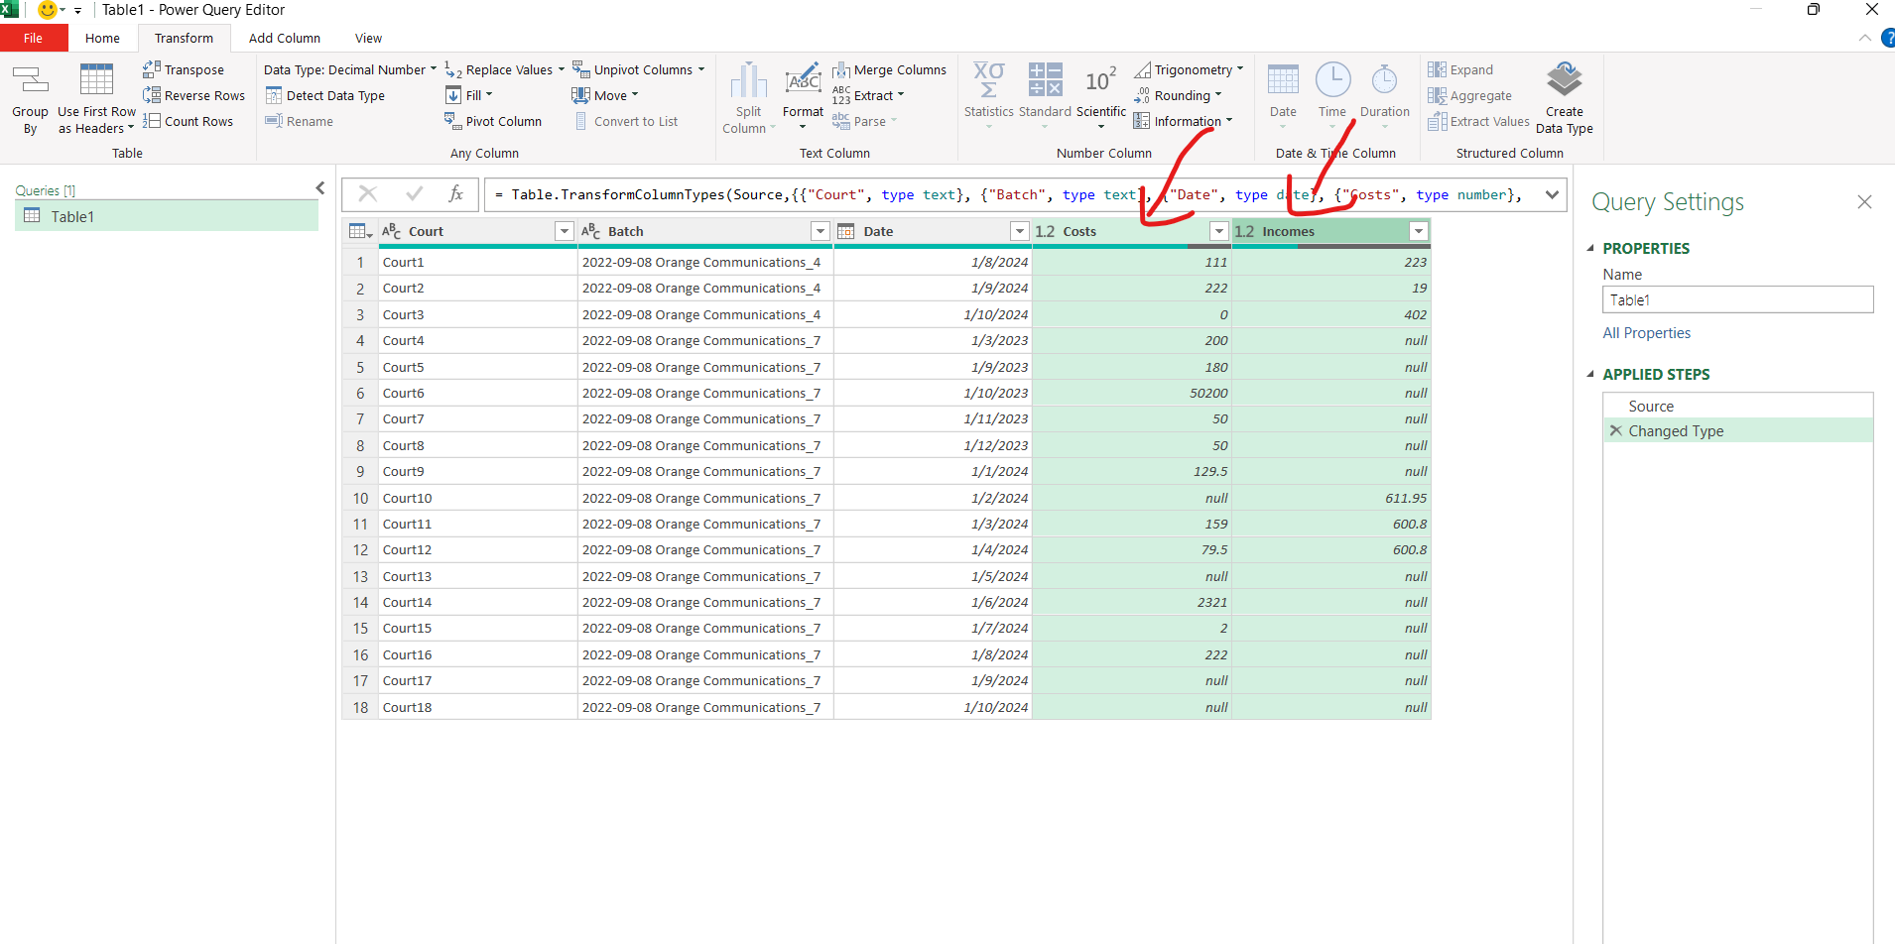

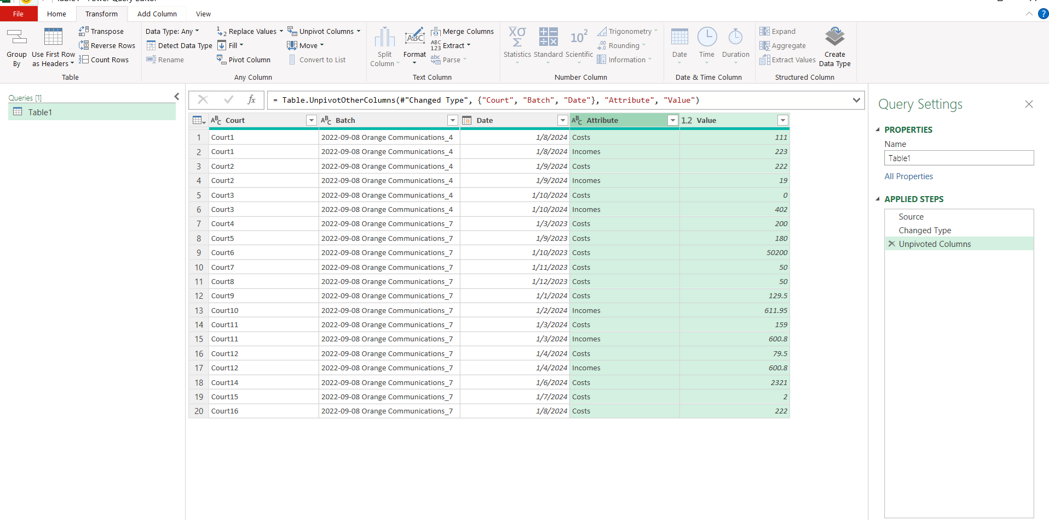

Step 4: Select the Date fields, Click Transform > Any Column > Pivot Column, Choose Value Column from the previous step as your value column, you have the option where to aggregate the data under Advanced options, if you don’t then they remain 1 row per data point
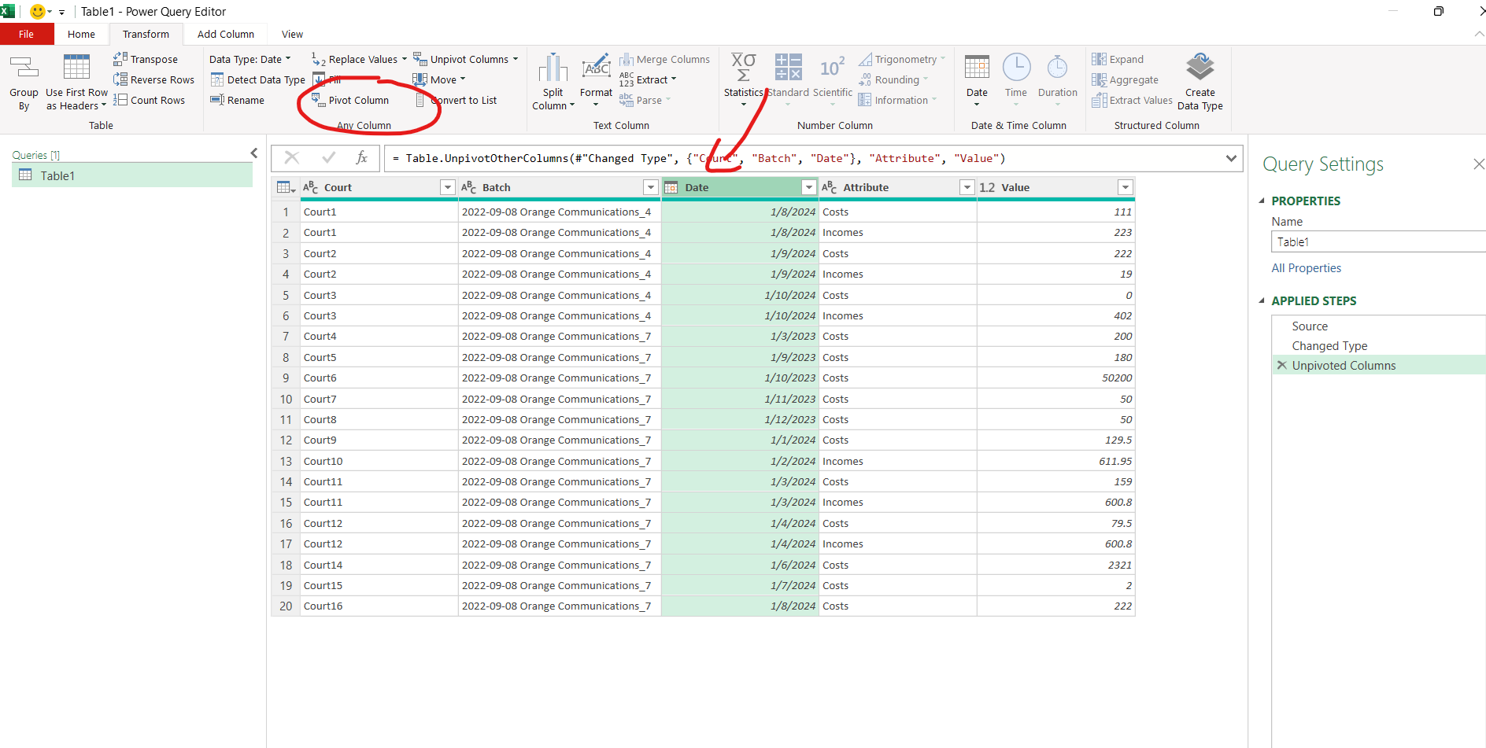

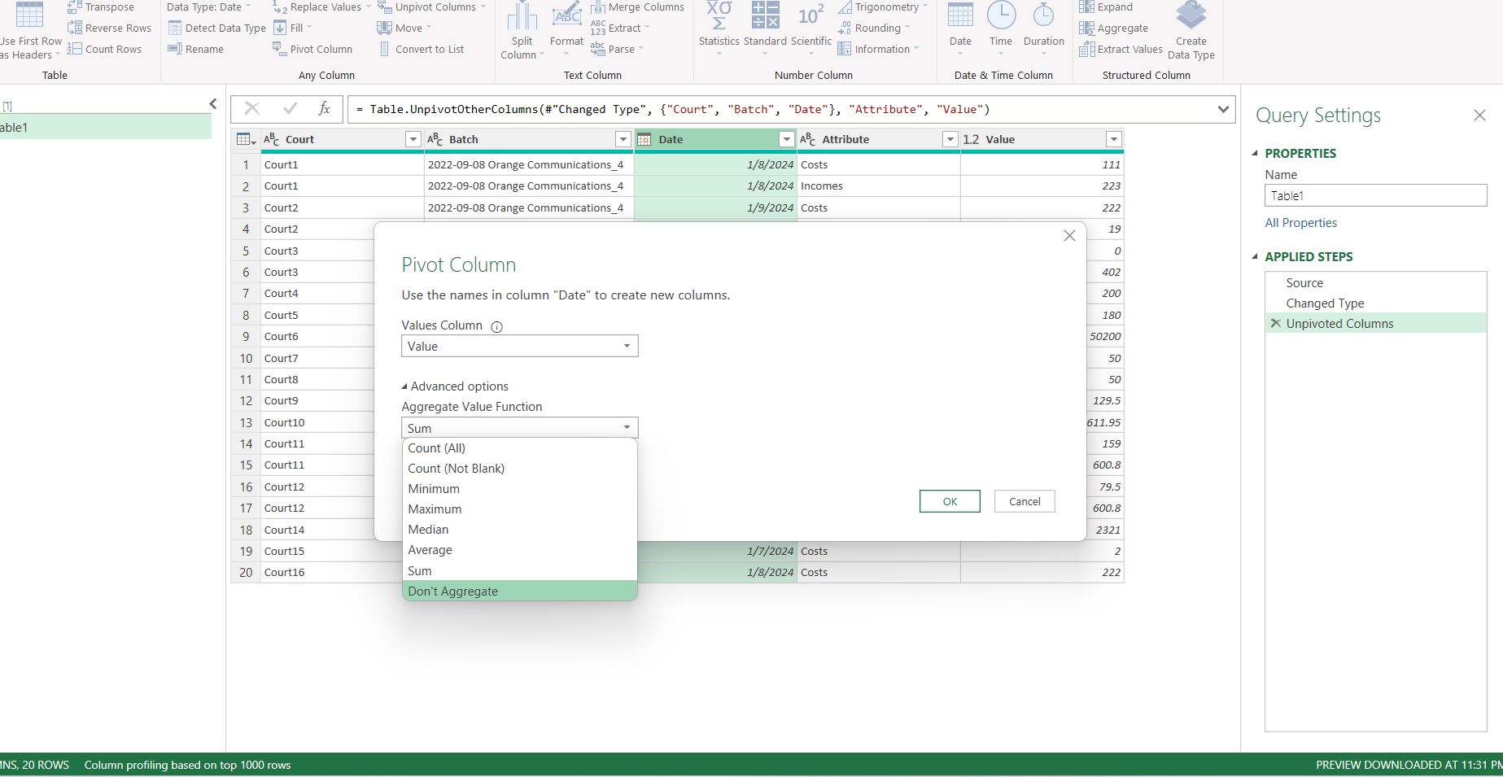

Step 5: rename the field so it's easier to understand
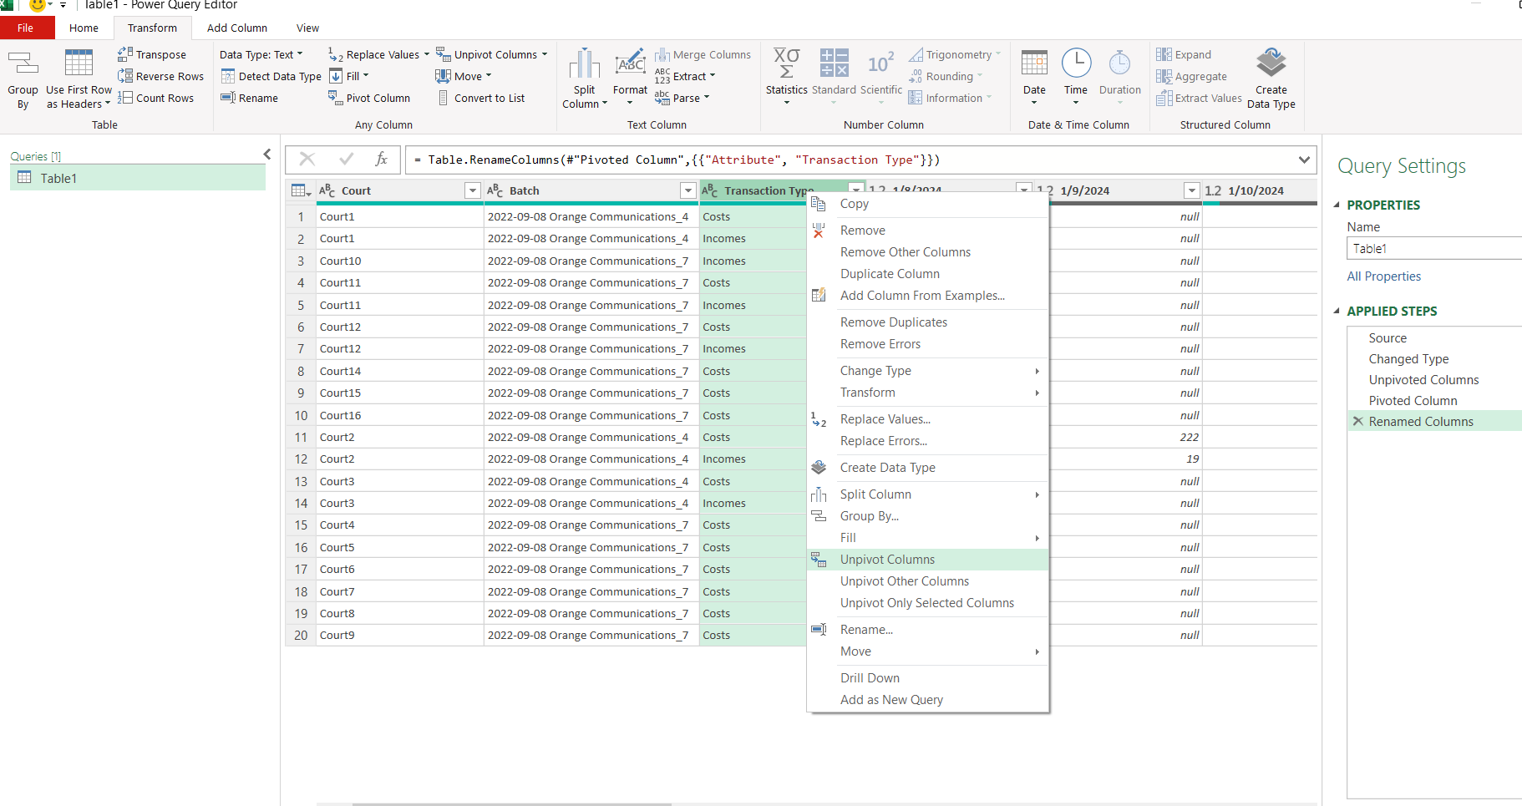

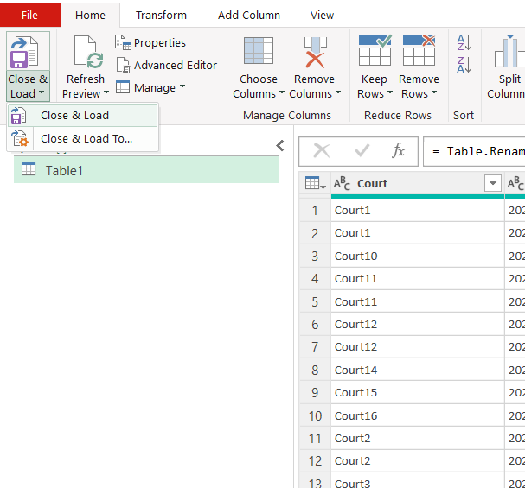
Step 6: Close & Load

