Sheet1
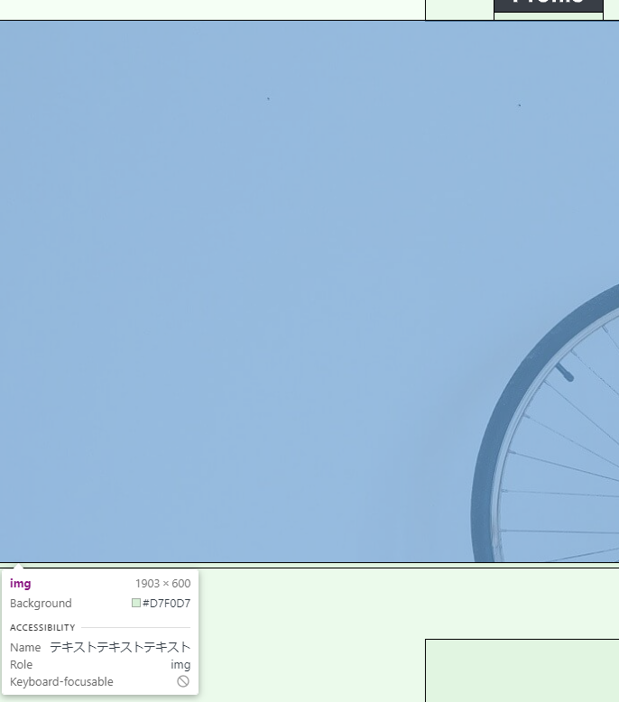
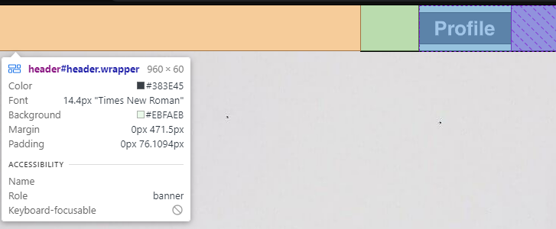
 |  |  |  |  | width | height
 |  |  |  | header | 960 | 60
Profile |  | about | bicycle | img | 1903 | 600
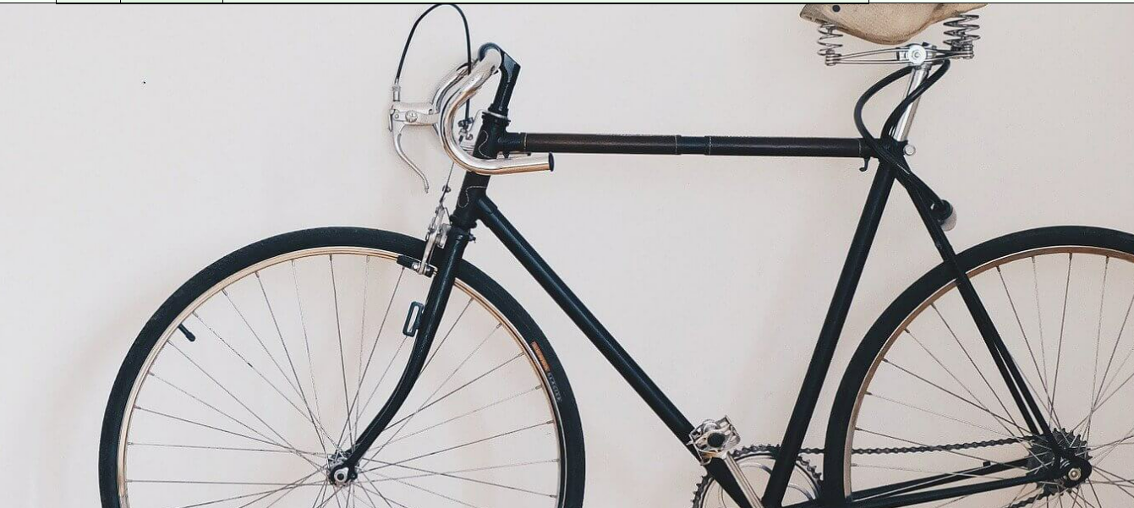

 | img

 | About

 | Bicycle

