calculations
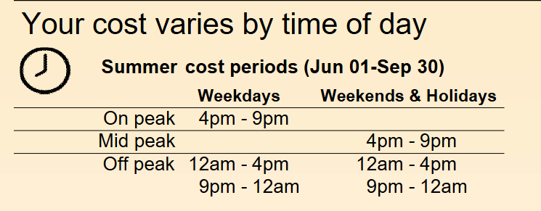
 | SUMMER

fixed charges |  | Consumption | Hours Classification |  | electric_energy_on_peak | electric_energy_mid_peak | electric_energy_off_peak | electric_energy_super_off_peak | Demand
 | 894.1 |  | 1 | Off-peak | 0 | 0 | 1 | 0 |  | Baseline (Rel-Demand) | 14.98
 |  |  | 2 | Off-peak | 0 | 0 | 1 | 0 |  | Baseline (PRIME) | 22.64
 |  |  | 3 | Off-peak | 0 | 0 | 1 | 0
 |  |  | 4 | Off-peak | 0 | 0 | 1 | 0 |  | Total | 37.62
 |  |  | 5 | Off-peak | 0 | 0 | 1 | 0
 |  |  | 6 | Off-peak | 0 | 0 | 1 | 0 |  | On-Peak Adder | 12.11
 |  |  | 7 | Off-peak | 0 | 0 | 1 | 0
 |  |  | 8 | Off-peak | 0 | 0 | 1 | 0
 |  |  | 9 | Off-peak | 0 | 0 | 1 | 0
 |  |  | 10 | Off-peak | 0 | 0 | 1 | 0
 |  |  | 11 | Off-peak | 0 | 0 | 1 | 0
 |  |  | 12 | Off-peak | 0 | 0 | 1 | 0
 |  |  | 13 | Off-peak | 0 | 0 | 1 | 0
 |  |  | 14 | Off-peak | 0 | 0 | 1 | 0
 |  |  | 15 | Off-peak | 0 | 0 | 1 | 0
 |  |  | 16 | Off-peak | 0 | 0 | 1 | 0
 |  |  | 17 | On-peak | 1 | 0 | 0 | 0
 |  |  | 18 | On-peak | 1 | 0 | 0 | 0
 |  |  | 19 | On-peak | 1 | 0 | 0 | 0
 |  |  | 20 | On-peak | 1 | 0 | 0 | 0
 |  |  | 21 | On-peak | 1 | 0 | 0 | 0
 |  |  | 22 | Off-peak | 0 | 0 | 1 | 0
 |  |  | 23 | Off-peak | 0 | 0 | 1 | 0
 |  |  | 24 | Off-peak | 0 | 0 | 1 | 0

 |  |  | Month Rate
 |  |  | August | SEC | 0.03427 | 0.03427 | 0.03427 | 0
 |  |  |  | PRIME | 0.06473 | 0.05649 | 0.02975 | 0
 |  |  |  | Extra Charges | 0.02714 | 0.02714 | 0.02714 | 0

 |  |  |  | SUM | 0.099 | 0.09076 | 0.06402 | 0

