Hárok1
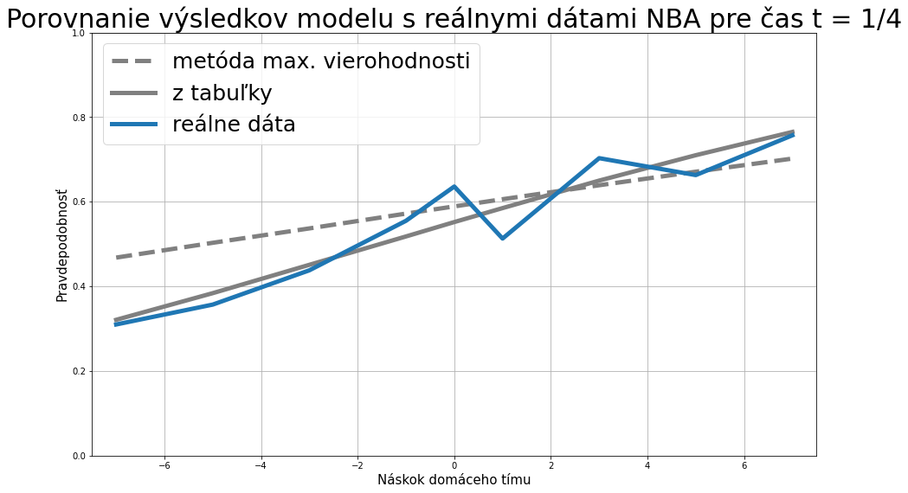
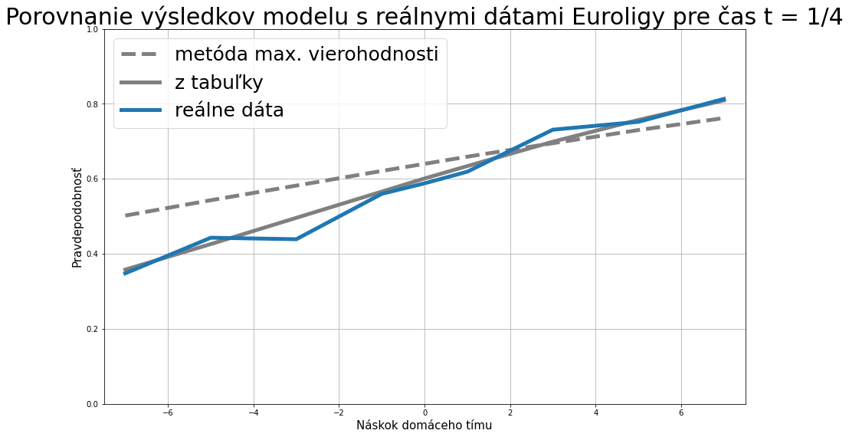
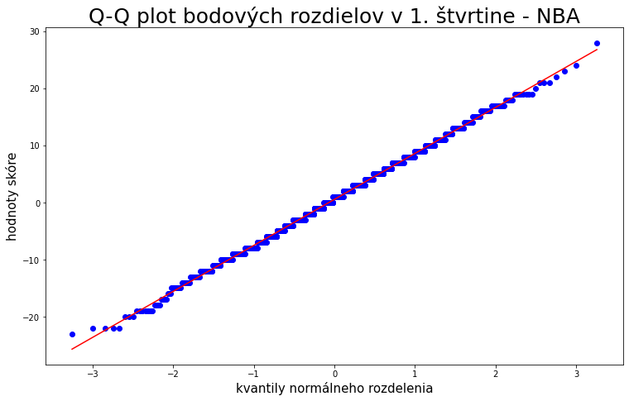
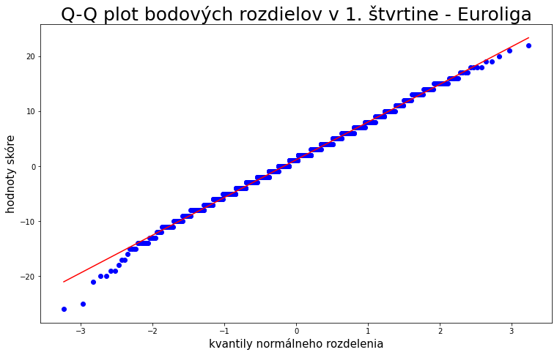
PTS diff - NBA |  |  |  | STATS - NBA |  |  | NBA |  |  |  |  | mí = 2,04; sigma = 13,612 - NBAexpected |  |  |  |  |  |  |  |  |  | mí = 3,84; sigma = 13,04 - EUROLIGAexpected |  |  |  |  |  |  |  |  |  | model (hore) vs reálne dáta (dole) - NBA |  |  |  |  |  |  |  |  |  | v prípade remízy: | výsledok 4Q |  |  |  |  |  |  | TEST NORMALITY - NBA |  |  | TEST NORMALITY - EU |  | k
quarter | variable | avg | variance | matches | 1230 |  | HT/FT | W | D | A | sum |  | lead |  |  |  |  |  |  |  |  |  | lead |  |  |  |  |  |  |  |  | lead | -7 | -5 | -3 | -1 | 0 | 1 | 3 | 5 | 7 |  | <=-5 | {-4, -3, -2, -1} | {0} | {1,2,3,4} | >=5 | å
1 | diffPTS1 | 0.5504 | 8.049 | home wins | 712 |  | W | 476 | 30 | 128 | 634 | time | -7 | -5 | -3 | -1 | 0 | 1 | 3 | 5 | 7 | time | -7 | -5 | -3 | -1 | 0 | 1 | 3 | 5 | 7 | odhadom | 0.468 | 0.503 | 0.537 | 0.572 | 0.589 | 0.606 | 0.639 | 0.671 | 0.702 |  | 12 | 14 | 3 | 13 | 19 | 61
2 | diffPTS2 - diffPTS1 | 0.6366 | 7.886 | away wins | 518 |  | D | 30 | 4 | 24 | 58 | 0 |  |  |  |  | 0.560 |  |  |  |  | 0 |  |  |  |  | 0.616 |  |  |  |  | t = 1/4 | 0.321 | 0.384 | 0.451 | 0.518 | 0.552 | 0.585 | 0.650 | 0.710 | 0.765 | z toho wins | 8 | 8 | 2 | 4 | 11 | 33
3 | diffPTS3 - diffPTS2 | 0.3512 | 8.465 | home win ratio: | 57.886% |  | A | 173 | 27 | 338 | 538 | 0.25 | 0.321 | 0.384 | 0.451 | 0.518 | 0.552 | 0.585 | 0.650 | 0.710 | 0.765 | 0.25 | 0.358 | 0.426 | 0.496 | 0.566 | 0.601 | 0.634 | 0.699 | 0.757 | 0.809 |  | 0.310 | 0.357 | 0.438 | 0.555 | 0.636 | 0.513 | 0.703 | 0.663 | 0.757 | % | 0.667 | 0.571 | 0.667 | 0.308 | 0.579 | 0.541
4 | diffPTS4 - diffPTS3 | 0.5081 | 7.577 | away win ratio: | 42.114% |  | sum | 679 | 61 | 490 | 1230 | 0.5 | 0.267 | 0.340 | 0.419 | 0.501 | 0.542 | 0.583 | 0.662 | 0.734 | 0.798 | 0.5 | 0.291 | 0.369 | 0.453 | 0.540 | 0.582 | 0.624 | 0.703 | 0.773 | 0.833 | t = 1/2 | 0.267 | 0.340 | 0.419 | 0.501 | 0.542 | 0.583 | 0.662 | 0.734 | 0.798
spolu | diffPTS | 2.0463 | 13.612 | home HT wins: | 634 |  | HT/FT win: | 69.454% | zápasov vyhrá tím, ktorý vyhrával po polčase |  |  | 0.75 | 0.170 | 0.255 | 0.357 | 0.471 | 0.530 | 0.588 | 0.697 | 0.791 | 0.865 | 0.75 | 0.177 | 0.268 | 0.377 | 0.498 | 0.558 | 0.618 | 0.728 | 0.820 | 0.889 |  | 0.207 | 0.338 | 0.430 | 0.545 | 0.517 | 0.613 | 0.585 | 0.723 | 0.830 | v prípade remízy: | výsledok 4Q
 |  |  |  | away HT wins: | 538 |  |  |  |  |  |  | 9/10 | 0.057 | 0.133 | 0.258 | 0.427 | 0.519 | 0.610 | 0.772 | 0.887 | 0.953 | 9/10 | 0.054 | 0.132 | 0.263 | 0.441 | 0.537 | 0.631 | 0.794 | 0.904 | 0.963 | t = 3/4 | 0.170 | 0.255 | 0.357 | 0.471 | 0.530 | 0.588 | 0.697 | 0.791 | 0.865 |  | <=-5 | {-4, -3, -2, -1} | {0} | {1,2,3,4} | >=5 | å
PTS diff - Euroleague |  |  |  | HT draws: | 58 |  | NBA |  |  |  |  | 1 | 0 | 0 | 0 | 0 | ? | 1 | 1 | 1 | 1 | 1 | 0 | 0 | 0 | 0 | ? | 1 | 1 | 1 | 1 |  | 0.103 | 0.264 | 0.247 | 0.500 | 0.578 | 0.662 | 0.624 | 0.764 | 0.931 |  | 7 | 14 | 4 | 11 | 13 | 49
quarter | variable | avg | variance | H avg pts: | 106.8 |  | HT/FT | W | D | A | sum |  |  |  |  |  |  |  |  |  |  |  |  |  |  |  |  |  |  |  |  | model (hore) vs reálne dáta (dole) - EUROLIGA |  |  |  |  |  |  |  |  |  | z toho wins | 3 | 10 | 3 | 9 | 8 | 33
1 | diffPTS1 | 1.1516 | 6.855 | st. dev. | 11.5 |  | W | 38.7% | 2.4% | 10.4% | 51.5% | REÁLNE DÁTA - NBA |  |  |  |  |  |  |  |  |  | REÁLNE DÁTA - EUROLIGA |  |  |  |  |  |  |  |  |  | lead | -7 | -5 | -3 | -1 | 0 | 1 | 3 | 5 | 7 | % | 0.429 | 0.714 | 0.750 | 0.818 | 0.615 | 0.673
2 | diffPTS2 - diffPTS1 | 0.8563 | 6.933 | A avg pts: | 104.7 |  | D | 2.4% | 0.3% | 2.0% | 4.7% |  | lead |  |  |  |  |  |  |  |  |  | lead |  |  |  |  |  |  |  |  | t = 1/4 | 0.358 | 0.426 | 0.496 | 0.566 | 0.601 | 0.634 | 0.699 | 0.757 | 0.809
3 | diffPTS3 - diffPTS2 | 1.1960 | 6.895 | st. dev. | 11.9 |  | A | 14.1% | 2.2% | 27.5% | 43.7% | time | (-..., -7> | (-7; -5> | (-5; -3> | (-3; -1> | 0 | <1, 3) | 3 | 5 | 7 | time | (-..., -7> | (-7; -5> | (-5; -3> | (-3; -1> | 0 | <1, 3) | 3 | 5 | 7 |  | 0.348 | 0.443 | 0.439 | 0.560 | 0.588 | 0.619 | 0.731 | 0.752 | 0.813
4 | diffPTS4 - diffPTS3 | 0.6350 | 7.161 | avg pts: | 211.5 | 4.41 | sum | 55.2% | 5.0% | 39.8% | 100.0% |  | {..., -7} | {-6, -5} | {-4, -3} | {-2, -1} | {0} | {1,2} | {3,4} | {5,6} | {7,...} |  | {..., -7} | {-6, -5} | {-4, -3} | {-2, -1} | {0} | {1,2} | {3,4} | {5,6} | {7,...} | t = 1/2 | 0.291 | 0.369 | 0.453 | 0.540 | 0.582 | 0.624 | 0.703 | 0.773 | 0.833
spolu | diffPTS | 3.8389 | 13.043 |  |  |  |  |  |  |  |  | 0 |  |  |  |  | 679/1230 |  |  |  |  | 0 |  |  |  |  | 704/1148 |  |  |  |  |  | 0.226 | 0.397 | 0.392 | 0.511 | 0.651 | 0.594 | 0.770 | 0.726 | 0.885
 |  |  |  | STATS - Euroleague |  |  |  |  |  |  |  | 0.25 | 76/245 | 30/84 | 49/112 | 61/110 | 35/55 | 61/119 | 83/118 | 63/95 | 221/292 | 0.25 | 49/141 | 39/88 | 47/107 | 70/125 | 40/68 | 86/139 | 95/130 | 82/109 | 196/241 | t = 3/4 | 0.177 | 0.268 | 0.377 | 0.498 | 0.558 | 0.618 | 0.728 | 0.820 | 0.889
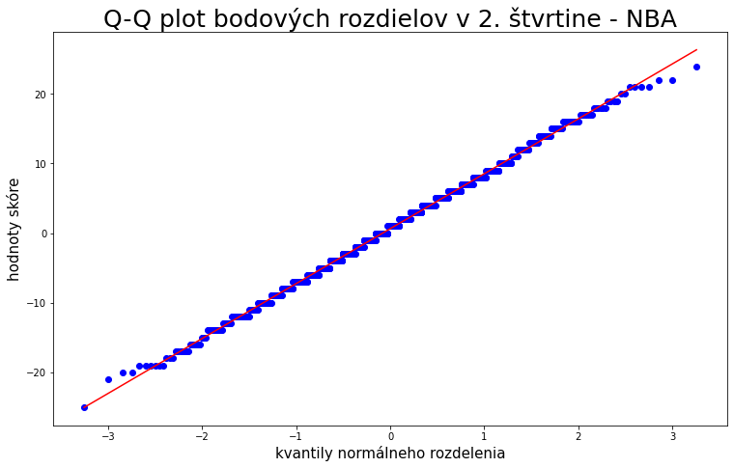
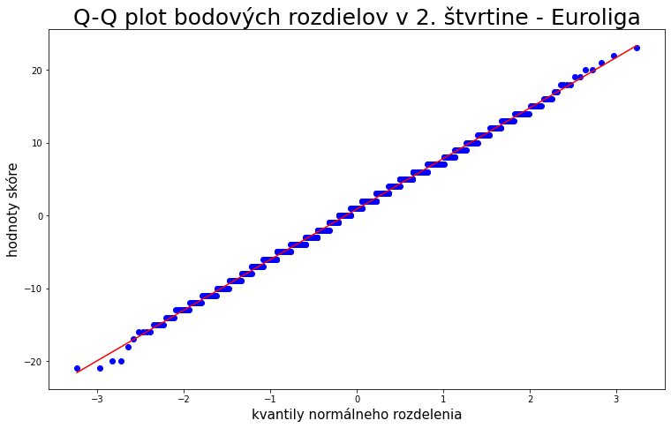
 |  |  |  | matches | 1148 |  |  |  |  |  |  | 0.5 | 59/285 | 23/68 | 37/86 | 54/99 | 30/58 | 57/93 | 48/82 | 68/94 | 303/365 | 0.5 | 49/217 | 27/68 | 29/74 | 46/90 | 28/43 | 63/106 | 77/100 | 61/84 | 324/366 |  | 0.115 | 0.281 | 0.400 | 0.410 | 0.553 | 0.557 | 0.640 | 0.779 | 0.959
t = 1/4 (EL)
 |  |  |  | home wins | 728 |  |  |  |  |  |  | 0.75 | 33/321 | 14/53 | 19/77 | 45/90 | 26/45 | 49/74 | 58/93 | 42/55 | 393/422 | 0.75 | 26/226 | 16/57 | 24/60 | 32/78 | 21/38 | 49/88 | 57/89 | 53/68 | 426/444
Porovnanie modelu a reálnych dát pre t = 1/4
 |  |  |  | away wins | 420 |  |  |  |  |  |  | 1 |  |  |  |  | 33/61 |  |  |  |  | 1
 |  |  |  | home win ratio: | 63.415% |  | Euroleague
 |  |  |  | away win ratio: | 36.585% |  | HT/FT | W | D | A | sum | REÁLNE DÁTA - NBA |  |  |  |  |  |  |  |  |  | REÁLNE DÁTA - EUROLIGA
 |  |  |  | home HT wins: | 656 |  | W | 525 | 26 | 105 | 656 |  | lead |  |  |  |  |  |  |  |  |  | lead
 |  |  |  | away HT wins: | 449 |  | D | 28 | 1 | 14 | 43 | time | (-..., -7> | (-7; -5> | (-5; -3> | (-3; -1> | 0 | <1, 3) | 3 | 5 | 7 | time | (-..., -7> | (-7; -5> | (-5; -3> | (-3; -1> | 0 | <1, 3) | 3 | 5 | 7
 |  |  |  | HT draws: | 43 |  | A | 151 | 22 | 276 | 449 |  | {..., -7} | {-6, -5} | {-4, -3} | {-2, -1} | {0} | {1,2} | {3,4} | {5,6} | {7,...} |  | {..., -7} | {-6, -5} | {-4, -3} | {-2, -1} | {0} | {1,2} | {3,4} | {5,6} | {7,...}
 |  |  |  | H avg pts: | 81.0 |  | sum | 704 | 49 | 395 | 1148 | 0 |  |  |  |  | 0.552 |  |  |  |  | 0 |  |  |  |  | 0.613
 |  |  |  | st. dev. | 10.6 |  | HT/FT win: | 72.489% | zápasov vyhrá tím, ktorý vyhrával po polčase |  |  | 0.25 | 0.310 | 0.357 | 0.438 | 0.555 | 0.636 | 0.513 | 0.703 | 0.663 | 0.757 | 0.25 | 0.348 | 0.443 | 0.439 | 0.560 | 0.588 | 0.619 | 0.731 | 0.752 | 0.813
 |  |  |  | A avg pts: | 77.1 |  |  |  |  |  |  | 0.5 | 0.207 | 0.338 | 0.430 | 0.545 | 0.517 | 0.613 | 0.585 | 0.723 | 0.830 | 0.5 | 0.226 | 0.397 | 0.392 | 0.511 | 0.651 | 0.594 | 0.770 | 0.726 | 0.885
 |  |  |  | st. dev. | 10.9 |  | Euroleague |  |  |  |  | 0.75 | 0.103 | 0.264 | 0.247 | 0.500 | 0.578 | 0.662 | 0.624 | 0.764 | 0.931 | 0.75 | 0.115 | 0.281 | 0.400 | 0.410 | 0.553 | 0.557 | 0.640 | 0.779 | 0.959
 |  |  |  | avg pts: | 158.076 | 3.95 | HT/FT | W | D | A | sum | 1 |  |  |  |  | 0.541 |  |  |  |  | 1
 |  |  |  |  |  |  | W | 45.7% | 2.3% | 9.1% | 57.1%
 |  |  |  |  |  |  | D | 2.4% | 0.1% | 1.2% | 3.7% | mí = 2,04; sigma = 13,612 (korekcia) - NBA |  |  |  |  |  |  |  |  |  | mí = 3,84; sigma = 13,04 (korekcia) - EUROLIGA
 |  |  |  |  |  |  | A | 13.2% | 1.9% | 24.0% | 39.1% |  | lead |  |  |  |  |  |  |  |  |  | lead
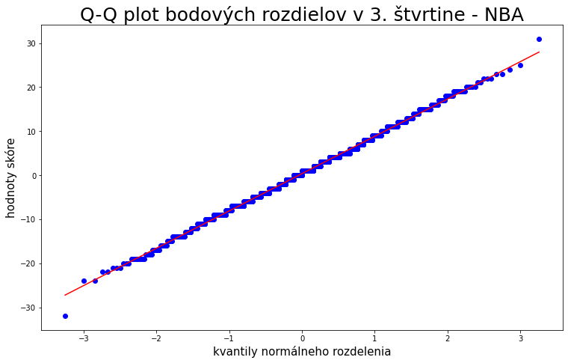
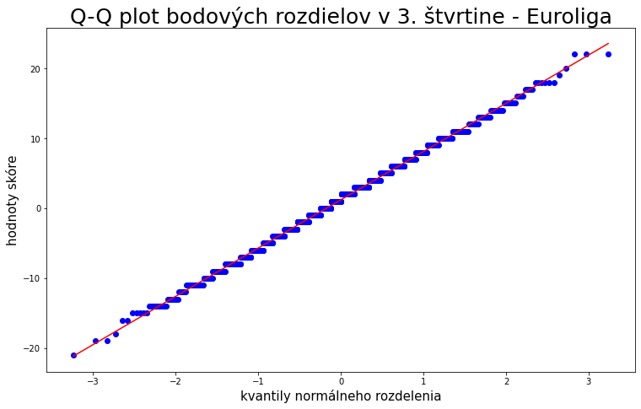
 |  |  |  |  |  |  | sum | 61.3% | 4.3% | 34.4% | 1 | time | -7 | -5 | -3 | -1 | 0 | 1 | 3 | 5 | 7 | time | -7 | -5 | -3 | -1 | 0 | 1 | 3 | 5 | 7
 |  |  |  |  |  |  |  |  |  |  |  | 0 |  |  |  |  | 0.560 |  |  |  |  | 0 |  |  |  |  | 0.616
 |  |  |  |  |  |  |  |  |  |  |  | 0.25 | 0.322 | 0.384 | 0.451 | 0.518 | 0.552 | 0.585 | 0.650 | 0.710 | 0.765 | 0.25 | 0.358 | 0.426 | 0.496 | 0.566 | 0.600 | 0.634 | 0.698 | 0.757 | 0.809
 |  |  |  |  |  |  |  |  |  |  |  | 0.5 | 0.268 | 0.340 | 0.419 | 0.501 | 0.542 | 0.583 | 0.662 | 0.734 | 0.797 | 0.5 | 0.291 | 0.369 | 0.453 | 0.540 | 0.582 | 0.624 | 0.703 | 0.773 | 0.833
 |  |  |  |  |  |  |  |  |  |  |  | 0.75 | 0.171 | 0.255 | 0.358 | 0.471 | 0.530 | 0.588 | 0.697 | 0.790 | 0.864 | 0.75 | 0.178 | 0.268 | 0.378 | 0.498 | 0.558 | 0.618 | 0.728 | 0.819 | 0.888
t = 1/2
t = 1/2
 |  |  |  |  |  |  |  |  |  |  |  | 9/10 | 0.058 | 0.134 | 0.259 | 0.427 | 0.519 | 0.609 | 0.770 | 0.885 | 0.952 | 9/10 | 0.056 | 0.133 | 0.264 | 0.441 | 0.537 | 0.630 | 0.792 | 0.902 | 0.962
 |  |  |  |  |  |  |  |  |  |  |  | 1 | 0 | 0 | 0 | 0 | ? | 1 | 1 | 1 | 1 | 1 | 0 | 0 | 0 | 0 | ? | 1 | 1 | 1 | 1

 |  |  |  |  |  |  |  |  |  |  |  | mí = 6,88; sigma = 26,525 - NBAexpected |  |  |  |  |  |  |  |  |  | mí = 9,49; sigma = 22,883 - EUROLIGAexpected
 |  |  |  |  |  |  |  |  |  |  |  |  | lead |  |  |  |  |  |  |  |  |  | lead
 |  |  |  |  |  |  |  |  |  |  |  | time | -7 | -5 | -3 | -1 | 0 | 1 | 3 | 5 | 7 | time | -7 | -5 | -3 | -1 | 0 | 1 | 3 | 5 | 7
 |  |  |  |  |  |  |  |  |  |  |  | 0 |  |  |  |  | 0.602 |  |  |  |  | 0 |  |  |  |  | 0.661
 |  |  |  |  |  |  |  |  |  |  |  | 0.25 | 0.468 | 0.503 | 0.537 | 0.572 | 0.589 | 0.606 | 0.639 | 0.671 | 0.702 | 0.25 | 0.502 | 0.543 | 0.582 | 0.621 | 0.640 | 0.659 | 0.695 | 0.730 | 0.762
 |  |  |  |  |  |  |  |  |  |  |  | 0.5 | 0.425 | 0.467 | 0.509 | 0.552 | 0.573 | 0.594 | 0.634 | 0.674 | 0.711 | 0.5 | 0.445 | 0.494 | 0.543 | 0.592 | 0.615 | 0.639 | 0.684 | 0.727 | 0.766
 |  |  |  |  |  |  |  |  |  |  |  | 0.75 | 0.345 | 0.402 | 0.462 | 0.522 | 0.552 | 0.581 | 0.639 | 0.694 | 0.745 | 0.75 | 0.343 | 0.409 | 0.478 | 0.548 | 0.582 | 0.616 | 0.681 | 0.740 | 0.794
 |  |  |  |  |  |  |  |  |  |  |  | 9/10 | 0.226 | 0.304 | 0.391 | 0.485 | 0.533 | 0.580 | 0.670 | 0.751 | 0.820 | 9/10 | 0.202 | 0.288 | 0.388 | 0.497 | 0.552 | 0.606 | 0.707 | 0.794 | 0.864
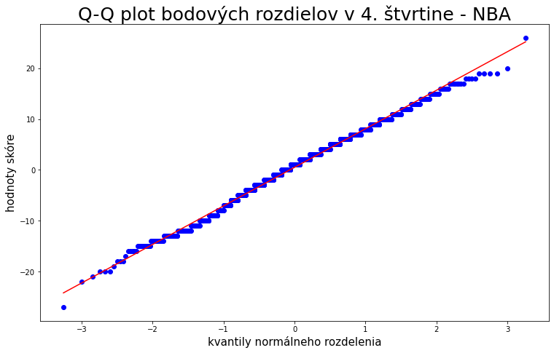
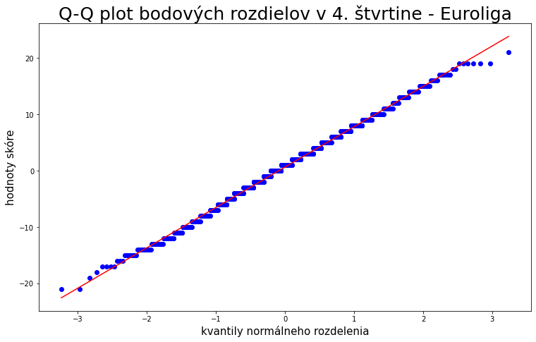
 |  |  |  |  |  |  |  |  |  |  |  | 1 | 0 | 0 | 0 | 0 | ? | 1 | 1 | 1 | 1 | 1 | 0 | 0 | 0 | 0 | ? | 1 | 1 | 1 | 1

t = 3/4
t = 3/4
 |  |  |  |  |  |  |  |  |  |  |  | mí = 6,88; sigma = 26,525 - NBAexpected (rezidua real - exp) |  |  |  |  |  |  |  |  |  | mí = 9,49; sigma = 22,883 - EUROLIGAexpected (rezidua real - exp)
 |  |  |  |  |  |  |  |  |  |  |  |  | lead |  |  |  |  |  |  |  |  |  | lead
 |  |  |  |  |  |  |  |  |  |  |  | time | -7 | -5 | -3 | -1 | 0 | 1 | 3 | 5 | 7 | time | -7 | -5 | -3 | -1 | 0 | 1 | 3 | 5 | 7
 |  |  |  |  |  |  |  |  |  |  |  | 0 |  |  |  |  | -0.050 |  |  |  |  | 0 |  |  |  |  | -0.048
 |  |  |  |  |  |  |  |  |  |  |  | 0.25 | -0.158 | -0.146 | -0.100 | -0.017 | 0.047 | -0.093 | 0.065 | -0.008 | 0.055 | 0.25 | -0.155 | -0.099 | -0.143 | -0.061 | -0.052 | -0.040 | 0.036 | 0.023 | 0.051
 |  |  |  |  |  |  |  |  |  |  |  | 0.5 | -0.218 | -0.129 | -0.079 | -0.006 | -0.056 | 0.019 | -0.049 | 0.050 | 0.119 | 0.5 | -0.219 | -0.097 | -0.151 | -0.080 | 0.036 | -0.044 | 0.086 | 0.000 | 0.119
 |  |  |  |  |  |  |  |  |  |  |  | 0.75 | -0.242 | -0.138 | -0.215 | -0.022 | 0.026 | 0.081 | -0.015 | 0.070 | 0.187 | 0.75 | -0.228 | -0.128 | -0.078 | -0.138 | -0.030 | -0.059 | -0.040 | 0.039 | 0.166

 |  |  |  |  |  |  |  |  |  |  |  | relatívna chyba |  |  |  |  |  |  |  |  |  | relatívna chyba
 |  |  |  |  |  |  |  |  |  |  |  |  | lead |  |  |  |  |  |  |  |  |  | lead
 |  |  |  |  |  |  |  |  |  |  |  | time | -7 | -5 | -3 | -1 | 0 | 1 | 3 | 5 | 7 | time | -7 | -5 | -3 | -1 | 0 | 1 | 3 | 5 | 7
 |  |  |  |  |  |  |  |  |  |  |  | 0 |  |  |  |  | 0.004 |  |  |  |  | 0 |  |  |  |  | 0.003
 |  |  |  |  |  |  |  |  |  |  |  | 0.25 | 0.053 | 0.042 | 0.019 | 0.001 | 0.004 | 0.014 | 0.007 | 0.000 | 0.004 | 0.25 | 0.048 | 0.018 | 0.035 | 0.006 | 0.004 | 0.002 | 0.002 | 0.001 | 0.003
 |  |  |  |  |  |  |  |  |  |  |  | 0.5 | 0.112 | 0.035 | 0.012 | 0.000 | 0.005 | 0.001 | 0.004 | 0.004 | 0.020 | 0.5 | 0.108 | 0.019 | 0.042 | 0.011 | 0.002 | 0.003 | 0.011 | 0.000 | 0.019
 |  |  |  |  |  |  |  |  |  |  |  | 0.75 | 0.170 | 0.047 | 0.100 | 0.001 | 0.001 | 0.011 | 0.000 | 0.007 | 0.047 | 0.75 | 0.151 | 0.040 | 0.013 | 0.035 | 0.001 | 0.006 | 0.002 | 0.002 | 0.035
relatívna chyba, t = 1/4
t = 1/2
 |  |  |  |  |  |  |  |  |  |  |  |  |  |  |  |  |  |  |  |  |  |  |  |  |  |  |  |  |  |  |  |  |  |  |  |  |  |  |  |  |  |  |  |  |  |  |  |  | KOR. KOEFICIENTY |  |  | KOR. KOEFICIENTY
 |  |  |  |  |  |  |  |  |  |  |  |  |  |  |  |  |  |  |  |  |  |  |  |  |  |  |  |  |  |  |  |  |  |  |  |  |  |  |  |  |  |  |  |  |  |  |  |  | korelacny koeficient 1 a 2: -0.09868284083283138 chyba: 0.028397218760411718 |  |  | korelacny koeficient 1 a 2: -0.06409238464924182 chyba: 0.029479074813477706
 |  |  |  |  |  |  |  |  |  |  |  |  |  |  |  |  |  |  |  |  |  |  |  |  |  |  |  |  |  |  |  | pomocou odhadov |  |  |  |  |  |  |  |  |  |  |  |  |  |  |  |  | korelacny koeficient 1 a 3: -0.034354581474176825 chyba: 0.028519662380359377 |  |  | korelacny koeficient 1 a 3: -0.06493294673146155 chyba: 0.02947746961721494
 |  |  |  |  |  |  |  |  |  |  |  |  |  |  |  |  |  |  |  |  |  |  |  |  |  |  |  |  |  |  |  |  |  |  |  |  |  |  |  |  |  |  |  |  |  |  |  |  | korelacny koeficient 1 a 4: -0.11992988729382907 chyba: 0.02833054115258158 |  |  | korelacny koeficient 1 a 4: 0.02307974535288969 chyba: 0.02953194096158436
NBA, t = 1/4
Euroliga, t = 1/4
 |  |  |  |  |  |  |  |  |  |  |  |  |  |  |  |  |  |  |  |  |  |  |  |  |  |  |  |  |  |  |  |  |  |  |  |  |  |  |  |  |  |  |  |  |  |  |  |  | korelacny koeficient 2 a 3: -0.07146242728212246 chyba: 0.028463547770779883 |  |  | korelacny koeficient 2 a 3: -0.009951465902661449 chyba: 0.02953834683876503
 |  |  |  |  |  |  |  |  |  |  |  |  |  |  |  |  |  |  |  |  |  |  |  |  |  |  |  |  |  |  |  |  |  |  |  |  |  |  |  |  |  |  |  |  |  |  |  |  | korelacny koeficient 2 a 4: -0.09527922806652649 chyba: 0.028406682884333404 |  |  | korelacny koeficient 2 a 4: -0.015175116687961569 chyba: 0.029536408092320218
 |  |  |  |  |  |  |  |  |  |  |  |  |  |  |  |  |  |  |  |  |  |  |  |  |  |  |  |  |  |  |  |  |  |  |  |  |  |  |  |  |  |  |  |  |  |  |  |  | korelacny koeficient 3 a 4: -0.14020672142823581 chyba: 0.028254630868697252 |  |  | korelacny koeficient 3 a 4: -0.11482527143500303 chyba: 0.02934442452104143

 |  |  |  |  |  |  |  |  |  |  |  |  |  |  |  |  |  |  |  |  |  |  |  |  |  |  |  |  |  |  |  |  |  |  |  |  |  |  |  |  |  |  |  |  |  |  |  |  | kor. stvrtina 1: 0.44600022190879646 chyba: 0.02554111142865232 |  |  | kor. stvrtina 1: 0.46983812766825694 chyba: 0.02607634337737402
 |  |  |  |  |  |  |  |  |  |  |  |  |  |  |  |  |  |  |  |  |  |  |  |  |  |  |  |  |  |  |  |  |  |  |  |  |  |  |  |  |  |  |  |  |  |  |  |  | kor. stvrtina 2: 0.4234982910675758 chyba: 0.025851133542376198 |  |  | kor. stvrtina 2: 0.4843042399487493 chyba: 0.02584436914255541
 |  |  |  |  |  |  |  |  |  |  |  |  |  |  |  |  |  |  |  |  |  |  |  |  |  |  |  |  |  |  |  |  |  |  |  |  |  |  |  |  |  |  |  |  |  |  |  |  | kor. stvrtina 3: 0.482126776077235 chyba: 0.025000875746703236 |  |  | kor. stvrtina 3: 0.426161245239587 chyba: 0.026723106607396914
 |  |  |  |  |  |  |  |  |  |  |  |  |  |  |  |  |  |  |  |  |  |  |  |  |  |  |  |  |  |  |  |  |  |  |  |  |  |  |  |  |  |  |  |  |  |  |  |  | kor. stvrtina 4: 0.3433341397399124 chyba: 0.02680186786250961 |  |  | kor. stvrtina 4: 0.4924010518970291 chyba: 0.025710517674714987

t = 3/4
 |  |  |  |  |  |  |  |  |  |  |  |  |  |  |  |  |  |  |  |  |  |  |  |  |  |  |  |  |  |  |  |  |  |  |  |  |  |  |  |  |  |  |  |  |  |  |  |  | -0.10 |  | 0.45 | -0.06 |  | 0.47
 |  |  |  |  |  |  |  |  |  |  |  |  |  |  |  |  |  |  |  |  |  |  |  |  |  |  |  |  |  |  |  |  |  |  |  |  |  |  |  |  |  |  |  |  |  |  |  |  | -0.03 |  | 0.42 | -0.06 |  | 0.48
 |  |  |  |  |  |  |  |  |  |  |  |  |  |  |  |  |  |  |  |  |  |  |  |  |  |  |  |  |  |  |  |  |  |  |  |  |  |  |  |  |  |  |  |  |  |  |  |  | -0.12 |  | 0.48 | 0.02 |  | 0.43
 |  |  |  |  |  |  |  |  |  |  |  |  |  |  |  |  |  |  |  |  |  |  |  |  |  |  |  |  |  |  |  |  |  |  |  |  |  |  |  |  |  |  |  |  |  |  |  |  | -0.07 |  | 0.34 | -0.01 |  | 0.49
 |  |  |  |  |  |  |  |  |  |  |  |  |  |  |  |  |  |  |  |  |  |  |  |  |  |  |  |  |  |  |  |  |  |  |  |  |  |  |  |  |  |  |  |  |  |  |  |  | -0.10 |  |  | -0.02
 |  |  |  |  |  |  |  |  |  |  |  |  |  |  |  |  |  |  |  |  |  |  |  |  |  |  |  |  |  |  |  |  |  |  |  |  |  |  |  |  |  |  |  |  |  |  |  |  | -0.14 |  |  | -0.11
 |  |  |  |  |  |  |  |  |  |  |  |  |  |  |  |  |  |  |  |  |  |  |  |  |  |  |  |  |  |  |  |  |  |  |  |  |  |  |  |  |  |  |  |  |  |  |  |  | 0.03
NBA, t = 1/2
Euro, t = 1/2

NBA, t = 3/4
Euro, t = 3/4

