Hárok1
NHL 16/17 |  | NHL 17/18 |  | NHL 18/19 |  | NHL 19/20
matches^^ | 1317 | matches^ | 1355 | matches** | 1358 | matches* | 1212
regular | 1230 | regular | 1271 | regular | 1271 | regular | 1094
playoffs | 87 | playoffs | 84 | playoffs | 87 | playoffs | 118
home wins | 567 | home wins | 585 | home wins | 591 | home wins | 511
ties | 316 | ties | 306 | ties | 288 | ties | 278
h OT wins | 168 | h OT wins | 171 | h OT wins | 136 | h OT wins | 125
a OT wins | 148 | a OT wins | 135 | a OT wins | 152 | a OT wins | 153
away wins | 434 | away wins | 464 | away wins | 479 | away wins | 423
goals | 7252 | goals | 8048 | goals | 8149 | goals | 7245
home | 3840 | home | 4228 | home | 4280 | home | 3732
away | 3412 | away | 3820 | away | 3869 | away | 3513
per match | 5.51 | per match | 5.94 | per match | 6.00 | per match | 5.98
per match H | 2.92 | per match H | 3.12 | per match H | 3.15 | per match H | 3.08
per match A | 2.59 | per match A | 2.82 | per match A | 2.85 | per match A | 2.90
^^6 riadkov "tbc win tbc"
^8 riadkov odstranenych "tbc win tbc"
**2 vymazane zapasy hviezd
*bolo 1215, ale 3 zo zapasu hviezd sa neberu do uvahy
per 60 | 5.27 | per 60 | 5.70 | per 60 | 5.80 | per 60 | 5.77
empty net G | 22.4% | empty net G | 26.5% | empty net G | 29.8% | empty net G | 27.9%

 |  |  |  |  |  |  |  |  |  |  |  |  |  | REÁLNE DÁTA
2016/2017

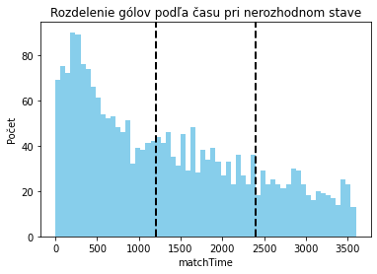
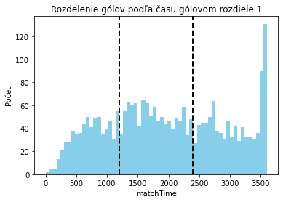
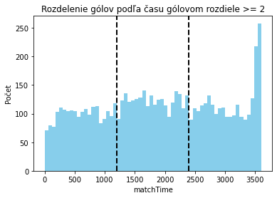
 |  |  |  |  |  |  |  |  |  |  |  |  |  | 2016/17 2min |  |  |  |  |  |  |  |  | 2016/17 3min |  |  |  |  |  |  |  |  |  |  | 2016/17 5min |  |  |  |  |  |  |  |  | 2016/17 10min |  |  |  |  |  |  |  |  |  |  | 2016/17 20min |  |  |  |  |  |  |  |  |  |  |  |  | 2016/17 30min |  |  |  |  |  |  |  |  |  |  | 2016/17 40min |  |  |  |  |  |  |  |  |  |  | 2016/17 50min
 |  |  |  |  |  |  |  |  |  |  |  |  |  |  | -3 | -2 | -1 | 0 | 1 | 2 | 3 | spolu |  | -3 | -2 | -1 | 0 | 1 | 2 | 3 | spolu |  |  |  | -3 | -2 | -1 | 0 | 1 | 2 | 3 | spolu |  | <=-4 | -3 | -2 | -1 | 0 | 1 | 2 | 3 | >=4 | spolu |  | <=-4 | -3 | -2 | -1 | 0 | 1 | 2 | 3 | >=4 | spolu |  |  |  | <=-4 | -3 | -2 | -1 | 0 | 1 | 2 | 3 | >=4 | spolu |  | <=-4 | -3 | -2 | -1 | 0 | 1 | 2 | 3 | >=4 | spolu |  | <=-4 | -3 | -2 | -1 | 0 | 1 | 2 | 3 | >=4 | spolu
 |  |  |  |  |  |  |  |  |  |  |  |  |  | H win | 0 | 0 | 19 | 499 | 47 | 2 | 0 | 567 | H win | 0 | 0 | 33 | 459 | 71 | 4 | 0 | 567 |  |  | H win | 0 | 2 | 55 | 390 | 110 | 10 | 0 | 567 | H win | 0 | 0 | 6 | 90 | 280 | 149 | 36 | 4 | 2 | 567 | H win | 0 | 2 | 14 | 78 | 191 | 175 | 74 | 25 | 8 | 567 |  |  | H win | 0 | 0 | 10 | 50 | 147 | 179 | 111 | 52 | 18 | 567 | H win | 0 | 1 | 7 | 24 | 112 | 183 | 128 | 68 | 44 | 567 | H win | 0 | 0 | 1 | 11 | 74 | 191 | 137 | 84 | 69 | 567
 |  |  |  |  |  |  |  |  |  |  |  |  |  | H OT win | 0 | 0 | 6 | 152 | 10 | 0 | 0 | 168 | H OT win | 0 | 1 | 8 | 149 | 10 | 0 | 0 | 168 |  |  | H OT win | 0 | 2 | 19 | 132 | 15 | 0 | 0 | 168 | H OT win | 0 | 1 | 4 | 34 | 97 | 29 | 3 | 0 | 0 | 168 | H OT win | 0 | 2 | 6 | 42 | 71 | 37 | 10 | 0 | 0 | 168 |  |  | H OT win | 1 | 2 | 13 | 36 | 62 | 38 | 15 | 1 | 0 | 168 | H OT win | 0 | 3 | 13 | 46 | 59 | 43 | 3 | 1 | 0 | 168 | H OT win | 0 | 1 | 8 | 36 | 93 | 28 | 2 | 0 | 0 | 168
 |  |  |  |  |  |  |  |  |  |  |  |  |  | A OA win | 0 | 0 | 6 | 138 | 4 | 0 | 0 | 148 | A OA win | 0 | 0 | 8 | 131 | 9 | 0 | 0 | 148 |  |  | A OA win | 0 | 0 | 17 | 121 | 9 | 1 | 0 | 148 | A OA win | 0 | 0 | 2 | 24 | 97 | 21 | 4 | 0 | 0 | 148 | A OA win | 0 | 0 | 6 | 40 | 58 | 39 | 5 | 0 | 0 | 148 |  |  | A OA win | 0 | 1 | 4 | 36 | 69 | 31 | 6 | 1 | 0 | 148 | A OA win | 0 | 0 | 7 | 37 | 69 | 29 | 4 | 2 | 0 | 148 | A OA win | 0 | 0 | 3 | 36 | 83 | 23 | 3 | 0 | 0 | 148
 |  |  |  |  |  |  |  |  |  |  |  |  |  | A win | 0 | 2 | 30 | 387 | 15 | 0 | 0 | 434 | A win | 0 | 2 | 44 | 367 | 21 | 0 | 0 | 434 |  |  | A win | 1 | 8 | 86 | 299 | 38 | 2 | 0 | 434 | A win | 0 | 4 | 27 | 125 | 223 | 51 | 4 | 0 | 0 | 434 | A win | 4 | 18 | 63 | 140 | 164 | 39 | 6 | 0 | 0 | 434 |  |  | A win | 14 | 34 | 108 | 129 | 111 | 33 | 5 | 0 | 0 | 434 | A win | 24 | 46 | 110 | 143 | 87 | 21 | 3 | 0 | 0 | 434 | A win | 35 | 56 | 129 | 155 | 55 | 4 | 0 | 0 | 0 | 434
 |  |  |  |  |  |  |  |  |  |  |  |  |  | spolu | 0 | 2 | 61 | 1176 | 76 | 2 | 0 | 1317 | spolu | 0 | 3 | 93 | 1106 | 111 | 4 | 0 | 1317 |  |  | spolu | 1 | 12 | 177 | 942 | 172 | 13 | 0 | 1317 | spolu | 0 | 5 | 39 | 273 | 697 | 250 | 47 | 4 | 2 | 1317 | spolu | 4 | 22 | 89 | 300 | 484 | 290 | 95 | 25 | 8 | 1317 |  |  | spolu | 15 | 37 | 135 | 251 | 389 | 281 | 137 | 54 | 18 | 1317 | spolu | 24 | 50 | 137 | 250 | 327 | 276 | 138 | 71 | 44 | 1317 | spolu | 35 | 57 | 141 | 238 | 305 | 246 | 142 | 84 | 69 | 1317

 |  |  |  |  |  |  |  |  |  |  |  |  |  | 2017/18 2min |  |  |  |  |  |  |  |  | 2017/18 3min |  |  |  |  |  |  |  |  |  |  | 2017/18 5min |  |  |  |  |  |  |  |  | 2017/18 10min |  |  |  |  |  |  |  |  |  |  | 2017/18 20min |  |  |  |  |  |  |  |  |  |  |  |  | 2017/18 30min |  |  |  |  |  |  |  |  |  |  | 2017/18 40min |  |  |  |  |  |  |  |  |  |  | 2017/18 50min
 |  |  |  |  |  |  |  |  |  |  |  |  |  |  | -3 | -2 | -1 | 0 | 1 | 2 | 3 | spolu |  | -3 | -2 | -1 | 0 | 1 | 2 | 3 | spolu |  |  |  | -3 | -2 | -1 | 0 | 1 | 2 | 3 | spolu |  | <=-4 | -3 | -2 | -1 | 0 | 1 | 2 | 3 | >=4 | spolu |  | <=-4 | -3 | -2 | -1 | 0 | 1 | 2 | 3 | >=4 | spolu |  |  |  | <=-4 | -3 | -2 | -1 | 0 | 1 | 2 | 3 | >=4 | spolu |  | <=-4 | -3 | -2 | -1 | 0 | 1 | 2 | 3 | >=4 | spolu |  | <=-4 | -3 | -2 | -1 | 0 | 1 | 2 | 3 | >=4 | spolu
 |  |  |  |  |  |  |  |  |  |  |  |  |  | H win | 0 | 0 | 18 | 498 | 68 | 1 | 0 | 585 | H win | 0 | 0 | 31 | 453 | 96 | 4 | 1 | 585 |  |  | H win | 0 | 0 | 46 | 387 | 129 | 22 | 1 | 585 | H win | 0 | 0 | 2 | 51 | 283 | 178 | 64 | 6 | 1 | 585 | H win | 0 | 1 | 7 | 44 | 197 | 185 | 97 | 42 | 12 | 585 |  |  | H win | 0 | 0 | 8 | 36 | 136 | 178 | 128 | 65 | 34 | 585 | H win | 0 | 0 | 3 | 25 | 100 | 174 | 141 | 77 | 65 | 585 | H win | 0 | 0 | 1 | 9 | 68 | 178 | 163 | 83 | 83 | 585
 |  |  |  |  |  |  |  |  |  |  |  |  |  | H OT win | 0 | 0 | 12 | 149 | 9 | 1 | 0 | 171 | H OT win | 0 | 1 | 14 | 142 | 14 | 0 | 0 | 171 |  |  | H OT win | 0 | 1 | 25 | 126 | 17 | 2 | 0 | 171 | H OT win | 0 | 0 | 5 | 38 | 106 | 21 | 1 | 0 | 0 | 171 | H OT win | 0 | 2 | 10 | 47 | 72 | 32 | 8 | 0 | 0 | 171 |  |  | H OT win | 0 | 3 | 13 | 41 | 69 | 32 | 12 | 1 | 0 | 171 | H OT win | 0 | 2 | 11 | 42 | 69 | 36 | 11 | 0 | 0 | 171 | H OT win | 0 | 1 | 4 | 38 | 93 | 27 | 7 | 1 | 0 | 171
 |  |  |  |  |  |  |  |  |  |  |  |  |  | A OA win | 0 | 0 | 9 | 121 | 5 | 0 | 0 | 135 | A OA win | 0 | 1 | 11 | 114 | 9 | 0 | 0 | 135 |  |  | A OA win | 0 | 2 | 19 | 97 | 17 | 0 | 0 | 135 | A OA win | 0 | 0 | 7 | 22 | 78 | 26 | 2 | 0 | 0 | 135 | A OA win | 0 | 0 | 10 | 31 | 61 | 27 | 6 | 0 | 0 | 135 |  |  | A OA win | 0 | 2 | 12 | 30 | 48 | 38 | 4 | 1 | 0 | 135 | A OA win | 0 | 2 | 12 | 39 | 42 | 32 | 8 | 0 | 0 | 135 | A OA win | 0 | 0 | 8 | 27 | 65 | 32 | 3 | 0 | 0 | 135
 |  |  |  |  |  |  |  |  |  |  |  |  |  | A win | 0 | 1 | 36 | 404 | 23 | 0 | 0 | 464 | A win | 0 | 5 | 50 | 385 | 24 | 0 | 0 | 464 |  |  | A win | 1 | 11 | 79 | 332 | 39 | 2 | 0 | 464 | A win | 1 | 3 | 28 | 125 | 253 | 49 | 5 | 0 | 0 | 464 | A win | 4 | 13 | 72 | 143 | 179 | 47 | 6 | 0 | 0 | 464 |  |  | A win | 19 | 42 | 89 | 128 | 139 | 41 | 6 | 0 | 0 | 464 | A win | 34 | 66 | 121 | 128 | 87 | 23 | 5 | 0 | 0 | 464 | A win | 53 | 78 | 120 | 135 | 68 | 8 | 1 | 1 | 0 | 464
 |  |  |  |  |  |  |  |  |  |  |  |  |  | spolu | 0 | 1 | 75 | 1172 | 105 | 2 | 0 | 1355 | spolu | 0 | 7 | 106 | 1094 | 143 | 4 | 1 | 1355 |  |  | spolu | 1 | 14 | 169 | 942 | 202 | 26 | 1 | 1355 | spolu | 1 | 3 | 42 | 236 | 720 | 274 | 72 | 6 | 1 | 1355 | spolu | 4 | 16 | 99 | 265 | 509 | 291 | 117 | 42 | 12 | 1355 |  |  | spolu | 19 | 47 | 122 | 235 | 392 | 289 | 150 | 67 | 34 | 1355 | spolu | 34 | 70 | 147 | 234 | 298 | 265 | 165 | 77 | 65 | 1355 | spolu | 53 | 79 | 133 | 209 | 294 | 245 | 174 | 85 | 83 | 1355
2017/2018
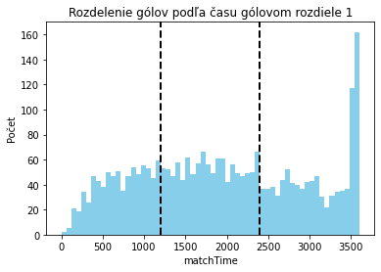
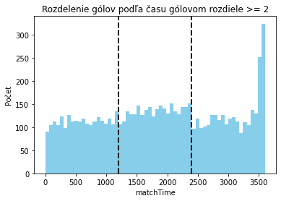
 |  |  |  |  |  |  |  |  |  |  |  |  |  | 2018/19 2min |  |  |  |  |  |  |  |  | 2018/19 3min |  |  |  |  |  |  |  |  |  |  | 2018/19 5min |  |  |  |  |  |  |  |  | 2018/19 10min |  |  |  |  |  |  |  |  |  |  | 2018/19 20min |  |  |  |  |  |  |  |  |  |  |  |  | 2018/19 30min |  |  |  |  |  |  |  |  |  |  | 2018/19 40min |  |  |  |  |  |  |  |  |  |  | 2018/19 50min
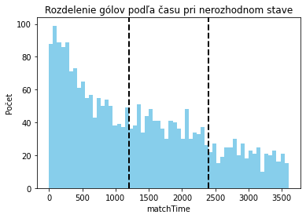
 |  |  |  |  |  |  |  |  |  |  |  |  |  |  | -3 | -2 | -1 | 0 | 1 | 2 | 3 | spolu |  | -3 | -2 | -1 | 0 | 1 | 2 | 3 | spolu |  |  |  | -3 | -2 | -1 | 0 | 1 | 2 | 3 | spolu |  | <=-4 | -3 | -2 | -1 | 0 | 1 | 2 | 3 | >=4 | spolu |  | <=-4 | -3 | -2 | -1 | 0 | 1 | 2 | 3 | >=4 | spolu |  |  |  | <=-4 | -3 | -2 | -1 | 0 | 1 | 2 | 3 | >=4 | spolu |  | <=-4 | -3 | -2 | -1 | 0 | 1 | 2 | 3 | >=4 | spolu |  | <=-4 | -3 | -2 | -1 | 0 | 1 | 2 | 3 | >=4 | spolu
 |  |  |  |  |  |  |  |  |  |  |  |  |  | H win | 0 | 0 | 12 | 526 | 51 | 2 | 0 | 591 | H win | 0 | 1 | 27 | 480 | 80 | 3 | 0 | 591 |  |  | H win | 0 | 0 | 47 | 404 | 121 | 17 | 2 | 591 | H win | 0 | 0 | 6 | 63 | 301 | 163 | 47 | 11 | 0 | 591 | H win | 0 | 1 | 12 | 56 | 190 | 188 | 101 | 33 | 10 | 591 |  |  | H win | 0 | 1 | 11 | 44 | 118 | 200 | 123 | 64 | 30 | 591 | H win | 0 | 1 | 3 | 34 | 92 | 172 | 151 | 87 | 51 | 591 | H win | 0 | 0 | 0 | 14 | 55 | 184 | 153 | 102 | 83 | 591
 |  |  |  |  |  |  |  |  |  |  |  |  |  | H OT win | 0 | 0 | 7 | 120 | 9 | 0 | 0 | 136 | H OT win | 0 | 0 | 12 | 112 | 12 | 0 | 0 | 136 |  |  | H OT win | 0 | 1 | 19 | 96 | 20 | 0 | 0 | 136 | H OT win | 0 | 1 | 2 | 28 | 75 | 24 | 6 | 0 | 0 | 136 | H OT win | 0 | 1 | 8 | 34 | 47 | 36 | 8 | 2 | 0 | 136 |  |  | H OT win | 0 | 1 | 10 | 34 | 47 | 31 | 12 | 1 | 0 | 136 | H OT win | 0 | 0 | 8 | 26 | 57 | 32 | 12 | 1 | 0 | 136 | H OT win | 0 | 0 | 3 | 32 | 68 | 27 | 6 | 0 | 0 | 136
 |  |  |  |  |  |  |  |  |  |  |  |  |  | A OA win | 0 | 0 | 12 | 132 | 8 | 0 | 0 | 152 | A OA win | 0 | 1 | 11 | 132 | 7 | 1 | 0 | 152 |  |  | A OA win | 0 | 1 | 21 | 110 | 19 | 1 | 0 | 152 | A OA win | 0 | 0 | 1 | 35 | 75 | 37 | 4 | 0 | 0 | 152 | A OA win | 0 | 1 | 10 | 30 | 59 | 38 | 13 | 1 | 0 | 152 |  |  | A OA win | 0 | 1 | 9 | 42 | 53 | 34 | 7 | 6 | 0 | 152 | A OA win | 0 | 2 | 4 | 41 | 58 | 39 | 6 | 2 | 0 | 152 | A OA win | 1 | 0 | 4 | 37 | 76 | 32 | 2 | 0 | 0 | 152
 |  |  |  |  |  |  |  |  |  |  |  |  |  | A win | 0 | 1 | 43 | 418 | 17 | 0 | 0 | 479 | A win | 0 | 3 | 67 | 387 | 22 | 0 | 0 | 479 |  |  | A win | 0 | 9 | 107 | 326 | 35 | 2 | 0 | 479 | A win | 0 | 7 | 24 | 136 | 250 | 58 | 4 | 0 | 0 | 479 | A win | 5 | 23 | 73 | 150 | 155 | 59 | 12 | 2 | 0 | 479 |  |  | A win | 15 | 47 | 101 | 148 | 111 | 49 | 6 | 2 | 0 | 479 | A win | 34 | 62 | 118 | 139 | 93 | 25 | 8 | 0 | 0 | 479 | A win | 52 | 67 | 129 | 165 | 51 | 13 | 2 | 0 | 0 | 479
 |  |  |  |  |  |  |  |  |  |  |  |  |  | spolu | 0 | 1 | 74 | 1196 | 85 | 2 | 0 | 1358 | spolu | 0 | 5 | 117 | 1111 | 121 | 4 | 0 | 1358 |  |  | spolu | 0 | 11 | 194 | 936 | 195 | 20 | 2 | 1358 | spolu | 0 | 8 | 33 | 262 | 701 | 282 | 61 | 11 | 0 | 1358 | spolu | 5 | 26 | 103 | 270 | 451 | 321 | 134 | 38 | 10 | 1358 |  |  | spolu | 15 | 50 | 131 | 268 | 329 | 314 | 148 | 73 | 30 | 1358 | spolu | 34 | 65 | 133 | 240 | 300 | 268 | 177 | 90 | 51 | 1358 | spolu | 53 | 67 | 136 | 248 | 250 | 256 | 163 | 102 | 83 | 1358

 |  |  |  |  |  |  |  |  |  |  |  |  |  | 2019/20 2min |  |  |  |  |  |  |  |  | 2019/20 3min |  |  |  |  |  |  |  |  |  |  | 2019/20 5min |  |  |  |  |  |  |  |  | 2019/20 10min |  |  |  |  |  |  |  |  |  |  | 2019/20 20min |  |  |  |  |  |  |  |  |  |  |  |  | 2019/20 30min |  |  |  |  |  |  |  |  |  |  | 2019/20 40min |  |  |  |  |  |  |  |  |  |  | 2019/20 50min
 |  |  |  |  |  |  |  |  |  |  |  |  |  |  | -3 | -2 | -1 | 0 | 1 | 2 | 3 | spolu |  | -3 | -2 | -1 | 0 | 1 | 2 | 3 | spolu |  |  |  | -3 | -2 | -1 | 0 | 1 | 2 | 3 | spolu |  | <=-4 | -3 | -2 | -1 | 0 | 1 | 2 | 3 | >=4 | spolu |  | <=-4 | -3 | -2 | -1 | 0 | 1 | 2 | 3 | >=4 | spolu |  |  |  | <=-4 | -3 | -2 | -1 | 0 | 1 | 2 | 3 | >=4 | spolu |  | <=-4 | -3 | -2 | -1 | 0 | 1 | 2 | 3 | >=4 | spolu |  | <=-4 | -3 | -2 | -1 | 0 | 1 | 2 | 3 | >=4 | spolu
 |  |  |  |  |  |  |  |  |  |  |  |  |  | H win | 0 | 0 | 24 | 428 | 57 | 2 | 0 | 511 | H win | 0 | 1 | 29 | 397 | 81 | 3 | 0 | 511 |  |  | H win | 0 | 1 | 46 | 338 | 111 | 15 | 0 | 511 | H win | 0 | 0 | 4 | 60 | 246 | 160 | 32 | 8 | 1 | 511 | H win | 0 | 0 | 10 | 54 | 164 | 173 | 71 | 29 | 10 | 511 |  |  | H win | 0 | 0 | 8 | 41 | 117 | 164 | 110 | 45 | 26 | 511 | H win | 0 | 0 | 7 | 26 | 81 | 149 | 139 | 58 | 51 | 511 | H win | 0 | 0 | 4 | 9 | 56 | 146 | 135 | 96 | 65 | 511
 |  |  |  |  |  |  |  |  |  |  |  |  |  | H OT win | 0 | 0 | 5 | 112 | 8 | 0 | 0 | 125 | H OT win | 0 | 0 | 7 | 106 | 12 | 0 | 0 | 125 |  |  | H OT win | 0 | 1 | 13 | 95 | 15 | 1 | 0 | 125 | H OT win | 0 | 0 | 2 | 24 | 73 | 23 | 3 | 0 | 0 | 125 | H OT win | 0 | 1 | 7 | 22 | 52 | 33 | 8 | 2 | 0 | 125 |  |  | H OT win | 0 | 3 | 10 | 23 | 46 | 31 | 11 | 1 | 0 | 125 | H OT win | 0 | 0 | 5 | 29 | 56 | 25 | 10 | 0 | 0 | 125 | H OT win | 0 | 0 | 5 | 18 | 64 | 35 | 3 | 0 | 0 | 125
 |  |  |  |  |  |  |  |  |  |  |  |  |  | A OA win | 0 | 0 | 6 | 133 | 14 | 0 | 0 | 153 | A OA win | 0 | 0 | 18 | 117 | 18 | 0 | 0 | 153 |  |  | A OA win | 0 | 0 | 24 | 96 | 33 | 0 | 0 | 153 | A OA win | 0 | 0 | 3 | 35 | 69 | 40 | 6 | 0 | 0 | 153 | A OA win | 0 | 0 | 10 | 41 | 49 | 43 | 10 | 0 | 0 | 153 |  |  | A OA win | 0 | 2 | 10 | 32 | 54 | 37 | 16 | 2 | 0 | 153 | A OA win | 0 | 0 | 9 | 34 | 55 | 40 | 9 | 5 | 1 | 153 | A OA win | 0 | 0 | 5 | 31 | 76 | 33 | 8 | 0 | 0 | 153
 |  |  |  |  |  |  |  |  |  |  |  |  |  | A win | 0 | 1 | 35 | 373 | 13 | 1 | 0 | 423 | A win | 0 | 2 | 50 | 346 | 23 | 2 | 0 | 423 |  |  | A win | 0 | 8 | 83 | 293 | 35 | 4 | 0 | 423 | A win | 1 | 2 | 32 | 128 | 203 | 52 | 5 | 0 | 0 | 423 | A win | 4 | 22 | 73 | 132 | 130 | 54 | 7 | 1 | 0 | 423 |  |  | A win | 12 | 50 | 101 | 134 | 84 | 34 | 7 | 1 | 0 | 423 | A win | 31 | 58 | 116 | 126 | 64 | 23 | 4 | 1 | 0 | 423 | A win | 37 | 80 | 113 | 151 | 30 | 11 | 1 | 0 | 0 | 423
 |  |  |  |  |  |  |  |  |  |  |  |  |  | spolu | 0 | 1 | 70 | 1046 | 92 | 3 | 0 | 1212 | spolu | 0 | 3 | 104 | 966 | 134 | 5 | 0 | 1212 |  |  | spolu | 0 | 10 | 166 | 822 | 194 | 20 | 0 | 1212 | spolu | 1 | 2 | 41 | 247 | 591 | 275 | 46 | 8 | 1 | 1212 | spolu | 4 | 23 | 100 | 249 | 395 | 303 | 96 | 32 | 10 | 1212 |  |  | spolu | 12 | 55 | 129 | 230 | 301 | 266 | 144 | 49 | 26 | 1212 | spolu | 31 | 58 | 137 | 215 | 256 | 237 | 162 | 64 | 52 | 1212 | spolu | 37 | 80 | 127 | 209 | 226 | 225 | 147 | 96 | 65 | 1212
2018/2019
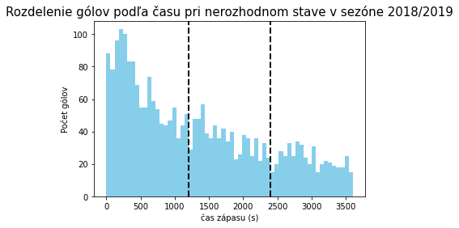
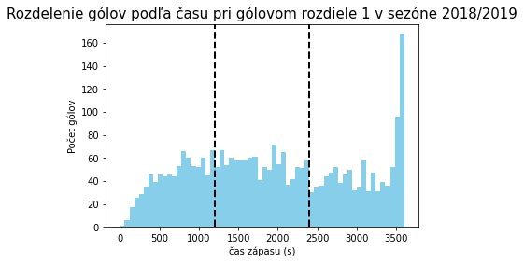
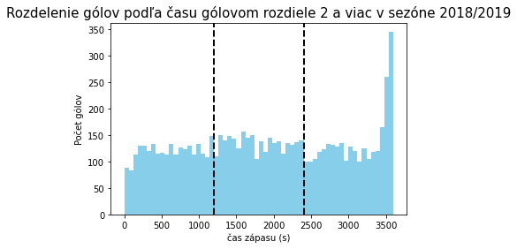
 |  |  |  |  |  |  |  |  |  |  |  |  |  | SPOLU 2min |  |  |  |  |  |  |  |  | SPOLU 3min |  |  |  |  |  |  |  |  |  |  | SPOLU 5min |  |  |  |  |  |  |  |  | SPOLU 10min |  |  |  |  |  |  |  |  |  |  | SPOLU 20min |  |  |  |  |  |  |  |  |  |  |  |  | SPOLU 30min |  |  |  |  |  |  |  |  |  |  | SPOLU 40min |  |  |  |  |  |  |  |  |  |  | SPOLU 50min
 |  |  |  |  |  |  |  |  |  |  |  |  |  |  | -3 | -2 | -1 | 0 | 1 | 2 | 3 | spolu |  | -3 | -2 | -1 | 0 | 1 | 2 | 3 | spolu |  |  |  | -3 | -2 | -1 | 0 | 1 | 2 | 3 | spolu |  | <=-4 | -3 | -2 | -1 | 0 | 1 | 2 | 3 | >=4 | spolu |  | <=-4 | -3 | -2 | -1 | 0 | 1 | 2 | 3 | >=4 | spolu |  |  |  | <=-4 | -3 | -2 | -1 | 0 | 1 | 2 | 3 | >=4 | spolu |  | <=-4 | -3 | -2 | -1 | 0 | 1 | 2 | 3 | >=4 | spolu |  | <=-4 | -3 | -2 | -1 | 0 | 1 | 2 | 3 | >=4 | spolu
 |  |  |  |  |  |  |  |  |  |  |  |  |  | H win | 0 | 0 | 73 | 1951 | 223 | 7 | 0 | 2254 | H win | 0 | 2 | 120 | 1789 | 328 | 14 | 1 | 2254 |  |  | H win | 0 | 3 | 194 | 1519 | 471 | 64 | 3 | 2254 | H win | 0 | 0 | 18 | 264 | 1110 | 650 | 179 | 29 | 4 | 2254 | H win | 0 | 4 | 43 | 232 | 742 | 721 | 343 | 129 | 40 | 2254 |  |  | H win | 0 | 1 | 37 | 171 | 518 | 721 | 472 | 226 | 108 | 2254 | H win | 0 | 2 | 20 | 109 | 385 | 678 | 559 | 290 | 211 | 2254 | H win | 0 | 0 | 6 | 43 | 253 | 699 | 588 | 365 | 300 | 2254
 |  |  |  |  |  |  |  |  |  |  |  |  |  | H OT win | 0 | 0 | 30 | 533 | 36 | 1 | 0 | 600 | H OT win | 0 | 2 | 41 | 509 | 48 | 0 | 0 | 600 |  |  | H OT win | 0 | 5 | 76 | 449 | 67 | 3 | 0 | 600 | H OT win | 0 | 2 | 13 | 124 | 351 | 97 | 13 | 0 | 0 | 600 | H OT win | 0 | 6 | 31 | 145 | 242 | 138 | 34 | 4 | 0 | 600 |  |  | H OT win | 1 | 9 | 46 | 134 | 224 | 132 | 50 | 4 | 0 | 600 | H OT win | 0 | 5 | 37 | 143 | 241 | 136 | 36 | 2 | 0 | 600 | H OT win | 0 | 2 | 20 | 124 | 318 | 117 | 18 | 1 | 0 | 600
 |  |  |  |  |  |  |  |  |  |  |  |  |  | A OA win | 0 | 0 | 33 | 524 | 31 | 0 | 0 | 588 | A OA win | 0 | 2 | 48 | 494 | 43 | 1 | 0 | 588 |  |  | A OA win | 0 | 3 | 81 | 424 | 78 | 2 | 0 | 588 | A OA win | 0 | 0 | 13 | 116 | 319 | 124 | 16 | 0 | 0 | 588 | A OA win | 0 | 1 | 36 | 142 | 227 | 147 | 34 | 1 | 0 | 588 |  |  | A OA win | 0 | 6 | 35 | 140 | 224 | 140 | 33 | 10 | 0 | 588 | A OA win | 0 | 4 | 32 | 151 | 224 | 140 | 27 | 9 | 1 | 588 | A OA win | 1 | 0 | 20 | 131 | 300 | 120 | 16 | 0 | 0 | 588
 |  |  |  |  |  |  |  |  |  |  |  |  |  | A win | 0 | 5 | 144 | 1582 | 68 | 1 | 0 | 1800 | A win | 0 | 12 | 211 | 1485 | 90 | 2 | 0 | 1800 |  |  | A win | 2 | 36 | 355 | 1250 | 147 | 10 | 0 | 1800 | A win | 2 | 16 | 111 | 514 | 929 | 210 | 18 | 0 | 0 | 1800 | A win | 17 | 76 | 281 | 565 | 628 | 199 | 31 | 3 | 0 | 1800 |  |  | A win | 60 | 173 | 399 | 539 | 445 | 157 | 24 | 3 | 0 | 1800 | A win | 123 | 232 | 465 | 536 | 331 | 92 | 20 | 1 | 0 | 1800 | A win | 177 | 281 | 491 | 606 | 204 | 36 | 4 | 1 | 0 | 1800
 |  |  |  |  |  |  |  |  |  |  |  |  |  | spolu | 0 | 5 | 280 | 4590 | 358 | 9 | 0 | 5242 | spolu | 0 | 18 | 420 | 4277 | 509 | 17 | 1 | 5242 |  |  | spolu | 2 | 47 | 706 | 3642 | 763 | 79 | 3 | 5242 | spolu | 2 | 18 | 155 | 1018 | 2709 | 1081 | 226 | 29 | 4 | 5242 | spolu | 17 | 87 | 391 | 1084 | 1839 | 1205 | 442 | 137 | 40 | 5242 |  |  | spolu | 61 | 189 | 517 | 984 | 1411 | 1150 | 579 | 243 | 108 | 5242 | spolu | 123 | 243 | 554 | 939 | 1181 | 1046 | 642 | 302 | 212 | 5242 | spolu | 178 | 283 | 537 | 904 | 1075 | 972 | 626 | 367 | 300 | 5242

 |  |  |  |  |  |  |  |  |  |  |  |  |  | SIMULÁCIE
2019/2020
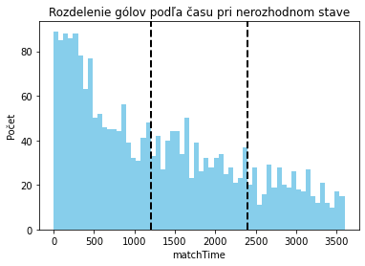
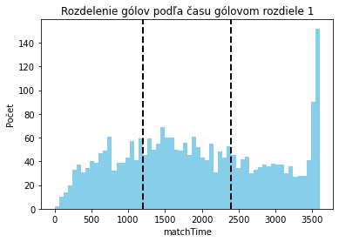
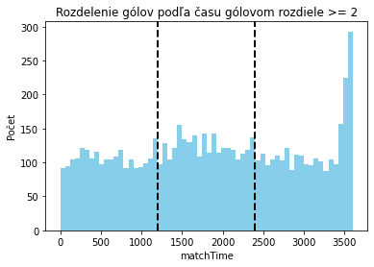
 |  |  |  |  |  |  |  |  |  |  |  |  |  | 2016/17 2min |  |  |  |  |  |  |  |  | 2016/17 3min |  |  |  |  |  |  |  |  |  |  | 2016/17 5min |  |  |  |  |  |  |  |  | 2016/17 10min |  |  |  |  |  |  |  |  |  |  | 2016/17 20min |  |  |  |  |  |  |  |  |  |  |  |  | 2016/17 30min |  |  |  |  |  |  |  |  |  |  | 2016/17 40min |  |  |  |  |  |  |  |  |  |  | 2016/17 50min
 |  |  |  |  |  |  |  |  |  |  |  |  |  |  | -3 | -2 | -1 | 0 | 1 | 2 | 3 | spolu |  | -3 | -2 | -1 | 0 | 1 | 2 | 3 | spolu |  |  |  | -3 | -2 | -1 | 0 | 1 | 2 | 3 | spolu |  | <=-4 | -3 | -2 | -1 | 0 | 1 | 2 | 3 | >=4 | spolu |  | <=-4 | -3 | -2 | -1 | 0 | 1 | 2 | 3 | >=4 | spolu |  |  |  | <=-4 | -3 | -2 | -1 | 0 | 1 | 2 | 3 | >=4 | spolu |  | <=-4 | -3 | -2 | -1 | 0 | 1 | 2 | 3 | >=4 | spolu |  | <=-4 | -3 | -2 | -1 | 0 | 1 | 2 | 3 | >=4 | spolu
 |  |  |  |  |  |  |  |  |  |  |  |  |  | H win | 1018 | 1812 | 2940 | 4543 | 6121 | 7528 | 8629 | 32591 | H win | 1000 | 1879 | 2936 | 4452 | 6226 | 7585 | 8540 | 32618 |  |  | H win | 971 | 1672 | 2919 | 4447 | 6085 | 7591 | 8640 | 32325 | H win | 404 | 769 | 1558 | 2771 | 4328 | 6161 | 7690 | 8718 | 9362 | 41761 | H win | 189 | 538 | 1231 | 2387 | 4132 | 6225 | 7903 | 8995 | 9563 | 41163 |  |  | H win | 98 | 331 | 853 | 1955 | 3885 | 6342 | 8317 | 9294 | 9769 | 40844 | H win | 16 | 107 | 392 | 1310 | 3399 | 6661 | 8695 | 9610 | 9915 | 40105 | H win | 2 | 14 | 82 | 488 | 2462 | 7464 | 9456 | 9928 | 9987 | 39883
 |  |  |  |  |  |  |  |  |  |  |  |  |  | draw | 1199 | 1629 | 2017 | 2033 | 1730 | 1308 | 814 | 10730 | draw | 1208 | 1663 | 2033 | 2109 | 1743 | 1309 | 873 | 10938 |  |  | draw | 1156 | 1726 | 2110 | 2081 | 1782 | 1256 | 827 | 10938 | draw | 671 | 1131 | 1667 | 2143 | 2227 | 1858 | 1308 | 785 | 441 | 12231 | draw | 518 | 1000 | 1640 | 2287 | 2527 | 1980 | 1286 | 693 | 308 | 12239 |  |  | draw | 336 | 772 | 1531 | 2525 | 2940 | 2155 | 1148 | 523 | 190 | 12120 | draw | 124 | 458 | 1236 | 2713 | 3651 | 2354 | 1018 | 331 | 72 | 11957 | draw | 19 | 109 | 614 | 2408 | 5349 | 2147 | 475 | 67 | 12 | 11200
 |  |  |  |  |  |  |  |  |  |  |  |  |  | A win | 7783 | 6559 | 5043 | 3424 | 2149 | 1164 | 557 | 26679 | A win | 7792 | 6458 | 5031 | 3439 | 2031 | 1106 | 587 | 26444 |  |  | A win | 7873 | 6602 | 4971 | 3472 | 2133 | 1153 | 533 | 26737 | A win | 8925 | 8100 | 6775 | 5086 | 3445 | 1981 | 1002 | 497 | 197 | 36008 | A win | 9293 | 8462 | 7129 | 5326 | 3341 | 1795 | 811 | 312 | 129 | 36598 |  |  | A win | 9566 | 8897 | 7616 | 5520 | 3175 | 1503 | 535 | 183 | 41 | 37036 | A win | 9860 | 9435 | 8372 | 5977 | 2950 | 985 | 287 | 59 | 13 | 37938 | A win | 9979 | 9877 | 9304 | 7104 | 2189 | 389 | 69 | 5 | 1 | 38917
 |  |  |  |  |  |  |  |  |  |  |  |  |  | spolu | 10000 | 10000 | 10000 | 10000 | 10000 | 10000 | 10000 | 70000 | spolu | 10000 | 10000 | 10000 | 10000 | 10000 | 10000 | 10000 | 70000 |  |  | spolu | 10000 | 10000 | 10000 | 10000 | 10000 | 10000 | 10000 | 70000 | spolu | 10000 | 10000 | 10000 | 10000 | 10000 | 10000 | 10000 | 10000 | 10000 | 90000 | spolu | 10000 | 10000 | 10000 | 10000 | 10000 | 10000 | 10000 | 10000 | 10000 | 90000 |  |  | spolu | 10000 | 10000 | 10000 | 10000 | 10000 | 10000 | 10000 | 10000 | 10000 | 90000 | spolu | 10000 | 10000 | 10000 | 10000 | 10000 | 10000 | 10000 | 10000 | 10000 | 90000 | spolu | 10000 | 10000 | 10000 | 10000 | 10000 | 10000 | 10000 | 10000 | 10000 | 90000

 |  |  |  |  |  |  |  |  |  |  |  |  |  | 2017/18 2min |  |  |  |  |  |  |  |  | 2017/18 3min |  |  |  |  |  |  |  |  |  |  | 2017/18 5min |  |  |  |  |  |  |  |  | 2017/18 10min |  |  |  |  |  |  |  |  |  |  | 2017/18 20min |  |  |  |  |  |  |  |  |  |  |  |  | 2017/18 30min |  |  |  |  |  |  |  |  |  |  | 2017/18 40min |  |  |  |  |  |  |  |  |  |  | 2017/18 50min
 |  |  |  |  |  |  |  |  |  |  |  |  |  |  | -3 | -2 | -1 | 0 | 1 | 2 | 3 | spolu |  | -3 | -2 | -1 | 0 | 1 | 2 | 3 | spolu |  |  |  | -3 | -2 | -1 | 0 | 1 | 2 | 3 | spolu |  | <=-4 | -3 | -2 | -1 | 0 | 1 | 2 | 3 | >=4 | spolu |  | <=-4 | -3 | -2 | -1 | 0 | 1 | 2 | 3 | >=4 | spolu |  |  |  | <=-4 | -3 | -2 | -1 | 0 | 1 | 2 | 3 | >=4 | spolu |  | <=-4 | -3 | -2 | -1 | 0 | 1 | 2 | 3 | >=4 | spolu |  | <=-4 | -3 | -2 | -1 | 0 | 1 | 2 | 3 | >=4 | spolu
 |  |  |  |  |  |  |  |  |  |  |  |  |  | H win | 1056 | 1863 | 2998 | 4519 | 6074 | 7488 | 8533 | 32531 | H win | 982 | 1771 | 2926 | 4403 | 6123 | 7512 | 8560 | 32277 |  |  | H win | 960 | 1749 | 2865 | 4451 | 6125 | 7572 | 8546 | 32268 | H win | 370 | 885 | 1592 | 2822 | 4355 | 6129 | 7567 | 8693 | 9346 | 41759 | H win | 229 | 555 | 1212 | 2473 | 4208 | 6216 | 7848 | 8910 | 9558 | 41209 |  |  | H win | 101 | 324 | 913 | 2025 | 3893 | 6252 | 8183 | 9224 | 9741 | 40656 | H win | 26 | 115 | 449 | 1389 | 3507 | 6561 | 8657 | 9585 | 9912 | 40201 | H win | 1 | 10 | 81 | 597 | 2633 | 7380 | 9442 | 9925 | 9982 | 40051
 |  |  |  |  |  |  |  |  |  |  |  |  |  | draw | 1105 | 1624 | 1885 | 1967 | 1694 | 1248 | 838 | 10361 | draw | 1176 | 1561 | 1932 | 2096 | 1732 | 1241 | 809 | 10547 |  |  | draw | 1148 | 1575 | 1853 | 2042 | 1780 | 1258 | 840 | 10496 | draw | 590 | 1098 | 1673 | 2041 | 2152 | 1785 | 1300 | 809 | 449 | 11897 | draw | 477 | 983 | 1571 | 2118 | 2432 | 1945 | 1268 | 749 | 314 | 11857 |  |  | draw | 326 | 753 | 1486 | 2426 | 2807 | 2168 | 1198 | 559 | 190 | 11913 | draw | 120 | 385 | 1274 | 2572 | 3537 | 2397 | 1029 | 342 | 82 | 11738 | draw | 16 | 116 | 632 | 2354 | 5023 | 2198 | 494 | 71 | 18 | 10922
 |  |  |  |  |  |  |  |  |  |  |  |  |  | A win | 7839 | 6513 | 5117 | 3514 | 2232 | 1264 | 629 | 27108 | A win | 7842 | 6668 | 5142 | 3501 | 2145 | 1247 | 631 | 27176 |  |  | A win | 7892 | 6676 | 5282 | 3507 | 2095 | 1170 | 614 | 27236 | A win | 9040 | 8017 | 6735 | 5137 | 3493 | 2086 | 1133 | 498 | 205 | 36344 | A win | 9294 | 8462 | 7217 | 5409 | 3360 | 1839 | 884 | 341 | 128 | 36934 |  |  | A win | 9573 | 8923 | 7601 | 5549 | 3300 | 1580 | 619 | 217 | 69 | 37431 | A win | 9854 | 9500 | 8277 | 6039 | 2956 | 1042 | 314 | 73 | 6 | 38061 | A win | 9983 | 9874 | 9287 | 7049 | 2344 | 422 | 64 | 4 | 0 | 39027
 |  |  |  |  |  |  |  |  |  |  |  |  |  | spolu | 10000 | 10000 | 10000 | 10000 | 10000 | 10000 | 10000 | 70000 | spolu | 10000 | 10000 | 10000 | 10000 | 10000 | 10000 | 10000 | 70000 |  |  | spolu | 10000 | 10000 | 10000 | 10000 | 10000 | 10000 | 10000 | 70000 | spolu | 10000 | 10000 | 10000 | 10000 | 10000 | 10000 | 10000 | 10000 | 10000 | 90000 | spolu | 10000 | 10000 | 10000 | 10000 | 10000 | 10000 | 10000 | 10000 | 10000 | 90000 |  |  | spolu | 10000 | 10000 | 10000 | 10000 | 10000 | 10000 | 10000 | 10000 | 10000 | 90000 | spolu | 10000 | 10000 | 10000 | 10000 | 10000 | 10000 | 10000 | 10000 | 10000 | 90000 | spolu | 10000 | 10000 | 10000 | 10000 | 10000 | 10000 | 10000 | 10000 | 10000 | 90000

náskok | lambda | 95% interval lambda |  | k | 95% interval k |  | mean time |  | len
0 | 744.2 | 717.0 | 772.3 | 1.0913 | 1.0591 | 1.1244 | 686.5 |  | 2729 |  |  |  |  | 2018/19 2min |  |  |  |  |  |  |  |  | 2018/19 3min |  |  |  |  |  |  |  |  |  |  | 2018/19 5min |  |  |  |  |  |  |  |  | 2018/19 10min |  |  |  |  |  |  |  |  |  |  | 2018/19 20min |  |  |  |  |  |  |  |  |  |  |  |  | 2018/19 30min |  |  |  |  |  |  |  |  |  |  | 2018/19 40min |  |  |  |  |  |  |  |  |  |  | 2018/19 50min
1 | 622.6 | 600.7 | 645.2 | 1.1349 | 1.1014 | 1.1693 | 594.3 |  | 2529 |  |  |  |  |  | -3 | -2 | -1 | 0 | 1 | 2 | 3 | spolu |  | -3 | -2 | -1 | 0 | 1 | 2 | 3 | spolu |  |  |  | -3 | -2 | -1 | 0 | 1 | 2 | 3 | spolu |  | <=-4 | -3 | -2 | -1 | 0 | 1 | 2 | 3 | >=4 | spolu |  | <=-4 | -3 | -2 | -1 | 0 | 1 | 2 | 3 | >=4 | spolu |  |  |  | <=-4 | -3 | -2 | -1 | 0 | 1 | 2 | 3 | >=4 | spolu |  | <=-4 | -3 | -2 | -1 | 0 | 1 | 2 | 3 | >=4 | spolu |  | <=-4 | -3 | -2 | -1 | 0 | 1 | 2 | 3 | >=4 | spolu
2 | 524.9 | 497.9 | 553.3 | 1.1071 | 1.0601 | 1.1562 | 505.1 |  | 1252 |  |  |  |  | H win | 985 | 1860 | 3082 | 4498 | 6119 | 7519 | 8535 | 32598 | H win | 1007 | 1875 | 2963 | 4515 | 6249 | 7467 | 8501 | 32577 |  |  | H win | 999 | 1770 | 2966 | 4561 | 6196 | 7527 | 8552 | 32571 | H win | 443 | 827 | 1643 | 2902 | 4386 | 6132 | 7590 | 8672 | 9308 | 41903 | H win | 260 | 571 | 1271 | 2476 | 4243 | 6281 | 7880 | 8936 | 9527 | 41445 |  |  | H win | 90 | 332 | 929 | 2065 | 4037 | 6220 | 8156 | 9251 | 9699 | 40779 | H win | 45 | 132 | 448 | 1374 | 3440 | 6645 | 8688 | 9585 | 9907 | 40264 | H win | 2 | 14 | 85 | 568 | 2709 | 7324 | 9439 | 9914 | 9982 | 40037
3 | 479.2 | 440.4 | 521.4 | 1.1459 | 1.0654 | 1.2325 | 456.7 |  | 455 |  |  |  |  | draw | 1217 | 1493 | 1896 | 1915 | 1675 | 1195 | 830 | 10221 | draw | 1149 | 1563 | 1874 | 1871 | 1614 | 1235 | 852 | 10158 |  |  | draw | 1091 | 1562 | 1851 | 1955 | 1700 | 1237 | 824 | 10220 | draw | 614 | 1065 | 1513 | 1943 | 2101 | 1760 | 1296 | 778 | 455 | 11525 | draw | 530 | 991 | 1517 | 2170 | 2342 | 1850 | 1272 | 684 | 332 | 11688 |  |  | draw | 338 | 716 | 1509 | 2355 | 2701 | 2160 | 1223 | 535 | 240 | 11777 | draw | 143 | 446 | 1266 | 2629 | 3368 | 2234 | 1003 | 350 | 78 | 11517 | draw | 13 | 107 | 618 | 2411 | 4931 | 2213 | 496 | 78 | 15 | 10882
4+ | 425.1 | 377.3 | 478.9 | 1.1549 | 1.0443 | 1.2772 | 408.8 |  | 223 |  |  |  |  | A win | 7798 | 6647 | 5022 | 3587 | 2206 | 1286 | 635 | 27181 | A win | 7844 | 6562 | 5163 | 3614 | 2137 | 1298 | 647 | 27265 |  |  | A win | 7910 | 6668 | 5183 | 3484 | 2104 | 1236 | 624 | 27209 | A win | 8943 | 8108 | 6844 | 5155 | 3513 | 2108 | 1114 | 550 | 237 | 36572 | A win | 9210 | 8438 | 7212 | 5354 | 3415 | 1869 | 848 | 380 | 141 | 36867 |  |  | A win | 9572 | 8952 | 7562 | 5580 | 3262 | 1620 | 621 | 214 | 61 | 37444 | A win | 9812 | 9422 | 8286 | 5997 | 3192 | 1121 | 309 | 65 | 15 | 38219 | A win | 9985 | 9879 | 9297 | 7021 | 2360 | 463 | 65 | 8 | 3 | 39081
 |  |  |  |  |  |  |  |  |  |  |  |  |  | spolu | 10000 | 10000 | 10000 | 10000 | 10000 | 10000 | 10000 | 70000 | spolu | 10000 | 10000 | 10000 | 10000 | 10000 | 10000 | 10000 | 70000 |  |  | spolu | 10000 | 10000 | 10000 | 10000 | 10000 | 10000 | 10000 | 70000 | spolu | 10000 | 10000 | 10000 | 10000 | 10000 | 10000 | 10000 | 10000 | 10000 | 90000 | spolu | 10000 | 10000 | 10000 | 10000 | 10000 | 10000 | 10000 | 10000 | 10000 | 90000 |  |  | spolu | 10000 | 10000 | 10000 | 10000 | 10000 | 10000 | 10000 | 10000 | 10000 | 90000 | spolu | 10000 | 10000 | 10000 | 10000 | 10000 | 10000 | 10000 | 10000 | 10000 | 90000 | spolu | 10000 | 10000 | 10000 | 10000 | 10000 | 10000 | 10000 | 10000 | 10000 | 90000
2017/2018 | lambda | 95% interval lambda |  | k | 95% interval k |  | mean time |  | len
0 | 686.7 | 662.0 | 712.4 | 1.0792 | 1.0481 | 1.1112 | 634.5 |  | 2860
1 | 571.5 | 551.6 | 592.1 | 1.1038 | 1.0728 | 1.1357 | 550.1 |  | 2809 |  |  |  |  | 2019/20 2min |  |  |  |  |  |  |  |  | 2019/20 3min |  |  |  |  |  |  |  |  |  |  | 2019/20 5min |  |  |  |  |  |  |  |  | 2018/19 10min |  |  |  |  |  |  |  |  |  |  | 2018/19 20min |  |  |  |  |  |  |  |  |  |  |  |  | 2018/19 30min |  |  |  |  |  |  |  |  |  |  | 2018/19 40min |  |  |  |  |  |  |  |  |  |  | 2018/19 50min
2 | 528.7 | 503.5 | 555.2 | 1.1303 | 1.0850 | 1.1774 | 505.3 |  | 1401 |  |  |  |  |  | -3 | -2 | -1 | 0 | 1 | 2 | 3 | spolu |  | -3 | -2 | -1 | 0 | 1 | 2 | 3 | spolu |  |  |  | -3 | -2 | -1 | 0 | 1 | 2 | 3 | spolu |  | <=-4 | -3 | -2 | -1 | 0 | 1 | 2 | 3 | >=4 | spolu |  | <=-4 | -3 | -2 | -1 | 0 | 1 | 2 | 3 | >=4 | spolu |  |  |  | <=-4 | -3 | -2 | -1 | 0 | 1 | 2 | 3 | >=4 | spolu |  | <=-4 | -3 | -2 | -1 | 0 | 1 | 2 | 3 | >=4 | spolu |  | <=-4 | -3 | -2 | -1 | 0 | 1 | 2 | 3 | >=4 | spolu
3 | 469.9 | 436.1 | 506.3 | 1.1411 | 1.0722 | 1.2145 | 447.5 |  | 591 |  |  |  |  | H win | 1027 | 1893 | 3002 | 4506 | 6213 | 7509 | 8507 | 32657 | H win | 1072 | 1794 | 2953 | 4546 | 6177 | 7488 | 8592 | 32622 |  |  | H win | 981 | 1731 | 2971 | 4428 | 6211 | 7590 | 8520 | 32432 | H win | 403 | 805 | 1682 | 2856 | 4424 | 6177 | 7659 | 8736 | 9340 | 42082 | H win | 230 | 615 | 1265 | 2476 | 4236 | 6136 | 7822 | 8952 | 9563 | 41295 |  |  | H win | 95 | 326 | 799 | 1899 | 3864 | 6146 | 8082 | 9174 | 9687 | 40072 | H win | 25 | 110 | 430 | 1349 | 3481 | 6440 | 8654 | 9543 | 9887 | 39919 | H win | 1 | 9 | 92 | 562 | 2545 | 7190 | 9392 | 9898 | 9991 | 39680
4+ | 456.0 | 415.7 | 500.1 | 1.229 | 1.1298 | 1.3368 | 425.8 |  | 331 |  |  |  |  | draw | 1089 | 1511 | 1889 | 1959 | 1622 | 1242 | 829 | 10141 | draw | 1069 | 1581 | 1883 | 1929 | 1650 | 1280 | 762 | 10154 |  |  | draw | 1125 | 1477 | 1879 | 2065 | 1711 | 1222 | 853 | 10332 | draw | 634 | 1051 | 1570 | 1917 | 2063 | 1805 | 1209 | 757 | 428 | 11434 | draw | 499 | 930 | 1542 | 2098 | 2307 | 1943 | 1322 | 681 | 296 | 11618 |  |  | draw | 270 | 752 | 1378 | 2327 | 2659 | 2173 | 1258 | 609 | 237 | 11663 | draw | 124 | 480 | 1196 | 2480 | 3358 | 2384 | 1007 | 359 | 100 | 11488 | draw | 12 | 97 | 608 | 2366 | 5108 | 2277 | 535 | 92 | 9 | 11104
 |  |  |  |  |  |  |  |  |  |  |  |  |  | A win | 7884 | 6596 | 5109 | 3535 | 2165 | 1249 | 664 | 27202 | A win | 7859 | 6625 | 5164 | 3525 | 2173 | 1232 | 646 | 27224 |  |  | A win | 7894 | 6792 | 5150 | 3507 | 2078 | 1188 | 627 | 27236 | A win | 8963 | 8144 | 6748 | 5227 | 3513 | 2018 | 1132 | 507 | 232 | 36484 | A win | 9271 | 8455 | 7193 | 5426 | 3457 | 1921 | 856 | 367 | 141 | 37087 |  |  | A win | 9635 | 8922 | 7823 | 5774 | 3477 | 1681 | 660 | 217 | 76 | 38265 | A win | 9851 | 9410 | 8374 | 6171 | 3161 | 1176 | 339 | 98 | 13 | 38593 | A win | 9987 | 9894 | 9300 | 7072 | 2347 | 533 | 73 | 10 | 0 | 39216
2018/2019 | lambda | 95% interval lambda |  | k | 95% interval k |  | mean time |  | len |  |  |  |  | spolu | 10000 | 10000 | 10000 | 10000 | 10000 | 10000 | 10000 | 70000 | spolu | 10000 | 10000 | 10000 | 10000 | 10000 | 10000 | 10000 | 70000 |  |  | spolu | 10000 | 10000 | 10000 | 10000 | 10000 | 10000 | 10000 | 70000 | spolu | 10000 | 10000 | 10000 | 10000 | 10000 | 10000 | 10000 | 10000 | 10000 | 90000 | spolu | 10000 | 10000 | 10000 | 10000 | 10000 | 10000 | 10000 | 10000 | 10000 | 90000 |  |  | spolu | 10000 | 10000 | 10000 | 10000 | 10000 | 10000 | 10000 | 10000 | 10000 | 90000 | spolu | 10000 | 10000 | 10000 | 10000 | 10000 | 10000 | 10000 | 10000 | 10000 | 90000 | spolu | 10000 | 10000 | 10000 | 10000 | 10000 | 10000 | 10000 | 10000 | 10000 | 90000
0 | 665.0 | 641.4 | 689.5 | 1.0863 | 1.0556 | 1.1178 | 620.4 |  | 2879
1 | 575.4 | 555.8 | 595.7 | 1.1034 | 1.0729 | 1.1348 | 554.1 |  | 2932
2 | 513.4 | 489.3 | 538.6 | 1.1058 | 1.0635 | 1.1498 | 494.0 |  | 1518 |  |  |  |  | SPOLU 2min |  |  |  |  |  |  |  |  | SPOLU 3min |  |  |  |  |  |  |  |  |  |  | SPOLU 5min |  |  |  |  |  |  |  |  | SPOLU 10min |  |  |  |  |  |  |  |  |  |  | SPOLU 20min |  |  |  |  |  |  |  |  |  |  |  |  | SPOLU 30min |  |  |  |  |  |  |  |  |  |  | SPOLU 40min |  |  |  |  |  |  |  |  |  |  | SPOLU 50min
3 | 481.3 | 445.8 | 520.0 | 1.1143 | 1.0463 | 1.1867 | 462.0 |  | 587 |  |  |  |  |  | -3 | -2 | -1 | 0 | 1 | 2 | 3 | spolu |  | -3 | -2 | -1 | 0 | 1 | 2 | 3 | spolu |  |  |  | -3 | -2 | -1 | 0 | 1 | 2 | 3 | spolu |  | <=-4 | -3 | -2 | -1 | 0 | 1 | 2 | 3 | >=4 | spolu |  | <=-4 | -3 | -2 | -1 | 0 | 1 | 2 | 3 | >=4 | spolu |  |  |  | <=-4 | -3 | -2 | -1 | 0 | 1 | 2 | 3 | >=4 | spolu |  | <=-4 | -3 | -2 | -1 | 0 | 1 | 2 | 3 | >=4 | spolu |  | <=-4 | -3 | -2 | -1 | 0 | 1 | 2 | 3 | >=4 | spolu
4+ | 400.0 | 362.2 | 441.6 | 1.1399 | 1.0476 | 1.2404 | 381.5 |  | 334 |  |  |  |  | H win | 4086 | 7428 | 12022 | 18066 | 24527 | 30044 | 34204 | 130377 | H win | 4061 | 7319 | 11778 | 17916 | 24775 | 30052 | 34193 | 130094 |  |  | H win | 3911 | 6922 | 11721 | 17887 | 24617 | 30280 | 34258 | 129596 | H win | 1620 | 3286 | 6475 | 11351 | 17493 | 24599 | 30506 | 34819 | 37356 | 167505 | H win | 908 | 2279 | 4979 | 9812 | 16819 | 24858 | 31453 | 35793 | 38211 | 165112 |  |  | H win | 384 | 1313 | 3494 | 7944 | 15679 | 24960 | 32738 | 36943 | 38896 | 162351 | H win | 112 | 464 | 1719 | 5422 | 13827 | 26307 | 34694 | 38323 | 39621 | 160489 | H win | 6 | 47 | 340 | 2215 | 10349 | 29358 | 37729 | 39665 | 39942 | 159651
 |  |  |  |  |  |  |  |  |  |  |  |  |  | draw | 4610 | 6257 | 7687 | 7874 | 6721 | 4993 | 3311 | 41453 | draw | 4602 | 6368 | 7722 | 8005 | 6739 | 5065 | 3296 | 41797 |  |  | draw | 4520 | 6340 | 7693 | 8143 | 6973 | 4973 | 3344 | 41986 | draw | 2509 | 4345 | 6423 | 8044 | 8543 | 7208 | 5113 | 3129 | 1773 | 47087 | draw | 2024 | 3904 | 6270 | 8673 | 9608 | 7718 | 5148 | 2807 | 1250 | 47402 |  |  | draw | 1270 | 2993 | 5904 | 9633 | 11107 | 8656 | 4827 | 2226 | 857 | 47473 | draw | 511 | 1769 | 4972 | 10394 | 13914 | 9369 | 4057 | 1382 | 332 | 46700 | draw | 60 | 429 | 2472 | 9539 | 20411 | 8835 | 2000 | 308 | 54 | 44108
 |  |  |  |  |  |  |  |  |  |  |  |  |  | A win | 31304 | 26315 | 20291 | 14060 | 8752 | 4963 | 2485 | 108170 | A win | 31337 | 26313 | 20500 | 14079 | 8486 | 4883 | 2511 | 108109 |  |  | A win | 31569 | 26738 | 20586 | 13970 | 8410 | 4747 | 2398 | 108418 | A win | 35871 | 32369 | 27102 | 20605 | 13964 | 8193 | 4381 | 2052 | 871 | 145408 | A win | 37068 | 33817 | 28751 | 21515 | 13573 | 7424 | 3399 | 1400 | 539 | 147486 |  |  | A win | 38346 | 35694 | 30602 | 22423 | 13214 | 6384 | 2435 | 831 | 247 | 150176 | A win | 39377 | 37767 | 33309 | 24184 | 12259 | 4324 | 1249 | 295 | 47 | 152811 | A win | 39934 | 39524 | 37188 | 28246 | 9240 | 1807 | 271 | 27 | 4 | 156241
2019/2020 | lambda | 95% interval lambda |  | k | 95% interval k |  | mean time |  | len |  |  |  |  | spolu | 40000 | 40000 | 40000 | 40000 | 40000 | 40000 | 40000 | 280000 | spolu | 40000 | 40000 | 40000 | 40000 | 40000 | 40000 | 40000 | 280000 |  |  | spolu | 40000 | 40000 | 40000 | 40000 | 40000 | 40000 | 40000 | 280000 | spolu | 40000 | 40000 | 40000 | 40000 | 40000 | 40000 | 40000 | 40000 | 40000 | 360000 | spolu | 40000 | 40000 | 40000 | 40000 | 40000 | 40000 | 40000 | 40000 | 40000 | 360000 |  |  | spolu | 40000 | 40000 | 40000 | 40000 | 40000 | 40000 | 40000 | 40000 | 40000 | 360000 | spolu | 40000 | 40000 | 40000 | 40000 | 40000 | 40000 | 40000 | 40000 | 40000 | 360000 | spolu | 40000 | 40000 | 40000 | 40000 | 40000 | 40000 | 40000 | 40000 | 40000 | 360000
0 | 663.5 | 638.2 | 689.7 | 1.0691 | 1.0370 | 1.1021 | 616.4 |  | 2607
1 | 572.8 | 552.3 | 594.0 | 1.1115 | 1.0790 | 1.1450 | 550.0 |  | 2618
2 | 522.4 | 495.7 | 550.6 | 1.0772 | 1.0328 | 1.1234 | 507.5 |  | 1336 |  |  |  |  | GRAFY
3 | 463.2 | 427.0 | 502.5 | 1.1177 | 1.0451 | 1.1953 | 444.3 |  | 516
4+ | 453.6 | 409.0 | 503.1 | 1.1856 | 1.0834 | 1.2975 | 427.3 |  | 284
 |  |  |  |  |  |  |  |  |  |  |  |  |  | simulácie pre t = 2min |  |  |  |  |  |  |  |  | simulácie pre t = 3min |  |  |  |  |  |  |  |  |  |  | simulácie pre t = 5min |  |  |  |  |  |  |  |  | simulácie pre t = 10min |  |  |  |  |  |  |  |  |  |  | simulácie pre t = 20min |  |  |  |  |  |  |  |  |  |  |  |  | simulácie pre t = 30min |  |  |  |  |  |  |  |  |  |  | simulácie pre t = 40min |  |  |  |  |  |  |  |  |  |  | simulácie pre t = 50min
 |  |  |  |  |  |  |  |  |  |  |  |  |  |  | -3 | -2 | -1 | 0 | 1 | 2 | 3 | spolu |  | -3 | -2 | -1 | 0 | 1 | 2 | 3 | spolu |  |  |  | -3 | -2 | -1 | 0 | 1 | 2 | 3 | spolu |  | <=-4 | -3 | -2 | -1 | 0 | 1 | 2 | 3 | >=4 | spolu |  | <=-4 | -3 | -2 | -1 | 0 | 1 | 2 | 3 | >=4 | spolu |  |  |  | <=-4 | -3 | -2 | -1 | 0 | 1 | 2 | 3 | >=4 | spolu |  | <=-4 | -3 | -2 | -1 | 0 | 1 | 2 | 3 | >=4 | spolu |  | <=-4 | -3 | -2 | -1 | 0 | 1 | 2 | 3 | >=4 | spolu
 |  |  |  |  |  |  |  |  |  |  |  |  |  | H win | 0.102 | 0.186 | 0.301 | 0.452 | 0.613 | 0.751 | 0.855 | 3.26 | H win | 0.102 | 0.183 | 0.294 | 0.448 | 0.619 | 0.751 | 0.855 | 3.25 |  |  | H win | 0.098 | 0.173 | 0.293 | 0.447 | 0.615 | 0.757 | 0.856 | 3.24 | H win | 0.041 | 0.082 | 0.162 | 0.284 | 0.437 | 0.615 | 0.763 | 0.870 | 0.934 | 4.19 | H win | 0.023 | 0.057 | 0.124 | 0.245 | 0.420 | 0.621 | 0.786 | 0.895 | 0.955 | 4.13 |  |  | H win | 0.010 | 0.033 | 0.087 | 0.199 | 0.392 | 0.624 | 0.818 | 0.924 | 0.972 | 4.06 | H win | 0.003 | 0.012 | 0.043 | 0.136 | 0.346 | 0.658 | 0.867 | 0.958 | 0.991 | 4.01 | H win | 0.000 | 0.001 | 0.009 | 0.055 | 0.259 | 0.734 | 0.943 | 0.992 | 0.999 | 3.99
 |  |  |  |  |  |  |  |  |  |  |  |  |  | draw | 0.115 | 0.156 | 0.192 | 0.197 | 0.168 | 0.125 | 0.083 | 1.04 | draw | 0.115 | 0.159 | 0.193 | 0.200 | 0.168 | 0.127 | 0.082 | 1.04 |  |  | draw | 0.113 | 0.159 | 0.192 | 0.204 | 0.174 | 0.124 | 0.084 | 1.05 | draw | 0.063 | 0.109 | 0.161 | 0.201 | 0.214 | 0.180 | 0.128 | 0.078 | 0.044 | 1.18 | draw | 0.051 | 0.098 | 0.157 | 0.217 | 0.240 | 0.193 | 0.129 | 0.070 | 0.031 | 1.19 |  |  | draw | 0.032 | 0.075 | 0.148 | 0.241 | 0.278 | 0.216 | 0.121 | 0.056 | 0.021 | 1.19 | draw | 0.013 | 0.044 | 0.124 | 0.260 | 0.348 | 0.234 | 0.101 | 0.035 | 0.008 | 1.17 | draw | 0.002 | 0.011 | 0.062 | 0.238 | 0.510 | 0.221 | 0.050 | 0.008 | 0.001 | 1.10
 |  |  |  |  |  |  |  |  |  |  |  |  |  | A win | 0.783 | 0.658 | 0.507 | 0.352 | 0.219 | 0.124 | 0.062 | 2.70 | A win | 0.783 | 0.658 | 0.513 | 0.352 | 0.212 | 0.122 | 0.063 | 2.70 |  |  | A win | 0.789 | 0.668 | 0.515 | 0.349 | 0.210 | 0.119 | 0.060 | 2.71 | A win | 0.897 | 0.809 | 0.678 | 0.515 | 0.349 | 0.205 | 0.110 | 0.051 | 0.022 | 3.64 | A win | 0.927 | 0.845 | 0.719 | 0.538 | 0.339 | 0.186 | 0.085 | 0.035 | 0.013 | 3.69 |  |  | A win | 0.959 | 0.892 | 0.765 | 0.561 | 0.330 | 0.160 | 0.061 | 0.021 | 0.006 | 3.75 | A win | 0.984 | 0.944 | 0.833 | 0.605 | 0.306 | 0.108 | 0.031 | 0.007 | 0.001 | 3.82 | A win | 0.998 | 0.988 | 0.930 | 0.706 | 0.231 | 0.045 | 0.007 | 0.001 | 0.000 | 3.91
 |  |  |  |  |  |  |  |  |  |  |  |  |  | reálne dáta pre t = 2min |  |  |  |  |  |  |  |  | reálne dáta pre t = 3min |  |  |  |  |  |  |  |  |  |  | reálne dáta pre t = 5min |  |  |  |  |  |  |  |  | reálne dáta pre = 10min |  |  |  |  |  |  |  |  |  |  | reálne dáta pre = 20min |  |  |  |  |  |  |  |  |  |  |  |  | reálne dáta pre = 30min |  |  |  |  |  |  |  |  |  |  | reálne dáta pre = 40min |  |  |  |  |  |  |  |  |  |  | reálne dáta pre = 50min
 |  |  |  |  |  |  |  |  |  |  |  |  |  |  | -3 | -2 | -1 | 0 | 1 | 2 | 3 | spolu |  | -3 | -2 | -1 | 0 | 1 | 2 | 3 | spolu |  |  |  | -3 | -2 | -1 | 0 | 1 | 2 | 3 | spolu |  | <=-4 | -3 | -2 | -1 | 0 | 1 | 2 | 3 | >=4 | spolu |  | <=-4 | -3 | -2 | -1 | 0 | 1 | 2 | 3 | >=4 | spolu |  |  |  | <=-4 | -3 | -2 | -1 | 0 | 1 | 2 | 3 | >=4 | spolu |  | <=-4 | -3 | -2 | -1 | 0 | 1 | 2 | 3 | >=4 | spolu |  | <=-4 | -3 | -2 | -1 | 0 | 1 | 2 | 3 | >=4 | spolu
 |  |  |  |  |  |  |  |  |  |  |  |  |  | H win | - | 0.000 | 0.261 | 0.425 | 0.623 | 0.778 | - | 2.09 | H win | - | 0.111 | 0.286 | 0.418 | 0.644 | 0.824 | 1 | 3.28 |  |  | H win | 0.000 | 0.064 | 0.275 | 0.417 | 0.617 | 0.810 | 1.000 | 3.18 | H win | 0.000 | 0.000 | 0.116 | 0.259 | 0.410 | 0.601 | 0.792 | 1.000 | 1.000 | 4.18 | H win | 0.000 | 0.046 | 0.110 | 0.214 | 0.403 | 0.598 | 0.776 | 0.942 | 1.000 | 4.09 |  |  | H win | 0.000 | 0.005 | 0.072 | 0.174 | 0.367 | 0.627 | 0.815 | 0.930 | 1.000 | 3.99 | H win | 0.000 | 0.008 | 0.036 | 0.116 | 0.326 | 0.648 | 0.871 | 0.960 | 0.995 | 3.96 | H win | 0.000 | 0.000 | 0.011 | 0.048 | 0.235 | 0.719 | 0.939 | 0.995 | 1.000 | 3.95
 |  |  |  |  |  |  |  |  |  |  |  |  |  | draw | - | 0.000 | 0.225 | 0.230 | 0.187 | 0.111 | - | 0.75 | draw | - | 0.222 | 0.212 | 0.235 | 0.179 | 0.059 | 0 | 0.91 |  |  | draw | 0.000 | 0.170 | 0.222 | 0.240 | 0.190 | 0.063 | 0.000 | 0.89 | draw | 0.000 | 0.111 | 0.168 | 0.236 | 0.247 | 0.204 | 0.128 | 0.000 | 0.000 | 1.09 | draw | 0.000 | 0.080 | 0.171 | 0.265 | 0.255 | 0.237 | 0.154 | 0.036 | 0.000 | 1.20 |  |  | draw | 0.016 | 0.079 | 0.157 | 0.278 | 0.318 | 0.237 | 0.143 | 0.058 | 0.000 | 1.29 | draw | 0.000 | 0.037 | 0.125 | 0.313 | 0.394 | 0.264 | 0.098 | 0.036 | 0.005 | 1.27 | draw | 0.006 | 0.007 | 0.074 | 0.282 | 0.575 | 0.244 | 0.054 | 0.003 | 0.000 | 1.25
 |  |  |  |  |  |  |  |  |  |  |  |  |  | A win | - | 1.000 | 0.514 | 0.345 | 0.190 | 0.111 | - | 2.16 | A win | - | 0.667 | 0.502 | 0.347 | 0.177 | 0.118 | 0 | 1.81 |  |  | A win | 1.000 | 0.766 | 0.503 | 0.343 | 0.193 | 0.127 | 0.000 | 2.93 | A win | 1.000 | 0.889 | 0.716 | 0.505 | 0.343 | 0.194 | 0.080 | 0.000 | 0.000 | 3.73 | A win | 1.000 | 0.874 | 0.719 | 0.521 | 0.341 | 0.165 | 0.070 | 0.022 | 0.000 | 3.71 |  |  | A win | 0.984 | 0.915 | 0.772 | 0.548 | 0.315 | 0.137 | 0.041 | 0.012 | 0.000 | 3.72 | A win | 1.000 | 0.955 | 0.839 | 0.571 | 0.280 | 0.088 | 0.031 | 0.003 | 0.000 | 3.77 | A win | 0.994 | 0.993 | 0.914 | 0.670 | 0.190 | 0.037 | 0.006 | 0.003 | 0.000 | 3.81
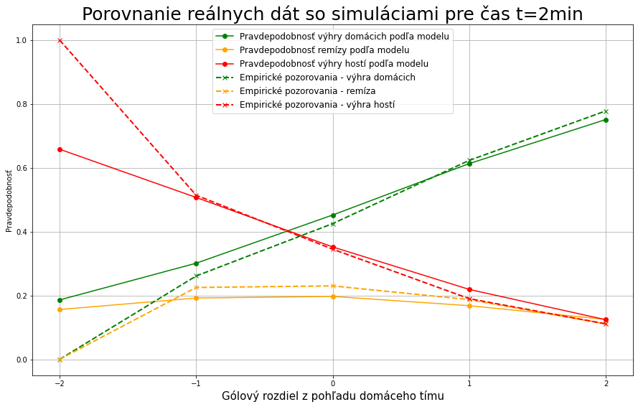
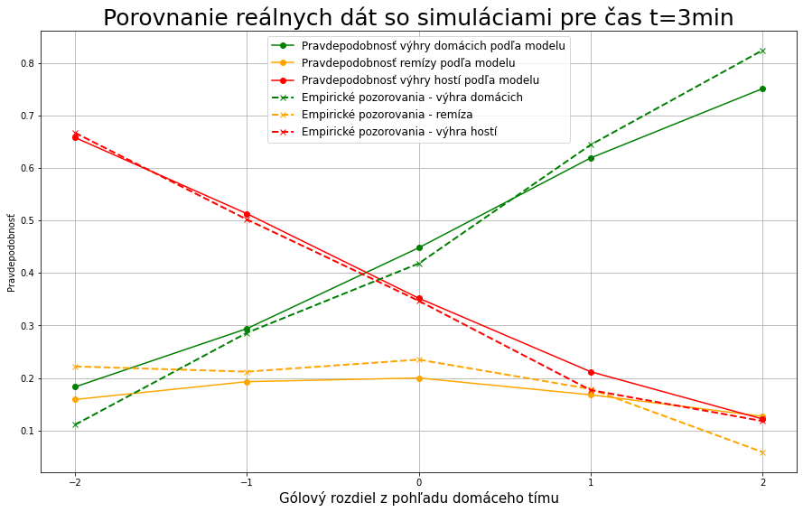
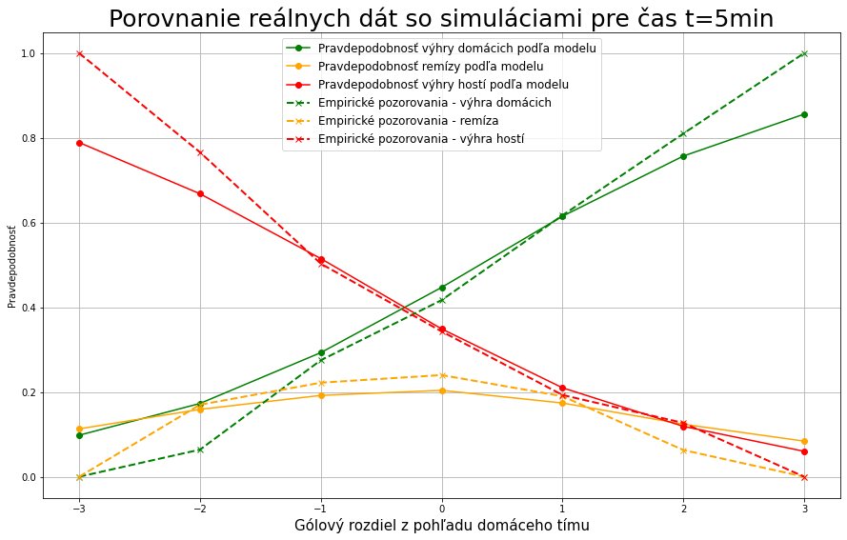
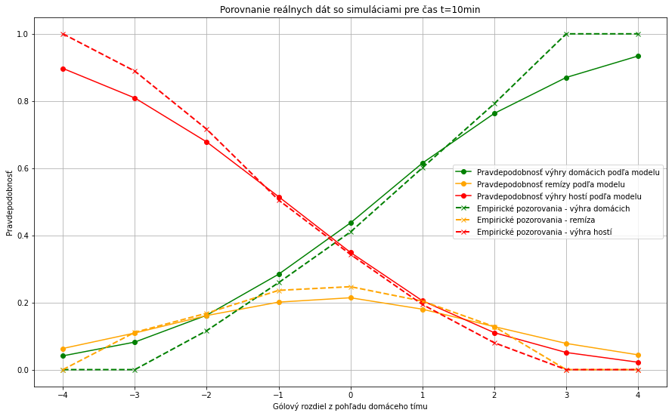
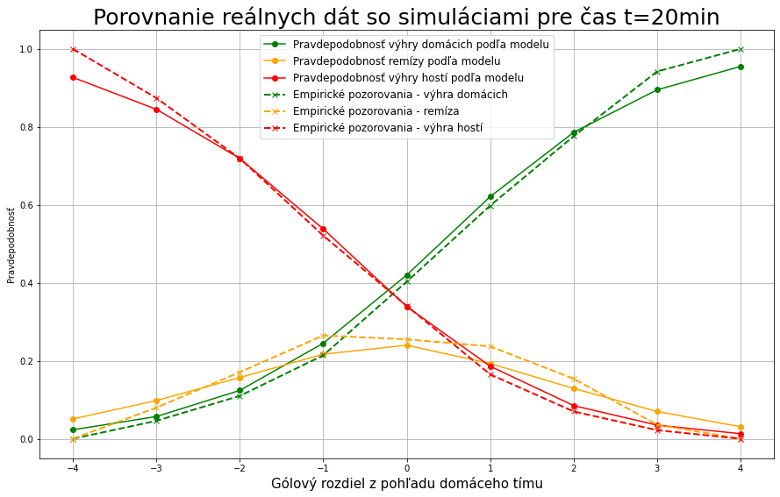
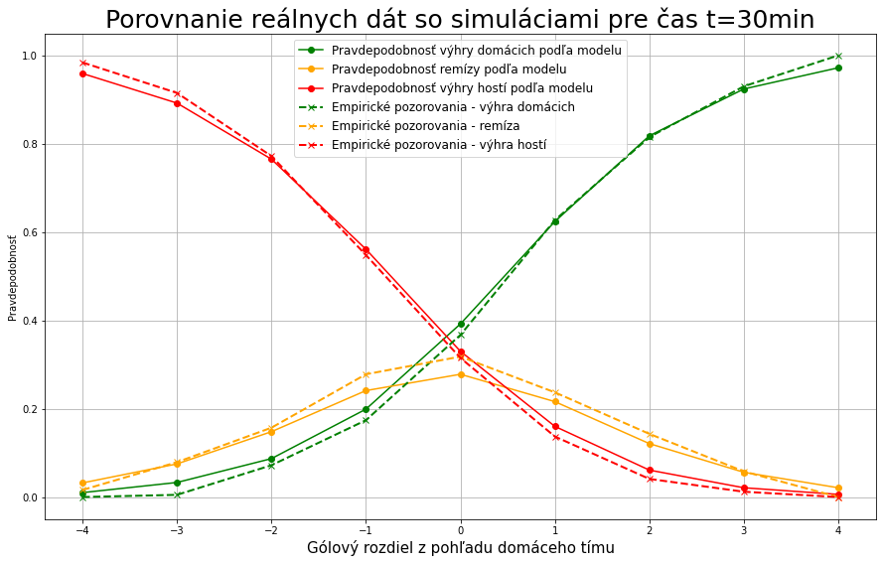
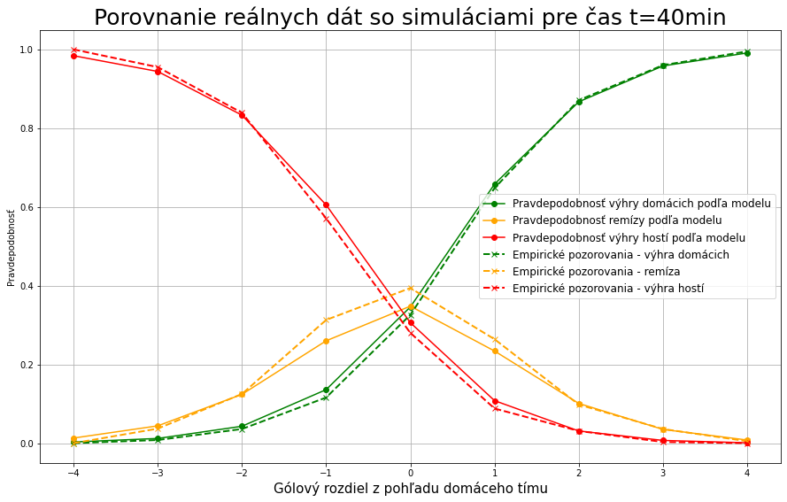
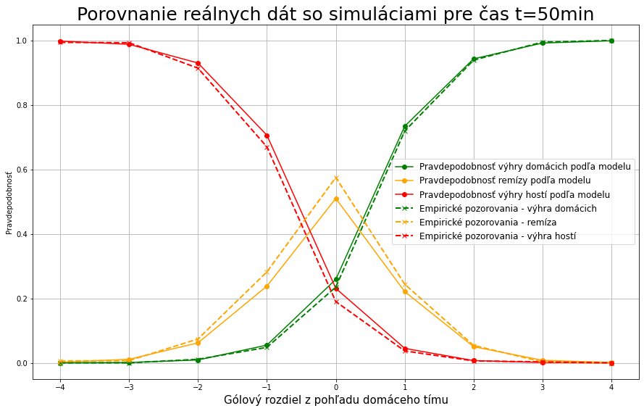

PRAVDEPODOBNOSŤ NA JEDNOTLIVĚ VÝSLEDKY PRI JEDNOTLIVÝCH GÓLOVÝCH ROZDIELOCH

domáci o 2
domaci o 1
remiza
hostia o 1
hostia o 2
náskok | čas | wins/1000 | p(win) | draws/10000 | p(draw) | losses/10000 | p(lose) |  |  |  |  |  |  | náskok | čas | wins/1000 | p(win) | draws/10000 | p(draw) | losses/10000 | p(lose) |  |  |  |  |  |  |  |  | náskok | čas | wins/1000 | p(win) | draws/10000 | p(draw) | losses/10000 | p(lose) |  |  |  |  |  |  |  |  | náskok | čas | wins/1000 | p(win) | draws/10000 | p(draw) | losses/10000 | p(lose) |  |  |  |  |  |  |  |  | náskok | čas | wins/1000 | p(win) | draws/10000 | p(draw) | losses/10000 | p(lose)
2 | 2 | 7350 | 0.735 | 1294 | 0.1294 | 1356 | 0.1356 |  |  |  |  |  |  | 1 | 2 | 5897 | 0.5897 | 1678 | 0.1678 | 2425 | 0.2425 |  |  |  |  |  |  |  |  | 0 | 2 | 4305 | 0.4305 | 1884 | 0.1884 | 3811 | 0.3811 |  |  |  |  |  |  |  |  | -1 | 2 | 2835 | 0.2835 | 1848 | 0.1848 | 5317 | 0.5317 |  |  |  |  |  |  |  |  | -2 | 2 | 1806 | 0.1806 | 1477 | 0.1477 | 6717 | 0.6717
 | 4 | 7397 | 0.7397 | 1306 | 0.1306 | 1297 | 0.1297 |  |  |  |  |  |  |  | 4 | 5951 | 0.5951 | 1807 | 0.1807 | 2242 | 0.2242 |  |  |  |  |  |  |  |  |  | 4 | 4289 | 0.4289 | 1947 | 0.1947 | 3764 | 0.3764 |  |  |  |  |  |  |  |  |  | 4 | 2851 | 0.2851 | 1869 | 0.1869 | 5280 | 0.528 |  |  |  |  |  |  |  |  |  | 4 | 1693 | 0.1693 | 1521 | 0.1521 | 6786 | 0.6786
 | 6 | 7443 | 0.7443 | 1320 | 0.132 | 1237 | 0.1237 |  |  |  |  |  |  |  | 6 | 5931 | 0.5931 | 1781 | 0.1781 | 2288 | 0.2288 |  |  |  |  |  |  |  |  |  | 6 | 4166 | 0.4166 | 2120 | 0.212 | 3714 | 0.3714 |  |  |  |  |  |  |  |  |  | 6 | 2730 | 0.273 | 1860 | 0.186 | 5410 | 0.541 |  |  |  |  |  |  |  |  |  | 6 | 1657 | 0.1657 | 1451 | 0.1451 | 6892 | 0.6892
 | 8 | 7461 | 0.7461 | 1320 | 0.132 | 1219 | 0.1219 |  |  |  |  |  |  |  | 8 | 5961 | 0.5961 | 1829 | 0.1829 | 2210 | 0.221 |  |  |  |  |  |  |  |  |  | 8 | 4350 | 0.435 | 2038 | 0.2038 | 3612 | 0.3612 |  |  |  |  |  |  |  |  |  | 8 | 2797 | 0.2797 | 1917 | 0.1917 | 5286 | 0.5286 |  |  |  |  |  |  |  |  |  | 8 | 1560 | 0.156 | 1520 | 0.152 | 6920 | 0.692
 | 10 | 7475 | 0.7475 | 1378 | 0.1378 | 1147 | 0.1147 |  |  |  |  |  |  |  | 10 | 5928 | 0.5928 | 1804 | 0.1804 | 2268 | 0.2268 |  |  |  |  |  |  |  |  |  | 10 | 4233 | 0.4233 | 2099 | 0.2099 | 3668 | 0.3668 |  |  |  |  |  |  |  |  |  | 10 | 2676 | 0.2676 | 1903 | 0.1903 | 5421 | 0.5421 |  |  |  |  |  |  |  |  |  | 10 | 1557 | 0.1557 | 1559 | 0.1559 | 6884 | 0.6884
 | 12 | 7505 | 0.7505 | 1345 | 0.1345 | 1150 | 0.115 |  |  |  |  |  |  |  | 12 | 5912 | 0.5912 | 1903 | 0.1903 | 2185 | 0.2185 |  |  |  |  |  |  |  |  |  | 12 | 4241 | 0.4241 | 2107 | 0.2107 | 3652 | 0.3652 |  |  |  |  |  |  |  |  |  | 12 | 2616 | 0.2616 | 2000 | 0.2 | 5384 | 0.5384 |  |  |  |  |  |  |  |  |  | 12 | 1507 | 0.1507 | 1446 | 0.1446 | 7047 | 0.7047
 | 14 | 7421 | 0.7421 | 1359 | 0.1359 | 1220 | 0.122 |  |  |  |  |  |  |  | 14 | 6023 | 0.6023 | 1834 | 0.1834 | 2143 | 0.2143 |  |  |  |  |  |  |  |  |  | 14 | 4184 | 0.4184 | 2102 | 0.2102 | 3714 | 0.3714 |  |  |  |  |  |  |  |  |  | 14 | 2613 | 0.2613 | 1998 | 0.1998 | 5389 | 0.5389 |  |  |  |  |  |  |  |  |  | 14 | 1493 | 0.1493 | 1552 | 0.1552 | 6955 | 0.6955
 | 16 | 7663 | 0.7663 | 1337 | 0.1337 | 1000 | 0.1 |  |  |  |  |  |  |  | 16 | 6035 | 0.6035 | 1940 | 0.194 | 2025 | 0.2025 |  |  |  |  |  |  |  |  |  | 16 | 4088 | 0.4088 | 2218 | 0.2218 | 3694 | 0.3694 |  |  |  |  |  |  |  |  |  | 16 | 2524 | 0.2524 | 2058 | 0.2058 | 5418 | 0.5418 |  |  |  |  |  |  |  |  |  | 16 | 1358 | 0.1358 | 1456 | 0.1456 | 7186 | 0.7186
 | 18 | 7632 | 0.7632 | 1379 | 0.1379 | 989 | 0.0989 |  |  |  |  |  |  |  | 18 | 6098 | 0.6098 | 1898 | 0.1898 | 2004 | 0.2004 |  |  |  |  |  |  |  |  |  | 18 | 4096 | 0.4096 | 2227 | 0.2227 | 3677 | 0.3677 |  |  |  |  |  |  |  |  |  | 18 | 2436 | 0.2436 | 2061 | 0.2061 | 5503 | 0.5503 |  |  |  |  |  |  |  |  |  | 18 | 1275 | 0.1275 | 1626 | 0.1626 | 7099 | 0.7099
 | 20 | 7777 | 0.7777 | 1342 | 0.1342 | 881 | 0.0881 |  |  |  |  |  |  |  | 20 | 6060 | 0.606 | 1945 | 0.1945 | 1995 | 0.1995 |  |  |  |  |  |  |  |  |  | 20 | 3992 | 0.3992 | 2337 | 0.2337 | 3671 | 0.3671 |  |  |  |  |  |  |  |  |  | 20 | 2388 | 0.2388 | 1997 | 0.1997 | 5615 | 0.5615 |  |  |  |  |  |  |  |  |  | 20 | 1170 | 0.117 | 1564 | 0.1564 | 7266 | 0.7266
 | 22 | 7797 | 0.7797 | 1316 | 0.1316 | 887 | 0.0887 |  |  |  |  |  |  |  | 22 | 6127 | 0.6127 | 2000 | 0.2 | 1873 | 0.1873 |  |  |  |  |  |  |  |  |  | 22 | 4052 | 0.4052 | 2443 | 0.2443 | 3505 | 0.3505 |  |  |  |  |  |  |  |  |  | 22 | 2306 | 0.2306 | 2108 | 0.2108 | 5586 | 0.5586 |  |  |  |  |  |  |  |  |  | 22 | 1152 | 0.1152 | 1463 | 0.1463 | 7385 | 0.7385
 | 24 | 7778 | 0.7778 | 1381 | 0.1381 | 841 | 0.0841 |  |  |  |  |  |  |  | 24 | 6132 | 0.6132 | 1916 | 0.1916 | 1952 | 0.1952 |  |  |  |  |  |  |  |  |  | 24 | 4000 | 0.4 | 2471 | 0.2471 | 3529 | 0.3529 |  |  |  |  |  |  |  |  |  | 24 | 2212 | 0.2212 | 2223 | 0.2223 | 5565 | 0.5565 |  |  |  |  |  |  |  |  |  | 24 | 1069 | 0.1069 | 1529 | 0.1529 | 7402 | 0.7402
 | 26 | 7894 | 0.7894 | 1300 | 0.13 | 806 | 0.0806 |  |  |  |  |  |  |  | 26 | 6206 | 0.6206 | 2024 | 0.2024 | 1770 | 0.177 |  |  |  |  |  |  |  |  |  | 26 | 3968 | 0.3968 | 2489 | 0.2489 | 3543 | 0.3543 |  |  |  |  |  |  |  |  |  | 26 | 2079 | 0.2079 | 2248 | 0.2248 | 5673 | 0.5673 |  |  |  |  |  |  |  |  |  | 26 | 1001 | 0.1001 | 1481 | 0.1481 | 7518 | 0.7518
 | 28 | 7906 | 0.7906 | 1330 | 0.133 | 764 | 0.0764 |  |  |  |  |  |  |  | 28 | 6173 | 0.6173 | 2138 | 0.2138 | 1689 | 0.1689 |  |  |  |  |  |  |  |  |  | 28 | 3998 | 0.3998 | 2574 | 0.2574 | 3428 | 0.3428 |  |  |  |  |  |  |  |  |  | 28 | 2028 | 0.2028 | 2284 | 0.2284 | 5688 | 0.5688 |  |  |  |  |  |  |  |  |  | 28 | 922 | 0.0922 | 1463 | 0.1463 | 7615 | 0.7615
 | 30 | 8093 | 0.8093 | 1247 | 0.1247 | 660 | 0.066 |  |  |  |  |  |  |  | 30 | 6071 | 0.6071 | 2175 | 0.2175 | 1754 | 0.1754 |  |  |  |  |  |  |  |  |  | 30 | 3788 | 0.3788 | 2703 | 0.2703 | 3509 | 0.3509 |  |  |  |  |  |  |  |  |  | 30 | 1932 | 0.1932 | 2291 | 0.2291 | 5777 | 0.5777 |  |  |  |  |  |  |  |  |  | 30 | 848 | 0.0848 | 1421 | 0.1421 | 7731 | 0.7731
 | 32 | 8103 | 0.8103 | 1286 | 0.1286 | 611 | 0.0611 |  |  |  |  |  |  |  | 32 | 6190 | 0.619 | 2227 | 0.2227 | 1583 | 0.1583 |  |  |  |  |  |  |  |  |  | 32 | 3836 | 0.3836 | 2738 | 0.2738 | 3426 | 0.3426 |  |  |  |  |  |  |  |  |  | 32 | 1826 | 0.1826 | 2278 | 0.2278 | 5896 | 0.5896 |  |  |  |  |  |  |  |  |  | 32 | 757 | 0.0757 | 1444 | 0.1444 | 7799 | 0.7799
 | 34 | 8212 | 0.8212 | 1204 | 0.1204 | 584 | 0.0584 |  |  |  |  |  |  |  | 34 | 6308 | 0.6308 | 2205 | 0.2205 | 1487 | 0.1487 |  |  |  |  |  |  |  |  |  | 34 | 3773 | 0.3773 | 2928 | 0.2928 | 3299 | 0.3299 |  |  |  |  |  |  |  |  |  | 34 | 1800 | 0.18 | 2329 | 0.2329 | 5871 | 0.5871 |  |  |  |  |  |  |  |  |  | 34 | 664 | 0.0664 | 1356 | 0.1356 | 7980 | 0.798
 | 36 | 8331 | 0.8331 | 1238 | 0.1238 | 431 | 0.0431 |  |  |  |  |  |  |  | 36 | 6307 | 0.6307 | 2277 | 0.2277 | 1416 | 0.1416 |  |  |  |  |  |  |  |  |  | 36 | 3696 | 0.3696 | 3050 | 0.305 | 3254 | 0.3254 |  |  |  |  |  |  |  |  |  | 36 | 1626 | 0.1626 | 2420 | 0.242 | 5954 | 0.5954 |  |  |  |  |  |  |  |  |  | 36 | 601 | 0.0601 | 1313 | 0.1313 | 8086 | 0.8086
 | 38 | 8518 | 0.8518 | 1095 | 0.1095 | 387 | 0.0387 |  |  |  |  |  |  |  | 38 | 6294 | 0.6294 | 2419 | 0.2419 | 1287 | 0.1287 |  |  |  |  |  |  |  |  |  | 38 | 3577 | 0.3577 | 3240 | 0.324 | 3183 | 0.3183 |  |  |  |  |  |  |  |  |  | 38 | 1552 | 0.1552 | 2438 | 0.2438 | 6010 | 0.601 |  |  |  |  |  |  |  |  |  | 38 | 510 | 0.051 | 1361 | 0.1361 | 8129 | 0.8129
 | 40 | 8624 | 0.8624 | 1049 | 0.1049 | 327 | 0.0327 |  |  |  |  |  |  |  | 40 | 6400 | 0.64 | 2433 | 0.2433 | 1167 | 0.1167 |  |  |  |  |  |  |  |  |  | 40 | 3497 | 0.3497 | 3377 | 0.3377 | 3126 | 0.3126 |  |  |  |  |  |  |  |  |  | 40 | 1342 | 0.1342 | 2500 | 0.25 | 6158 | 0.6158 |  |  |  |  |  |  |  |  |  | 40 | 403 | 0.0403 | 1188 | 0.1188 | 8409 | 0.8409
 | 42 | 8682 | 0.8682 | 1054 | 0.1054 | 264 | 0.0264 |  |  |  |  |  |  |  | 42 | 6540 | 0.654 | 2410 | 0.241 | 1050 | 0.105 |  |  |  |  |  |  |  |  |  | 42 | 3389 | 0.3389 | 3546 | 0.3546 | 3065 | 0.3065 |  |  |  |  |  |  |  |  |  | 42 | 1213 | 0.1213 | 2569 | 0.2569 | 6218 | 0.6218 |  |  |  |  |  |  |  |  |  | 42 | 367 | 0.0367 | 1094 | 0.1094 | 8539 | 0.8539
 | 44 | 8848 | 0.8848 | 945 | 0.0945 | 207 | 0.0207 |  |  |  |  |  |  |  | 44 | 6667 | 0.6667 | 2419 | 0.2419 | 914 | 0.0914 |  |  |  |  |  |  |  |  |  | 44 | 3143 | 0.3143 | 3859 | 0.3859 | 2998 | 0.2998 |  |  |  |  |  |  |  |  |  | 44 | 1085 | 0.1085 | 2575 | 0.2575 | 6340 | 0.634 |  |  |  |  |  |  |  |  |  | 44 | 278 | 0.0278 | 1019 | 0.1019 | 8703 | 0.8703
 | 46 | 9065 | 0.9065 | 757 | 0.0757 | 178 | 0.0178 |  |  |  |  |  |  |  | 46 | 6904 | 0.6904 | 2354 | 0.2354 | 742 | 0.0742 |  |  |  |  |  |  |  |  |  | 46 | 3017 | 0.3017 | 4176 | 0.4176 | 2807 | 0.2807 |  |  |  |  |  |  |  |  |  | 46 | 907 | 0.0907 | 2485 | 0.2485 | 6608 | 0.6608 |  |  |  |  |  |  |  |  |  | 46 | 204 | 0.0204 | 922 | 0.0922 | 8974 | 0.8974
 | 48 | 9211 | 0.9211 | 674 | 0.0674 | 115 | 0.0115 |  |  |  |  |  |  |  | 48 | 7069 | 0.7069 | 2299 | 0.2299 | 632 | 0.0632 |  |  |  |  |  |  |  |  |  | 48 | 2831 | 0.2831 | 4549 | 0.4549 | 2620 | 0.262 |  |  |  |  |  |  |  |  |  | 48 | 745 | 0.0745 | 2543 | 0.2543 | 6712 | 0.6712 |  |  |  |  |  |  |  |  |  | 48 | 136 | 0.0136 | 778 | 0.0778 | 9086 | 0.9086
 | 50 | 9414 | 0.9414 | 498 | 0.0498 | 88 | 0.0088 |  |  |  |  |  |  |  | 50 | 7315 | 0.7315 | 2186 | 0.2186 | 499 | 0.0499 |  |  |  |  |  |  |  |  |  | 50 | 2572 | 0.2572 | 5003 | 0.5003 | 2425 | 0.2425 |  |  |  |  |  |  |  |  |  | 50 | 567 | 0.0567 | 2294 | 0.2294 | 7139 | 0.7139 |  |  |  |  |  |  |  |  |  | 50 | 95 | 0.0095 | 610 | 0.061 | 9295 | 0.9295
 | 52 | 9556 | 0.9556 | 396 | 0.0396 | 48 | 0.0048 |  |  |  |  |  |  |  | 52 | 7609 | 0.7609 | 2016 | 0.2016 | 375 | 0.0375 |  |  |  |  |  |  |  |  |  | 52 | 2277 | 0.2277 | 5598 | 0.5598 | 2125 | 0.2125 |  |  |  |  |  |  |  |  |  | 52 | 401 | 0.0401 | 2174 | 0.2174 | 7425 | 0.7425 |  |  |  |  |  |  |  |  |  | 52 | 65 | 0.0065 | 440 | 0.044 | 9495 | 0.9495
 | 54 | 9715 | 0.9715 | 267 | 0.0267 | 18 | 0.0018 |  |  |  |  |  |  |  | 54 | 8011 | 0.8011 | 1771 | 0.1771 | 218 | 0.0218 |  |  |  |  |  |  |  |  |  | 54 | 1921 | 0.1921 | 6345 | 0.6345 | 1734 | 0.1734 |  |  |  |  |  |  |  |  |  | 54 | 244 | 0.0244 | 1784 | 0.1784 | 7972 | 0.7972 |  |  |  |  |  |  |  |  |  | 54 | 25 | 0.0025 | 272 | 0.0272 | 9703 | 0.9703
 | 56 | 9876 | 0.9876 | 119 | 0.0119 | 5 | 0.0005 |  |  |  |  |  |  |  | 56 | 8540 | 0.854 | 1351 | 0.1351 | 109 | 0.0109 |  |  |  |  |  |  |  |  |  | 56 | 1363 | 0.1363 | 7369 | 0.7369 | 1268 | 0.1268 |  |  |  |  |  |  |  |  |  | 56 | 122 | 0.0122 | 1460 | 0.146 | 8418 | 0.8418 |  |  |  |  |  |  |  |  |  | 56 | 9 | 0.0009 | 147 | 0.0147 | 9844 | 0.9844
 | 58 | 9973 | 0.9973 | 27 | 0.0027 | 0 | 0 |  |  |  |  |  |  |  | 58 | 9257 | 0.9257 | 719 | 0.0719 | 24 | 0.0024 |  |  |  |  |  |  |  |  |  | 58 | 769 | 0.0769 | 8503 | 0.8503 | 728 | 0.0728 |  |  |  |  |  |  |  |  |  | 58 | 36 | 0.0036 | 752 | 0.0752 | 9212 | 0.9212 |  |  |  |  |  |  |  |  |  | 58 | 2 | 0.0002 | 32 | 0.0032 | 9966 | 0.9966

goal value away
 |  |  |  |  |  | A cut to 1 | A tie | A lead | A +2 | H cut to 1 | H tie | H lead | H +2
 |  |  |  |  | cas | p value
 |  |  |  |  | 2 | 0.1069 | 0.1386 | 0.1506 | 0.14 | 0.1029 | 0.147 | 0.1592 | 0.1453
 |  |  |  |  | 4 | 0.0945 | 0.1522 | 0.1516 | 0.1506 | 0.1158 | 0.1438 | 0.1662 | 0.1446
 |  |  |  |  | 6 | 0.1051 | 0.1426 | 0.1696 | 0.1482 | 0.1073 | 0.1436 | 0.1765 | 0.1512
 |  |  |  |  | 8 | 0.0991 | 0.1402 | 0.1674 | 0.1634 | 0.1237 | 0.1553 | 0.1611 | 0.15
 |  |  |  |  | 10 | 0.1121 | 0.14 | 0.1753 | 0.1463 | 0.1119 | 0.1557 | 0.1695 | 0.1547
 |  |  |  |  | 12 | 0.1035 | 0.1467 | 0.1732 | 0.1663 | 0.1109 | 0.1625 | 0.1671 | 0.1593
 |  |  |  |  | 14 | 0.0923 | 0.1571 | 0.1675 | 0.1566 | 0.112 | 0.1571 | 0.1839 | 0.1398
 |  |  |  |  | 16 | 0.1025 | 0.1669 | 0.1724 | 0.1768 | 0.1166 | 0.1564 | 0.1947 | 0.1628
 |  |  |  |  | 18 | 0.1015 | 0.1673 | 0.1826 | 0.1596 | 0.1161 | 0.166 | 0.2002 | 0.1534
 |  |  |  |  | 20 | 0.1114 | 0.1676 | 0.1944 | 0.1651 | 0.1218 | 0.1604 | 0.2068 | 0.1717
 |  |  |  |  | 22 | 0.0986 | 0.1632 | 0.2081 | 0.1799 | 0.1154 | 0.1746 | 0.2075 | 0.167
 |  |  |  |  | 24 | 0.1111 | 0.1577 | 0.2036 | 0.1837 | 0.1143 | 0.1788 | 0.2132 | 0.1646
 |  |  |  |  | 26 | 0.0964 | 0.1773 | 0.213 | 0.1845 | 0.1078 | 0.1889 | 0.2238 | 0.1688
 |  |  |  |  | 28 | 0.0925 | 0.1739 | 0.226 | 0.1927 | 0.1106 | 0.197 | 0.2175 | 0.1733
goal value home
 |  |  |  |  | 30 | 0.1094 | 0.1755 | 0.2268 | 0.1954 | 0.1084 | 0.1856 | 0.2283 | 0.2022
 |  |  |  |  | 32 | 0.0972 | 0.1843 | 0.247 | 0.1903 | 0.1069 | 0.201 | 0.2354 | 0.1913
 |  |  |  |  | 34 | 0.0903 | 0.1812 | 0.2572 | 0.2109 | 0.1136 | 0.1973 | 0.2535 | 0.1904
 |  |  |  |  | 36 | 0.0985 | 0.1838 | 0.27 | 0.2132 | 0.1025 | 0.207 | 0.2611 | 0.2024
 |  |  |  |  | 38 | 0.09 | 0.1896 | 0.2827 | 0.2119 | 0.1042 | 0.2025 | 0.2717 | 0.2224
 |  |  |  |  | 40 | 0.084 | 0.1959 | 0.3032 | 0.2251 | 0.0939 | 0.2155 | 0.2903 | 0.2224
 |  |  |  |  | 42 | 0.0786 | 0.2015 | 0.3153 | 0.2321 | 0.0846 | 0.2176 | 0.3151 | 0.2142
 |  |  |  |  | 44 | 0.0707 | 0.2084 | 0.3342 | 0.2363 | 0.0807 | 0.2058 | 0.3524 | 0.2181
 |  |  |  |  | 46 | 0.0564 | 0.2065 | 0.3801 | 0.2366 | 0.0703 | 0.211 | 0.3887 | 0.2161
 |  |  |  |  | 48 | 0.0517 | 0.1988 | 0.4092 | 0.2374 | 0.0609 | 0.2086 | 0.4238 | 0.2142
 |  |  |  |  | 50 | 0.0411 | 0.1926 | 0.4714 | 0.2156 | 0.0472 | 0.2005 | 0.4743 | 0.2099
 |  |  |  |  | 52 | 0.0327 | 0.175 | 0.53 | 0.207 | 0.0336 | 0.1876 | 0.5332 | 0.1947
 |  |  |  |  | 54 | 0.02 | 0.1516 | 0.6238 | 0.1731 | 0.0219 | 0.1677 | 0.609 | 0.1704
 |  |  |  |  | 56 | 0.0104 | 0.1159 | 0.715 | 0.1426 | 0.0113 | 0.1241 | 0.7177 | 0.1336
 |  |  |  |  | 58 | 0.0024 | 0.0704 | 0.8484 | 0.0754 | 0.0034 | 0.0733 | 0.8488 | 0.0716

