iD
BATANGAS STATE UNIVERSITY
The National Engineering University
Alangilan Campus
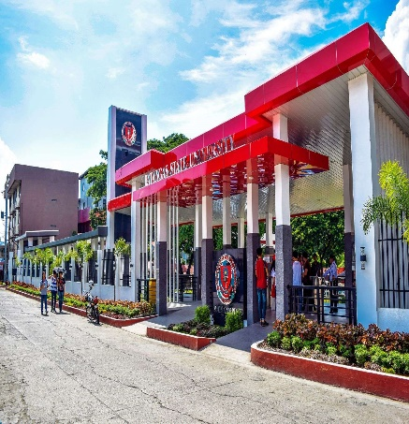

Name : | JYVHAN EARL PONCE
Program : | BS Computer Science
SR - Code | 24-04667
Address | NASUGBU , BATANGAS
Phone No | 9518165854
Leading Innovations, Transforming Lives , Building Nations
www.batstate-u.edu.ph

COURSE OR PROGRAMS - COMBO BOX
BS COMPUTER SCIENCE
BS INFORMATION TECHNOLOGY
BS ARHITECTURE
BS CIVIL ENGINEERING
BFA VISUAL COMMUNICATION

Sheet1


