Sheet1
 | Activity | Actionable Tip
Champions | Bought recently, buy often and spend the most! | Reward them. Can be early adopters for new products. Will promote your brand.
Loyal Customers | Spend good money with us often. Responsive to promotions. | Upsell higher value products. Ask for reviews. Engage them.
Potential Loyalist | Recent customers, but spent a good amount and bought more than once | Offer membership / loyalty program, recommend other products.
Recent Customers | Bought most recently, but not often. | Provide on-boarding support, give them early success, start building relationship.
Promising | Recent shoppers, but haven’t spent much. | Create brand awareness, offer free trials
Customers Needing Attention | Above average recency, frequency and monetary values. May not have bought very recently though. | Make limited time offers, Recommend based on past purchases. Reactivate them.
About To Sleep | Below average recency, frequency and monetary values. Will lose them if not reactivated. | Share valuable resources, recommend popular products / renewals at discount, reconnect with them.
At Risk | Spent big money and purchased often. But long time ago. Need to bring them back! | Send personalized emails to reconnect, offer renewals, provide helpful resources.
Can’t Lose Them | Made biggest purchases, and often. But haven’t returned for a long time. | Win them back via renewals or newer products, don’t lose them to competition, talk to them.
Hibernating | Last purchase was long back, low spenders and low number of orders. | Offer other relevant products and special discounts. Recreate brand value.
Lost | Lowest recency, frequency and monetary scores. | Revive interest with reach out campaign, ignore otherwise.

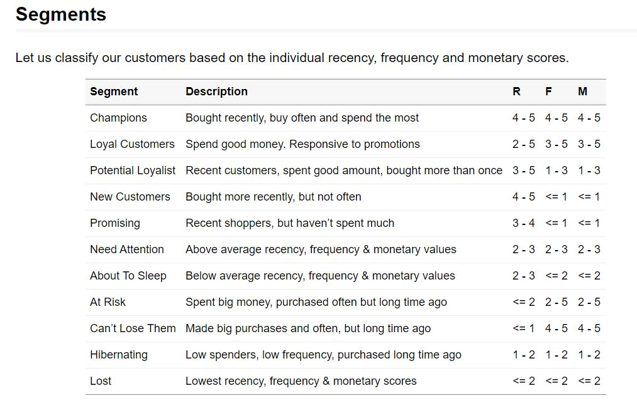
 |  | RFM Sample
 |  | 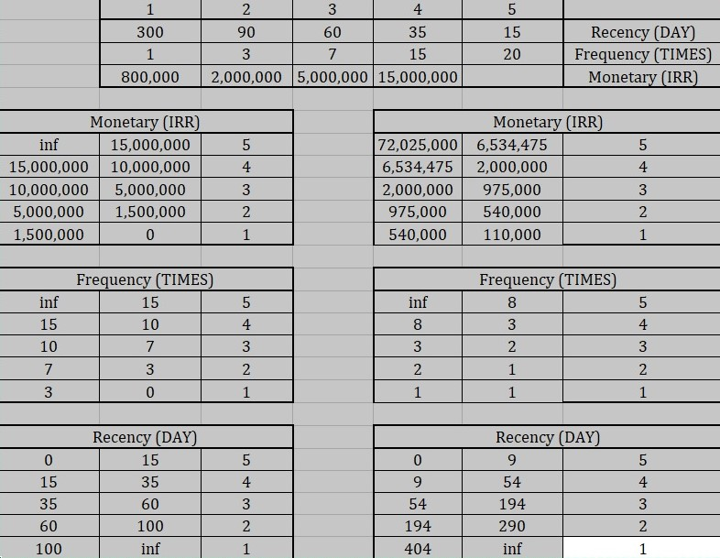

Segment
Champions
Loyal
Potential Loyalist
New Customers
Promising | RFM | Segment
Need Attention | 555 | Champions
About To Sleep | 554 | Champions
At Risk | 544 | Champions
Cannot Lose Them | 545 | Champions
Hibernating customers | 454 | Champions
Lost customers | 455 | Champions
 | 445 | Champions
 | 543 | Loyal
 | 444 | Loyal
 | 435 | Loyal
 | 355 | Loyal
 | 354 | Loyal
 | 345 | Loyal
 | 344 | Loyal
 | 335 | Loyal
 | 553 | Potential Loyalist
 | 551 | Potential Loyalist
 | 552 | Potential Loyalist
 | 541 | Potential Loyalist
 | 542 | Potential Loyalist
 | 533 | Potential Loyalist
 | 532 | Potential Loyalist
 | 531 | Potential Loyalist
 | 452 | Potential Loyalist
 | 451 | Potential Loyalist
 | 442 | Potential Loyalist
 | 441 | Potential Loyalist
 | 431 | Potential Loyalist
 | 453 | Potential Loyalist
 | 433 | Potential Loyalist
 | 432 | Potential Loyalist
 | 423 | Potential Loyalist
 | 353 | Potential Loyalist
 | 352 | Potential Loyalist
 | 351 | Potential Loyalist
 | 342 | Potential Loyalist
 | 341 | Potential Loyalist
 | 333 | Potential Loyalist
 | 323 | Potential Loyalist
 | 512 | New Customers
 | 511 | New Customers
 | 422 | New Customers
 | 421 | New Customers
 | 412 | New Customers
 | 411 | New Customers
 | 311 | New Customers
 | 525 | Promising
 | 524 | Promising
 | 523 | Promising
 | 522 | Promising
 | 521 | Promising
 | 515 | Promising
 | 514 | Promising
 | 513 | Promising
 | 425 | Promising
 | 424 | Promising
 | 413 | Promising
 | 414 | Promising
 | 415 | Promising
 | 315 | Promising
 | 314 | Promising
 | 313 | Promising
 | 535 | Need Attention
 | 534 | Need Attention
 | 443 | Need Attention
 | 434 | Need Attention
 | 343 | Need Attention
 | 334 | Need Attention
 | 325 | Need Attention
 | 324 | Need Attention
 | 331 | About To Sleep
 | 321 | About To Sleep
 | 312 | About To Sleep
 | 221 | About To Sleep
 | 213 | About To Sleep
 | 231 | About To Sleep
 | 241 | About To Sleep
 | 251 | About To Sleep
 | 255 | At Risk
 | 254 | At Risk
 | 245 | At Risk
 | 244 | At Risk
 | 253 | At Risk
 | 252 | At Risk
 | 243 | At Risk
 | 242 | At Risk
 | 235 | At Risk
 | 234 | At Risk
 | 225 | At Risk
 | 224 | At Risk
 | 153 | At Risk
 | 152 | At Risk
 | 145 | At Risk
 | 143 | At Risk
 | 142 | At Risk
 | 135 | At Risk
 | 134 | At Risk
 | 133 | At Risk
 | 125 | At Risk
 | 124 | At Risk
 | 155 | Cannot Lose Them
 | 154 | Cannot Lose Them
 | 144 | Cannot Lose Them
 | 214 | Cannot Lose Them
 | 215 | Cannot Lose Them
 | 115 | Cannot Lose Them
 | 114 | Cannot Lose Them
 | 113 | Cannot Lose Them
 | 332 | Hibernating customers
 | 322 | Hibernating customers
 | 231 | Hibernating customers
 | 241 | Hibernating customers
 | 251 | Hibernating customers
 | 233 | Hibernating customers
 | 232 | Hibernating customers
 | 223 | Hibernating customers
 | 222 | Hibernating customers
 | 132 | Hibernating customers
 | 123 | Hibernating customers
 | 122 | Hibernating customers
 | 212 | Hibernating customers
 | 211 | Hibernating customers
 | 111 | Lost customers
 | 112 | Lost customers
 | 121 | Lost customers
 | 131 | Lost customers
 | 141 | Lost customers
 | 151 | Lost customers

