Information on Kailh socket
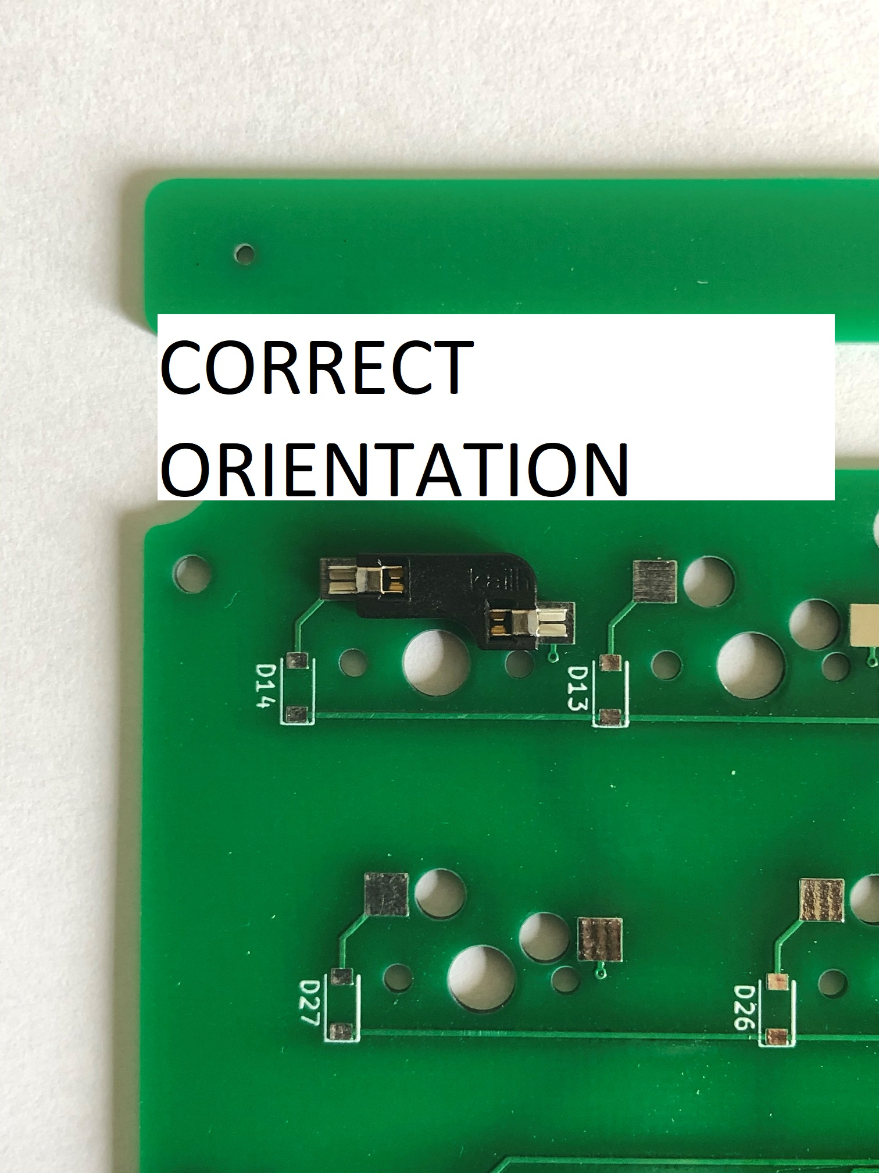
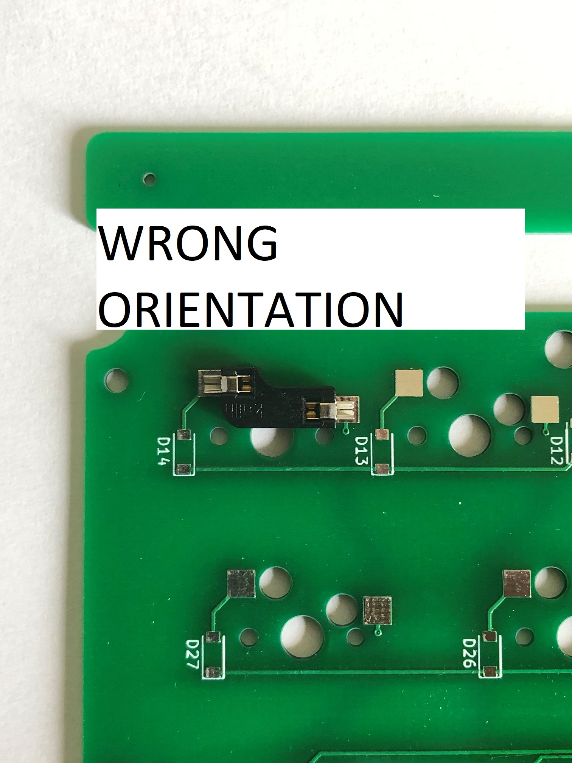
Please check orientation when installing the kailh hotswap sockets

