small_line_gray
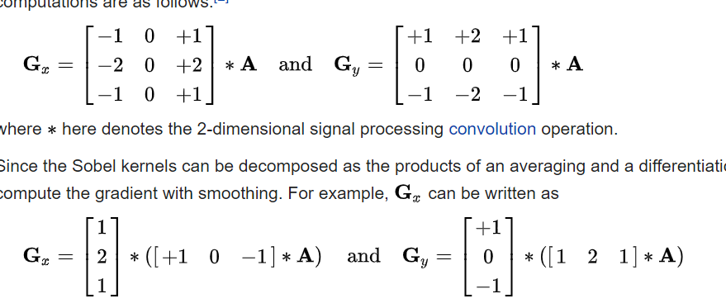
input | 0 | 1 | 2 | 3 | 4 | 5 | 6 | 7 | 8 | 9 | 10
0 | 11 | 0 | 0 | 4 | 1 | 252 | 15 | 46 | 79 | 79 | 79 |  | =(-B2-2*B3-B4)+(D2+2*D3+D4)
1 | 0 | 0 | 2 | 1 | 0 | 255 | 0 | 3 | 10 | 10 | 10 |  |  |  |  |  |  | 1 | 2 | 1 | 1 |  | 1 | 2 | 1
2 | 3 | 2 | 1 | 0 | 0 | 255 | 0 | 0 | 1 | 1 | 1 |  |  |  |  |  |  |  |  |  | 0 |  | 0 | 0 | 0 |  |  |  |  |  |  |  |  |  |  |  | 0 | 90
3 | 0 | 0 | 0 | 1 | 1 | 255 | 0 | 3 | 0 | 0 | 0 |  |  |  |  |  |  |  |  |  | -1 |  | -1 | -2 | -1
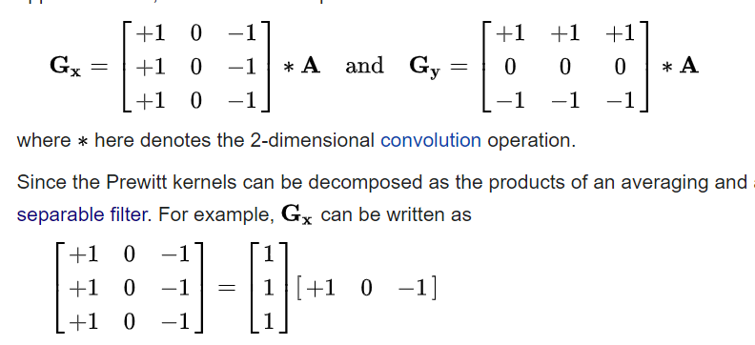
4 | 0 | 0 | 3 | 0 | 0 | 255 | 0 | 0 | 1 | 1 | 1 |  |  |  |  |  |  |  |  |  |  |  |  |  |  |  |  |  |  |  |  |  |  |  |  |  | prewitt
5 | 3 | 3 | 1 | 0 | 0 | 255 | 2 | 0 | 0 | 0 | 0 |  |  |  |  |  | 0 = [-1, 0, 1], [-2, 0, 2], [-1, 0, 1]
6 | 0 | 0 | 0 | 1 | 2 | 255 | 0 | 0 | 0 | 0 | 0 |  |  |  |  |  | int coeffs_32S[] = {-1, 0, 1, -2, 0, 2, -1, 0, 1}
7 | 0 | 0 | 1 | 1 | 0 | 255 | 0 | 1 | 0 | 0 | 0
8 | 1 | 0 | 0 | 3 | 0 | 252 | 3 | 1 | 0 | 0 | 0 |  | -1 | 0 | 1 |  | 90 = [1, 2, 1], [0, 0, 0], [-1, -2, -1] |  |  |  |  |  |  |  | 1 | 2 | 1
9 | 30 | 8 | 0 | 0 | 0 | 255 | 2 | 0 | 0 | 0 | 0 |  | -2 | 0 | 2 |  | int coeffs_32S[] = {1, 2, 1, 0, 0, 0, -1, -2, -1} |  |  |  |  |  |  |  | 0 | 0 | 0
10 | 78 | 34 | 0 | 0 | 0 | 254 | 1 | 0 | 0 | 0 | 0 |  | -1 | 0 | 1 |  |  |  |  |  |  |  |  |  | -1 | -2 | -1

sobel |  |  |  |  |  |  |  |  |  |  |  |  |  |  |  |  |  |  |  |  |  |  |  |  | 0 deg
calc 90 | 0 | 1 | 2 | 3 | 4 | 5 | 6 | 7 | 8 | 9 | 10 |  | actual | 0 | 1 | 2 | 3 | 4 | 5 | 6 | 7 | 8 | 9 | 10 | sep | 0 | 1 | 2 | 3 | 4 | 5 | 6 | 7 | 8 | 9 | 10
0 | 0 | 0 | 0 | 0 | 0 | 0 | 0 | 0 | 0 | 0 | 0 |  | 0 | 0 | 0 | 0 | 0 | 0 | 0 | 0 | 0 | 0 | 0 | 0 | 0 | 0 | 0 | 0 | 0 | 0 | 0 | 0 | 0 | 0 | 0 | 0
1 | 0 | -9 | 4 | -4 | 1011 | 14 | -965 | 85 | 48 | 0 | 0 |  | 1 | 0 | -9 | 4 | -4 | 1011 | 14 | -965 | 85 | 48 | 0 | 0 | 1 | 0 | 3 | 0 | 8 | 3 | 10 | 73 | 185 | 280 | 312 | 0
2 | 0 | -2 | -2 | -3 | 1018 | -1 | -1014 | 12 | 6 | 0 | 0 |  | 2 | 0 | -2 | -2 | -3 | 1018 | -1 | -1014 | 12 | 6 | 0 | 0 | 2 | 0 | 2 | 4 | 1 | -2 | -1 | 0 | 10 | 30 | 40 | 0
3 | 0 | 1 | 0 | -2 | 1018 | -2 | -1014 | 2 | -4 | 0 | 0 |  | 3 | 0 | 1 | 0 | -2 | 1018 | -2 | -1014 | 2 | -4 | 0 | 0 | 3 | 0 | 5 | -2 | -2 | 0 | 0 | 0 | 0 | 0 | 0 | 0
4 | 0 | 4 | -2 | -6 | 1019 | 1 | -1017 | 0 | -1 | 0 | 0 |  | 4 | 0 | 4 | -2 | -6 | 1019 | 1 | -1017 | 0 | -1 | 0 | 0 | 4 | 0 | -10 | -4 | 2 | 3 | -1 | -1 | 4 | 3 | 0 | 0
5 | 0 | -1 | -5 | -3 | 1019 | 2 | -1020 | -3 | 1 | 0 | 0 |  | 5 | 0 | -1 | -5 | -3 | 1019 | 2 | -1020 | -3 | 1 | 0 | 0 | 5 | 0 | 3 | 5 | -1 | -5 | -2 | 0 | 1 | 3 | 4 | 0
6 | 0 | -1 | 0 | 2 | 1017 | -2 | -1019 | -2 | -1 | 0 | 0 |  | 6 | 0 | -1 | 0 | 2 | 1017 | -2 | -1019 | -2 | -1 | 0 | 0 | 6 | 0 | 9 | 2 | -2 | -1 | 2 | 3 | 0 | -1 | 0 | 0
7 | 0 | 1 | 6 | 0 | 1011 | 1 | -1014 | -3 | -3 | 0 | 0 |  | 7 | 0 | 1 | 6 | 0 | 1011 | 1 | -1014 | -3 | -3 | 0 | 0 | 7 | 0 | -1 | -2 | -2 | 5 | 5 | -4 | -5 | -1 | 0 | 0
8 | 0 | -31 | -1 | -1 | 1007 | 8 | -1011 | -8 | -3 | 0 | 0 |  | 8 | 0 | -31 | -1 | -1 | 1007 | 8 | -1011 | -8 | -3 | 0 | 0 | 8 | 0 | -45 | -5 | 3 | 1 | -2 | -3 | 0 | 1 | 0 | 0
9 | 0 | -139 | -47 | 0 | 1013 | 8 | -1015 | -8 | -1 | 0 | 0 |  | 9 | 0 | -139 | -47 | 0 | 1013 | 8 | -1015 | -8 | -1 | 0 | 0 | 9 | 0 | -145 | -31 | 6 | 1 | -2 | 3 | 4 | 1 | 0 | 0 |  | int coeffs_32S_row[] = {1, 0, -1};
10 | 0 | 0 | 0 | 0 | 0 | 0 | 0 | 0 | 0 | 0 | 0 |  | 10 | 0 | 0 | 0 | 0 | 0 | 0 | 0 | 0 | 0 | 0 | 0 | 10 | 0 | 0 | 0 | 0 | 0 | 0 | 0 | 0 | 0 | 0 | 0 |  | int coeffs_32S_col[] = {1, 2, 1};

sobel |  | 1 | 0 | -1 |  |  |  |  |  |  |  |  |  |  |  |  |  |  |  |  |  |  |  |  | 90 deg | 0 | 1 | 2 | 3 | 4 | 5 | 6 | 7 | 8 | 9 | 10
calc 0 | calc | 1 | 2 | 3 | 4 | 5 | 6 | 7 | 8 | 9 | 10 |  | actual | 0 | 1 | 2 | 3 | 4 | 5 | 6 | 7 | 8 | 9 | 10 | sep | 0 | 0 | 0 | 0 | 0 | 0 | 0 | 0 | 0 | 0 | 0
0 | 0 | 0 | 0 | 0 | 0 | 0 | 0 | 0 | 0 | 0 | 0 |  | 0 | 0 | 0 | 0 | 0 | 0 | 0 | 0 | 0 | 0 | 0 | 0 | 0 | 0 | -9 | 4 | -4 | 1011 | 14 | -965 | 85 | 48 | 0 | 0 |  | int coeffs_32S_row[] = {1, 2, 1};
1 | 0 | 3 | 0 | 8 | 3 | 10 | 73 | 185 | 280 | 312 | 0 | -1 | 1 | -8 | 2 | 1 | -4 | -1 | 3 | -15 | -46 | -78 | -78 | -78 | 1 | 0 | -2 | -2 | -3 | 1018 | -1 | -1014 | 12 | 6 | 0 | 0 |  | int coeffs_32S_col[] = {1, 0, -1};
2 | 0 | 2 | 4 | 1 | -2 | -1 | 0 | 10 | 30 | 40 | 0 | 0 | 2 | 0 | 0 | -2 | 0 | 1 | 0 | 0 | 0 | -10 | -10 | -10 | 2 | 0 | 1 | 0 | -2 | 1018 | -2 | -1014 | 2 | -4 | 0 | 0
3 | 0 | 5 | -2 | -2 | 0 | 0 | 0 | 0 | 0 | 0 | 0 | 1 | 3 | -3 | -2 | 2 | 0 | 0 | 0 | 0 | 0 | 0 | 0 | 0 | 3 | 0 | 4 | -2 | -6 | 1019 | 1 | -1017 | 0 | -1 | 0 | 0
4 | 0 | -10 | -4 | 2 | 3 | -1 | -1 | 4 | 3 | 0 | 0 |  | 4 | 3 | 3 | 1 | -1 | -1 | 0 | 2 | -3 | 0 | 0 | 0 | 4 | 0 | -1 | -5 | -3 | 1019 | 2 | -1020 | -3 | 1 | 0 | 0
5 | 0 | 3 | 5 | -1 | -5 | -2 | 0 | 1 | 3 | 4 | 0 |  | 5 | 0 | 0 | -3 | 1 | 2 | 0 | 0 | 0 | -1 | -1 | -1 | 5 | 0 | -1 | 0 | 2 | 1017 | -2 | -1019 | -2 | -1 | 0 | 0
6 | 0 | 9 | 2 | -2 | -1 | 2 | 3 | 0 | -1 | 0 | 0 |  | 6 | -3 | -3 | 0 | 1 | 0 | 0 | -2 | 1 | 0 | 0 | 0 | 6 | 0 | 1 | 6 | 0 | 1011 | 1 | -1014 | -3 | -3 | 0 | 0
7 | 0 | -1 | -2 | -2 | 5 | 5 | -4 | -5 | -1 | 0 | 0 |  | 7 | 1 | 0 | 0 | 2 | -2 | -3 | 3 | 1 | 0 | 0 | 0 | 7 | 0 | -31 | -1 | -1 | 1007 | 8 | -1011 | -8 | -3 | 0 | 0
8 | 0 | -45 | -5 | 3 | 1 | -2 | -3 | 0 | 1 | 0 | 0 |  | 8 | 30 | 8 | -1 | -1 | 0 | 0 | 2 | -1 | 0 | 0 | 0 | 8 | 0 | -139 | -47 | 0 | 1013 | 8 | -1015 | -8 | -1 | 0 | 0
9 | 0 | -145 | -31 | 6 | 1 | -2 | 3 | 4 | 1 | 0 | 0 |  | 9 | 77 | 34 | 0 | -3 | 0 | 2 | -2 | -1 | 0 | 0 | 0 | 9 | 0 | 0 | 0 | 0 | 0 | 0 | 0 | 0 | 0 | 0 | 0
10 | 0 | 0 | 0 | 0 | 0 | 0 | 0 | 0 | 0 | 0 | 0 |  | 10 | 0 | 0 | 0 | 0 | 0 | 0 | 0 | 0 | 0 | 0 | 0 | 10

sep col |  | -1 | 1 | 0 |  |  |  |  |  |  |  |  | 1 | 2 | 1
calc |  | 1 | 2 | 3 | 4 | 5 | 6 | 7 | 8 | 9 | 10 |  | actual | 0 | 1 | 2 | 3 | 4 | 5 | 6 | 7 | 8 | 9 | 10
0 | 0 | 11 | 4 | 9 | 258 | 520 | 328 | 186 | 283 | 316 | 0 |  | 0 | 0 | 11 | 4 | 9 | 258 | 520 | 328 | 186 | 283 | 316 | 0
1 | 0 | 2 | 5 | 4 | 256 | 510 | 258 | 16 | 33 | 40 | 0 |  | 1 | 0 | 2 | 5 | 4 | 256 | 510 | 258 | 16 | 33 | 40 | 0
2 | 0 | 8 | 4 | 1 | 255 | 510 | 255 | 1 | 3 | 4 | 0 |  | 2 | 0 | 8 | 4 | 1 | 255 | 510 | 255 | 1 | 3 | 4 | 0
3 | 0 | 0 | 1 | 3 | 258 | 511 | 258 | 6 | 3 | 0 | 0 |  | 3 | 0 | 0 | 1 | 3 | 258 | 511 | 258 | 6 | 3 | 0 | 0
4 | 0 | 3 | 6 | 3 | 255 | 510 | 255 | 1 | 3 | 4 | 0 |  | 4 | 0 | 3 | 6 | 3 | 255 | 510 | 255 | 1 | 3 | 4 | 0
5 | 0 | 10 | 5 | 1 | 255 | 512 | 259 | 2 | 0 | 0 | 0 |  | 5 | 0 | 10 | 5 | 1 | 255 | 512 | 259 | 2 | 0 | 0 | 0
6 | 0 | 0 | 1 | 4 | 260 | 512 | 255 | 0 | 0 | 0 | 0 |  | 6 | 0 | 0 | 1 | 4 | 260 | 512 | 255 | 0 | 0 | 0 | 0
7 | 0 | 1 | 3 | 3 | 256 | 510 | 256 | 2 | 1 | 0 | 0 |  | 7 | 0 | 1 | 3 | 3 | 256 | 510 | 256 | 2 | 1 | 0 | 0
8 | 0 | 1 | 3 | 6 | 255 | 507 | 259 | 5 | 1 | 0 | 0 |  | 8 | 0 | 1 | 3 | 6 | 255 | 507 | 259 | 5 | 1 | 0 | 0
9 | 0 | 46 | 8 | 0 | 255 | 512 | 259 | 2 | 0 | 0 | 0 |  | 9 | 0 | 46 | 8 | 0 | 255 | 512 | 259 | 2 | 0 | 0 | 0
10 | 0 | 146 | 34 | 0 | 254 | 509 | 256 | 1 | 0 | 0 | 0 |  | 10 | 0 | 146 | 34 | 0 | 254 | 509 | 256 | 1 | 0 | 0 | 0

sep_row_col |  | 6 | 11 | 19 | 24 | 96 | 341 | 723 | 1057 |  | 0 | 0 | 0 | 0 | 0 | 0 | 0 | 0 | 0 | 0 | 0
 |  | 8 | 11 | 4 | -4 | -4 | 9 | 50 | 110 |  | 0 | -3 | 0 | -8 | -3 | -10 | -73 | -185 | -280 | -312 | 0
 |  | 8 | -1 | -6 | -2 | 0 | 0 | 0 | 0 |  | 0 | -2 | -4 | -1 | 2 | 1 | 0 | -10 | -30 | -40 | 0
 |  | -24 | -16 | 3 | 7 | 0 | 1 | 10 | 10 |  | 0 | -5 | 2 | 2 | 0 | 0 | 0 | 0 | 0 | 0 | 0
 |  | 11 | 12 | -2 | -13 | -9 | -1 | 5 | 11 |  | 0 | 10 | 4 | -2 | -3 | 1 | 1 | -4 | -3 | 0 | 0
 |  | 20 | 11 | -3 | -2 | 6 | 8 | 2 | -2 |  | 0 | -3 | -5 | 1 | 5 | 2 | 0 | -1 | -3 | -4 | 0
 |  | -4 | -7 | -1 | 13 | 11 | -8 | -15 | -7 |  | 0 | -9 | -2 | 2 | 1 | -2 | -3 | 0 | 1 | 0 | 0
 |  | -95 | -52 | 2 | 3 | -6 | -8 | -2 | 2 |  | 0 | 1 | 2 | 2 | -5 | -5 | 4 | 5 | 1 | 0 | 0
 |  | -321 | -201 | -18 | 6 | 0 | 8 | 12 | 6 |  | 0 | 45 | 5 | -3 | -1 | 2 | 3 | 0 | -1 | 0 | 0
 |  | 6 | #REF! | #REF! | #REF! | 20 | 24 | 28 | 32 |  | 0 | 145 | 31 | -6 | -1 | 2 | -3 | -4 | -1 | 0 | 0
 |  |  |  |  |  |  |  |  |  |  | 0 | 0 | 0 | 0 | 0 | 0 | 0 | 0 | 0 | 0 | 0

