Лист1
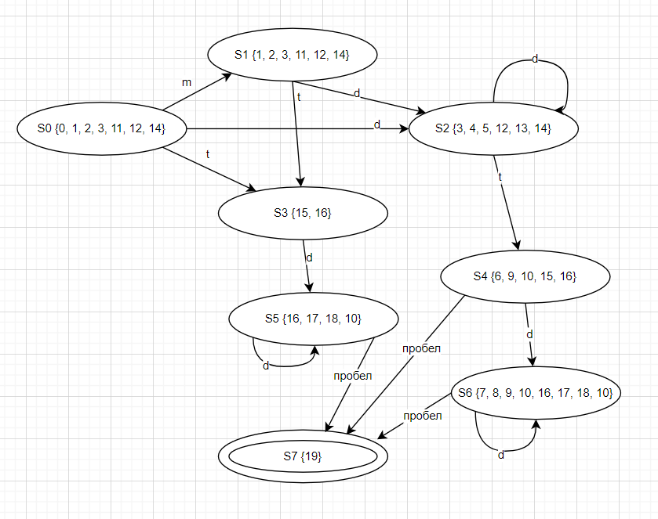
m | -
d | 0..9
t | .

Dstate | m | d | t | Пробел
0, 1, 2, 3, 11, 12, 14 | 1, 2, 3, 11, 12, 14 | 3, 4, 5, 12, 13, 14 | 15, 16 | -
1, 2, 3, 11, 12, 14 | - | 3, 4, 5, 12, 13, 14 | 15, 16 | -
3, 4, 5, 12, 13, 14 | - | 3, 4, 5, 12, 13, 14 | 6, 9, 10, 15, 16 | -
15, 16 | - | 16, 17, 18, 10 | - | -
6, 9, 10, 15, 16 | - | 7, 8, 9, 10, 16, 17, 18, 10 | - | 19
16, 17, 18, 10 | - | 16, 17, 18, 10 | - | 19
7, 8, 9, 10, 16, 17, 18, 10 | - | 7, 8, 9, 10, 16, 17, 18, 10 | - | 19
19 | - | - | - | -

Финальные состояния | Нефинальные состояния
S7 | S0
 | S1
 | S2
 | S3
 | S4
 | S5
 | S6

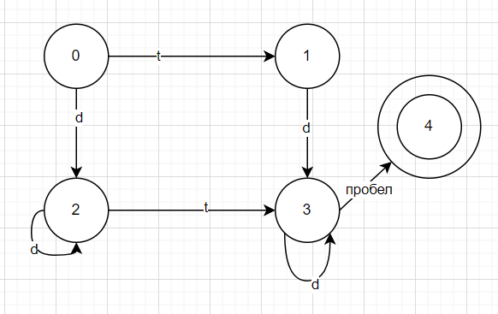
Разобьем по пробелу: | S0, S1, S2, S3 | S4,S5,S6 | S7

Разобьем по t | S0, S1, S3 | S2 | S4,S5,S6 | S7

Разобьем по d | S0, S1 | S3 | S2 | S4,S5,S6 | S7

Разобьем по минусу | S0 | S1 | S3 | S2 | S4,S5,S6 | S7

Номера состояний: | 0 | 1 | 2 | 3 | 4 | 5

