Sheet1
NO DOCUMENT OTOMATIS TIAP BULAN BERUBAH : 008/PPC/PPR-WM/VIII/18 (008 = LEMBAR SESUAI BULAN, PPC = DEPT, PPR-WM = PROD. PERF. REPORT WEEKLY & MONTHLY, VIII = BULAN REPORT, 18 = TAHUN)

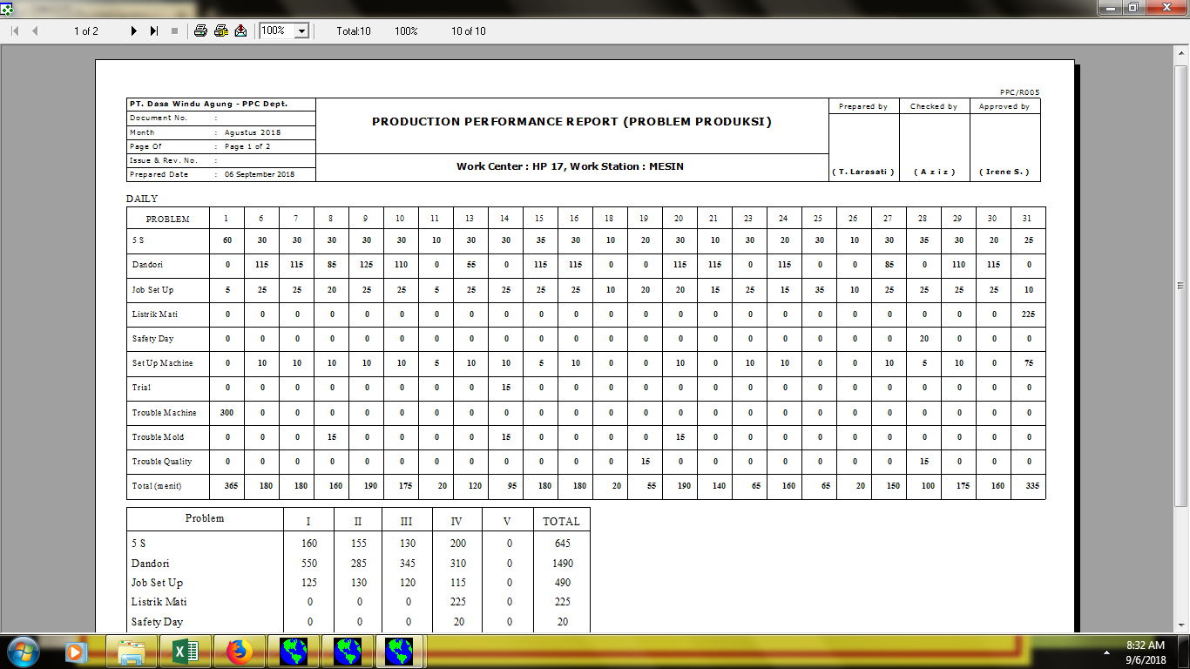

01.00

