Sheet1
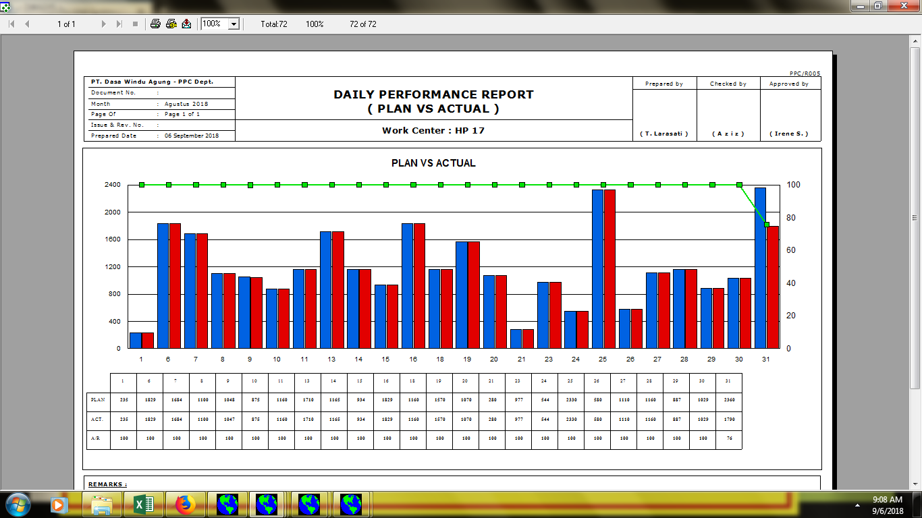

008/PPC/DPR-PA/VIII/18

01.00

