Sheet1
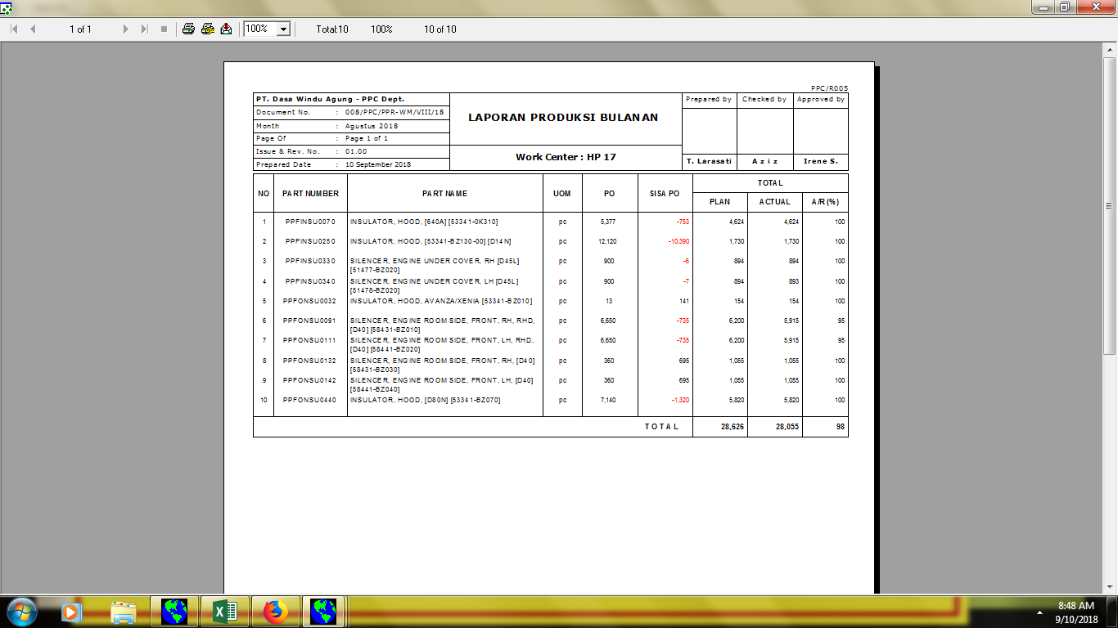

008/PPC/LPB/VIII/18

