Sheet1
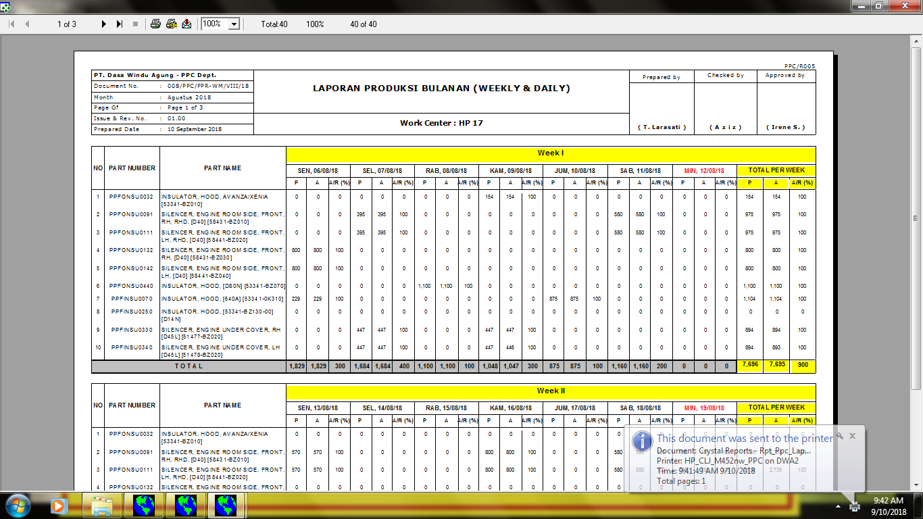

008/PPC/LPB-WD/VIII/18

