Sheet1
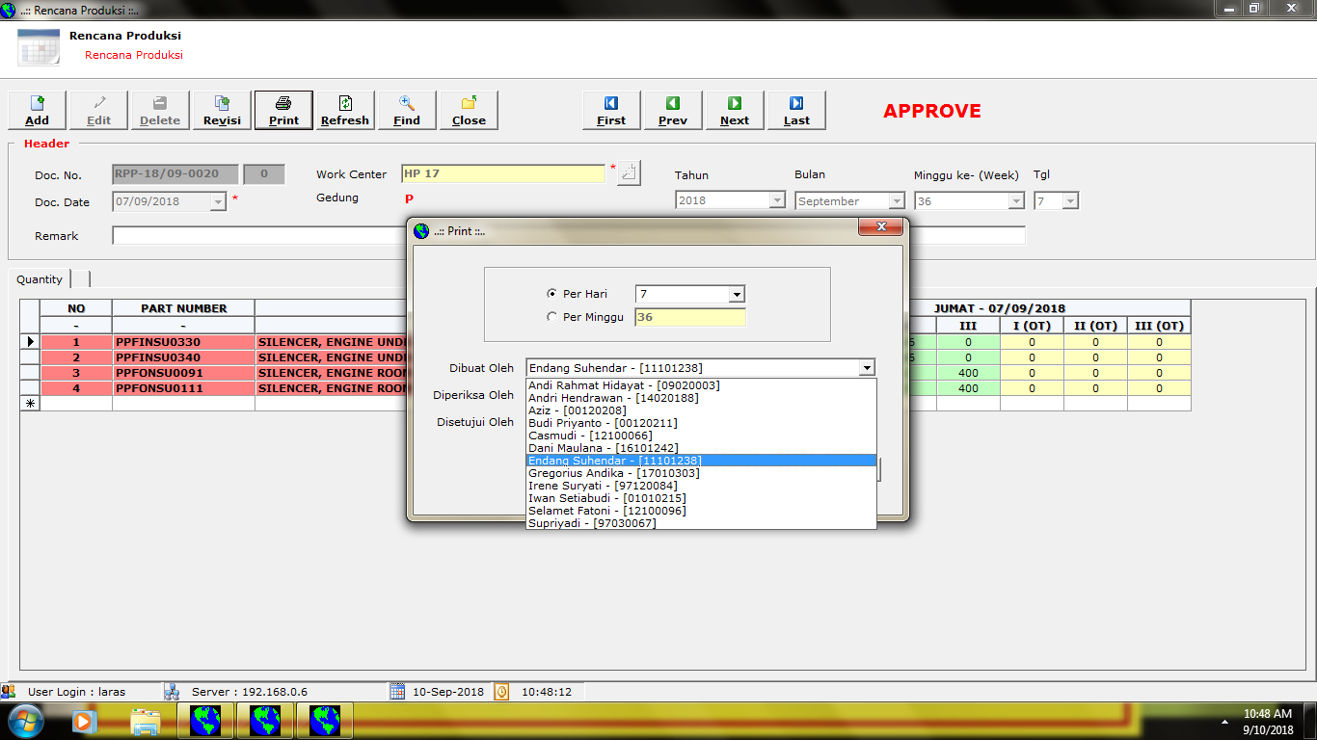

Tinon Larasati - [10080011]

