Sheet1
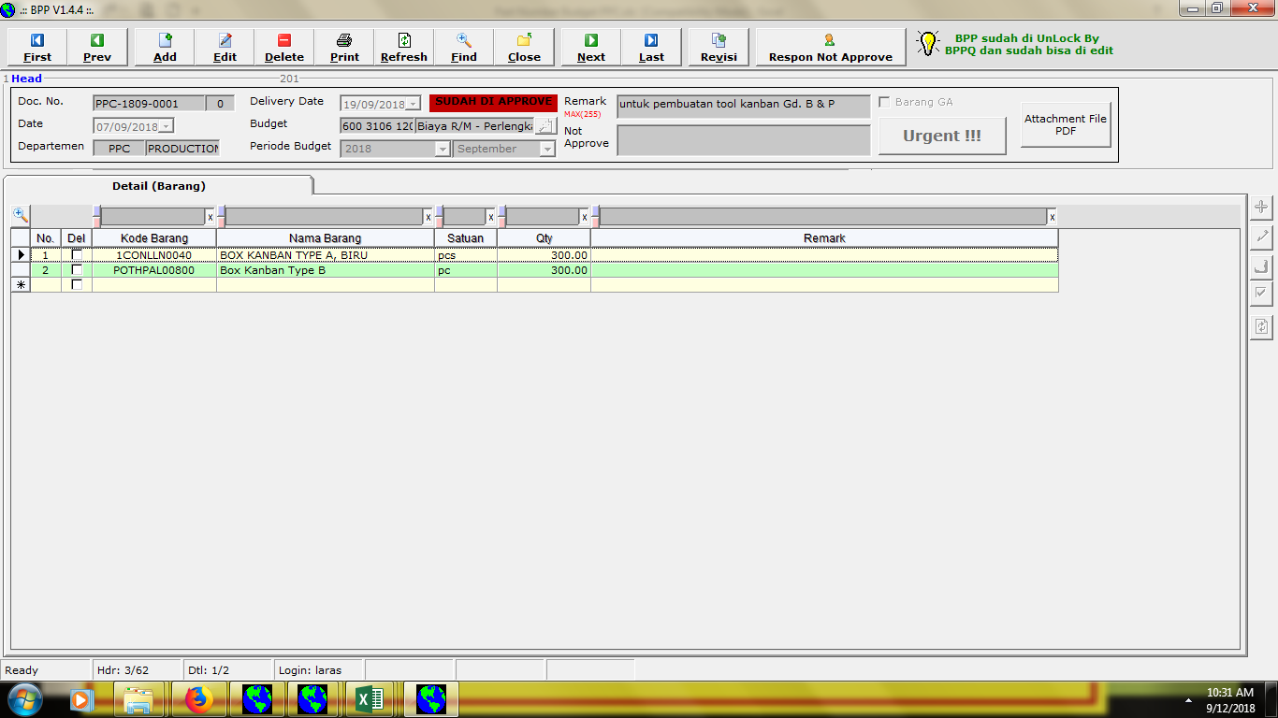

perubahan part number (box kanban type B)

