Sheet1
과목명 | 마이크로프로세서 및 실습
분반 | 01분반
학번 | 2013136046
이름 | 박주환
과제명 | Healing Mood Lamp
번호 | 부품명 | 단가 | 수량(EA) | 가격 | 링크 | 사진
1 | 아두이노 블루투스 모듈 HC-06 슬레이브(Slave), 마스터(Master) 겸용, HC06 | 4,840 | 1(EA) | 4,840 | http://mechasolution.com/shop/goods/goods_view.php?goodsno=71794&category=054001 | 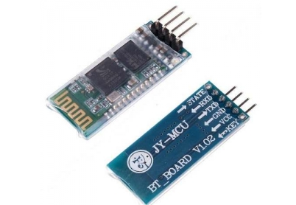
2 | 브레드보드 | 1,320 | 1(EA) | 1,320 | http://mechasolution.com/shop/goods/goods_view.php?goodsno=8298&category=058001 | 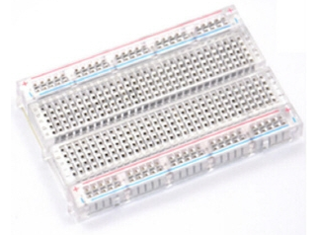
3 | 막대저항 R1/4W-33옴 20개 | 550 | 1(EA) | 550 | http://mechasolution.com/shop/goods/goods_view.php?goodsno=971&category=044016001 | 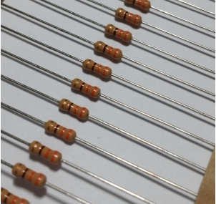
4 | 지지대 볼트 M3 X 50mm x 5mm (서포트) | 330 | 4(EA) | 1,320 | http://mechasolution.com/shop/goods/goods_view.php?goodsno=329750&category=059003 | 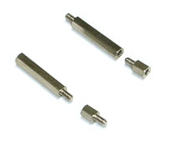
5 | RGB LED 커먼 애노드 | 440 | 15(EA) 여유분 포함 | 6,600 | http://mechasolution.com/shop/goods/goods_view.php?goodsno=1209&category=052001 | 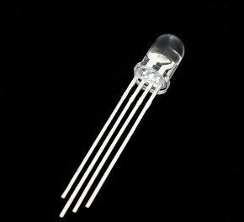
6 | 폴리카보네이트(2T 100mm * 100mm) | 238 | 5(EA) | 1,190 | http://www.plaworld.com/shop/main/html.php?htmid=proc/prod/purchase.htm | 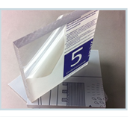

7 | Grove - Serial MP3 Player 모듈 | 28,040 | 2(EA) 여유분 포함 | 56,080 | http://item2.gmarket.co.kr/Item/detailview/Item.aspx?goodscode=785506676&GoodsSale=Y& jaehuid=200001169&NaPm=ct%3Ditmq3wxc%7Cci%3D786c0e14bf65966e91d31e71ea4374115d5 a2ad5%7Ctr%3Dslsl%7Csn%3D24%7Chk%3D8acb799c8c08eb391682b951fa12a1ede74d42bb | 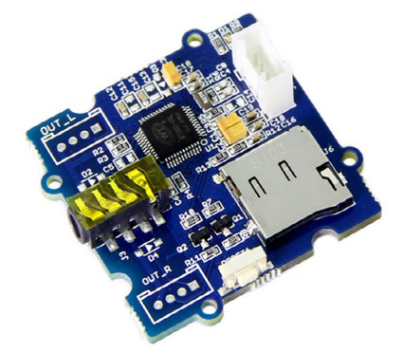
8 | 아두이노 Grove 케이블 Base 쉴드 연결 케이블 (Grove - Universal 4 Pin Buckled 20cm Cable) | 1,100 | 2(EA) 여유분 포함 | 2,200 | http://mechasolution.com/shop/goods/goods_view.php?goodsno=8223&category=049027 | 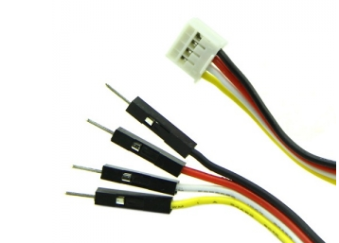
9 | 40핀 커넥터 M-M 20cm (Male - Male), 점퍼케이블 / 점퍼선 | 1,210 | 1(EA) | 1,210 | http://mechasolution.com/shop/goods/goods_view.php?goodsno=515&category=062002 | 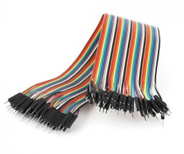
10 | [SanDisk] MicroSDHC, Class4 [8GB/SDSDQM-008G] | 3,450 | 1(EA) | 3,450 | http://www.eleparts.co.kr/EPX98T8D | 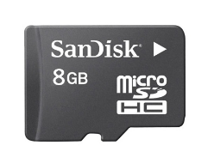
 |  |  | 최종가격 | 78,760

