Sheet1
과목명 | 마이크로프로세서 및 실습
분반 | 01분반
학번 | 2014136141
이름 | 송원섭
과제명 | 비트박스
번호 | 부품명 | 단가 | 수량(EA) | 가격 | 링크 | 사진
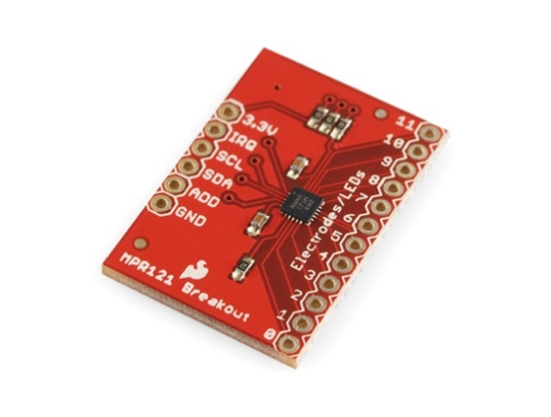
1 | MPR121 Capacitive Touch Sensor Breakout Board [SEN-09695] | 13,200 | 1 | 13,200 (부가세미포함) | http://www.devicemart.co.kr/1112573

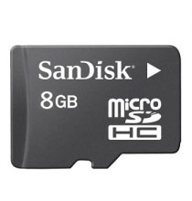
2 | 샌디스크 마이크로SD카드 8GB 클래스4 (MicroSDHC, Class4) | 3,520 | 1 |  | http://www.mechasolution.com/shop/goods/goods_view.php?goodsno=329736&category=046002

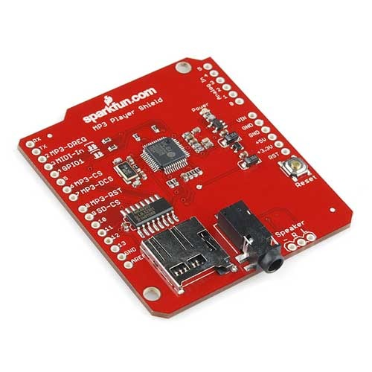
3 | MP3 플레이어 쉴드(Sparkfun MP3 Player Shield) | 30,900 | 1 | 30900 (부가세별도) | http://vctec.co.kr/product/detail.html?product_no=803&cate_no=65&display_group=1&cafe_mkt=naver_ks&mkt_in=Y&ghost_mall_id=naver&ref=naver_open&NaPm=ct%3Diu4w8v9s%7Cci%3Df8efa78bd38d00aa1d528517f0204e5c98c5c6f0%7Ctr%3Dsls%7Csn%3D246260%7Chk%3Df7adac873db933fa16c801deba524edcd47b5f9b

4 | 1x40 헤더핀 (파랑) / 수컷(Male) / 2.54mm / 핀헤더 / 1x40 Header pin | 990 | 1 |  | http://www.mechasolution.com/shop/goods/goods_view.php?goodsno=495&category=061003 | 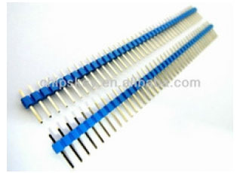

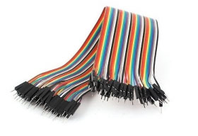
5 | 40핀 커넥터 M-M 20cm (Male - Male), 점퍼케이블 / 점퍼선 | 1,210원 | 1 |  | http://www.mechasolution.com/shop/goods/goods_view.php?goodsno=515&category=062002

6 | 40핀 커넥터 F-M 20cm (Female - Male), 점퍼케이블 / 점퍼선 | 1,210 | 1 |  | http://www.mechasolution.com/shop/goods/goods_view.php?goodsno=515&category=062002 | 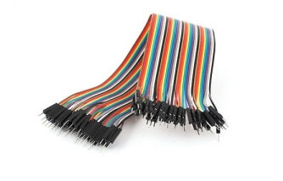

7 | [바형스피커] CSB-2000 Select [블랙] | 12,300 | 1 |  | http://www.compuzone.co.kr/product/product_detail.htm?ProductNo=204147&banner_check=naver&NaPm=ct%3Ditn80l9c%7Cci%3D5c662d762d58a68fdfb0829873223e28a33da38a%7Ctr%3Dsls%7Csn%3D116863%7Chk%3Dddc34906e1bbd019009bf6d8ec40d5f45ad04159 | 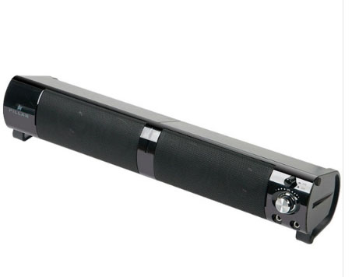

8 | 소형 진동모터 직경 10mm 두께 3mm (Vibration motor) | 1,000 | 10 | 10,000 | http://www.mechasolution.com/shop/goods/goods_view.php?goodsno=8669&category=050009 | 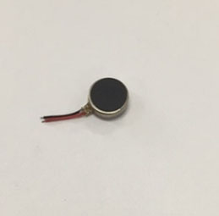

9 | 9V 배터리홀더 고급형, 배럴잭 포함 / 9V Battery Holder | 3,960 | 1 |  | http://www.mechasolution.com/shop/goods/goods_view.php?&goodsno=606 | 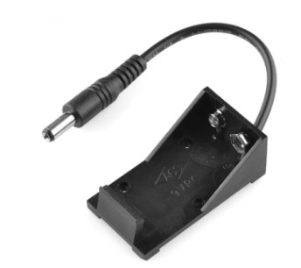

9 | 백셀 / 토시바 9v 건전지, 배터리 [랜덤발송] | 1,100 | 2 |  | http://www.mechasolution.com/shop/goods/goods_view.php?goodsno=774&category=057001 | 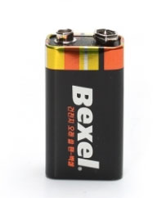

10 | 브레드보드 대형 1660핀 불투명 (Solderless Breadboard - 1660 Tie Point (ZY-204)) | 12,100 | 1 |  | http://www.mechasolution.com/shop/goods/goods_view.php?goodsno=5870&category=058001 | 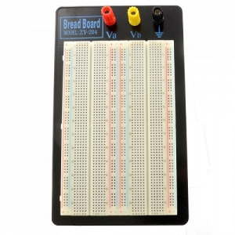

 |  |  | 최종가격 | 97,190

