A-D Contract
< Chip Name > |  | Fill in the following information for all interface signals at the boundary of digital blocks - between analog-digital, digital-IP, digital-IO. Also include information about all signals which cross level-shifter/isolation cell boundaries (including signals which lie entirely within IP/analog modules)
Pin list of digital Part
 |  | Note: | To be first filled in and reviewed during the Mid-term Design Review
 |  |  | To be reviewed again and signed off during the Final Design Review

 | tt2_name | tt2_dir | tt2_width
Block name | Pin name | Dir | Width | Source Module | Destination Module | Level-Shifter | LS | LS | Default state with | Power-gated blocks | POR State of Signal | Load | Drive Buffer Type | STA Reference Clock | Sync Method | Debouncer / deglitch logic | Comments
 |  |  |  |  |  | (LS) | Input | Output | with input | ISO / CLAMP cell
 |  |  |  |  |  | Needed? | Supply | Supply | supply absent | power domain
The A-D inteface list was agreed in June 2018 F2F to be tracked as a separate document.
Document uploaded in Radar 40623962, doc names: interface_template_AD-1.xlsx and Matterhorn_Interfaces_0.2.xlsx
<Block1> example
 | sclk | in | 1 | Oscillator | Digital | Yes | VDDOSC | VDDCORE | Low |  |  | N/A | 10x | Signal is Clock | no_sync | N/A
 | sdi | in | 1 |  |  |  |  |  |  |  |  |  |  |  | sync | 0ms/5ms/10ms/50ms/500ms/750ms/1000ms
 | sdc | in | 1 |  |  |  |  |  |  |  |  |  |  |  | reset_sync | N/A | Passed through a standard reset synchoniser
 | reset_n | out | 1 |  |  |  |  |  |  |  |  |  |  |  | no_sync
<Block2> example
 | otp0_data | in | 8 |  |  |  |  |  |  |  |  |  |  |  | bus_sync | N/A | Data is stable when sampled
 | otp0_pa | out | 8
 | otp0_pdin | out | 8 | Digital | OTP | Yes | VDDCORE | VDDOTP | Low |  |  | 100fF | 10x | SCLK
 | otp0_pwe | out | 1 |  |  | No
 | otp0_pprog | out | 1
 | otp0_ptm | out | 2
 | otp0_prd | out | 1

 | otp1_data | in | 8 |  |  |  |  |  |  |  |  |  |  |  |  | N/A | Data is stable when sampled
 | otp1_pa | out | 8
 | otp1_pdin | out | 8
 | otp1_pwe | out | 1
 | otp1_pprog | out | 1
 | otp1_ptm | out | 2
 | otp1_prd | out | 1

 |  |  |  |  |  |  |  |  |  |  |  |  |  |  |  |  | Apple Confidential - Do not duplicate

 |  |  |  |  |  |  |  |  |  |  |  |  |  |  |  |  |  | KA
 |  |  |  |  |  |  |  |  |  |  |  |  |  |  |  |  |  | KA

Die fact sheet
<Project Name> Die Fact Sheet |  |  |  |  | Legend
 |  |  |  |  | Current
 |  |  |  |  | Final | lo=1:hi=5 | lo=1:hi=5 | ready=2: wait T/O=1
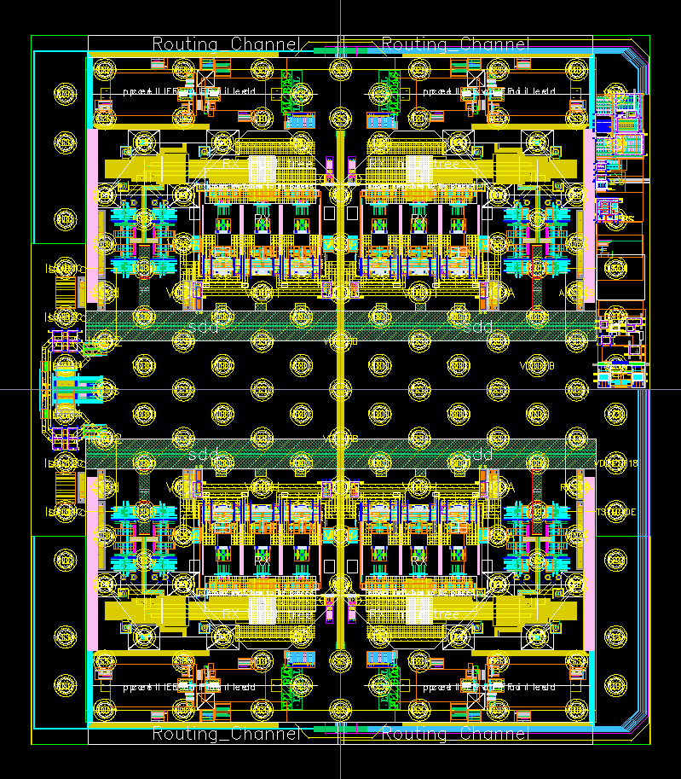 |  |  | DESIGN STATISTICS: |  |  | Effort | Risk | Readiness
 |  |  | Die Size (X µ X Y µ) | including scribe (X µ x Y µ) | 2092.200 x 2386.416
 |  |  | (post shrink, if applicable) | scribe size (X µ x Y µ) | TSMC is adding scribe
 |  |  |  | without scribe (X µ x Y µ) | 2077.800 x 2372.016

 |  |  | Total Cells | # of std cell instances | 661709 / 230950
 |  |  | Total flops | # of Flops | 32597
 |  |  |  | # of scannable flops | 31012
 |  |  | Total latches | # of latches | 603
 |  |  | Total TRT | # transistors in design | To be communicated till 25/04/19
 |  |  | Vt count | % of HVt, RVt, LVt std Cells | 84.52 / 14.33 / 1.15
 |  |  | Spare gates | # / total % of std cells area | 2435 / 1.82%
 |  |  | DECAP cells | # / total % of std cells area | 247963 / 190%

Picture of Floorplan showing the blocks
&
X & Y dimensions
 |  |  | Memories | Memory Count (# of instances) | N/A
 |  |  |  | Total RAM (Bytes) | N/A
 |  |  |  | Total ROM (Bytes) | N/A

 |  |  | IP | # of Mixed-Signal hard IP | 15

 |  |  | Area | Area of std cells / utilization | 230950 / 32.6 %
 |  |  |  | Area of flops | 46380
 |  |  |  | Area of memories | 0
 |  |  |  | Area of Hard IP | 3422691

 |  |  | Power | # of Power Gated Domains | Power domains (no gating): VDDA:2, VDDH:2,VSSA:2, VDDS:2, VDDD:5, VSSD: 6, VDDPST18: 1
 |  |  |  | # of Core V Domains | VDDD:5, VSSD: 6

 |  |  | IOs | Total # and area | (StdIOs only) 6 / 37094um^2
 |  |  |  | Power ( incl analog power) | 5 (supply) + 2 (ground)
 |  |  |  | Signal (incl analog) | 4x4 (high-speed), 2x2 (low-speed link)
 |  |  |  | Breaker / slot | None
 |  |  |  | # IO V Domains | 1

 |  |  | Clocks | # sources / frequencies | Resonator RefClk / 25 MHz CMOS RefClk 25-100 MHz

 |  |  | Package | type / vendor | ASE
 |  |  |  | dimensions X, Y , Z | 4 x 4 mm & 5 x 5 mm, Height max = 1.1 mm

 |  |  | Bump pitch | bump size and pitch | Non-uniform, > 150 um

Technology | Process / Fab / fab location | TSMC/Taiwan
 | Poly / Metal count | 1 Poly, 13 Metals including M1 | Additional comments / information:
 | Metal Stack | 1P13M_2Xa1Xd_h_3Xe_vhv_2Y2Yy2R UT-AlRDL | Note : std cell statistics are for core logic only. SerDes digital will be added by 1/31/2019
 | Mask Count / wafer size | To be updated till 2/25/2018
 | Wafer thickness : Nominal | To be updated till 2/25/2018
 | Wafer thickness Final (after thinning) | To be updated till 2/25/2018
 | Test location | Taiwan
 | Assembly location | Taiwan
 | Max Tj ℃ | 100

 |  |  |  |  | Apple Confidential - Do not duplicate

