Usage
Usage
1. Login with Sender
2. Open another brower or window on the same browser and login with Receiver.
3. Select File
4. Send a File
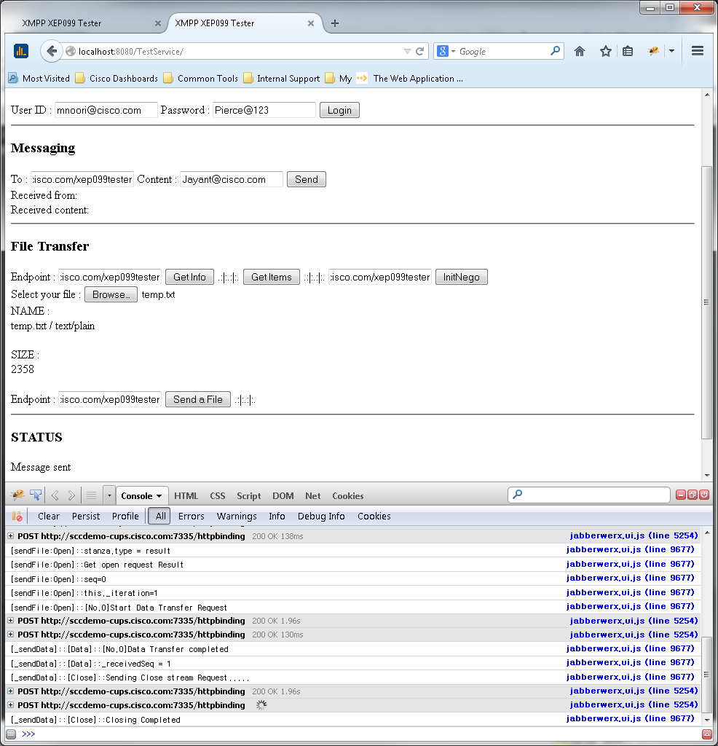

Sender End point
1. Login

Receiver End point

Receiver End point
Receiver End point

3. Select a File

Receiver End point
4. Send a File

