Sheet1
Check Sheet

Unit : | P2601001
Type : | AC160TS

▶ SEM Image |  |  |  |  |  | ▶ SPECIFICATIONS
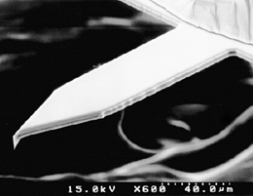
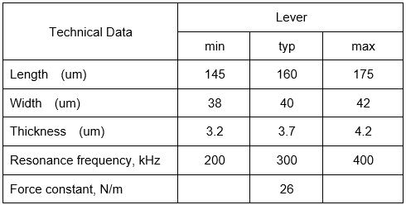

▶ Check Item |  |  |  |  |  |  |  |  |  |  | Pass | Fail
1. Backside surface check ------------------------------------------------------------------------------------- |  |  |  |  |  |  |  |  |  |  | ■ | □

2. A+B --------------------------------------------------------------------------------------------------------------------------------------------- |  |  |  |  |  |  |  |  |  |  | ■ | □

3. NCM Frequency sweep test
∙ Unipeak ------------------------------------------------------------------------------------------------------------------------------------- |  |  |  |  |  |  |  |  |  |  | ■ | □
∙ Noise ---------------------------------------------------------------------------------------------------------------------------------------- |  |  |  |  |  |  |  |  |  |  | ■ | □

4. Frequency Sweep --------------------------------------------------------------------------------------------------------------------------------------------- |  |  |  |  |  |  |  |  |  |  | ■ | □

Batch | 1(L) | 2 | 3 | 4 | 5 | 6 | 7 | 8 | 9 | 10 | 11 | 12(R)
Frequency (KHz) | 327.6 | 306.63 | 276.82 | 253.83 | 259.55 | 264.77 | 295.74 | 296.63 | 306.67 | 305.78 | 297.49 | 295.79
Q-Factor | 614.23 | 420.25 | 441.69 | 346.45 | 448.69 | 399.98 | 436.52 | 483.06 | 288.53 | 521.91 | 519.42 | 428.11

Warranty : "The cantilever warranty period is 90 days from the first shipment date from Park Systems Corp"

