IDF FCU
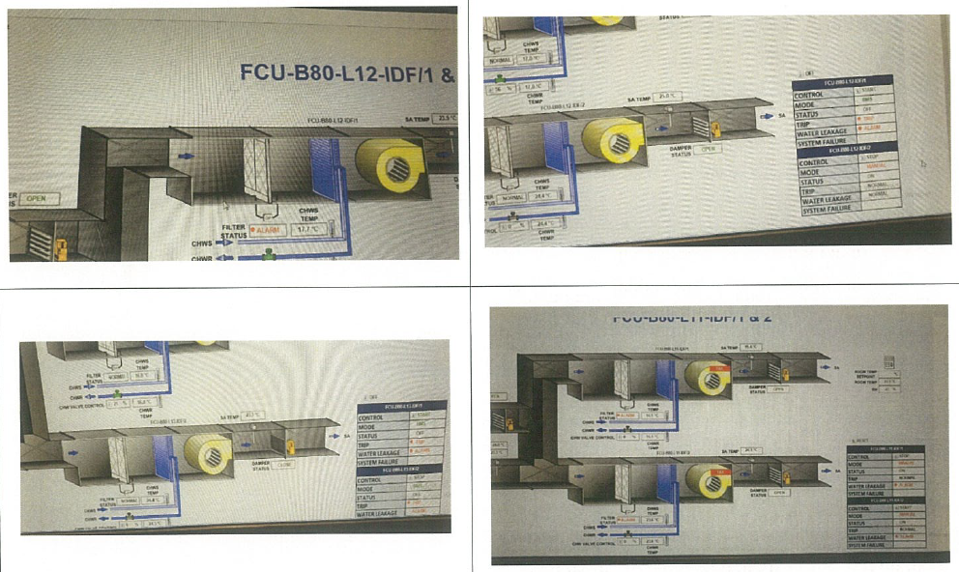
equipment_name | point_name | Niagara_Point_tag | Remark 1 | Remark 2 | Remark 3 | SQL Query
FCU_14 | run_command | station:|slot:/Drivers/RdbmsNetwork/MySQLDatabase/points/FCU_14_run_command |  | Level 11 IDF Room | Start Control | SELECT * FROM point WHERE point_name IN ('FCU_14') and equipment_name IN ('run_command');
FCU_14 | run_command | station:|slot:/Drivers/RdbmsNetwork/MySQLDatabase/points/FCU_14_run_command |  | Level 11 IDF Room | Stop Control | SELECT * FROM point WHERE point_name IN ('FCU_14') and equipment_name IN ('run_command');
FCU_14 | run_status | station:|slot:/Drivers/RdbmsNetwork/MySQLDatabase/points/FCU_14_run_status |  | Level 11 IDF Room | On/Off Status | SELECT * FROM point WHERE point_name IN ('FCU_14') and equipment_name IN ('run_status');
FCU_14 | device_fault_status | station:|slot:/Drivers/RdbmsNetwork/MySQLDatabase/points/FCU_14_device_fault_status |  | Level 11 IDF Room | Trip Alarm | SELECT * FROM point WHERE point_name IN ('FCU_14') and equipment_name IN ('device_fault_status');
FCU_14 | mode | station:|slot:/Drivers/RdbmsNetwork/MySQLDatabase/points/FCU_14_mode |  | Level 11 IDF Room | Auto Mode | SELECT * FROM point WHERE point_name IN ('FCU_14') and equipment_name IN ('mode');
FCU_14 | mode | station:|slot:/Drivers/RdbmsNetwork/MySQLDatabase/points/FCU_14_mode |  | Level 11 IDF Room | Manual Mode | SELECT * FROM point WHERE point_name IN ('FCU_14') and equipment_name IN ('mode');
FCU_14 | water_leak_alarm_status | station:|slot:/Drivers/RdbmsNetwork/MySQLDatabase/points/FCU_14_water_leak_alarm_status |  | Level 11 IDF Room | Water Leakage Alarm | SELECT * FROM point WHERE point_name IN ('FCU_14') and equipment_name IN ('water_leak_alarm_status');
FCU_14 | filter_alarm_status | station:|slot:/Drivers/RdbmsNetwork/MySQLDatabase/points/FCU_14_filter_alarm_status |  | Level 11 IDF Room | Filter Alarm | SELECT * FROM point WHERE point_name IN ('FCU_14') and equipment_name IN ('filter_alarm_status');
FCU_14 | chilled_return_water_temperature_sensor | station:|slot:/Drivers/RdbmsNetwork/MySQLDatabase/points/FCU_14_chilled_return_water_temperature_sensor |  | Level 11 IDF Room | CHWR Temperature | SELECT * FROM point WHERE point_name IN ('FCU_14') and equipment_name IN ('chilled_return_water_temperature_sensor');
FCU_14 | chilled_supply_water_temperature_sensor | station:|slot:/Drivers/RdbmsNetwork/MySQLDatabase/points/FCU_14_chilled_supply_water_temperature_sensor |  | Level 11 IDF Room | CHWSTemperature | SELECT * FROM point WHERE point_name IN ('FCU_14') and equipment_name IN ('chilled_supply_water_temperature_sensor');
FCU_14 | chilled_water_valve_percentage_command | station:|slot:/Drivers/RdbmsNetwork/MySQLDatabase/points/FCU_14_chilled_water_valve_percentage_command |  | Level 11 IDF Room | CHW Valve Control | SELECT * FROM point WHERE point_name IN ('FCU_14') and equipment_name IN ('chilled_water_valve_percentage_command');
FCU_14 | supply_air_damper_status | station:|slot:/Drivers/RdbmsNetwork/MySQLDatabase/points/FCU_14_supply_air_damper_status |  | Level 11 IDF Room | Damper Status | SELECT * FROM point WHERE point_name IN ('FCU_14') and equipment_name IN ('supply_air_damper_status');
FCU_14 | supply_air_temperature_sensor | station:|slot:/Drivers/RdbmsNetwork/MySQLDatabase/points/FCU_14_supply_air_temperature_sensor |  | Level 11 IDF Room | SA Temperature | SELECT * FROM point WHERE point_name IN ('FCU_14') and equipment_name IN ('supply_air_temperature_sensor');
FCU_14 | return_air_temperature_sensor | station:|slot:/Drivers/RdbmsNetwork/MySQLDatabase/points/FCU_14_return_air_temperature_sensor | Shared point with FCU 15, due to duct design | Level 11 IDF Room | RA Temperature | SELECT * FROM point WHERE point_name IN ('FCU_14') and equipment_name IN ('return_air_temperature_sensor');
FCU_14 | zone_air_temperature_sensor | station:|slot:/Drivers/RdbmsNetwork/MySQLDatabase/points/FCU_14_zone_air_temperature_sensor | Shared point with FCU 15, due to room design | Level 11 IDF Room | Room Temperature | SELECT * FROM point WHERE point_name IN ('FCU_14') and equipment_name IN ('zone_air_temperature_sensor');
FCU_14 | zone_air_relative_humidity_sensor | station:|slot:/Drivers/RdbmsNetwork/MySQLDatabase/points/FCU_14_zone_air_relative_humidity_sensor | Shared point with FCU 15, due to room design | Level 11 IDF Room | Room Relative Humidity | SELECT * FROM point WHERE point_name IN ('FCU_14') and equipment_name IN ('zone_air_relative_humidity_sensor');
FCU_15 | run_command | station:|slot:/Drivers/RdbmsNetwork/MySQLDatabase/points/FCU_15_run_command |  | Level 11 IDF Room | Start Control | SELECT * FROM point WHERE point_name IN ('FCU_15') and equipment_name IN ('run_command');
FCU_15 | run_command | station:|slot:/Drivers/RdbmsNetwork/MySQLDatabase/points/FCU_15_run_command |  | Level 11 IDF Room | Stop Control | SELECT * FROM point WHERE point_name IN ('FCU_15') and equipment_name IN ('run_command');
FCU_15 | run_status | station:|slot:/Drivers/RdbmsNetwork/MySQLDatabase/points/FCU_15_run_status |  | Level 11 IDF Room | On/Off Status | SELECT * FROM point WHERE point_name IN ('FCU_15') and equipment_name IN ('run_status');
FCU_15 | device_fault_status | station:|slot:/Drivers/RdbmsNetwork/MySQLDatabase/points/FCU_15_device_fault_status |  | Level 11 IDF Room | Trip Alarm | SELECT * FROM point WHERE point_name IN ('FCU_15') and equipment_name IN ('device_fault_status');
FCU_15 | mode | station:|slot:/Drivers/RdbmsNetwork/MySQLDatabase/points/FCU_15_mode |  | Level 11 IDF Room | Auto Mode | SELECT * FROM point WHERE point_name IN ('FCU_15') and equipment_name IN ('mode');
FCU_15 | mode | station:|slot:/Drivers/RdbmsNetwork/MySQLDatabase/points/FCU_15_mode |  | Level 11 IDF Room | Manual Mode | SELECT * FROM point WHERE point_name IN ('FCU_15') and equipment_name IN ('mode');
FCU_15 | water_leak_alarm_status | station:|slot:/Drivers/RdbmsNetwork/MySQLDatabase/points/FCU_15_water_leak_alarm_status |  | Level 11 IDF Room | Water Leakage Alarm | SELECT * FROM point WHERE point_name IN ('FCU_15') and equipment_name IN ('water_leak_alarm_status');
FCU_15 | filter_alarm_status | station:|slot:/Drivers/RdbmsNetwork/MySQLDatabase/points/FCU_15_filter_alarm_status |  | Level 11 IDF Room | Filter Alarm | SELECT * FROM point WHERE point_name IN ('FCU_15') and equipment_name IN ('filter_alarm_status');
FCU_15 | chilled_return_water_temperature_sensor | station:|slot:/Drivers/RdbmsNetwork/MySQLDatabase/points/FCU_15_chilled_return_water_temperature_sensor |  | Level 11 IDF Room | CHWR Temperature | SELECT * FROM point WHERE point_name IN ('FCU_15') and equipment_name IN ('chilled_return_water_temperature_sensor');
FCU_15 | chilled_supply_water_temperature_sensor | station:|slot:/Drivers/RdbmsNetwork/MySQLDatabase/points/FCU_15_chilled_supply_water_temperature_sensor |  | Level 11 IDF Room | CHWSTemperature | SELECT * FROM point WHERE point_name IN ('FCU_15') and equipment_name IN ('chilled_supply_water_temperature_sensor');
FCU_15 | chilled_water_valve_percentage_command | station:|slot:/Drivers/RdbmsNetwork/MySQLDatabase/points/FCU_15_chilled_water_valve_percentage_command |  | Level 11 IDF Room | CHW Valve Control | SELECT * FROM point WHERE point_name IN ('FCU_15') and equipment_name IN ('chilled_water_valve_percentage_command');
FCU_15 | supply_air_damper_status | station:|slot:/Drivers/RdbmsNetwork/MySQLDatabase/points/FCU_15_supply_air_damper_status |  | Level 11 IDF Room | Damper Status | SELECT * FROM point WHERE point_name IN ('FCU_15') and equipment_name IN ('supply_air_damper_status');
FCU_15 | supply_air_temperature_sensor | station:|slot:/Drivers/RdbmsNetwork/MySQLDatabase/points/FCU_15_supply_air_temperature_sensor |  | Level 11 IDF Room | SA Temperature | SELECT * FROM point WHERE point_name IN ('FCU_15') and equipment_name IN ('supply_air_temperature_sensor');

Remark
IDF Room FCU group
For the number of equipment, refer to master equipment list

PFCU
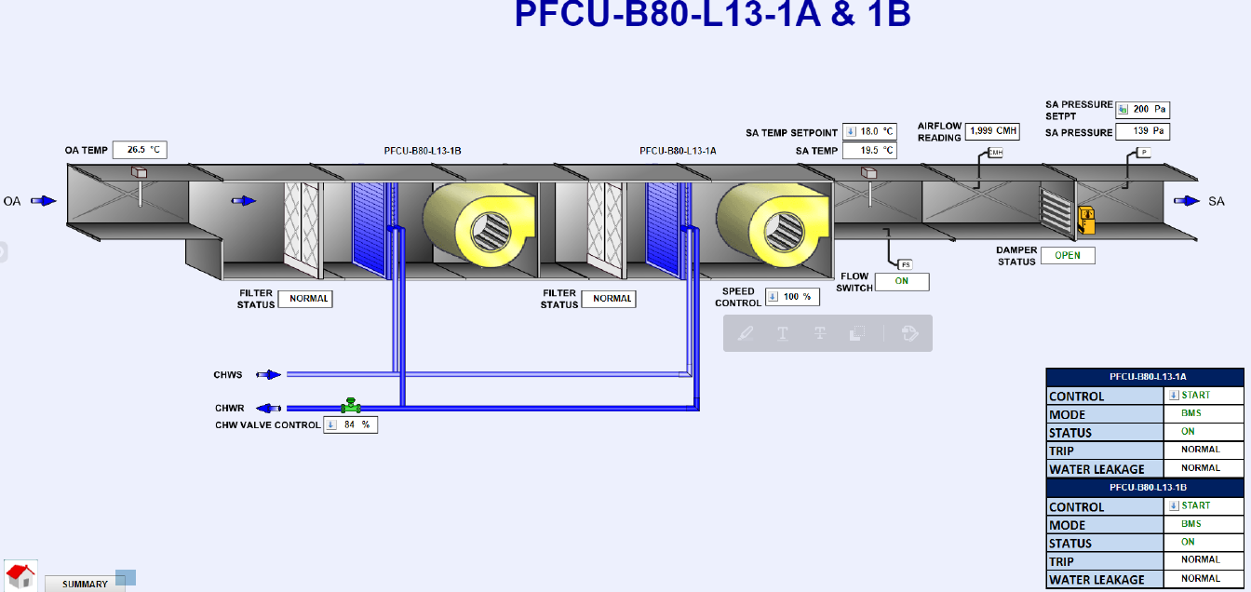
equipment_name | controllerName | point_name | Niagara_Point_tag | Remark 1 | Remark 2 | Remark 3 | SQL Query
FCU_101 |  | run_status | station:|slot:/Drivers/RdbmsNetwork/MySQLDatabase/points/FCU_101_run_status |  | Level 11 PFCU to FCU | On/Off Status | SELECT * FROM point WHERE point_name IN ('FCU_101') and equipment_name IN ('run_status');
FCU_101 |  | device_fault_status | station:|slot:/Drivers/RdbmsNetwork/MySQLDatabase/points/FCU_101_device_fault_status |  | Level 11 PFCU to FCU | Trip Alarm | SELECT * FROM point WHERE point_name IN ('FCU_101') and equipment_name IN ('device_fault_status');
FCU_101 |  | mode | station:|slot:/Drivers/RdbmsNetwork/MySQLDatabase/points/FCU_101_mode |  | Level 11 PFCU to FCU | Auto Mode | SELECT * FROM point WHERE point_name IN ('FCU_101') and equipment_name IN ('mode');
FCU_101 |  | mode | station:|slot:/Drivers/RdbmsNetwork/MySQLDatabase/points/FCU_101_mode |  | Level 11 PFCU to FCU | Manual Mode | SELECT * FROM point WHERE point_name IN ('FCU_101') and equipment_name IN ('mode');
FCU_101 |  | filter_alarm_status | station:|slot:/Drivers/RdbmsNetwork/MySQLDatabase/points/FCU_101_filter_alarm_status |  | Level 11 PFCU to FCU | Filter Alarm | SELECT * FROM point WHERE point_name IN ('FCU_101') and equipment_name IN ('filter_alarm_status');
FCU_101 |  | water_leak_alarm_status | station:|slot:/Drivers/RdbmsNetwork/MySQLDatabase/points/FCU_101_water_leak_alarm_status |  | Level 11 PFCU to FCU | Water Leakage Alarm | SELECT * FROM point WHERE point_name IN ('FCU_101') and equipment_name IN ('water_leak_alarm_status');
FCU_101 |  | fan_speed_percentage_command | station:|slot:/Drivers/RdbmsNetwork/MySQLDatabase/points/FCU_101_fan_speed_percentage_command | Shared point with FCU 102, due to design | Level 11 PFCU to FCU | VSD Control | SELECT * FROM point WHERE point_name IN ('FCU_101') and equipment_name IN ('fan_speed_percentage_command');
FCU_101 |  | chilled_water_valve_percentage_command | station:|slot:/Drivers/RdbmsNetwork/MySQLDatabase/points/FCU_101_chilled_water_valve_percentage_command | Shared point with FCU 102, due to design | Level 11 PFCU to FCU | CHW Valve Control | SELECT * FROM point WHERE point_name IN ('FCU_101') and equipment_name IN ('chilled_water_valve_percentage_command');
FCU_101 |  | supply_air_temperature_sensor | station:|slot:/Drivers/RdbmsNetwork/MySQLDatabase/points/FCU_101_supply_air_temperature_sensor | Shared point with FCU 102, due to duct design | Level 11 PFCU to FCU | SA Temperature | SELECT * FROM point WHERE point_name IN ('FCU_101') and equipment_name IN ('supply_air_temperature_sensor');
FCU_101 |  | supply_air_temperature_setpoint | station:|slot:/Drivers/RdbmsNetwork/MySQLDatabase/points/FCU_101_supply_air_temperature_setpoint | Shared point with FCU 102, due to duct design | Level 11 PFCU to FCU | SA Temperature SP | SELECT * FROM point WHERE point_name IN ('FCU_101') and equipment_name IN ('supply_air_temperature_setpoint');
FCU_101 |  | supply_air_flow_status | station:|slot:/Drivers/RdbmsNetwork/MySQLDatabase/points/FCU_101_supply_air_flow_status | Shared point with FCU 102, due to duct design | Level 11 PFCU to FCU | SA Flow Status | SELECT * FROM point WHERE point_name IN ('FCU_101') and equipment_name IN ('supply_air_flow_status');
FCU_101 |  | suppy_air_linearvelocity_sensor | station:|slot:/Drivers/RdbmsNetwork/MySQLDatabase/points/FCU_101_suppy_air_linearvelocity_sensor | Shared point with FCU 102, due to duct design | Level 11 PFCU to FCU | SA Flow Velocity | SELECT * FROM point WHERE point_name IN ('FCU_101') and equipment_name IN ('suppy_air_linearvelocity_sensor');
FCU_101 |  | supply_air_damper_status | station:|slot:/Drivers/RdbmsNetwork/MySQLDatabase/points/FCU_101_supply_air_damper_status | Shared point with FCU 102, due to duct design | Level 11 PFCU to FCU | Damper Status | SELECT * FROM point WHERE point_name IN ('FCU_101') and equipment_name IN ('supply_air_damper_status');
FCU_101 |  | supply_air_static_pressure_sensor | station:|slot:/Drivers/RdbmsNetwork/MySQLDatabase/points/FCU_101_supply_air_static_pressure_sensor | Shared point with FCU 102, due to duct design | Level 11 PFCU to FCU | SA Pressure | SELECT * FROM point WHERE point_name IN ('FCU_101') and equipment_name IN ('supply_air_static_pressure_sensor');
FCU_101 |  | supply_air_static_pressure_setpoint | station:|slot:/Drivers/RdbmsNetwork/MySQLDatabase/points/FCU_101_supply_air_static_pressure_setpoint | Shared point with FCU 102, due to duct design | Level 11 PFCU to FCU | SA Pressure SP | SELECT * FROM point WHERE point_name IN ('FCU_101') and equipment_name IN ('supply_air_static_pressure_setpoint');
FCU_101 |  | outside_air_temperature_sensor | station:|slot:/Drivers/RdbmsNetwork/MySQLDatabase/points/FCU_101_outside_air_temperature_sensor | Shared point with FCU 102, due to duct design | Level 11 PFCU to FCU | OA Temperature | SELECT * FROM point WHERE point_name IN ('FCU_101') and equipment_name IN ('outside_air_temperature_sensor');
FCU_102 |  | run_status | station:|slot:/Drivers/RdbmsNetwork/MySQLDatabase/points/FCU_102_run_status |  | Level 11 PFCU to FCU | On/Off Status | SELECT * FROM point WHERE point_name IN ('FCU_102') and equipment_name IN ('run_status');
FCU_102 |  | device_fault_status | station:|slot:/Drivers/RdbmsNetwork/MySQLDatabase/points/FCU_102_device_fault_status |  | Level 11 PFCU to FCU | Trip Alarm | SELECT * FROM point WHERE point_name IN ('FCU_102') and equipment_name IN ('device_fault_status');
FCU_102 |  | mode | station:|slot:/Drivers/RdbmsNetwork/MySQLDatabase/points/FCU_102_mode |  | Level 11 PFCU to FCU | Auto Mode | SELECT * FROM point WHERE point_name IN ('FCU_102') and equipment_name IN ('mode');
FCU_102 |  | mode | station:|slot:/Drivers/RdbmsNetwork/MySQLDatabase/points/FCU_102_mode |  | Level 11 PFCU to FCU | Manual Mode | SELECT * FROM point WHERE point_name IN ('FCU_102') and equipment_name IN ('mode');
FCU_102 |  | filter_alarm_status | station:|slot:/Drivers/RdbmsNetwork/MySQLDatabase/points/FCU_102_filter_alarm_status |  | Level 11 PFCU to FCU | Filter Alarm | SELECT * FROM point WHERE point_name IN ('FCU_102') and equipment_name IN ('filter_alarm_status');
FCU_102 |  | water_leak_alarm_status | station:|slot:/Drivers/RdbmsNetwork/MySQLDatabase/points/FCU_102_water_leak_alarm_status |  | Level 11 PFCU to FCU | Water Leakage Alarm | SELECT * FROM point WHERE point_name IN ('FCU_102') and equipment_name IN ('water_leak_alarm_status');

Remark
Pre_cool FCU
For the number of equipment, refer to master equipment list

FCU
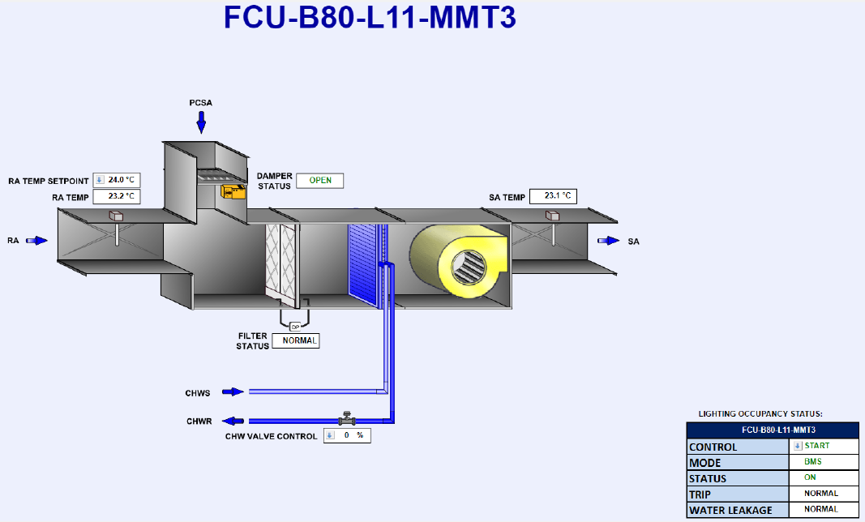
equipment_name | point_name | Niagara_Point_tag | Remark 1 | Remark 2 | Remark 3 | SQL Query
FCU_1 | run_command | station:|slot:/Drivers/RdbmsNetwork/MySQLDatabase/points/FCU_1_run_command |  | Level 11 Meeting Room | Start/Stop Control | SELECT * FROM point WHERE point_name IN ('FCU_1') and equipment_name IN ('run_command');
FCU_1 | run_status | station:|slot:/Drivers/RdbmsNetwork/MySQLDatabase/points/FCU_1_run_status |  | Level 11 Meeting Room | On/Off Status | SELECT * FROM point WHERE point_name IN ('FCU_1') and equipment_name IN ('run_status');
FCU_1 | device_fault_status | station:|slot:/Drivers/RdbmsNetwork/MySQLDatabase/points/FCU_1_device_fault_status |  | Level 11 Meeting Room | Trip Alarm | SELECT * FROM point WHERE point_name IN ('FCU_1') and equipment_name IN ('device_fault_status');
FCU_1 | mode | station:|slot:/Drivers/RdbmsNetwork/MySQLDatabase/points/FCU_1_mode |  | Level 11 Meeting Room | Auto Mode | SELECT * FROM point WHERE point_name IN ('FCU_1') and equipment_name IN ('mode');
FCU_1 | mode | station:|slot:/Drivers/RdbmsNetwork/MySQLDatabase/points/FCU_1_mode |  | Level 11 Meeting Room | Manual Mode | SELECT * FROM point WHERE point_name IN ('FCU_1') and equipment_name IN ('mode');
FCU_1 | filter_alarm_status | station:|slot:/Drivers/RdbmsNetwork/MySQLDatabase/points/FCU_1_filter_alarm_status |  | Level 11 Meeting Room | Filter Alarm | SELECT * FROM point WHERE point_name IN ('FCU_1') and equipment_name IN ('filter_alarm_status');
FCU_1 | water_leak_alarm_status | station:|slot:/Drivers/RdbmsNetwork/MySQLDatabase/points/FCU_1_water_leak_alarm_status |  | Level 11 Meeting Room | Water Leakage Alarm | SELECT * FROM point WHERE point_name IN ('FCU_1') and equipment_name IN ('water_leak_alarm_status');
FCU_1 | chilled_water_valve_percentage_command | station:|slot:/Drivers/RdbmsNetwork/MySQLDatabase/points/FCU_1_chilled_water_valve_percentage_command |  | Level 11 Meeting Room | CHW Valve Control | SELECT * FROM point WHERE point_name IN ('FCU_1') and equipment_name IN ('chilled_water_valve_percentage_command');
FCU_1 | supply_air_temperature_sensor | station:|slot:/Drivers/RdbmsNetwork/MySQLDatabase/points/FCU_1_supply_air_temperature_sensor |  | Level 11 Meeting Room | SA Temperature | SELECT * FROM point WHERE point_name IN ('FCU_1') and equipment_name IN ('supply_air_temperature_sensor');
FCU_1 | return_air_temperature_sensor | station:|slot:/Drivers/RdbmsNetwork/MySQLDatabase/points/FCU_1_return_air_temperature_sensor |  | Level 11 Meeting Room | RA Temperature | SELECT * FROM point WHERE point_name IN ('FCU_1') and equipment_name IN ('return_air_temperature_sensor');
FCU_1 | return_air_temperature_setpoint | station:|slot:/Drivers/RdbmsNetwork/MySQLDatabase/points/FCU_1_return_air_temperature_setpoint |  | Level 11 Meeting Room | RA Temperature SP | SELECT * FROM point WHERE point_name IN ('FCU_1') and equipment_name IN ('return_air_temperature_setpoint');
FCU_1 | cooling_air_damper_status | station:|slot:/Drivers/RdbmsNetwork/MySQLDatabase/points/FCU_1_cooling_air_damper_status |  | Level 11 Meeting Room | Pre_cooled Air Damper Status | SELECT * FROM point WHERE point_name IN ('FCU_1') and equipment_name IN ('cooling_air_damper_status');

Remark
FCU (Fan Coil Unit)
For the number of equipment, refer to master equipment list

FACP
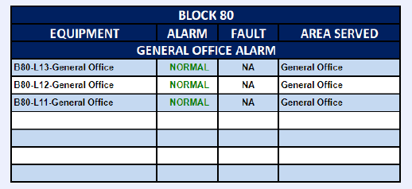
equipment_name | point_name | Niagara_Point_tag | Remark 1 | Remark 2 | Remark 3 | SQL Query
FACP_8 | fire_alarm_status | station:|slot:/Drivers/RdbmsNetwork/MySQLDatabase/points/FACP_8_fire_alarm_status |  | General Office Fire Alarm L11 | Fire Alarm | SELECT * FROM point WHERE point_name IN ('FACP_8') and equipment_name IN ('fire_alarm_status');

Remark
FACP (Fire Alarm Control Panel)
For the number of equipment, refer to master equipment list

BTU
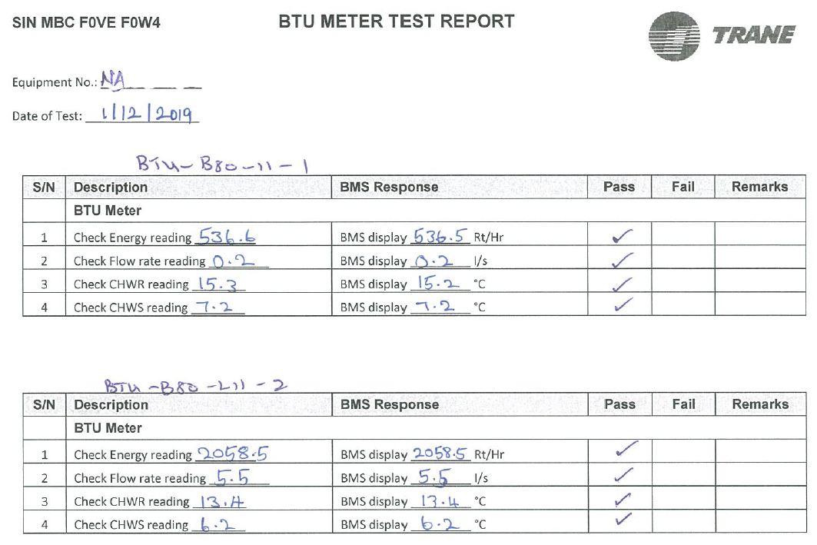
equipment_name | point_name | Niagara_Point_tag | Remark 1 | Remark 2 | Remark 3 | SQL Query
HM_1 | chilled_return_water_temperature_sensor | station:|slot:/Drivers/RdbmsNetwork/MySQLDatabase/points/HM_1_chilled_return_water_temperature_sensor |  | Level 11 AHU_10 Room | CHWR Temperature | SELECT * FROM point WHERE point_name IN ('HM_1') and equipment_name IN ('chilled_return_water_temperature_sensor');
HM_1 | chilled_supply_water_temperature_sensor | station:|slot:/Drivers/RdbmsNetwork/MySQLDatabase/points/HM_1_chilled_supply_water_temperature_sensor |  | Level 11 AHU_10 Room | CHWSTemperature | SELECT * FROM point WHERE point_name IN ('HM_1') and equipment_name IN ('chilled_supply_water_temperature_sensor');
HM_1 | chilled_supply_water_flowrate_sensor | station:|slot:/Drivers/RdbmsNetwork/MySQLDatabase/points/HM_1_chilled_supply_water_flowrate_sensor |  | Level 11 AHU_10 Room | CHW Flowrate | SELECT * FROM point WHERE point_name IN ('HM_1') and equipment_name IN ('chilled_supply_water_flowrate_sensor');
HM_1 | energy_sensor | station:|slot:/Drivers/RdbmsNetwork/MySQLDatabase/points/HM_1_energy_sensor |  | Level 11 AHU_10 Room | Energy RTH | SELECT * FROM point WHERE point_name IN ('HM_1') and equipment_name IN ('energy_sensor');

Remark
BTU Meter / HM (Heat Meter)
For the number of equipment, refer to master equipment list

EM
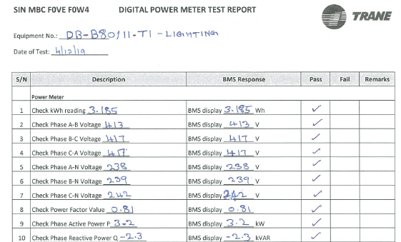
equipment_name | point_name | Niagara_Point_tag | Remark 1 | Remark 2 | Remark 3 | SQL Query
EM_1 | power_sensor | station:|slot:/Drivers/RdbmsNetwork/MySQLDatabase/points/EM_1_power_sensor | DB_B80/11.KIT | Level 11 Power Meter | Active Power kW | SELECT * FROM point WHERE point_name IN ('EM_1') and equipment_name IN ('power_sensor');
EM_1 | energy_sensor | station:|slot:/Drivers/RdbmsNetwork/MySQLDatabase/points/EM_1_energy_sensor | DB_B80/11.KIT | Level 11 Power Meter | Energy Consumption kWh | SELECT * FROM point WHERE point_name IN ('EM_1') and equipment_name IN ('energy_sensor');

Remark
Power Meter / EM (Electrical Meter)
For the number of equipment, refer to master equipment list

