PAHU
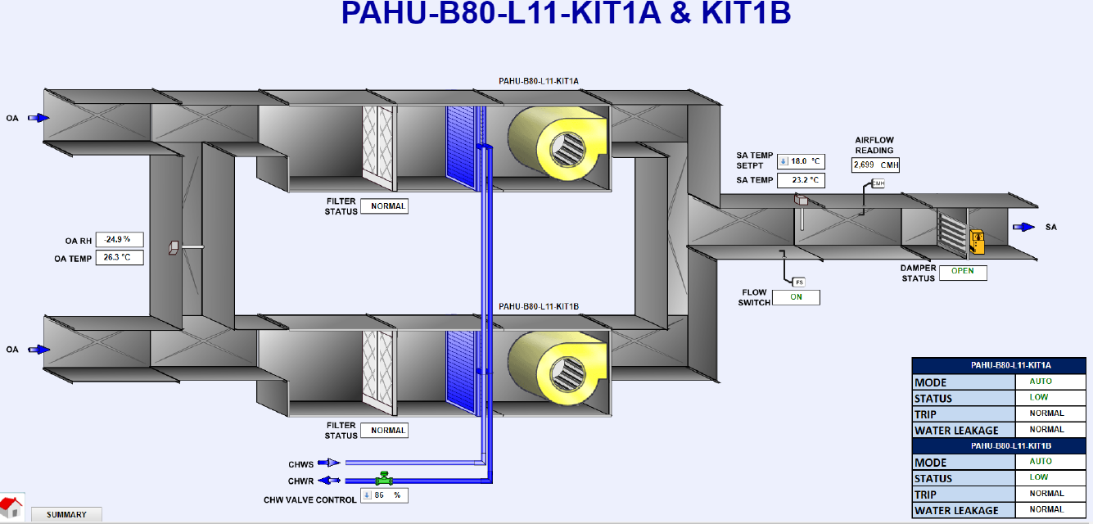
equipment_name | point_name | Controller ID | Panel ID | Remark 1 | Remark 2 | Remark 3 | SQL Query
AHU_1 | run_status |  |  | PAHU-B80-L11-KIT1A | Level 11 kitchen | On/Off Status | SELECT * FROM point WHERE point_name IN ('AHU_1') and equipment_name IN ('run_status');
AHU_1 | low_speed_fan_status | ddc-10-11 | DDC-B80-L11-T2 |  | Level 11 kitchen | Fan Low Speed Status | SELECT * FROM point WHERE point_name IN ('AHU_1') and equipment_name IN ('low_speed_fan_status');
AHU_1 | high_speed_fan_status | ddc-10-11 | DDC-B80-L11-T2 |  | Level 11 kitchen | Fan High Speed Status | SELECT * FROM point WHERE point_name IN ('AHU_1') and equipment_name IN ('high_speed_fan_status');
AHU_1 | device_fault_status | ddc-10-11 | DDC-B80-L11-T2 |  | Level 11 kitchen | Trip Alarm | SELECT * FROM point WHERE point_name IN ('AHU_1') and equipment_name IN ('device_fault_status');
AHU_1 | water_leak_alarm_status | ddc-10-11 | DDC-B80-L11-T2 |  | Level 11 kitchen | Water Leakage Alarm | SELECT * FROM point WHERE point_name IN ('AHU_1') and equipment_name IN ('water_leak_alarm_status');
AHU_1 | filter_alarm_status | ddc-11-11 | DDC-B80-L11-T2 |  | Level 11 kitchen | Filter Alarm | SELECT * FROM point WHERE point_name IN ('AHU_1') and equipment_name IN ('filter_alarm_status');
AHU_1 | mode | ddc-19-11 | DDC-B80-L11-T2 | Shared point with AHU 2, due to duct design | Level 11 kitchen | Auto Mode | SELECT * FROM point WHERE point_name IN ('AHU_1') and equipment_name IN ('mode');
AHU_1 | mode1 |  |  | Shared point with AHU 2, due to duct design | Level 11 kitchen | Manual Mode | SELECT * FROM point WHERE point_name IN ('AHU_1') and equipment_name IN ('mode1');
AHU_1 | outside_air_temperature_sensor | ddc-11-11 | DDC-B80-L11-T2 | Shared point with AHU 2, due to duct design | Level 11 kitchen | OA Temperature | SELECT * FROM point WHERE point_name IN ('AHU_1') and equipment_name IN ('outside_air_temperature_sensor');
AHU_1 | outside_air_relative_humidity_sensor | ddc-11-11 | DDC-B80-L11-T2 | Shared point with AHU 2, due to duct design | Level 11 kitchen | OA Humidity | SELECT * FROM point WHERE point_name IN ('AHU_1') and equipment_name IN ('outside_air_relative_humidity_sensor');
AHU_1 | supply_air_temperature_sensor | ddc-11-11 | DDC-B80-L11-T2 | Shared point with AHU 2, due to duct design | Level 11 kitchen | SA Temperature | SELECT * FROM point WHERE point_name IN ('AHU_1') and equipment_name IN ('supply_air_temperature_sensor');
AHU_1 | supply_air_temperature_setpoint |  |  | Shared point with AHU 2, due to duct design | Level 11 kitchen | SA Temperature SP | SELECT * FROM point WHERE point_name IN ('AHU_1') and equipment_name IN ('supply_air_temperature_setpoint');
AHU_1 | supply_air_flow_status | ddc-11-11 | DDC-B80-L11-T2 | Shared point with AHU 2, due to duct design | Level 11 kitchen | SA Flow Status | SELECT * FROM point WHERE point_name IN ('AHU_1') and equipment_name IN ('supply_air_flow_status');
AHU_1 | suppy_air_linearvelocity_sensor | ddc-11-11 | DDC-B80-L11-T2 | Shared point with AHU 2, due to duct design | Level 11 kitchen | SA Flow Velocity | SELECT * FROM point WHERE point_name IN ('AHU_1') and equipment_name IN ('suppy_air_linearvelocity_sensor');
AHU_1 | supply_air_damper_status | ddc-11-11 | DDC-B80-L11-T2 | Shared point with AHU 2, due to duct design | Level 11 kitchen | SA Damper Status | SELECT * FROM point WHERE point_name IN ('AHU_1') and equipment_name IN ('supply_air_damper_status');
AHU_1 | chilled_water_valve_percentage_command | ddc-11-11 | DDC-B80-L11-T2 | Shared point with AHU 2, due to design | Level 11 kitchen | CHW Valve Control | SELECT * FROM point WHERE point_name IN ('AHU_1') and equipment_name IN ('chilled_water_valve_percentage_command');
AHU_2 | run_status |  |  | PAHU-B80-L11-KIT1B | Level 11 kitchen | On/Off Status | SELECT * FROM point WHERE point_name IN ('AHU_2') and equipment_name IN ('run_status');
AHU_2 | low_speed_fan_status | ddc-10-11 | DDC-B80-L11-T2 |  | Level 11 kitchen | Fan Low Speed Status | SELECT * FROM point WHERE point_name IN ('AHU_2') and equipment_name IN ('low_speed_fan_status');
AHU_2 | high_speed_fan_status | ddc-10-11 | DDC-B80-L11-T2 |  | Level 11 kitchen | Fan High Speed Status | SELECT * FROM point WHERE point_name IN ('AHU_2') and equipment_name IN ('high_speed_fan_status');
AHU_2 | device_fault_status | ddc-10-11 | DDC-B80-L11-T2 |  | Level 11 kitchen | Trip Alarm | SELECT * FROM point WHERE point_name IN ('AHU_2') and equipment_name IN ('device_fault_status');
AHU_2 | water_leak_alarm_status | ddc-10-11 | DDC-B80-L11-T2 |  | Level 11 kitchen | Water Leakage Alarm | SELECT * FROM point WHERE point_name IN ('AHU_2') and equipment_name IN ('water_leak_alarm_status');
AHU_2 | filter_alarm_status | ddc-11-11 | DDC-B80-L11-T2 |  | Level 11 kitchen | Filter Alarm | SELECT * FROM point WHERE point_name IN ('AHU_2') and equipment_name IN ('filter_alarm_status');

Remark
Pre_cool AHU
For the number of equipment, refer to master equipment list

IDF FCU
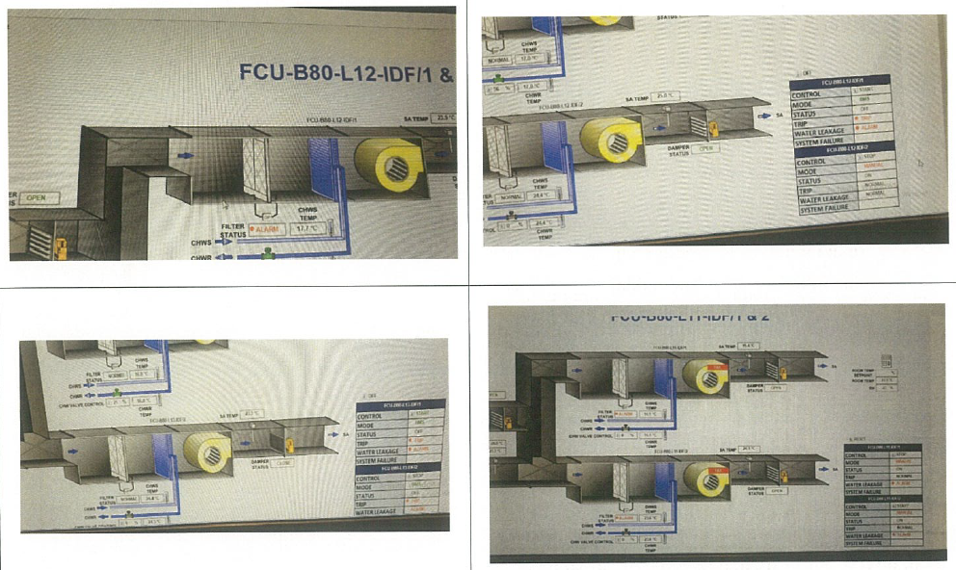
equipment_name | point_name | Controller ID | Panel ID | Remark 1 | Remark 2 | Remark 3 | SQL Query
FCU_14 | run_command | ddc-4-11 | DDC-B80-L11-T1 |  | Level 11 IDF Room | Start Control | SELECT * FROM point WHERE point_name IN ('FCU_14') and equipment_name IN ('run_command');
FCU_14 | run_command | ddc-4-11 | DDC-B80-L11-T1 |  | Level 11 IDF Room | Stop Control | SELECT * FROM point WHERE point_name IN ('FCU_14') and equipment_name IN ('run_command');
FCU_14 | run_status | ddc-4-11 | DDC-B80-L11-T1 |  | Level 11 IDF Room | On/Off Status | SELECT * FROM point WHERE point_name IN ('FCU_14') and equipment_name IN ('run_status');
FCU_14 | device_fault_status | ddc-4-11 | DDC-B80-L11-T1 |  | Level 11 IDF Room | Trip Alarm | SELECT * FROM point WHERE point_name IN ('FCU_14') and equipment_name IN ('device_fault_status');
FCU_14 | mode | ddc-4-11 | DDC-B80-L11-T1 |  | Level 11 IDF Room | Auto Mode | SELECT * FROM point WHERE point_name IN ('FCU_14') and equipment_name IN ('mode');
FCU_14 | mode1 | ddc-4-11 | DDC-B80-L11-T1 |  | Level 11 IDF Room | Manual Mode | SELECT * FROM point WHERE point_name IN ('FCU_14') and equipment_name IN ('mode1');
FCU_14 | water_leak_alarm_status | ddc-4-11 | DDC-B80-L11-T1 |  | Level 11 IDF Room | Water Leakage Alarm | SELECT * FROM point WHERE point_name IN ('FCU_14') and equipment_name IN ('water_leak_alarm_status');
FCU_14 | filter_alarm_status | ddc-6-11 | DDC-B80-L11-T1 |  | Level 11 IDF Room | Filter Alarm | SELECT * FROM point WHERE point_name IN ('FCU_14') and equipment_name IN ('filter_alarm_status');
FCU_14 | chilled_return_water_temperature_sensor | ddc-4-11 | DDC-B80-L11-T1 |  | Level 11 IDF Room | CHWR Temperature | SELECT * FROM point WHERE point_name IN ('FCU_14') and equipment_name IN ('chilled_return_water_temperature_sensor');
FCU_14 | chilled_supply_water_temperature_sensor | ddc-4-11 | DDC-B80-L11-T1 |  | Level 11 IDF Room | CHWSTemperature | SELECT * FROM point WHERE point_name IN ('FCU_14') and equipment_name IN ('chilled_supply_water_temperature_sensor');
FCU_14 | chilled_water_valve_percentage_command | ddc-4-11 | DDC-B80-L11-T1 |  | Level 11 IDF Room | CHW Valve Control | SELECT * FROM point WHERE point_name IN ('FCU_14') and equipment_name IN ('chilled_water_valve_percentage_command');
FCU_14 | supply_air_damper_status | ddc-6-11 | DDC-B80-L11-T1 |  | Level 11 IDF Room | Damper Status | SELECT * FROM point WHERE point_name IN ('FCU_14') and equipment_name IN ('supply_air_damper_status');
FCU_14 | supply_air_temperature_sensor | ddc-6-11 | DDC-B80-L11-T1 |  | Level 11 IDF Room | SA Temperature | SELECT * FROM point WHERE point_name IN ('FCU_14') and equipment_name IN ('supply_air_temperature_sensor');
FCU_14 | return_air_temperature_sensor | ddc-4-11 | DDC-B80-L11-T1 | Shared point with FCU 15, due to duct design | Level 11 IDF Room | RA Temperature | SELECT * FROM point WHERE point_name IN ('FCU_14') and equipment_name IN ('return_air_temperature_sensor');
FCU_14 | zone_air_temperature_sensor | ddc-5-11 | DDC-B80-L11-T1 | Shared point with FCU 15, due to room design | Level 11 IDF Room | Room Temperature | SELECT * FROM point WHERE point_name IN ('FCU_14') and equipment_name IN ('zone_air_temperature_sensor');
FCU_14 | zone_air_relative_humidity_sensor | ddc-6-11 | DDC-B80-L11-T1 | Shared point with FCU 15, due to room design | Level 11 IDF Room | Room Relative Humidity | SELECT * FROM point WHERE point_name IN ('FCU_14') and equipment_name IN ('zone_air_relative_humidity_sensor');
FCU_15 | run_command | ddc-5-11 | DDC-B80-L11-T1 |  | Level 11 IDF Room | Start Control | SELECT * FROM point WHERE point_name IN ('FCU_15') and equipment_name IN ('run_command');
FCU_15 | run_command | ddc-5-11 | DDC-B80-L11-T1 |  | Level 11 IDF Room | Stop Control | SELECT * FROM point WHERE point_name IN ('FCU_15') and equipment_name IN ('run_command');
FCU_15 | run_status | ddc-5-11 | DDC-B80-L11-T1 |  | Level 11 IDF Room | On/Off Status | SELECT * FROM point WHERE point_name IN ('FCU_15') and equipment_name IN ('run_status');
FCU_15 | device_fault_status | ddc-5-11 | DDC-B80-L11-T1 |  | Level 11 IDF Room | Trip Alarm | SELECT * FROM point WHERE point_name IN ('FCU_15') and equipment_name IN ('device_fault_status');
FCU_15 | mode | ddc-5-11 | DDC-B80-L11-T1 |  | Level 11 IDF Room | Auto Mode | SELECT * FROM point WHERE point_name IN ('FCU_15') and equipment_name IN ('mode');
FCU_15 | mode1 | ddc-5-11 | DDC-B80-L11-T1 |  | Level 11 IDF Room | Manual Mode | SELECT * FROM point WHERE point_name IN ('FCU_15') and equipment_name IN ('mode1');
FCU_15 | water_leak_alarm_status | ddc-5-11 | DDC-B80-L11-T1 |  | Level 11 IDF Room | Water Leakage Alarm | SELECT * FROM point WHERE point_name IN ('FCU_15') and equipment_name IN ('water_leak_alarm_status');
FCU_15 | filter_alarm_status | ddc-6-11 | DDC-B80-L11-T1 |  | Level 11 IDF Room | Filter Alarm | SELECT * FROM point WHERE point_name IN ('FCU_15') and equipment_name IN ('filter_alarm_status');
FCU_15 | chilled_return_water_temperature_sensor | ddc-5-11 | DDC-B80-L11-T1 |  | Level 11 IDF Room | CHWR Temperature | SELECT * FROM point WHERE point_name IN ('FCU_15') and equipment_name IN ('chilled_return_water_temperature_sensor');
FCU_15 | chilled_supply_water_temperature_sensor | ddc-5-11 | DDC-B80-L11-T1 |  | Level 11 IDF Room | CHWSTemperature | SELECT * FROM point WHERE point_name IN ('FCU_15') and equipment_name IN ('chilled_supply_water_temperature_sensor');
FCU_15 | chilled_water_valve_percentage_command | ddc-5-11 | DDC-B80-L11-T1 |  | Level 11 IDF Room | CHW Valve Control | SELECT * FROM point WHERE point_name IN ('FCU_15') and equipment_name IN ('chilled_water_valve_percentage_command');
FCU_15 | supply_air_damper_status | ddc-6-11 | DDC-B80-L11-T1 |  | Level 11 IDF Room | Damper Status | SELECT * FROM point WHERE point_name IN ('FCU_15') and equipment_name IN ('supply_air_damper_status');
FCU_15 | supply_air_temperature_sensor | ddc-6-11 | DDC-B80-L11-T1 |  | Level 11 IDF Room | SA Temperature | SELECT * FROM point WHERE point_name IN ('FCU_15') and equipment_name IN ('supply_air_temperature_sensor');
FCU_28 | run_command | ddc-41-12 | DDC-B80-L12-T1 |  | Level 12 IDF Room | Start Control | SELECT * FROM point WHERE point_name IN ('FCU_28') and equipment_name IN ('run_command');
FCU_28 | run_command | ddc-41-12 | DDC-B80-L12-T1 |  | Level 12 IDF Room | Stop Control | SELECT * FROM point WHERE point_name IN ('FCU_28') and equipment_name IN ('run_command');
FCU_28 | run_status | ddc-41-12 | DDC-B80-L12-T1 |  | Level 12 IDF Room | On/Off Status | SELECT * FROM point WHERE point_name IN ('FCU_28') and equipment_name IN ('run_status');
FCU_28 | device_fault_status | ddc-41-12 | DDC-B80-L12-T1 |  | Level 12 IDF Room | Trip Alarm | SELECT * FROM point WHERE point_name IN ('FCU_28') and equipment_name IN ('device_fault_status');
FCU_28 | mode | ddc-41-12 | DDC-B80-L12-T1 |  | Level 12 IDF Room | Auto Mode | SELECT * FROM point WHERE point_name IN ('FCU_28') and equipment_name IN ('mode');
FCU_28 | mode1 | ddc-41-12 | DDC-B80-L12-T1 |  | Level 12 IDF Room | Manual Mode | SELECT * FROM point WHERE point_name IN ('FCU_28') and equipment_name IN ('mode1');
FCU_28 | water_leak_alarm_status | ddc-41-12 | DDC-B80-L12-T1 |  | Level 12 IDF Room | Water Leakage Alarm | SELECT * FROM point WHERE point_name IN ('FCU_28') and equipment_name IN ('water_leak_alarm_status');
FCU_28 | filter_alarm_status | ddc-43-12 | DDC-B80-L12-T1 |  | Level 12 IDF Room | Filter Alarm | SELECT * FROM point WHERE point_name IN ('FCU_28') and equipment_name IN ('filter_alarm_status');
FCU_28 | chilled_return_water_temperature_sensor | ddc-41-12 | DDC-B80-L12-T1 |  | Level 12 IDF Room | CHWR Temperature | SELECT * FROM point WHERE point_name IN ('FCU_28') and equipment_name IN ('chilled_return_water_temperature_sensor');
FCU_28 | chilled_supply_water_temperature_sensor | ddc-41-12 | DDC-B80-L12-T1 |  | Level 12 IDF Room | CHWSTemperature | SELECT * FROM point WHERE point_name IN ('FCU_28') and equipment_name IN ('chilled_supply_water_temperature_sensor');
FCU_28 | chilled_water_valve_percentage_command | ddc-41-12 | DDC-B80-L12-T1 |  | Level 12 IDF Room | CHW Valve Control | SELECT * FROM point WHERE point_name IN ('FCU_28') and equipment_name IN ('chilled_water_valve_percentage_command');
FCU_28 | supply_air_damper_status | ddc-43-12 | DDC-B80-L12-T1 |  | Level 12 IDF Room | Damper Status | SELECT * FROM point WHERE point_name IN ('FCU_28') and equipment_name IN ('supply_air_damper_status');
FCU_28 | supply_air_temperature_sensor | ddc-43-12 | DDC-B80-L12-T1 |  | Level 12 IDF Room | SA Temperature | SELECT * FROM point WHERE point_name IN ('FCU_28') and equipment_name IN ('supply_air_temperature_sensor');
FCU_28 | return_air_temperature_sensor | ddc-41-12 | DDC-B80-L12-T1 | Shared point with FCU 29, due to duct design | Level 12 IDF Room | RA Temperature | SELECT * FROM point WHERE point_name IN ('FCU_28') and equipment_name IN ('return_air_temperature_sensor');
FCU_28 | zone_air_temperature_sensor | ddc-42-12 | DDC-B80-L12-T1 | Shared point with FCU 29, due to room design | Level 12 IDF Room | Room Temperature | SELECT * FROM point WHERE point_name IN ('FCU_28') and equipment_name IN ('zone_air_temperature_sensor');
FCU_28 | zone_air_relative_humidity_sensor | ddc-43-12 | DDC-B80-L12-T1 | Shared point with FCU 29, due to room design | Level 12 IDF Room | Room Relative Humidity | SELECT * FROM point WHERE point_name IN ('FCU_28') and equipment_name IN ('zone_air_relative_humidity_sensor');
FCU_29 | run_command | ddc-42-12 | DDC-B80-L12-T1 |  | Level 12 IDF Room | Start Control | SELECT * FROM point WHERE point_name IN ('FCU_29') and equipment_name IN ('run_command');
FCU_29 | run_command | ddc-42-12 | DDC-B80-L12-T1 |  | Level 12 IDF Room | Stop Control | SELECT * FROM point WHERE point_name IN ('FCU_29') and equipment_name IN ('run_command');
FCU_29 | run_status | ddc-42-12 | DDC-B80-L12-T1 |  | Level 12 IDF Room | On/Off Status | SELECT * FROM point WHERE point_name IN ('FCU_29') and equipment_name IN ('run_status');
FCU_29 | device_fault_status | ddc-42-12 | DDC-B80-L12-T1 |  | Level 12 IDF Room | Trip Alarm | SELECT * FROM point WHERE point_name IN ('FCU_29') and equipment_name IN ('device_fault_status');
FCU_29 | mode | ddc-42-12 | DDC-B80-L12-T1 |  | Level 12 IDF Room | Auto Mode | SELECT * FROM point WHERE point_name IN ('FCU_29') and equipment_name IN ('mode');
FCU_29 | mode1 | ddc-42-12 | DDC-B80-L12-T1 |  | Level 12 IDF Room | Manual Mode | SELECT * FROM point WHERE point_name IN ('FCU_29') and equipment_name IN ('mode1');
FCU_29 | water_leak_alarm_status | ddc-42-12 | DDC-B80-L12-T1 |  | Level 12 IDF Room | Water Leakage Alarm | SELECT * FROM point WHERE point_name IN ('FCU_29') and equipment_name IN ('water_leak_alarm_status');
FCU_29 | filter_alarm_status | ddc-43-12 | DDC-B80-L12-T1 |  | Level 12 IDF Room | Filter Alarm | SELECT * FROM point WHERE point_name IN ('FCU_29') and equipment_name IN ('filter_alarm_status');
FCU_29 | chilled_return_water_temperature_sensor | ddc-42-12 | DDC-B80-L12-T1 |  | Level 12 IDF Room | CHWR Temperature | SELECT * FROM point WHERE point_name IN ('FCU_29') and equipment_name IN ('chilled_return_water_temperature_sensor');
FCU_29 | chilled_supply_water_temperature_sensor | ddc-42-12 | DDC-B80-L12-T1 |  | Level 12 IDF Room | CHWSTemperature | SELECT * FROM point WHERE point_name IN ('FCU_29') and equipment_name IN ('chilled_supply_water_temperature_sensor');
FCU_29 | chilled_water_valve_percentage_command | ddc-42-12 | DDC-B80-L12-T1 |  | Level 12 IDF Room | CHW Valve Control | SELECT * FROM point WHERE point_name IN ('FCU_29') and equipment_name IN ('chilled_water_valve_percentage_command');
FCU_29 | supply_air_damper_status | ddc-43-12 | DDC-B80-L12-T1 |  | Level 12 IDF Room | Damper Status | SELECT * FROM point WHERE point_name IN ('FCU_29') and equipment_name IN ('supply_air_damper_status');
FCU_29 | supply_air_temperature_sensor | ddc-43-12 | DDC-B80-L12-T1 |  | Level 12 IDF Room | SA Temperature | SELECT * FROM point WHERE point_name IN ('FCU_29') and equipment_name IN ('supply_air_temperature_sensor');

Remark
IDF Room FCU group
For the number of equipment, refer to master equipment list

PFCU
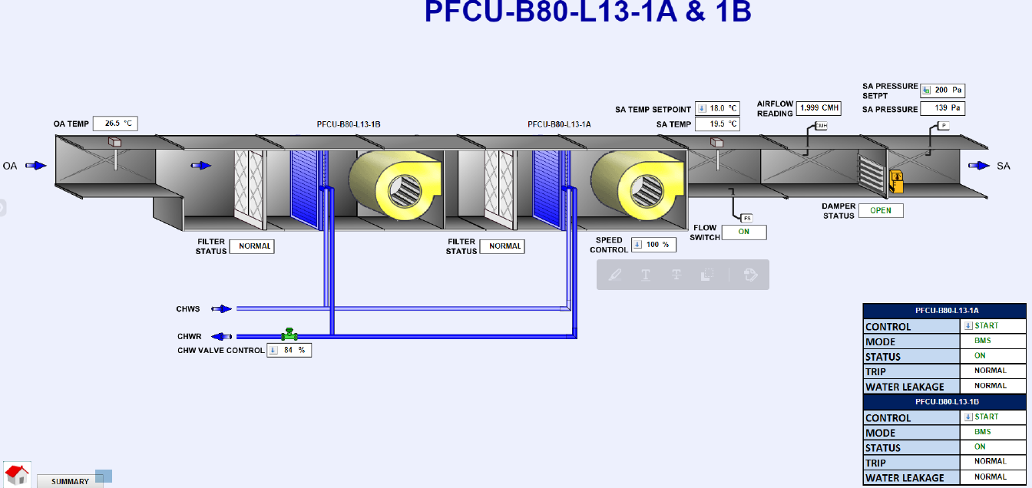
equipment_name | point_name | Controller ID | Panel ID | Remark 1 | Remark 2 | Remark 3 | SQL Query
FCU_101 | run_command | ddc-32-11 | DDC-B80-L11-T4 | Shared point with FCU 102, due to design | Level 11 PFCU to FCU | Start/Stop Control | SELECT * FROM point WHERE point_name IN ('FCU_101') and equipment_name IN ('run_command');
FCU_101 | run_status | ddc-32-11 | DDC-B80-L11-T4 |  | Level 11 PFCU to FCU | On/Off Status | SELECT * FROM point WHERE point_name IN ('FCU_101') and equipment_name IN ('run_status');
FCU_101 | device_fault_status | ddc-32-11 | DDC-B80-L11-T4 |  | Level 11 PFCU to FCU | Trip Alarm | SELECT * FROM point WHERE point_name IN ('FCU_101') and equipment_name IN ('device_fault_status');
FCU_101 | mode | ddc-32-11 | DDC-B80-L11-T4 |  | Level 11 PFCU to FCU | Auto Mode | SELECT * FROM point WHERE point_name IN ('FCU_101') and equipment_name IN ('mode');
FCU_101 | mode1 | ddc-32-11 | DDC-B80-L11-T4 |  | Level 11 PFCU to FCU | Manual Mode | SELECT * FROM point WHERE point_name IN ('FCU_101') and equipment_name IN ('mode1');
FCU_101 | filter_alarm_status | ddc-33-11 | DDC-B80-L11-T4 |  | Level 11 PFCU to FCU | Filter Alarm | SELECT * FROM point WHERE point_name IN ('FCU_101') and equipment_name IN ('filter_alarm_status');
FCU_101 | water_leak_alarm_status | ddc-32-11 | DDC-B80-L11-T4 |  | Level 11 PFCU to FCU | Water Leakage Alarm | SELECT * FROM point WHERE point_name IN ('FCU_101') and equipment_name IN ('water_leak_alarm_status');
FCU_101 | fan_speed_percentage_command | ddc-33-11 | DDC-B80-L11-T4 | Shared point with FCU 102, due to design | Level 11 PFCU to FCU | VSD Control | SELECT * FROM point WHERE point_name IN ('FCU_101') and equipment_name IN ('fan_speed_percentage_command');
FCU_101 | chilled_water_valve_percentage_command | ddc-33-11 | DDC-B80-L11-T4 | Shared point with FCU 102, due to design | Level 11 PFCU to FCU | CHW Valve Control | SELECT * FROM point WHERE point_name IN ('FCU_101') and equipment_name IN ('chilled_water_valve_percentage_command');
FCU_101 | supply_air_temperature_sensor | ddc-33-11 | DDC-B80-L11-T4 | Shared point with FCU 102, due to duct design | Level 11 PFCU to FCU | SA Temperature | SELECT * FROM point WHERE point_name IN ('FCU_101') and equipment_name IN ('supply_air_temperature_sensor');
FCU_101 | supply_air_temperature_setpoint | ddc-33-11 |  | Software point | Level 11 PFCU to FCU | SA Temperature SP | SELECT * FROM point WHERE point_name IN ('FCU_101') and equipment_name IN ('supply_air_temperature_setpoint');
FCU_101 | supply_air_flow_status | ddc-33-11 | DDC-B80-L11-T4 | Shared point with FCU 102, due to duct design | Level 11 PFCU to FCU | SA Flow Status | SELECT * FROM point WHERE point_name IN ('FCU_101') and equipment_name IN ('supply_air_flow_status');
FCU_101 | suppy_air_linearvelocity_sensor | ddc-33-11 | DDC-B80-L11-T4 | Shared point with FCU 102, due to duct design | Level 11 PFCU to FCU | SA Flow Velocity | SELECT * FROM point WHERE point_name IN ('FCU_101') and equipment_name IN ('suppy_air_linearvelocity_sensor');
FCU_101 | supply_air_damper_status | ddc-33-11 | DDC-B80-L11-T4 | Shared point with FCU 102, due to duct design | Level 11 PFCU to FCU | Damper Status | SELECT * FROM point WHERE point_name IN ('FCU_101') and equipment_name IN ('supply_air_damper_status');
FCU_101 | supply_air_static_pressure_sensor | ddc-33-11 | DDC-B80-L11-T4 | Shared point with FCU 102, due to duct design | Level 11 PFCU to FCU | SA Pressure | SELECT * FROM point WHERE point_name IN ('FCU_101') and equipment_name IN ('supply_air_static_pressure_sensor');
FCU_101 | supply_air_static_pressure_setpoint | ddc-33-11 |  | Software point | Level 11 PFCU to FCU | SA Pressure SP | SELECT * FROM point WHERE point_name IN ('FCU_101') and equipment_name IN ('supply_air_static_pressure_setpoint');
FCU_101 | outside_air_temperature_sensor | ddc-33-11 | DDC-B80-L11-T4 | Shared point with FCU 102, due to duct design | Level 11 PFCU to FCU | OA Temperature | SELECT * FROM point WHERE point_name IN ('FCU_101') and equipment_name IN ('outside_air_temperature_sensor');
FCU_102 | run_status | ddc-32-11 | DDC-B80-L11-T4 |  | Level 11 PFCU to FCU | On/Off Status | SELECT * FROM point WHERE point_name IN ('FCU_102') and equipment_name IN ('run_status');
FCU_102 | device_fault_status | ddc-32-11 | DDC-B80-L11-T4 |  | Level 11 PFCU to FCU | Trip Alarm | SELECT * FROM point WHERE point_name IN ('FCU_102') and equipment_name IN ('device_fault_status');
FCU_102 | mode | ddc-32-11 |  | Software point | Level 11 PFCU to FCU | Auto Mode | SELECT * FROM point WHERE point_name IN ('FCU_102') and equipment_name IN ('mode');
FCU_102 | mode1 | ddc-32-11 |  | Software point | Level 11 PFCU to FCU | Manual Mode | SELECT * FROM point WHERE point_name IN ('FCU_102') and equipment_name IN ('mode1');
FCU_102 | filter_alarm_status | ddc-33-11 | DDC-B80-L11-T4 |  | Level 11 PFCU to FCU | Filter Alarm | SELECT * FROM point WHERE point_name IN ('FCU_102') and equipment_name IN ('filter_alarm_status');
FCU_102 | water_leak_alarm_status | ddc-32-11 | DDC-B80-L11-T4 |  | Level 11 PFCU to FCU | Water Leakage Alarm | SELECT * FROM point WHERE point_name IN ('FCU_102') and equipment_name IN ('water_leak_alarm_status');
FCU_103 | run_command | ddc-12-11 | DDC-B80-L11-T2 | Shared point with FCU 104, due to design | Level 11 PFCU to FCU | Start/Stop Control | SELECT * FROM point WHERE point_name IN ('FCU_103') and equipment_name IN ('run_command');
FCU_103 | run_status | ddc-12-11 | DDC-B80-L11-T2 | PFCU-B80-L11-KIT1A | Level 11 PFCU to FCU | On/Off Status | SELECT * FROM point WHERE point_name IN ('FCU_103') and equipment_name IN ('run_status');
FCU_103 | device_fault_status | ddc-12-11 | DDC-B80-L11-T2 |  | Level 11 PFCU to FCU | Trip Alarm | SELECT * FROM point WHERE point_name IN ('FCU_103') and equipment_name IN ('device_fault_status');
FCU_103 | mode | ddc-12-11 | DDC-B80-L11-T2 |  | Level 11 PFCU to FCU | Auto Mode | SELECT * FROM point WHERE point_name IN ('FCU_103') and equipment_name IN ('mode');
FCU_103 | mode1 | ddc-12-11 | DDC-B80-L11-T2 |  | Level 11 PFCU to FCU | Manual Mode | SELECT * FROM point WHERE point_name IN ('FCU_103') and equipment_name IN ('mode1');
FCU_103 | filter_alarm_status | ddc-13-11 | DDC-B80-L11-T2 |  | Level 11 PFCU to FCU | Filter Alarm | SELECT * FROM point WHERE point_name IN ('FCU_103') and equipment_name IN ('filter_alarm_status');
FCU_103 | water_leak_alarm_status | ddc-12-11 | DDC-B80-L11-T2 |  | Level 11 PFCU to FCU | Water Leakage Alarm | SELECT * FROM point WHERE point_name IN ('FCU_103') and equipment_name IN ('water_leak_alarm_status');
FCU_103 | fan_speed_percentage_command | ddc-13-11 | DDC-B80-L11-T2 | Shared point with FCU 104, due to design | Level 11 PFCU to FCU | VSD Control | SELECT * FROM point WHERE point_name IN ('FCU_103') and equipment_name IN ('fan_speed_percentage_command');
FCU_103 | chilled_water_valve_percentage_command | ddc-13-11 | DDC-B80-L11-T2 | Shared point with FCU 104, due to design | Level 11 PFCU to FCU | CHW Valve Control | SELECT * FROM point WHERE point_name IN ('FCU_103') and equipment_name IN ('chilled_water_valve_percentage_command');
FCU_103 | supply_air_temperature_sensor | ddc-13-11 | DDC-B80-L11-T2 | Shared point with FCU 104, due to duct design | Level 11 PFCU to FCU | SA Temperature | SELECT * FROM point WHERE point_name IN ('FCU_103') and equipment_name IN ('supply_air_temperature_sensor');
FCU_103 | supply_air_temperature_setpoint | ddc-13-11 |  | Software point | Level 11 PFCU to FCU | SA Temperature SP | SELECT * FROM point WHERE point_name IN ('FCU_103') and equipment_name IN ('supply_air_temperature_setpoint');
FCU_103 | supply_air_flow_status | ddc-13-11 | DDC-B80-L11-T2 | Shared point with FCU 104, due to duct design | Level 11 PFCU to FCU | SA Flow Status | SELECT * FROM point WHERE point_name IN ('FCU_103') and equipment_name IN ('supply_air_flow_status');
FCU_103 | suppy_air_linearvelocity_sensor | ddc-13-11 | DDC-B80-L11-T2 | Shared point with FCU 104, due to duct design | Level 11 PFCU to FCU | SA Flow Velocity | SELECT * FROM point WHERE point_name IN ('FCU_103') and equipment_name IN ('suppy_air_linearvelocity_sensor');
FCU_103 | supply_air_damper_status | ddc-13-11 | DDC-B80-L11-T2 | Shared point with FCU 104, due to duct design | Level 11 PFCU to FCU | Damper Status | SELECT * FROM point WHERE point_name IN ('FCU_103') and equipment_name IN ('supply_air_damper_status');
FCU_103 | supply_air_static_pressure_sensor | ddc-13-11 | DDC-B80-L11-T2 | Shared point with FCU 104, due to duct design | Level 11 PFCU to FCU | SA Pressure | SELECT * FROM point WHERE point_name IN ('FCU_103') and equipment_name IN ('supply_air_static_pressure_sensor');
FCU_103 | supply_air_static_pressure_setpoint | ddc-13-11 |  | Software point | Level 11 PFCU to FCU | SA Pressure SP | SELECT * FROM point WHERE point_name IN ('FCU_103') and equipment_name IN ('supply_air_static_pressure_setpoint');
FCU_103 | outside_air_temperature_sensor | ddc-13-11 | DDC-B80-L11-T2 | Shared point with FCU 104, due to duct design | Level 11 PFCU to FCU | OA Temperature | SELECT * FROM point WHERE point_name IN ('FCU_103') and equipment_name IN ('outside_air_temperature_sensor');
FCU_104 | run_status | ddc-12-11 | DDC-B80-L11-T2 | PFCU-B80-L11-KIT1B | Level 11 PFCU to FCU | On/Off Status | SELECT * FROM point WHERE point_name IN ('FCU_104') and equipment_name IN ('run_status');
FCU_104 | device_fault_status | ddc-12-11 | DDC-B80-L11-T2 |  | Level 11 PFCU to FCU | Trip Alarm | SELECT * FROM point WHERE point_name IN ('FCU_104') and equipment_name IN ('device_fault_status');
FCU_104 | mode | ddc-12-11 |  | Software point | Level 11 PFCU to FCU | Auto Mode | SELECT * FROM point WHERE point_name IN ('FCU_104') and equipment_name IN ('mode');
FCU_104 | mode_1 | ddc-12-11 |  | Software point | Level 11 PFCU to FCU | Manual Mode | SELECT * FROM point WHERE point_name IN ('FCU_104') and equipment_name IN ('mode_1');
FCU_104 | filter_alarm_status | ddc-13-11 | DDC-B80-L11-T2 |  | Level 11 PFCU to FCU | Filter Alarm | SELECT * FROM point WHERE point_name IN ('FCU_104') and equipment_name IN ('filter_alarm_status');
FCU_104 | water_leak_alarm_status | ddc-12-11 | DDC-B80-L11-T2 |  | Level 11 PFCU to FCU | Water Leakage Alarm | SELECT * FROM point WHERE point_name IN ('FCU_104') and equipment_name IN ('water_leak_alarm_status');
FCU_105 | run_command | ddc-49-12 | DDC-B80-L12-T2 | Shared point with FCU 104, due to design | Level 12 PFCU to FCU | Start/Stop Control | SELECT * FROM point WHERE point_name IN ('FCU_105') and equipment_name IN ('run_command');
FCU_105 | run_status | ddc-49-12 | DDC-B80-L12-T2 | PFCU-B80-L11-KIT1A | Level 12 PFCU to FCU | On/Off Status | SELECT * FROM point WHERE point_name IN ('FCU_105') and equipment_name IN ('run_status');
FCU_105 | device_fault_status | ddc-49-12 | DDC-B80-L12-T2 |  | Level 12 PFCU to FCU | Trip Alarm | SELECT * FROM point WHERE point_name IN ('FCU_105') and equipment_name IN ('device_fault_status');
FCU_105 | mode | ddc-49-12 | DDC-B80-L12-T2 |  | Level 12 PFCU to FCU | Auto Mode | SELECT * FROM point WHERE point_name IN ('FCU_105') and equipment_name IN ('mode');
FCU_105 | mode_1 | ddc-49-12 | DDC-B80-L12-T2 |  | Level 12 PFCU to FCU | Manual Mode | SELECT * FROM point WHERE point_name IN ('FCU_105') and equipment_name IN ('mode_1');
FCU_105 | filter_alarm_status | ddc-13-11 | DDC-B80-L12-T2 |  | Level 12 PFCU to FCU | Filter Alarm | SELECT * FROM point WHERE point_name IN ('FCU_105') and equipment_name IN ('filter_alarm_status');
FCU_105 | water_leak_alarm_status | ddc-49-12 | DDC-B80-L12-T2 |  | Level 12 PFCU to FCU | Water Leakage Alarm | SELECT * FROM point WHERE point_name IN ('FCU_105') and equipment_name IN ('water_leak_alarm_status');
FCU_105 | fan_speed_percentage_command | ddc-13-11 | DDC-B80-L12-T2 | Shared point with FCU 104, due to design | Level 12 PFCU to FCU | VSD Control | SELECT * FROM point WHERE point_name IN ('FCU_105') and equipment_name IN ('fan_speed_percentage_command');
FCU_105 | chilled_water_valve_percentage_command | ddc-13-11 | DDC-B80-L12-T2 | Shared point with FCU 104, due to design | Level 12 PFCU to FCU | CHW Valve Control | SELECT * FROM point WHERE point_name IN ('FCU_105') and equipment_name IN ('chilled_water_valve_percentage_command');
FCU_105 | supply_air_temperature_sensor | ddc-13-11 | DDC-B80-L12-T2 | Shared point with FCU 104, due to duct design | Level 12 PFCU to FCU | SA Temperature | SELECT * FROM point WHERE point_name IN ('FCU_105') and equipment_name IN ('supply_air_temperature_sensor');
FCU_105 | supply_air_temperature_setpoint | ddc-13-11 |  | Software point | Level 12 PFCU to FCU | SA Temperature SP | SELECT * FROM point WHERE point_name IN ('FCU_105') and equipment_name IN ('supply_air_temperature_setpoint');
FCU_105 | supply_air_flow_status | ddc-13-11 | DDC-B80-L12-T2 | Shared point with FCU 104, due to duct design | Level 12 PFCU to FCU | SA Flow Status | SELECT * FROM point WHERE point_name IN ('FCU_105') and equipment_name IN ('supply_air_flow_status');
FCU_105 | suppy_air_linearvelocity_sensor | ddc-13-11 | DDC-B80-L12-T2 | Shared point with FCU 104, due to duct design | Level 12 PFCU to FCU | SA Flow Velocity | SELECT * FROM point WHERE point_name IN ('FCU_105') and equipment_name IN ('suppy_air_linearvelocity_sensor');
FCU_105 | supply_air_damper_status | ddc-13-11 | DDC-B80-L12-T2 | Shared point with FCU 104, due to duct design | Level 12 PFCU to FCU | Damper Status | SELECT * FROM point WHERE point_name IN ('FCU_105') and equipment_name IN ('supply_air_damper_status');
FCU_105 | supply_air_static_pressure_sensor | ddc-13-11 | DDC-B80-L12-T2 | Shared point with FCU 104, due to duct design | Level 12 PFCU to FCU | SA Pressure | SELECT * FROM point WHERE point_name IN ('FCU_105') and equipment_name IN ('supply_air_static_pressure_sensor');
FCU_105 | supply_air_static_pressure_setpoint | ddc-13-11 |  | Software point | Level 12 PFCU to FCU | SA Pressure SP | SELECT * FROM point WHERE point_name IN ('FCU_105') and equipment_name IN ('supply_air_static_pressure_setpoint');
FCU_105 | outside_air_temperature_sensor | ddc-13-11 | DDC-B80-L12-T2 | Shared point with FCU 104, due to duct design | Level 12 PFCU to FCU | OA Temperature | SELECT * FROM point WHERE point_name IN ('FCU_105') and equipment_name IN ('outside_air_temperature_sensor');
FCU_106 | run_status | ddc-49-12 | DDC-B80-L12-T2 | PFCU-B80-L11-KIT1B | Level 12 PFCU to FCU | On/Off Status | SELECT * FROM point WHERE point_name IN ('FCU_106') and equipment_name IN ('run_status');
FCU_106 | device_fault_status | ddc-49-12 | DDC-B80-L12-T2 |  | Level 12 PFCU to FCU | Trip Alarm | SELECT * FROM point WHERE point_name IN ('FCU_106') and equipment_name IN ('device_fault_status');
FCU_106 | mode | ddc-49-12 |  | Software point | Level 12 PFCU to FCU | Auto Mode | SELECT * FROM point WHERE point_name IN ('FCU_106') and equipment_name IN ('mode');
FCU_106 | mode_1 | ddc-49-12 |  | Software point | Level 12 PFCU to FCU | Manual Mode | SELECT * FROM point WHERE point_name IN ('FCU_106') and equipment_name IN ('mode_1');
FCU_106 | filter_alarm_status | ddc-13-11 | DDC-B80-L12-T2 |  | Level 12 PFCU to FCU | Filter Alarm | SELECT * FROM point WHERE point_name IN ('FCU_106') and equipment_name IN ('filter_alarm_status');
FCU_106 | water_leak_alarm_status | ddc-49-12 | DDC-B80-L12-T2 |  | Level 12 PFCU to FCU | Water Leakage Alarm | SELECT * FROM point WHERE point_name IN ('FCU_106') and equipment_name IN ('water_leak_alarm_status');

Remark
Pre_cool FCU
For the number of equipment, refer to master equipment list

FCU
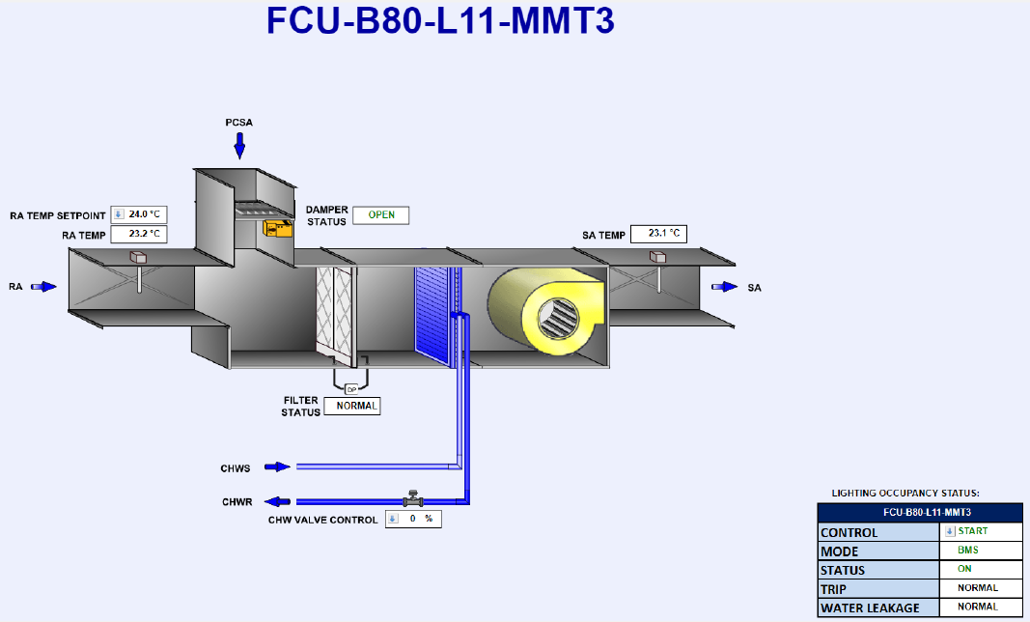
equipment_name | point_name | Controller ID | Panel ID | Remark 1 | Remark 2 | Remark 3 | SQL Query
FCU_1 | run_command | ddc-20-11 | DDC-B80-L11-T3 | FCU-B80-L11-LMT1 | Level 11 | Start/Stop Control | SELECT * FROM point WHERE point_name IN ('FCU_1') and equipment_name IN ('run_command');
FCU_1 | run_status | ddc-20-11 | DDC-B80-L11-T3 |  | Level 11 | On/Off Status | SELECT * FROM point WHERE point_name IN ('FCU_1') and equipment_name IN ('run_status');
FCU_1 | device_fault_status | ddc-20-11 | DDC-B80-L11-T3 |  | Level 11 | Trip Alarm | SELECT * FROM point WHERE point_name IN ('FCU_1') and equipment_name IN ('device_fault_status');
FCU_1 | mode | ddc-20-11 | DDC-B80-L11-T3 |  | Level 11 | Auto Mode | SELECT * FROM point WHERE point_name IN ('FCU_1') and equipment_name IN ('mode');
FCU_1 | mode1 | ddc-20-11 | DDC-B80-L11-T3 |  | Level 11 | Manual Mode | SELECT * FROM point WHERE point_name IN ('FCU_1') and equipment_name IN ('mode1');
FCU_1 | filter_alarm_status | ddc-20-11 | DDC-B80-L11-T3 |  | Level 11 | Filter Alarm | SELECT * FROM point WHERE point_name IN ('FCU_1') and equipment_name IN ('filter_alarm_status');
FCU_1 | water_leak_alarm_status | ddc-20-11 | DDC-B80-L11-T3 |  | Level 11 | Water Leakage Alarm | SELECT * FROM point WHERE point_name IN ('FCU_1') and equipment_name IN ('water_leak_alarm_status');
FCU_1 | chilled_water_valve_percentage_command | ddc-20-11 | DDC-B80-L11-T3 |  | Level 11 | CHW Valve Control | SELECT * FROM point WHERE point_name IN ('FCU_1') and equipment_name IN ('chilled_water_valve_percentage_command');
FCU_1 | supply_air_temperature_sensor | ddc-20-11 | DDC-B80-L11-T3 |  | Level 11 | SA Temperature | SELECT * FROM point WHERE point_name IN ('FCU_1') and equipment_name IN ('supply_air_temperature_sensor');
FCU_1 | return_air_temperature_sensor | ddc-20-11 | DDC-B80-L11-T3 |  | Level 11 | RA Temperature | SELECT * FROM point WHERE point_name IN ('FCU_1') and equipment_name IN ('return_air_temperature_sensor');
FCU_1 | return_air_temperature_setpoint | ddc-20-11 |  | Software point | Level 11 | RA Temperature SP | SELECT * FROM point WHERE point_name IN ('FCU_1') and equipment_name IN ('return_air_temperature_setpoint');
FCU_1 | cooling_air_damper_status | ddc-30-11 | DDC-B80-L11-T4 |  | Level 11 | Pre_cooled Air Damper Status | SELECT * FROM point WHERE point_name IN ('FCU_1') and equipment_name IN ('cooling_air_damper_status');
FCU_2 | run_command | ddc-21-11 | DDC-B80-L11-T3 | FCU-B80-L11-MMT1 | Level 11 | Start/Stop Control | SELECT * FROM point WHERE point_name IN ('FCU_2') and equipment_name IN ('run_command');
FCU_2 | run_status | ddc-21-11 | DDC-B80-L11-T3 |  | Level 11 | On/Off Status | SELECT * FROM point WHERE point_name IN ('FCU_2') and equipment_name IN ('run_status');
FCU_2 | device_fault_status | ddc-21-11 | DDC-B80-L11-T3 |  | Level 11 | Trip Alarm | SELECT * FROM point WHERE point_name IN ('FCU_2') and equipment_name IN ('device_fault_status');
FCU_2 | mode | ddc-21-11 | DDC-B80-L11-T3 |  | Level 11 | Auto Mode | SELECT * FROM point WHERE point_name IN ('FCU_2') and equipment_name IN ('mode');
FCU_2 | mode1 | ddc-21-11 | DDC-B80-L11-T3 |  | Level 11 | Manual Mode | SELECT * FROM point WHERE point_name IN ('FCU_2') and equipment_name IN ('mode1');
FCU_2 | filter_alarm_status | ddc-21-11 | DDC-B80-L11-T3 |  | Level 11 | Filter Alarm | SELECT * FROM point WHERE point_name IN ('FCU_2') and equipment_name IN ('filter_alarm_status');
FCU_2 | water_leak_alarm_status | ddc-21-11 | DDC-B80-L11-T3 |  | Level 11 | Water Leakage Alarm | SELECT * FROM point WHERE point_name IN ('FCU_2') and equipment_name IN ('water_leak_alarm_status');
FCU_2 | chilled_water_valve_percentage_command | ddc-21-11 | DDC-B80-L11-T3 |  | Level 11 | CHW Valve Control | SELECT * FROM point WHERE point_name IN ('FCU_2') and equipment_name IN ('chilled_water_valve_percentage_command');
FCU_2 | supply_air_temperature_sensor | ddc-21-11 | DDC-B80-L11-T3 |  | Level 11 | SA Temperature | SELECT * FROM point WHERE point_name IN ('FCU_2') and equipment_name IN ('supply_air_temperature_sensor');
FCU_2 | return_air_temperature_sensor | ddc-21-11 | DDC-B80-L11-T3 |  | Level 11 | RA Temperature | SELECT * FROM point WHERE point_name IN ('FCU_2') and equipment_name IN ('return_air_temperature_sensor');
FCU_2 | return_air_temperature_setpoint | ddc-21-11 |  | Software point | Level 11 | RA Temperature SP | SELECT * FROM point WHERE point_name IN ('FCU_2') and equipment_name IN ('return_air_temperature_setpoint');
FCU_2 | cooling_air_damper_status | ddc-30-11 | DDC-B80-L11-T4 |  | Level 11 | Pre_cooled Air Damper Status | SELECT * FROM point WHERE point_name IN ('FCU_2') and equipment_name IN ('cooling_air_damper_status');
FCU_3 | run_command | ddc-22-11 | DDC-B80-L11-T3 | FCU-B80-L11-MMT2 | Level 11 | Start/Stop Control | SELECT * FROM point WHERE point_name IN ('FCU_3') and equipment_name IN ('run_command');
FCU_3 | run_status | ddc-22-11 | DDC-B80-L11-T3 |  | Level 11 | On/Off Status | SELECT * FROM point WHERE point_name IN ('FCU_3') and equipment_name IN ('run_status');
FCU_3 | device_fault_status | ddc-22-11 | DDC-B80-L11-T3 |  | Level 11 | Trip Alarm | SELECT * FROM point WHERE point_name IN ('FCU_3') and equipment_name IN ('device_fault_status');
FCU_3 | mode | ddc-22-11 | DDC-B80-L11-T3 |  | Level 11 | Auto Mode | SELECT * FROM point WHERE point_name IN ('FCU_3') and equipment_name IN ('mode');
FCU_3 | mode1 | ddc-22-11 | DDC-B80-L11-T3 |  | Level 11 | Manual Mode | SELECT * FROM point WHERE point_name IN ('FCU_3') and equipment_name IN ('mode1');
FCU_3 | filter_alarm_status | ddc-22-11 | DDC-B80-L11-T3 |  | Level 11 | Filter Alarm | SELECT * FROM point WHERE point_name IN ('FCU_3') and equipment_name IN ('filter_alarm_status');
FCU_3 | water_leak_alarm_status | ddc-22-11 | DDC-B80-L11-T3 |  | Level 11 | Water Leakage Alarm | SELECT * FROM point WHERE point_name IN ('FCU_3') and equipment_name IN ('water_leak_alarm_status');
FCU_3 | chilled_water_valve_percentage_command | ddc-22-11 | DDC-B80-L11-T3 |  | Level 11 | CHW Valve Control | SELECT * FROM point WHERE point_name IN ('FCU_3') and equipment_name IN ('chilled_water_valve_percentage_command');
FCU_3 | supply_air_temperature_sensor | ddc-22-11 | DDC-B80-L11-T3 |  | Level 11 | SA Temperature | SELECT * FROM point WHERE point_name IN ('FCU_3') and equipment_name IN ('supply_air_temperature_sensor');
FCU_3 | return_air_temperature_sensor | ddc-22-11 | DDC-B80-L11-T3 |  | Level 11 | RA Temperature | SELECT * FROM point WHERE point_name IN ('FCU_3') and equipment_name IN ('return_air_temperature_sensor');
FCU_3 | return_air_temperature_setpoint | ddc-22-11 |  | Software point | Level 11 | RA Temperature SP | SELECT * FROM point WHERE point_name IN ('FCU_3') and equipment_name IN ('return_air_temperature_setpoint');
FCU_3 | cooling_air_damper_status | ddc-30-11 | DDC-B80-L11-T4 |  | Level 11 | Pre_cooled Air Damper Status | SELECT * FROM point WHERE point_name IN ('FCU_3') and equipment_name IN ('cooling_air_damper_status');
FCU_4 | run_command | ddc-23-11 | DDC-B80-L11-T3 | FCU-B80-L11-MMT3 | Level 11 | Start/Stop Control | SELECT * FROM point WHERE point_name IN ('FCU_4') and equipment_name IN ('run_command');
FCU_4 | run_status | ddc-23-11 | DDC-B80-L11-T3 |  | Level 11 | On/Off Status | SELECT * FROM point WHERE point_name IN ('FCU_4') and equipment_name IN ('run_status');
FCU_4 | device_fault_status | ddc-23-11 | DDC-B80-L11-T3 |  | Level 11 | Trip Alarm | SELECT * FROM point WHERE point_name IN ('FCU_4') and equipment_name IN ('device_fault_status');
FCU_4 | mode | ddc-23-11 | DDC-B80-L11-T3 |  | Level 11 | Auto Mode | SELECT * FROM point WHERE point_name IN ('FCU_4') and equipment_name IN ('mode');
FCU_4 | mode1 | ddc-23-11 | DDC-B80-L11-T3 |  | Level 11 | Manual Mode | SELECT * FROM point WHERE point_name IN ('FCU_4') and equipment_name IN ('mode1');
FCU_4 | filter_alarm_status | ddc-23-11 | DDC-B80-L11-T3 |  | Level 11 | Filter Alarm | SELECT * FROM point WHERE point_name IN ('FCU_4') and equipment_name IN ('filter_alarm_status');
FCU_4 | water_leak_alarm_status | ddc-23-11 | DDC-B80-L11-T3 |  | Level 11 | Water Leakage Alarm | SELECT * FROM point WHERE point_name IN ('FCU_4') and equipment_name IN ('water_leak_alarm_status');
FCU_4 | chilled_water_valve_percentage_command | ddc-23-11 | DDC-B80-L11-T3 |  | Level 11 | CHW Valve Control | SELECT * FROM point WHERE point_name IN ('FCU_4') and equipment_name IN ('chilled_water_valve_percentage_command');
FCU_4 | supply_air_temperature_sensor | ddc-23-11 | DDC-B80-L11-T3 |  | Level 11 | SA Temperature | SELECT * FROM point WHERE point_name IN ('FCU_4') and equipment_name IN ('supply_air_temperature_sensor');
FCU_4 | return_air_temperature_sensor | ddc-23-11 | DDC-B80-L11-T3 |  | Level 11 | RA Temperature | SELECT * FROM point WHERE point_name IN ('FCU_4') and equipment_name IN ('return_air_temperature_sensor');
FCU_4 | return_air_temperature_setpoint | ddc-23-11 |  | Software point | Level 11 | RA Temperature SP | SELECT * FROM point WHERE point_name IN ('FCU_4') and equipment_name IN ('return_air_temperature_setpoint');
FCU_4 | cooling_air_damper_status | ddc-31-11 | DDC-B80-L11-T4 |  | Level 11 | Pre_cooled Air Damper Status | SELECT * FROM point WHERE point_name IN ('FCU_4') and equipment_name IN ('cooling_air_damper_status');
FCU_5 | run_command | ddc-24-11 | DDC-B80-L11-T3 | FCU-B80-L11-MMT4 | Level 11 | Start/Stop Control | SELECT * FROM point WHERE point_name IN ('FCU_5') and equipment_name IN ('run_command');
FCU_5 | run_status | ddc-24-11 | DDC-B80-L11-T3 |  | Level 11 | On/Off Status | SELECT * FROM point WHERE point_name IN ('FCU_5') and equipment_name IN ('run_status');
FCU_5 | device_fault_status | ddc-24-11 | DDC-B80-L11-T3 |  | Level 11 | Trip Alarm | SELECT * FROM point WHERE point_name IN ('FCU_5') and equipment_name IN ('device_fault_status');
FCU_5 | mode | ddc-24-11 | DDC-B80-L11-T3 |  | Level 11 | Auto Mode | SELECT * FROM point WHERE point_name IN ('FCU_5') and equipment_name IN ('mode');
FCU_5 | mode1 | ddc-24-11 | DDC-B80-L11-T3 |  | Level 11 | Manual Mode | SELECT * FROM point WHERE point_name IN ('FCU_5') and equipment_name IN ('mode1');
FCU_5 | filter_alarm_status | ddc-24-11 | DDC-B80-L11-T3 |  | Level 11 | Filter Alarm | SELECT * FROM point WHERE point_name IN ('FCU_5') and equipment_name IN ('filter_alarm_status');
FCU_5 | water_leak_alarm_status | ddc-24-11 | DDC-B80-L11-T3 |  | Level 11 | Water Leakage Alarm | SELECT * FROM point WHERE point_name IN ('FCU_5') and equipment_name IN ('water_leak_alarm_status');
FCU_5 | chilled_water_valve_percentage_command | ddc-24-11 | DDC-B80-L11-T3 |  | Level 11 | CHW Valve Control | SELECT * FROM point WHERE point_name IN ('FCU_5') and equipment_name IN ('chilled_water_valve_percentage_command');
FCU_5 | supply_air_temperature_sensor | ddc-24-11 | DDC-B80-L11-T3 |  | Level 11 | SA Temperature | SELECT * FROM point WHERE point_name IN ('FCU_5') and equipment_name IN ('supply_air_temperature_sensor');
FCU_5 | return_air_temperature_sensor | ddc-24-11 | DDC-B80-L11-T3 |  | Level 11 | RA Temperature | SELECT * FROM point WHERE point_name IN ('FCU_5') and equipment_name IN ('return_air_temperature_sensor');
FCU_5 | return_air_temperature_setpoint | ddc-24-11 |  | Software point | Level 11 | RA Temperature SP | SELECT * FROM point WHERE point_name IN ('FCU_5') and equipment_name IN ('return_air_temperature_setpoint');
FCU_5 | cooling_air_damper_status | ddc-31-11 | DDC-B80-L11-T4 |  | Level 11 | Pre_cooled Air Damper Status | SELECT * FROM point WHERE point_name IN ('FCU_5') and equipment_name IN ('cooling_air_damper_status');
FCU_6 | run_command | ddc-25-11 | DDC-B80-L11-T3 | FCU-B80-L11-SMT1 | Level 11 | Start/Stop Control | SELECT * FROM point WHERE point_name IN ('FCU_6') and equipment_name IN ('run_command');
FCU_6 | run_status | ddc-25-11 | DDC-B80-L11-T3 |  | Level 11 | On/Off Status | SELECT * FROM point WHERE point_name IN ('FCU_6') and equipment_name IN ('run_status');
FCU_6 | device_fault_status | ddc-25-11 | DDC-B80-L11-T3 |  | Level 11 | Trip Alarm | SELECT * FROM point WHERE point_name IN ('FCU_6') and equipment_name IN ('device_fault_status');
FCU_6 | mode | ddc-25-11 | DDC-B80-L11-T3 |  | Level 11 | Auto Mode | SELECT * FROM point WHERE point_name IN ('FCU_6') and equipment_name IN ('mode');
FCU_6 | mode1 | ddc-25-11 | DDC-B80-L11-T3 |  | Level 11 | Manual Mode | SELECT * FROM point WHERE point_name IN ('FCU_6') and equipment_name IN ('mode1');
FCU_6 | filter_alarm_status | ddc-25-11 | DDC-B80-L11-T3 |  | Level 11 | Filter Alarm | SELECT * FROM point WHERE point_name IN ('FCU_6') and equipment_name IN ('filter_alarm_status');
FCU_6 | water_leak_alarm_status | ddc-25-11 | DDC-B80-L11-T3 |  | Level 11 | Water Leakage Alarm | SELECT * FROM point WHERE point_name IN ('FCU_6') and equipment_name IN ('water_leak_alarm_status');
FCU_6 | chilled_water_valve_percentage_command | ddc-25-11 | DDC-B80-L11-T3 |  | Level 11 | CHW Valve Control | SELECT * FROM point WHERE point_name IN ('FCU_6') and equipment_name IN ('chilled_water_valve_percentage_command');
FCU_6 | supply_air_temperature_sensor | ddc-25-11 | DDC-B80-L11-T3 |  | Level 11 | SA Temperature | SELECT * FROM point WHERE point_name IN ('FCU_6') and equipment_name IN ('supply_air_temperature_sensor');
FCU_6 | return_air_temperature_sensor | ddc-25-11 | DDC-B80-L11-T3 |  | Level 11 | RA Temperature | SELECT * FROM point WHERE point_name IN ('FCU_6') and equipment_name IN ('return_air_temperature_sensor');
FCU_6 | return_air_temperature_setpoint | ddc-25-11 |  | Software point | Level 11 | RA Temperature SP | SELECT * FROM point WHERE point_name IN ('FCU_6') and equipment_name IN ('return_air_temperature_setpoint');
FCU_6 | cooling_air_damper_status | ddc-31-11 | DDC-B80-L11-T4 |  | Level 11 | Pre_cooled Air Damper Status | SELECT * FROM point WHERE point_name IN ('FCU_6') and equipment_name IN ('cooling_air_damper_status');
FCU_7 | run_command | ddc-26-11 | DDC-B80-L11-T3 | FCU-B80-L11-SMT2 | Level 11 | Start/Stop Control | SELECT * FROM point WHERE point_name IN ('FCU_7') and equipment_name IN ('run_command');
FCU_7 | run_status | ddc-26-11 | DDC-B80-L11-T3 |  | Level 11 | On/Off Status | SELECT * FROM point WHERE point_name IN ('FCU_7') and equipment_name IN ('run_status');
FCU_7 | device_fault_status | ddc-26-11 | DDC-B80-L11-T3 |  | Level 11 | Trip Alarm | SELECT * FROM point WHERE point_name IN ('FCU_7') and equipment_name IN ('device_fault_status');
FCU_7 | mode | ddc-26-11 | DDC-B80-L11-T3 |  | Level 11 | Auto Mode | SELECT * FROM point WHERE point_name IN ('FCU_7') and equipment_name IN ('mode');
FCU_7 | mode1 | ddc-26-11 | DDC-B80-L11-T3 |  | Level 11 | Manual Mode | SELECT * FROM point WHERE point_name IN ('FCU_7') and equipment_name IN ('mode1');
FCU_7 | filter_alarm_status | ddc-26-11 | DDC-B80-L11-T3 |  | Level 11 | Filter Alarm | SELECT * FROM point WHERE point_name IN ('FCU_7') and equipment_name IN ('filter_alarm_status');
FCU_7 | water_leak_alarm_status | ddc-26-11 | DDC-B80-L11-T3 |  | Level 11 | Water Leakage Alarm | SELECT * FROM point WHERE point_name IN ('FCU_7') and equipment_name IN ('water_leak_alarm_status');
FCU_7 | chilled_water_valve_percentage_command | ddc-26-11 | DDC-B80-L11-T3 |  | Level 11 | CHW Valve Control | SELECT * FROM point WHERE point_name IN ('FCU_7') and equipment_name IN ('chilled_water_valve_percentage_command');
FCU_7 | supply_air_temperature_sensor | ddc-26-11 | DDC-B80-L11-T3 |  | Level 11 | SA Temperature | SELECT * FROM point WHERE point_name IN ('FCU_7') and equipment_name IN ('supply_air_temperature_sensor');
FCU_7 | return_air_temperature_sensor | ddc-26-11 | DDC-B80-L11-T3 |  | Level 11 | RA Temperature | SELECT * FROM point WHERE point_name IN ('FCU_7') and equipment_name IN ('return_air_temperature_sensor');
FCU_7 | return_air_temperature_setpoint | ddc-26-11 |  | Software point | Level 11 | RA Temperature SP | SELECT * FROM point WHERE point_name IN ('FCU_7') and equipment_name IN ('return_air_temperature_setpoint');
FCU_7 | cooling_air_damper_status | ddc-31-11 | DDC-B80-L11-T4 |  | Level 11 | Pre_cooled Air Damper Status | SELECT * FROM point WHERE point_name IN ('FCU_7') and equipment_name IN ('cooling_air_damper_status');
FCU_8 | run_command | ddc-27-11 | DDC-B80-L11-T3 | FCU-B80-L11-SMT3 | Level 11 | Start/Stop Control | SELECT * FROM point WHERE point_name IN ('FCU_8') and equipment_name IN ('run_command');
FCU_8 | run_status | ddc-27-11 | DDC-B80-L11-T3 |  | Level 11 | On/Off Status | SELECT * FROM point WHERE point_name IN ('FCU_8') and equipment_name IN ('run_status');
FCU_8 | device_fault_status | ddc-27-11 | DDC-B80-L11-T3 |  | Level 11 | Trip Alarm | SELECT * FROM point WHERE point_name IN ('FCU_8') and equipment_name IN ('device_fault_status');
FCU_8 | mode | ddc-27-11 | DDC-B80-L11-T3 |  | Level 11 | Auto Mode | SELECT * FROM point WHERE point_name IN ('FCU_8') and equipment_name IN ('mode');
FCU_8 | mode1 | ddc-27-11 | DDC-B80-L11-T3 |  | Level 11 | Manual Mode | SELECT * FROM point WHERE point_name IN ('FCU_8') and equipment_name IN ('mode1');
FCU_8 | filter_alarm_status | ddc-27-11 | DDC-B80-L11-T3 |  | Level 11 | Filter Alarm | SELECT * FROM point WHERE point_name IN ('FCU_8') and equipment_name IN ('filter_alarm_status');
FCU_8 | water_leak_alarm_status | ddc-27-11 | DDC-B80-L11-T3 |  | Level 11 | Water Leakage Alarm | SELECT * FROM point WHERE point_name IN ('FCU_8') and equipment_name IN ('water_leak_alarm_status');
FCU_8 | chilled_water_valve_percentage_command | ddc-27-11 | DDC-B80-L11-T3 |  | Level 11 | CHW Valve Control | SELECT * FROM point WHERE point_name IN ('FCU_8') and equipment_name IN ('chilled_water_valve_percentage_command');
FCU_8 | supply_air_temperature_sensor | ddc-27-11 | DDC-B80-L11-T3 |  | Level 11 | SA Temperature | SELECT * FROM point WHERE point_name IN ('FCU_8') and equipment_name IN ('supply_air_temperature_sensor');
FCU_8 | return_air_temperature_sensor | ddc-27-11 | DDC-B80-L11-T3 |  | Level 11 | RA Temperature | SELECT * FROM point WHERE point_name IN ('FCU_8') and equipment_name IN ('return_air_temperature_sensor');
FCU_8 | return_air_temperature_setpoint | ddc-27-11 |  | Software point | Level 11 | RA Temperature SP | SELECT * FROM point WHERE point_name IN ('FCU_8') and equipment_name IN ('return_air_temperature_setpoint');
FCU_8 | cooling_air_damper_status | ddc-31-11 | DDC-B80-L11-T4 |  | Level 11 | Pre_cooled Air Damper Status | SELECT * FROM point WHERE point_name IN ('FCU_8') and equipment_name IN ('cooling_air_damper_status');
FCU_9 | run_command | ddc-28-11 | DDC-B80-L11-T4 | FCU-B80-L11-SMT4 | Level 11 | Start/Stop Control | SELECT * FROM point WHERE point_name IN ('FCU_9') and equipment_name IN ('run_command');
FCU_9 | run_status | ddc-28-11 | DDC-B80-L11-T4 |  | Level 11 | On/Off Status | SELECT * FROM point WHERE point_name IN ('FCU_9') and equipment_name IN ('run_status');
FCU_9 | device_fault_status | ddc-28-11 | DDC-B80-L11-T4 |  | Level 11 | Trip Alarm | SELECT * FROM point WHERE point_name IN ('FCU_9') and equipment_name IN ('device_fault_status');
FCU_9 | mode | ddc-28-11 | DDC-B80-L11-T4 |  | Level 11 | Auto Mode | SELECT * FROM point WHERE point_name IN ('FCU_9') and equipment_name IN ('mode');
FCU_9 | mode1 | ddc-28-11 | DDC-B80-L11-T4 |  | Level 11 | Manual Mode | SELECT * FROM point WHERE point_name IN ('FCU_9') and equipment_name IN ('mode1');
FCU_9 | filter_alarm_status | ddc-28-11 | DDC-B80-L11-T4 |  | Level 11 | Filter Alarm | SELECT * FROM point WHERE point_name IN ('FCU_9') and equipment_name IN ('filter_alarm_status');
FCU_9 | water_leak_alarm_status | ddc-28-11 | DDC-B80-L11-T4 |  | Level 11 | Water Leakage Alarm | SELECT * FROM point WHERE point_name IN ('FCU_9') and equipment_name IN ('water_leak_alarm_status');
FCU_9 | chilled_water_valve_percentage_command | ddc-28-11 | DDC-B80-L11-T4 |  | Level 11 | CHW Valve Control | SELECT * FROM point WHERE point_name IN ('FCU_9') and equipment_name IN ('chilled_water_valve_percentage_command');
FCU_9 | supply_air_temperature_sensor | ddc-28-11 | DDC-B80-L11-T4 |  | Level 11 | SA Temperature | SELECT * FROM point WHERE point_name IN ('FCU_9') and equipment_name IN ('supply_air_temperature_sensor');
FCU_9 | return_air_temperature_sensor | ddc-28-11 | DDC-B80-L11-T4 |  | Level 11 | RA Temperature | SELECT * FROM point WHERE point_name IN ('FCU_9') and equipment_name IN ('return_air_temperature_sensor');
FCU_9 | return_air_temperature_setpoint | ddc-28-11 |  | Software point | Level 11 | RA Temperature SP | SELECT * FROM point WHERE point_name IN ('FCU_9') and equipment_name IN ('return_air_temperature_setpoint');
FCU_9 | cooling_air_damper_status | ddc-31-11 | DDC-B80-L11-T4 |  | Level 11 | Pre_cooled Air Damper Status | SELECT * FROM point WHERE point_name IN ('FCU_9') and equipment_name IN ('cooling_air_damper_status');
FCU_10 | run_command | ddc-1-11 | DDC-B80-L11-T1 | FCU-B80-L11-KIT1 | Level 11 | Start/Stop Control | SELECT * FROM point WHERE point_name IN ('FCU_10') and equipment_name IN ('run_command');
FCU_10 | run_status | ddc-1-11 | DDC-B80-L11-T1 |  | Level 11 | On/Off Status | SELECT * FROM point WHERE point_name IN ('FCU_10') and equipment_name IN ('run_status');
FCU_10 | device_fault_status | ddc-1-11 | DDC-B80-L11-T1 |  | Level 11 | Trip Alarm | SELECT * FROM point WHERE point_name IN ('FCU_10') and equipment_name IN ('device_fault_status');
FCU_10 | mode | ddc-1-11 | DDC-B80-L11-T1 |  | Level 11 | Auto Mode | SELECT * FROM point WHERE point_name IN ('FCU_10') and equipment_name IN ('mode');
FCU_10 | mode1 | ddc-1-11 | DDC-B80-L11-T1 |  | Level 11 | Manual Mode | SELECT * FROM point WHERE point_name IN ('FCU_10') and equipment_name IN ('mode1');
FCU_10 | filter_alarm_status | ddc-1-11 | DDC-B80-L11-T1 |  | Level 11 | Filter Alarm | SELECT * FROM point WHERE point_name IN ('FCU_10') and equipment_name IN ('filter_alarm_status');
FCU_10 | water_leak_alarm_status | ddc-1-11 | DDC-B80-L11-T1 |  | Level 11 | Water Leakage Alarm | SELECT * FROM point WHERE point_name IN ('FCU_10') and equipment_name IN ('water_leak_alarm_status');
FCU_10 | chilled_water_valve_percentage_command | ddc-1-11 | DDC-B80-L11-T1 |  | Level 11 | CHW Valve Control | SELECT * FROM point WHERE point_name IN ('FCU_10') and equipment_name IN ('chilled_water_valve_percentage_command');
FCU_10 | supply_air_temperature_sensor | ddc-1-11 | DDC-B80-L11-T1 |  | Level 11 | SA Temperature | SELECT * FROM point WHERE point_name IN ('FCU_10') and equipment_name IN ('supply_air_temperature_sensor');
FCU_10 | return_air_temperature_sensor | ddc-1-11 | DDC-B80-L11-T1 |  | Level 11 | RA Temperature | SELECT * FROM point WHERE point_name IN ('FCU_10') and equipment_name IN ('return_air_temperature_sensor');
FCU_10 | return_air_temperature_setpoint | ddc-1-11 |  | Software point | Level 11 | RA Temperature SP | SELECT * FROM point WHERE point_name IN ('FCU_10') and equipment_name IN ('return_air_temperature_setpoint');
FCU_10 | cooling_air_damper_status | ddc-15-11 | DDC-B80-L11-T2 |  | Level 11 | Pre_cooled Air Damper Status | SELECT * FROM point WHERE point_name IN ('FCU_10') and equipment_name IN ('cooling_air_damper_status');
FCU_11 | run_command | ddc-18-11 | DDC-B80-L11-T2 | FCU-B80-L11-KIT2 | Level 11 | Start/Stop Control | SELECT * FROM point WHERE point_name IN ('FCU_11') and equipment_name IN ('run_command');
FCU_11 | run_status | ddc-18-11 | DDC-B80-L11-T2 |  | Level 11 | On/Off Status | SELECT * FROM point WHERE point_name IN ('FCU_11') and equipment_name IN ('run_status');
FCU_11 | device_fault_status | ddc-18-11 | DDC-B80-L11-T2 |  | Level 11 | Trip Alarm | SELECT * FROM point WHERE point_name IN ('FCU_11') and equipment_name IN ('device_fault_status');
FCU_11 | mode | ddc-18-11 | DDC-B80-L11-T2 |  | Level 11 | Auto Mode | SELECT * FROM point WHERE point_name IN ('FCU_11') and equipment_name IN ('mode');
FCU_11 | mode1 | ddc-18-11 | DDC-B80-L11-T2 |  | Level 11 | Manual Mode | SELECT * FROM point WHERE point_name IN ('FCU_11') and equipment_name IN ('mode1');
FCU_11 | filter_alarm_status | ddc-18-11 | DDC-B80-L11-T2 |  | Level 11 | Filter Alarm | SELECT * FROM point WHERE point_name IN ('FCU_11') and equipment_name IN ('filter_alarm_status');
FCU_11 | water_leak_alarm_status | ddc-18-11 | DDC-B80-L11-T2 |  | Level 11 | Water Leakage Alarm | SELECT * FROM point WHERE point_name IN ('FCU_11') and equipment_name IN ('water_leak_alarm_status');
FCU_11 | chilled_water_valve_percentage_command | ddc-18-11 | DDC-B80-L11-T2 |  | Level 11 | CHW Valve Control | SELECT * FROM point WHERE point_name IN ('FCU_11') and equipment_name IN ('chilled_water_valve_percentage_command');
FCU_11 | supply_air_temperature_sensor | ddc-18-11 | DDC-B80-L11-T2 |  | Level 11 | SA Temperature | SELECT * FROM point WHERE point_name IN ('FCU_11') and equipment_name IN ('supply_air_temperature_sensor');
FCU_11 | return_air_temperature_sensor | ddc-18-11 | DDC-B80-L11-T2 |  | Level 11 | RA Temperature | SELECT * FROM point WHERE point_name IN ('FCU_11') and equipment_name IN ('return_air_temperature_sensor');
FCU_11 | return_air_temperature_setpoint | ddc-18-11 |  | Software point | Level 11 | RA Temperature SP | SELECT * FROM point WHERE point_name IN ('FCU_11') and equipment_name IN ('return_air_temperature_setpoint');
FCU_11 | cooling_air_damper_status | ddc-14-11 | DDC-B80-L11-T2 |  | Level 11 | Pre_cooled Air Damper Status | SELECT * FROM point WHERE point_name IN ('FCU_11') and equipment_name IN ('cooling_air_damper_status');
FCU_12 | run_command | ddc-2-11 | DDC-B80-L11-T1 | FCU-B80-L11-KIT3 | Level 11 | Start/Stop Control | SELECT * FROM point WHERE point_name IN ('FCU_12') and equipment_name IN ('run_command');
FCU_12 | run_status | ddc-2-11 | DDC-B80-L11-T1 |  | Level 11 | On/Off Status | SELECT * FROM point WHERE point_name IN ('FCU_12') and equipment_name IN ('run_status');
FCU_12 | device_fault_status | ddc-2-11 | DDC-B80-L11-T1 |  | Level 11 | Trip Alarm | SELECT * FROM point WHERE point_name IN ('FCU_12') and equipment_name IN ('device_fault_status');
FCU_12 | mode | ddc-2-11 | DDC-B80-L11-T1 |  | Level 11 | Auto Mode | SELECT * FROM point WHERE point_name IN ('FCU_12') and equipment_name IN ('mode');
FCU_12 | mode1 | ddc-2-11 | DDC-B80-L11-T1 |  | Level 11 | Manual Mode | SELECT * FROM point WHERE point_name IN ('FCU_12') and equipment_name IN ('mode1');
FCU_12 | filter_alarm_status | ddc-2-11 | DDC-B80-L11-T1 |  | Level 11 | Filter Alarm | SELECT * FROM point WHERE point_name IN ('FCU_12') and equipment_name IN ('filter_alarm_status');
FCU_12 | water_leak_alarm_status | ddc-2-11 | DDC-B80-L11-T1 |  | Level 11 | Water Leakage Alarm | SELECT * FROM point WHERE point_name IN ('FCU_12') and equipment_name IN ('water_leak_alarm_status');
FCU_12 | chilled_water_valve_percentage_command | ddc-2-11 | DDC-B80-L11-T1 |  | Level 11 | CHW Valve Control | SELECT * FROM point WHERE point_name IN ('FCU_12') and equipment_name IN ('chilled_water_valve_percentage_command');
FCU_12 | supply_air_temperature_sensor | ddc-2-11 | DDC-B80-L11-T1 |  | Level 11 | SA Temperature | SELECT * FROM point WHERE point_name IN ('FCU_12') and equipment_name IN ('supply_air_temperature_sensor');
FCU_12 | return_air_temperature_sensor | ddc-2-11 | DDC-B80-L11-T1 |  | Level 11 | RA Temperature | SELECT * FROM point WHERE point_name IN ('FCU_12') and equipment_name IN ('return_air_temperature_sensor');
FCU_12 | return_air_temperature_setpoint | ddc-2-11 |  | Software point | Level 11 | RA Temperature SP | SELECT * FROM point WHERE point_name IN ('FCU_12') and equipment_name IN ('return_air_temperature_setpoint');
FCU_12 | cooling_air_damper_status | ddc-15-11 | DDC-B80-L11-T2 |  | Level 11 | Pre_cooled Air Damper Status | SELECT * FROM point WHERE point_name IN ('FCU_12') and equipment_name IN ('cooling_air_damper_status');
FCU_13 | run_command | ddc-3-11 | DDC-B80-L11-T1 | FCU-B80-L11-KIT4 | Level 11 | Start/Stop Control | SELECT * FROM point WHERE point_name IN ('FCU_13') and equipment_name IN ('run_command');
FCU_13 | run_status | ddc-3-11 | DDC-B80-L11-T1 |  | Level 11 | On/Off Status | SELECT * FROM point WHERE point_name IN ('FCU_13') and equipment_name IN ('run_status');
FCU_13 | device_fault_status | ddc-3-11 | DDC-B80-L11-T1 |  | Level 11 | Trip Alarm | SELECT * FROM point WHERE point_name IN ('FCU_13') and equipment_name IN ('device_fault_status');
FCU_13 | mode | ddc-3-11 | DDC-B80-L11-T1 |  | Level 11 | Auto Mode | SELECT * FROM point WHERE point_name IN ('FCU_13') and equipment_name IN ('mode');
FCU_13 | mode1 | ddc-3-11 | DDC-B80-L11-T1 |  | Level 11 | Manual Mode | SELECT * FROM point WHERE point_name IN ('FCU_13') and equipment_name IN ('mode1');
FCU_13 | filter_alarm_status | ddc-3-11 | DDC-B80-L11-T1 |  | Level 11 | Filter Alarm | SELECT * FROM point WHERE point_name IN ('FCU_13') and equipment_name IN ('filter_alarm_status');
FCU_13 | water_leak_alarm_status | ddc-3-11 | DDC-B80-L11-T1 |  | Level 11 | Water Leakage Alarm | SELECT * FROM point WHERE point_name IN ('FCU_13') and equipment_name IN ('water_leak_alarm_status');
FCU_13 | chilled_water_valve_percentage_command | ddc-3-11 | DDC-B80-L11-T1 |  | Level 11 | CHW Valve Control | SELECT * FROM point WHERE point_name IN ('FCU_13') and equipment_name IN ('chilled_water_valve_percentage_command');
FCU_13 | supply_air_temperature_sensor | ddc-3-11 | DDC-B80-L11-T1 |  | Level 11 | SA Temperature | SELECT * FROM point WHERE point_name IN ('FCU_13') and equipment_name IN ('supply_air_temperature_sensor');
FCU_13 | return_air_temperature_sensor | ddc-3-11 | DDC-B80-L11-T1 |  | Level 11 | RA Temperature | SELECT * FROM point WHERE point_name IN ('FCU_13') and equipment_name IN ('return_air_temperature_sensor');
FCU_13 | return_air_temperature_setpoint | ddc-3-11 |  | Software point | Level 11 | RA Temperature SP | SELECT * FROM point WHERE point_name IN ('FCU_13') and equipment_name IN ('return_air_temperature_setpoint');
FCU_13 | cooling_air_damper_status | ddc-15-11 | DDC-B80-L11-T2 |  | Level 11 | Pre_cooled Air Damper Status | SELECT * FROM point WHERE point_name IN ('FCU_13') and equipment_name IN ('cooling_air_damper_status');
FCU_17 | run_command | ddc-48-12 | DDC-B80-L12-T2 | FCU-B80-L12-MMT1 | Level 12 | Start/Stop Control | SELECT * FROM point WHERE point_name IN ('FCU_17') and equipment_name IN ('run_command');
FCU_17 | run_status | ddc-48-12 | DDC-B80-L12-T2 |  | Level 12 | On/Off Status | SELECT * FROM point WHERE point_name IN ('FCU_17') and equipment_name IN ('run_status');
FCU_17 | device_fault_status | ddc-48-12 | DDC-B80-L12-T2 |  | Level 12 | Trip Alarm | SELECT * FROM point WHERE point_name IN ('FCU_17') and equipment_name IN ('device_fault_status');
FCU_17 | mode | ddc-48-12 | DDC-B80-L12-T2 |  | Level 12 | Auto Mode | SELECT * FROM point WHERE point_name IN ('FCU_17') and equipment_name IN ('mode');
FCU_17 | mode1 | ddc-48-12 | DDC-B80-L12-T2 |  | Level 12 | Manual Mode | SELECT * FROM point WHERE point_name IN ('FCU_17') and equipment_name IN ('mode1');
...
equipment_name | point_name | Controller ID | Panel ID | Remark 1 | Remark 2 | Remark 3 | SQL Query
FCU_27 | chilled_water_valve_percentage_command | ddc-39-12 | DDC-B80-L12-T1 |  | Level 12 | CHW Valve Control | SELECT * FROM point WHERE point_name IN ('FCU_27') and equipment_name IN ('chilled_water_valve_percentage_command');
FCU_27 | supply_air_temperature_sensor | ddc-39-12 | DDC-B80-L12-T1 |  | Level 12 | SA Temperature | SELECT * FROM point WHERE point_name IN ('FCU_27') and equipment_name IN ('supply_air_temperature_sensor');
FCU_27 | return_air_temperature_sensor | ddc-39-12 | DDC-B80-L12-T1 |  | Level 12 | RA Temperature | SELECT * FROM point WHERE point_name IN ('FCU_27') and equipment_name IN ('return_air_temperature_sensor');
FCU_27 | return_air_temperature_setpoint | ddc-39-12 |  | Software point | Level 12 | RA Temperature SP | SELECT * FROM point WHERE point_name IN ('FCU_27') and equipment_name IN ('return_air_temperature_setpoint');
FCU_27 | cooling_air_damper_status | ddc-39-12 | DDC-B80-L12-T1 |  | Level 12 | Pre_cooled Air Damper Status | SELECT * FROM point WHERE point_name IN ('FCU_27') and equipment_name IN ('cooling_air_damper_status');

Remark
FCU (Fan Coil Unit)
For the number of equipment, refer to master equipment list

FACP
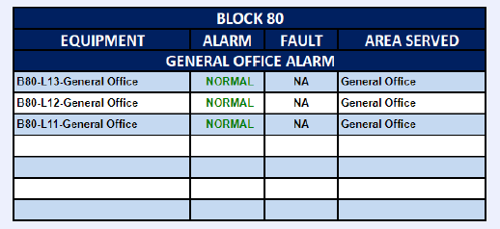
equipment_name | point_name | Controller ID | Panel ID | Remark 1 | Remark 2 | Remark 3 | SQL Query
FACP_8 | fire_alarm_status | ddc-9-11 | DDC-B80-L11-T1 |  | General Office Fire Alarm L11 | Fire Alarm | SELECT * FROM point WHERE point_name IN ('FACP_8') and equipment_name IN ('fire_alarm_status');
FACP_9 | fire_alarm_status | ddc-68-12 | DDC-B80-L12-T1 |  | General Office Fire Alarm L11 | Fire Alarm | SELECT * FROM point WHERE point_name IN ('FACP_9') and equipment_name IN ('fire_alarm_status');

Remark
FACP (Fire Alarm Control Panel)
For the number of equipment, refer to master equipment list

BTU
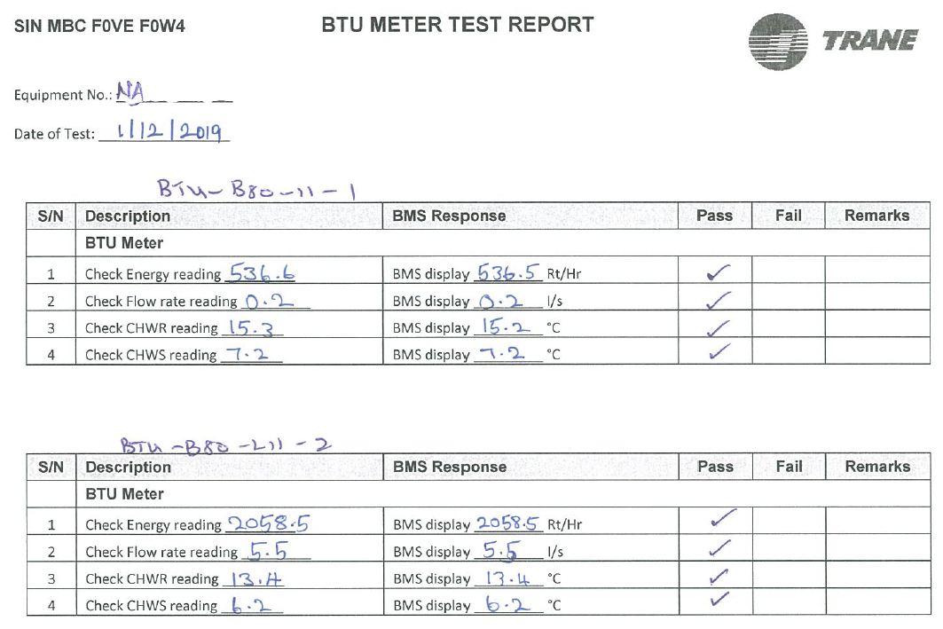
equipment_name | point_name | Remark 1 | Remark 2 | Remark 3 | SQL Query
HM_1 | chilled_return_water_temperature_sensor |  | Level 11 AHU_10 Room | CHWR Temperature | SELECT * FROM point WHERE point_name IN ('HM_1') and equipment_name IN ('chilled_return_water_temperature_sensor');
HM_1 | chilled_supply_water_temperature_sensor |  | Level 11 AHU_10 Room | CHWSTemperature | SELECT * FROM point WHERE point_name IN ('HM_1') and equipment_name IN ('chilled_supply_water_temperature_sensor');
HM_1 | chilled_supply_water_flowrate_sensor |  | Level 11 AHU_10 Room | CHW Flowrate | SELECT * FROM point WHERE point_name IN ('HM_1') and equipment_name IN ('chilled_supply_water_flowrate_sensor');
HM_1 | energy_sensor |  | Level 11 AHU_10 Room | Energy RTH | SELECT * FROM point WHERE point_name IN ('HM_1') and equipment_name IN ('energy_sensor');

Remark
BTU Meter / HM (Heat Meter)
For the number of equipment, refer to master equipment list

EM
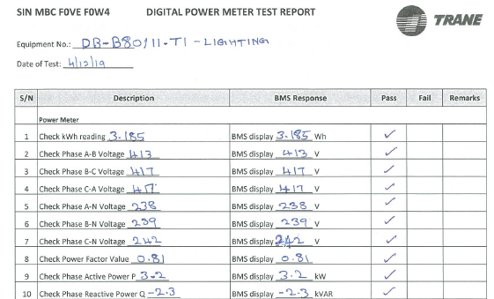
equipment_name | point_name | Remark 1 | Remark 2 | Remark 3 | SQL Query
EM_1 | power_sensor | DB_B80/11.KIT | Level 11 Power Meter | Active Power kW | SELECT * FROM point WHERE point_name IN ('EM_1') and equipment_name IN ('power_sensor');
EM_1 | energy_sensor | DB_B80/11.KIT | Level 11 Power Meter | Energy Consumption kWh | SELECT * FROM point WHERE point_name IN ('EM_1') and equipment_name IN ('energy_sensor');

Remark
Power Meter / EM (Electrical Meter)
For the number of equipment, refer to master equipment list

DB
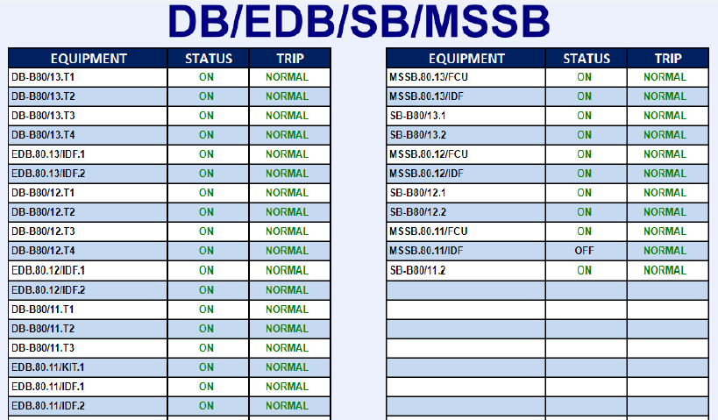
...
equipment_name | point_name | Controller ID | Panel ID | Remark 1 | Remark 2 | Remark 3 | SQL Query
DB_2 | run_status | ddc-34-11 | DDC-B80-L11-T4 | DB-B80/11.T2 |  | On/Off Status | SELECT * FROM point WHERE point_name IN ('DB_2') and equipment_name IN ('run_status');
DB_2 | device_fault_status | ddc-34-11 | DDC-B80-L11-T4 |  |  | Trip Alarm | SELECT * FROM point WHERE point_name IN ('DB_2') and equipment_name IN ('device_fault_status');
DB_3 | run_status | ddc-19-11 | DDC-B80-L11-T2 | DB-B80/11.T3 |  | On/Off Status | SELECT * FROM point WHERE point_name IN ('DB_3') and equipment_name IN ('run_status');
DB_3 | device_fault_status | ddc-19-11 | DDC-B80-L11-T2 |  |  | Trip Alarm | SELECT * FROM point WHERE point_name IN ('DB_3') and equipment_name IN ('device_fault_status');

Remark
DB (Distribution Board)
EDB (Emergency Distribution Board
SB (Switch Board)
For the number of equipment, refer to master equipment list

