indiv
ANES Entropy: Elbow at Two
 | k | S | d
 | 1 | 5277966
 | 2 | 1795320 | 3482646
 | 3 | 1323787 | 471533
 | 4 | 1067344 | 256443
 | 5 | 930529 | 136815
 | 6 | 812667 | 117862
 | 7 | 748900 | 63767
 | 8 | 681701 | 67200
 | 9 | 622047 | 59654
 | 10 | 578075 | 43972
 | 11 | 539046 | 39030
k | S | d
1 | 5277966
2 | 1795320 | 3482646
3 | 1323787 | 471533
4 | 1067344 | 256443
5 | 930529 | 136815
6 | 812667 | 117862
7 | 748900 | 63767
8 | 681701 | 67200
9 | 622047 | 59654
10 | 578075 | 43972
11 | 539046 | 39030

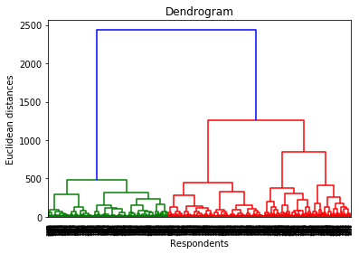

Just Checking
 | k | S | delta
 | 1 | 514466
 | 2 | 204909 | 309556
 | 3 | 144481 | 60429
 | 4 | 122527 | 21953
 | 5 | 110229 | 12298
 | 6 | 102975 | 7254
 | 7 | 96959 | 6016
 | 8 | 90707 | 6253
 | 9 | 85198 | 5508
 | 10 | 81743 | 3455
 | 11 | 78863 | 2880
k | S | delta
1 | 514466
2 | 204909 | 309556
3 | 144481 | 60429
4 | 122527 | 21953
5 | 110229 | 12298
6 | 102975 | 7254
7 | 96959 | 6016
8 | 90707 | 6253
9 | 85198 | 5508
10 | 81743 | 3455
11 | 78863 | 2880

PCA
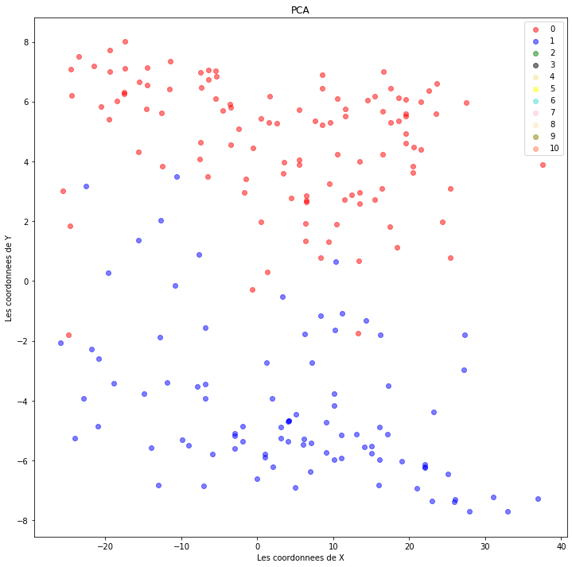

Sheet2
 |  |  | # from sklearn.cluster import KMeans | clusters = 1 | 1 | [0 0 0 ... 0 0 0] | 514465.52747
clusters = 1 | [0 0 0 ... 0 0 0] | 514465.52747 | clusters = 1 | clusters = 2 | 2 | [0 0 0 ... 1 1 1] | 204909.49759
 |  |  | kmeans = KMeans(n_clusters = clusters) | clusters = 3 | 3 | [0 2 2 ... 1 0 1] | 144480.7621
 |  |  | kmeans.fit(anes) | clusters = 4 | 4 | [3 0 2 ... 1 3 3] | 122527.27492
 |  |  | print(kmeans.labels_) | clusters = 5 | 5 | [3 0 4 ... 1 2 2] | 110229.14992
 |  |  | print(kmeans.inertia_) | clusters = 6 | 6 | [3 5 4 ... 2 1 1] | 102975.11395
 |  |  | ​ | clusters = 7 | 7 | [6 3 1 ... 2 4 0] | 96959.184523
 | k | S | delta
 | 1 | 514466
 | 2 | 204909 | 309556
 | 3 | 144481 | 60429
 | 4 | 122527 | 21953
 | 5 | 110229 | 12298
 | 6 | 102975 | 7254
 | 7 | 96959 | 6016
 | 8 | 90707 | 6253
 | 9 | 85198 | 5508
 | 10 | 81743 | 3455
 | 11 | 78863 | 2880
 |  |  | [0 0 0 ... 0 0 0] | clusters = 8 | 8 | [3 4 6 ... 5 7 2] | 90706.576959
 |  |  | 514465.52747 | clusters = 9 | 9 | [4 8 2 ... 5 6 6] | 85198.143599
 |  |  | kmeans.fit(A) | clusters = 10 | 10 | [0 4 5 ... 3 2 9] | 81743.09497
 |  |  | # from sklearn.cluster import KMeans | clusters = 11 | 11 | [ 5 6 1 ... 0 3 10] | 78862.957621
clusters = 2 | [0 0 0 ... 1 1 1] | 204909.49759 | clusters = 2
 |  |  | kmeans = KMeans(n_clusters = clusters)
 |  |  | kmeans.fit(A)
 |  |  | print(kmeans.labels_)
 |  |  | print(kmeans.inertia_)
 |  |  | [0 0 0 ... 1 1 1]
 |  |  | 204909.49759
 |  |  | kmeans.fit(anes)
 |  |  | # from sklearn.cluster import KMeans
clusters = 3 | [0 2 2 ... 1 0 1] | 144480.7621 | clusters = 3
 |  |  | kmeans = KMeans(n_clusters = clusters)
 |  |  | kmeans.fit(A)
 |  |  | print(kmeans.labels_)
 |  |  | print(kmeans.inertia_)
 |  |  | [0 2 2 ... 1 0 1]
 |  |  | 144480.7621
 |  |  | kmeans.fit(anes)
 |  |  | # from sklearn.cluster import KMeans
clusters = 4 | [3 0 2 ... 1 3 3] | 122527.27492 | clusters = 4
 |  |  | kmeans = KMeans(n_clusters = clusters)
 |  |  | kmeans.fit(A)
 |  |  | print(kmeans.labels_)
 |  |  | print(kmeans.inertia_)
 |  |  | [3 0 2 ... 1 3 3]
 |  |  | 122527.27492
 |  |  | kmeans.fit(anes)
 |  |  | # from sklearn.cluster import KMeans
clusters = 5 | [3 0 4 ... 1 2 2] | 110229.14992 | clusters = 5
 |  |  | kmeans = KMeans(n_clusters = clusters)
 |  |  | kmeans.fit(A)
 |  |  | print(kmeans.labels_)
 |  |  | print(kmeans.inertia_)
 |  |  | [3 0 4 ... 1 2 2]
 |  |  | 110229.14992
 |  |  | kmeans.fit(anes)
 |  |  | # from sklearn.cluster import KMeans
clusters = 6 | [3 5 4 ... 2 1 1] | 102975.11395 | clusters = 6
 |  |  | kmeans = KMeans(n_clusters = clusters)
 |  |  | kmeans.fit(A)
 |  |  | print(kmeans.labels_)
 |  |  | print(kmeans.inertia_)
 |  |  | [3 5 4 ... 2 1 1]
 |  |  | 102975.11395
 |  |  | kmeans.fit(anes)
 |  |  | # from sklearn.cluster import KMeans
clusters = 7 | [6 3 1 ... 2 4 0] | 96959.184523 | clusters = 7
 |  |  | kmeans = KMeans(n_clusters = clusters)
 |  |  | kmeans.fit(A)
 |  |  | print(kmeans.labels_)
 |  |  | print(kmeans.inertia_)
 |  |  | [6 3 1 ... 2 4 0]
 |  |  | 96959.184523
 |  |  | kmeans.fit(anes)
 |  |  | # from sklearn.cluster import KMeans
clusters = 8 | [3 4 6 ... 5 7 2] | 90706.576959 | clusters = 8
 |  |  | kmeans = KMeans(n_clusters = clusters)
 |  |  | kmeans.fit(A)
 |  |  | print(kmeans.labels_)
 |  |  | print(kmeans.inertia_)
 |  |  | [3 4 6 ... 5 7 2]
 |  |  | 90706.576959
 |  |  | kmeans.fit(anes)
 |  |  | # from sklearn.cluster import KMeans
clusters = 9 | [4 8 2 ... 5 6 6] | 85198.143599 | clusters = 9
 |  |  | kmeans = KMeans(n_clusters = clusters)
 |  |  | kmeans.fit(A)
 |  |  | print(kmeans.labels_)
 |  |  | print(kmeans.inertia_)
 |  |  | [4 8 2 ... 5 6 6]
 |  |  | 85198.143599
 |  |  | kmeans.fit(X)
 |  |  | # from sklearn.cluster import KMeans
clusters = 10 | [0 4 5 ... 3 2 9] | 81743.09497 | clusters = 10
 |  |  | kmeans = KMeans(n_clusters = clusters)
 |  |  | kmeans.fit(A)
 |  |  | print(kmeans.labels_)
 |  |  | print(kmeans.inertia_)
 |  |  | [0 4 5 ... 3 2 9]
 |  |  | 81743.09497
 |  |  | # from sklearn.cluster import KMeans
clusters = 11 | [ 5 6 1 ... 0 3 10] | 78862.957621 | clusters = 11
 |  |  | kmeans = KMeans(n_clusters = clusters)
 |  |  | kmeans.fit(A)
 |  |  | print(kmeans.labels_)
 |  |  | print(kmeans.inertia_)
 |  |  | [ 5 6 1 ... 0 3 10]
 |  |  | 78862.957621

SENA
1 | clusters = 1 | [0 0 0 ... 0 0 0] | 514465.52747 | clusters = 1
 |  |  |  | kmeans = KMeans(n_clusters = clusters)
 |  |  |  | kmeans.fit(anes) | k |  |  | S
 |  |  |  | print(kmeans.labels_) | 1 | clusters = 1 | [0 0 0 ... 0 0 0] | 514465.52747
 |  |  |  | print(kmeans.inertia_) | 2 | clusters = 2 | [0 0 0 ... 1 1 1] | 204909.49759
 |  |  |  | ​ | 3 | clusters = 3 | [2 1 1 ... 0 2 0] | 144495.61079
 |  |  |  | [0 0 0 ... 0 0 0] | 4 | clusters = 4 | [0 3 1 ... 2 0 0] | 122497.56131
 |  |  |  | 514465.52747 | 5 | clusters = 5 | [2 4 1 ... 0 3 3] | 110229.14992
 |  |  |  | 2 | 6 | clusters = 6 | [0 2 3 ... 1 5 5] | 103014.0522
2 | clusters = 2 | [0 0 0 ... 1 1 1] | 204909.49759 | clusters = 2 | 7 | clusters = 7 | [0 4 3 ... 1 5 2] | 96855.180606
 |  |  |  | kmeans = KMeans(n_clusters = clusters) | 8 | clusters = 8 | [6 7 1 ... 0 2 4] | 90761.674808
 |  |  |  | kmeans.fit(anes)
 |  |  |  | print(kmeans.labels_)
 |  |  |  | print(kmeans.inertia_)
 |  |  |  | [0 0 0 ... 1 1 1]
 |  |  |  | 204909.49759
 |  |  |  | 3
3 | clusters = 3 | [2 1 1 ... 0 2 0] | 144495.61079 | clusters = 3
 |  |  |  | kmeans = KMeans(n_clusters = clusters)
 |  |  |  | kmeans.fit(anes)
 |  |  |  | print(kmeans.labels_)
 |  |  |  | print(kmeans.inertia_)
 |  |  |  | [2 1 1 ... 0 2 0]
 |  |  |  | 144495.61079
 |  |  |  | 4
4 | clusters = 4 | [0 3 1 ... 2 0 0] | 122497.56131 | clusters = 4
 |  |  |  | kmeans = KMeans(n_clusters = clusters)
 |  |  |  | kmeans.fit(anes)
 |  |  |  | print(kmeans.labels_)
 |  |  |  | print(kmeans.inertia_)
 |  |  |  | [0 3 1 ... 2 0 0]
 |  |  |  | 122497.56131
 |  |  |  | 5
5 | clusters = 5 | [2 4 1 ... 0 3 3] | 110229.14992 | clusters = 5
 |  |  |  | kmeans = KMeans(n_clusters = clusters)
 |  |  |  | kmeans.fit(anes)
 |  |  |  | print(kmeans.labels_)
 |  |  |  | print(kmeans.inertia_)
 |  |  |  | [2 4 1 ... 0 3 3]
 |  |  |  | 110229.14992
 |  |  |  | 6
6 | clusters = 6 | [0 2 3 ... 1 5 5] | 103014.0522 | clusters = 6
 |  |  |  | kmeans = KMeans(n_clusters = clusters)
 |  |  |  | kmeans.fit(anes)
 |  |  |  | print(kmeans.labels_)
 |  |  |  | print(kmeans.inertia_)
 |  |  |  | [0 2 3 ... 1 5 5]
 |  |  |  | 103014.0522
 |  |  |  | 7
7 | clusters = 7 | [0 4 3 ... 1 5 2] | 96855.180606 | clusters = 7
 |  |  |  | kmeans = KMeans(n_clusters = clusters)
 |  |  |  | kmeans.fit(anes)
 |  |  |  | print(kmeans.labels_)
 |  |  |  | print(kmeans.inertia_)
 |  |  |  | [0 4 3 ... 1 5 2]
 |  |  |  | 96855.180606
 |  |  |  | 8
8 | clusters = 8 | [6 7 1 ... 0 2 4] | 90761.674808 | clusters = 8
 |  |  |  | kmeans = KMeans(n_clusters = clusters)
 |  |  |  | kmeans.fit(anes)
 |  |  |  | print(kmeans.labels_)
 |  |  |  | print(kmeans.inertia_)
 |  |  |  | [6 7 1 ... 0 2 4]
 |  |  |  | 90761.674808

