농가&도축현황
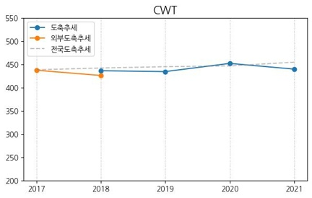
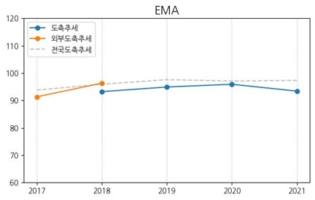
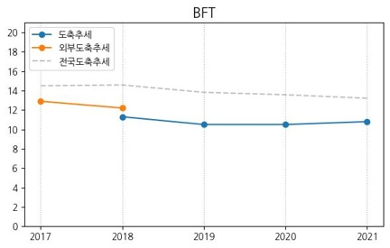
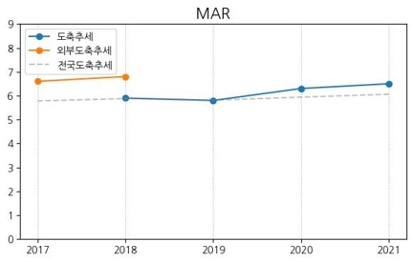
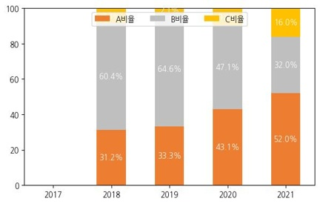
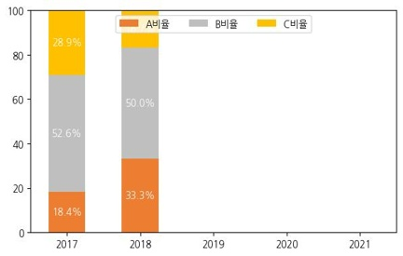
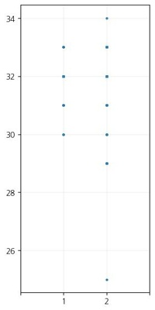
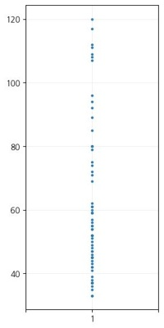
 | 도축_외부 | 도축_내부 | 사육두수
수 | 83 | 172 | 147
암 | 64 | 146 | 242
기타 | 0 | 0 | 3
합계 | 147 | 318 | 392

 | 수 | 암
평균개월 | 32 | 54
최소개월 | 25 | 29
최대개월 | 34 | 141

 | 2017_수 | 2018_수 | 2019_수 | 2020_수 | 2021_수
내부도축개월령 | 0 | 32 | 30.2 | 32.1 | 32.4
외부도축개월령 | 31.8 | 30.5 | 0 | 0 | 0

 | 연도별출하두수 | CWT평균 | EMA평균 | BFT평균 | MAR평균 | 1+이상비율 | A | B | C |  | 외부연도별출하두수 | 외부CWT평균 | 외부EMA평균 | 외부BFT평균 | 외부MAR평균 | 외부1+이상비율 | 외부A | 외부B | 외부C
2021_수 | 25 | 440.2 | 93.4 | 10.8 | 6.5 | 84.0% | 52.0% | 32.0% | 16.0% | 2021_수 | 0 | 0 | 0 | 0 | 0 | 0.0% | 0.0% | 0.0% | 0.0%
2020_수 | 51 | 452.5 | 95.9 | 10.5 | 6.3 | 70.6% | 43.1% | 47.1% | 9.8% | 2020_수 | 0 | 0 | 0 | 0 | 0 | 0.0% | 0.0% | 0.0% | 0.0%
2019_수 | 48 | 434.9 | 94.9 | 10.5 | 5.8 | 60.4% | 33.3% | 64.6% | 2.1% | 2019_수 | 0 | 0 | 0 | 0 | 0 | 0.0% | 0.0% | 0.0% | 0.0%
2018_수 | 48 | 436.7 | 93.2 | 11.3 | 5.9 | 58.3% | 31.2% | 60.4% | 8.3% | 2018_수 | 6 | 426.5 | 96.3 | 12.2 | 6.8 | 83.3% | 33.3% | 50.0% | 16.7%
2017_수 | 0 | 0 | 0 | 0 | 0 | 0.0% | 0.0% | 0.0% | 0.0% | 2017_수 | 38 | 437.8 | 91.3 | 12.9 | 6.6 | 81.6% | 18.4% | 52.6% | 28.9%
2021_암 | 32 | 349.5 | 84.7 | 10 | 4.2 | 28.1% | 40.6% | 56.2% | 3.1% | 2021_암 | 0 | 0 | 0 | 0 | 0 | 0.0% | 0.0% | 0.0% | 0.0%
2020_암 | 48 | 331.5 | 83.6 | 9.8 | 3.5 | 6.2% | 50.0% | 50.0% | 0.0% | 2020_암 | 0 | 0 | 0 | 0 | 0 | 0.0% | 0.0% | 0.0% | 0.0%
2019_암 | 47 | 327.3 | 79.2 | 11.2 | 3.6 | 14.9% | 31.9% | 55.3% | 12.8% | 2019_암 | 0 | 0 | 0 | 0 | 0 | 0.0% | 0.0% | 0.0% | 0.0%
2018_암 | 19 | 354.6 | 84.8 | 10.9 | 4.3 | 26.3% | 42.1% | 52.6% | 5.3% | 2018_암 | 1 | 389 | 98 | 16 | 5 | 0.0% | 0.0% | 100.0% | 0.0%
2017_암 | 0 | 0 | 0 | 0 | 0 | 0.0% | 0.0% | 0.0% | 0.0% | 2017_암 | 27 | 370.8 | 89 | 13.9 | 5.6 | 44.4% | 25.9% | 51.9% | 22.2%

KPN사용현황
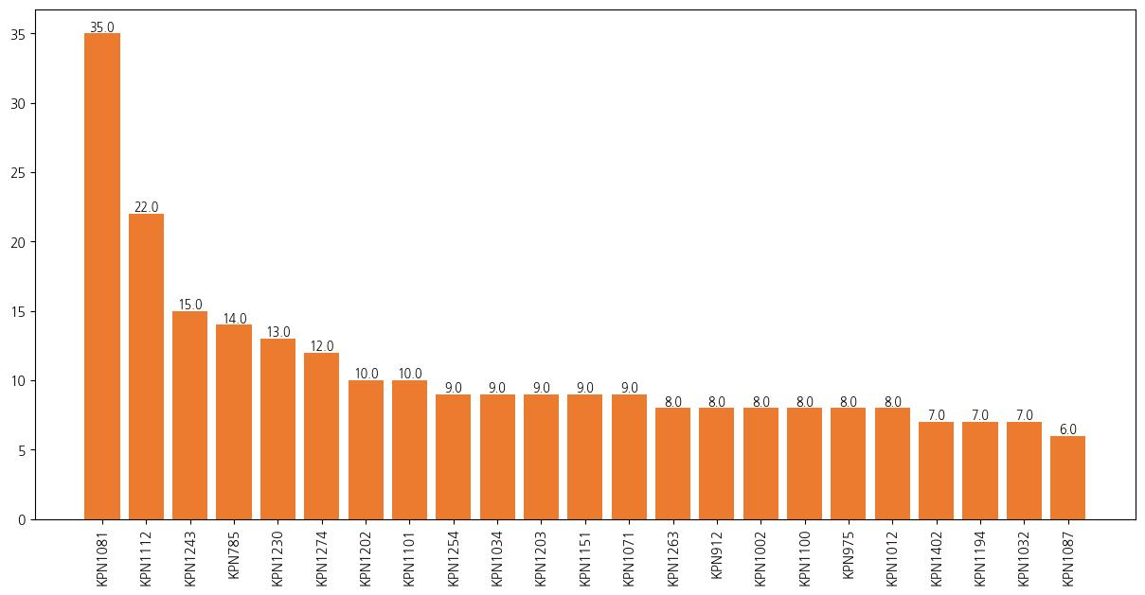
KPN | count | kpn% | CWT_EBV | EMA_EBV | BFT_EBV | MAR_EBV
KPN1081 | 35 | 8.9% | 58.3 | 11.51 | -0.66 | 0.78
KPN1112 | 22 | 5.6% | 45.96 | 14.2 | -2.55 | 0.99
KPN1243 | 15 | 3.8% | 55.93 | 8.82 | 0 | 1.54
KPN785 | 14 | 3.6% | 34.36 | 13.51 | -2.8 | -0.01
KPN1230 | 13 | 3.3% | 38.2 | 10.68 | -2.56 | 1.54
KPN1274 | 12 | 3.1% | 53.2 | 9.36 | -1.18 | 1.86
KPN1202 | 10 | 2.6% | 35.32 | 10.18 | -1.6 | 1.04
KPN1101 | 10 | 2.6% | 3.98 | -0.28 | -1.23 | 1.7
KPN1254 | 9 | 2.3% | 40.61 | 11.09 | -0.6 | 1.74
KPN1034 | 9 | 2.3% | 21.92 | 11.76 | -1.8 | 1.09
KPN1203 | 9 | 2.3% | 91.22 | 14.25 | -0.31 | 2.47
KPN1151 | 9 | 2.3% | 57.87 | 7.17 | 0.29 | 1.16
KPN1071 | 9 | 2.3% | 7.86 | 5.59 | -2.18 | 1.13
KPN1263 | 8 | 2.0% | 72.34 | 11.46 | -2.65 | 1.14
KPN912 | 8 | 2.0% | 15.22 | 6.96 | -2.77 | 0.58
KPN1002 | 8 | 2.0% | 26.52 | 9.64 | -2.55 | 2.55
KPN1100 | 8 | 2.0% | 23.28 | 10.72 | -1.81 | 2.51
KPN975 | 8 | 2.0% | 11.88 | 1.23 | -1.13 | 1.27
KPN1012 | 8 | 2.0% | 37.97 | 13.37 | -2.01 | 2.68
KPN1402 | 7 | 1.8% | 58.52 | 14.03 | -1.37 | 2.34
KPN1194 | 7 | 1.8% | 45.33 | 9.84 | -3.04 | 0.99
KPN1032 | 7 | 1.8% | 36.02 | 11.26 | -3.8 | 0.25
KPN1087 | 6 | 1.5% | 22.47 | 5.47 | -0.65 | 1.29
KPN1302 | 6 | 1.5% | 60 | 14.26 | -2.26 | 0.33
KPN950 | 6 | 1.5% | 104.38 | 23.6 | -2.93 | 1.95
KPN1213 | 6 | 1.5% | 18.36 | 6.11 | -2.09 | 2
KPN1046 | 5 | 1.3% | 36.69 | 7.38 | -0.03 | 2.17
KPN783 | 5 | 1.3% | 11.25 | 9.13 | 0.96 | 1.48
KPN944 | 5 | 1.3% | 58.46 | 14.62 | -2.09 | 0.93
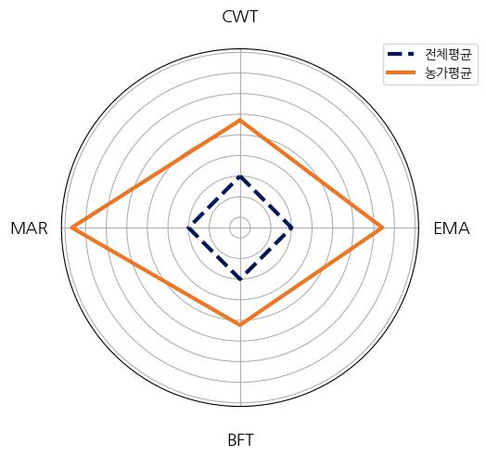
KPN1261 | 5 | 1.3% | 33.21 | 11.69 | 0.68 | 1.59 |  | Mean
KPN1222 | 5 | 1.3% | 35.46 | 6.55 | -1.28 | 1.68 | CWT_sum | 41.11
KPN1189 | 5 | 1.3% | 47.29 | 8.76 | -0.2 | 0.56 | EMA_sum | 9.94
KPN1069 | 5 | 1.3% | 53.34 | 9.21 | -1.04 | 0.67 | BFT_sum | -1.28
KPN1281 | 4 | 1.0% | 55.7 | 12.56 | 1.62 | 1.74 | MAR_sum | 1.28
KPN1006 | 4 | 1.0% | 48.29 | 8.77 | -2.82 | 1.43
KPN1421 | 4 | 1.0% | 66.33 | 9.03 | 1.24 | 1.96
KPN1481 | 4 | 1.0% | 100.54 | 16.15 | -2.18 | 0.8
KPN768 | 4 | 1.0% | 12.35 | 4.27 | -0.16 | 2.49
KPN958 | 3 | 0.8% | 16.7 | 6.42 | -1.18 | 2.09
KPN890 | 3 | 0.8% | 33.55 | 7.68 | -1.73 | 0.03
KPN961 | 3 | 0.8% | 21.23 | 9.86 | -1.61 | 1.99
KPN864 | 3 | 0.8% | 50.07 | 9.04 | -0.44 | -0.69
KPN673 | 3 | 0.8% | 10.65 | 2.69 | -2.16 | 1.18
KPN936 | 3 | 0.8% | 44.03 | 9.63 | -0.33 | 0.3
KPN740 | 3 | 0.8% | 6.16 | 4.69 | -0.8 | 0.49
KPN730 | 3 | 0.8% | 11.59 | 8.8 | -1.97 | 1.34
KPN994 | 3 | 0.8% | 48.13 | 6.92 | -0.23 | -0.02
KPN1133 | 3 | 0.8% | 41.39 | 12.15 | -1.86 | 1.59
KPN1280 | 3 | 0.8% | 32.97 | 8.79 | 0.76 | 1.85
KPN1047 | 3 | 0.8% | 17.24 | 8.29 | -0.48 | 1.76
KPN1229 | 3 | 0.8% | 54.35 | 5.59 | 3.86 | 1.01
KPN1284 | 2 | 0.5% | 33.92 | 8.27 | -0.93 | 0.99
KPN738 | 2 | 0.5% | 0.32 | 2.69 | -1.19 | 0.59
KPN1009 | 2 | 0.5% | 43.84 | 12.46 | -1.98 | 1.24
KPN507 | 2 | 0.5% | 13.92 | 7.43 | 1.75 | 1.5
KPN1422 | 2 | 0.5% | 46.33 | 13.36 | -0.77 | 2.38
KPN1314 | 2 | 0.5% | 80.74 | 20.58 | 0.23 | 2.86
KPN1061 | 2 | 0.5% | 52.17 | 11.52 | 0.42 | 0.41
KPN990 | 1 | 0.3% | 52.29 | 9.45 | -1.47 | 1.28
KPN1029 | 1 | 0.3% | 14.76 | 5.75 | 1.14 | 1.12
KPN953 | 1 | 0.3% | 29.02 | 6.45 | -0.75 | 0.63
KPN946 | 1 | 0.3% | -0.19 | 1.42 | -0.85 | 1
KPN1115 | 1 | 0.3% | 40.49 | 13.15 | 0.61 | 0.42
KPN676 | 1 | 0.3% | 34.55 | 3.65 | 0 | 0.53
KPN929 | 1 | 0.3% | 10.05 | 6.43 | -0.85 | 0.26
KPN1144 | 1 | 0.3% | 43.61 | 10.51 | 4.04 | 0.71
KPN677 | 1 | 0.3% | 16.26 | 14.64 | -0.36 | 0.94
KPN904 | 1 | 0.3% | 23.45 | 2.83 | 0.6 | 0.19
KPN886 | 1 | 0.3% | 20.51 | 6.29 | -1.65 | 0.44
KPN828 | 1 | 0.3% | 36.89 | 10.26 | -2.3 | 0.75
KPN549 | 1 | 0.3% | -25.11 | 1.03 | -0.27 | 0.49
KPN654 | 1 | 0.3% | 11.14 | 4.32 | -0.25 | 1.11
KPN906 | 1 | 0.3% | 7.79 | 2 | -1.55 | 0.09

유전능력현황
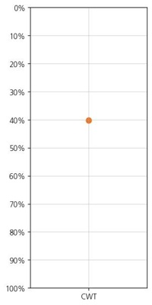
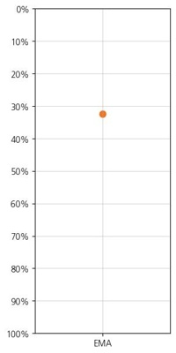
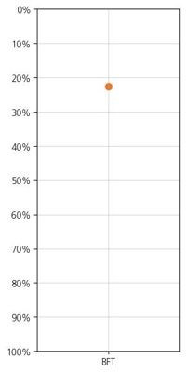
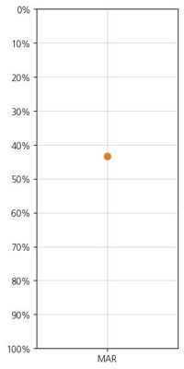
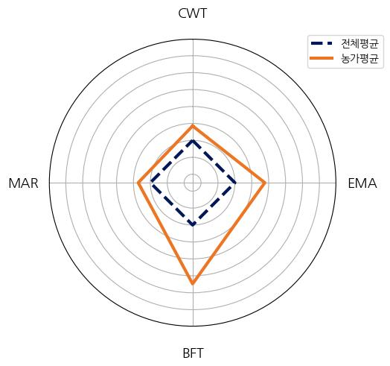
 | 전체평균 | 농가평균
01CWT_EBV | 5.0845716234 | 8.9299897654
02EMA_EBV | 1.1266109243 | 2.7717799662
03BFT_EBV | 0.016393990992 | -1.4949449805
04MAR_EBV | 0.34300863183 | 0.47730772709

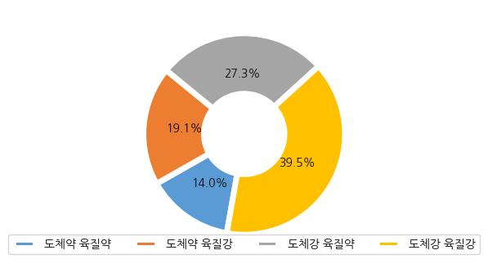
 | 암 | 수 | 기타 | 합 | 분포율
도체약 육질약 | 24 | 30 | 1 | 55 | 14.0%
도체약 육질강 | 24 | 51 | 0 | 75 | 19.1%
도체강 육질약 | 44 | 63 | 0 | 107 | 27.3%
도체강 육질강 | 55 | 98 | 2 | 155 | 39.5%
총합 | 147 | 242 | 3 | 392 | 100.0%

