농가&도축현황
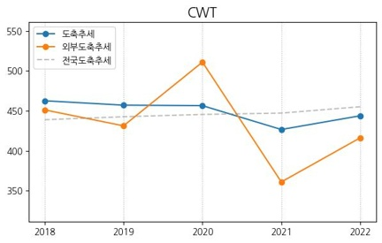
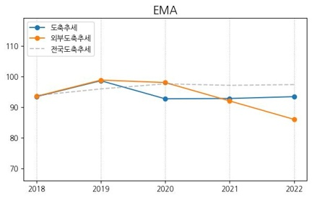
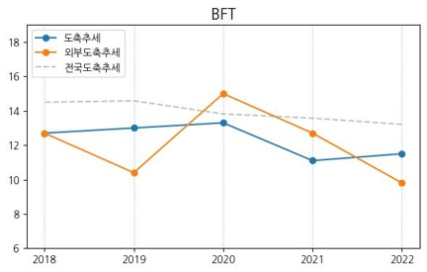
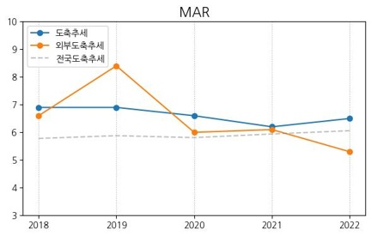
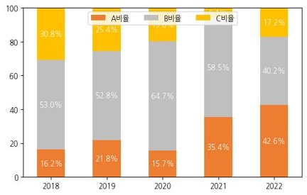
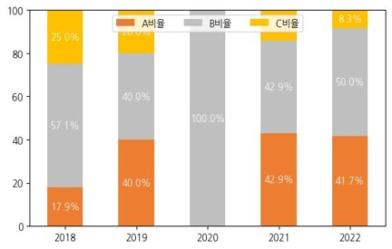
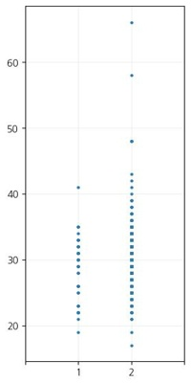
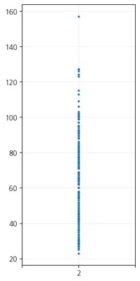
 | 도축_외부 | 도축_내부 | 사육두수
수 | 67 | 1797 | 166
암 | 193 | 261 | 420
합계 | 260 | 2058 | 586

 | 수 | 암
평균개월 | 30 | 64
최소개월 | 17 | 23
최대개월 | 66 | 157

 | 2018_수 | 2019_수 | 2020_수 | 2021_수 | 2022_수
내부도축개월령 | 29.6 | 30 | 27.9 | 25.6 | 24.5
외부도축개월령 | 30.5 | 32.4 | 31 | 25.3 | 21.8

 | 연도별출하두수 | CWT평균 | EMA평균 | BFT평균 | MAR평균 | 1+이상비율 | A | B | C |  | 외부연도별출하두수 | 외부CWT평균 | 외부EMA평균 | 외부BFT평균 | 외부MAR평균 | 외부1+이상비율 | 외부A | 외부B | 외부C
2022_수 | 122 | 443.8 | 93.4 | 11.5 | 6.5 | 75.4% | 42.6% | 40.2% | 17.2% | 2022_수 | 12 | 416.2 | 86 | 9.8 | 5.3 | 58.3% | 41.7% | 50.0% | 8.3%
2021_수 | 82 | 426.6 | 92.8 | 11.1 | 6.2 | 74.4% | 35.4% | 58.5% | 6.1% | 2021_수 | 7 | 360.9 | 92 | 12.7 | 6.1 | 71.4% | 42.9% | 42.9% | 14.3%
2020_수 | 153 | 456.5 | 92.7 | 13.3 | 6.6 | 78.4% | 15.7% | 64.7% | 19.6% | 2020_수 | 1 | 511 | 98 | 15 | 6 | 100.0% | 0.0% | 100.0% | 0.0%
2019_수 | 197 | 457.1 | 98.6 | 13 | 6.9 | 82.2% | 21.8% | 52.8% | 25.4% | 2019_수 | 5 | 431.2 | 98.8 | 10.4 | 8.4 | 100.0% | 40.0% | 40.0% | 20.0%
2018_수 | 117 | 462.6 | 93.4 | 12.7 | 6.9 | 81.2% | 16.2% | 53.0% | 30.8% | 2018_수 | 28 | 451.2 | 93.5 | 12.7 | 6.6 | 85.7% | 17.9% | 57.1% | 25.0%
2022_암 | 59 | 377.8 | 90.2 | 12.8 | 4.4 | 20.3% | 42.4% | 35.6% | 22.0% | 2022_암 | 11 | 419.1 | 88.6 | 17.5 | 5.8 | 36.4% | 0.0% | 63.6% | 36.4%
2021_암 | 27 | 362.7 | 85.7 | 13.7 | 4.1 | 18.5% | 25.9% | 48.1% | 25.9% | 2021_암 | 4 | 407.8 | 95.8 | 16.8 | 4 | 0.0% | 25.0% | 50.0% | 25.0%
2020_암 | 20 | 335.4 | 83.1 | 11.1 | 3.8 | 10.0% | 40.0% | 55.0% | 5.0% | 2020_암 | 8 | 398.8 | 88 | 10.8 | 4.9 | 25.0% | 0.0% | 100.0% | 0.0%
2019_암 | 15 | 363.2 | 86 | 10.5 | 4.4 | 26.7% | 53.3% | 46.7% | 0.0% | 2019_암 | 6 | 370.5 | 83.2 | 14.8 | 4.2 | 0.0% | 0.0% | 66.7% | 33.3%
2018_암 | 29 | 355.4 | 83.6 | 14.1 | 4.3 | 34.5% | 31.0% | 41.4% | 27.6% | 2018_암 | 4 | 363.2 | 93 | 14.5 | 5 | 25.0% | 25.0% | 50.0% | 25.0%
수 | 671 | 451.8 | 94.7 | 12.5 | 6.7 | 79.0% | 24.9% | 53.9% | 21.2% | 수 | 53 | 430.6 | 92.2 | 11.9 | 6.4 | 79.2% | 28.3% | 52.8% | 18.9%
암 | 150 | 363.7 | 86.7 | 12.7 | 4.3 | 22.0% | 38.0% | 42.7% | 19.3% | 암 | 33 | 397.2 | 88.9 | 14.9 | 5 | 21.2% | 6.1% | 69.7% | 24.2%
합 | 821 | 435.7 | 93.2 | 12.5 | 6.2 | 68.6% | 27.3% | 51.9% | 20.8% | 합 | 86 | 417.8 | 90.9 | 13 | 5.8 | 57.0% | 19.8% | 59.3% | 20.9%

KPN사용현황
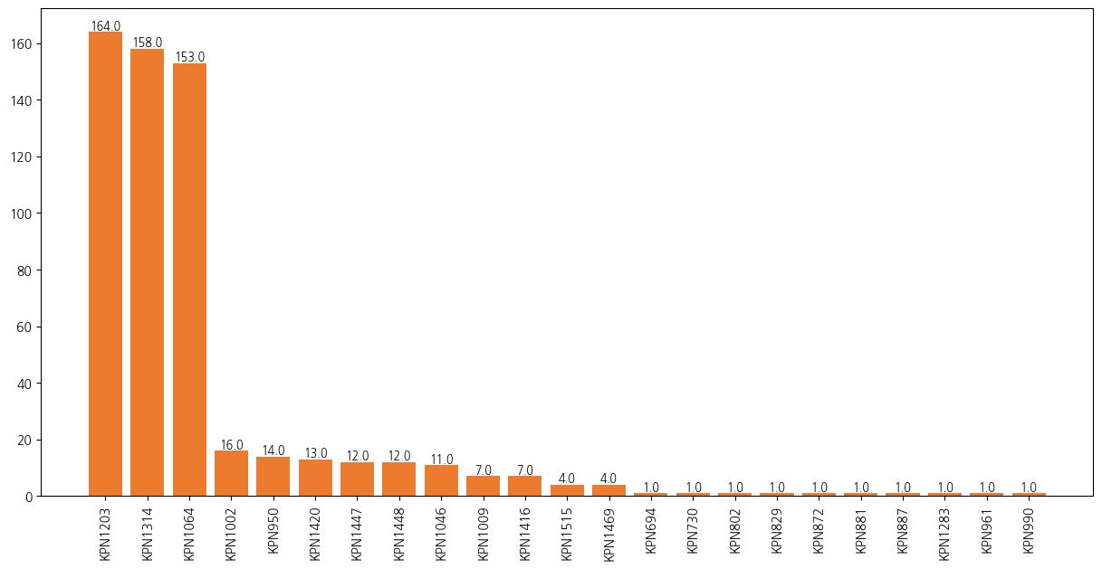
KPN | count | kpn% | CWT_EBV | EMA_EBV | BFT_EBV | MAR_EBV
KPN1203 | 164 | 28.0% | 89.81 | 12.46 | -0.16 | 2.04
KPN1314 | 158 | 27.0% | 74.12 | 20.56 | 0.15 | 2.52
KPN1064 | 153 | 26.2% | 38.15 | 9.52 | 1.3 | 3.37
KPN1002 | 16 | 2.7% | 12.8 | 7.37 | -2.16 | 2.53
KPN950 | 14 | 2.4% | 101.75 | 22.62 | -2.93 | 1.86
KPN1420 | 13 | 2.2% | 75.88 | 11.97 | 0.95 | 1.92
KPN1447 | 12 | 2.1% | 77.85 | 12.53 | 2.5 | 2.8
KPN1448 | 12 | 2.1% | 47.01 | 5.34 | 1.81 | 2.19
KPN1046 | 11 | 1.9% | 34.01 | 6.74 | 0.55 | 1.76
KPN1009 | 7 | 1.2% | 32.28 | 11.47 | -2.73 | 1.55
KPN1416 | 7 | 1.2% | 99.72 | 24.96 | -4.47 | 3.12
KPN1515 | 4 | 0.7% | 77.25 | 18.6 | -2.51 | 2.51
KPN1469 | 4 | 0.7% | 80.55 | 9.74 | -0.43 | 0.83
KPN694 | 1 | 0.2% | -22.42 | -3.97 | -0.31 | 0.62
KPN730 | 1 | 0.2% | 6.64 | 7.81 | -1.87 | 1.28
KPN802 | 1 | 0.2% | 29.5 | 4.11 | -0.32 | 0.56
KPN829 | 1 | 0.2% | 15.25 | 1.13 | -0.94 | 1.48
KPN872 | 1 | 0.2% | 85.87 | 10.45 | -1.23 | -0.15
KPN881 | 1 | 0.2% | -4.7 | 6.97 | -2.65 | 0.25
KPN887 | 1 | 0.2% | 8.39 | 5.48 | -2.64 | 0.69
KPN1283 | 1 | 0.2% | 70.56 | 12.86 | -0.15 | 1.63
KPN961 | 1 | 0.2% | 13.21 | 8.01 | -1.46 | 1.57
KPN990 | 1 | 0.2% | 37.5 | 7.12 | -1.41 | 0.98

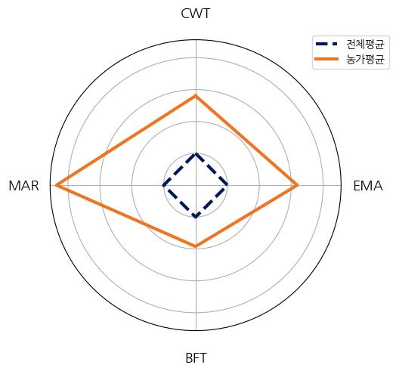
 |  |  |  |  |  |  |  | Mean
 |  |  |  |  |  |  | CWT_sum | 65.91
 |  |  |  |  |  |  | EMA_sum | 13.77
 |  |  |  |  |  |  | BFT_sum | 0.2
 |  |  |  |  |  |  | MAR_sum | 2.52

유전능력현황
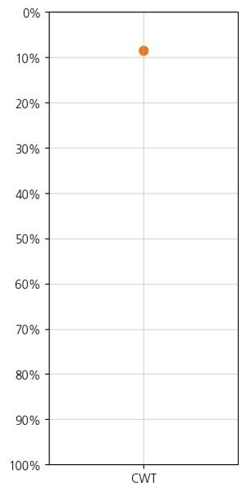

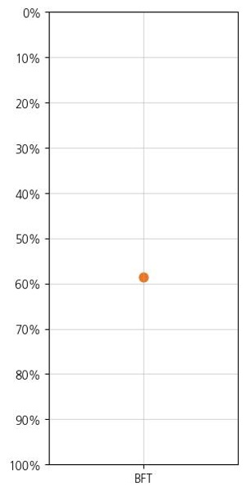
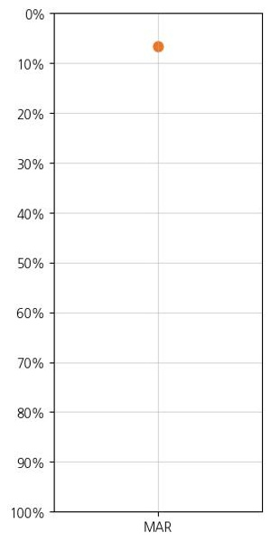
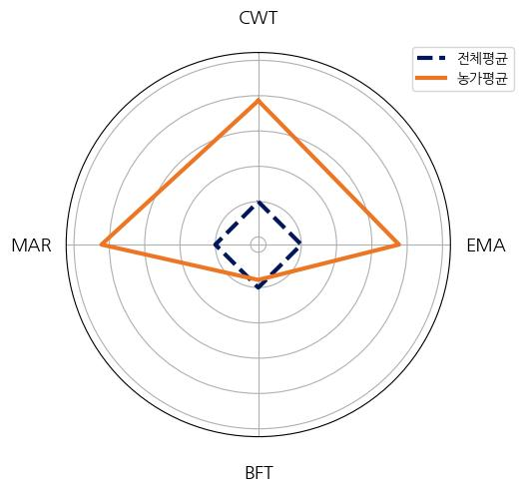
 | 전체평균 | 농가평균
01CWT_EBV | 6.24 | 39.41
02EMA_EBV | 1.7 | 8.08
03BFT_EBV | 0.04 | 0.27
04MAR_EBV | 0.37 | 1.92

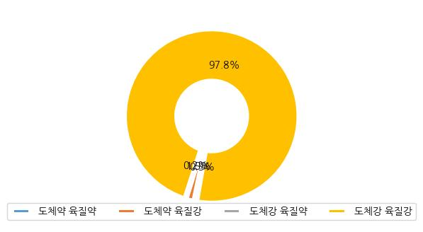
 | 암 | 수 | 합 | 분포율
도체약 육질약 | 3 | 0 | 3 | 0.5%
도체약 육질강 | 7 | 2 | 9 | 1.5%
도체강 육질약 | 1 | 0 | 1 | 0.2%
도체강 육질강 | 409 | 163 | 572 | 97.8%
총합 | 420 | 165 | 585 | 100.0%

