Cover
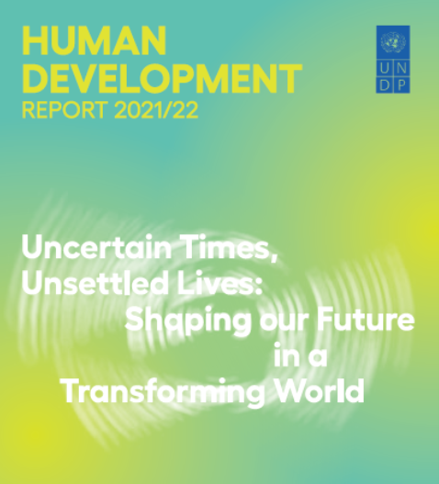
Human development composite indices
Table 1. Human Development Index and its components
Table 2. Human Development Index trends, 1990–2021
Table 3. Inequality-adjusted Human Development Index
Table 4. Gender Development Index
Table 5. Gender Inequality Index
Table 6. Multidimensional Poverty Index: developing countries
Table 7. Planetary pressures-adjusted Human Development Index

Statistical references

