1_CSV_File_Analysis
1.1 Get To Know About CSV files

 | clientmarkofffile20140113.csv |  |  |  |  |  | tutukamarkofffile20140113.csv

 |  | Included Titles |  |  |  |  |  | Included Titles
 |  | ProfileName |  |  |  |  |  | ProfileName
 |  | TransactionDate |  |  |  |  |  | TransactionDate
 |  | TransactionAmount |  |  |  |  |  | TransactionAmount
 |  | TransactionNarrative |  |  |  |  |  | TransactionNarrative
 |  | TransactionDescription |  |  |  |  |  | TransactionDescription
 |  | TransactionID |  |  |  |  |  | TransactionID
 |  | TransactionType |  |  |  |  |  | TransactionType
 |  | WalletReference |  |  |  |  |  | WalletReference

 | Sample data
 | clientmarkofffile20140113.csv
 | ProfileName |  |  |  | Card Campaign
 | TransactionDate |  |  |  | 2014-01-11 22:27:44
 | TransactionAmount |  |  |  | -20000
 | TransactionNarrative |  |  |  | *MOLEPS ATM25 MOLEPOLOLE BW
 | TransactionDescription |  |  |  | DEDUCT
 | TransactionID |  |  |  | 0584011808649511
 | TransactionType |  |  |  | 1
 | WalletReference |  |  |  | P_NzI2ODY2ODlfMTM4MjcwMTU2NS45MzA5,

 | tutukamarkofffile20140113.csv
 | ProfileName |  |  |  | Card Campaign
 | TransactionDate |  |  |  | 2014-01-11 22:27:44
 | TransactionAmount |  |  |  | -20000
 | TransactionNarrative |  |  |  | *MOLEPS ATM25 MOLEPOLOLE BW
 | TransactionDescription |  |  |  | DEDUCT
 | TransactionID |  |  |  | 0584011808649511
 | TransactionType |  |  |  | 1
 | WalletReference |  |  |  | P_NzI2ODY2ODlfMTM4MjcwMTU2NS45MzA5

1.2 Finding out anomaly

 | Two types of anomalies:
 |  | > broken integrity withing each CSV file
 |  | > transaction mismatch between two CSV files

 | 1.2.1 broken integrity withing each CSV file

 | A transaction is regarded to have broken integrity if it doesn't match with its reversal one. Followings are example of
 | transactions with broken integrity

It should be "REVERSAL" as a correct one.
 | clientmarkofffile20140113.csv
 |  |  |  |  |  | At line 1 |  |  |  |  |  | At line 2
 | ProfileName |  |  |  | Card Campaign |  |  |  |  |  | Card Campaign
 | TransactionDate |  |  |  | 2014-01-12 12:56:25 |  |  |  |  |  | 2014-01-12 12:56:25
 | TransactionAmount |  |  |  | -4310 |  |  |  |  |  | -4310
 | TransactionNarrative |  |  |  | 766831 SHOPRITE GABORONE BOTSWANA BW |  |  |  |  |  | 766831 SHOPRITE GABORONE BOTSWANA BW
It should be "REVERSAL" as a correct one.
 | TransactionDescription |  |  |  | DEDUCT |  |  |  |  |  | DEDUCT
 | TransactionID |  |  |  | 0004012321856252 |  |  |  |  |  | 0004012321856252
 | TransactionType |  |  |  | 0 |  |  |  |  |  | 0
 | WalletReference |  |  |  | P_NzI0MTE0MjJfMTM4ODEzMTA0Mi42MTI3 |  |  |  |  |  | P_NzI0MTE0MjJfMTM4ODEzMTA0Mi42MTI3

 | 1.2.2 transaction mismatch between two CSV files

 | Category of CSV information

 | Category |  |  |  |  |  | CSV Headers
 | 1. Transaction information (Main information) |  |  |  |  |  | 1.1. TransactionID
 |  |  |  |  |  |  | 1.2. TransactionType
 |  |  |  |  |  |  | 1.3. TransactionDescription
 |  |  |  |  |  |  | 1.4. TransactionAmount
 | 2. Transaction event information |  |  |  |  |  | 2.1. TransactionDate
 |  |  |  |  |  |  | 2.2. WalletReference
 |  |  |  |  |  |  | 2.3. TransactionNarrative
 | 3. Transaction supplement information |  |  |  |  |  | 3.1. ProfileName

 | What makes two transactions matched?
 | Matching procedure will be in following orders:
 |  | 1. Transaction information (Main information) must be matched.
 |  | 2. Transaction event information must be matched.
 |  | 3. Transaction supplement information must be matched.

 | What makes two transactions un-matched?
 | If two transactions do not meet the conditions in "What makes two transactions matched?" section.

 | Priority of close matches?
 | 1=1 | 2=2 | 3=3 |  |  |  |  |  | 1=1 | It means Transaction information (Main information) in both CSV files are matched.
 | n | n | n | full mismatch |  |  |  |  | 2=2 | It means Transaction event information in both CSV files are matched.
 | n | n | y | serious mismatch - least clue |  |  |  |  | 3=3 | It means Transaction supplement in both CSV files are matched.
 | n | y | n | fatal mismatch - low traceability
 | n | y | y
 | y | n | n | fatal mismatch - high traceability
 | y | n | y |  |  |  |  | Note:
 | y | y | n | minor mismatch |  |  |  |  | > The ones with green color are considered as close match.
 | y | y | y | full match

 | 1.2.3 Note about system implementation

 | > For "broken integrity", system only stores information but does not show the report on the UI.
 | > For "transaction mismatch", system stores information and shows information on the UI with minimal mismatch information.
 | In other words, the report does not include detail mismatch level as described in "Priority of close matches?" section.

1.3 Brief Processing Explanation

 | Processing steps

Step1: Split CSV files based on Tx ID
Step2: Iterate through splitted Tx ID files and check the anomalies
Step3: Create reports for each Tx IDs and store them in database

 | Data base will be Postgresql.

2_System_Design
2.1 Process of Finding Out Transaction Anomalies

Start

1. Upload Two CSV Files
clientmarkofffile20140113.csv

tutukamarkofffile20140113.csv

2. Create Job
Splitted into Transaction ID files at Step 3.

3. Split CSV Files into Transaction ID Files
0004012321856252.tmp
4. Audit Each Transaction ID File

1114012321856252.tmp

5. Store Report in DB

2224012321856252.tmp

{transaction ID}.tmp
6. Mark Job as Finished

End

2.2 General Idea of System Composition

 | 2.2.1 Hierarchy

 |  |  |  |  |  | Naming Convention
System
 |  |  |  |  |  | sys-{sys name}

1

1..*

Micro-Service
 |  |  |  |  |  | sys-{sys name}-ms-{micro-service name}

1
1

1..*
1

Module
Common Module
 |  |  |  |  |  | sys-{sys name}-ms-{micro-service name}-md-{module-name}

 | 2.2.2 Module Composition

 |  | Layer | Java Package Naming
 |  | Endpoint | {micro-service name}.{module-name}.endpoint.web
 |  |  | {micro-service name}.{module-name}.endpoint.rest
 |  |  | {micro-service name}.{module-name}.endpoint.inline

 |  | Service | {micro-service name}.{module-name}.service
 |  |  | {micro-service name}.{module-name}.service.exception

 |  | Data Access | {micro-service name}.{module-name}.dal

2.2 Project Composition

 | 2.2.1 Project Hierarchy

sys-fintech

ms-reconciliation

md-servicdesk
md-batchapp
md-ui
md-common

 | 2.2.2 Module Information

 |  | Module Name |  | Description |  | Project Folder Name |  | Package/Path

md-servicdesk
 |  |  |  |  | It does: |  | sys-fintech-ms-reconciliation-md-servicdesk |  | Endpoint Layer
 |  |  |  |  | 1. Job Creation (Step1 and Step2) |  |  |  | reconciliation.servicdesk.endpoint.rest

 |  |  |  |  | 2. Job Information Retrieval |  |  |  | Service Layer
 |  |  |  |  | 3. Report Retrieval |  |  |  | reconciliation.servicdesk.service
 |  |  |  |  |  |  |  |  | reconciliation.servicdesk.service.exception

 |  |  |  |  |  |  |  |  | Data Access
 |  |  |  |  |  |  |  |  | reconciliation.servicdesk.dal

md-batchapp
 |  |  |  |  | It does: |  | sys-fintech-ms-reconciliation-md-batchapp |  | Endpoint Layer
 |  |  |  |  | 1. JobExecution (Step 3 to Step6) |  |  |  | reconciliation.batchapp.endpoint.rest

 |  |  |  |  |  |  |  |  | Service Layer
 |  |  |  |  |  |  |  |  | reconciliation.batchapp.service
 |  |  |  |  |  |  |  |  | reconciliation.batchapp.service.exception

 |  |  |  |  |  |  |  |  | Data Access
 |  |  |  |  |  |  |  |  | reconciliation.batchapp.dal

md-ui
 |  |  |  |  | This module includes ReactJS app. |  | sys-fintech-ms-reconciliation-md-ui |  | ReactJS App Source Code Location
 |  |  |  |  |  |  |  |  | src/main/reactapp

md-common
 |  |  |  |  | It provide necessary utilies and |  | sys-fintech-ms-reconciliation-md-common |  | Domain Class
 |  |  |  |  | entity beans for above two |  |  |  | reconciliation.common.domain.entity
 |  |  |  |  | modules. |  |  |  | reconciliation.common.domain.entity.constant

 |  |  |  |  |  |  |  |  | Utilities
 |  |  |  |  |  |  |  |  | reconciliation.common.util.config
 |  |  |  |  |  |  |  |  | reconciliation.common.util.datetime
 |  |  |  |  |  |  |  |  | reconciliation.common.util.string

3_ERD
3.1 ERD

Overview
It is for storing Job information.
jid format
> {yyyymmddhhmmssmi}{2nd part of UUID}
status predefined value
> 0 (not started)
> 1 (in progress)
> 2 (finished)

Overview
This broken integrity report.

Overview
This is overall information of transaction mismatch between two CSV files.
all_match column
> true (there is no mismatch)
> false (there are mismatches)
fm_count
> stands for "full match count"
mnmm_count
> stands for "minor mismatch count"
ftmmht_count
> stands for "fatal mismatch - high traceability count"
ftmmlt_count
> stands for "fatal mismatch - low traceability count"
srmmlc_count
> stands for "serious mismatch - least clue count"
fmm_count
> stands for "full mismatch count"
Job Tx Broken Integrity Report
----------
jid (fk) (pk)
txid (pk)
filename (pk)
lineno (pk)
pf_name
tx_date
tx_amt
tx_nrtive
tx_dscpt
tx_type
wallet_ref
counterpart_lineno
Job
----------
jid (pk)
file1name
file2name
status
creation_datetime
started_datetime
finished_datetime
Job Report Summary
----------
jid (fk) (pk)
file1name
file1_line_count
file1_match_count
file1_unmatch_coun
file2name
file2_line_count
file2_match_count
file2_unmatch_count
all_match
fm_count
mnmm_count
ftmmht_count
ftmmlt_count
srmmlc_count
fmm_count

1
1
1

*

1
1

Job Tx Mismatch Report
----------
jid (fk) (pk)
txid (pk)
filename (pk)
lineno (pk)
pf_name
tx_date
tx_amt
tx_nrtive
tx_dscpt
tx_type
wallet_ref
txinfo_matched
txeinfo_matched
txsinfo_matched

*

*
Overview
This is the detail mismatch report.
txinfo_matched
> stands for "Transaction Information Matched"
> true (if all transaction information are matched)
> false (if there are mismatches)
txeinfo_matched
> stands for "Transaction Event Information Matched"
> true (if all transaction event information are matched)
> false (if there are mismatches)
txsinfo_matched
> stands for "Transaction Supplement Information Matched"
> true (if all transaction supplement information are matched)
> false (if there are mismatches)
Job Tx
----------
jid (fk) (pk)
txid (pk)
filename (pk)
lineno (pk)
pf_name
tx_date
tx_amt
tx_nrtive
tx_dscpt
tx_type
wallet_ref

Overview
This entity is stand-in consideration for the environment that does not support file I/O.
(If file I/O is not allowed, it is not possible to split files as in "Step 3" of "2.1 Process of Finding Out Transaction Anomalies" section in "2_System_Design" sheet.
Note: This enity is not currently used.

4_REST API
4.1 REST API

 | Module | API Title | API Information |  |  |  | Example

md-servicdesk
 |  | Job Creation | Controller |  |  |  |  | Curl Command
 |  |  | ReconciliationJobCreationRestController.java
 |  |  |  |  |  |  |  | curl --location --request POST 'http://localhost:8080/rc/servicdesk/job' \
 |  |  | URL |  |  |  |  | --form 'csvFile1=@"/D:/Temp/3_clientmarkofffile20140113.csv"' \
 |  |  | POST: | rc/servicdesk/job |  |  |  | --form 'csvFile2=@"/D:/Temp/4_tutukamarkofffile20140113.csv"'

 |  |  | URL Param
 |  |  | Body(form-data): |  | Key | Value |  | Postman
 |  |  |  |  | csvFile1 | {file to upload}
 |  |  |  |  | csvFile2 | {file to upload}

 |  |  | Header
 |  |  | 'content-type': 'multipart/form-data'
 |  |  | 'Accept': 'application/json'

 |  | Job Information Retrieval | Controller |  |  |  |  | Curl Command
 |  |  | ReconciliationJobInfoRestController.java
 |  |  |  |  |  |  |  | curl --location --request GET 'http://localhost:8080/rc/servicdesk/job/202110011817380030ca7'
 |  |  | URL
 |  |  | GET: | rc/servicdesk/job/{jobId}

 |  |  | Header |  |  |  |  | Postman
 |  |  | 'Accept': 'application/json'

 |  | Report Retrieval | Controller |  |  |  |  | Curl Command
 |  |  | ReconciliationReportRetrievalRestController.java
 |  |  |  |  |  |  |  | curl --location --request GET 'http://localhost:8080/rc/servicdesk/reports/202110022040091857a32'
 |  |  | URL
 |  |  | GET: | rc/servicdesk/reports/{jobId}

 |  |  | Header |  |  |  |  | Postman
 |  |  | 'Accept': 'application/json'

md-batchapp
 |  | JobExecution | Controller |  |  |  |  | Curl Command
 |  |  | JobExecutionRestController.java
 |  |  |  |  |  |  |  | curl --location --request POST 'http://localhost:8080/rc/batchapp/startjob' \
 |  |  | URL |  |  |  |  | --form 'jobId="202110011817380030ca7"'
 |  |  | POST: | rc/batchapp/startjob

 |  |  | URL Param
 |  |  | Body(form-data): |  | Key | Value |  | Postman
 |  |  |  |  | jobId | {job ID}

 |  |  | Header
 |  |  | 'content-type': 'multipart/form-data'
 |  |  | 'Accept': 'application/json'

5_Building_Project
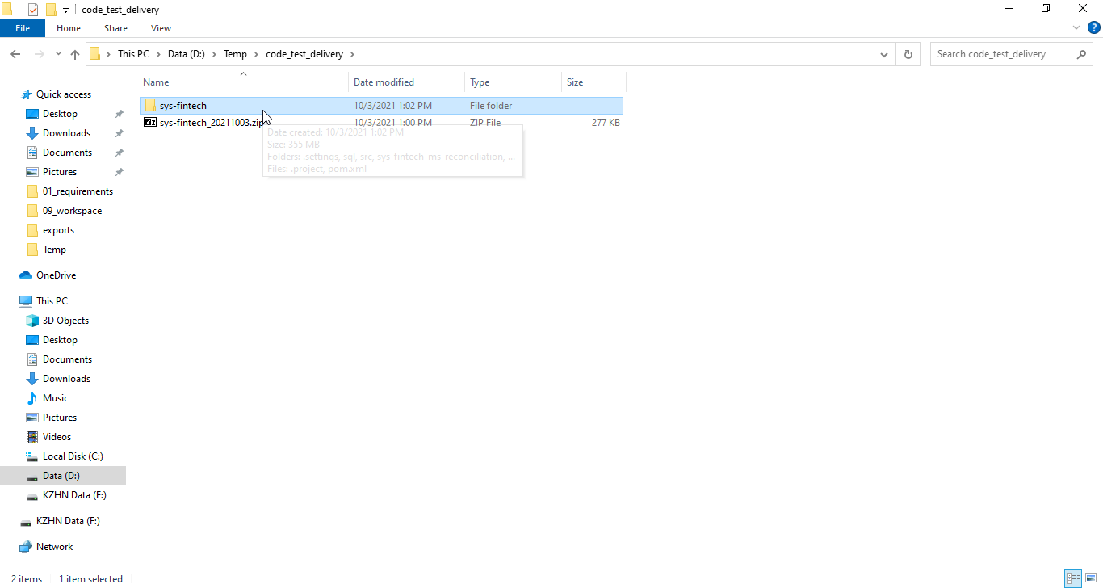
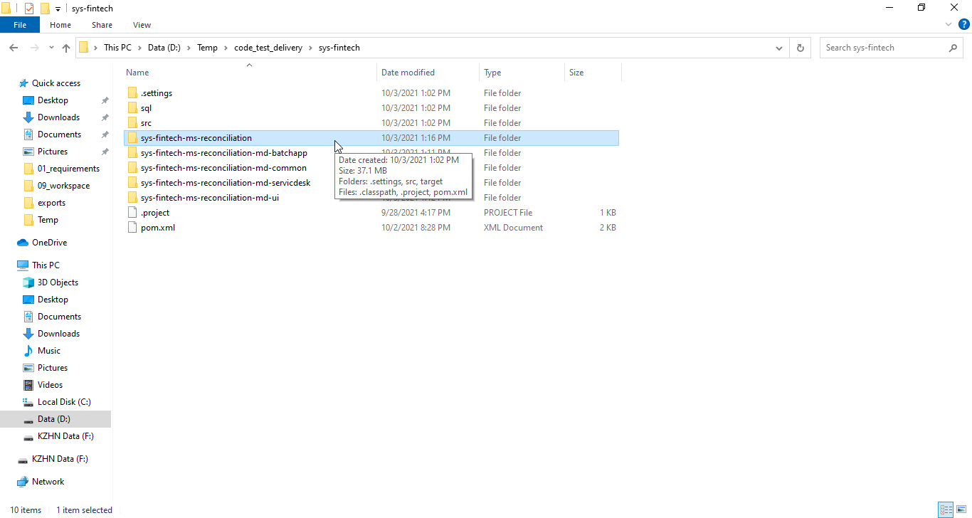
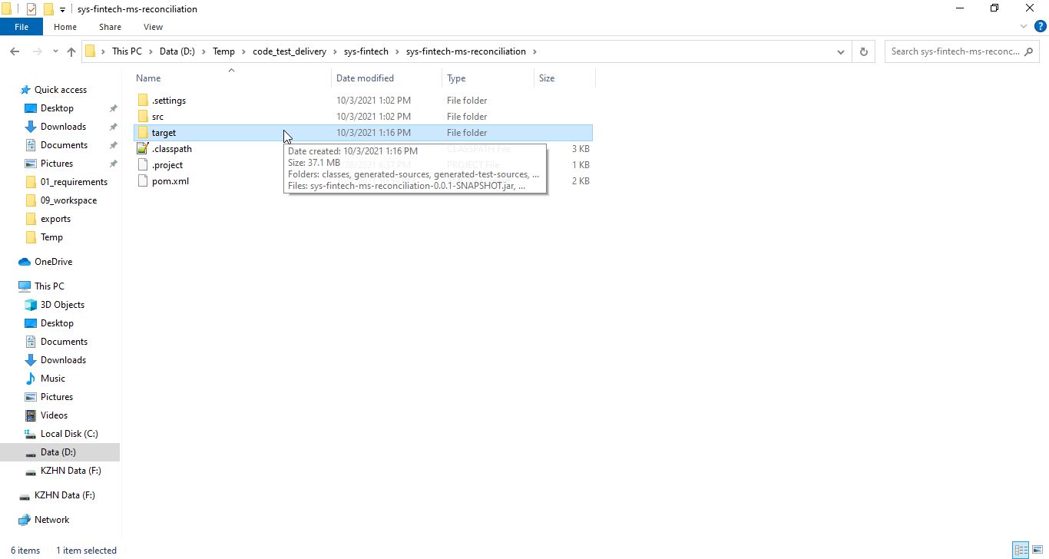
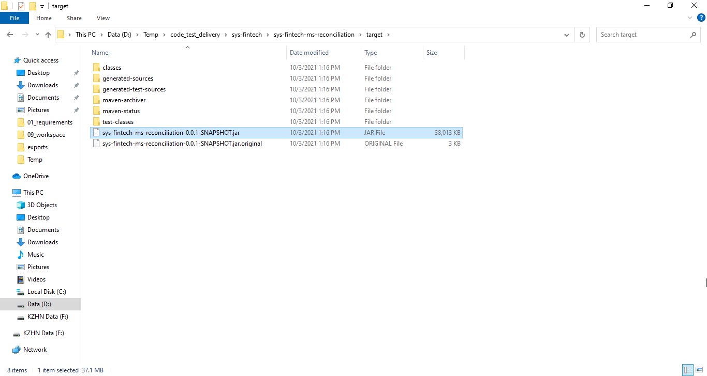
5.1 Building Project in Eclipse

 | Step1: Make sure "Build Automatically" is turned off as in following image.
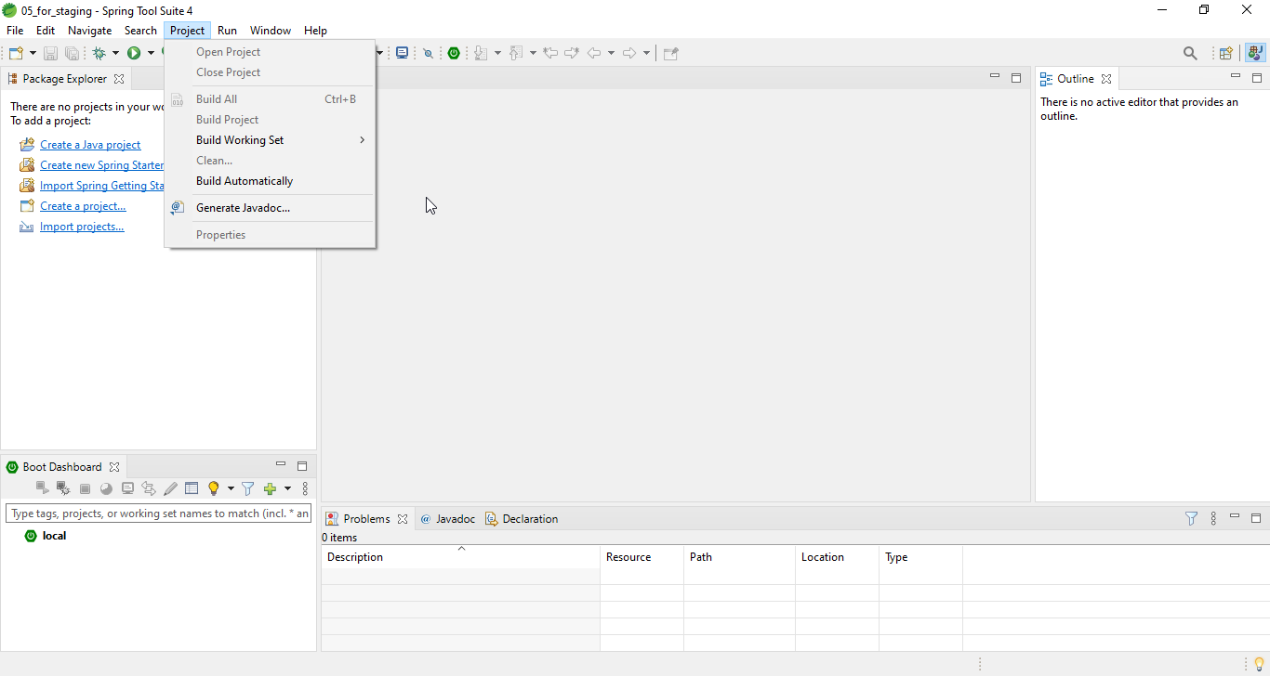

 | Step2: Import Project
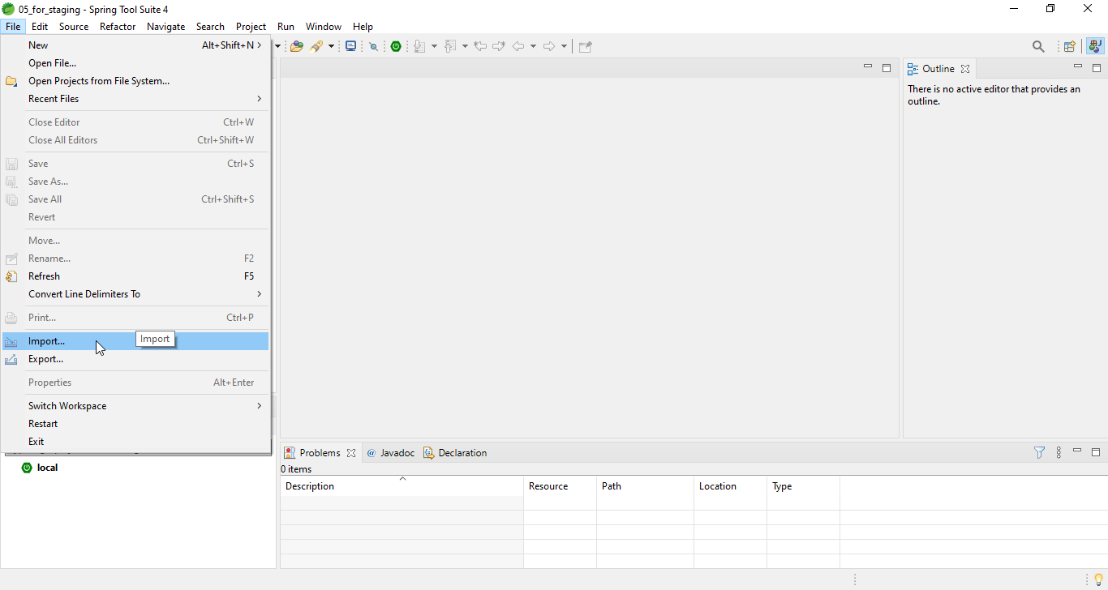

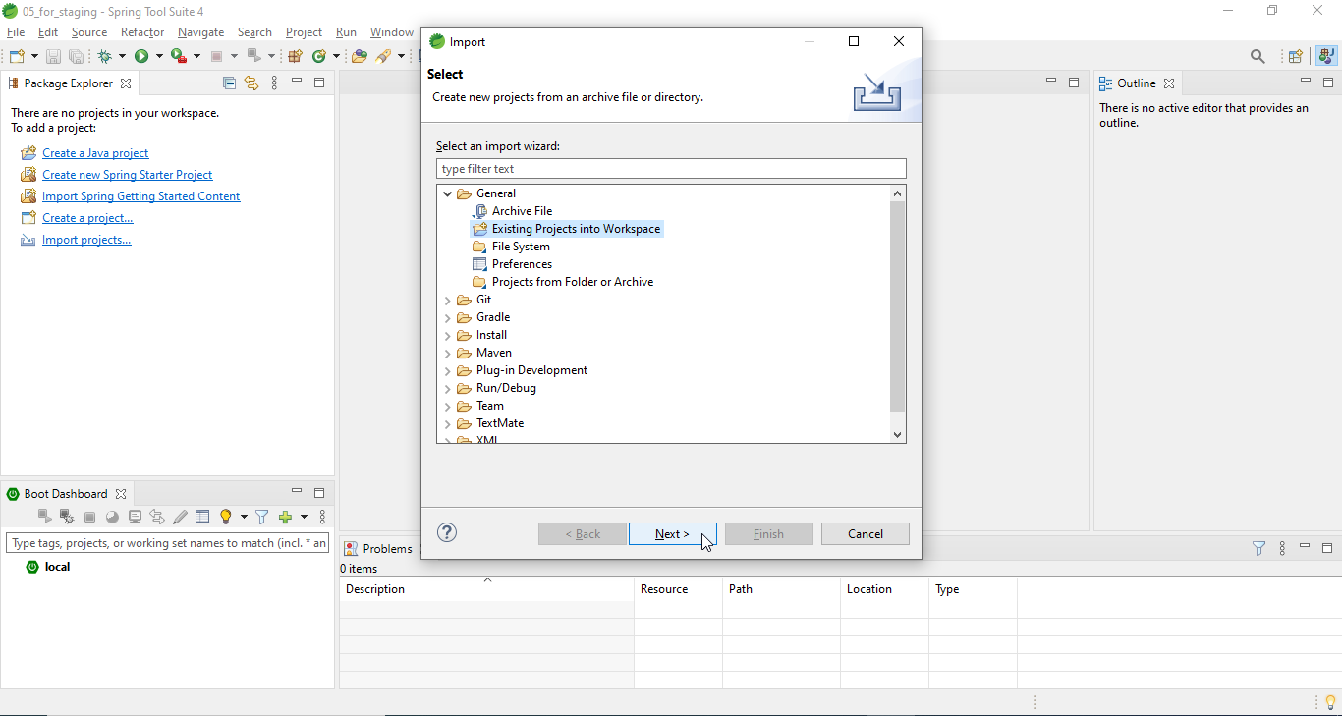

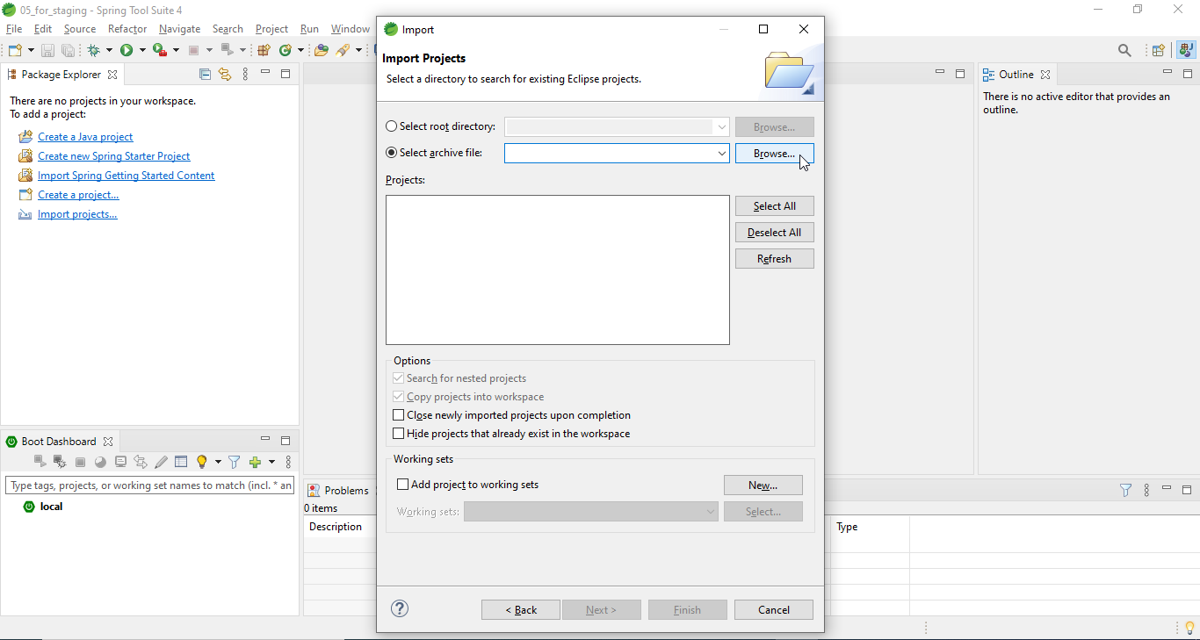

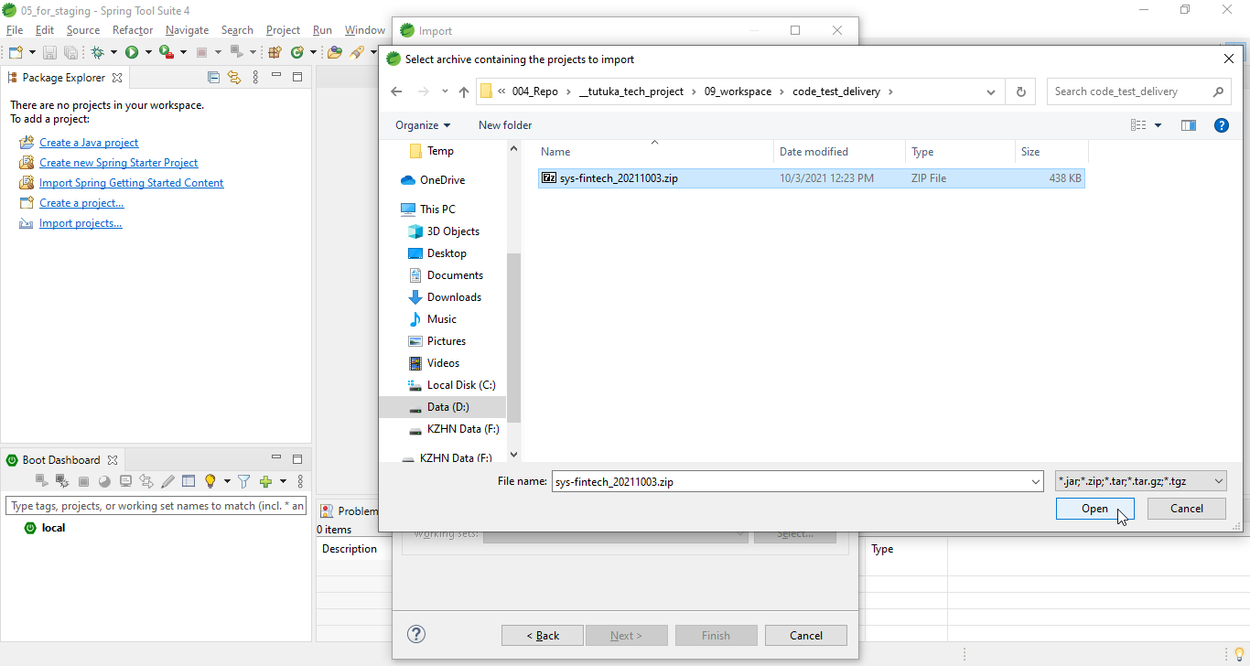

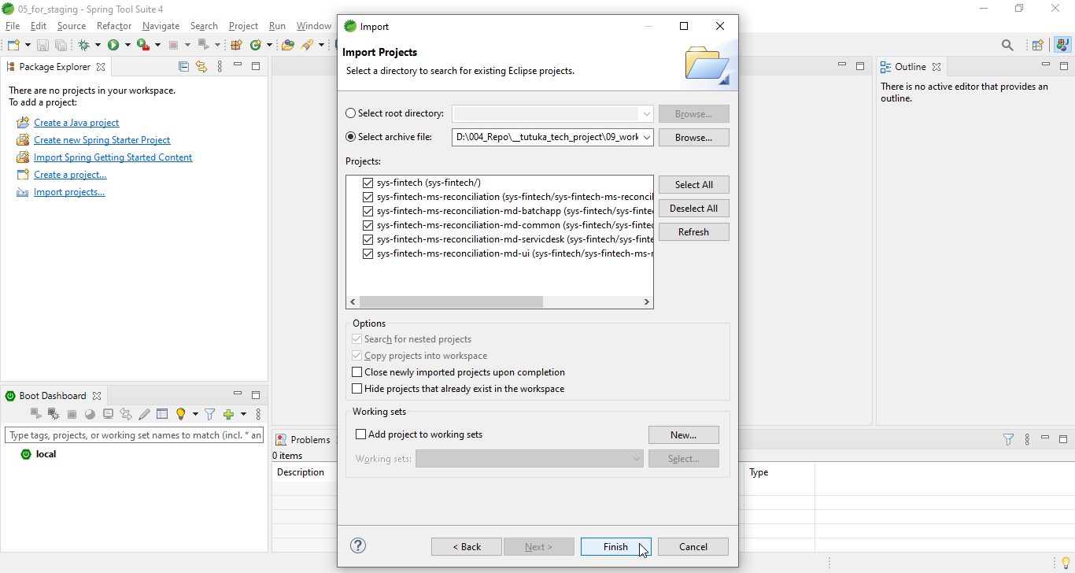

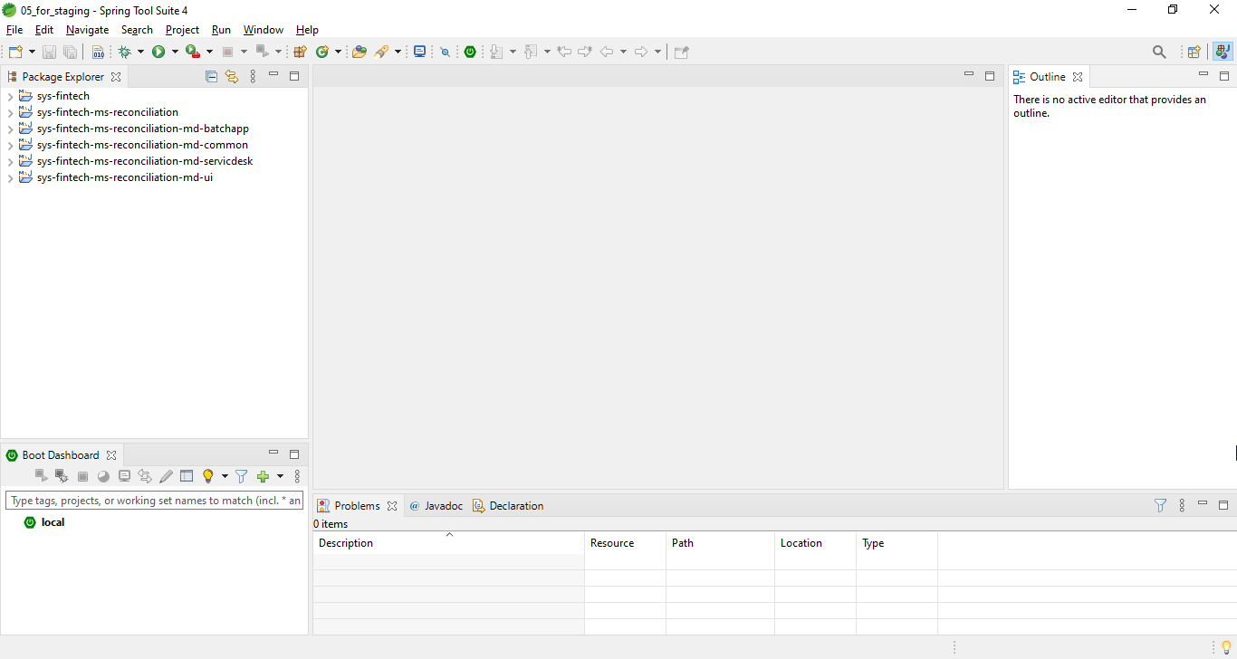

 | Step3: Run Maven build withl "package" goal
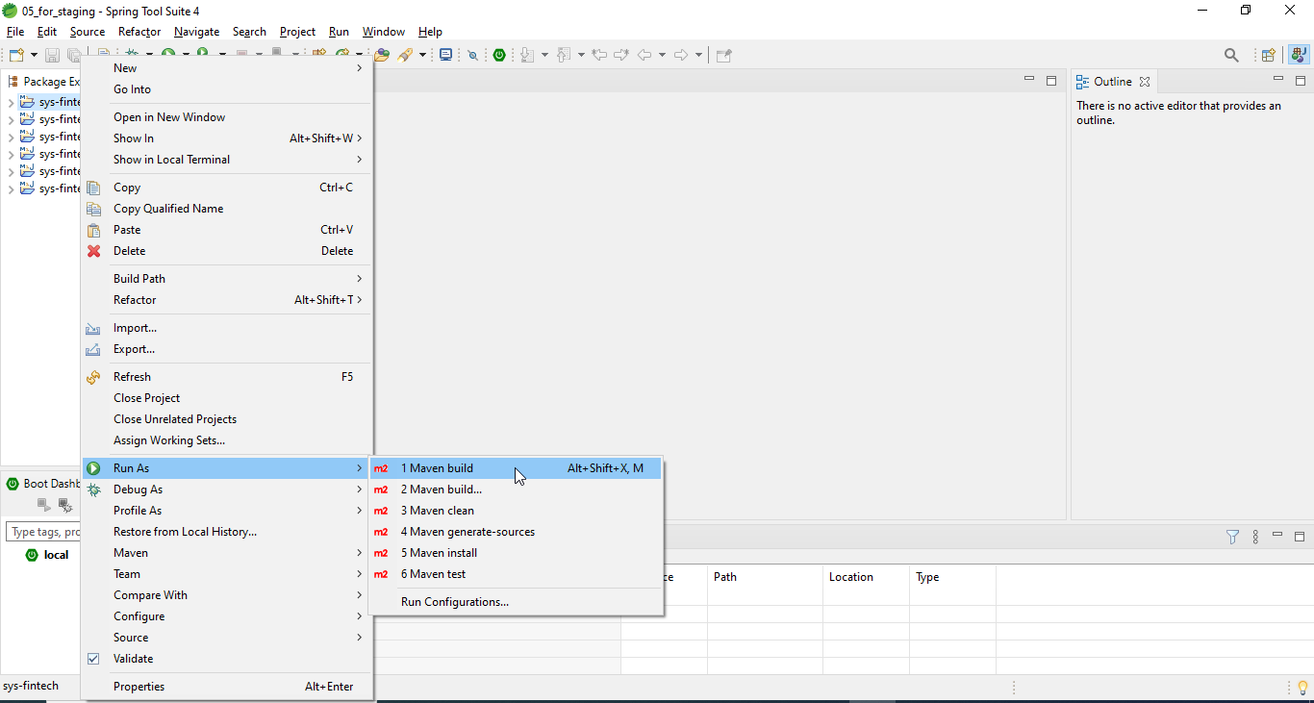

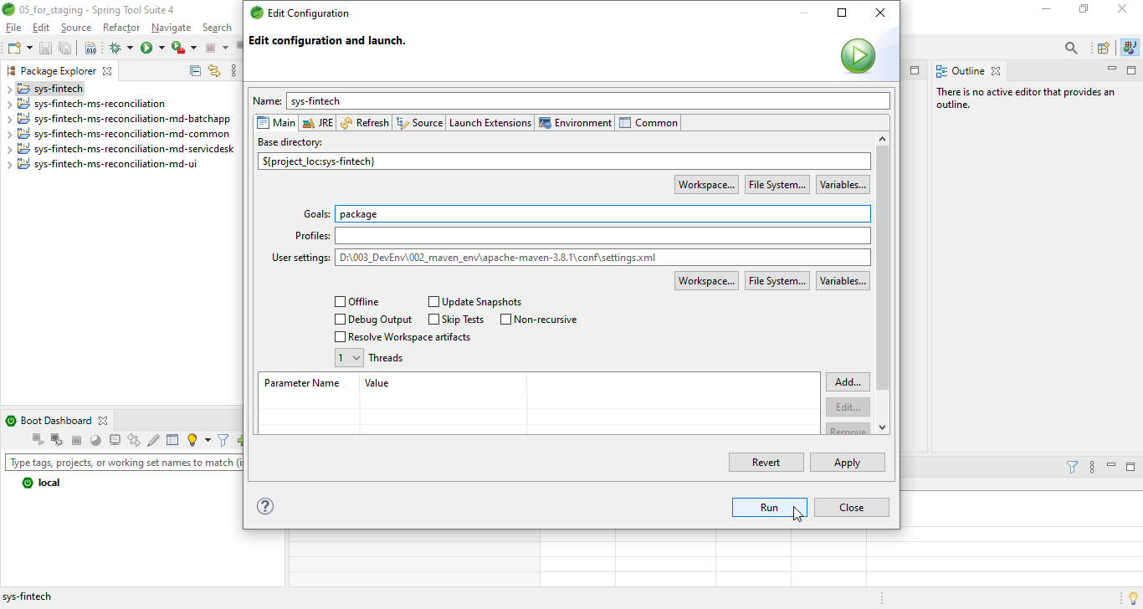

 | Step2 Import Project

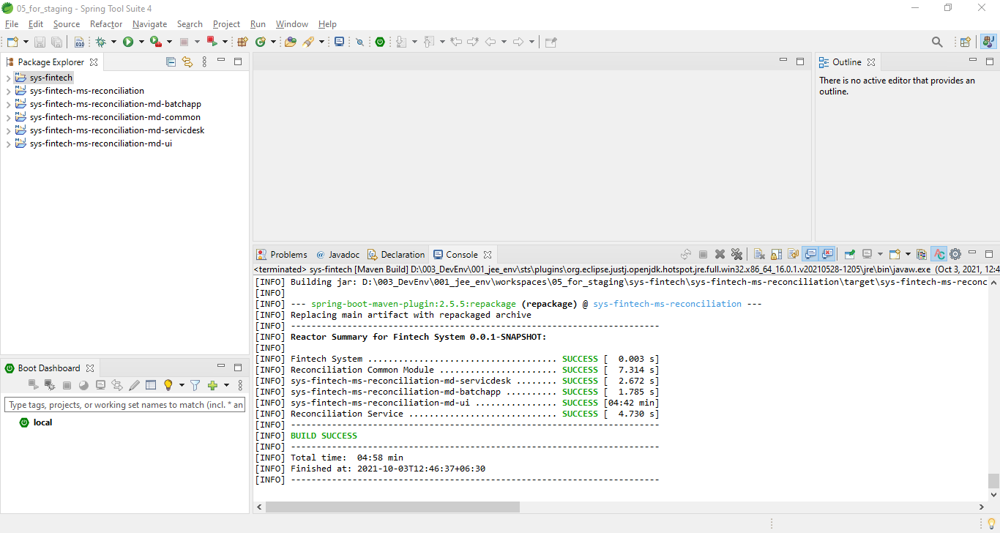

You may have to wait for a few moment for the build to be completed.

 | Step4: See the built Jar file
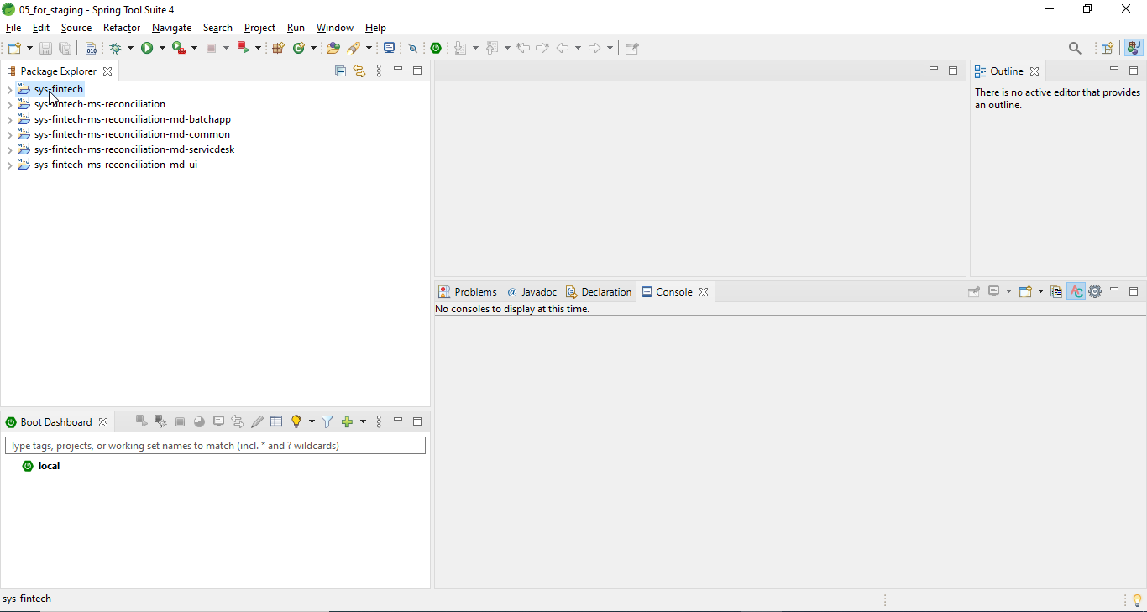

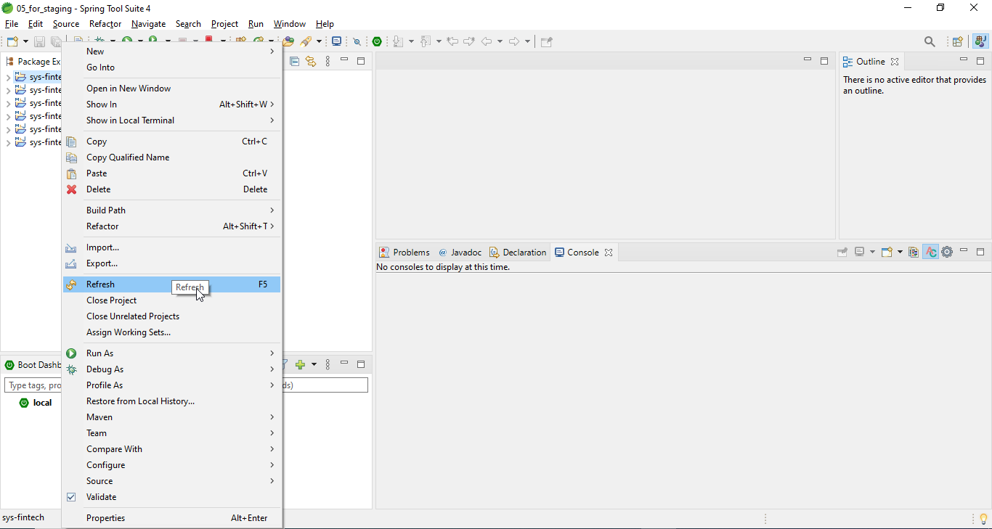

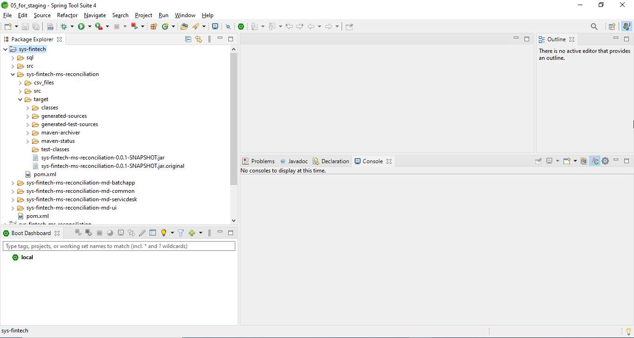

5.2 Building Project in Command line
You need to install "Maven" before building the project.

 | Step1: Extract the project zip file.
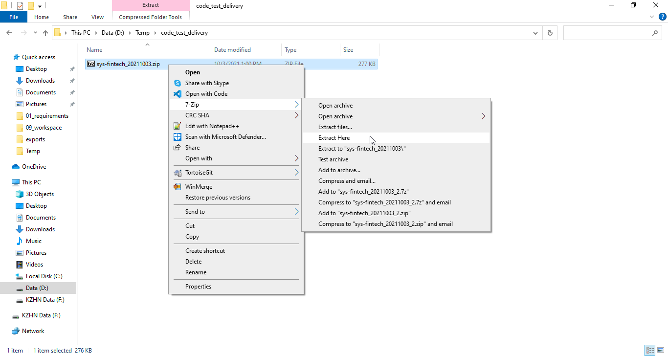

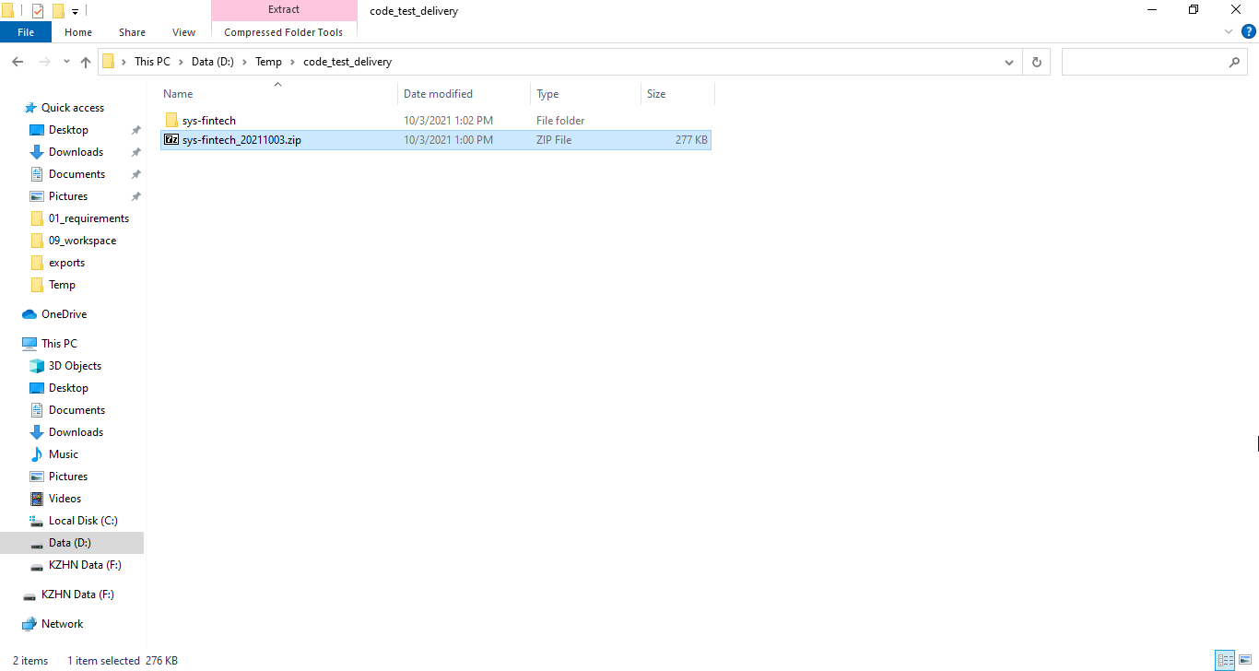

 | Step2: Open "cmd" and change directory to the path of "sys-fintech"
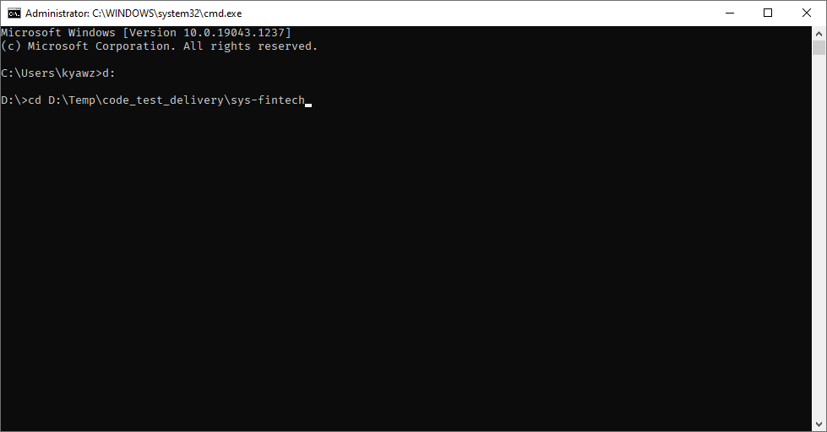

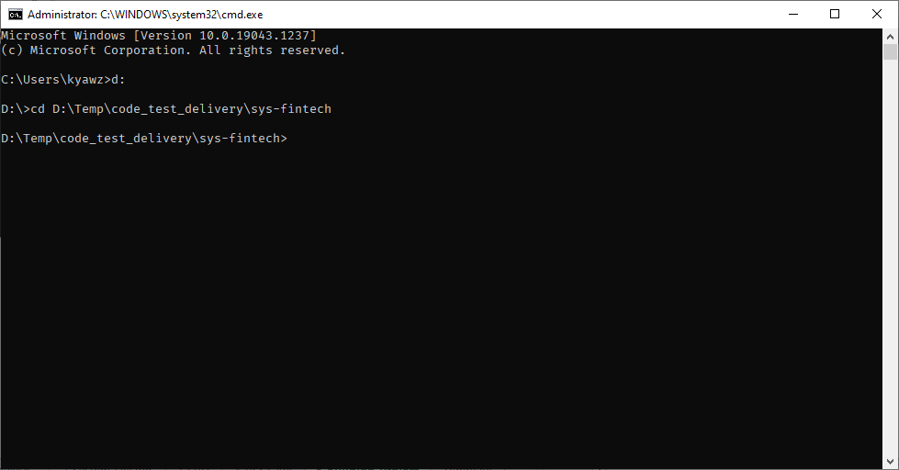

 | Step3: Build the project with "mvn package" command


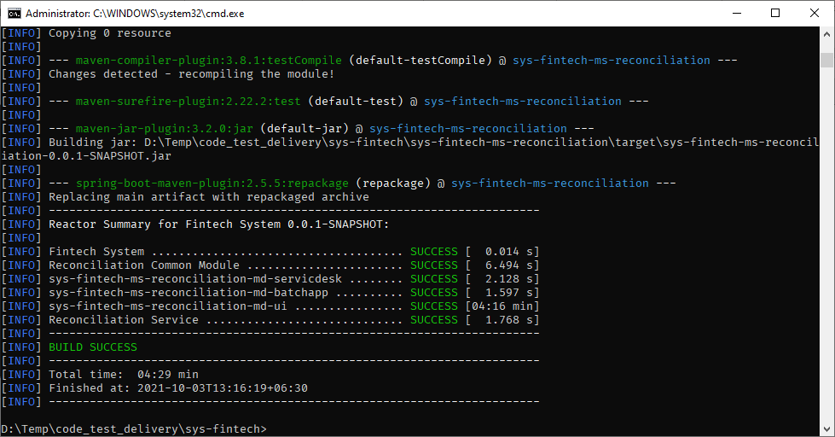

You may have to wait for a few moment for the build to be completed.

 | Step4: See the built Jar file

6_Preparing_DB
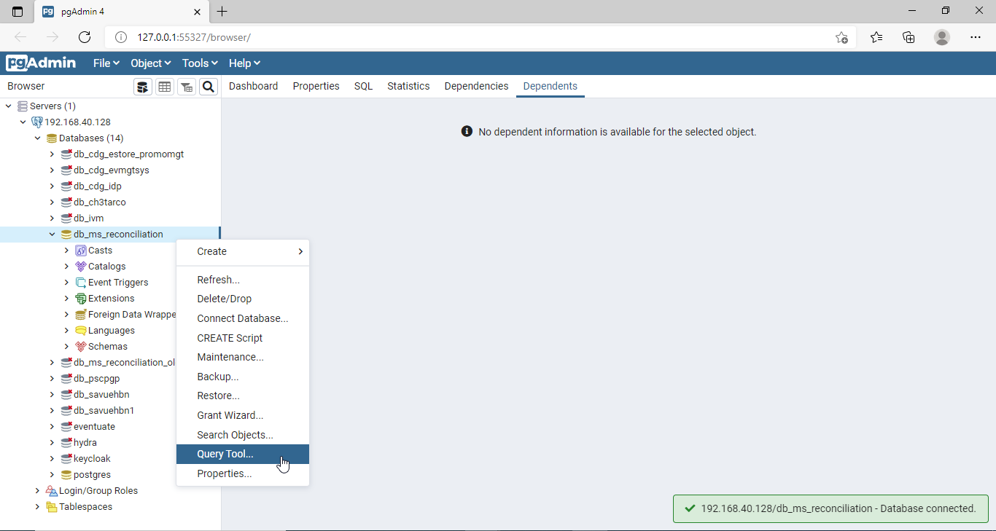
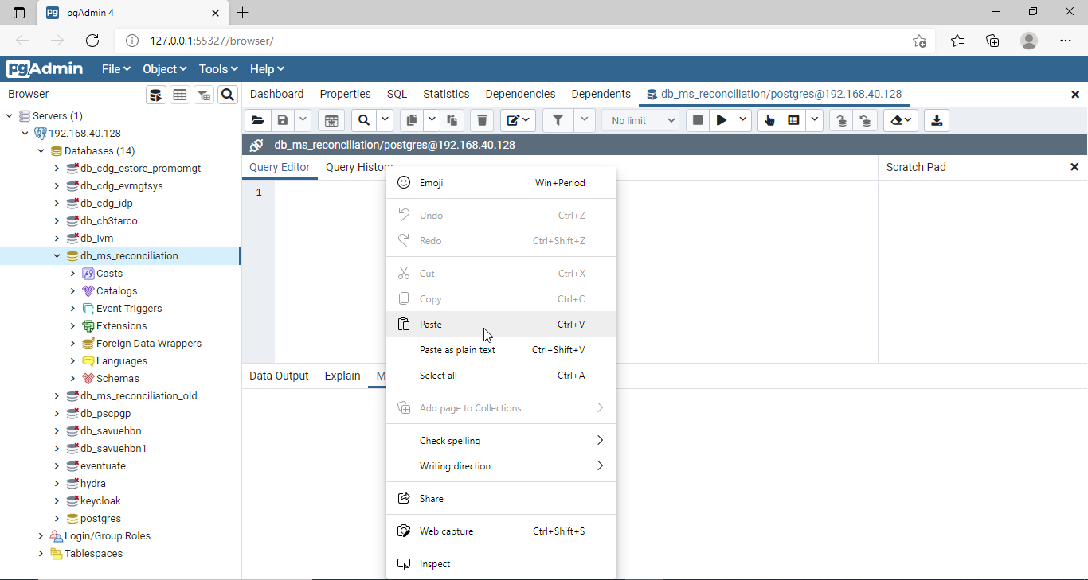
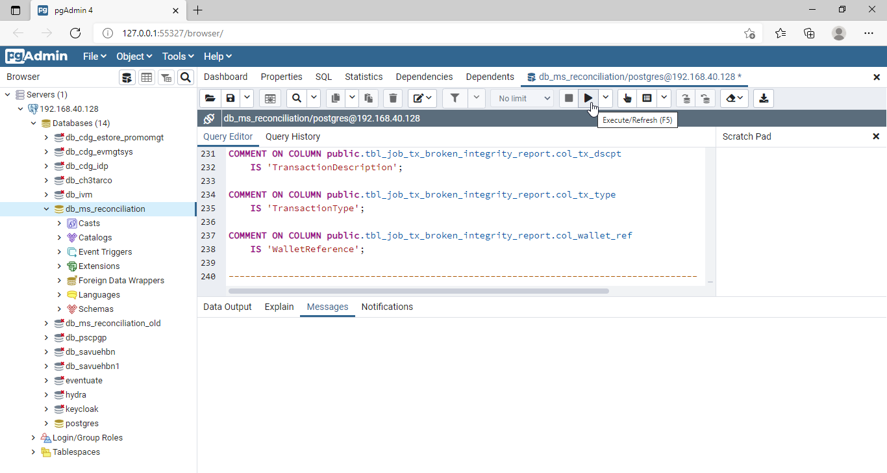
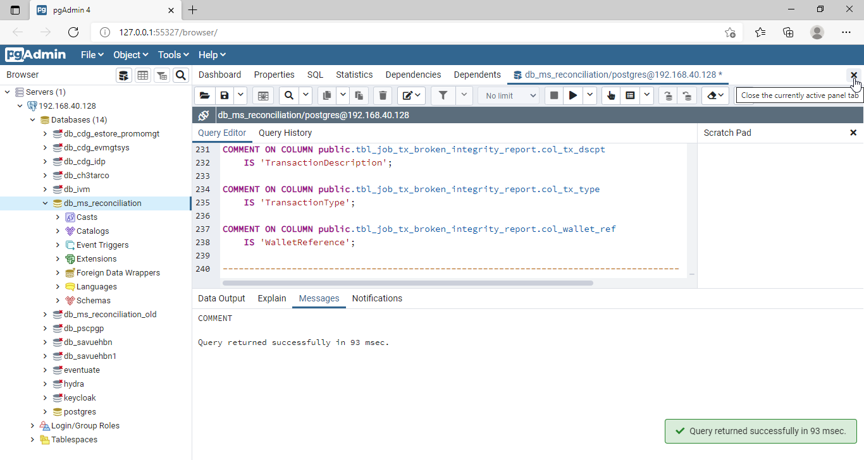
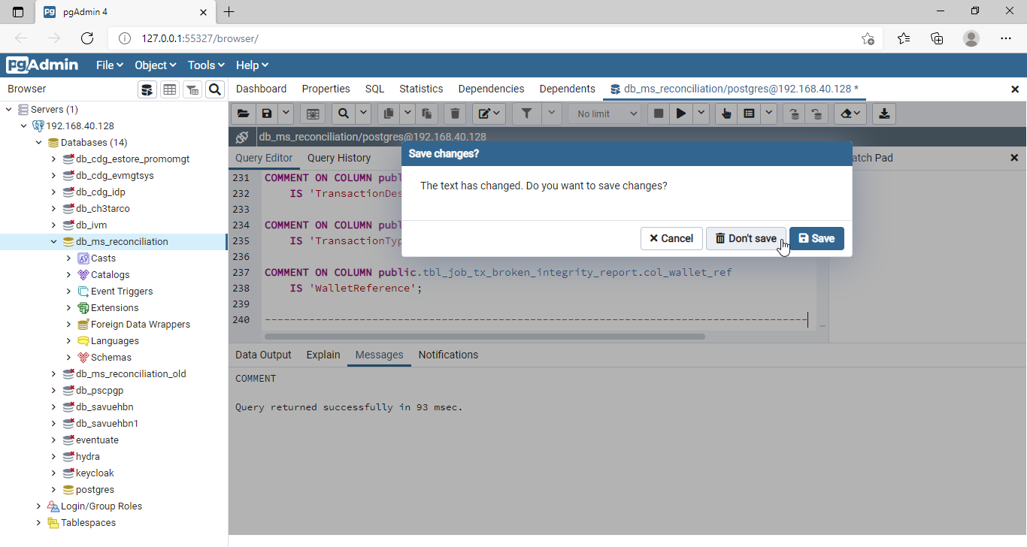
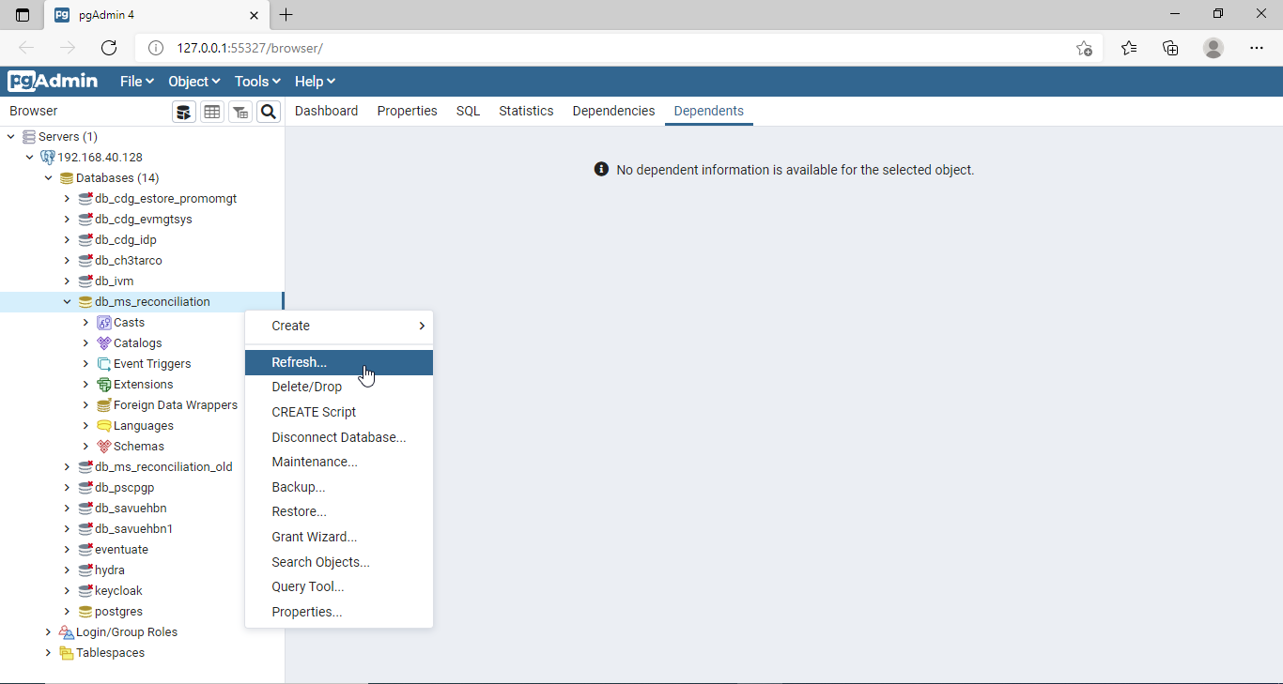
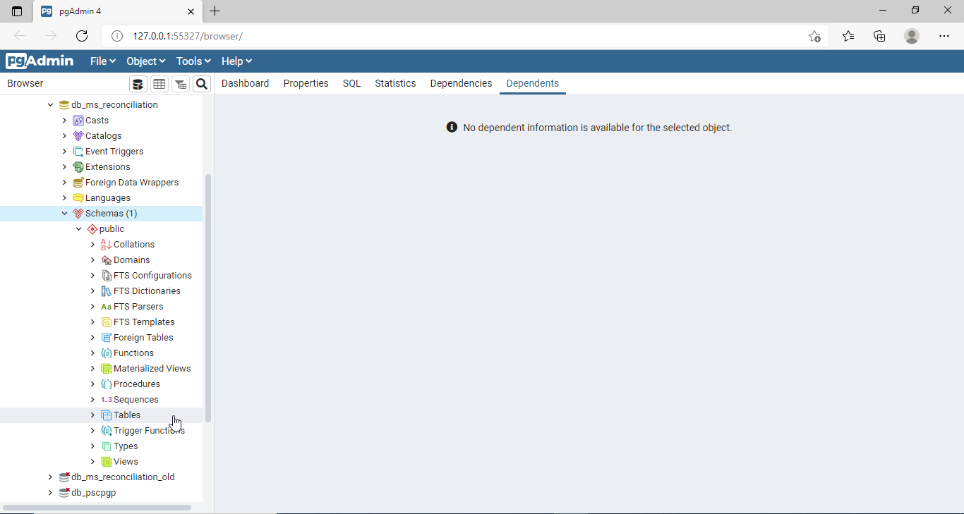
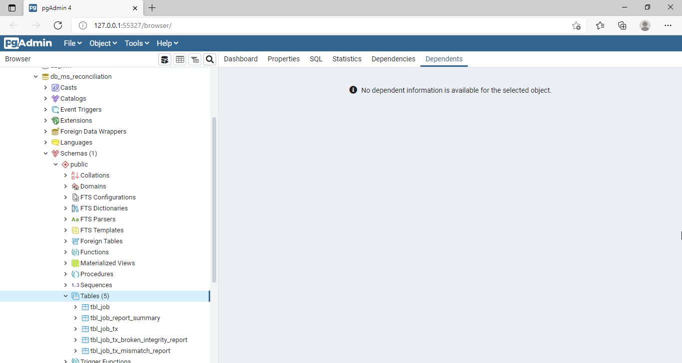
6.1 Preparing Database
You need to install Postgresql and PgAdmin before taking the steps.

 | Step1: Extract the project zip file.

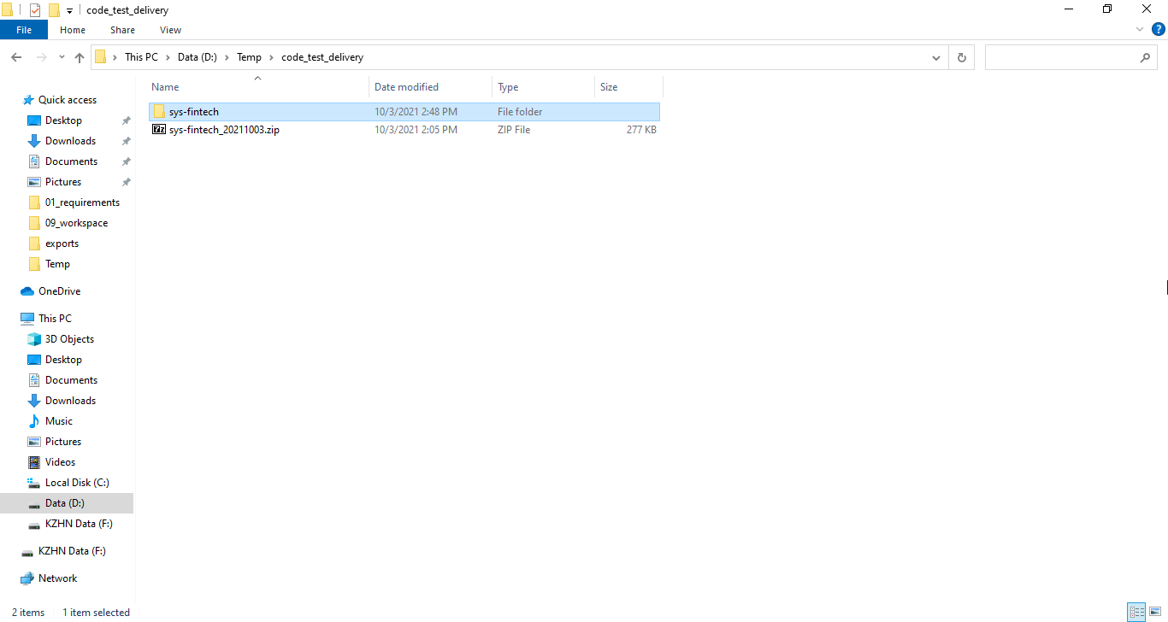

 | Step2: Create Database
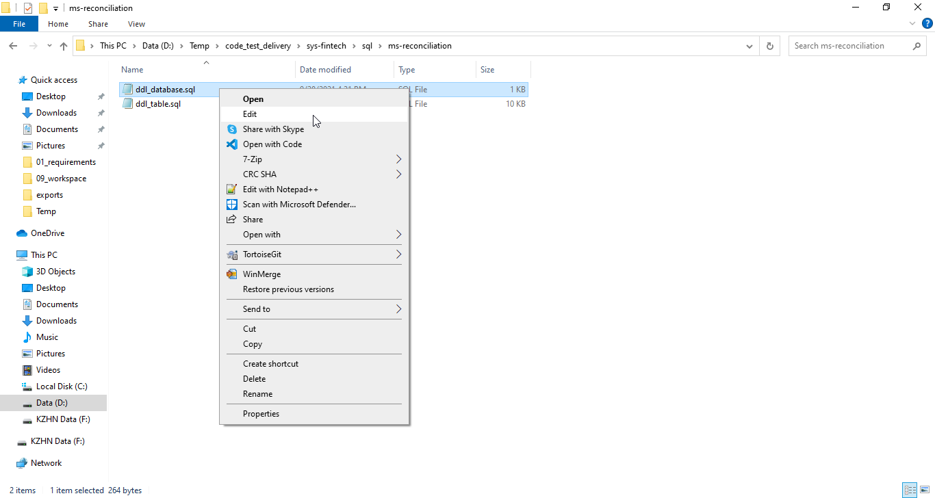

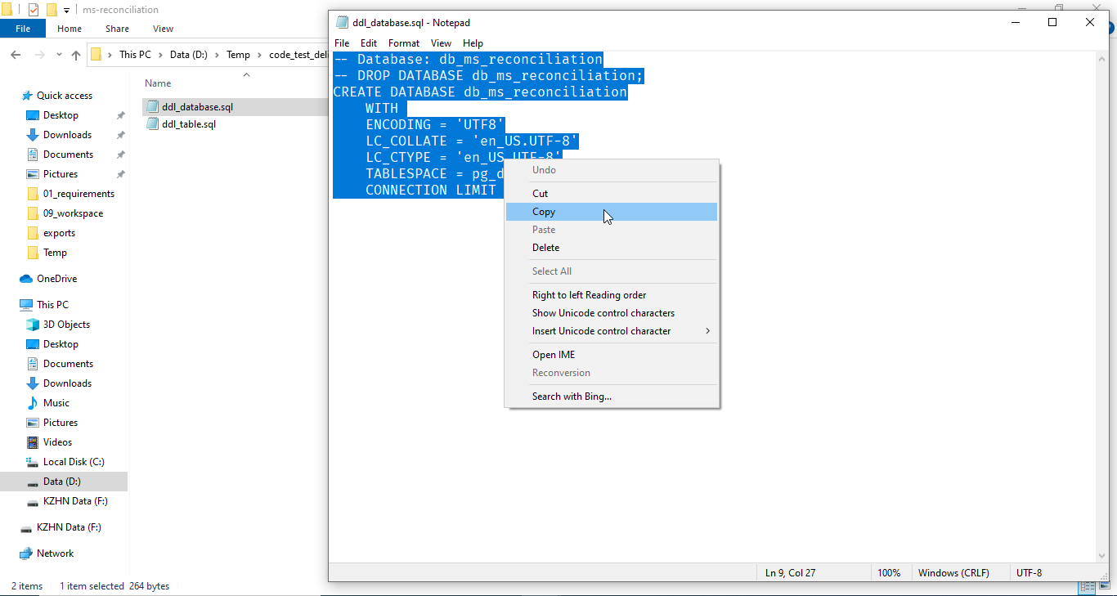

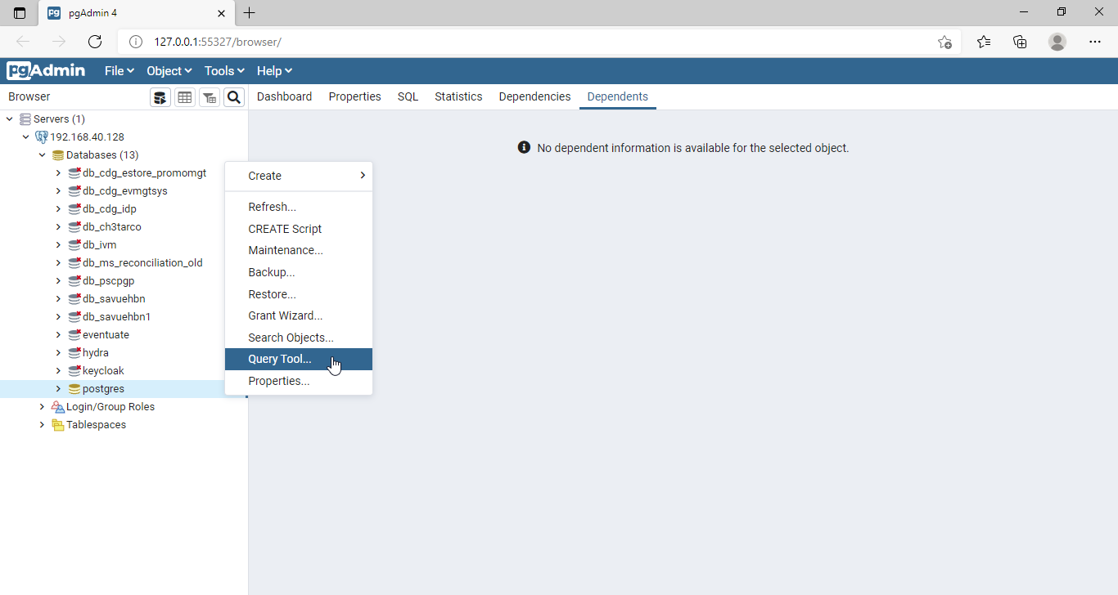

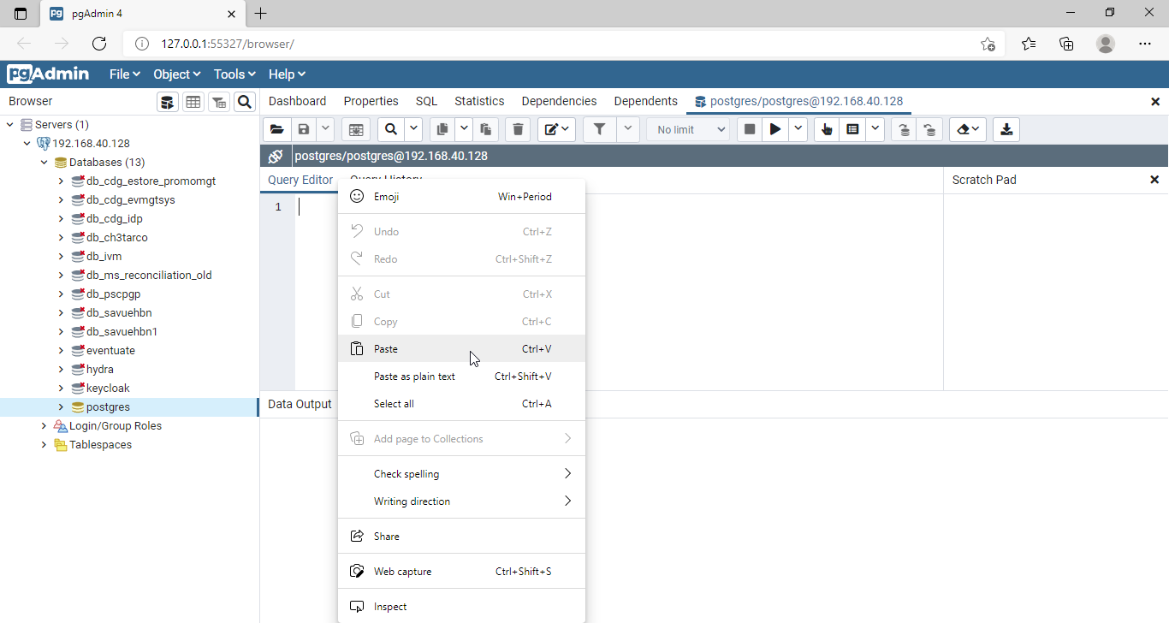

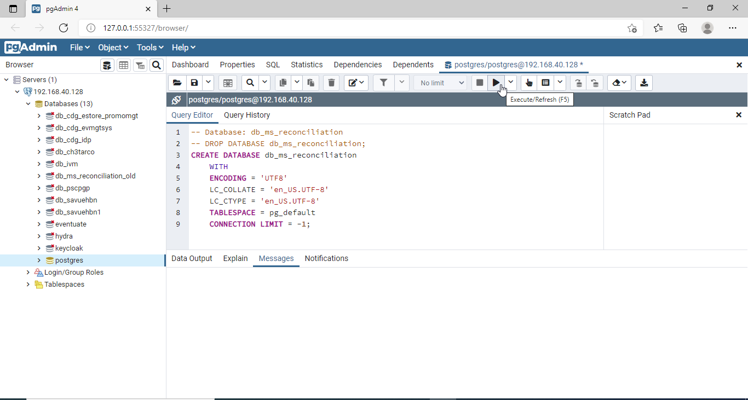

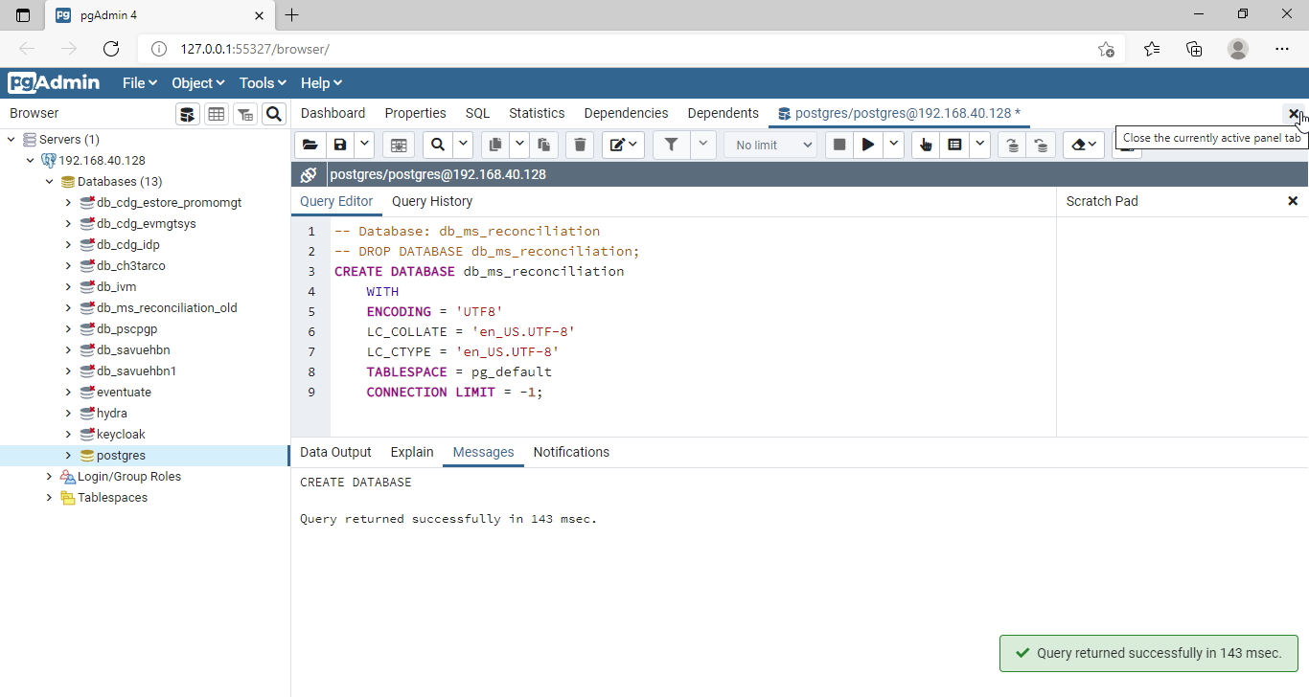



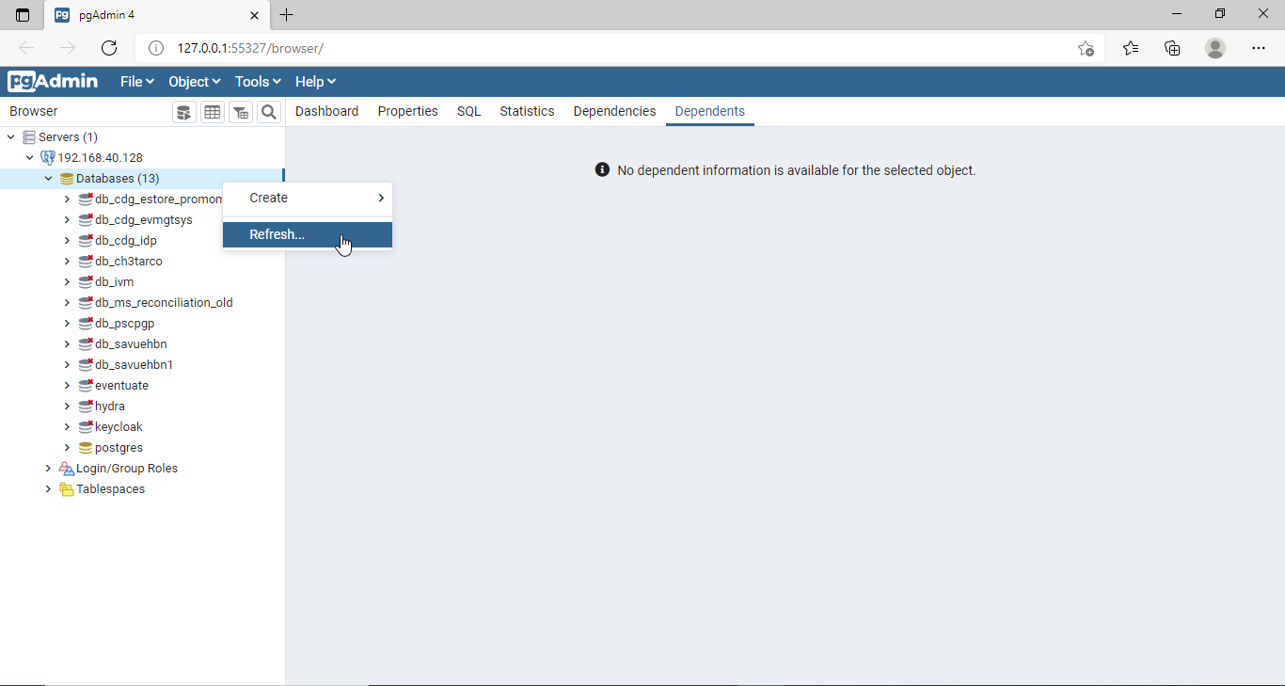

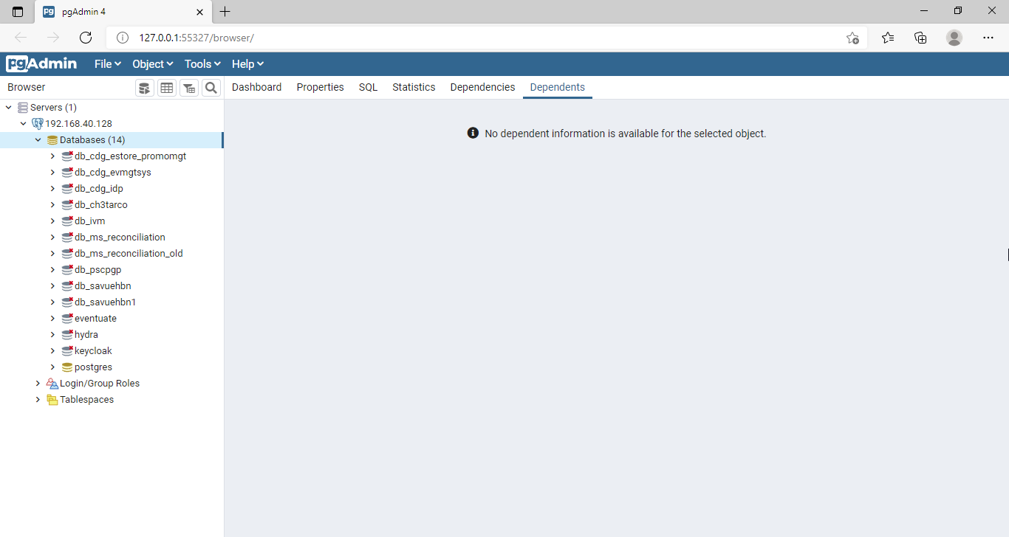

 | Step3: Create Tables
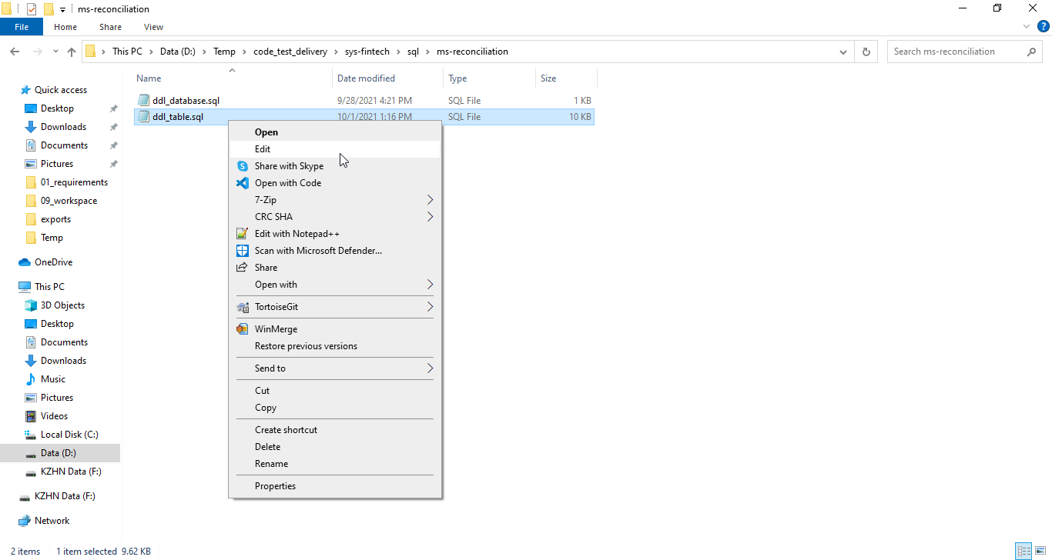

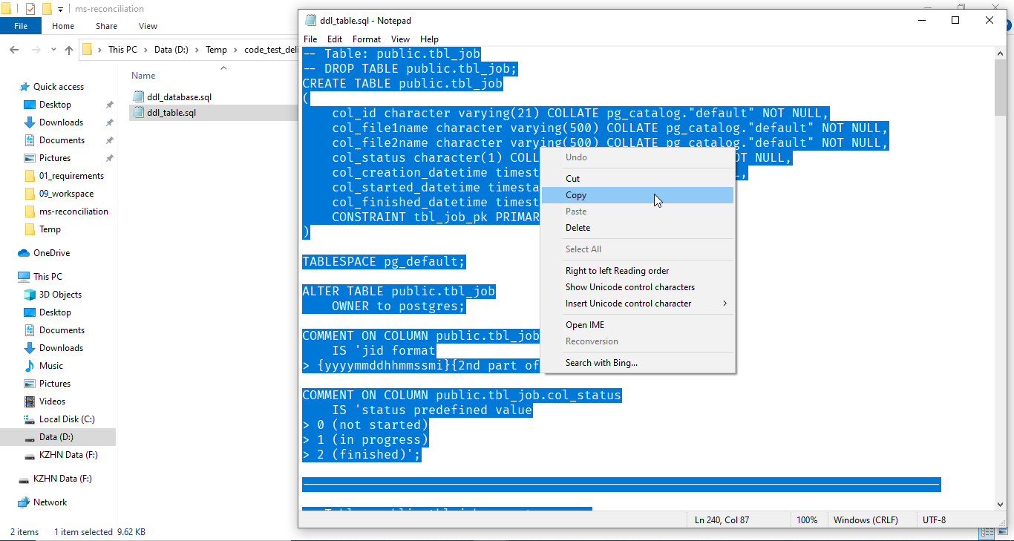
Press "Ctrl + a" to select all text.

7_Running_Project
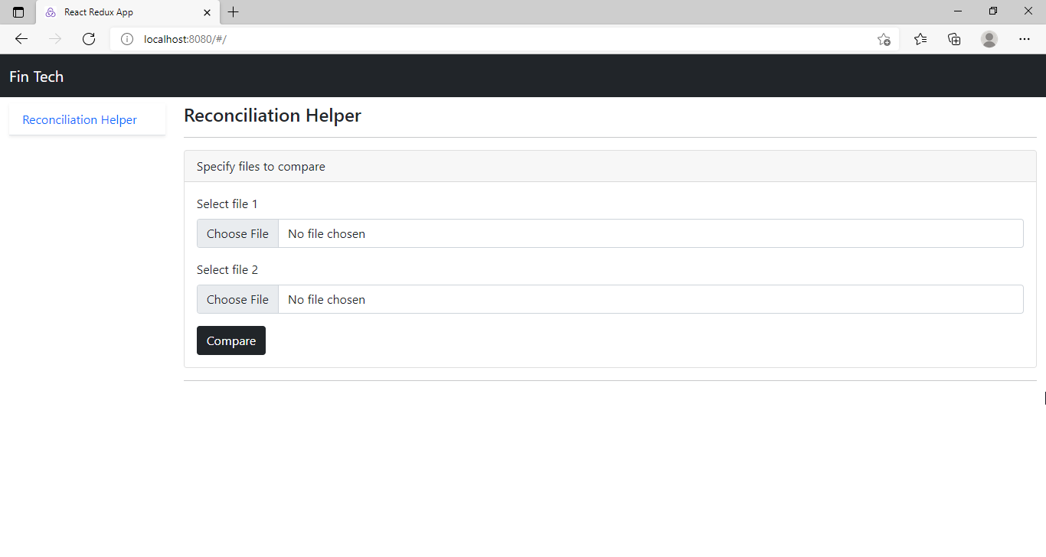
7.1 Running Project in Eclipse
You need to install "Maven" and Postgresql before running the project.

 | Step1: Follow steps of "5.1 Building Project in Eclipse" section in "5_Building_Project" sheet.

 | Step2: Change database connect that suits your environment.
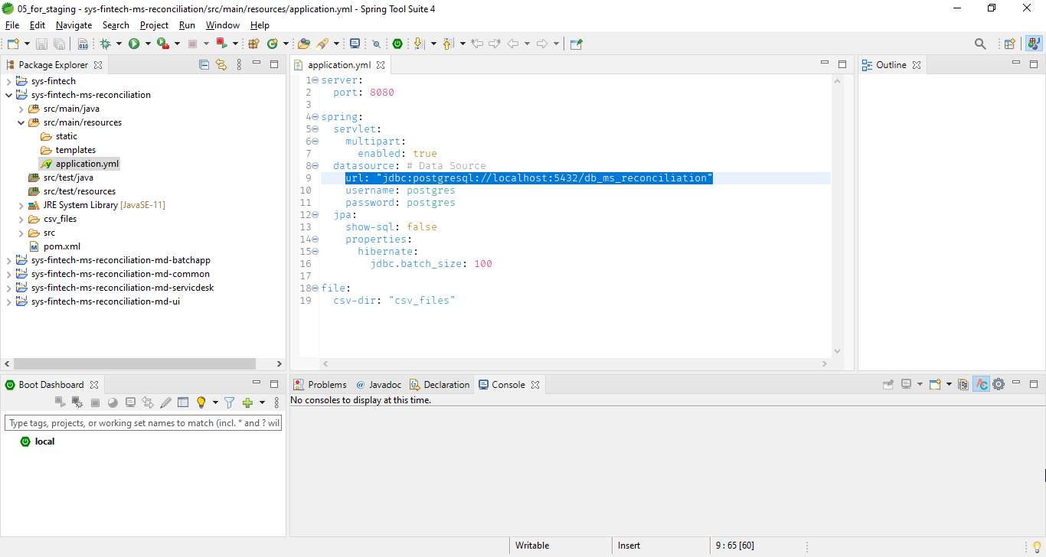

 | Step3: Make sure "Build Automatically" is turned on as in following image.
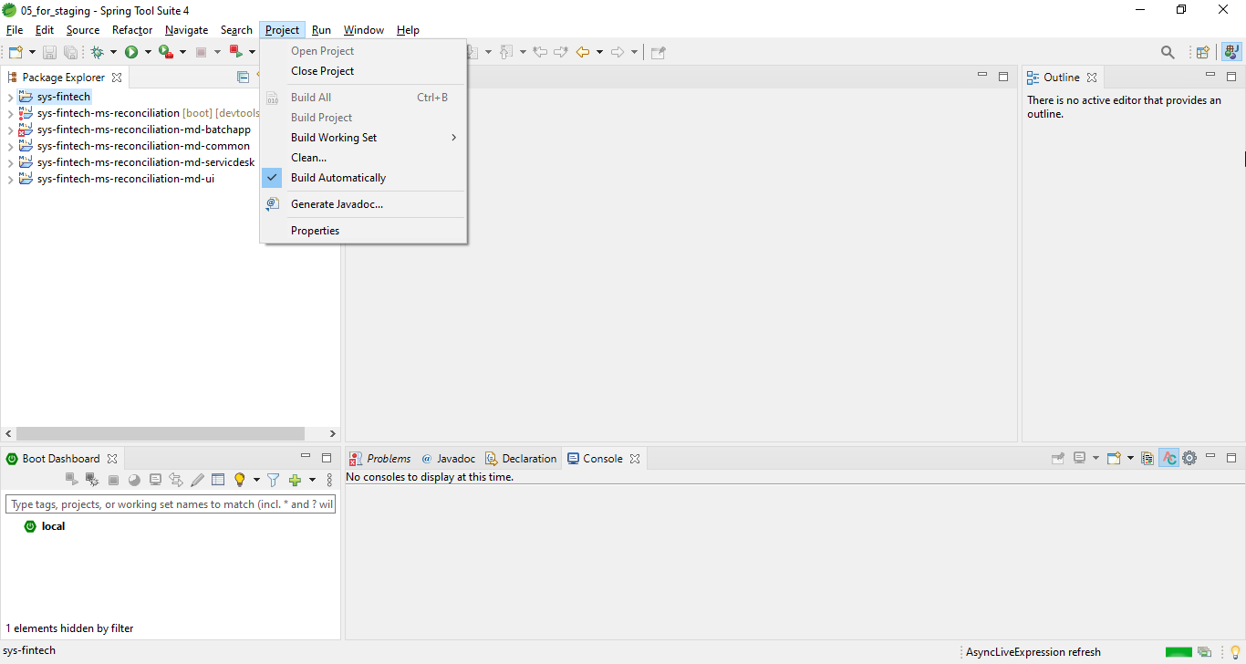

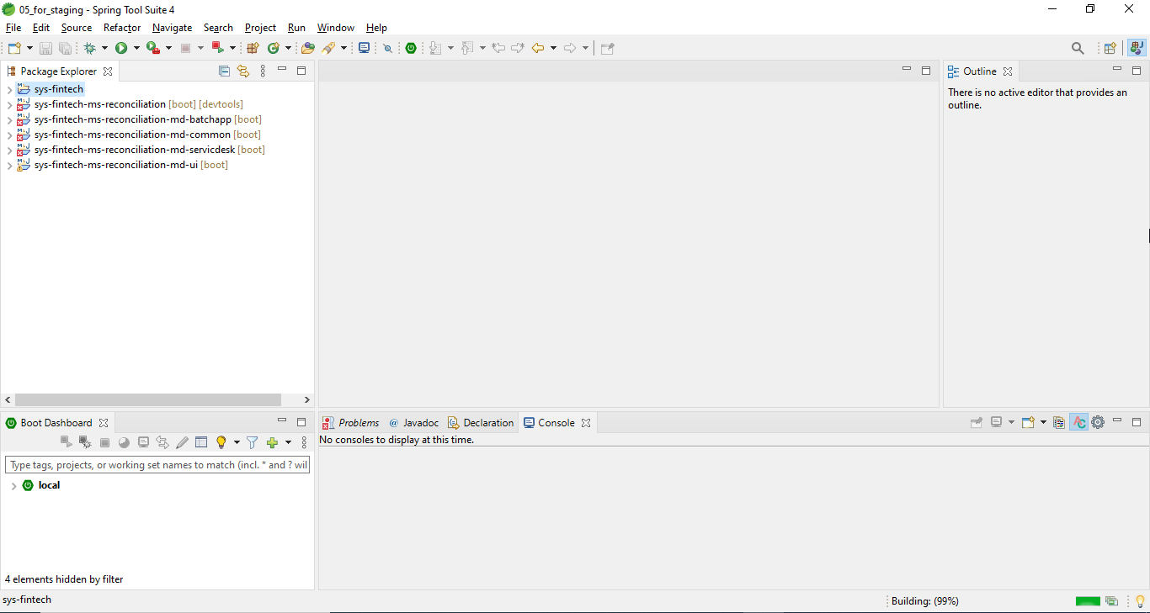

Don't worry about the error.

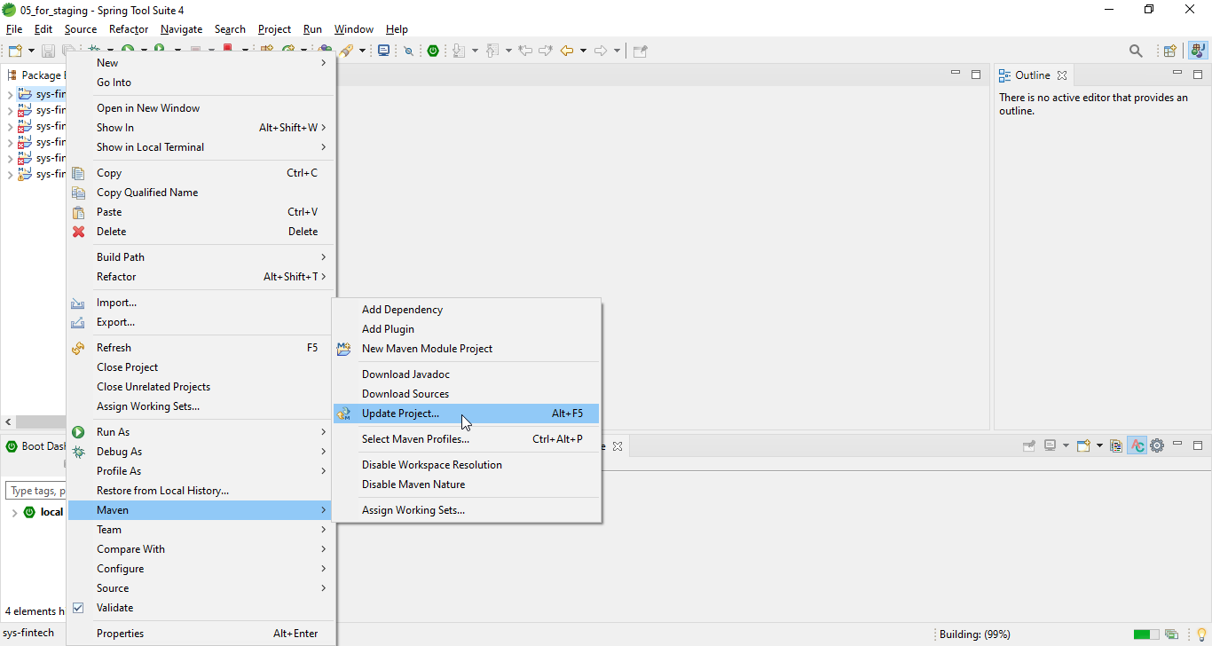

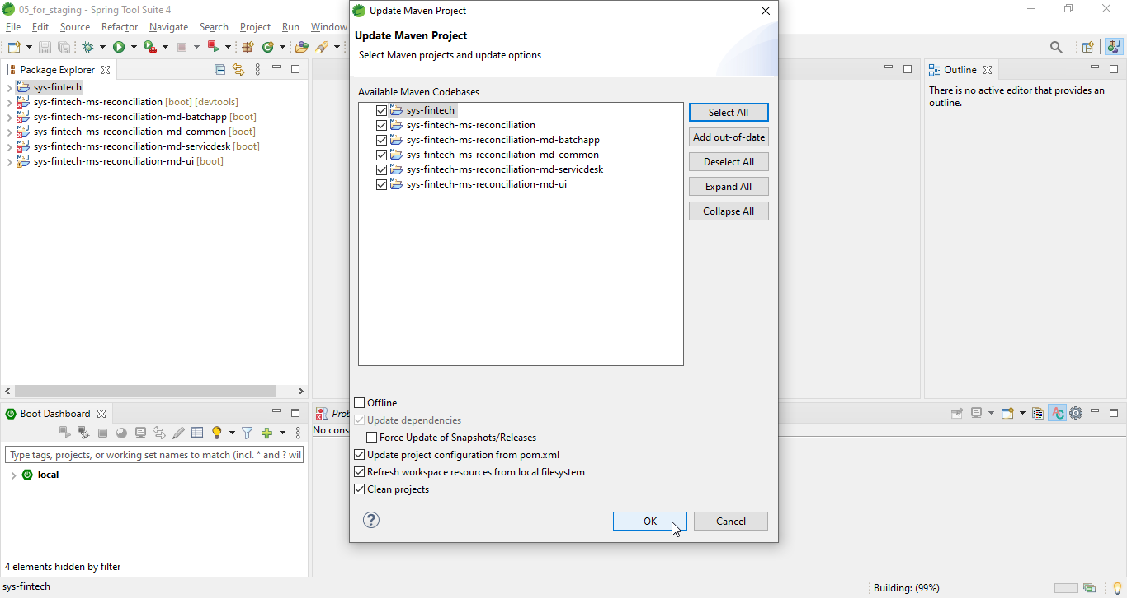

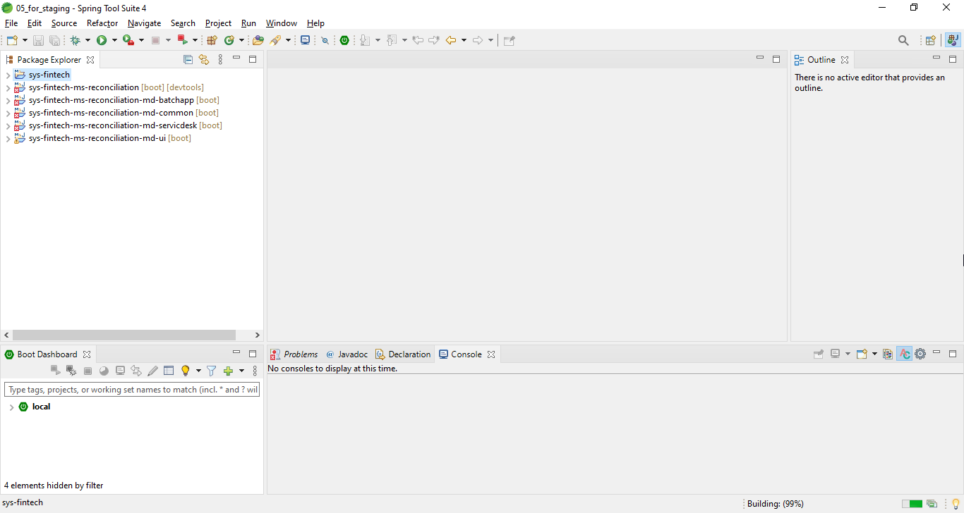

Don't worry about the error. Give it a time to finsh resolving maven dependencies. Errors will fade away after finishing the resolving.

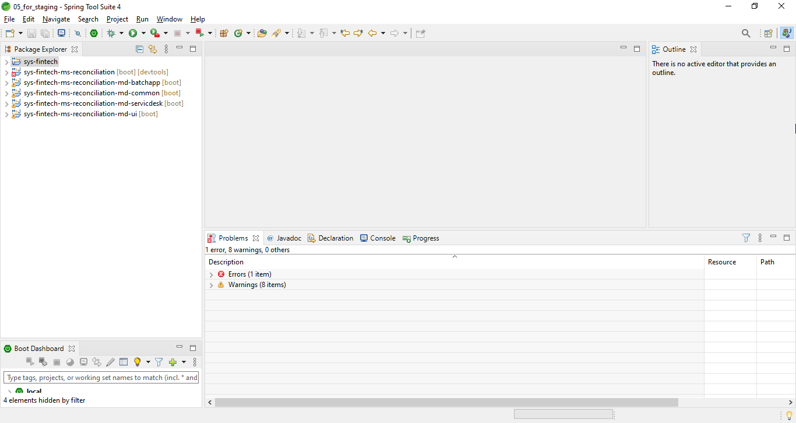

Don't worry about the error.

 | Step4: Copy the "reactapp" build to "templates" folder of "sys-fintech-ms-reconciliation". (Make sure you following "Step1" before this step)
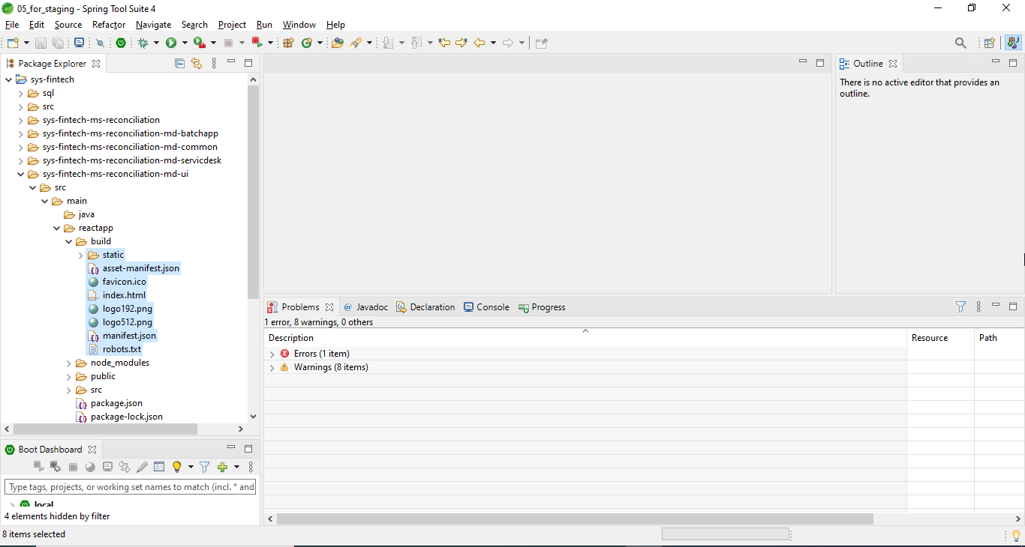







 | Step5: Run the project






Service has been started successfully if you see those words.

 | Step6: Open in browser


7.2 Running Project in Command line
You need to install "Maven" and Postgresql before running the project.

 | Step1: Change database connection that suits your environment in the source code zip.
















 | Step2: Follow steps of "5.2 Building Project in Command line" section in "5_Building_Project" sheet.

 | Step3: Run the project










Service has been started successfully if you see those words.

 | Step4: Open in browser

