Question#2
 | Row Labels+C3:F36C3:F35C3:FC3:E34 | Sum of Total Sale Value | Sum of Total Cost
 | 2003 | $310,176.51 | $201,614.73
 | Qtr1 | $33,205.23 | $21,583.40
 | Qtr2 | $39,662.69 | $25,780.75
 | Qtr3 | $72,641.30 | $47,216.85
 | Qtr4 | $164,667.29 | $107,033.74
 | 2004 | $468,423.82 | $304,475.48
 | Qtr1 | $76,352.07 | $49,628.85
 | Qtr2 | $110,008.17 | $71,505.31
 | Qtr3 | $107,767.75 | $70,049.04
 | Qtr4 | $174,295.83 | $113,292.29
 | 2005 | $192,485.96 | $118,378.87
 | Qtr1 | $110,991.37 | $68,259.69
 | Qtr2 | $81,494.59 | $50,119.17
 | Grand Total | $971,086.29 | $624,469.08

 | Decription: The increasing trend of the total sale value is showing similar pattern for every 12 months. Highest sales in every 4th quarter shows highly likelyhood of following the same trend, which backs up the annual groth rate of 51.02% in 2015 as well hitting the possible all-time high value of 184487.377. Thus, the next 12 month's sales of motocycle is likely to be following the trend of the past data which concludes with the result that we are expeceted a sales of 502,297.7299 in the next 12 months. (Work shown in part1 below)

Part 1 |  |  |  | Part 2
 | Estimation of next 12 months sales of motorcylce |  |  | Based on the analysis of historical data as well as seeing the trends and the analysis of the trend, the estimated total sales of the next 12 months is 502,297.73. This indicates that the marketing and sales strategies are efficient for the time being which concludes to continuation of such progress. Also seeing that that is a high rise for sales (high demand) in the 4th quarter, the CFO should aim to launch new product models to target those customers.
 | 1. Calculation of growth rate
 |  | Growth Rate of year 2003-2004 | 51.02%
 |  | Growth Rate of quarters per year | 90.38%
 |  | Grow Rate of highest sales | 0.058472693636
 | 2. Analyzing the trend line
 |  | Period | Expected Values
 |  | 2015 Qtr3 | $114,069.22
 |  | 2015 Qtr4 | $184,487.38
 |  | 2015 Qtr1 | $117,481.33
 |  | 2015 Qtr2 | $86,259.80
 |  | Est.total of next 12 months | $502,297.73

Question#5
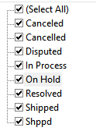
Description: First, I noticed that there is a tpyo in the status column (displayed in the right img) thus changed the texts accordingly such that, Canceled => Cancelled Shippd => Shipped Second, I found the number of Cancelled and divided by the number of the total in each month to get the average cancelled rate of each month.
 |  | Period | # of cancellation in the given period | # total sales in the given period | Cancellation Rate
 |  | May-03 | 0 | 58 | 0

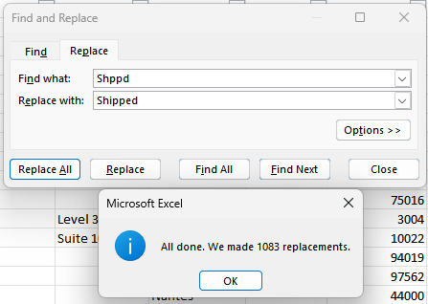
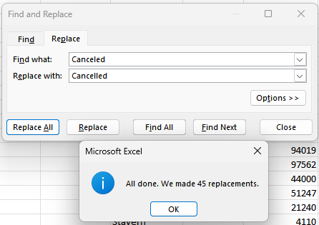

 | Feb-03
 | May-03
 | Jul-03
 | Aug-03
 | Oct-03
 | Nov-03
 | Dec-03
 | Jan-04
 | Feb-04
 | Apr-04
 | May-04
 | Jun-04
 | Jul-04
 | Aug-04
 | Sep-04
 | Oct-04
 | Nov-04
 | Dec-04
 | Feb-05
 | Mar-05
 | Apr-05
 | May-05
 | Jan-03
 | Mar-03
 | Sep-03
 | Mar-04
 | Jan-05
 | Feb-03
 | Apr-03
 | Jun-03

Question#7
2003 | TERRITORY | Total Sale Value | Percentage |  | 2004 | TERRITORY | Total Sale Value | Percentage | 2005 | TERRITORY | Total Sale Value | Percentage | Month-Year
 | EMEA | $1,383,520.35 | 47.7% |  |  | EMEA | $1,971,702.19 | 50.4% |  | EMEA | $772,782.88 | 52.2% | Jan-03
 | NA | $1,115,129.30 | 38.5% |  |  | NA | $1,516,845.21 | 38.8% |  | NA | $547,955.04 | 37.0% | Feb-03
 | APAC | $209,027.30 | 7.2% |  |  | APAC | $285,894.36 | 7.3% |  | APAC | $123,382.35 | 8.3% | Mar-03
 | Japan | $190,472.99 | 6.6% |  |  | Japan | $139,259.11 | 3.6% |  | Japan | $34,915.71 | 2.4% | Apr-03
 |  | $2,898,149.94 |  |  |  |  | $3,913,700.87 |  |  |  | $1,479,035.98 |  | May-03
2003 Terriotry Sales Percentage
 |  |  |  |  |  |  |  |  |  |  |  |  | Jun-03
2004 Terriotry Sales Percentage
2005 Terriotry Sales Percentage
 |  |  |  |  |  |  |  |  |  |  |  |  | Jul-03
 |  |  |  |  |  |  |  |  |  |  |  |  | Aug-03
 |  |  |  |  |  |  |  |  |  |  |  |  | Sep-03
 |  |  |  |  |  |  |  |  |  |  |  |  | Oct-03
 |  |  |  |  |  |  |  |  |  |  |  |  | Nov-03
 |  |  |  |  |  |  |  |  |  |  |  |  | Dec-03
 |  |  |  |  |  |  |  |  |  |  |  |  | Jan-04
 |  |  |  |  |  |  |  |  |  |  |  |  | Feb-04
 |  |  |  |  |  |  |  |  |  |  |  |  | Mar-04
 |  |  |  |  |  |  |  |  |  |  |  |  | Apr-04
 |  |  |  |  |  |  |  |  |  |  |  |  | May-04
 |  |  |  |  |  |  |  |  |  |  |  |  | Jun-04
 |  |  |  |  |  |  |  |  |  |  |  |  | Jul-04
 |  |  |  |  |  |  |  |  |  |  |  |  | Aug-04
 |  |  |  |  |  |  |  |  |  |  |  |  | Sep-04
 |  |  |  | Description & Insights: I used tables of 2003-2005 to display percentage of territory by their year. Also used pie charts to visualize the percentage so that it is clear at first sight on what territory has the strongest purchasing power. It can be shown throughout 2003-2005, the following is the order from the strongest purchasing power to the least: EMEA -> NA -> APAC -> Japan |  |  |  |  |  |  |  |  | Oct-04
 |  |  |  |  |  |  |  |  |  |  |  |  | Nov-04
 |  |  |  |  |  |  |  |  |  |  |  |  | Dec-04
 |  |  |  |  |  |  |  |  |  |  |  |  | Jan-05
 |  |  |  |  |  |  |  |  |  |  |  |  | Feb-05
 |  |  |  |  |  |  |  |  |  |  |  |  | Mar-05
 |  |  |  |  |  |  |  |  |  |  |  |  | Apr-05
 |  |  |  |  |  |  |  |  |  |  |  |  | May-05

