DGS Table
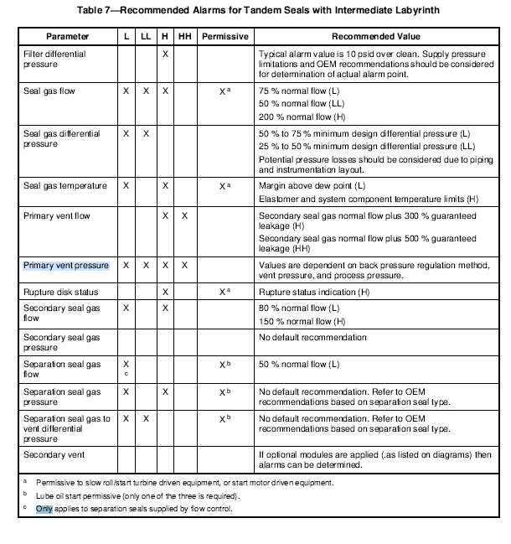
Dry Gas seal type 28

Parameter | Normal | L | L- est value | LL | LL - est value | H | H - est value | HH | HH - est value | Permissive | Remarks | A back pressure regulator or control valve shall control the primary vent pressure at least 5 psi
Filter D.P | 5 PSID |  |  |  |  | x |  |  |  |  | typical alarm 10psid over clean | (0.34 bar) above the minimum secondary seal differential pressure specified by the vendor. Using an orifice is
Seal Gas flow |  | x |  | x |  | x |  |  |  | a | 75%normal flow(L) 50% normal flow(LL) 200% normal flow (H) | not recommended for low-pressure applications unless secondary seal gas is used.
Seal gas differential Pressure |  | x |  | x |  |  |  |  |  |  | 50% to 75% min. design d.p (L) 25% to50% min. design D.P (LL)
Seal gas temperature |  | x |  |  |  | x |  |  |  | a | Margin above dew point (L) Elastomer and system component temperature limits(H)
Primary vent flow |  |  |  |  |  | x |  | x |  |  | Secondary seal gas normal flow plus 300% guaranteed leakage(H) Secondary seal Gas normal flow plus 500% guaranteed leakage (HH)
primary vent pressure |  | x |  | x |  | x |  | x |  |  | dependant on back pressure regulation method, vent pressure and process pressure
Secondary seal gas flow |  | x |  |  |  | x |  |  |  |  | 80% normal flow (L) 150% normal flow (H)
secondary seal gas pressure |  |  |  |  |  |  |  |  |  |  | No default recommendation
seperation seal gas flow |  | x |  |  |  |  |  |  |  | b | 50% normal flow (L)
seperation seal gas pressure |  | x |  |  |  | x |  |  |  | b | Based on OEM recommendation
Seperation seal gas to vent differential pressure |  | x |  | x |  |  |  |  |  | b | Based on OEM recommendation
secondary vent

 |  | a | Permission to slow roll motor/turbine driven equipment
 |  | b | Lube oil start permissive

