1. Title Page
Instacart Grocery Basket Analysis

Project Name: Instacart Grocery Basket Analysis
Date: 8/12/2021
Analyst Name: Kyle Irish

Contents:
Population Flow
Consistency checks
Wrangling steps
Column derivations
Visualizations
Recommendations

Data:
“The Instacart Online Grocery Shopping Dataset 2017”, Accessed from https://www.instacart.com/datasets/grocery-shopping-2017 on .
Note on Data: Below data was fabricated for learning purposes
 | Prices column
 | Customers Data Set : (https://s3.amazonaws.com/coach-courses-us/public/courses/data-immersion/A4/A4_Data_Assets/customers.zip)

2. Population Flow
Title page

Population flow

Exclusion flag
Condition: max_order <
Obervations to be removed:
Final total count of order_products_all:

Orders_products_combined
Orders_products_merged
Orders_products_all
Total: 32435059

Total: 32434489
Total: 32435059
Merge added 581 rows

1.) The grey boxes in the first row of the population flow represent the original data sets as they were when you downloaded them. In the Total fields you need to add the count of the rows when you imported the data set into Jupyter.
2.) The second row of boxes (coloured) represents the data sets after you manipulated them, e.g., removed missing values and duplicates. In the Total fields you need to add the count of the rows after conducting these operations. This offers a visual oveview of how the data flows throughout the data consistency checks.
3.) The third row, where also the arrows are coloured, represents the merges you performed between the datasets. In the Total fields you need to add the count of the rows in the merged datasets, so that you end up with the final dataset (in the red box). Keep in mind the final dataset should be without exclusions (based on the exclusion flag).

3. Consistency checks
 |  |  |  | Title page
Consistency checks

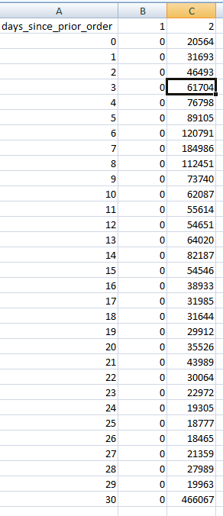
Dataset | Missing values | Missing values treatment | Duplicates
orders | 206209 days_since_prior_order | No action. screenshot to right shows in crosstab against order_number these values occurred on order number 1. Making the missing values expected as there were no days since the first order.
products | 16 product_name | rows removed | 5
orders_products_prior | 11 product_id | rows removed
customers | 11259 first_name | No action on duplicates. Column eventually entirely removed

4. Wrangling steps
 |  |  |  |  | Title page
Wrangling steps

Data | Columns dropped | Columns renamed | Columns' type changed | Comment/Reason
orders | eval_set |  |  | Historical data not needed for analysis
orders |  |  | orders.user_id | Changed to string to not treat as integers
orders |  | order_dow' to 'orders_day_of_week' |  | Clarify column purpose
orders |  | order_number' duplicated as 'customer_order_num |  | clarify the difference between it and order_id without overwriting data frame
customers |  | First Name to first_name |  | Consistency
customers |  | Surnam to last_name |  | Consistency
customers |  | n_dependants to num_of_dependants |  | Clarity of column purpose
customers | first_name |  |  | Security for PII
customers | last_name |  |  | Security for PII

5. Column derivations
 |  |  |  | Title page

Column derivations and aggregations

In this tab you should add tables below that the frequences of flags/label variables that you produced after deriving them. NB: don't do this for continuous variables, only for flags.
Dataset | New column | Column/s it was derived from | Conditions
Orders_products_merged | price_range | prices | >15 = High-range product >5 and <=15 = Mid-range product <=5 = Low-range product
Orders_products_merged | busiest_day | orders_day_of_week | Based on frequency counts Highest day = Busiest day Lowest day = Least busy Else = Regularly busy
Orders_products_merged | busiest_2_days | orders_day_of_week | Based on frequency counts Highest 2 days = Busiest day Lowest 2 days = Least busy Else = Regularly busy
Orders_products_merged | busiest_period_of_day | order_hour_of_day | Based on frequency counts Highest hours = Most orders Middle hours = Average orders Lowest hours = Fewest orders Else = Not enough data
Orders_products_merged | max_order | order_number | Displays highest order_number for each user_id
Orders_products_all | loyalty_flag | max_order | >40 = Loyal customer >10 and <=40 = Regular customer <=10 = New customer
Orders_products_all | avg_user_price | prices | Displays average for all prices values for each user_id
Orders_products_all | spend_flag | avg_user_price | >=10 = High Spender <10 = Low Spender
Orders_products_all | median_days_since_order | days_since_prior_order | Displays median of days_since_prior_order values for each user_id
Orders_products_all | frequency_flag | median_days_since_order | >20 = Non-frequent customer >10 and <=20 = Regular customer <=10 = Frequent customer
Orders_products_all | Region | STATE | Maine,New Hampshire,Vermont, Massachusetts, Rhode Island, Connecticut, New York, Pennsylvania, New Jersey = Northeast Wisconsin,Michigan,Illinois,Indiana,Ohio,North Dakota,South Dakota,Nebraska,Kansas,Minnesota,Iowa,Missouri = Midwest Delaware,Maryland,District of Columbia,Virginia,West Virginia,North Carolina,SouthCarolina,Georgia,Florida,Kentucky,Tennessee,Mississippi,Alabama,Oklahoma,Texas,Arkansas,Louisiana = South Idaho,Montana,Wyoming,Nevada,Utah,Colorado,Arizona,New Mexico, Alaska,Washington,Oregon,California,Hawaii = West
Orders_products_all | user_activity | max_order | < 5 = Low >=5 = High
Orders_products_all | age_group | Age | >60 = Older >40 and <= 60 = Middle Age <=40 = Young
Orders_products_all | shopper_fam_type | num_of_dependants | If 0 dependants then Single. If any dependants then Family.
Orders_products_all | food_shelf_life_type | department_id | Departments 3,4,12,16,20 = Perishable Departments 1,9,15 = Long Lasting Else = Not Defined
Orders_products_all | income_bracket | income | > 125000 = 125k plus >75000 and <= 125000 = 75-125k <= 75000 = 25-75k

6. Visualizations
 |  |  |  | Title page

Visualisations

In this tab you should include all the visualtions from Exercises 4.9 and 4.10, alongside the questions from the project brief that they answer. Include any commentary on the relationship between different variables.

Create a bar chart, a histogram, a scatterplot, and a line chart, using a sample subset for the line chart.

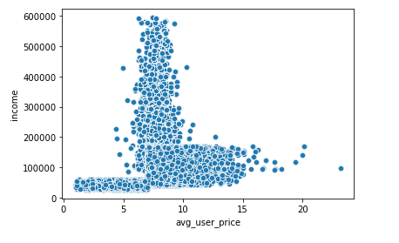
Frequency of Orders in Product Price Brackets | Frequency of Age
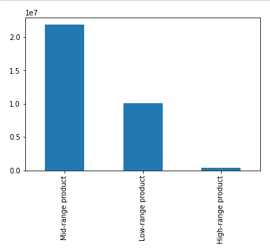
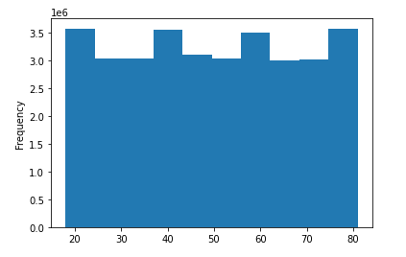
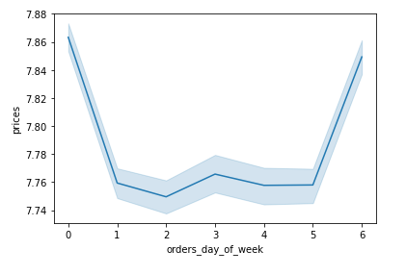

Provide the Instacart senior stakeholders with descriptive findings about sales. Create a histogram of the “order_hour_of_day” column.

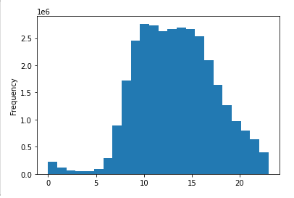

We have a count of orders here for each hour of the day. The morning stays quite low in demand for orders until about 6 am. After 6 am orders roughly double each hour until about 9am. We hit the max amount of orders around 10 am and this stays fairly consistent until about 3pm. We see a more gradual decline than the morning increase but it is a consistent decline from 3pm on till the end of the day.

The marketing team is curious about the distribution of orders among customers in terms of loyalty. Create a bar chart from the “loyalty_flag” column.

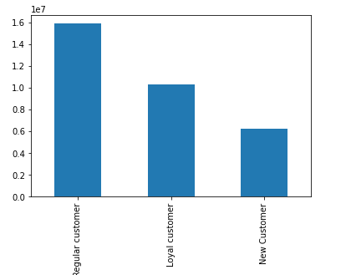

Check whether there’s a difference in expenditure (the “prices” column) depending on the hour of the day. (Hint: To check this, you need to use an accurate sample for your line chart!)

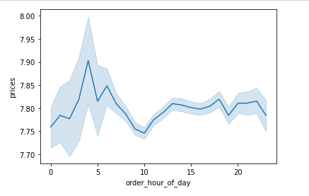

Prices are indicated to be higher in the early morning of around 4 am. However, the range of the confidence interval for that high point is nearly the exact same as the total range of prices throughout the day. As the rest of the day stays fairly conisstent at a price of 7.8 for any hour, further research would be needed to determine if there is really any difference.

Now that you have information about customers, you need to conduct some exploratory analysis of customer demographics to inform the targeted marketing campaigns.
First, determine whether there’s a connection between age and family status by creating a line chart exploring the connections between age and number of dependents:
In a markdown cell beneath your line chart, describe what the line chart shows.

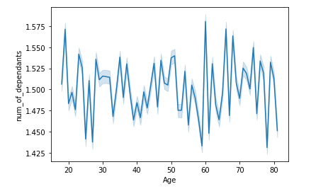
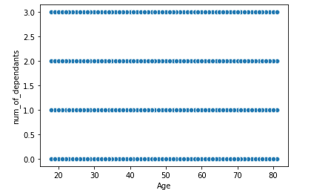

I cant see any connection between age and the number of dependants for customers. I also did the scatterplot above which helps to show that the number of dependants is only 0,1,2, or 3. Each number of dependants looks to occur across every age group.

You’ll also need to explore whether there’s a connection between age and spending power.
To visualize this relationship, create a scatterplot using the sns.scatterplot() function. In a markdown cell beneath your scatterplot, describe what the scatterplot shows.

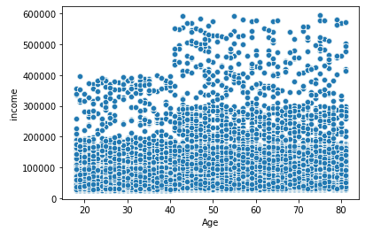

Income, which we are calling spending power, does look to increase with age. Age 40 looks to be a significant factor for when the increase occurs.
The scatterplot can be visually broken into 2 categories for ages. Across the range of incomes there is a very dense bottom half of lower incomes and a lighter half of higher incomes.
Looking at the dense half, incomes range between 0 and 20k and below until about age 40. Beyond the age 40 the dense lower half of incomes increase their range from 0 to 30k.
Looking at the less dense half, incomes range between 20k and 40k and below until about age 40. Beyond the age 40 the less dense upper half of incomes increase their range from 30 to 60k.

The Instacart officers are interested in comparing customer behavior in different geographic areas.
Create a regional segmentation of the data. You’ll need to create a “Region” column based on the “State” column from your customers data set.
1) Split States into Northeast, Midwest, South, and West regions

2) Determine whether there’s a difference in spending habits between the different U.S. regions.

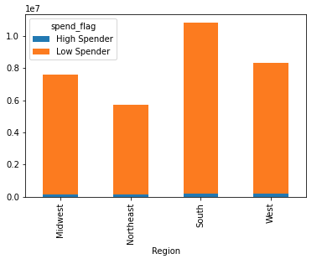

Across all orders, each region has around 50 low spender orders for every high spender order. Midwest (47.7), South (50.5), West (50.7), Northeast (51.9). Found in excel.
The Midwest has the most frequent high spend orders.(47.7)
The Northeast has the least frequent high spend orders (51.9), the least total high spend orders, and the least total overall orders.
The South region has the most total high spend orders (209824), the most overall orders (10801982), and the second lowest ratio of low to high spend orders (50.5).

Create an appropriate visualization to show the distribution of profiles.

Count of orders by Age Group |  | Count of orders by Family Status | Count of orders by Food Shelf Life | Count of Orders by Income Bracket

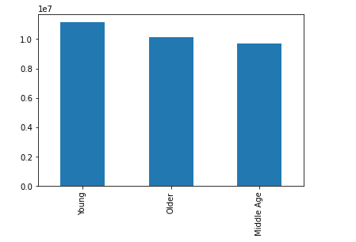
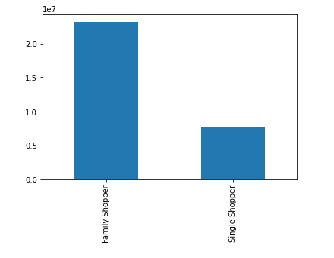
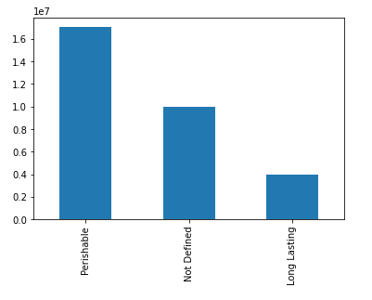
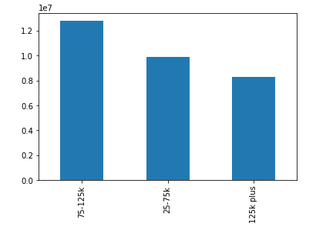

Compare your customer profiles with regions and departments. Can you identify a link between them? Customers may demonstrate different behaviors across regions, which could make this information important.

AND

Produce suitable charts to illustrate your results and export them in your project folder.

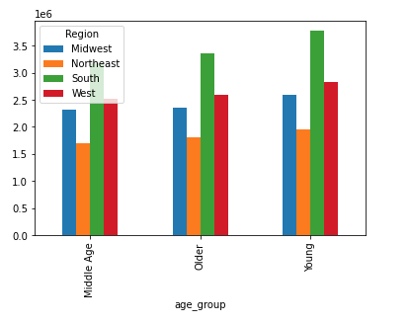

 | Age and Region

All regions have Young as the largest category as expected. All regions have Young as 36% of pop. The South is the only with Young as 37%.
The Midwest and West have fairly equal Middle Age and Older poputations with around a 300k jump in Young
The Northeast and South have larger Older than Middle Age populations.

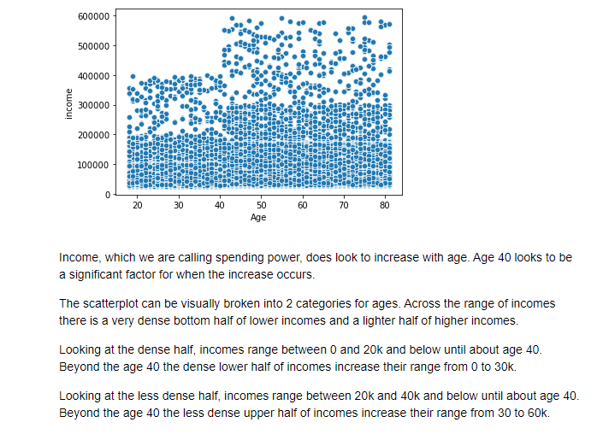

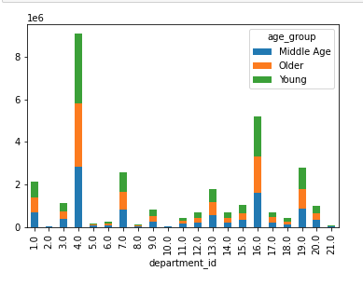

 | Age and Department

The size of the group predicts the amount of orders from each department. Most to Young, 2nd to Older, and 3rd to Middle Age.

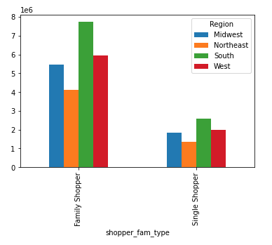

 | Family Type and Region
There are about 3 times as many Family Shoppers to Single Shoppers overall. This is right at 3 in the NE and WE. There is a slight lean toward family in MW and SO at 2.9.

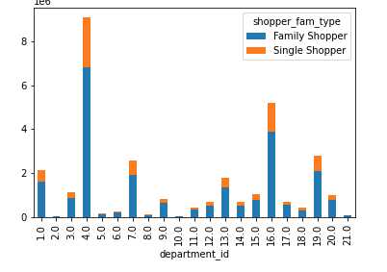

 | Family Type and Department

Largest pro family department at 3.18 family/single is 10[bulk]. Next largest are 17household, 12meat seafood, and 21missing
Largest pro single department at 2.9 family/single is 5[alcohol]. Next largest are 2other, and 8pets
People with dependants are more likely to buy bulk, household items, and meat/seafood. People without depenedants are more likely to buy alcohol and pet items.
Interestingly enough, department id 18 (babies) is a slight single shopper lean at 2.97.

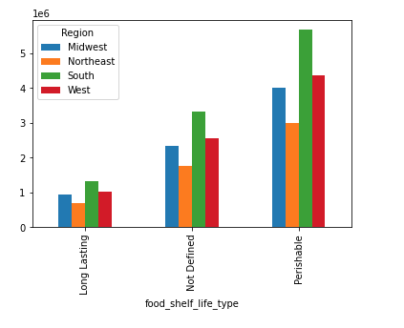

 | Food Shelf Life and Region

Percentage of food shelf life type stays totally consistent across regions

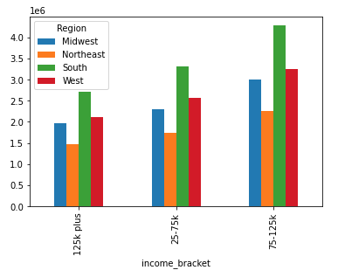

 | Income Bracket and Region

Percentage of income brackets stays consistent across regions

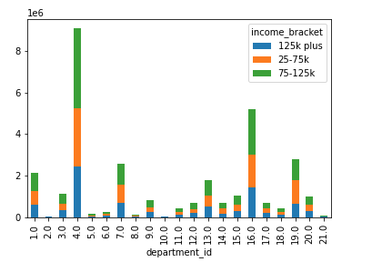

 | Income Bracket and Department
The overall percentage breakdown is 125k plus buys the least amount(27%), 25-75k buys the second most (32%), and 75-125k buys the most (41%).
There are a lot of departments that cause interesting changes in those normal amounts.
5(alcohol) where 125k is the only riser to 30%.
7(beverages) where 25-75k is the only riser to 35%.
10(bulk) where 125k drops to 24%, 25-75k rise to 36%, and 75-125k stays fairly even at 40%.
12(meat seafood) where 125k rises to 29%, 25-75k drops to 26%, and 75-125k rises to their highest of 45%.
14(breakfast) 25-75k is the only riser to 35%.
15(canned goods) where 75-125k is the only riser to 43%
8(babies) where 75-125k is the only riser to 44% and both other categories have 28%.
19(snacks) where 25-75k is the only riser to 41%.
Putting these together:
Low income (25-75k) has larger than normal share in beverages, bulk, breakfast, and snacks. This group does not purchase as much meat/seafood, dry goods, canned goods, and baby supplies.
Medium income (75-125k) buys more meast/seafood, baby supplies, and canned goods. This group does not purchase snacks.
High income (over 125k) buys alcohol but they do not buy bulk or snacks.

7. Recommendations
 |  |  |  |  |  |  |  |  |  |  |  |  |  |  | Title page

Visualisations
Recommendations

In this tab you should include any recommendations you would made to Instcart in terms of their marketing strategy based on the questions posed in the brief. Every key question has been covered in the Tasks of the Exercises - here you need to add an item - a visualisation or table/crosstable that is showing the answer in the data, acompanied by a comment from you. Please, list the questions below and add the answer underneath.

Key Question Visualizations
What are the busiest days of the week and hours of the day?

 |  | Order Frequency by Hour |  |  |  |  |  |  |  | Order Frequency by Day


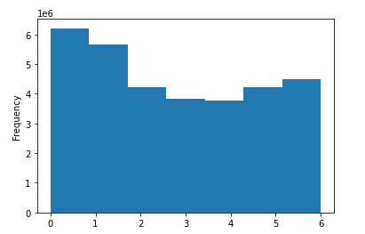

By hour of the day:
The morning stays quite low in demand for orders until about 6 am. After 6 am orders roughly double each hour until about 9am. We hit the max amount of orders around 10 am and this stays fairly consistent until about 3pm. We see a more gradual decline than the morning increase but it is a consistent decline from 3pm on till the end of the day.
By day of the week:
Sunday(0) shows the most orders followed by Monday(1).
In order to schedule ads at times when there are fewer orders it is recommended to do this after 3pm and before 9am on days other than Sunday or Monday.

What times of the day do people spend the most money?

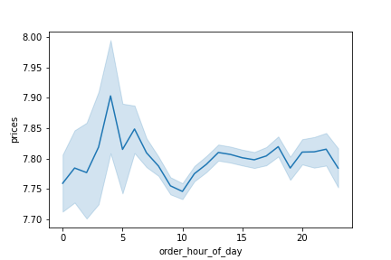
 |  | Price by hour of the day |  |  |  |  |  | Average of Prices by hour of the day |  |  |  | Sum of Prices by hour of the day
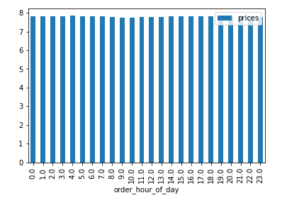
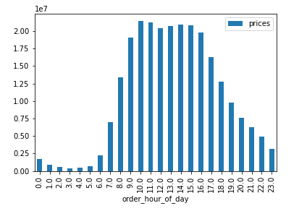

Prices are indicated in the line graph to be higher in the early morning of around 4 am. However, the range of the confidence interval for that high point is nearly the exact same as the total range of prices throughout the day. As the rest of the day stays fairly conistent at a price of 7.8 for any hour.
To further test we look at the middle bar graph that indicates a very consistent average price across all orders by hour of the day.
For a look at the sum of all prices by hour the far right graph reinforces what we found above with order frequency by hour. Peak total spend comes at 10am until a decline starts at 3-4pm.
If you are looking to advertise when people are buying the most expensive items this will stay consistent throughout the day. If you are looking to advertise when people are spendign the most total money this will mirror order frequnecy and peak between 10am and 3-4pm.

What is the distribution of price among products?

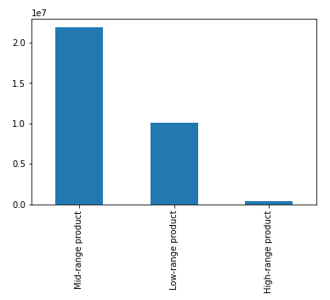

When looking at the price of products broken into the low (<=5), medium(>5 and <=15 ), and high(>15 ) brackets, we can see that mid priced products are the most common.

Are certain types of products that are more popular than others? Which departments have the highest frequency of product orders?

 |  |  | Count of orders by Department
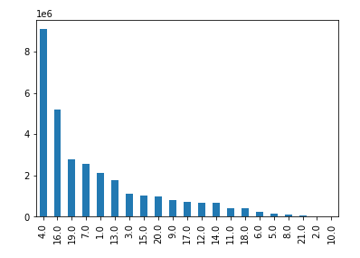

Department 4 (produce) has the most orders. This is followed by 16(dairy eggs).

What’s the distribution among users in regards to their brand loyalty (i.e., how often do they return to Instacart)?

 | Count of orders for customers grouped by loyalty
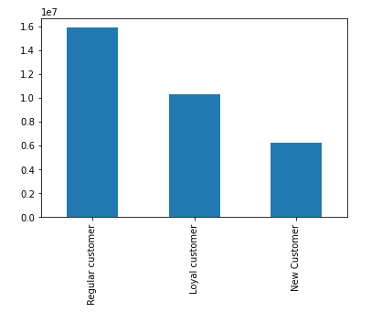

When looking at the number of orders users have made broken into the New(<=10), Regular(>10 and <=40 ), and Loyal(>40) brackets, we can see that the most common user has regular loyalty.

Are there differences in ordering habits based on a customer’s loyalty status?

 | Loyalty Groups by Frequency of Orders
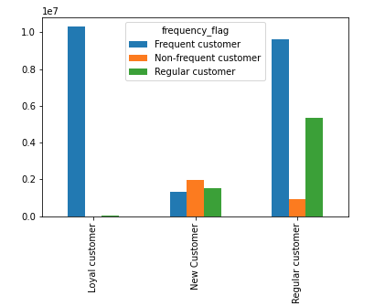

Loyal customers are nearly exclusively also frequent customers. In addition regulary loyal customers have a very low proportion of infrequent users.
Once a user has ordered more than 10 times (to be considered regular loyal) they tend to order at least every 10-20 days.
We would recommend attempts to have New users use the system more often in the beginning.

Are there differences in ordering habits based on a customer’s region?

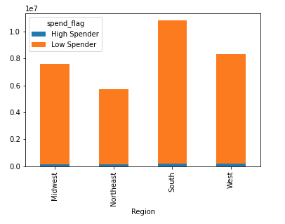

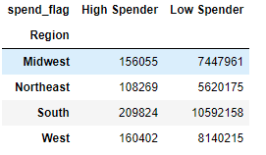

Across all orders, each region has around 50 low spender orders for every high spender order. Midwest (47.7), South (50.5), West (50.7), Northeast (51.9). Found in excel.
The Midwest has the most frequent high spend orders.(47.7)
The Northeast has the least frequent high spend orders (51.9), the least total high spend orders, and the least total overall orders.
The South region has the most total high spend orders (209824), the most overall orders (10801982), and the second lowest ratio of low to high spend orders (50.5).
Please note the age group, family type, food shelf life, and income were very consistent across regions.

Is there a connection between age and family status in terms of ordering habits?
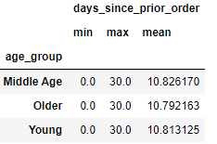
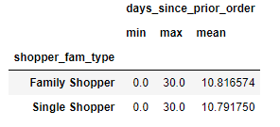

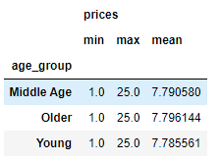
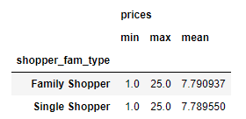

The frequency of ordering and average price of orders was remarkably consistent among age groups and familty status.

What different classifications does the demographic information suggest? Age? Income? Certain types of goods? Family status?

 | Count of Age |  |  |  |  |  | Age Count by 20 year groups
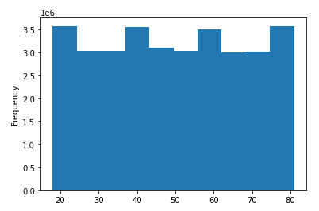
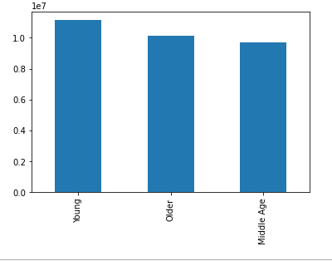

The count of different ages was consistent across the range so we broke this into the 3 groups on the right (-18 to 40, 40 to 60, 60 to 80)

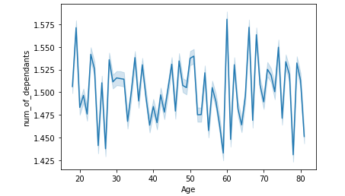
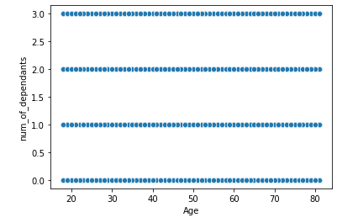

The count of number of dependants across ages was also consistent across the range so we broke this into the 2 groups of family or single shoppers.

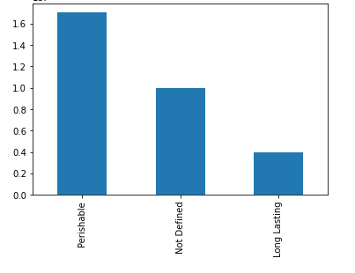

As the perishable food types of produce and dairy/eggs were the highest ordered departments, we wanted to break the departments into food that needs to be bought frequently and fresh and not to further investigate.

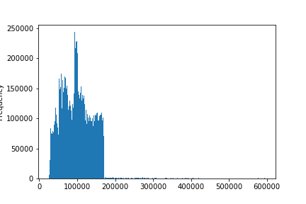
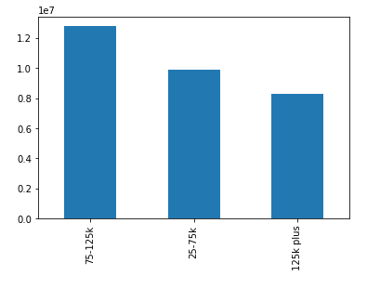

We chose to split income into low medium and high categories as 25-75, 75-125, over 125. We chose these higher than expected groups based off the high mean (100k)and median (97k) .

What differences can you find in ordering habits of different customer profiles? Consider the price of orders, the frequency of orders, the products customers are ordering, and anything else you can think of.

Differences by Perishable vs Long Lasting Department Orders
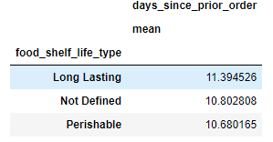

Average frequency of orders for long lasting food is only a half of a day less frequent than perishable or non defined departments. Longer is expected but a larger gap would also be expected.

Differences by Shopper Type by Department
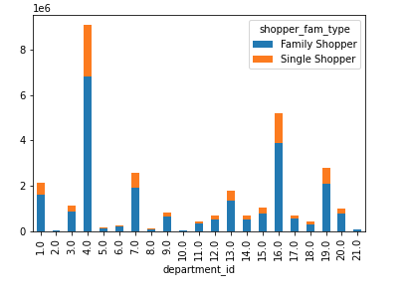

department_id | 1 Frozen | 2 other | 3 bakery | 4 produce | 5 alcohol | 6 international | 7 beverages | 8 pets | 9 dry goods pasta | 10 bulk | 11 personal care | 12 meat seafood | 13 pantry | 14 breakfast | 15 canned goods | 16 dairy eggs | 17 household | 18 babies | 19 snacks | 20 deli | 21 missing
Family Shopper | 1592384 | 25697 | 839433 | 6803834 | 107800 | 191530 | 1926560 | 69458 | 617840 | 25451 | 318101 | 508903 | 1338801 | 504418 | 761054 | 3882807 | 528500 | 307064 | 2075968 | 750452 | 48833
Single Shopper | 529348 | 8714 | 281395 | 2275442 | 36827 | 64461 | 645341 | 23602 | 204296 | 8000 | 106205 | 165878 | 443904 | 166432 | 251020 | 1294376 | 171358 | 103328 | 690438 | 253382 | 15935
Fam/Single Ratio | 3.01 | 2.95 | 2.98 | 2.99 | 2.93 | 2.97 | 2.99 | 2.94 | 3.02 | 3.18 | 3.00 | 3.07 | 3.02 | 3.03 | 3.03 | 3.00 | 3.08 | 2.97 | 3.01 | 2.96 | 3.06
We found some interesting differences across department orders for single vs family shoppers.
The family shooper group is nearly exactly 3 (3.001 times the size of the signle shoppers. So when dividing the count of family orders by single shoppers orders we found the values that had more or less than 3.
Largest pro family department at 3.18 family/single is 10[bulk]. Next largest are 17[household], 12[meat seafood],] and 21[missing]
Largest pro single department at 2.9 family/single is 5[alcohol]. Next largest are 2[other], and 8[pets]
Interestingly enough, department id 18 (babies) items are very slightly more likely to be bought by single shoppers at 2.97.
Putting these together into recomendations of how to interact with these groups:
People with dependants are more likely to buy bulk, household items, and meat/seafood.
People without dependants are more likely to buy alcohol and pet items.

Differences by Income Group by Department
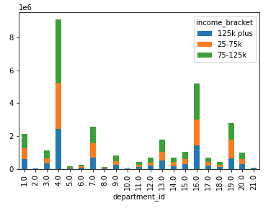

department_id | 1 | 2 | 3 | 4 | 5 | 6 | 7 | 8 | 9 | 10 | 11 | 12 | 13 | 14 | 15 | 16 | 17 | 18 | 19 | 20 | 21
125k plus | 27% | 27% | 28% | 27% | 30% | 27% | 26% | 28% | 28% | 24% | 27% | 29% | 27% | 26% | 28% | 27% | 27% | 28% | 23% | 27% | 27%
25-75k | 31% | 32% | 30% | 31% | 31% | 30% | 35% | 30% | 29% | 36% | 32% | 26% | 30% | 35% | 29% | 31% | 33% | 28% | 41% | 32% | 32%
75-125k | 42% | 41% | 42% | 42% | 39% | 43% | 39% | 41% | 43% | 40% | 41% | 45% | 42% | 39% | 43% | 42% | 40% | 44% | 36% | 42% | 41%

There were also some interesting differences across department orders by income groups.
The overall percentage breakdown is 125k plus buys the least amount(27%), 25-75k buys the second most (32%), and 75-125k buys the most (41%).
There are a lot of departments that cause interesting changes in those normal amounts.
5(alcohol) where 125k is the only riser to 30%.
7(beverages) where 25-75k is the only riser to 35%.
10(bulk) where 125k drops to 24%, 25-75k rise to 36%, and 75-125k stays fairly even at 40%.
12(meat seafood) where 125k rises to 29%, 25-75k drops to 26%, and 75-125k rises to their highest of 45%.
14(breakfast) 25-75k is the only riser to 35%.
15(canned goods) where 75-125k is the only riser to 43%
8(babies) where 75-125k is the only riser to 44% and both other categories have 28%.
19(snacks) where 25-75k is the only riser to 41%.
Putting these together into recomendations of how to interact with these groups:
Low income (25-75k) has a larger than normal share in beverages, bulk, breakfast, and snacks. This group does not purchase as much meat/seafood, dry goods, canned goods, and baby supplies.
Medium income (75-125k) buys more meast/seafood, baby supplies, and canned goods. This group does not purchase snacks.
High income (over 125k) buys alcohol but they do not buy bulk or snacks.

