Input
SE160A MATLAB Project: Spar Bending, Shear, and Torsion Analysis - Thin Wall Circular Cross-Section
University of California, San Diego (Copyright J.B. Kosmatka, 2024)

 | Project Title: | Test Case
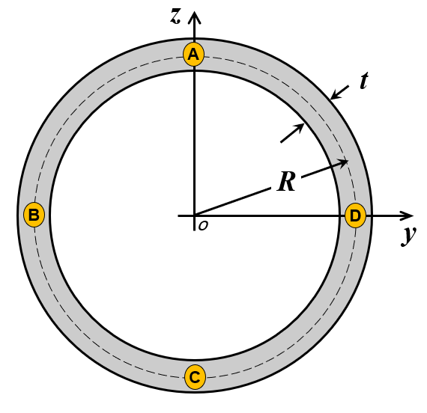
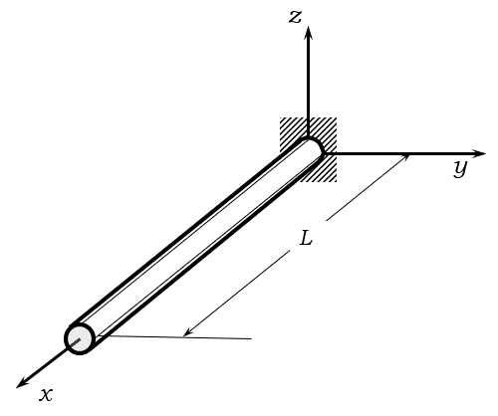
 | Analysis Parameters
 | Variable | Description | Value | Units
 | nplot | Number of output plot data points | 201 | 1

 | Spar Geometry Definition
 | Variable | Description | Value | Units
 | L | Length | 660 | inch
 | R | Mean Radius | 2 | inch
 | t | Wall Thickness | 0.0285 | inch

 | Spar Material Definition |  |  |  |  |  |  |  |  | AL | CE
 | Variable | Description | Value | Units |  | Spar Definition |  | Results calculated at points A,B,C,D |  | 0.1 | 0.056
 | r | Weight Density | 0.056 | lb/in^3 |  |  |  |  |  | 10 | 23.5
 | E | Young's modulus | 23.5 | Msi |  |  |  |  |  | 3.75 | 6
 | G | Skin shear modulus | 6 | Msi |  |  |  |  |  | 37 | 263
 | syT | Yield strength (tension) | 263 | Ksi |  |  |  |  |  | -37 | -263
 | syC | Yield strength (compression) | -263 | Ksi |  |  |  |  |  | 24 | 88
 | ty | Yield strength (shear) | 88 | Ksi |  |  |  |  |  | 43 | 263
 | suT | Ultimate strength (tension) | 263 | Ksi |  |  |  |  |  | -43 | -263
 | suC | Ultimate strength (compression) | -263 | Ksi |  |  |  |  |  | 28 | 88
 | tu | Ultimate strength (shear) | 88 | Ksi

 | Safety Factor Definition
 | Variable | Description | Value | Units
 | SFy | Safety Factor (yield) | 1.1 | 1
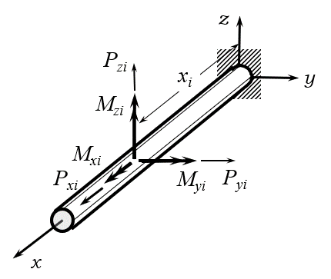
 | SFu | Safety Factor (ultimate) | 1.5 | 1

 | Concentrated Test Load Definition (maximum of two simultaneous locations)
 | Variable | Description | Location (#1) | Location (#2) | Units
 | xi/L | Load Location (nondimensional) | 0 | 0 | 1
 | Pxi | Concentrated Force (x-direction) | 0 | 0 | lb
 | Pyi | Concentrated Force (y-direction) | 0 | 0 | lb
 | Pzi | Concentrated Force (z-direction) | 0 | 0 | lb
 | Mxi | Concentrated Torque (x-direction) | 0 | 0 | lb-inch
 | Myi | Concentrated Moment (y-direction) | 0 | 0 | lb-inch
 | Mzi | Concentrated Moment (z-direction) | 0 | 0 | lb-inch
 |  |  |  |  |  |  |  | Concentrated Test Load Definition
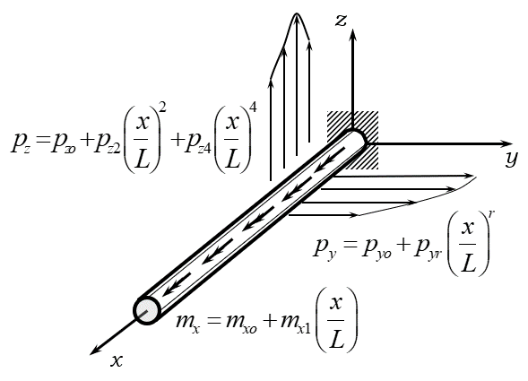
 | Flight Load Definition
 | Variable | Description | Value | Units
 | n | Aircraft Load factor | 2 | 1 |  |  |  |  | 3.8
 | pyo | Drag distribution (constant) | 0.00428 | lb/in |  |  |  |  | 1.25
 | pyr | Drag distribution (rth order) | 0.00285 | lb/in |  |  |  |  | 2.083
 | r | Drag distribution (polynomial order) | 5 | 1 |  |  |  |  | 6
 | pzo | Lift distribution (constant) | 0.38902 | lb/in |  |  |  |  | 30
 | pz2 | Lift distribution (2nd order) | -0.10895 | lb/in |  |  |  |  | -11
 | pz4 | Lift distribution (4th order) | -0.02724 | lb/in |  |  |  |  | -3.16
 | mxo | Twist moment distribution (constant) | 0.47887 | lb-in/in |  |  |  |  | 50
 | mx1 | Twist moment distribution (1st order) | 0 | lb-in/in |  |  |  |  | 0
 |  |  |  |  |  |  | Flight Load Definition

 | END OF FILE
 |  |  | stall | cruise | phaa | plaa | nhaa | nlaa
 |  |  | 1 | 1 | 2 | 2 | -1 | -1
 |  |  | 0.00226 | 0.00226 | 0.00453 | 0.00428 | 0.00226 | 0.00269
 |  |  | 0.00151 | 0.00151 | 0.00302 | 0.00285 | 0.00151 | 0.0018
 |  |  | 5 | 10 | 5 | 5 | 8 | 8
 |  |  | 0.19451 | 0.19451 | 0.38902 | 0.38902 | -0.19451 | -0.19451
 |  |  | -0.05447 | -0.05447 | -0.10895 | -0.10895 | 0.05447 | 0.05447
 |  |  | -0.01362 | -0.01362 | -0.02724 | -0.02724 | 0.01362 | 0.01362
 |  |  | 0.32773 | 0.12453 | 0.24906 | 0.47887 | -0.74208 | -1.12584
 |  |  | 0 | 0 | 0 | 0 | 0 | 0

