swd + uart
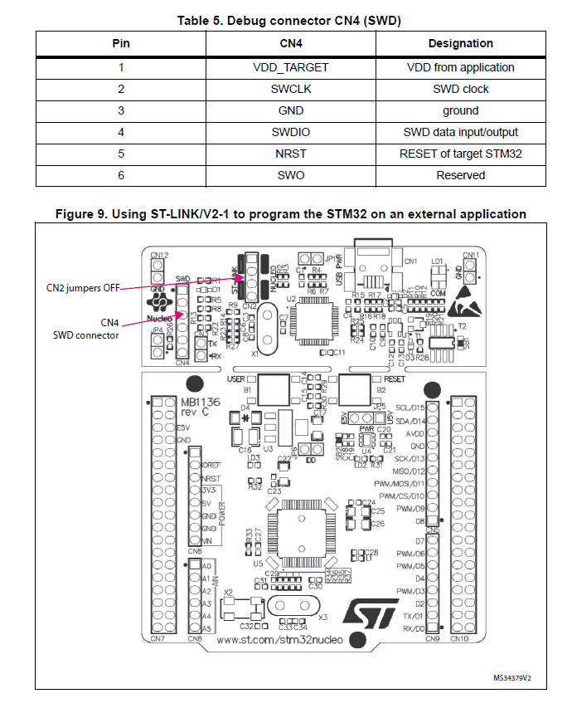
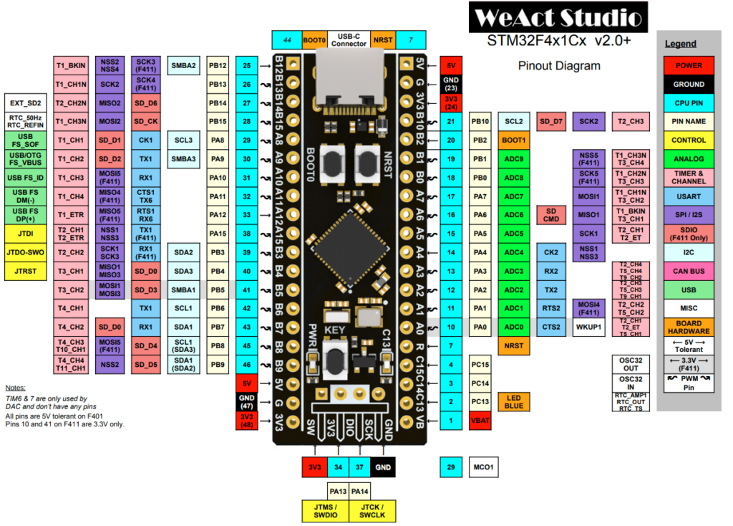

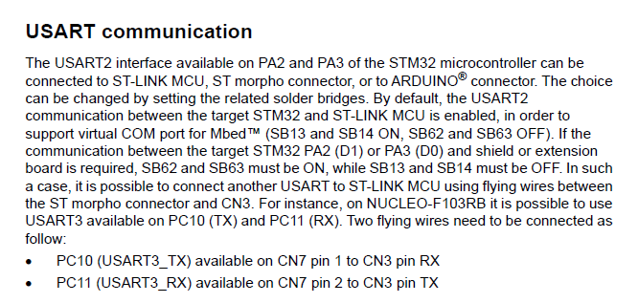

lab2
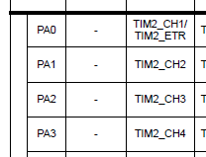
MCU Pin |  | Motor Driver Inputs |  | Motor Driver Outputs
Pxx | Pyy | IN1 | IN2 | OUT1 | OUT2 | MODE
0 | 0 | 0 | 0 | OFF (Hi-Z) | OFF (Hi-Z) | Coast
0 | 1 | 0 | 1 | L | H | Reverse
1 | 0 | 1 | 0 | H | L | Forward
1 | 1 | 1 | 1 | L | L | Brake

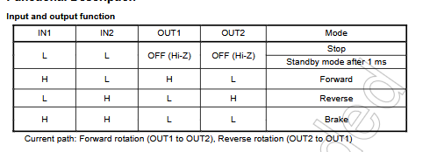

 | STM32 | BOARD
 |  | VCC
 | PA0 | IN1
 | PA1 | IN2
 | PA2 | IN3
 | PA3 | IN4

