Sheet1
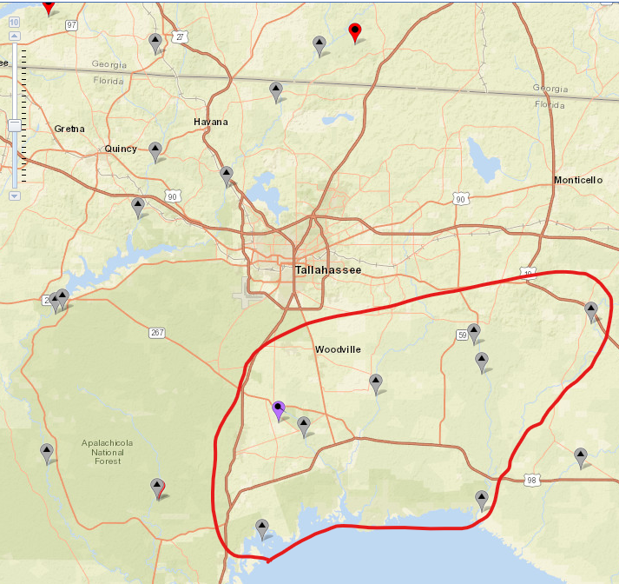
USGS DATA
Station Name | ID | Discharge | Gage Height | Temp | Conductance | DO | pH | Nitrate+Nitrite | TDS
Wakulla River | 02327022 | Oct-04 | Oct-04 | NA | NA | NA | NA | NA | NA
Wakulla Spring | 02327000 | 10/2004-9/2005 | Dec-87 | Jan-17 | Jan-17 | Jan-17 | Jan-17 | Jan-17 | NA
Spring Creek | 02327031 | 10/2013-1/2020 | Jun-07 | Jun-07 | Oct-13 | NA | NA | NA | NA
St Marks near Newport | 02326900 | Oct-56 | Oct-56 | Na | NA | NA | NA | NA | NA
Wacissa near Thomas | 02326516 | NA | Nov-20 | Nov-20 | Nov-20 | Nov-20 | Nov-20 | Nov-20 | NA
Wacissa near Wacissa | 02326526 | Oct-08 | Oct-08 | Jan-16 | Jan-16 | Jan-16 | Jan-16 | Feb-13 | 1/2016-9/2018
Aucllia River nr Nutall | 2326550 | 5/2001-10/2010 | May-01 | 10/2002-11/2009 | NA | NA | NA | NA | NA
Aucilla River near Lamont | 02326500 | Mar-50 | Feb-50 | NA | NA | NA | NA | NA | NA

