Contents


GIM Activity: Aug 01, 2025 to Aug 31, 2025

Table of Contents

Disclaimer and References | Disclaimer on the use of this report, and references to associated ERCOT Binding Documents ***Please read***
Acronyms | A list of the various acronyms used throughout the report
Summary | Tables that provide project aggregate counts and megawatt capacities by GIM phase and fuel type
Project Details - Large Gen | A table that list project details for Large Generators as defined in ERCOT Planning Guide Section 5.2.1(3); only include projects for which a Full Interconnection Study has been requested
Project Details - Small Gen | A table that list project details for Small Generators as defined in ERCOT Planning Guide 5.2.1(3); only include projects for which the Resource Registration form has been approved by ERCOT
GIM Trends | Charts and tables that show historical and projected interconnection study trends
Commissioning Update | A table listing project commissioning approval milestones met for the month: energization, synchronization, and commercial operations approval
Inactive Projects | A table listing Inactive projects
Cancellation Update | A table listing the projects cancelled for the month

Time of Report Run: Sep 1, 2025 8:00:47 AM

GIM Trends
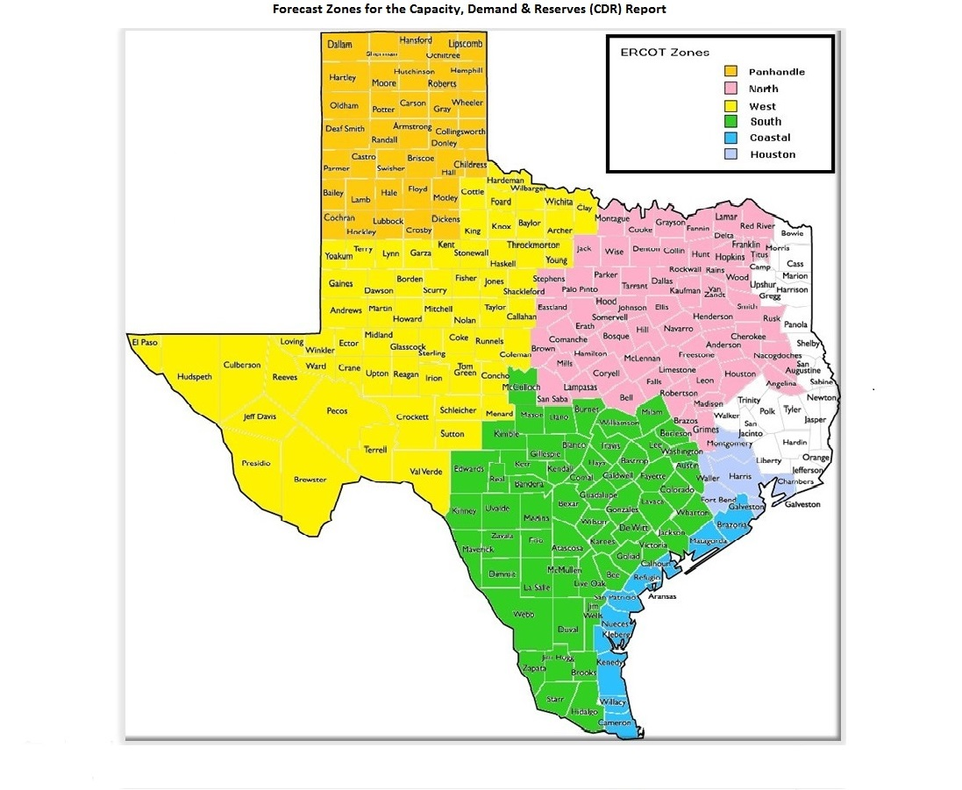
GIM Trends

Reflects all Large Generator projects for which a Security Screening Study has been requested. The third table reflects all Small Generator projects whose GIM applications have been approved.
Excludes projects that have a status of Inactive (status = INA).
Nameplate capacity will change across time due to additional projects, cancelations, expirations, adjustments from study results, and projects being placed into service.

Large Generator Monthly Capacity by GIM Milestone plus Project Count, 13-Month Rolling Basis
 | # Signed Interconnect Agreement | # Completed Full Study | # in Full Study | # Screening Study Complete | # Initial Screening study | GW Capacity
Aug-24 | 437 | 152 | 1057 | 140 | 24 | 370.60442
Sep-24 | 435 | 158 | 1050 | 140 | 21 | 370.96333
Oct-24 | 440 | 159 | 1039 | 127 | 28 | 369.82822
Nov-24 | 449 | 156 | 1070 | 126 | 21 | 377.02992
Dec-24 | 447 | 147 | 1103 | 120 | 22 | 378.74439
Jan-25 | 445 | 133 | 1163 | 119 | 16 | 388.61579
Feb-25 | 460 | 121 | 1200 | 113 | 19 | 399.00735
Mar-25 | 491 | 112 | 1207 | 113 | 19 | 404.45702
Apr-25 | 507 | 105 | 1212 | 102 | 29 | 410.87361
May-25 | 511 | 106 | 1223 | 89 | 21 | 408.90807
Jun-25 | 510 | 114 | 1237 | 88 | 27 | 419.64777
Jul-25 | 517 | 119 | 1242 | 86 | 27 | 432.10036
Aug-25 | 535 | 111 | 1201 | 82 | 33 | 427.44154
 | Year | Month | Total Projects |  |  | Project Count |  |  |  |  |  | Project Capacity (MW)
 |  |  |  |  |  | GIM milestones |  |  |  |  |  | Fuel Type
 |  |  |  | Small Generator Not Model Ready | Small Generator Model Ready | Initial Screening Study | Screening Study Complete | In Full Study | Completed Full Study | Signed Interconnection Agreement | Cancelled | Wind | Solar | Gas | Nuclear | Coal | Biomass | Battery | Other
 | 2022 | Aug | 1,138 | 19 | 4 | 34 | 98 | 629 | 64 | 290 | 9 | 22,118 | 115,799 | 11,255 | 0 | 0 | 53 | 71,580 | 2,235
 | 2022 | Sep | 1,192 | 21 | 4 | 56 | 107 | 649 | 58 | 297 | 10 | 22,920 | 120,296 | 11,551 | 0 | 0 | 53 | 74,877 | 2,486
 | 2022 | Oct | 1,205 | 22 | 6 | 60 | 100 | 667 | 49 | 301 | 10 | 23,025 | 122,585 | 11,513 | 0 | 0 | 53 | 75,630 | 2,486
 | 2022 | Nov | 1,214 | 22 | 8 | 56 | 90 | 682 | 52 | 304 | 18 | 23,198 | 122,705 | 12,277 | 0 | 0 | 53 | 78,746 | 2,486
 | 2022 | Dec | 1,254 | 21 | 8 | 40 | 102 | 722 | 53 | 308 | 10 | 23,876 | 123,340 | 12,935 | 0 | 0 | 53 | 82,844 | 2,486
 | 2023 | Jan | 1,298 | 23 | 5 | 51 | 105 | 736 | 63 | 315 | 1 | 24,351 | 125,569 | 12,542 | 0 | 0 | 53 | 88,430 | 2,486
 | 2023 | Feb | 1,334 | 18 | 13 | 48 | 109 | 761 | 68 | 317 | 1 | 24,702 | 127,309 | 12,542 | 0 | 0 | 53 | 91,493 | 2,486
 | 2023 | Mar | 1,373 | 14 | 17 | 39 | 100 | 810 | 73 | 320 | 22 | 25,742 | 127,765 | 12,544 | 0 | 0 | 53 | 96,356 | 2,235
 | 2023 | Apr | 1,385 | 15 | 18 | 33 | 89 | 825 | 80 | 325 | 20 | 23,703 | 129,237 | 12,985 | 0 | 0 | 53 | 96,078 | 2,235
 | 2023 | May | 1,424 | 18 | 20 | 36 | 86 | 843 | 86 | 335 | 19 | 22,472 | 129,507 | 13,026 | 0 | 0 | 53 | 102,825 | 2,235
 | 2023 | Jun | 1,479 | 28 | 22 | 51 | 83 | 872 | 82 | 341 | 16 | 27,152 | 130,857 | 12,476 | 0 | 0 | 53 | 109,380 | 2,235
 | 2023 | Jul | 1,500 | 25 | 28 | 50 | 76 | 903 | 83 | 335 | 16 | 28,615 | 133,979 | 12,368 | 0 | 0 | 53 | 110,408 | 2,386
 | 2023 | Aug | 1,537 | 31 | 30 | 45 | 82 | 927 | 85 | 337 | 7 | 32,034 | 136,165 | 11,842 | 0 | 0 | 53 | 111,579 | 2,235
 | 2023 | Sep | 1,580 | 40 | 32 | 43 | 102 | 924 | 93 | 346 | 15 | 31,640 | 141,315 | 11,384 | 0 | 0 | 53 | 114,563 | 2,235
 | 2023 | Oct | 1,628 | 41 | 32 | 49 | 102 | 952 | 99 | 353 | 16 | 31,916 | 143,221 | 13,638 | 0 | 0 | 53 | 120,534 | 2,235
 | 2023 | Nov | 1,656 | 44 | 30 | 55 | 99 | 961 | 92 | 375 | 10 | 32,510 | 142,606 | 15,457 | 0 | 0 | 53 | 124,941 | 2,385
 | 2023 | Dec | 1,671 | 41 | 28 | 39 | 116 | 974 | 92 | 381 | 12 | 34,591 | 145,654 | 15,483 | 0 | 0 | 53 | 127,068 | 2,367
 | 2024 | Jan | 1,731 | 42 | 29 | 35 | 133 | 1,011 | 95 | 386 | 12 | 36,261 | 148,135 | 15,546 | 0 | 0 | 53 | 133,592 | 2,247
 | 2024 | Feb | 1,783 | 43 | 27 | 65 | 132 | 1,023 | 102 | 391 | 13 | 37,215 | 152,098 | 16,022 | 0 | 0 | 0 | 140,219 | 2,967
 | 2024 | Mar | 1,775 | 39 | 29 | 80 | 100 | 1,035 | 101 | 391 | 64 | 35,120 | 155,273 | 15,429 | 0 | 0 | 0 | 141,484 | 2,332
 | 2024 | Apr | 1,780 | 42 | 33 | 58 | 115 | 1,025 | 112 | 395 | 15 | 32,956 | 152,917 | 15,573 | 0 | 0 | 0 | 145,000 | 2,332
 | 2024 | May | 1,813 | 39 | 41 | 48 | 129 | 1,023 | 125 | 408 | 9 | 33,887 | 154,225 | 15,938 | 0 | 0 | 0 | 149,002 | 2,332
Monthly Capacity by Fuel Type plus Project Count, 13-Month Rolling Basis
 | Natural Gas | Nuclear | Coal | Wind | Solar | Biomass | Battery | Other | Total Project Count | Cancelled Project Count
Aug-24 | 25.32799 | 0 | 0 | 33.85345 | 154.77045 | 0 | 154.79902 | 2.56185 | 1886 | 8
Sep-24 | 25.96699 | 0 | 0 | 34.83855 | 153.65825 | 0 | 154.26431 | 2.96085 | 1881 | 19
Oct-24 | 25.95373 | 0 | 0 | 33.46714 | 154.86041 | 0 | 152.57989 | 3.71285 | 1872 | 29
Nov-24 | 27.15953 | 0 | 0 | 35.30735 | 155.6757 | 0 | 156.52981 | 3.11315 | 1903 | 11
Dec-24 | 27.57752 | 0 | 0 | 34.44955 | 154.48712 | 0 | 160.04338 | 2.91285 | 1917 | 14
Jan-25 | 28.77388 | 0 | 0 | 38.22303 | 153.6071 | 0 | 165.93271 | 2.78085 | 1952 | 17
Feb-25 | 32.19019 | 0 | 0 | 39.89287 | 155.98952 | 0 | 168.836 | 2.78085 | 1987 | 16
Mar-25 | 33.57849 | 0.6 | 0 | 39.79514 | 156.68543 | 0 | 171.59201 | 2.91285 | 2018 | 18
Apr-25 | 33.58305 | 0.6 | 0 | 42.48335 | 159.42581 | 0 | 172.48562 | 3.06285 | 2037 | 38
May-25 | 32.48982 | 0.6 | 0 | 40.88547 | 158.49036 | 0 | 173.99686 | 3.2084 | 2031 | 26
Jun-25 | 35.26007 | 0.6 | 0 | 41.41407 | 161.67674 | 0 | 177.9286 | 3.50135 | 2054 | 17
Jul-25 | 39.55768 | 0.6 | 0 | 45.04833 | 162.70267 | 0 | 181.39377 | 3.50135 | 2066 | 21
Aug-25 | 39.40277 | 0.6 | 0 | 44.64855 | 160.192 | 0 | 179.83835 | 3.50135 | 2041 | 30
 | 2024 | Jun | 1,812 | 34 | 44 | 20 | 137 | 1,023 | 140 | 414 | 27 | 31,452 | 152,433 | 17,089 | 0 | 0 | 0 | 147,743 | 2,332
 | 2024 | Jul | 1,858 | 31 | 46 | 27 | 136 | 1,033 | 158 | 427 | 5 | 33,731 | 154,407 | 22,160 | 0 | 0 | 0 | 151,811 | 2,562
 | 2024 | Aug | 1,886 | 27 | 49 | 24 | 140 | 1,057 | 152 | 437 | 8 | 33,853 | 154,770 | 25,328 | 0 | 0 | 0 | 154,799 | 2,562
 | 2024 | Sep | 1,881 | 29 | 48 | 21 | 140 | 1,050 | 158 | 435 | 19 | 34,839 | 153,658 | 25,967 | 0 | 0 | 0 | 154,264 | 2,961
 | 2024 | Oct | 1,872 | 35 | 44 | 28 | 127 | 1,039 | 159 | 440 | 29 | 33,467 | 154,860 | 25,954 | 0 | 0 | 0 | 152,580 | 3,713
 | 2024 | Nov | 1,903 | 33 | 48 | 21 | 126 | 1,070 | 156 | 449 | 11 | 35,307 | 155,676 | 27,160 | 0 | 0 | 0 | 156,530 | 3,113
 | 2024 | Dec | 1,917 | 32 | 46 | 22 | 120 | 1,103 | 147 | 447 | 14 | 34,450 | 154,487 | 27,578 | 0 | 0 | 0 | 160,043 | 2,913
 | 2025 | Jan | 1,952 | 30 | 46 | 16 | 119 | 1,163 | 133 | 445 | 17 | 38,223 | 153,607 | 28,774 | 0 | 0 | 0 | 165,933 | 2,781
 | 2025 | Feb | 1,987 | 24 | 50 | 19 | 113 | 1,200 | 121 | 460 | 16 | 39,893 | 155,990 | 32,190 | 0 | 0 | 0 | 168,836 | 2,781
 | 2025 | Mar | 2,018 | 26 | 50 | 19 | 113 | 1,207 | 112 | 491 | 18 | 39,795 | 156,685 | 33,578 | 600 | 0 | 0 | 171,592 | 2,913
 | 2025 | Apr | 2,037 | 32 | 50 | 29 | 102 | 1,212 | 105 | 507 | 38 | 42,483 | 159,426 | 33,583 | 600 | 0 | 0 | 172,486 | 3,063
 | 2025 | May | 2,031 | 31 | 50 | 21 | 89 | 1,223 | 106 | 511 | 26 | 40,885 | 158,490 | 32,490 | 600 | 0 | 0 | 173,997 | 3,208
 | 2025 | Jun | 2,054 | 28 | 50 | 27 | 88 | 1,237 | 114 | 510 | 17 | 41,414 | 161,677 | 35,260 | 600 | 0 | 0 | 177,929 | 3,501
 | 2025 | Jul | 2,066 | 23 | 52 | 27 | 86 | 1,242 | 119 | 517 | 21 | 45,048 | 162,703 | 39,558 | 600 | 0 | 0 | 181,394 | 3,501
 | 2025 | Aug | 2,041 | 23 | 56 | 33 | 82 | 1,201 | 111 | 535 | 30 | 44,649 | 160,192 | 39,403 | 600 | 0 | 0 | 179,838 | 3,501

Small Generator Monthly Capacity by GIM Milestone plus Project Count, 13-Month Rolling Basis
 | # Not Model Ready | # Model Ready | MW Capacity
Aug-24 | 27 | 49 | 708.34
Sep-24 | 29 | 48 | 725.62
Oct-24 | 35 | 44 | 745.8
Nov-24 | 33 | 48 | 755.62
Dec-24 | 32 | 46 | 726.03
Jan-25 | 30 | 46 | 701.78
Feb-25 | 24 | 50 | 682.08
Mar-25 | 26 | 50 | 706.9
Apr-25 | 32 | 50 | 767.07
May-25 | 31 | 50 | 762.84
Jun-25 | 28 | 50 | 733.06
Jul-25 | 23 | 52 | 703.44
Aug-25 | 23 | 56 | 741.48

Capacity for Planned Projects by Projected In-service Year and CDR Forecast Zone
 | Gas | Wind | Solar | Battery | Other
2025 |  | 0.5427 | 1.57529 | 1.17537
2026 | 0.20471 |  | 1.95619 | 4.56265
2027 | 1.8474 | 1.18813 | 4.0167 | 7.47264 | 0.41
2028 | 2.01623 | 0.1415 | 4.59754 | 5.02176 | 0.499
2029 | 0.3514 | 0.5228 | 1.54644 | 0.5083
2030 |  | 2.57139 | 0.6036
2031 | 0.6591 |  |  | 0.3036
2025 | 0.1577 |  | 1.387 | 1.06394 | 0.05
2026 | 0.944 |  |  | 3.94347
2027 | 0.7225 |  | 0.40848 | 7.57713
2028 | 1.06583 |  | 0.1882 | 1.45669 | 0.05
2029 | 0.208 |  |  | 1.1199
2030 |  | 1.02939 |  | 0.10305
2023 |  | 0.0072
2024 |  | 0.4292 | 0.02476
2025 |  | 1.76853 | 1.33218 | 1.71399 | 0.02985
2026 | 0.5367 | 1.31567 | 7.55358 | 5.39998
2027 | 1.6924 | 5.8412 | 14.24595 | 15.77407 | 0.492
2028 | 3.38476 | 6.06304 | 19.13122 | 18.00258
2029 | 0.4721 | 1.30614 | 6.10203 | 3.13684 | 0.6
2030 | 1.341 | 0.1311 | 0.5
2031 |  | 1.5
2024 | 0.067
2025 | 0.021 | 1.30948 | 5.43547 | 2.65232 | 0.1
2026 | 1.88768 | 0.6537 | 8.11036 | 7.61134
2027 | 1.82639 | 1.3747 | 17.33489 | 17.12066
2028 | 2.5095 | 0.20777 | 10.95585 | 16.94115 | 0.2
2029 | 0.4953 | 0.396 | 1.09628 | 3.51004
2030 | 0.479 |  |  | 0.2076 | 1.232
2025 |  | 0.1634 | 1.14894 | 0.00999
2026 |  | 0.16542 | 1.21488 | 0.50385
2027 | 2.21 | 1.2195 | 4.85459 | 3.35639
2028 |  | 3.12113 | 3.41421 | 3.06886
2029 | 0.573 | 4.11808 | 2.3617 | 0.20696
2023 | 0.0031 |  | 0.0055
2025 | 0.0407 | 0.91373 | 4.4353 | 1.22904 | 0.4385
2026 | 2.1214 | 0.68981 | 5.69345 | 8.64432
2027 | 1.29638 | 1.961 | 10.92408 | 14.50678
2028 | 3.9123 | 3.09924 | 10.44487 | 16.08511
2029 | 1.76412 | 0.8976 | 6.76146 | 5.08905
2030 | 4.14 |  | 0.83101 | 0.75893
2031 | 0.45207

Note: Other contains all Fuel and Technology Types not in the Solar, Wind, Gas or Battery categories.

