Introduction
This is the Project Tracker
You will use this to track your work on your project. The first step is to identify your team on the Team sheet. Also on the Team Sheet, you will specify the address of your GitHub repository for the project. After that, you will complete the Features sheet, which is a summarized version of the use cases you wrote for the last assignment. In addition to listing summary versions of your use cases, recall that you also listed in your Business Requirements document various resources users will need to use your product, so include as "features" the task of creating such resources so you can allocate time to making them.
Then you will identify, in helpful detail, the tasks you will perform to implement each feature. You have to be detailed here, thinking very clearly about what it will take to pursue each task in terms of time.
AFter that, on the Test Plans sheet, you will describe how you will test that each feature is working. Finally, on the Work Log tab, you will enter entries for each work session you spend building your project. Include links to particular assets in your GitHub respository that I can refer to to see evidence of your work.
The purpose of this sheet is to serve as a guide and a tracking mechanism as you try to build the various features of your project.

Team
Just list the names and email addresses of the members that comprise this team. If there is only one person, just specify one name and email address.
Team Members
Team member name | Email address
Kyle Bye | kylevbye@lewisu.edu

Project GitHub | https://github.com/kylevbye/SRGauntlet

Features
Here we list the specific features of your final project. This is just an alternative way to express what you did for the last assignment. Features are the things your project offers the user, so focus on what the user will experience. What will the user be able to do? How will they interact with what you are building? What will they see when they use what you are building?
For each feature, specify a Feature ID. Perhaps this is just a number, or maybe its a short abbreviation that you'll use to uniquely identify each feature. Then specify a name for the feature that describes cleaerly what it concerns. Finally, offer a very specific but brief description. You already did this in the preceding assignment, but if you weren't specific there, you need to be specific here. Otherwise, you can copy the use case text you wrote in that last assignment. The description you provide here should give us a clear understanding of what the user will be able to do and see and interact with in your product.
Feature List
Feature ID | Feature Name | Feature Description
1 | Input Handling System | The user will use Z, X, C or Enter, Shift, Ctrl to interact with items and menus. The user will use arrow keys for menuing. These inputs can be rebinded in the Game Configurtion Menu if desired (low priority aspect of feature). This handling system will work exactly like Undertale's Linux 1.001 version where two keys that are binded to the same action will be treated as two seperated events when both pressed.
2 | Sound System | This involves finding and modifying sound effects and music for the project. The user will be interacting with this system through the entire playthrough of the game. The system is directly effected by the volume system under the game configuration menu.
3 | Main Menu | The user will be shown the main menu with several options: Start, Options, Speedrun Mode. The user can navigate the menu using the <Arrow keys>. The user can start the game by hovering over the “Start” option and press <Z/Enter> to begin the game which would place the user in the first level in the game overworld.
4 | Game Configuration Menu (Options) | Suppose a user wants to modify their game configuration, in the main menu, the user would use their <Arrow keys> to hover over the “Options” button and press <Z/Enter> to select that option. The scene would transition to an option configuration screen that has the following options: “Fullscreen (on/off)” and “Volume.” If the user would like to adjust the volume, the user would use the select the volume option using the same method, but then selecting volume would allow the volume to adjust at a numeric range from 0 to 100 based on the user’s inputs from their <Arrow keys>. When the volume has been adjusted to a satisfactory value, then the use can press <Z/Enter> to leave the volume option. If the user wants to leave the option configuration screen, then the user could do so by pressing <X/Shift> at any point.
5 | Overworld Rooms | The user wants to complete the game. The user would control a character using the <Arrow keys>. The user could open their inventory with <C>. They could confirm or deny using <Z/Enter> or <X/Shift> respectively. The user would navigate through 4 levels, NPC dialogue, several regular enemy encounters, a final boss encounter, then touch the final door to end the game. Upon touching the door, the player will see an end credits scene and be prompted to return to the main menu pressing <Z/Enter>.
6 | Movement System | The user would move in the overworld using <Arrow Keys>. Each direction would treated equally so that diagonal movement is faster in certain scenarios. There will be no movement acceleration so that diagonal movement into the wall that’s heading to a turn would be optimal.
7 | Cutscene System | A cutscene in this game is an event that prevents the user from opening their menu or committing any movement. The cutscene may contain dialogue in a series of textboxes that the user would have to go through by pressing <Z/Enter> to move to the next textbox and <X/Shift> to instantly finish the textbox scrolling. The hope is that piano mashing (series of Z, X, Enter, Shift inputs) would be optimal method for clearing the textboxes as fast as possible. The end of cutscene would return control to the player. This aspect is important for Undertale glitches and exploits.
8 | In-Game Menu | In the overworld, the user could press <C/CTRL> to open a menu with two options: INVENTORY and STATS. They could select either option using <Arrow Keys> and <Z/Enter> to interact with the Inventory System or the Stats Menu.
9 | Stats Menu | Since there won't be any items besides the punch card which won't be equipable, the stats page that is access through the In-Game menu will be static and show the user's weapon, attack, defence, and experience points.
10 | Inventory System | The user would access their inventory through the In-Game menu. They could press <Z/Enter> on an item and have options to do any of the following: USE which causes an interaction to happen, INFO which describe what the item does, or DROP which deletes the item from their inventory. In this game, the only collectable item would be the PostCard in which interacting shows a graphic on the screen which the user could remove by pressing <Z/Enter>.
11 | Battle System | During the game the user in the overworld will take a certain number of steps within a room to run into an enemy encounter, changing the scene to a J-RPG battle scenario. The user interface displayed would show the user’s health, the enemy they are fighting, and the options the user could take. At first, it is the user’s turn. The user would have to choose whether to either Fight or Heal. If the user is at low hp and would like to heal for their turn, the user could use the <Arrow Keys> to navigate to the heal option, then use <Z/Enter> to select the heal option which would add half of the user’s total hp count to the user’s current hp. This would end the user’s turn. Alternatively, the user could progress the battle by selecting fight option using the <Arrows Keys> and <Z/Enter>. Then, the user will have to do a short rhythm mini game to determine the amount damage dealt to the enemy. A graphical reticle would appear, and four vertical bars would appear and move right to left over the reticle. The user would use <Z/Enter> to time when the bars pass through the center of the reticle and the amount of damage would be determined based on the score of how well-timed inputs were pressed. After the damage number is calculated, it would be subtracted from the total enemy HP and be displayed for the user to observe. This would end the user’s turn. After the user uses their turn, it would be the enemy’s turn. The enemy would spend their turn only to fight. A random amount of damage with a defined range would be subtracted from the user’s HP. This number would be displayed to the user for them to observe. This would end the enemy’s turn. With the fighting progressing as the user and the enemy continue using turns, the fight ends if either party’s hp drops to 0 or below. If the user’s hp drops below 0, then the user has lost the game. The user would be shown a game over screen, and they must use <Z/Enter> to return to the main menu to start their game over again. If the
12 | Undertale Exploits | The user wants to skip NPC dialogue. At some point, the user would pick up an item called “The Card” which will be placed in their inventory. The user would use precise movements to move and open their inventory on the pixel the dialogue cutscene is triggered using <Arrow keys> and <C/CTRL> respectively. With the inventory open and the cutscene primed to begin, the user would press <Z/Enter> to use “The Card” to display a notecard graphic to the screen. The user would press <Z/Enter> again to close “The Card,” which would return the user’s ability to move again despite being in a dialogue cutscene. The user can now walk past the scene without being forced to interact with the cutscene.
13 | Speedrun Mode | Having learned all the levels and techniques of the game and wanting to speedrun the game with a timer, the user after opening the game will enable speedrun mode by navigating to it on the main menu with the <Arrow Keys> and pressing <Z/Enter>. The speedrun mode button will now be flowing showing that it is enabled. Then the user would use <Z/Enter> on the Start button to begin the run, which would start the timer that would be displayed at the top left. The user would complete all the levels, and upon touching the final door, the timer would be stopped. Instead of an end-credits scene playing, a time statistics screen would display informing the user of the times they entered every room along with how long they took to complete the game. The user could press <Z/Enter> to go back to main menu.

Task Estimation
Here we list the tasks you estimate will be needed to complete your project (in other words, to implement its features). Each row represents a task.
For each task, specify the ID of the corresponding feature. These should come from the list of features you provided on the Features sheet, so perhaps use an Excel formula to set them. Then specify the ID of this task. Perhaps it's just a number, or maybe it's an abbreviation, or maybe it's a combination of the feature ID and a number or a letter - for example, if the feature ID is 1 and you want to represent that this is the first task for implementing feature 1, perhaps you could set the Task ID as 1.1 or 1.A.
Next, specify a Task Name. It should clearly but briefly describe what this task concerns.
Next, describe clearly what is needed to accomplish this task. What steps will you take to carry it out
Then specify how many hours it will take to complete the task. This is just an estimate at this point. If this task depends on another task being done, indicate the task ID of the task it depends on in the next column. Finally, specify who is responsible for completing the task. This could be multiple team members if two or more people are needed to complete the task.
Make sure you in include in your time estimate for each task some time for testing that the task was done correctly / is producing the right output. A good rule of thumb is to allot an additional amount of about 20% to 25% of the time it took to do a task for testing that it works. You won't be testing every single task, and the test plans on the test plans sheet will connect to the overall features rather than the individual tasks. Nevertheless, if you follow the rule of thumb that 20% to 25% of your work effort should be added for testing, you will be sure to allow the right amount of time for it.
Task Estimation
Feature ID | Task ID | Task Name | Task Description | Estimated Hours | ID of tasks this depends on | Assigned team members
1 | 1.1 | Study of Undertale's Input Handling System | Lucky for us, someone took the time to decompile most of Undertale's source code on GitHub (https://github.com/fachinformatiker/undertale). Most of this task involves studying how the input system works so that it can be implemented in the project the same or similar way. | 3 |  | Kyle
1 | 1.2 | InputHandler | This task will require adding debug text to show what buttons are being pressed and a list of input events triggered. The goal of this task is to mimic Undertale's Linux 1.001 input handling behavior such that two different keys binded to the same action are both processes seperately. That is, if <Z> and <Enter> are binded as the "Interact/Confirm" action, then if <Z> is held and <Enter> is pressed, then <Enter> is still processed as an input. The InputEventHandler would be a queue to process every input pressed within the processing frame. | 5 | 1.1 | Kyle
2 | 2.1 | Music & Sound Effects Search | Since Materia Collective doesn't officially allow the usage of Undertale & Deltarune music in fan-made or other game projects, this means that non-copyright music is most likely a requirement for this project. Sound effects however doesn't seem to be included so sound-resources.com will be a good source of sound effects. Music will be searched on Epicdemic Sound which most online video creators use to find royalty free music. This task is mainly about looking for a collection of sounds and music that fit around a decided overall theme for the game. | 3 |  | Kyle
2 | 2.2 | Volume System | Under the hood, volume will just be a float value that ranges from 0.0 to 1.0 that represents 0-100%. This value is a scalar for how loud a sound or a song is played. The work involved for this task is ensuring that the default will be 100% as the developers intended and that the volumes scale down appropriately at different values. | 5 | 2.1 | Kyle
2 | 2.3 | Audio Balancing | Using audacity, in the music files, we want the audio levels to balance like traditionally well edited YouTube videos. That is, music sits around "-24 to -28", less important sound effects around "-24 to -18" and more important sound effects around "-20 to -15". This will be measured in audacity and play at a unmodifed level in-game. The Volume system will simply act as a scalar that works from a 0-100 range based on this balance. | 3 | 2.1, 2.2 | Kyle
3 | 3.1 | Scene System | This involves what type of mode the game is in: main menu, game configuration, overworld, battle, game over, end credits. Swapping scene requires some kind of transition to not make gameplay feel jarring. The plan is to use fade in and fade out by changing opacity. | 7 | 1.1
3 | 3.2 | Menu Sprite Work | This includes decided what fonts to use in-game and what sprites to use in the main menu. The menu will include a image of the protagonist along with three text buttons of the following options: Start, Options, Speedrun Mode. There will also be text of the game name "Gauntlet" and the version number. | 2 |  | Kyle
3 | 3.3 | Menu Interactive Design | The main menu will have 3 options: Start, Options, Speedrun Mode. Pressing <Up> or <Down> on the arrow keys would be the method the user would navigate their the options. Pressing <Z/Enter> on [Start] would switch the scene to the overworld scene to place the user on the first level at the spawn point. Interacting with [Options] would switch the scene the configuration menu scene. Interacting with [Speedrun Mode] would enable SpeedrunMode which would cause its button to glow to inform the user that the option is enabled. They could interact with the button again to disable it which would cause the glow to disappear. | 5 | 1.1, 1.2, 2.1, 2.2, 3.2 | Kyle
4 | 4.1 | Fullscreen Design | The game base canva will use a 4:3 ratio that has the size of 640x480. This will make sprites easy to implement and resize. Enabling full screen to a 16:9 ratio will cause problems with distortion when stretching. To avoid these problems, the game window will enforce a 4:3 to avoid distortion. If someone using a 16:9 aspect ratio monitor wants to use fullscreen, then they will have black bars on the sides of the game window. Most of the work of this task will be following the GameMaker documentation to achieve this behavior and ensuring no awkward distortion occurs in the process. | 3 |  | Kyle
4 | 4.2 | Volume Slider | In the game configuration option scene, if the user interacted (<Z/Enter>) with the [Volume] option, then a visual slider would appear. The user could use <Left> or <Right> arrow keys to decrease or increase the volume value respectively from a range of 0-100%. The user could press <Z/Enter> to confirm the value or press <X/Ctrl> to leave the slider without saving the value changed. The task involves ensuring that the slider stays within 0-100 and that the direction inputs are processed appropiately. A sound needs to be played periodically at the current volume value to give feedback of the new volume change. Confirm needs to save the volume while canceling needs to restore the original volume. | 4 | 1.1, 1.2, 2.1, 2.2 | Kyle
4 | 4.3 | Rebind Controls System | This task is low priority since most J-RPGs players stick with Z, X, C, Enter, Shift, Ctrl. This task involves storing pointers from the keys to their actions. The actions in game need to poll for action rather than keys directly. | 5 | 1.1, 1.2 | Kyle
5 | 5.1 | Level Design (4 Levels) | This involves make 4 rooms with multiple planned cutscenes and battles. This includes deciding what exploits could be used, how many encounters should the room contain, how and where should dialogue cutscene be triggered, where should objects be placed, how would the room be shaped. This is likely going to be hand drawn. | 16 | 1.1, 1.2, 2.1, 2.2, 3.1 | Kyle
5 | 5.2 | Level Script | This involves planning the intended path for the user to take though the room both in a glitch usage perspective and a glitchless perspective. This also includes dialogue writing. | 8 | 1.1, 1.2, 5.1 | Kyle
5 | 5.3 | Dialogue Triggers | This task involves the actual placement of when a dialogue cutscene is triggered. If the user is on the pixel trigger without an open menu, then the trigger should start the cutscene. | 3 | 1.1, 1.2, 2.1, 2.2, 5.1 | Kyle
5 | 5.4 | Encounter System | Like Undertale, an enemy encounter happens when a calculated amount of steps within a room a player takes. Unlike Undertale, this value will not be partially randomly and will be deterministic. The task involves deciding the step count of each room then implementing the transition from the overworld scene to the battle scene. | 4 | 1.1, 1.2, 3.1, 5.1, 5.3 | Kyle
5 | 5.5 | Level Sprite Work | This game will reuse sprites from Undertale, Deltarune, Earthbound, Mother 3, and In Stars and Time. A document will have to made to keep track of sprite usage to give credits in the end-credits scene. A lot of work will involve cutting and modifying characters and objects from their backgrounds using GIMP or other photo editing software. | 8 | 5.1 | Kyle
5 | 5.6 | Collision Detection System | Most games are program with a "playable space". The playable space will be determined in the Level Design task. This system will simply teleport the player back in the nearest valid coordinate in the playable area that is not obstructed by a physical in-game object. Out of bound areas would be outside the playable area and physical obstructions like signs or other npcs. | 8 | 1.1, 1.2, 5.1, 5.5
5 | 5.7 | Game Over Cutscene | When the user drops to less than 0 HP in battle, the game will transition to a game over scene with text saying "Gameover", a graphic of the fallen protagonist, and prompt that asks the user to press <Z/Enter> to go the main menu screen to start a new run. | 4 | 2.1, 2.2, 3.1
5 | 5.9 | End-Credits Cutscene | After defeating the final level by defeating the final boss, the screen will fade to black with the protagonist leaving the dungeon with a smile with text about saying "Thank you for playing", text showing credits of assets used, and a prompt asking the user to "Press <Z/Enter> to return to the Main Menu." This will just be a single scene screen that transitions to the Main Menu on input press. | 4 | 2.1, 2.2, 3.1 | Kyle
6 | 6.1 | Direction Preserving Movement System | In Undertale, you can walk into a wall while walking in another direction. That is, if you are walking "up-right" into a horizontal wall that is above you, you will go right automatically. The moment an available space above exist, the game would automatically start moving you up-right. This will be implemented in the project by not restricting other directional movement during collision detection. | 6 | 1.1, 1.2 | Kyle
6 | 6.2 | Menu Buffering | In Undertale & Deltarune, you can percisely move exactly 1 pixel by opening the menu and pressing a directional input on the same frame. We want to copy this behavior by ensuring that the movement event is prioritized over the menu event when processing the input events on each frame. | 4 | 1.1, 1.2, 6.1, 7.1 | Kyle
7 | 7.1 | Global.interact | This system will purely determine whether or not the player has the ability to move or close their menu. If this value is 0, there are no restrictions. If this value is >1, then the player cannot open their menu or commit any movement. This task is responsible for ensure that this value is not 0 when a cutscene has been started or when a menu is open. This also include return the value to 0 on cutscene conclusion or menu close. The PostCard item is included to allow Undertale exploits. | 8 | 1.1, 1.2, 6.1 | Kyle
7 | 7.2 | Dialogue Input System | This task is about how the user would interact with dialogue. Dialogue will work by text being show in a box. The text will scroll on letter at a time at a specific interval. A textbox will show one line of dialogue at a time. When dialogue is open, the user can press <Z/Enter> to advanced to the next line of dialogue only if the dialogue line is finished scrolling. To instantly finish the scrolling of the textbox, the user could press <X/Shift>. The hopes is that the most optimal way to clear an entire array of textboxes is to rhythmically mash <Z>, <X>, <Enter>, <Shift> sequentially with one-two inputs on each frame. | 8 | 1.1, 1.2, 6.1 | Kyle
8 | 8.1 | Game Menu Interactive Design | In the overworld and when Global.interact is 0, the user would press <C> to open the in-game menu to reveal the following options: [INV] and [STATS]. Global.interact to 1. Like the main menu, the user would use the arrow keys to navigate and <Z/Enter> to interact. The user could use <X/Shift> or <C/Ctrl> to close the menu. Interacting with [INV] would open the Inventory menu. Interacting with [Stats] would open the stats menu. Leaving the In-Game menu would return Global.interact to 0. | 6 | 1.1, 1.2, 2.1, 2.2, 7.1 | Kyle
9 | 9.1 | Stats Design (Non-Interactive) | Since there are no plans to pick up weapons or armor items in the game. The stats page will be a static graphic displayed to the user when the stats page is open from the In-Game menu. The menu would contain the weapon equiped (Dagger), a armor equiped (Cloak), a the portrait of the protagonist. Pressing <X/Shift> will return the user to the In-Game menu while pressing <C/Ctrl> will close both the stats menu and the In-Game menu (Global.interact to 0). | 4 | 1.1, 1.2, 7.1 | Kyle
10 | 10.1 | Inventory Design | The inventory system will be simple as it’s a list of items the player has collected and can use. The functionally will be like the In-Game menu where arrow keys would select which item and interact would open another menu that offers the following option: [Use] which would cause an interaction to occur, [Info] which will display textbox explain what the item does, or [Drop] which delete the item from the user's inventory and display a textbox notifying the user of what just occured. When not interacting with the choices of an item, pressing <X/Shift> will return the user to the In-Game menu while pressing <C/Ctrl> will close both the stats menu and the In-Game menu (Global.interact to 0). When interacting with an item's actions, <Z/Enter> would select that option, <X/Shift> would cause the user to no exit these options and return to the base inventory screen, <C/CTRL> would close all menus and return Global.interact to 0. | 12 | 1.1, 1.2, 7.1 | Kyle
10 | 10.2 | The PostCard Item | The plan is to have this item that acts as the PunchCard equivalent to Undertale that is picked up in the end of the second room. This card will be added to the inventory when interacted with by the user along with a short dialogue cutscene to inform the user that the item has been collected. The graphic of the PostCard being displayed on the screen and its interaction upon collect is the bulk of this task. | 3 | 1.1, 1.2, 6.1, 6.2, 7.1, 7.2, 8.1, 10.1 | Kyle
10 | 10.3 | The PostCard Interaction | When the user decides to [Use] the PostCard, a graphic would display on the screen. The player could press <Z/Enter> to remove the graphic from the screen. This specific action would cause Global.interact to return to 0 no matter the circumstance. This is the interaction that allows exploits and glitches to occur. | 6 | 1.1, 1.2, 6.1, 7.1, 7.2, 8.1, 10.2 | Kyle
10 | 10.4 | Info Interaction | This task involves adding a textbox cutscene informing the user of the usage of the item they selected [Info] for. | 2 | 1.1, 1.2, 7.1, 10.2 | Kyle
10 | 10.5 | Drop Interaction | This task involves removing an item from the user's inventory for which they selected [Drop] for. This also includes a textbox cutscene informing the user that they dropped the selected item. | 2 | 1.1, 1.2, 7.1, 10.2 | Kyle
11 | 11.1 | Enter Battle Cutscene | This task involves a calculated animation that plays as the transition from overworld to battle scene. | 4 | 2.1, 2.2, 3.1, 6.1, 7.1 | Kyle
11 | 11.2 | Battle System Sprite Work | This task involves developing the graphics for the [Fight] and [Ability] buttons, the in-battle enemy, the fight reticle, health bar, the attack bars, the damage numbers, and a textbox that has text depicting what is going on in the battle. | 8 | 3.1 | Kyle
 | 11.3 | Battle Turn System | When the user gets into battle, it will be their turn first. The user could do the following [Attack] or [Ability]. [Attack] would have the user interact with thew Attack System to deal damage to the enemy. [Ability] would open a mini-menu giving the following choices to either [Power Attack] or [Heal]. Selecting either option would have the user interact with their respective systems. Any of the choices will end the players turn and turn to the enemy's turn. The enemy will always do a calculated attack based on a defined range. Afterwards, it's the user's turn once again. This back and forth continues into either the enemy or the user's health reaches 0 or below. Player health reaching these values would transition to a game over scene while the other scenario would show a textbox showing victory and return the user to the overworld. | 12 | 1.1, 1.2, 3.1, 7.2, 11.2
11 | 11.4 | Battle Health System | The user will have a Health Point (HP) value and a Ability Point (AP) value. These values are displayed and affected based on the user's decisions. There should be graphical bars to help illustrate how much HP or AP the user has. This also includes boss HP which only shows when they take damage. | 4 | 3.1, 7.2, 11.2
11 | 11.5 | Battle Menu System | This task involves all menys involved in battle. This is the options menu between [Fight] and [Ability]. This is also the abilities menu that include [Heal] and [Super Attack]. | 8 | 1.1, 1.2, 3.1, 7.2, 11.2 | Kyle
11 | 11.6 | Battle Attack System | This involves developing Undertale's attack system with multi hit weapons (Burnt Pan & Empty Gun). When [Attack] is selected, a reticle will appear and 4 attack bars will slide from right to left. The user will have to time <Z/Enter> presses on the center of the reticle to maximize damage. Landing all 4 attack bars will double the max potential damage. Upon damage landing, a damage number will display in text and the enemy's health bar will display for a short period of time. Then the turn will transition towards the enemy's. | 8 | 1.1, 1.2, 2.1, 2.2, 3.1, 7.2, 11.2, 11.5 | Kyle
11 | 11.7 | Battle Ability System | If the user selected [Heal] and has at least 20 AP, the user will regain a random range of health points and lose 20 AP. If the user select [Super Attack] and has at least 50 AP, then an exaggerated graphic will appear and the user will deal a large amount of damage to the enemy. Either option ends the user's turn. The user's <Z/Enter> should be dropped if they don't have enough AP for their selected option. | 4 | 1.1, 1.2, 2.1, 2.2, 3.1, 7.2, 11.2, 11.5, 11.6 | Kyle
11 | 11.8 | Battle Finish Cutscene | When the enemy reaches 0 or lower HP, a victory textbox will display and the game will transition back to the overworld. Global.interact returns to 0. | 2 | 2.1, 2.2, 3.1, 7.1, 7.2 | Kyle
12 | 12.1 | Punch Card Exploit | This task mainly involves fixing and testing interactions intended skips like cutscene skips when the PostCard is open and closed on a cutscene trigger. That is, ensuring that the cutscene is started when the PostCard graphic is open and Global.interact is set to 0 when the user closes the PostCard. The user should be able to move while the cutscene is occuring. | 6 | 1.1, 1.2, 6.1, 6.2, 7.1, 7.2, 8.1, 10.1, 10.2 | Kyle
12 | 12.2 | Text Overflow | This involves ensuring that the user could open a textbox while a textbox is already open. The user could accomplish this by going to an interactable object that generates a textbox, going to the [Use] option on the PostCard, then pressing <Z> and <Enter> on consecutive frames. This would open a seperate textbox on each input which would cause two textboxes to display. The user could close the first textbox to regain movement and use the remaining textbox for later. This allows the user to set their Global.interact value to 0 at anytime by closing the remaining textbox, which allows the Punch Card Exploit without using precise movement. | 10 | 1.1, 1.2, 6.1, 7.1, 7.2, 10.1, 10.2, 12.1 | Kyle
12 | 12.3 | Wrong Warp | This involves moving the user to the next room's origin position rather than the room entrance position if the user's Global.interact is 0 when the room transition cutscene is concluded. The user would do this by open and closing the PostCard on the room exit transition trigger pixel. | 6 | 1.1, 1.2, 6.1, 6.2, 7.1, 8.1, 10.1, 10.2, 12.1, 12.2 | Kyle
13 | 13.1 | Speedrun Timer | This will be represented integer that counts the amount of frames rendered from the start of the game to the end. To calculate time, the frame count is coverted to a float then devided by 30.0f (30 FPS). | 4 |  | Kyle
13 | 13.2 | Speedrun Mode Overlay | The overlay will be show at the top right corner at all times when speedrun mode is enabled. It will just be text displaying how many seconds from game start have passed in a "<Seconds>.<3PlaceMilliseconds>" format. | 4 |  | Kyle
13 | 13.3 | Speedrun Mode Triggers | This task is simply involving deciding exactly when a run has begun and ended and placing commands that start the frame count and stop the frame count at those moments. | 4 | 3.1 | Kyle
13 | 13.4 | Speedrun Exclusive End-Credit Scene | When speedrun mode is activated, the final end-credit scene is replaced with a results screen that displays that amount of time in text the user took to complete the game. The user would be prompted to press <Z/Enter> to return to the main menu. | 4 | 2.1, 2.2, 3.1 | Kyle

Test Plans
On this sheet, describe how you will test each feature. Each row represents a test you will conduct. You might have multiple tests for each feature to confirm that that feature is working.
In the first column, specify the ID of the feature listed on the Features sheet that this test corresponds to.
In the Test ID column, give this test a unique id. Perhaps it is a combination of the feature ID and a number or letter or abbreviation for this particular test. For example, if the related feature is ID # 1, and this is the first test for ID #1, perhaps the test ID should be 1.1 or 1.A. But you can choose your own unique id system.
In the Test Name column, specify a clear, concise name for this test.
In the Test Description column, specify a clear, concise, but complete description of how the test will be conducted.
In the Tester column, indicate the names of the people on the team who will conduct the test.
Finally, in the Successful Outcome column, describe how you will know that your work passed this test. In other words, how will know that your work successfully implemented the feature it supports?
Test plans
Feature ID | Test ID | Test Name | Test Description | Tester | Successful outcome
1 | 1.1 | Independent Bind Seperation Test | Examine if the project's input handling system functions like Undertale's Linux 1.001 version. That is, test if duplicated keybind pairs are independent from on another. The keybind pairs are not independent if the user's <Enter> inputs are not being recognized when <Z> is held. | Kyle | If <Z> is held, pressing <Enter> still registers a [Interact] input.
2 | 2.1 | Volume Levels Test | This test examines whether the volume level set matches what the volume mixer from Windows does. That is, if the volume slider in game is 50%, then it should match the volume levels compared to the volume slider being at 100% and Windows Volume Mixer being at 50%. This test will record the volume slider at 50% and Windows Volume Mixer at 100%, and record the volume slider at 100% and Windows Volume Mixer at 50%. | Kyle | Audio levels of a session with the volume slider at 50% and the Windows Volume Mixer at 100% are similar or match the levels with the volume slider at 100% and the Windows Volume Mixer at 50%.
2 | 2.2 | Audio Balancing Test | This test will isolate Sound Effects and Music and seeing if the audio levels match typical YouTube videos. This will involve recording a session and examining audio levels. | Kyle | The audio tracks stay within the following dBs with a Windows Volume Mixer at 100% and game level volume at 75%. Primarily Sound Effects: [-18, -12] Secondary Sound Effects: [-22, -16] Overworld Music: [-24, -20] Battle Music: [-20, -18]
3 | 3.1 | Main Menu Test | This purely test whether the main menu buttons work or not. [Start] should transition to the overworld scene. [Options] should transition to the game configuration scene. [Speedrun Mode] should enable speedrun mode and the button glow should reflect the state of [Speedrun Mode]. | Kyle | Using [Arrow Keys] should navigate the menu buttons appropriately. [Interact] with [Start] switches to the overworld scene or placeholder. [Interact] with [Options] switches to the game config scene. [Interact] with [Speedrun Mode] should toggle [Speedrun Mode]. When enabled, the button is glowing intensely. Otherwise, the button appears normally. A sound is played when the button is [Interacted] with.
4 | 4.1 | Fullscreen Scaling Test | The test examines whether or not there is distortion when the user enables fullscreen. The game should remain 4:3 and black bars would be used if fullscreen is enabled on a screen resolution that is not 4:3 ratio. | Kyle | Fullscreen should not have any graphical artifacts. Using a 16:9 ratio should utilize black bars.
4 | 4.2 | Volume Slider Test | This test examines the functionallity of the volume slider UI. When using the volume slider, the range should stay within 0-100. The value should save when the user [Interacts]. It shouldn't save if the user [Cancels]. | Kyle | Slider stays with the 0-100 range. [Interact] saves the value displayed. [Cancel] should not save the value and the original value should be restored.
5 | 5.1 | Dialogue Trigger Test | Examines if cutscenes starts appropriately when the user goes past the trigger range in the overworld. The cutscene trigger should wait to start the cutscene if the user goes on the trigger with the menu open. | Kyle | If the user walks on the pixel range of the cutscene trigger, than the cutscene should start if the player doesn't have their menu open.
5 | 5.2 | Dialogue Functionality | Tests the base functionality of the dialogue system. Checks if the next line of dialogue advances when the use presses <Z/Enter> if and only if the text finished scrolling. Checks if the current line of text instantly finishes its scrolling if the user preses <X/Shift>. | Kyle | Without interference, when a dialogue cutscene begins, the dialogue should appear and the text should start scrolling in the textbox. Dialogue should advance if and only if the user presses <Z/Enter> and when the dialogue has finished scrolling. Dialogue should skip scrolling if the user press <X/Shift> if and only if text is currently scrolling.
5 | 5.3 | Encounters | Since this project's "random encounters" system will be deterministic, testing this system will be simple. If a room is designed to have an encounter at 20 steps, then the test will examine if an the user runs into an encounter at 20 steps into a room. | Kyle | If a room is designed to have an encounter at 20 steps, then the user runs into an encounter at 20 steps into a room.
5 | 5.4 | Collision Detection | This examines whether or not the user can walk into unintended areas. This is done by walking into a wall or out of bounds and seeing if the game allows it. | Kyle | The user is stopped if they walk into a wall or try to walk out of bounds.
5 | 5.5 | Game Over | During battle, if the user's health drops to or below 0, the game over sequence should start. This test examines if that occurs. | Kyle | Health dropping to 0 results in a game loss in which the game over sequence plays. Pressing <Z/Enter> should return the user to the main menu.
5 | 5.6 | End-Credits Test | Tests the switch to the End-Credits after the user touches the final door of the final level. | Kyle | Game plays the end-credits after touching the final door. [Interacting] returns the user to the main menu.
6 | 6.1 | Movement Preseveration | This test examines whether the project respects the user's input to available movement when a diagonal input is used when a certain direction is unavailable. This test will involve holding [UP] and [RIGHT] onto a horizontal wall and seeing if the user can still move right. The user should go directionally up right once that space becomes available to cross. | Kyle | Holding [UP] and [RIGHT] onto a horizontal wall should result to the protagonist moving right. The user should go directionally up right once that space becomes available to cross.
6 | 6.2 | Menu Buffering | This behavior is when the user presses [C/Ctrl] and an [Arrow Key] to move precisely 1 pixel in the overworld. This test just sees if the behavior occurs in-game. | Kyle | Pressing [C/Ctrl] and an [Arrow Key] on the same frame moves 1 pixel in the overworld
7 | 7.1 | Global.Interact | Global.Interact controls whether or not the user can move or open their menu. This test examines whether Global.Interact swaps to 1 when a cutscene starts or a menu is open. Global.Interact goes to 0 when a cutscene ends, the [PostCard] is closed, or when a menu is closed. This is done by opening the menu and seeing if the user is can move. Also whether the user can move after a menu is closed or when a cutscene ends. | Kyle | Global.Interact swaps to 1 when a cutscene starts or a menu is open. Global.Interact goes to 0 when a cutscene ends, the [PostCard] is closed, or when a menu is closed.
8 | 8.1 | In-Game Menus | Pressing <C/Ctrl> in the overworld opens the in-game menu. This test examines the functionality of this menu on whether the options actually lead to opening the appropriate menu. | Kyle | Selecting is done with [Interact] (Z/Enter). Selecting [INV] should open another menu with the inventory system. Selecting [STATS] should open the stats menu. [Cancelling] (X/Shift) should close the menu if and only if the stats or the inventory menu is not open. Using <C/Ctrl> while the menu is open should close all menus returning control to the protagonist in the overworld.
9 | 9.1 | Stats Menu Test | Opening [STATs] in the in-game menu should show a stats page. | Kyle | The stats screen should close on any button interact. However, using <C/Ctrl> should close the stats menu and the in-game menu.
10 | 10.1 | Inventory | While in the inventory, this tests the [Use], [Info], and [Drop] options. The item used for these tests if the PostCard. | Kyle | [Using] the PostCard should display the PostCard graphic. [Infoing] the PostCard should display a textbox explaining the item. [Dropping] the PostCard should remove the item from the inventory.
11 | 11.1 | Battle Test | This test examines the battle system as a whole. Menuing each option ([Fight] & [Ability]) should open their own menus and leave those menus appropriately on command. Winning the battle should display a graphic and return the user to the overworld. HP bars should update in real time along with the display of damage numbers. Losing the battle is tested in ID# 5.5. Turns should switch when either side commits an attack. | Kyle | Appropriate menus are open when the user [Interacts] with the options. For example, [Interacting] with [Abilities] shows the options [Heal] or [Super Attack]. Dropping the enemy's HP to 0 should trigger a victory sequence and return the user to the overworld. When the user commits [Fight] or [Super Attack], the enemy's HP should drop, a graphic bar showing the enemy HP show display temporarily, and a damage number should display temporarily. AP is rewarded proportionally depending on damage dealt only when the user uses [Fight]. When the enemy attacks, a HP loss number should display temporarily and the user's HP should update appropriately. Turns swap after the enemy attacks or the user commits an action (Fight, Heal, Super Attack).
11 | 11.2 | Attack System Test | This test focuses on the attack scoring system. Landing a quad (4 frame perfect center hits on the reticle) should land twice the damage compared to landed 3 frame perfect hits. Landing 0-3 frame perfects hits should yield damage linearly based on the accuracy of the inputs. | Kyle | Landing 4 attack bars frame perfectly in the center of the reticle should result in double the damage dealt compared to landing 3 perfectly. The damage of landing 3 or less frame perfectly should scale linearly based on timings executed.
11 | 11.3 | Ability Points (AP) Calculation Test | This test focuses on whether or not the user could cast an [Ability] without having the appropriate amount of [Ability Points]. This involves using an [Ability] with or without having enough AP for that [Ability]. | Kyle | If the user selects [Heal] or [Super Attack] while not having enough AP to perform their select action, the interact input should be rejected with an error sound for feedback. If the user does have enough AP, then their selected option should process.
12 | 12.1 | Punch Card Exploit | This test examines using the Punch Card Exploit (PCE) on a cutscene trigger to skip cutscenes. This involves using Undertale's exact PCE technique. | Kyle | Opening and closing the PostCard on a cutscene trigger should trigger the cutscene, but the user should still be allowed to move and open their menu.
12 | 12.2 | Wrong Warping | This test examines if opening the PostCard or closing a dialogue textbox on a room door trigger causes a wrong warp by having the user spawn in the entering room's origin point instead of its entrance. | Kyle | Being in a room transition when Global.Interact is 0 should spawn the user at the origin point of the entering room instead of the entrance point.
13 | 13.1 | Speedrun Mode | When speedrun is enabled, then a timer should appear at the top right. The timer should only be active during the run. Starting the game should activate the timer and walking into the final exit should stop the timer on the first frame the user touches that exit. The end-credits screen needs to change to display the final time of the run. | Kyle | Timer appears when speedrun is enabled. Timer starts on the first frame after the user [Interacts] with the [Start] option in the main menu. Timer ends on the first frame the user walks into the final exit of the game. The end-credits screen changes to display the final time and pressing <Z/Enter> would return the user to the main menu.

Work Log
Task ID (from Task Estimation Sheet) | Date the work was done | Time spent (hours) | Work done by whom? | Description of what was done (be claar in describing the work you did. A step-by-step description would be good.) | Document on GitHub that provides more detail about what was accomplished through this task.
3.2, 3.3 | 2025-10-27 | 1.5 | Kyle | Used Photoshop and looked for appropriate assets to use. Found "Mars Need Cunnilingus" to be a useful font for the project. I used this font for the main menu design. I designed how the main menu should look like. That is, I sized out all the text, noted the sizes that should be used in GameMaker, and concluded that [Speedrun Mode] would have to be switched to [SR Mode] to ensure that the main title looks pleasing. I plan to recreate that in GameMaker at some point this week. I also created an empty project in GameMaker and committed everything done today. | Written in https://github.com/kylevbye/SRGauntlet/commit/bfdc5d388815d6b1e11f2c686034220df15d3146 | 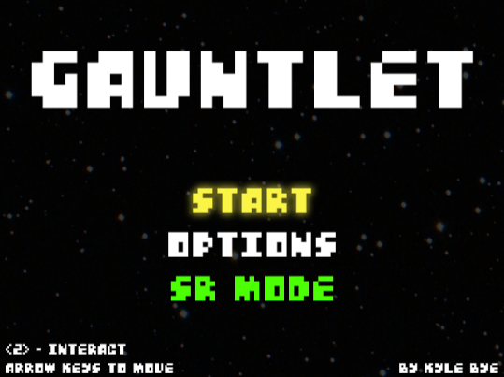
5.5 | 2025-10-28 | 4 | Kyle | After some searching, I found a simple free blue sprite which I think will fit great for the protagonist. I considered using frisk from Undertale, but I think using this free one I found would be safer long term. I imported this sprite into my GameMaker project, and I quickly figured out my way around the sprite editor. It is very similiar to gimp/photoshop. I also found many tile sets and constructed a good test level for testing movement. A lot of the time was spend searching and importing these assets into GameMaker. At some point, GameMaker decided to reset my project, which was unfortunate because it cost an hour of work. | Written in https://github.com/kylevbye/SRGauntlet/commit/67a511d4fd6c2b6da8690bf48b17a3fc18f33ba2 | 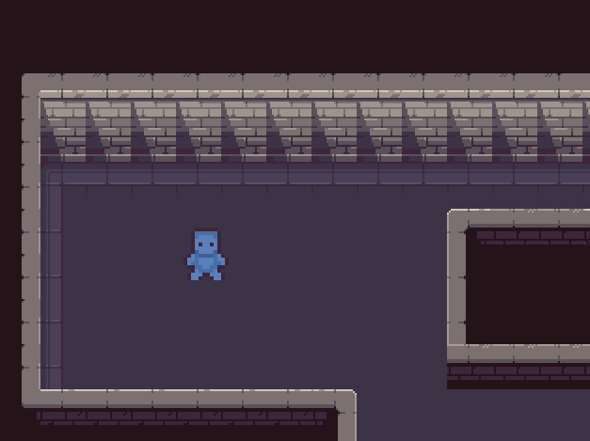
5.6, 6.1 | 2025-10-29 | 3 | Kyle | I severely underestimated GameMaker's included features. They make collision detection incredibly simple. - In the test level design, I made the walls a specific tileset that is "collidable." - In the obj_player, I created two events "Create" and "Step" where I actually write code to manage movement. - With those events, I polled for keyboard input and calculated movement direction. Then, I had the player object move 3 units/sec in the direction decided. - After, I assigned obj_player to their idle and walk sprites based on direction. - With testing, this movement implementation does respect directional input such that if the player held "down right" against a horizontal wall, when free space becomes available below, the game does automatically return to diagonal movement. | Written in https://github.com/kylevbye/SRGauntlet/commit/cfbe2b113f8824773540b1964228a76fff7294e8
3.1, 3.2, 3.3 | 2025-10-31 | 3 | Kyle | Today's mission was to complete the main menu and start experimenting with choicers in GameMaker. Unfortunately, static text in GameMaker is done through the use of objects which means that organization is essential for success longterm. The mission today was successful. The following was completed: - Created room_intromenu & room_options. room_intromenu was set to the starting room. - Renamed MarsNeedsCunilingus font to fnt_mainmenu_tile. Created fnt_mainmenu_option and fnt_mainmenu_footer for the menu choicer and the instructions text respectively. - Created mainmenu and options object groups. All objects made specifically for certain rooms will be organized in groups. - Created several object texts and a main menu choicer. - Discovered that the input handling is done per room. Input handling was completed for the main menu. - Added menu wrapping for the choicer in the main menu. Added a green color for SR_Mode text when enabled. The selected choice color is set to yellow. If SR_Mode is enabled and is highlighted by the choicer, the green color brightens to a lime color. - Interacting with [Start] loads the test room for now. Interacting with [Options] loads room_options which just had a text placeholder announcing "Options" for now. | Written in https://github.com/kylevbye/SRGauntlet/commit/b1fc7561b82b74fc88a951ef870c903acf0a9ab0
2.1, 2.2, 4.1 | 2025-11-03 | 3 | Kyle | Today's mission is to get most of the options screen completed and add some quality of life features. The following was created: - Created room_options_volume as a room dedicated to a volume slider to keep room_options simple. - Created various text objects for options to provide text for the following options: [Fullscreen], [Volume], [Exit]. - Allowed <X/Shift> to return back one room. If you are in room_options_volume, <X/Shift> will bringing you back to room_options. In room_options, <X/Shift> return you to room_intromenu. - Added room_init as a loading room for assets. This is set as the starting room. You are brought into room_intromenu when all assets are loaded. - Added sound effects and music for the main menu. The volumes are stored in global.snd_volume and global.mus_volume. The default values are 0.5 and can be modified in room_options_volume. - Added fullscreen functionallity. You can enter fullscreen by pressing <F4>, <F11>, or selecting the option in room_options. Scaling works properly since 4:3 viewport is respected. Using fullscreen will place black bars to perserve the viewport ratio. - Added a quit feature. This is done by holding <ESC> for 2 seconds. - Created obj_global to be used in every room. This allows global variables to be affected in every room allowing the ability to use the fullscreen and the quit bind in every room. | Written in https://github.com/kylevbye/SRGauntlet/commit/c2b2a5017d93e56e753947879a0ada83a63f725a
2.2, 4.2 | 2025-11-05 | 3 | Kyle | Today's mission is to complete the volume slider. It was successful. You pick the volume you want to edit (music or sfx) then use left/right to modify the volume level. Then, you use <Z/Enter> to save, or <X/Shift> to revert to the old volume. | Written in https://github.com/kylevbye/SRGauntlet/commit/2e5270900481936a187291f40cfaf7f68a5d5066 https://github.com/kylevbye/SRGauntlet/commit/4ea65123b58b3fd6cf7bb3d327b727d2d53918ba
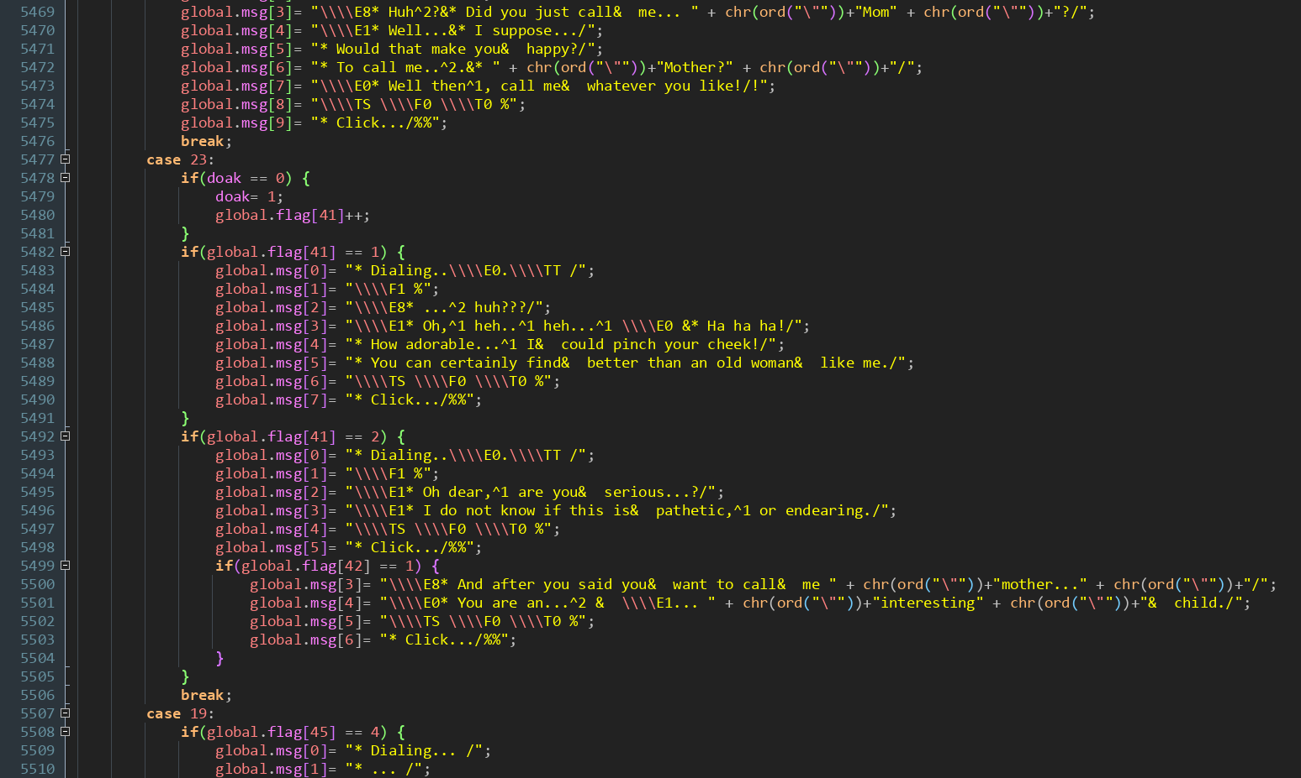
1.1 | 2025-11-06 | 5 | Kyle | Today is a study day. I decided to delve through Undertale's code to find out a lot of essential information needed for the project. I included my findings in a document included in the submission of Weekly Report #2 in a file named "WeeklyReport2-UTSRC_Research-KVB.docx." I felt compelled to include this in the submission because I believe that the discoveries were interesting. Overall, this research too significantly longer than I expected because the code base was written pretty unconventionally compared to what I am used to seeing. | N/A
5.1, 7.1, 12.3 | 2025-11-07 | 4 | Kyle | After yesterday's study, I was armed with the information needed to start arming glitches and exploits into the game. Today, I created the starting room (room_floor1_start) and implemented room transitions. Room transitions are implemented in a similar way as Undertale's such that global.interact being non-zero during a transition could result into wrong warping. However, wrong warping has not been tested yet. | Written in https://github.com/kylevbye/SRGauntlet/commit/1b5d3fcf93ed3ca4abb75cc76dc482e04cc62a8d
12.3 | 2025-11-09 | 3 | Kyle | Continuing on room transitions, I added debug mode, which for right now only displays the "global.interact" value and allows the player to press <spacebar> to set global.interact to 0 (NONE). Pressing <spacebar> in debug mode acts as a punch card exploit. I have created another room called "room_floor1_hallway_u1" which is just a hallway. I set up all the markers and doors needed for testing. I tested wrong warps and they work as intended. If you press spacebar during a room transition then you will wrong warp into the next room instead of spawning on the marker. This is one Undertale exploit full operational in the game, I just need to the [PostCard] item to actually perform the exploit without debug mode. That is soon to be worked on next week probably. | Written in https://github.com/kylevbye/SRGauntlet/commit/acd477a3e03cae88c396219e2ce1c1bffcb1251a
5.1, 6.2, 8.1 | 2025-11-10 | 6 | Kyle | Today, I made some progress and fixed some bugs. I created a new room called "room_floor1_intersection_u2" which is just a room with a 4 way intersection. It's starting to become apparent that I'm going to need more tileset because I am already starting to run out of ideas of how to making distinct rooms. This will be delegated for next week. I only now just noticed that the camera is slightly off centered when following the sprite. It took me a while to figure out that every sprite was off-centered. So, I spent a good chunk of time fixing that, and now the camera follows the player as intended. I also noticed that making a room too small causes some strange offsets to occur for the camera. GameMaker is certainly an interesting game engine. To freshen things up, I started work with the in-game menu. I was able to achieve menu buffering behavior, which is the ability to move exactly 1 in-game unit (I defined in this game as 3 pixels at the moment) when you open the menu and press tap a movement key in the same frame. This is important for glitches and exploits. Currently, the game menu choicer works as intended with the ability to select [STAT] or [INV]. The choicers alone didn't good enough, so I added the player sprite and a label that displays the player's hp. Now it looks much more complete. Next to work on for the in game menu is that stats screen and the inventory system. I would consider today to be an extremely productive day. So far, I am pretty optimistic about the project. | Written in https://github.com/kylevbye/SRGauntlet/commit/c4a859b06aeba99a03ac0eb0a0ca9c615bc2469e
1.2, 9.1, 10.1 | 2025-11-11 | 3 | Kyle | Today, I completed the statistics page and started the inventory system. The stats page contains and calculates the values for the [Weapon] equipped, [Attack] value, [Defense] value, [Level] value, and [Exp] value. I also added sprites to reflect the current [Weapon] equipped. For this project, I will just do a swords only. The player may pick up upgrades for their sword to do more damage. The inventory system just currently features an array of items that are displayed to the player. There's no interaction just yet, so this is still a work of progress. I also started refactoring input checking into its own script file, so that in a miracle case I have enough time to implement keyboard custom rebinding, I would save a lot of time from now having to replace the entire project's lines where I checked for a specific key input. This also has the benefit of making the code more maintainable. I feel confortable with leaving this project as it is for the remainder of the week, so I can focus on the CyberForce competition. I am extremely happy with the progress that has been made. Next week, I want to complete the battle system. The week after that, I want to complete most of the rooms. I think these goals are reasonable. | Written in https://github.com/kylevbye/SRGauntlet/commit/033acd00737ceb4ae2ccc8ea4a74009aecf51659
7.1, 10.1, 10.2, 10.3 | 2025-11-17 | 4 | Kyle | Today, I worked on the inventory system and implemented the PostCard item. In debug mode, you spawn in the first room with the PostCard item in the inventory. With the PunchCard in Undertale, you have about 1 actionable frame that allows you to interact and move before the movement gets locked. I did this behavior with the PostCard. After some testing, you can successfully wrong warp by using the punch card on the room transition trigger. Initially, I had a lot of menu wrapping in all the menu systems, but it made using the PostCard feel extremely clunky, so I removed menu wrapping to fix that. The [Use] action of the inventory system works. Next, I have to complete the [Drop] & [Info] actions of the inventory system. | Written in https://github.com/kylevbye/SRGauntlet/commit/e316af57fce0bce21940049002000c6fcd39e1af | 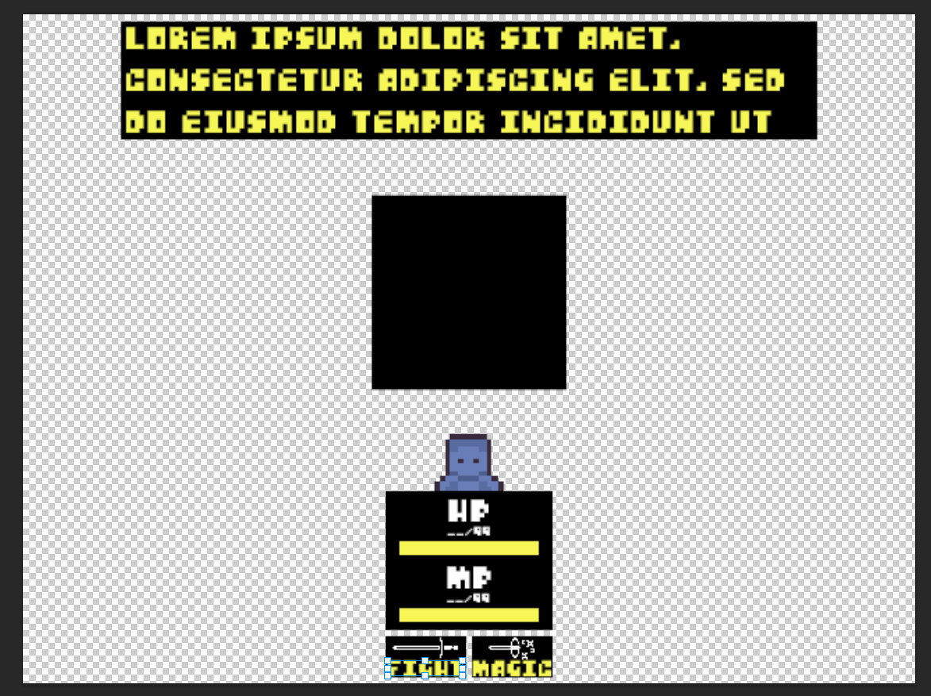
11 | 2025-11-20 | 2 | Kyle | Today, I started work on the battle system design. This mostly involves figuring out the boundaries and positions of the sprites used. This is setup for tomorrow and the day after. This is the timeslot I have choose to implement and complete the battle system. | Screenshot of design (WIP)
11 | 2025-11-21 | 4 | Kyle | Today, I continued work on the design. I started to implement this design in the game. I hope to finish most of the design tomorrow and start working on the attack system. That should be relatively straightforward. The battle system looks suprisingly more complicated than I expected. I also noticed that there's a specific punchcard interaction that's missing. In Undertale, if you try to do an wrong warp with the punch card and forget to let go off the arrow keys during the screen transition, it will reset the global.interact state to 3 which cancels the wrong warp. In the project, this does not occur. If you want to do a wrong warp, you do not have to let go of the arrow keys. I spent a lot of time trying to fix this behavior and couldn't figure it out. I think I will try to patch this again if I have time near the end of the project, but overall wrong warping still works so its a lower priority. I also fixed a bug with the walking animation playing when its not supposed to if you're walking into a wall. | Written in https://github.com/kylevbye/SRGauntlet/commit/f982690f6f3410d231f6d74c51f0d3d27c6defd7 | 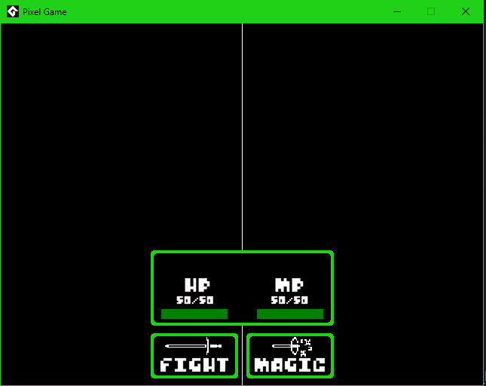
11 | 2025-11-22 | 3 | Kyle | Today, I finished the design, and I continued to implement it to the game. It's still very imcomplete, but the core foundation is set. I hope to finish the design and start the attack system tomorrow. So far, I have complete the first set of choicers and the graphical elements. Next is to add implement the interacts between the enemy and the player. This next step is relatively simple. The battle system by far is the most tedious part of the project because there are a lot of simple systems that need to work with each other. By tomorrow, I want to complete the attack system and then having the battle system fully completed by Tuesday. Then, I can start the dialogue system. After that, it is just level design that's the next major feature. This should be possible in 2 weeks without crunching. I'm definitely going to have to put at least 3+ hours per day starting now to maintain a healthy pace. | Written in https://github.com/kylevbye/SRGauntlet/commit/9737e270e197dc0e1e9d7db81d10922fa581f185
11 | 2025-11-24 | 3 | Kyle | Today, I finished most of the design. The damage and turn cycle aspects of the J-RPG battle system are finished. What is left is the implementation of the magic system, the attack system, then the finishing touches. Pretty good progress today. | Written in https://github.com/kylevbye/SRGauntlet/commit/64892ccba2433357aeacec6525ddaef1a5c0205b
7.2 | 2025-11-26 | 2 | Kyle | I decided to take a tactical break from the battle system and start working on the dialogue design and implementation. I do want to use the dialogue system in the battle system to give the player information. So, this is neccessary step anyways. Looking through Undertale's source code, I wanted to achieve the effect where gaining movement when a textbox is open causes the physical text to leave dialogue box. This is shown on the image to the right. To accomplish this effect in the actual project, text has to draw using the regular draw method, which writes to the game world. The textbox has to be drawn using "drawGUI", which draws onto the window instead of the game world. I also did lots of research on how to properly store text for the dialogue system. Many suggested storing the dialogue in a json file, but this would require writing an entire system to read from it. This isn't too much of a burden, but it will take some time. I could also do it like Toby's way by storing all the text in a GameMaker Data Structure, which would cause long term problems if I were to continue development after the conclusion of this semester. I am heavily favoring the latter if it means I can put more of my time onto the battle system and level design being that the finish date is approaching pretty close. Regardless of what route I choose to develop the dialogue system, I hope to complete the majority of this major system by tomorrow. | Written in https://github.com/kylevbye/SRGauntlet/commit/883a8d7b4e7206c298d117aa0d754b52d79dbbaa
7.2, 12.2, 12.3 | 2025-11-27 | 3 | Kyle | Regarding storing dialogue, I did end up taking the shortcut of using GameMaker Data Structures, but I did it in a slightly more efficient and organized fashion. Toby threw all the dialogue into one massive file and used numeral values to identify which lines to use. All of the dialogue was done in one entire switch case statement. The way I choose to do it is to seperate the dialogue into categories based on purpose. For right now, I seperated based on the following: general, battle, debug (soon), and story. I have seperate functions that store the dialogue into structs that contain arrays of strings represent dialogue lines. Then, all the categories are mashed together into a value called global.dialogue. I believe this addresses some of the maintenence issues that toby's design has by categorizing and separating the dialogue into multiple files. I did end up completing the majority of the dialogue system. I can piano mash the dialogue just like in Undertale too. I ensured that the destruction of the dialoguebox returns player movement, which allows textbox overflow wrong warping to become possible if the player were to gain movement while a textbox is open. The next part of the dialogue system that needs to be finished are choicers, which is the ability to select choices while a dialogue box is open. | Written in https://github.com/kylevbye/SRGauntlet/commit/732ba730bb27286d7c978485496d0875e46b8c86
5.1, 5.2 | 2025-11-28 | 2.5 | Kyle | I decided to work on level design for today. Today, I completed the majority of floor 1. I plan on having 3 floors throughout the game. One room will have 2-3 battles that need to be won in order to access the key to the key room. Another room will contain the floor 2 key. Another contains a weapon. Something I'm thinking about doing to the weapon room is that an armor item could be accessed only through a glitch. I'm almost done with I want to do with floor 1 and can move onto floor 2 soon. | Written in https://github.com/kylevbye/SRGauntlet/commit/980db4300ee530931106d393195cbdb38bdd7c58
5.1, 5.2 | 2025-11-29 | 2.5 | Kyle | I continued work on floor 1. It is pretty much finished when it comes to design and graphics. Floor 1's intended route with glitches is as follows: Player goes to lower room --> Player goes to lower puzzle room --> Player completes puzzle --> Player opens a chest containing the PostCard --> Player performs three wrong warps to the first key room --> Player fights 3 battles --> Player picks up key --> Player unlocks the chest room and picks up the floor 2 key --> Player goes to the room on the right and picks up Sword1 for damage. They may overflow with the PostCard on this choicer to obtain armor for safety. --> Player goes back to the starting room and unlocks the door and proceeds to floor 2. I could see this section taking about 2 minutes or more depending on how I design the battle system. I still need to work on a system that allows the player to interact with objects like reading signs, loot chests, and flipping switches. This should be straightforward. | Written in https://github.com/kylevbye/SRGauntlet/commit/9ac51a3c16b6cda00bc87382c1fd63e1c0f8a381
10.1, 10.4, 10.5 | 2025-12-02 | 2.5 | Kyle | With textbox dialogue being complete (besides choicers at the moment), I went and fully completed the inventory system. That is, I finished implemented the [INFO] and [DROP] options for the inventory item interaction. This did involve moving code around to make the dialogue object more flexible, so that I can use it for other systems without having to make more objects than neccessary. For the drop system, I also added a function called shift_inventory(), which shifts all items up from any empty slots. This should mean that there will never be an empty gap of inventory slots between two items. For fun, I did test if you could wrong warp using the info text of an item. In Undertale, we call tech like this "Cloverflow" as we use an ending of a cutscene to regain movement while a textbox is open, then use that textbox to wrong warp into the next room. In this project, this is theoretically possible, but because of the way the menu is programmed, the menu stays up between room transitions, which leads having to mash X/Shift after wrong warping. Since this interaction shouldn't be problematic, I do not plan on fixing it. Although, it might be awkward to do this in-game. | Written in https://github.com/kylevbye/SRGauntlet/commit/0cce28c0d9a286e2c0116b21e400c84d232b431d
5.1, 5.2, 10.3, 12.2 | 2025-12-03 | 3.5 | Kyle | Something I haven't completed yet is the ability for the player to interact with objects. Pressing Z on an interactable show result in an action. Today, I implemented an interaction system. For right now, I only have signs working, but for other actions like looting and activating switches, the backbone is done. At the moment, the way an interaction is started is to test if the player input an interaction and if their has interaction region (rectangular region that is defined by their position and what area they are facing) collides with the center point of an interactable object. Now with signs being interactable, I was really able to test textbox mashing to the extreme, and I can confirm that it is stable. I also can confirm that text overflows are possible, although they're a bit strange compared to Undertale's. That's probably something I'm going to have to tinker with more. | Written in https://github.com/kylevbye/SRGauntlet/commit/4b0b52ff3a5445febcf75d7174efb225403f6561 | 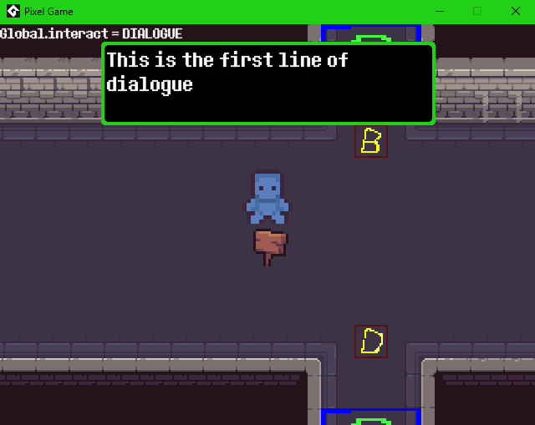 | 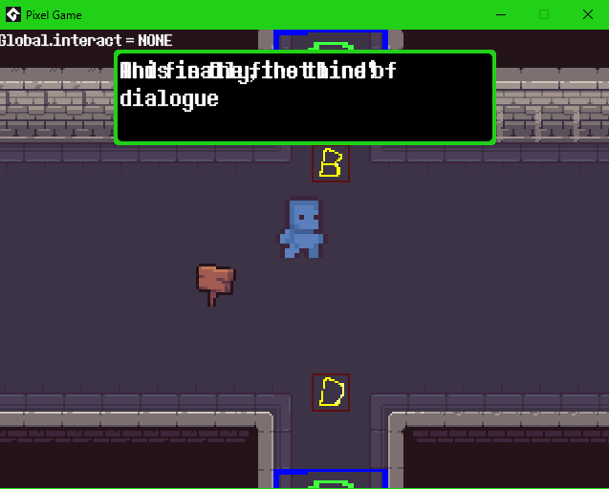
11 | 2025-12-05 | 4 | Kyle | I continued work on the battle system. I implemented sound effects, attack numbers, and dialogue boxes. I started work on the magic system. The menu aspects are done, i just need to work out how powerful it needs to be. I have the follow left to do to complete the battle system: - Complete remaining magic system. - Attack System - Enemy Types - Encounter Transition - Screen Shake I should have this completed by Sunday. All then that is left is to complete floor 1's interactions, add choicer dialogue, and complete floor 2. My original intent was to have 4 levels, but I might downsize it to two, so I can have time to work on the presentation. The levels themselves at the moment are a lot bigger than I originally intended them to be, so I'm not super underwhelmed of what I accomplished so far. | Written in https://github.com/kylevbye/SRGauntlet/commit/2c7ce19c6c87df296dfbd5019c442158f954b440
11 | 2025-12-07 | 8 | Kyle | Today, I continued work on the attack system, added a gameover screen, and added a victory screen. For the battle system, just need to do finishing touches like the transition to battle and enemy types. I also need to do the magic system, which is just the attack system without inputting anything with extra damage.
11 | 2025-12-08 | 7 | Kyle | Today, I finally finished the attack system. Super, healing and battle transitions work as intended. I also finished added weapon functionality. The player starts with a dull sword, picks up a advanced sword in floor 1 (which uses the 3-bar ballet shoes patterns from Undertale), and picks up the ultimate sword in floor 2 (which is the essentially the burnt pan from Undertale). I also started work on triggers for cutscenes. | Written in https://github.com/kylevbye/SRGauntlet/commit/68390ce7aa7ff29a3b9ec5422200f0268d2fe3f6

